HDCGIF2

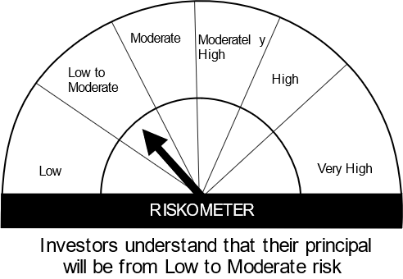
HSBC Mutual Fund
HSBC CRISIL IBX Gilt June 2027 IndexFund
(An open-ended Target Maturity Index Fund tracking CRISIL-IBX Gilt Index - June 2027. Relatively high interest rate risk and relatively low credit risk.)
Portfolio Statement as of December 31, 2023

Name of the Instrument | ISIN | Rating/Industries | Quantity | Market Value (Rs in Lacs) | Percentage to Net Assets | Yield of the Instrument (%) | YTC @ |  | Maturity Date
 |  |  |  |  |  |  | CRISIL | ICRA
Debt Instruments
Government Securities
7.38% GOI 20JUN2027 | IN0020220037 | SOVEREIGN | 19,000,000.00 | 19,211.28 | 79.07% | 7.09 |  |  | 20-Jun-27
GOI 08.24% 15FEB27 | IN0020060078 | SOVEREIGN | 2,500,000.00 | 2,656.43 | 10.93% | 7.09 |  |  | 15-Feb-27
GOI 06.79% 15MAY2027 | IN0020170026 | SOVEREIGN | 2,000,000.00 | 1,998.75 | 8.23% | 7.10 |  |  | 15-May-27
Total |  |  |  | 23,866.46 | 98.23%
Treps |  |  |  | 459.52 | 1.89% | 6.75 |  |  | 1-Jan-24
Net Current Assets (including cash & bank balances) |  |  |  | -29.09 | -0.12% | 6.75
Total Net Assets as on 31-DECEMBER-2023 |  |  |  | 24,296.89 | 100.00%
Market Value includes accrued interest
** Securities are classified as non-traded on the basis of Traded data as on DEC 29, 2023 provided by CRISIL and ICRA.
^ Securities are classified as traded on the basis of Traded data as on DEC 29, 2023 provided by CRISIL and ICRA.

Annualised Portfolio YTM ! | 7.21%
Macaulay Duration | 36.23
! in case of semi annual YTM, it will be annualised

Disclaimer


