HOMSMS
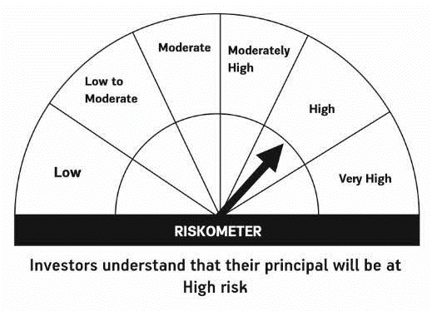

HSBC Mutual Fund
HSBC Managed Solutions India - Moderate
HSBC Managed Solutions India-Moderate (An open ended Fund of Funds Scheme investing in a basket of equity, debt, Gold and other Exchange Traded Funds.)
Portfolio Statement as of December 31, 2023

Name of the Instrument | ISIN | Rating/Industries | Quantity | Market Value (Rs in Lacs) | Percentage to Net Assets | Yield of the Instrument (%) | YTC @
 |  |  |  |  |  |  | CRISIL | ICRA
Mutual Fund Units
Domestic Mutual Fund Units
HSBC Large Cap Fund- Direct Growth | INF336L01CM7 | Internal - Mutual Fund Units | 628,581.87 | 2,742.50 | 48.33%
HSBC Small Cap Fund - Direct Growth | INF917K01QA1 | Internal - Mutual Fund Units | 1,243,366.67 | 937.49 | 16.52%
HSBC Short Duration Fund - Direct Growth | INF917K01IQ4 | Internal - Mutual Fund Units | 3,765,333.83 | 932.03 | 16.42%
HSBC Medium To Long Duration Fund - Direct Growth | INF336L01DE2 | Internal - Mutual Fund Units | 1,659,086.18 | 683.34 | 12.04%
HSBC Dynamic Bond Fund - Direct Growth | INF917K01HA0 | Internal - Mutual Fund Units | 1,197,560.08 | 335.69 | 5.92%
Total |  |  |  | 5,631.04 | 99.23%
Treps |  |  |  | 76.41 | 1.35% | 6.75
Net Current Assets (including cash & bank balances) |  |  |  | -32.77 | -0.58% | 6.75
Total Net Assets as on 31-DECEMBER-2023 |  |  |  | 5,674.69 | 100.00%

Disclaimer


