ITIUSDF
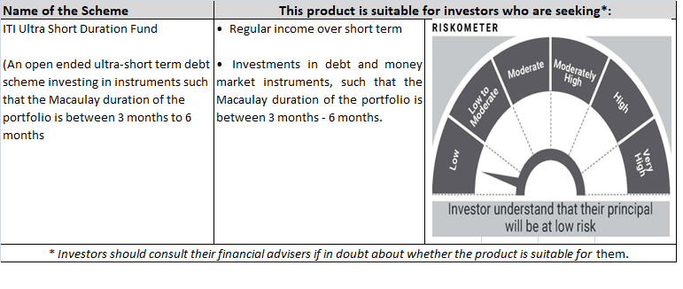
 | ITI MUTUAL FUND (LIVE SCHEMES)
 | ITI Ultra Short Duration Fund

 | Monthly Portfolio Statement as on August 31,2021
 | Name of the Instrument | ISIN | Rating | Quantity | Market/Fair Value (Rs. in Lakhs) | % to Net Assets | Yield of the Instrument | Notes & Symbols
 | Equity & Equity related |  |  |  | NIL | NIL

 | a) Listed/awaiting listing on Stock Exchanges |  |  |  | NIL | NIL

 | b) Unlisted |  |  |  | NIL | NIL

 | c) Foreign Securities and /or overseas ETF |  |  |  | NIL | NIL

 | Total |  |  |  | NIL | NIL
 | Debt Instruments
 | (a) Listed / awaiting listing on Stock Exchange
POWF359 | 7.47% Power Finance Corporation Limited (16/09/2021) | INE134E08IJ0 | CRISIL AAA | 1,300,000 | 1,302.15 | 9.81% | 3.21% | N**
MREL194 | 5.44% Chennai Petroleum Corporation Limited (24/06/2024) | INE178A08037 | CRISIL AAA | 300,000 | 299.36 | 2.26% | 5.51% | N**
 | Sub Total |  |  |  | 1,601.51 | 12.07%
 | Central Government Securities
GOI2788 | 4.48% Government of India (02/11/2023) | IN0020200211 | Sovereign | 1,500,000 | 1,503.45 | 11.33% | 4.37%
 | Sub Total |  |  |  | 1,503.45 | 11.33%
 | (b) Privately placed / Unlisted |  |  |  | NIL | NIL
 | Sub Total |  |  |  | NIL | NIL
 | Securitised Debt Instruments |  |  |  | NIL | NIL
 | Sub Total |  |  |  | NIL | NIL
 | State Government Securities |  |  |  | NIL | NIL
 | Sub Total |  |  |  | NIL | NIL
 | Total |  |  |  | 3,104.96 | 23.40%
 | Money Market Instruments
 | Treasury Bill
TBIL1916 | 182 Days Tbill (MD 23/12/2021) | IN002021Y122 | Sovereign | 2,500,000 | 2,474.64 | 18.65% | 3.31%
TBIL1874 | 364 Days Tbill (MD 24/03/2022) | IN002020Z519 | Sovereign | 2,000,000 | 1,962.17 | 14.79% | 3.45%
 | Sub Total |  |  |  | 4,436.81 | 33.44%
 | Commercial Paper |  |  |  | NIL | NIL
 | Sub Total |  |  |  | NIL | NIL
 | Certificate of Deposits |  |  |  | NIL | NIL
 | Sub Total
 | Treasury Bills |  |  |  | NIL | NIL
 | Sub Total
 | Bills Re-Discounting |  |  |  | NIL | NIL
 | Sub Total
 | Total |  |  |  | 4,436.81 | 33.44%
 | Others |  |  |  | NIL | NIL

 | a) Mutual Fund Units / Exchange Traded Funds |  |  |  | NIL | NIL

 | b) Gold |  |  |  | NIL | NIL

 | c) Short Term Deposits |  |  |  | NIL | NIL

 | d) Term Deposits Placed as Margins |  |  |  | NIL | NIL

 | Total |  |  |  | NIL | NIL

 | CBLO / Reverse Repo / TREPS
TRP_010921 | TREPS 01-Sep-2021 |  |  |  | 5,612.00 | 42.29%
 | Sub Total |  |  |  | 5,612.00 | 42.29%
 | Total |  |  |  | 5,612.00 | 42.29%
 | Net Receivables / (Payables) |  |  |  | 115.87 | 0.87%
 | GRAND TOTAL |  |  |  | 13,269.64 | 100.00%

 | Notes & Symbols :-
 | # -> Less Than 0.005% ; A** -> Awaiting Listing on Stock Exchanges ; T** -> Thinly Traded Securities ; N** -> Non Traded Securities ; I** -> Illiquid Shares ; R** -> Rights Entitalment ; P** Preference Shares ; W** Warrants
 | 1. Non Convertible Debentures and Bonds are considered as Traded based on information provided by external agencies.
 | 2. ^ The Name of the Industry is in accordance with Industry Classification as recommended by AMFI.
 | 3. All corporate ratings are assigned by rating agencies like CRISIL; CARE; ICRA; IND; BRW.
 | 4. & For Short-term, Fixed and Margin Deposits, the yield populated is Coupon Rate

