ITIMID
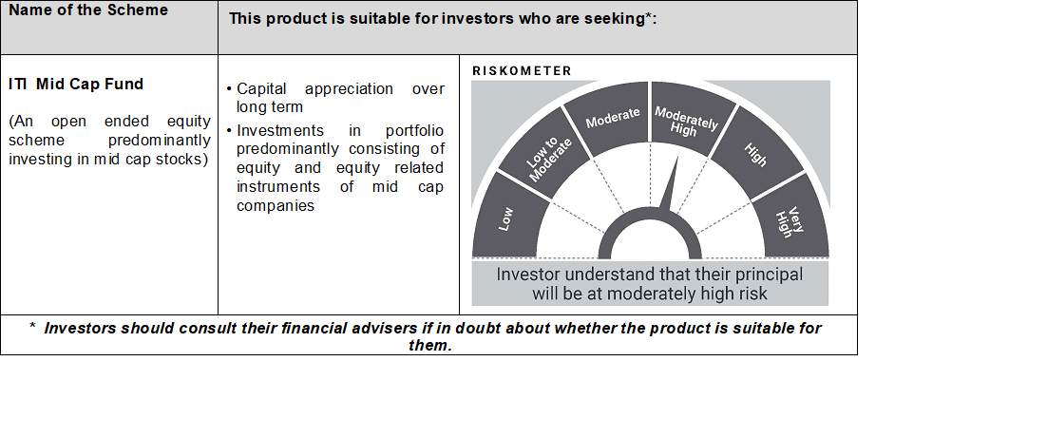
 | ITI MUTUAL FUND (LIVE SCHEMES)
 | ITI Mid Cap Fund
 |  |  |  |  |  |  |  | Back to Index
 | Monthly Portfolio Statement as on March 31,2021
 | Name of the Instrument | ISIN | Industry | Quantity | Market/Fair Value (Rs. in Lakhs) | % to Net Assets | Yield of the Instrument | Notes & Symbols
 | Equity & Equity related
 | (a) Listed / awaiting listing on Stock Exchanges
ALPM01 | Alembic Pharmaceuticals Limited | INE901L01018 | Pharmaceuticals | 64,944 | 626.68 | 2.48%
CUBI02 | City Union Bank Limited | INE491A01021 | Banks | 391,332 | 610.28 | 2.41%
WABT01 | WABCO India Limited | INE342J01019 | Auto Ancillaries | 7,591 | 500.25 | 1.98%
FEBA02 | The Federal Bank Limited | INE171A01029 | Banks | 597,806 | 453.14 | 1.79%
SAEL02 | TVS Motor Company Limited | INE494B01023 | Auto | 77,341 | 452.48 | 1.79%
SOEL02 | Solar Industries India Limited | INE343H01029 | Chemicals | 33,678 | 431.97 | 1.71%
BHEL02 | Bharat Electronics Limited | INE263A01024 | Aerospace & Defense | 342,356 | 428.29 | 1.69%
BKBA02 | Bank of Baroda | INE028A01039 | Banks | 564,223 | 418.09 | 1.65%
PHMI02 | The Phoenix Mills Limited | INE211B01039 | Construction | 51,304 | 400.50 | 1.58%
POCA01 | Polycab India Limited | INE455K01017 | Industrial Products | 26,352 | 363.54 | 1.44%
CAST03 | Castrol India Limited | INE172A01027 | Petroleum Products | 238,236 | 298.51 | 1.18%
COFE03 | Coromandel International Limited | INE169A01031 | Fertilisers | 37,731 | 292.25 | 1.16%
SUVP01 | Suven Pharmaceuticals Limited | INE03QK01018 | Pharmaceuticals | 57,656 | 286.44 | 1.13%
HOCH01 | Sanofi India Limited | INE058A01010 | Pharmaceuticals | 3,300 | 260.19 | 1.03%
SUNT02 | Sun TV Network Limited | INE424H01027 | Entertainment | 51,653 | 242.92 | 0.96%
ASHL02 | Ashok Leyland Limited | INE208A01029 | Auto | 211,066 | 239.56 | 0.95%
GLAX01 | GlaxoSmithKline Pharmaceuticals Limited | INE159A01016 | Pharmaceuticals | 16,627 | 239.55 | 0.95%
BFLS01 | MphasiS Limited | INE356A01018 | Software | 11,146 | 198.01 | 0.78%
MAFS02 | Mahindra & Mahindra Financial Services Limited | INE774D01024 | Finance | 90,901 | 180.85 | 0.72%
IFEL01 | Oracle Financial Services Software Limited | INE881D01027 | Software | 5,120 | 163.79 | 0.65%
VSNL01 | Tata Communications Limited | INE151A01013 | Telecom - Services | 15,000 | 159.42 | 0.63%
GRAM01 | CreditAccess Grameen Limited | INE741K01010 | Finance | 22,025 | 147.73 | 0.58%
BAYE02 | Bayer Cropscience Limited | INE462A01022 | Pesticides | 2,733 | 145.99 | 0.58%
MAXI02 | Max Financial Services Limited | INE180A01020 | Insurance | 15,649 | 134.50 | 0.53%
PSYL01 | Persistent Systems Limited | INE262H01013 | Software | 6,600 | 126.86 | 0.50%
GOOD02 | Kansai Nerolac Paints Limited | INE531A01024 | Consumer Non Durables | 21,073 | 126.66 | 0.50%
SUFI01 | Sundaram Finance Limited | INE660A01013 | Finance | 4,877 | 125.36 | 0.50%
GSPL01 | Gujarat State Petronet Limited | INE246F01010 | Gas | 42,996 | 117.53 | 0.46%
PEFR01 | Aditya Birla Fashion and Retail Limited | INE647O01011 | Retailing | 58,093 | 116.91 | 0.46%
METR01 | Metropolis Healthcare Limited | INE112L01020 | Healthcare Services | 5,048 | 113.14 | 0.45%
MOFS03 | Motilal Oswal Financial Services Limited | INE338I01027 | Capital Markets | 16,784 | 104.87 | 0.41%
CCOI02 | Container Corporation of India Limited | INE111A01025 | Transportation | 11,441 | 68.42 | 0.27%
AUHF01 | Aavas Financiers Limited | INE216P01012 | Finance | 2,577 | 62.39 | 0.25%
VOLT02 | Voltas Limited | INE226A01021 | Consumer Durables | 6,077 | 60.89 | 0.24%
PAGE01 | Page Industries Limited | INE761H01022 | Textile Products | 155 | 46.99 | 0.19%
VNBL01 | Varun Beverages Limited | INE200M01013 | Consumer Non Durables | 4,433 | 44.46 | 0.18%
AMRA03 | Amara Raja Batteries Limited | INE885A01032 | Auto Ancillaries | 4,886 | 41.72 | 0.16%
CHOL02 | Cholamandalam Investment and Finance Company Limited | INE121A01024 | Finance | 7,109 | 39.73 | 0.16%
BHFO02 | Bharat Forge Limited | INE465A01025 | Industrial Products | 6,663 | 39.71 | 0.16%
ICII01 | Akzo Nobel India Limited | INE133A01011 | Consumer Non Durables | 1,670 | 38.34 | 0.15%
SAIL01 | Steel Authority of India Limited | INE114A01011 | Ferrous Metals | 43,710 | 34.44 | 0.14%
TOPL01 | Torrent Power Limited | INE813H01021 | Power | 8,072 | 34.21 | 0.14%
APOL02 | Apollo Hospitals Enterprise Limited | INE437A01024 | Healthcare Services | 1,139 | 33.06 | 0.13%
UBBL02 | United Breweries Limited | INE686F01025 | Consumer Non Durables | 2,645 | 32.84 | 0.13%
CRED02 | CRISIL Limited | INE007A01025 | Finance | 1,777 | 32.68 | 0.13%
CGCE01 | Crompton Greaves Consumer Electricals Limited | INE299U01018 | Consumer Durables | 8,116 | 31.86 | 0.13%
ACCL02 | ACC Limited | INE012A01025 | Cement & Cement Products | 1,559 | 29.67 | 0.12%
OBRL01 | Oberoi Realty Limited | INE093I01010 | Construction | 4,117 | 23.68 | 0.09%
NMDC01 | NMDC Limited | INE584A01023 | Minerals/Mining | 17,029 | 23.05 | 0.09%
JKCE01 | JK Cement Limited | INE823G01014 | Cement & Cement Products | 788 | 22.83 | 0.09%
ATUL01 | Atul Limited | INE100A01010 | Chemicals | 319 | 22.59 | 0.09%
SUFA02 | Sundram Fasteners Limited | INE387A01021 | Auto Ancillaries | 1,186 | 9.49 | 0.04%
FAGP01 | Schaeffler India Limited | INE513A01014 | Industrial Products | 163 | 8.87 | 0.04%
 | Sub Total |  |  |  | 9,288.18 | 36.75%
 | (b) Unlisted |  |  |  | NIL | NIL
 | Sub Total |  |  |  | NIL | NIL
 | Total |  |  |  | 9,288.18 | 36.75%

 | c) Foreign Securities and /or overseas ETF |  |  |  | NIL | NIL

 | DEBT INSTRUMENTS

 | a) Listed/awaiting listing on the stock exchanges |  |  |  | NIL | NIL

 | b) Privately Placed/Unlisted |  |  |  | NIL | NIL

 | c) Securitised Debt Instruments |  |  |  | NIL | NIL

 | d) Central Government Securities
GOI2797 | 5.15% Government of India (09/11/2025) | IN0020200278 | Sovereign | 100,000 | 97.79 | 0.39% | 5.70%
 | Sub Total |  |  |  | 97.79 | 0.39%

 | e) State Government Securities |  |  |  | NIL | NIL

 | MONEY MARKET INSTRUMENTS

 | a) Commercial Paper |  |  |  | NIL | NIL

 | b) Certificate of Deposits |  |  |  | NIL | NIL

 | c) Treasury Bills |  |  |  | NIL | NIL

 | d) Bills Re- Discounting |  |  |  | NIL | NIL

 | OTHERS
 | a) Mutual Fund Units / Exchange Traded Funds |  |  |  | NIL | NIL

 | b) Gold |  |  |  | NIL | NIL

 | c) Short Term Deposits |  |  |  | NIL | NIL

 | Others
 | Margin Fixed Deposit |  |  |  | NIL | NIL
 | Total |  |  |  | NIL | NIL
 | CBLO / Reverse Repo / TREPS
TRP_050421 | TREPS 05-Apr-2021 |  |  |  | 16,725.87 | 66.14%
 | Sub Total |  |  |  | 16,725.87 | 66.14%
 | Total |  |  |  | 16,725.87 | 66.14%
 | Net Receivables / (Payables) |  |  |  | (825.05) | (3.28)%
 | GRAND TOTAL |  |  |  | 25,286.79 | 100.00%

 | Notes & Symbols :-
 | # -> Less Than 0.005% ; A** -> Awaiting Listing on Stock Exchanges ; T** -> Thinly Traded Securities ; N** -> Non Traded Securities ; I** -> Illiquid Shares ; R** -> Rights Entitalment ; P** Preference Shares ; W** Warrants
 | 1. Non Convertible Debentures and Bonds are considered as Traded based on information provided by external agencies.
 | 2. ^ The Name of the Industry is in accordance with Industry Classification as recommended by AMFI.
 | 3. All corporate ratings are assigned by rating agencies like CRISIL; CARE; ICRA; IND; BRW.
 | 4. & For Short-term, Fixed and Margin Deposits, the yield populated is Coupon Rate

