JBMMF

JioBlackRock Money Market Fund

Monthly Portfolio Statement as on September 30, 2025
Name of the Instrument | ISIN | Rating | Quantity | Market/Fair Value (Rs. in Lakhs) | % to Net Assets | Yield to Maturity | Yield to Call ^
Money Market Instruments
Certificate of Deposit
National Bank For Agriculture & Rural Development (25-Mar-2026) ** | INE261F16AA7 | CRISIL A1+ | 5,000 | 24,285.25 | 10.17 | 6.14%
Axis Bank Ltd (04-Mar-2026) ** | INE238AD6AN0 | ICRA A1+ | 4,500 | 21,937.25 | 9.19 | 6.08%
HDFC Bank Ltd (12-Mar-2026) ** | INE040A16GN6 | CARE A1+ | 4,500 | 21,908.79 | 9.17 | 6.08%
Axis Bank Ltd (10-Aug-2026) ** | INE238AD6BC1 | CRISIL A1+ | 3,000 | 14,220.75 | 5.95 | 6.39%
Bank of Baroda (25-May-2026) ** | INE028A16JR6 | CRISIL A1+ | 2,000 | 9,610.39 | 4.02 | 6.27%
Export-Import Bank Of India (28-May-2026) ** | INE514E16CL5 | CRISIL A1+ | 2,000 | 9,607.15 | 4.02 | 6.25%
HDFC Bank Ltd (05-Aug-2026) ** | INE040A16HF0 | CRISIL A1+ | 2,000 | 9,487.62 | 3.97 | 6.40%
Canara Bank (12-Mar-2026) | INE476A16B23 | CRISIL A1+ | 1,500 | 7,303.09 | 3.06 | 6.08%
Canara Bank (18-Mar-2026) ** | INE476A16B64 | CRISIL A1+ | 1,500 | 7,295.99 | 3.06 | 6.08%
Canara Bank (06-Mar-2026) ** | INE476A16A99 | CRISIL A1+ | 1,000 | 4,873.47 | 2.04 | 6.07%
Indian Bank (06-Mar-2026) ** | INE562A16OG7 | CRISIL A1+ | 1,000 | 4,873.41 | 2.04 | 6.08%
HDFC Bank Ltd (09-Mar-2026) ** | INE040A16HM6 | CRISIL A1+ | 1,000 | 4,870.99 | 2.04 | 6.08%
Punjab National Bank (18-Mar-2026) | INE160A16RK5 | CRISIL A1+ | 1,000 | 4,864.00 | 2.04 | 6.08%
Small Industries Development Bank of India (25-Mar-2026) ** | INE556F16BF7 | CRISIL A1+ | 1,000 | 4,858.04 | 2.03 | 6.10%
Small Industries Development Bank of India (05-May-2026) ** | INE556F16BH3 | CRISIL A1+ | 1,000 | 4,819.74 | 2.02 | 6.32%
Union Bank of India (25-Jun-2026) | INE692A16JQ1 | ICRA A1+ | 1,000 | 4,779.23 | 2.00 | 6.32%
Axis Bank Ltd (11-Aug-2026) ** | INE238AD6BD9 | CRISIL A1+ | 1,000 | 4,739.47 | 1.98 | 6.39%
Small Industries Development Bank of India (27-Feb-2026) ** | INE556F16BB6 | CRISIL A1+ | 500 | 2,439.31 | 1.02 | 6.10%
Canara Bank (04-Mar-2026) ** | INE476A16A73 | CRISIL A1+ | 500 | 2,437.52 | 1.02 | 6.08%
Indian Bank (06-May-2026) ** | INE562A16OS2 | CRISIL A1+ | 500 | 2,410.40 | 1.01 | 6.25%
Sub Total |  |  |  | 171,621.83 | 71.87
Commercial Paper
Small Industries Development Bank Of India (03-Mar-2026) ** | INE556F14LG9 | CRISIL A1+ | 2,500 | 12,188.60 | 5.10 | 6.10%
National Bank For Agriculture & Rural Development (02-Mar-2026) ** | INE261F14OD7 | CRISIL A1+ | 2,500 | 12,188.43 | 5.10 | 6.14%
ICICI Securities Ltd (23-Dec-2025) ** | INE763G14ZH7 | CRISIL A1+ | 2,000 | 9,851.81 | 4.13 | 6.62%
Cholamandalam Investment and Finance Co Ltd (20-May-2026) ** | INE121A14XU9 | CRISIL A1+ | 2,000 | 9,574.33 | 4.01 | 7.03%
Kotak Mahindra Prime Ltd (05-Jun-2026) ** | INE916D145K4 | CRISIL A1+ | 2,000 | 9,565.19 | 4.01 | 6.72%
NTPC Ltd (10-Mar-2026) ** | INE733E14BU9 | CARE A1+ | 1,500 | 7,306.55 | 3.06 | 6.04%
LIC Housing Finance Ltd (18-Mar-2026) ** | INE115A14FL7 | CRISIL A1+ | 500 | 2,430.64 | 1.02 | 6.20%
Sub Total |  |  |  | 63,105.54 | 26.42
Treasury Bill
364 DTB (16-JUL-2026) | IN002025Z161 | SOVEREIGN | 2,500,000 | 2,394.97 | 1.00 | 5.56%
Sub Total |  |  |  | 2,394.97 | 1.00
Total |  |  |  | 237,122.34 | 99.29

TREPS |  |  |  | 189,401.86 | 79.31 | 5.49%

Net Receivables / (Payables) |  |  |  | (187,713.04) | (78.60)
Grand Total |  |  |  | 238,811.17 | 100.00

** Non Traded Security
^ It is disclosed for Perpetual Bond issued by Banks (i.e. AT-1 Bond / Tier 1 Bond / Tier 2 Bond), as per AMFI Best Practices Guidelines Circular no. 91/2020-21 dated March 24, 2021 on Valuation of AT-1 Bonds and Tier 2 Bonds. As per SEBI Circular SEBI/HO/IMD/PoD1/CIR/P/2024/106 dated August 05, 2024, valuation of AT-1 Bonds are done on Yield to Call basis w.e.f. August 07, 2024. YTC of AT-1 Bonds are now same as it’s YTM% and hence it is not disclosed separately under YTC%.

Scheme Risk-O-Meter



Benchmark Risk-O-Meter
Benchmark Name - NIFTY Money Market Index A-I

JBOF

JioBlackRock Overnight Fund

Monthly Portfolio Statement as on September 30, 2025
Name of the Instrument | ISIN | Rating | Quantity | Market/Fair Value (Rs. in Lakhs) | % to Net Assets | Yield to Maturity | Yield to Call ^
Money Market Instruments
Treasury Bill
91 DTB (16-OCT-2025) | IN002025X166 | SOVEREIGN | 5,000,000 | 4,988.93 | 1.65 | 5.40%
91 DTB (23-OCT-2025) | IN002025X174 | SOVEREIGN | 3,500,000 | 3,488.70 | 1.16 | 5.37%
Sub Total |  |  |  | 8,477.63 | 2.81
Total |  |  |  | 8,477.63 | 2.81

TREPS |  |  |  | 44,321.38 | 14.68 | 5.49%

Reverse Repo
Reverse Repo (01-Oct-2025) |  |  |  | 99,999.49 | 33.11 | 5.55%
Reverse Repo (01-Oct-2025) |  |  |  | 98,499.78 | 32.62 | 5.55%
Reverse Repo (01-Oct-2025) |  |  |  | 50,691.67 | 16.79 | 5.57%
Total |  |  |  | 249,190.94 | 82.51

Net Receivables / (Payables) |  |  |  | 9.49 | 0.00
Grand Total |  |  |  | 301,999.44 | 100.00

* Less Than 0.01% of Net Asset Value

^ It is disclosed for Perpetual Bond issued by Banks (i.e. AT-1 Bond / Tier 1 Bond / Tier 2 Bond), as per AMFI Best Practices Guidelines Circular no. 91/2020-21 dated March 24, 2021 on Valuation of AT-1 Bonds and Tier 2 Bonds. As per SEBI Circular SEBI/HO/IMD/PoD1/CIR/P/2024/106 dated August 05, 2024, valuation of AT-1 Bonds are done on Yield to Call basis w.e.f. August 07, 2024. YTC of AT-1 Bonds are now same as it’s YTM% and hence it is not disclosed separately under YTC%.

Scheme Risk-O-Meter



Benchmark Risk-O-Meter
Benchmark Name - NIFTY 1D Rate Index

JBN8-13
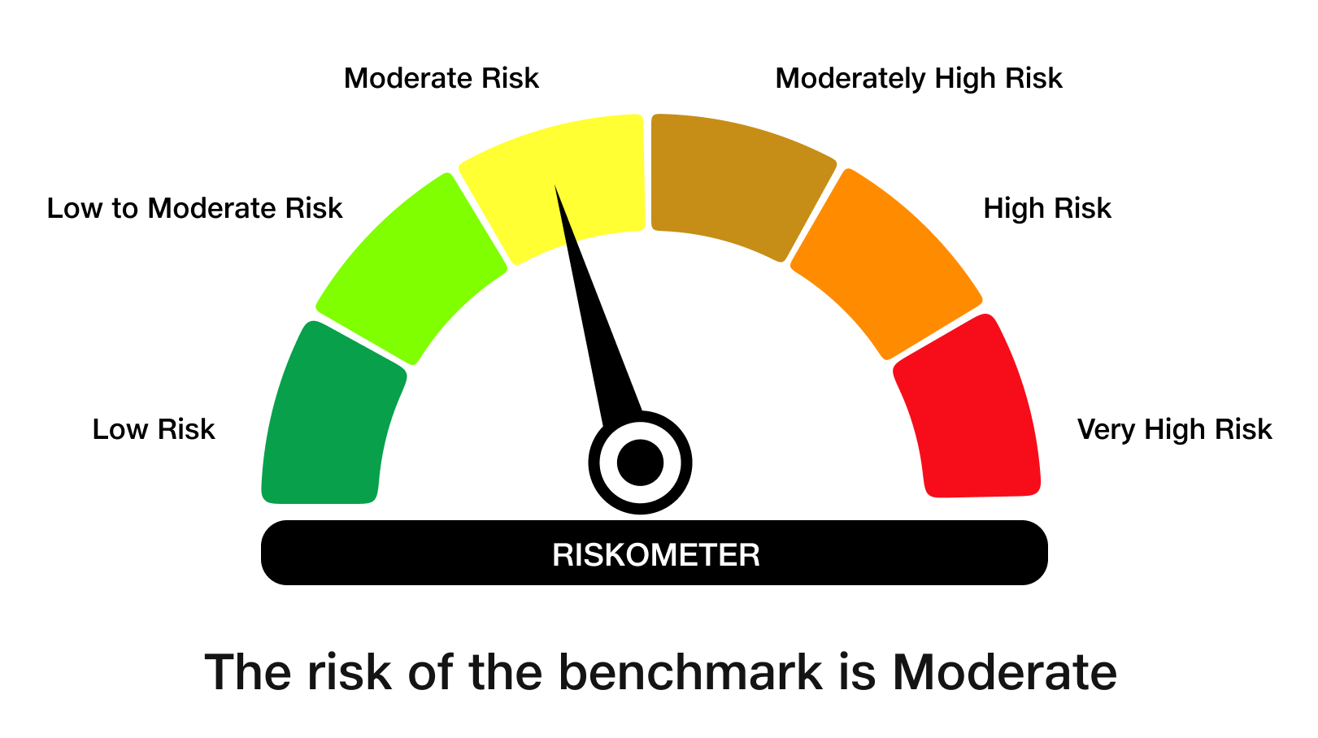
JioBlackRock Nifty 8-13 yr G-Sec Index Fund

Monthly Portfolio Statement as on September 30, 2025
Name of the Instrument | ISIN | Rating | Quantity | Market/Fair Value (Rs. in Lakhs) | % to Net Assets | Yield to Maturity | Yield to Call ^
Government Securities
6.33% GOI 2035 (05-MAY-2035) | IN0020250026 | SOVEREIGN | 1,950,000 | 1,916.67 | 49.56 | 6.68%
6.79% GOI 2034 (07-OCT-2034) | IN0020240126 | SOVEREIGN | 995,000 | 1,004.85 | 25.98 | 6.75%
7.10% GOI 2034 (08-APR-2034) | IN0020240019 | SOVEREIGN | 780,000 | 802.80 | 20.76 | 6.76%
Total |  |  |  | 3,724.32 | 96.31

TREPS |  |  |  | 46.87 | 1.21 | 5.49%

Net Receivables / (Payables) |  |  |  | 95.98 | 2.48
Grand Total |  |  |  | 3,867.17 | 100.00

^ It is disclosed for Perpetual Bond issued by Banks (i.e. AT-1 Bond / Tier 1 Bond / Tier 2 Bond), as per AMFI Best Practices Guidelines Circular no. 91/2020-21 dated March 24, 2021 on Valuation of AT-1 Bonds and Tier 2 Bonds. As per SEBI Circular SEBI/HO/IMD/PoD1/CIR/P/2024/106 dated August 05, 2024, valuation of AT-1 Bonds are done on Yield to Call basis w.e.f. August 07, 2024. YTC of AT-1 Bonds are now same as it’s YTM% and hence it is not disclosed separately under YTC%.

Debt Index Replication Factor (DIRF) : 96.31%

Scheme Risk-O-Meter

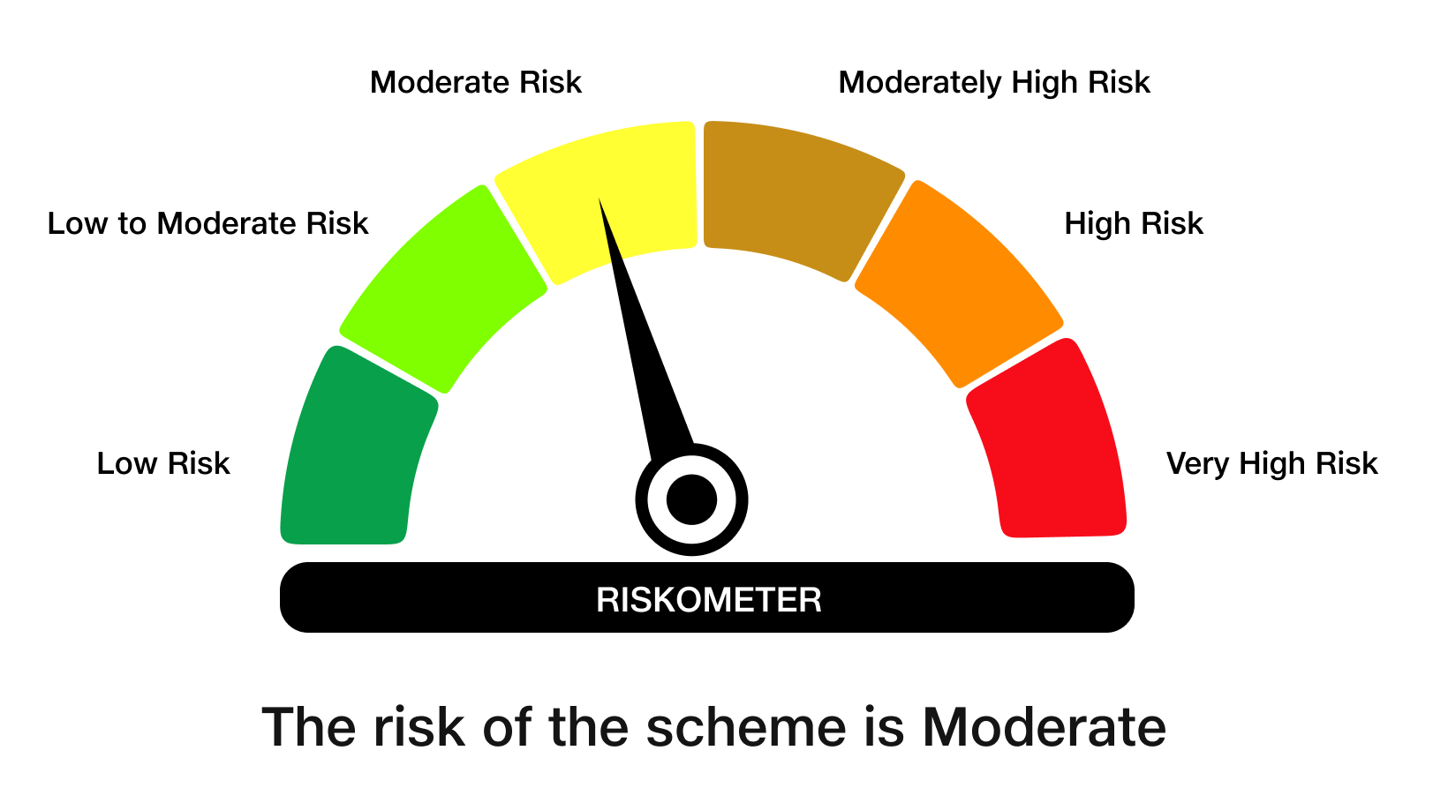

Benchmark Risk-O-Meter
Benchmark Name - NIFTY 8-13 yr G-Sec

JBN50

JioBlackRock Nifty 50 Index Fund

Monthly Portfolio Statement as on September 30, 2025
Name of the Instrument | ISIN | Industry Classification | Quantity | Market/Fair Value (Rs. in Lakhs) | % to Net Assets | Yield to Maturity
Equity & Equity related
(a) Listed / awaiting listing on Stock Exchanges
HDFC Bank Ltd | INE040A01034 | Banks | 126,155 | 1,199.73 | 12.97
ICICI Bank Ltd | INE090A01021 | Banks | 58,883 | 793.74 | 8.58
Reliance Industries Ltd | INE002A01018 | Petroleum Products | 55,917 | 762.71 | 8.25
Infosys Ltd | INE009A01021 | IT - Software | 29,758 | 429.05 | 4.64
Bharti Airtel Ltd | INE397D01024 | Telecom - Services | 22,513 | 422.88 | 4.57
Larsen & Toubro Ltd | INE018A01030 | Construction | 9,700 | 354.92 | 3.84
ITC Ltd | INE154A01025 | Diversified Fmcg | 79,582 | 319.56 | 3.45
State Bank of India | INE062A01020 | Banks | 34,271 | 299.00 | 3.23
Axis Bank Ltd | INE238A01034 | Banks | 23,655 | 267.68 | 2.89
Mahindra & Mahindra Ltd | INE101A01026 | Automobiles | 7,320 | 250.86 | 2.71
Tata Consultancy Services Ltd | INE467B01029 | IT - Software | 8,436 | 243.67 | 2.63
Kotak Mahindra Bank Ltd | INE237A01028 | Banks | 12,147 | 242.05 | 2.62
Bajaj Finance Ltd | INE296A01032 | Finance | 21,977 | 219.53 | 2.37
Eternal Ltd | INE758T01015 | Retailing | 57,515 | 187.21 | 2.02
Hindustan Unilever Ltd | INE030A01027 | Diversified Fmcg | 7,331 | 184.33 | 1.99
Maruti Suzuki India Ltd | INE585B01010 | Automobiles | 1,084 | 173.75 | 1.88
Sun Pharmaceutical Industries Ltd | INE044A01036 | Pharmaceuticals & Biotechnology | 8,705 | 138.78 | 1.50
NTPC Ltd | INE733E01010 | Power | 39,130 | 133.22 | 1.44
HCL Technologies Ltd | INE860A01027 | IT - Software | 8,751 | 121.21 | 1.31
Ultratech Cement Ltd | INE481G01011 | Cement & Cement Products | 981 | 119.90 | 1.30
Bharat Electronics Ltd | INE263A01024 | Aerospace & Defense | 29,585 | 119.51 | 1.29
Tata Motors Ltd | INE155A01022 | Automobiles | 17,253 | 117.35 | 1.27
Tata Steel Ltd | INE081A01020 | Ferrous Metals | 68,307 | 115.28 | 1.25
Titan Co Ltd | INE280A01028 | Consumer Durables | 3,409 | 114.78 | 1.24
Power Grid Corporation of India Ltd | INE752E01010 | Power | 37,414 | 104.85 | 1.13
Interglobe Aviation Ltd | INE646L01027 | Transport Services | 1,804 | 100.92 | 1.09
Bajaj Finserv Ltd | INE918I01026 | Finance | 4,715 | 94.60 | 1.02
Hindalco Industries Ltd | INE038A01020 | Non - Ferrous Metals | 11,963 | 91.15 | 0.99
JSW Steel Ltd | INE019A01038 | Ferrous Metals | 7,738 | 88.42 | 0.96
Asian Paints Ltd | INE021A01026 | Consumer Durables | 3,735 | 87.77 | 0.95
Grasim Industries Ltd | INE047A01021 | Cement & Cement Products | 3,156 | 87.01 | 0.94
Trent Ltd | INE849A01020 | Retailing | 1,833 | 85.74 | 0.93
Adani Ports and Special Economic Zone Ltd | INE742F01042 | Transport Infrastructure | 6,096 | 85.56 | 0.92
Eicher Motors Ltd | INE066A01021 | Automobiles | 1,137 | 79.65 | 0.86
Bajaj Auto Ltd | INE917I01010 | Automobiles | 916 | 79.50 | 0.86
Jio Financial Services Ltd | INE758E01017 | Finance | 27,070 | 79.37 | 0.86
Oil & Natural Gas Corporation Ltd | INE213A01029 | Oil | 32,086 | 76.85 | 0.83
Tech Mahindra Ltd | INE669C01036 | IT - Software | 5,244 | 73.43 | 0.79
Coal India Ltd | INE522F01014 | Consumable Fuels | 18,758 | 73.15 | 0.79
Shriram Finance Ltd | INE721A01047 | Finance | 11,565 | 71.25 | 0.77
Cipla Ltd | INE059A01026 | Pharmaceuticals & Biotechnology | 4,646 | 69.84 | 0.76
Max Healthcare Institute Ltd | INE027H01010 | Healthcare Services | 6,140 | 68.44 | 0.74
Nestle India Ltd | INE239A01024 | Food Products | 5,922 | 68.27 | 0.74
HDFC Life Insurance Co Ltd | INE795G01014 | Insurance | 8,863 | 67.04 | 0.72
SBI Life Insurance Co Ltd | INE123W01016 | Insurance | 3,706 | 66.36 | 0.72
Apollo Hospitals Enterprise Ltd | INE437A01024 | Healthcare Services | 835 | 61.87 | 0.67
Dr. Reddy's Laboratories Ltd | INE089A01031 | Pharmaceuticals & Biotechnology | 5,032 | 61.58 | 0.67
Tata Consumer Products Ltd | INE192A01025 | Agricultural Food & Other Products | 5,380 | 60.76 | 0.66
Wipro Ltd | INE075A01022 | IT - Software | 23,567 | 56.41 | 0.61
Adani Enterprises Ltd | INE423A01024 | Metals & Minerals Trading | 2,152 | 53.93 | 0.58
Sub Total |  |  |  | 9,324.44 | 100.80
(b) Unlisted |  |  |  | NIL | NIL
Sub Total |  |  |  | NIL | NIL
Total |  |  |  | 9,324.44 | 100.80
TREPS |  |  |  | 123.58 | 1.34 | 5.49%

Net Receivables / (Payables) |  |  |  | (197.58) | (2.14)
Grand Total |  |  |  | 9,250.45 | 100.00

Scheme Risk-O-Meter



Benchmark Risk-O-Meter
Benchmark Name - NIFTY 50 Index (TRI)

