JBN8-13
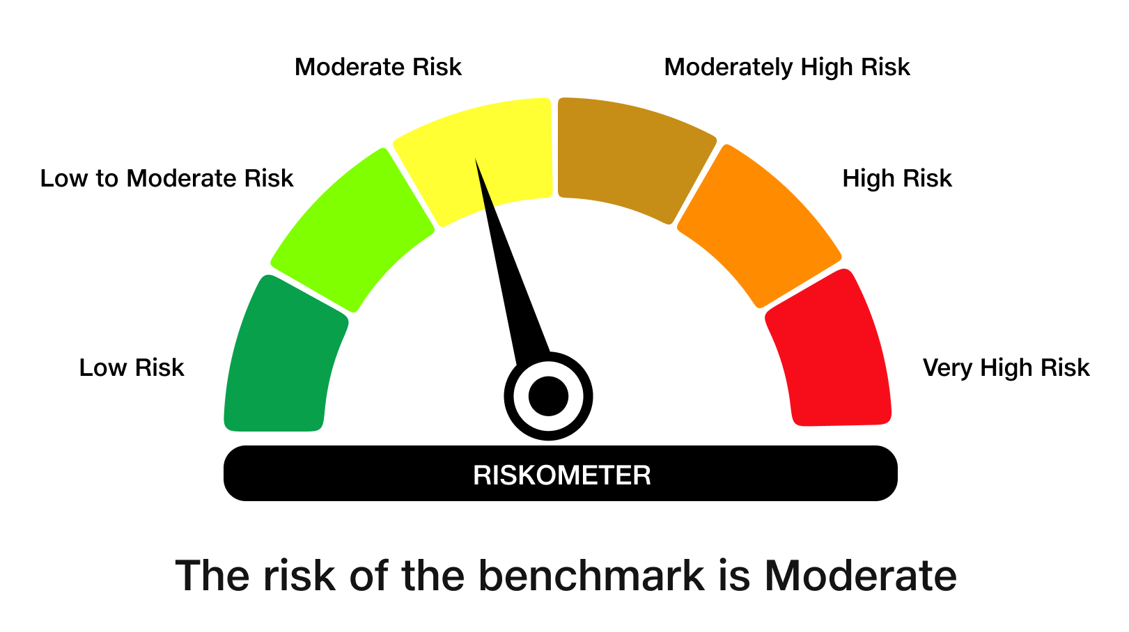
JioBlackRock Nifty 8-13 yr G-Sec Index Fund

Monthly Portfolio Statement as on September 30, 2025
Name of the Instrument | ISIN | Rating | Quantity | Market/Fair Value (Rs. in Lakhs) | % to Net Assets | Yield to Maturity | Yield to Call ^
Government Securities
6.33% GOI 2035 (05-MAY-2035) | IN0020250026 | SOVEREIGN | 1,950,000 | 1,916.67 | 49.56 | 6.68%
6.79% GOI 2034 (07-OCT-2034) | IN0020240126 | SOVEREIGN | 995,000 | 1,004.85 | 25.98 | 6.75%
7.10% GOI 2034 (08-APR-2034) | IN0020240019 | SOVEREIGN | 780,000 | 802.80 | 20.76 | 6.76%
Total |  |  |  | 3,724.32 | 96.31

TREPS |  |  |  | 46.87 | 1.21 | 5.49%

Net Receivables / (Payables) |  |  |  | 95.98 | 2.48
Grand Total |  |  |  | 3,867.17 | 100.00

^ It is disclosed for Perpetual Bond issued by Banks (i.e. AT-1 Bond / Tier 1 Bond / Tier 2 Bond), as per AMFI Best Practices Guidelines Circular no. 91/2020-21 dated March 24, 2021 on Valuation of AT-1 Bonds and Tier 2 Bonds. As per SEBI Circular SEBI/HO/IMD/PoD1/CIR/P/2024/106 dated August 05, 2024, valuation of AT-1 Bonds are done on Yield to Call basis w.e.f. August 07, 2024. YTC of AT-1 Bonds are now same as it’s YTM% and hence it is not disclosed separately under YTC%.

Debt Index Replication Factor (DIRF) : 96.31%

Scheme Risk-O-Meter

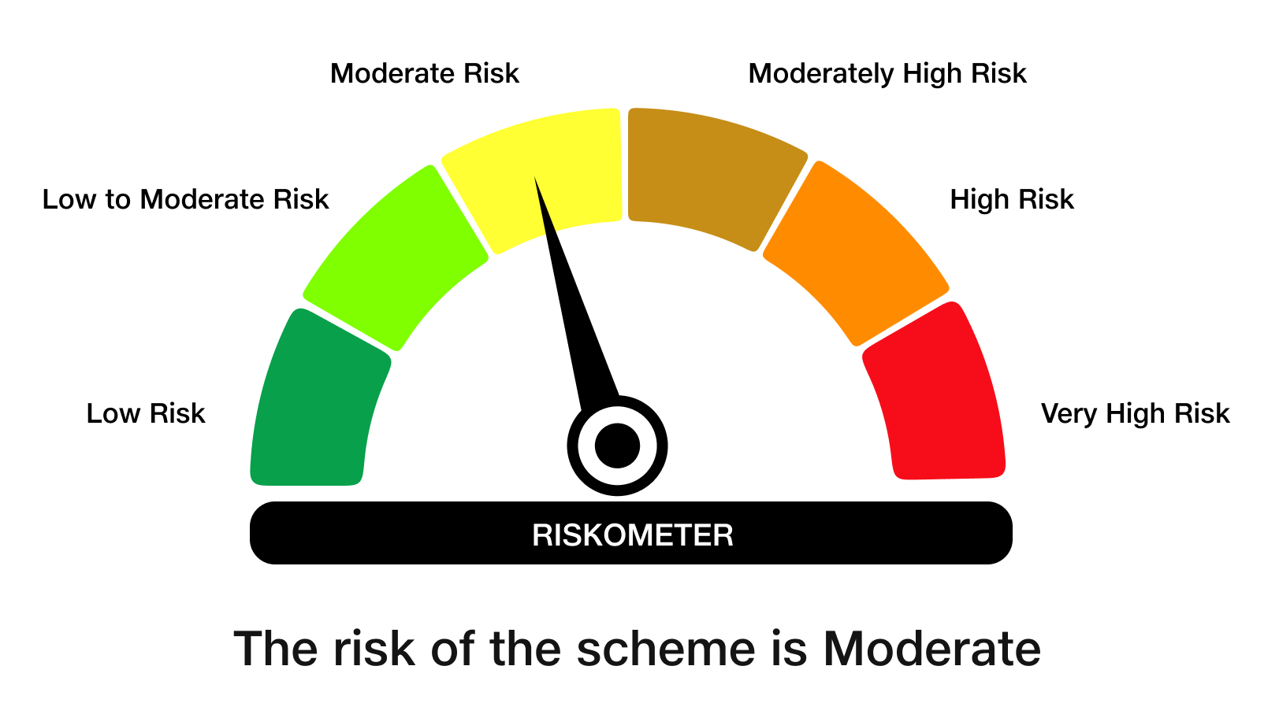

Benchmark Risk-O-Meter
Benchmark Name - NIFTY 8-13 yr G-Sec

