JBN8-13
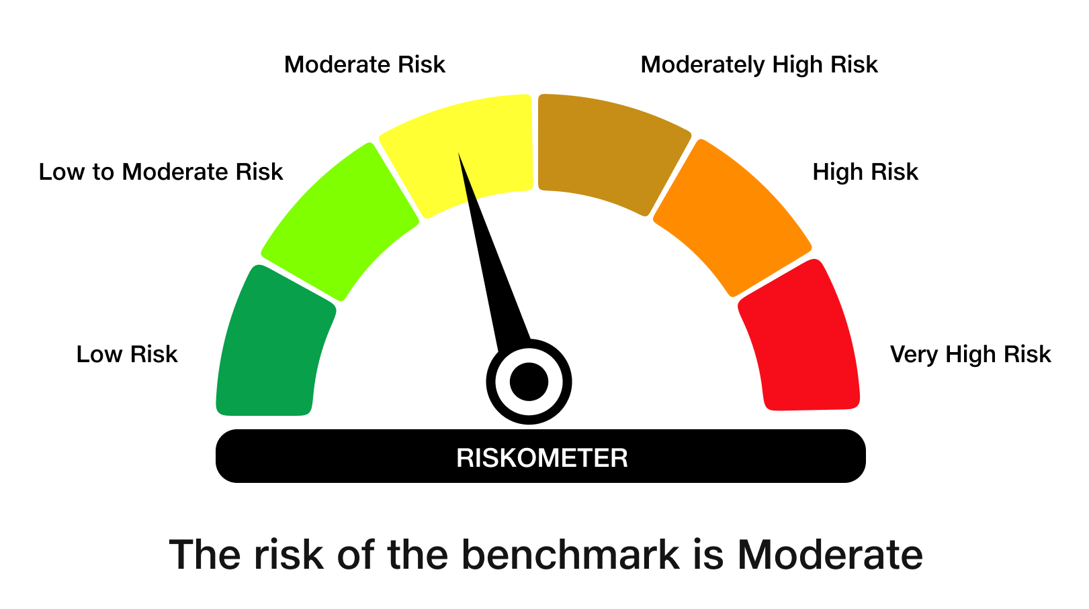
JioBlackRock Nifty 8-13 yr G-Sec Index Fund

Monthly Portfolio Statement as on October 31, 2025
Name of the Instrument | ISIN | Rating | Quantity | Market/Fair Value (Rs. in Lakhs) | % to Net Assets | Yield to Maturity | Yield to Call ^
Government Securities
6.33% GOI 2035 (05-MAY-2035) | IN0020250026 | SOVEREIGN | 2,162,000 | 2,131.27 | 55.50 | 6.64%
6.79% GOI 2034 (07-OCT-2034) | IN0020240126 | SOVEREIGN | 1,175,000 | 1,190.95 | 31.01 | 6.69%
6.48% GOI 2035 (06-OCT-2035) | IN0020250091 | SOVEREIGN | 418,000 | 418.33 | 10.89 | 6.57%
Total |  |  |  | 3,740.55 | 97.40

TREPS |  |  |  | 52.06 | 1.36 | 5.42%

Net Receivables / (Payables) |  |  |  | 47.62 | 1.24
Grand Total |  |  |  | 3,840.22 | 100.00

^ It is disclosed for Perpetual Bond issued by Banks (i.e. AT-1 Bond / Tier 1 Bond / Tier 2 Bond), as per AMFI Best Practices Guidelines Circular no. 91/2020-21 dated March 24, 2021 on Valuation of AT-1 Bonds and Tier 2 Bonds. As per SEBI Circular SEBI/HO/IMD/PoD1/CIR/P/2024/106 dated August 05, 2024, valuation of AT-1 Bonds are done on Yield to Call basis w.e.f. August 07, 2024. YTC of AT-1 Bonds are now same as it’s YTM% and hence it is not disclosed separately under YTC%.

Debt Index Replication Factor (DIRF) : 97.40%

Scheme Risk-O-Meter

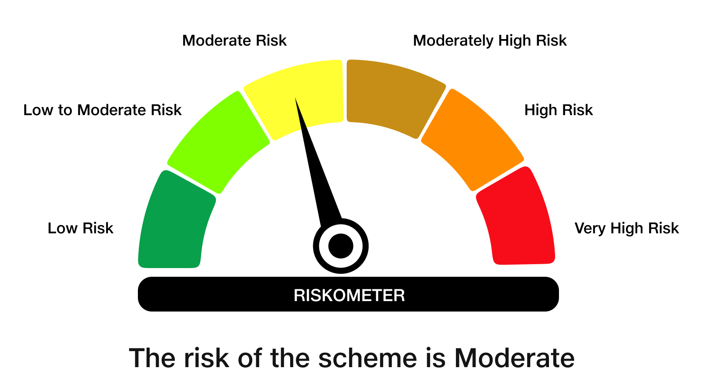

Benchmark Risk-O-Meter
Benchmark Name - NIFTY 8-13 yr G-Sec

