JBMMF

JioBlackRock Money Market Fund

Monthly Portfolio Statement as on October 31, 2025
Name of the Instrument | ISIN | Rating | Quantity | Market/Fair Value (Rs. in Lakhs) | % to Net Assets | Yield to Maturity | Yield to Call ^
Money Market Instruments
Certificate of Deposit
Bank of India (10-Mar-2026) ** | INE084A16EK5 | CRISIL A1+ | 6,000 | 29,365.86 | 8.65 | 6.11%
HDFC Bank Ltd (12-Mar-2026) ** | INE040A16GN6 | CARE A1+ | 5,000 | 24,465.28 | 7.21 | 6.09%
Axis Bank Ltd (04-Mar-2026) ** | INE238AD6AN0 | ICRA A1+ | 4,500 | 22,047.98 | 6.49 | 6.08%
Export-Import Bank Of India (04-Mar-2026) | INE514E16CJ9 | ICRA A1+ | 3,000 | 14,699.81 | 4.33 | 6.06%
Small Industries Development Bank of India (27-Feb-2026) ** | INE556F16BB6 | CRISIL A1+ | 2,500 | 12,258.26 | 3.61 | 6.10%
Canara Bank (12-Mar-2026) ** | INE476A16B23 | CRISIL A1+ | 2,000 | 9,786.79 | 2.88 | 6.07%
National Bank For Agriculture & Rural Development (10-Mar-2026) ** | INE261F16975 | CRISIL A1+ | 1,500 | 7,341.72 | 2.16 | 6.10%
Canara Bank (18-Mar-2026) ** | INE476A16B64 | CRISIL A1+ | 1,500 | 7,332.93 | 2.16 | 6.07%
National Bank For Agriculture & Rural Development (25-Mar-2026) ** | INE261F16AA7 | CRISIL A1+ | 1,500 | 7,323.75 | 2.16 | 6.10%
Export-Import Bank Of India (28-May-2026) ** | INE514E16CL5 | CRISIL A1+ | 1,500 | 7,243.26 | 2.13 | 6.22%
Bank of Baroda (27-Jan-2026) ** | INE028A16JH7 | CRISIL A1+ | 1,000 | 4,929.27 | 1.45 | 6.02%
Indian Bank (06-Mar-2026) ** | INE562A16OG7 | CRISIL A1+ | 1,000 | 4,898.51 | 1.44 | 6.05%
Canara Bank (06-Mar-2026) ** | INE476A16A99 | CRISIL A1+ | 1,000 | 4,898.18 | 1.44 | 6.07%
HDFC Bank Ltd (09-Mar-2026) ** | INE040A16HM6 | CRISIL A1+ | 1,000 | 4,895.45 | 1.44 | 6.09%
Punjab National Bank (18-Mar-2026) ** | INE160A16RK5 | CRISIL A1+ | 1,000 | 4,888.36 | 1.44 | 6.09%
Canara Bank (04-Mar-2026) ** | INE476A16A73 | CRISIL A1+ | 500 | 2,449.89 | 0.72 | 6.07%
Sub Total |  |  |  | 168,825.28 | 49.73
Commercial Paper
NTPC Ltd (10-Mar-2026) ** | INE733E14BU9 | CARE A1+ | 7,000 | 34,264.93 | 10.09 | 6.07%
Small Industries Development Bank Of India (03-Mar-2026) ** | INE556F14LG9 | CRISIL A1+ | 3,000 | 14,699.79 | 4.33 | 6.11%
National Bank For Agriculture & Rural Development (02-Mar-2026) ** | INE261F14OD7 | CRISIL A1+ | 2,500 | 12,250.65 | 3.61 | 6.14%
ICICI Securities Ltd (23-Dec-2025) | INE763G14ZH7 | CRISIL A1+ | 2,000 | 9,908.94 | 2.92 | 6.45%
Power Finance Corporation Ltd (15-Apr-2026) ** | INE134E14AX6 | CRISIL A1+ | 2,000 | 9,725.13 | 2.86 | 6.25%
Kotak Mahindra Prime Ltd (05-Jun-2026) | INE916D145K4 | CRISIL A1+ | 2,000 | 9,618.63 | 2.83 | 6.70%
Bajaj Finance Ltd (14-May-2026) ** | INE296A14A65 | CRISIL A1+ | 1,000 | 4,828.07 | 1.42 | 6.70%
LIC Housing Finance Ltd (18-Mar-2026) ** | INE115A14FL7 | CRISIL A1+ | 500 | 2,443.55 | 0.72 | 6.16%
Sub Total |  |  |  | 97,739.69 | 28.79
Treasury Bill
182 DTB (19-MAR-2026) | IN002025Y255 | SOVEREIGN | 7,500,000 | 7,347.49 | 2.16 | 5.49%
182 DTB (26-MAR-2026) | IN002025Y263 | SOVEREIGN | 5,000,000 | 4,893.20 | 1.44 | 5.49%
364 DTB (16-JUL-2026) | IN002025Z161 | SOVEREIGN | 2,500,000 | 2,405.68 | 0.71 | 5.57%
Sub Total |  |  |  | 14,646.37 | 4.31
Total |  |  |  | 281,211.33 | 82.83
Government Securities
5.63% GOI 2026 (12-APR-2026) | IN0020210012 | SOVEREIGN | 30,500,000 | 30,498.54 | 8.98 | 5.67%
Total |  |  |  | 30,498.54 | 8.98

TREPS |  |  |  | 20,774.34 | 6.12 | 5.42%

Net Receivables / (Payables) |  |  |  | 7,004.90 | 2.06
Grand Total |  |  |  | 339,489.11 | 100.00

** Non Traded Security
^ It is disclosed for Perpetual Bond issued by Banks (i.e. AT-1 Bond / Tier 1 Bond / Tier 2 Bond), as per AMFI Best Practices Guidelines Circular no. 91/2020-21 dated March 24, 2021 on Valuation of AT-1 Bonds and Tier 2 Bonds. As per SEBI Circular SEBI/HO/IMD/PoD1/CIR/P/2024/106 dated August 05, 2024, valuation of AT-1 Bonds are done on Yield to Call basis w.e.f. August 07, 2024. YTC of AT-1 Bonds are now same as it’s YTM% and hence it is not disclosed separately under YTC%.

Scheme Risk-O-Meter



Benchmark Risk-O-Meter
Benchmark Name - NIFTY Money Market Index A-I

JBOF

JioBlackRock Overnight Fund

Monthly Portfolio Statement as on October 31, 2025
Name of the Instrument | ISIN | Rating | Quantity | Market/Fair Value (Rs. in Lakhs) | % to Net Assets | Yield to Maturity | Yield to Call ^
Money Market Instruments
Treasury Bill
91 DTB (06-NOV-2025) | IN002025X190 | SOVEREIGN | 2,500,000 | 2,498.11 | 2.12 | 5.52%
182 DTB (13-NOV-2025) | IN002025Y073 | SOVEREIGN | 2,500,000 | 2,495.54 | 2.11 | 5.43%
91 DTB (20-NOV-2025) | IN002025X216 | SOVEREIGN | 2,000,000 | 1,994.43 | 1.69 | 5.36%
Sub Total |  |  |  | 6,988.09 | 5.92
Total |  |  |  | 6,988.09 | 5.92

TREPS |  |  |  | 6,517.99 | 5.52 | 5.42%

Reverse Repo
Reverse Repo (03-Nov-2025) |  |  |  | 53,623.21 | 45.42 | 5.60%
Reverse Repo (03-Nov-2025) |  |  |  | 27,648.44 | 23.42 | 5.65%
Reverse Repo (03-Nov-2025) |  |  |  | 9,668.53 | 8.19 | 5.65%
Reverse Repo (03-Nov-2025) |  |  |  | 9,636.25 | 8.16 | 5.65%
Reverse Repo (03-Nov-2025) |  |  |  | 3,960.74 | 3.35 | 5.70%
Total |  |  |  | 104,537.17 | 88.55

Net Receivables / (Payables) |  |  |  | 13.06 | 0.01
Grand Total |  |  |  | 118,056.31 | 100.00

^ It is disclosed for Perpetual Bond issued by Banks (i.e. AT-1 Bond / Tier 1 Bond / Tier 2 Bond), as per AMFI Best Practices Guidelines Circular no. 91/2020-21 dated March 24, 2021 on Valuation of AT-1 Bonds and Tier 2 Bonds. As per SEBI Circular SEBI/HO/IMD/PoD1/CIR/P/2024/106 dated August 05, 2024, valuation of AT-1 Bonds are done on Yield to Call basis w.e.f. August 07, 2024. YTC of AT-1 Bonds are now same as it’s YTM% and hence it is not disclosed separately under YTC%.

Scheme Risk-O-Meter



Benchmark Risk-O-Meter
Benchmark Name - NIFTY 1D Rate Index

JBN8-13
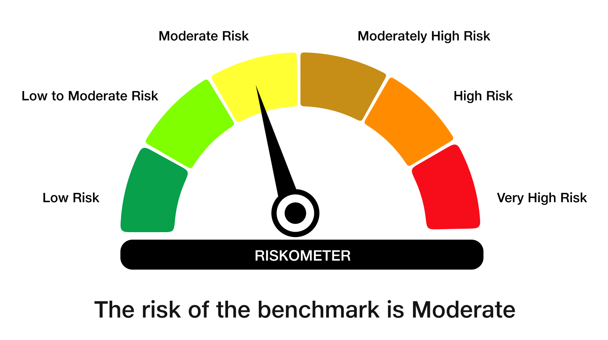
JioBlackRock Nifty 8-13 yr G-Sec Index Fund

Monthly Portfolio Statement as on October 31, 2025
Name of the Instrument | ISIN | Rating | Quantity | Market/Fair Value (Rs. in Lakhs) | % to Net Assets | Yield to Maturity | Yield to Call ^
Government Securities
6.33% GOI 2035 (05-MAY-2035) | IN0020250026 | SOVEREIGN | 2,162,000 | 2,131.27 | 55.50 | 6.64%
6.79% GOI 2034 (07-OCT-2034) | IN0020240126 | SOVEREIGN | 1,175,000 | 1,190.95 | 31.01 | 6.69%
6.48% GOI 2035 (06-OCT-2035) | IN0020250091 | SOVEREIGN | 418,000 | 418.33 | 10.89 | 6.57%
Total |  |  |  | 3,740.55 | 97.40

TREPS |  |  |  | 52.06 | 1.36 | 5.42%

Net Receivables / (Payables) |  |  |  | 47.62 | 1.24
Grand Total |  |  |  | 3,840.22 | 100.00

^ It is disclosed for Perpetual Bond issued by Banks (i.e. AT-1 Bond / Tier 1 Bond / Tier 2 Bond), as per AMFI Best Practices Guidelines Circular no. 91/2020-21 dated March 24, 2021 on Valuation of AT-1 Bonds and Tier 2 Bonds. As per SEBI Circular SEBI/HO/IMD/PoD1/CIR/P/2024/106 dated August 05, 2024, valuation of AT-1 Bonds are done on Yield to Call basis w.e.f. August 07, 2024. YTC of AT-1 Bonds are now same as it’s YTM% and hence it is not disclosed separately under YTC%.

Debt Index Replication Factor (DIRF) : 97.40%

Scheme Risk-O-Meter

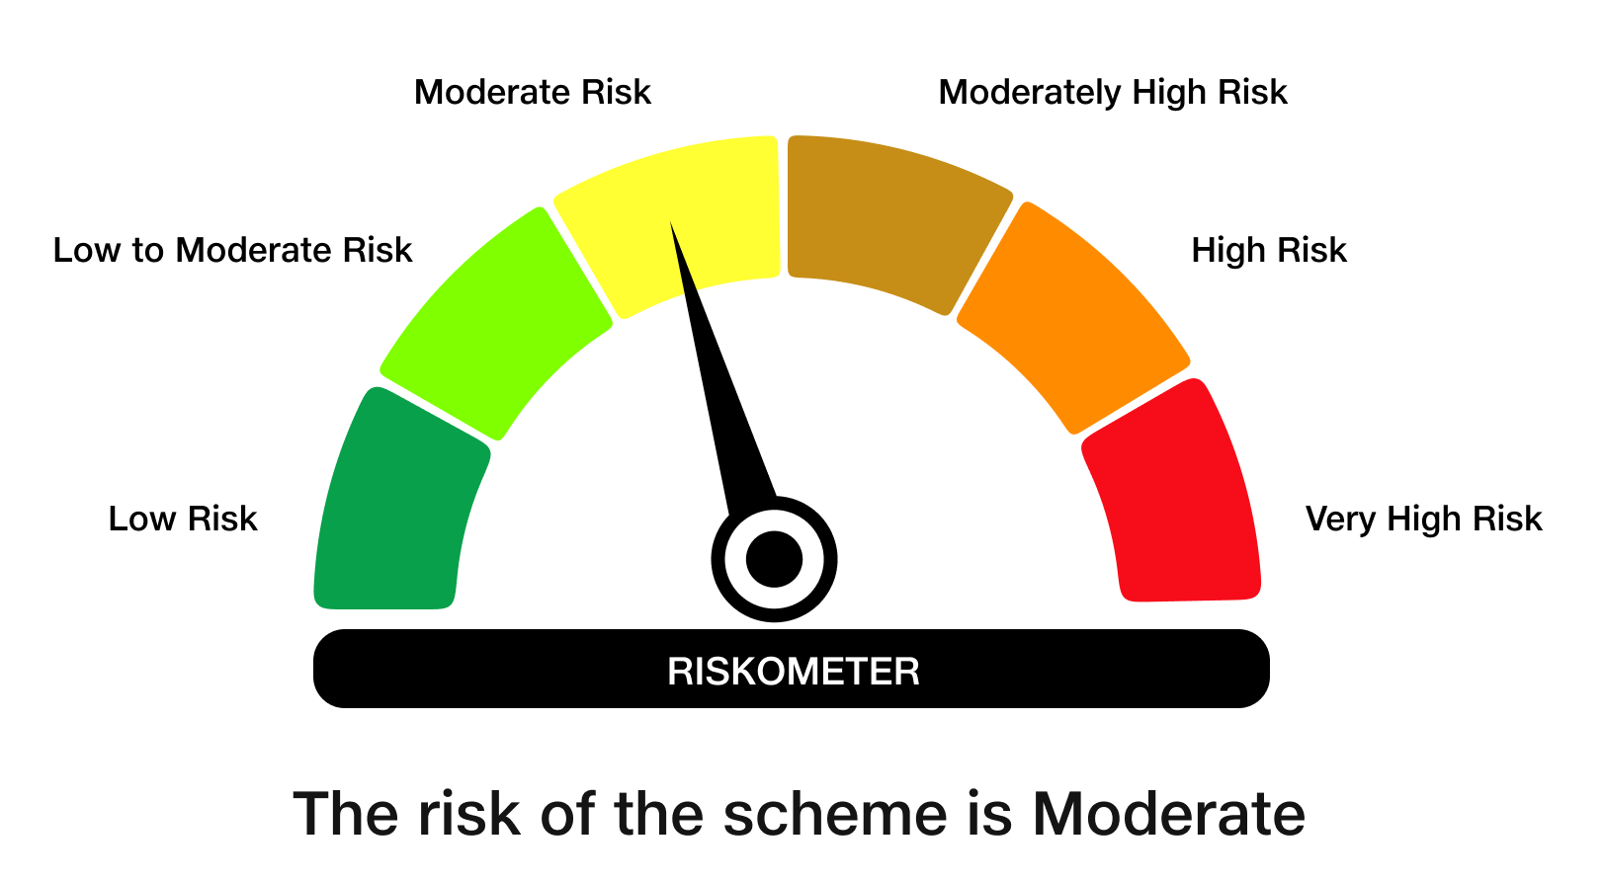

Benchmark Risk-O-Meter
Benchmark Name - NIFTY 8-13 yr G-Sec

JBN50

JioBlackRock Nifty 50 Index Fund

Monthly Portfolio Statement as on October 31, 2025
Name of the Instrument | ISIN | Industry Classification | Quantity | Market/Fair Value (Rs. in Lakhs) | % to Net Assets | Yield to Maturity
Equity & Equity related
(a) Listed / awaiting listing on Stock Exchanges
HDFC Bank Ltd | INE040A01034 | Banks | 165,164 | 1,630.66 | 13.02
Reliance Industries Ltd | INE002A01018 | Petroleum Products | 73,208 | 1,088.16 | 8.69
ICICI Bank Ltd | INE090A01021 | Banks | 77,169 | 1,038.15 | 8.29
Bharti Airtel Ltd | INE397D01024 | Telecom - Services | 29,474 | 605.54 | 4.83
Infosys Ltd | INE009A01021 | IT - Software | 38,959 | 577.49 | 4.61
Larsen & Toubro Ltd | INE018A01030 | Construction | 12,700 | 511.92 | 4.09
ITC Ltd | INE154A01025 | Diversified Fmcg | 104,191 | 437.97 | 3.50
State Bank of India | INE062A01020 | Banks | 44,868 | 420.41 | 3.36
Axis Bank Ltd | INE238A01034 | Banks | 30,969 | 381.79 | 3.05
Tata Consultancy Services Ltd | INE467B01029 | IT - Software | 11,044 | 337.73 | 2.70
Kotak Mahindra Bank Ltd | INE237A01028 | Banks | 15,903 | 334.31 | 2.67
Mahindra & Mahindra Ltd | INE101A01026 | Automobiles | 9,584 | 334.21 | 2.67
Bajaj Finance Ltd | INE296A01032 | Finance | 28,772 | 300.03 | 2.40
Eternal Ltd | INE758T01015 | Retailing | 75,300 | 239.27 | 1.91
Hindustan Unilever Ltd | INE030A01027 | Diversified Fmcg | 9,597 | 236.61 | 1.89
Maruti Suzuki India Ltd | INE585B01010 | Automobiles | 1,419 | 229.68 | 1.83
Sun Pharmaceutical Industries Ltd | INE044A01036 | Pharmaceuticals & Biotechnology | 11,396 | 192.67 | 1.54
HCL Technologies Ltd | INE860A01027 | IT - Software | 11,457 | 176.61 | 1.41
NTPC Ltd | INE733E01010 | Power | 51,271 | 172.76 | 1.38
Titan Co Ltd | INE280A01028 | Consumer Durables | 4,463 | 167.22 | 1.33
Bharat Electronics Ltd | INE263A01024 | Aerospace & Defense | 38,733 | 165.04 | 1.32
Tata Steel Ltd | INE081A01020 | Ferrous Metals | 89,428 | 163.51 | 1.31
Ultratech Cement Ltd | INE481G01011 | Cement & Cement Products | 1,284 | 153.40 | 1.22
Power Grid Corporation of India Ltd | INE752E01010 | Power | 48,984 | 141.15 | 1.13
Interglobe Aviation Ltd | INE646L01027 | Transport Services | 2,362 | 132.86 | 1.06
Hindalco Industries Ltd | INE038A01020 | Non - Ferrous Metals | 15,663 | 132.80 | 1.06
Bajaj Finserv Ltd | INE918I01026 | Finance | 6,173 | 128.91 | 1.03
Asian Paints Ltd | INE021A01026 | Consumer Durables | 4,890 | 122.78 | 0.98
JSW Steel Ltd | INE019A01038 | Ferrous Metals | 10,130 | 122.17 | 0.98
Grasim Industries Ltd | INE047A01021 | Cement & Cement Products | 4,132 | 119.49 | 0.95
Adani Ports and Special Economic Zone Ltd | INE742F01042 | Transport Infrastructure | 7,981 | 115.84 | 0.92
Shriram Finance Ltd | INE721A01047 | Finance | 15,141 | 113.39 | 0.91
Trent Ltd | INE849A01020 | Retailing | 2,400 | 112.66 | 0.90
Jio Financial Services Ltd | INE758E01017 | Finance | 35,440 | 108.73 | 0.87
Oil & Natural Gas Corporation Ltd | INE213A01029 | Oil | 42,007 | 107.27 | 0.86
Bajaj Auto Ltd | INE917I01010 | Automobiles | 1,199 | 106.62 | 0.85
Eicher Motors Ltd | INE066A01021 | Automobiles | 1,488 | 104.26 | 0.83
Nestle India Ltd | INE239A01024 | Food Products | 7,754 | 98.60 | 0.79
Tech Mahindra Ltd | INE669C01036 | IT - Software | 6,865 | 97.79 | 0.78
Coal India Ltd | INE522F01014 | Consumable Fuels | 24,558 | 95.44 | 0.76
SBI Life Insurance Co Ltd | INE123W01016 | Insurance | 4,852 | 94.89 | 0.76
Tata Motors Passenger Vehicles Ltd | INE155A01022 | Automobiles | 22,589 | 92.61 | 0.74
Max Healthcare Institute Ltd | INE027H01010 | Healthcare Services | 8,038 | 92.26 | 0.74
Cipla Ltd | INE059A01026 | Pharmaceuticals & Biotechnology | 6,082 | 91.31 | 0.73
HDFC Life Insurance Co Ltd | INE795G01014 | Insurance | 11,604 | 84.92 | 0.68
Apollo Hospitals Enterprise Ltd | INE437A01024 | Healthcare Services | 1,093 | 83.95 | 0.67
Tata Consumer Products Ltd | INE192A01025 | Agricultural Food & Other Products | 7,043 | 82.05 | 0.66
Dr. Reddy's Laboratories Ltd | INE089A01031 | Pharmaceuticals & Biotechnology | 6,588 | 78.90 | 0.63
Wipro Ltd | INE075A01022 | IT - Software | 30,855 | 74.26 | 0.59
Adani Enterprises Ltd | INE423A01024 | Metals & Minerals Trading | 2,817 | 69.89 | 0.56
TATA Motors Ltd ** | INE1TAE01010 | Automobiles | 19,519 | 50.90 | 0.41
Sub Total |  |  |  | 12,751.87 | 101.80
(b) Unlisted |  |  |  | NIL | NIL
Sub Total |  |  |  | NIL | NIL
Total |  |  |  | 12,751.87 | 101.80
TREPS |  |  |  | 303.95 | 2.43 | 5.42%

Net Receivables / (Payables) |  |  |  | (529.66) | (4.23)
Grand Total |  |  |  | 12,526.16 | 100.00

** Non- Traded Security

Notes

Scheme Risk-O-Meter



Benchmark Risk-O-Meter
Benchmark Name - NIFTY 50 Index (TRI)

