JBMMF

 | JioBlackRock Money Market Fund
-
 | Monthly Portfolio Statement as on November 30, 2025
 | Name of the Instrument | ISIN | Rating | Quantity | Market/Fair Value (Rs. in Lakhs) | % to Net Assets | Yield to Maturity | Yield to Call ^
 | Money Market Instruments
 | Certificate of Deposit
 | Bank of India (10-Mar-2026) ** | INE084A16EK5 | CRISIL A1+ | 5,500 | 27,063.25 | 8.57 | 5.95%
 | Axis Bank Ltd (04-Mar-2026) | INE238AD6AN0 | ICRA A1+ | 4,500 | 22,167.34 | 7.02 | 5.89%
 | HDFC Bank Ltd (12-Mar-2026) ** | INE040A16GN6 | CARE A1+ | 4,000 | 19,678.46 | 6.23 | 5.91%
 | Bank of Baroda (11-Mar-2026) ** | INE028A16HZ3 | IND A1+ | 3,500 | 17,222.08 | 5.45 | 5.89%
 | Export-Import Bank Of India (04-Mar-2026) ** | INE514E16CJ9 | ICRA A1+ | 3,000 | 14,778.41 | 4.68 | 5.89%
 | Small Industries Development Bank of India (27-Feb-2026) | INE556F16BB6 | CRISIL A1+ | 2,500 | 12,324.49 | 3.90 | 5.91%
 | National Bank For Agriculture & Rural Development (10-Mar-2026) ** | INE261F16975 | CRISIL A1+ | 2,500 | 12,302.14 | 3.89 | 5.93%
 | Canara Bank (12-Mar-2026) ** | INE476A16B23 | CRISIL A1+ | 2,000 | 9,839.50 | 3.11 | 5.90%
 | Bank of Baroda (13-Mar-2026) ** | INE028A16IC0 | IND A1+ | 1,500 | 7,378.55 | 2.34 | 5.89%
 | Canara Bank (18-Mar-2026) ** | INE476A16B64 | CRISIL A1+ | 1,500 | 7,372.59 | 2.33 | 5.90%
 | Export-Import Bank Of India (28-May-2026) ** | INE514E16CL5 | CRISIL A1+ | 1,500 | 7,280.58 | 2.30 | 6.18%
 | Canara Bank (06-Mar-2026) ** | INE476A16A99 | CRISIL A1+ | 1,000 | 4,924.45 | 1.56 | 5.90%
 | Indian Bank (06-Mar-2026) ** | INE562A16OG7 | CRISIL A1+ | 1,000 | 4,924.45 | 1.56 | 5.90%
 | HDFC Bank Ltd (09-Mar-2026) ** | INE040A16HM6 | CRISIL A1+ | 1,000 | 4,921.97 | 1.56 | 5.91%
 | Canara Bank (04-Dec-2025) | INE476A16ZO0 | CRISIL A1+ | 500 | 2,498.81 | 0.79 | 5.78%
 | Sub Total |  |  |  | 174,677.05 | 55.29
 | Commercial Paper
 | NTPC Ltd (10-Mar-2026) ** | INE733E14BU9 | CARE A1+ | 5,000 | 24,607.55 | 7.79 | 5.88%
 | Small Industries Development Bank Of India (03-Mar-2026) ** | INE556F14LG9 | CRISIL A1+ | 3,000 | 14,778.38 | 4.68 | 5.95%
 | National Bank For Agriculture & Rural Development (02-Mar-2026) | INE261F14OD7 | CRISIL A1+ | 2,500 | 12,317.29 | 3.90 | 5.95%
 | Kotak Securities Ltd (13-Mar-2026) ** | INE028E14TK7 | CRISIL A1+ | 2,000 | 9,819.31 | 3.11 | 6.59%
 | Power Finance Corporation Ltd (15-Apr-2026) ** | INE134E14AX6 | CRISIL A1+ | 2,000 | 9,774.85 | 3.09 | 6.23%
 | Kotak Securities Ltd (06-Mar-2026) ** | INE028E14TR2 | CRISIL A1+ | 1,000 | 4,915.75 | 1.56 | 6.59%
 | ICICI Securities Ltd (09-Mar-2026) ** | INE763G14D03 | CRISIL A1+ | 1,000 | 4,912.88 | 1.56 | 6.61%
 | LIC Housing Finance Ltd (18-Mar-2026) ** | INE115A14FL7 | CRISIL A1+ | 500 | 2,456.79 | 0.78 | 6.00%
 | Sub Total |  |  |  | 83,582.79 | 26.46
 | Treasury Bill
 | 182 DTB (19-MAR-2026) | IN002025Y255 | SOVEREIGN | 14,500,000 | 14,273.32 | 4.52 | 5.37%
 | 182 DTB (26-MAR-2026) | IN002025Y263 | SOVEREIGN | 5,000,000 | 4,916.66 | 1.56 | 5.38%
 | 364 DTB (16-JUL-2026) | IN002025Z161 | SOVEREIGN | 2,500,000 | 2,417.42 | 0.77 | 5.49%
 | Sub Total |  |  |  | 21,607.40 | 6.84
 | Total |  |  |  | 279,867.23 | 88.59
 | Government Securities
 | 5.63% GOI 2026 (12-APR-2026) | IN0020210012 | SOVEREIGN | 25,500,000 | 25,505.10 | 8.07 | 5.57%
 | Total |  |  |  | 25,505.10 | 8.07

 | TREPS |  |  |  | 26,296.62 | 8.32 | 5.31%

 | Net Receivables / (Payables) |  |  |  | (15,751.10) | (4.99)
 | Grand Total |  |  |  | 315,917.85 | 100.00

 | ** Non Traded Security
 | ^ It is disclosed for Perpetual Bond issued by Banks (i.e. AT-1 Bond / Tier 1 Bond / Tier 2 Bond), as per AMFI Best Practices Guidelines Circular no. 91/2020-21 dated March 24, 2021 on Valuation of AT-1 Bonds and Tier 2 Bonds. As per SEBI Circular SEBI/HO/IMD/PoD1/CIR/P/2024/106 dated August 05, 2024, valuation of AT-1 Bonds are done on Yield to Call basis w.e.f. August 07, 2024. YTC of AT-1 Bonds are now same as it’s YTM% and hence it is not disclosed separately under YTC%.

 | Scheme Risk-O-Meter



 | Benchmark Risk-O-Meter
 | Benchmark Name - NIFTY Money Market Index A-I

JBOF

 | JioBlackRock Overnight Fund
-
 | Monthly Portfolio Statement as on November 30, 2025
 | Name of the Instrument | ISIN | Rating | Quantity | Market/Fair Value (Rs. in Lakhs) | % to Net Assets | Yield to Maturity | Yield to Call ^
 | Money Market Instruments
 | Treasury Bill
 | 91 DTB (11-DEC-2025) | IN002025X240 | SOVEREIGN | 1,500,000 | 1,497.85 | 1.36 | 5.25%
 | 182 DTB (18-DEC-2025) | IN002025Y123 | SOVEREIGN | 1,500,000 | 1,496.32 | 1.36 | 5.28%
 | 182 DTB (11-DEC-2025) | IN002025Y115 | SOVEREIGN | 1,000,000 | 998.56 | 0.91 | 5.25%
 | 91 DTB (18-DEC-2025) | IN002025X257 | SOVEREIGN | 1,000,000 | 997.55 | 0.91 | 5.28%
 | 364 DTB (26-DEC-2025) | IN002024Z370 | SOVEREIGN | 500,000 | 498.20 | 0.45 | 5.28%
 | Sub Total |  |  |  | 5,488.48 | 4.99
 | Total |  |  |  | 5,488.48 | 4.99

 | TREPS |  |  |  | 29,620.75 | 26.91 | 5.31%

 | Reverse Repo
 | Reverse Repo (01-Dec-2025) |  |  |  | 15,367.15 | 13.96 | 5.60%
 | Reverse Repo (01-Dec-2025) |  |  |  | 13,193.10 | 11.99 | 5.60%
 | Reverse Repo (01-Dec-2025) |  |  |  | 10,408.32 | 9.46 | 5.60%
 | Reverse Repo (01-Dec-2025) |  |  |  | 6,278.06 | 5.70 | 5.63%
 | Reverse Repo (01-Dec-2025) |  |  |  | 5,550.02 | 5.04 | 5.65%
 | Reverse Repo (01-Dec-2025) |  |  |  | 5,399.45 | 4.91 | 5.65%
 | Reverse Repo (01-Dec-2025) |  |  |  | 4,131.95 | 3.75 | 5.62%
 | Reverse Repo (01-Dec-2025) |  |  |  | 2,999.57 | 2.73 | 5.58%
 | Reverse Repo (01-Dec-2025) |  |  |  | 2,799.96 | 2.54 | 5.58%
 | Reverse Repo (01-Dec-2025) |  |  |  | 2,699.28 | 2.45 | 5.65%
 | Reverse Repo (01-Dec-2025) |  |  |  | 2,399.35 | 2.18 | 5.60%
 | Reverse Repo (01-Dec-2025) |  |  |  | 1,068.97 | 0.97 | 5.64%
 | Reverse Repo (01-Dec-2025) |  |  |  | 1,060.44 | 0.96 | 5.64%
 | Reverse Repo (01-Dec-2025) |  |  |  | 1,041.13 | 0.95 | 5.65%
 | Reverse Repo (01-Dec-2025) |  |  |  | 1,034.30 | 0.94 | 5.65%
 | Reverse Repo (01-Dec-2025) |  |  |  | 1,031.33 | 0.94 | 5.63%
 | Total |  |  |  | 76,462.37 | 69.47

 | Net Receivables / (Payables) |  |  |  | (1,502.92) | (1.37)
 | Grand Total |  |  |  | 110,068.69 | 100.00

 | ^ It is disclosed for Perpetual Bond issued by Banks (i.e. AT-1 Bond / Tier 1 Bond / Tier 2 Bond), as per AMFI Best Practices Guidelines Circular no. 91/2020-21 dated March 24, 2021 on Valuation of AT-1 Bonds and Tier 2 Bonds. As per SEBI Circular SEBI/HO/IMD/PoD1/CIR/P/2024/106 dated August 05, 2024, valuation of AT-1 Bonds are done on Yield to Call basis w.e.f. August 07, 2024. YTC of AT-1 Bonds are now same as it’s YTM% and hence it is not disclosed separately under YTC%.

 | Scheme Risk-O-Meter



 | Benchmark Risk-O-Meter
 | Benchmark Name - NIFTY 1D Rate Index

JBN8-13
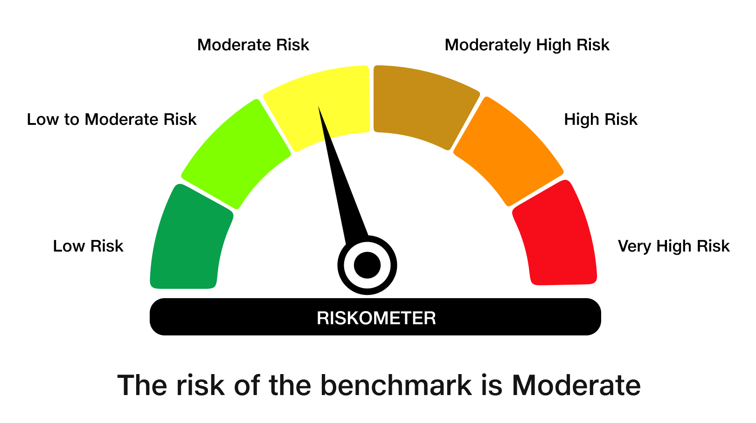
 | JioBlackRock Nifty 8-13 yr G-Sec Index Fund
-
 | Monthly Portfolio Statement as on November 30, 2025
 | Name of the Instrument | ISIN | Rating | Quantity | Market/Fair Value (Rs. in Lakhs) | % to Net Assets | Yield to Maturity | Yield to Call ^
 | Government Securities
 | 6.33% GOI 2035 (05-MAY-2035) | IN0020250026 | SOVEREIGN | 1,497,000 | 1,474.67 | 54.63 | 6.65%
 | 6.79% GOI 2034 (07-OCT-2034) | IN0020240126 | SOVEREIGN | 700,000 | 709.40 | 26.28 | 6.69%
 | 6.48% GOI 2035 (06-OCT-2035) | IN0020250091 | SOVEREIGN | 483,100 | 482.28 | 17.86 | 6.61%
 | Total |  |  |  | 2,666.35 | 98.77

 | TREPS |  |  |  | 38.82 | 1.44 | 5.31%

 | Net Receivables / (Payables) |  |  |  | (5.55) | (0.21)
 | Grand Total |  |  |  | 2,699.61 | 100.00

 | ^ It is disclosed for Perpetual Bond issued by Banks (i.e. AT-1 Bond / Tier 1 Bond / Tier 2 Bond), as per AMFI Best Practices Guidelines Circular no. 91/2020-21 dated March 24, 2021 on Valuation of AT-1 Bonds and Tier 2 Bonds. As per SEBI Circular SEBI/HO/IMD/PoD1/CIR/P/2024/106 dated August 05, 2024, valuation of AT-1 Bonds are done on Yield to Call basis w.e.f. August 07, 2024. YTC of AT-1 Bonds are now same as it’s YTM% and hence it is not disclosed separately under YTC%.

 | Debt Index Replication Factor (DIRF) : 98.77%

 | Scheme Risk-O-Meter

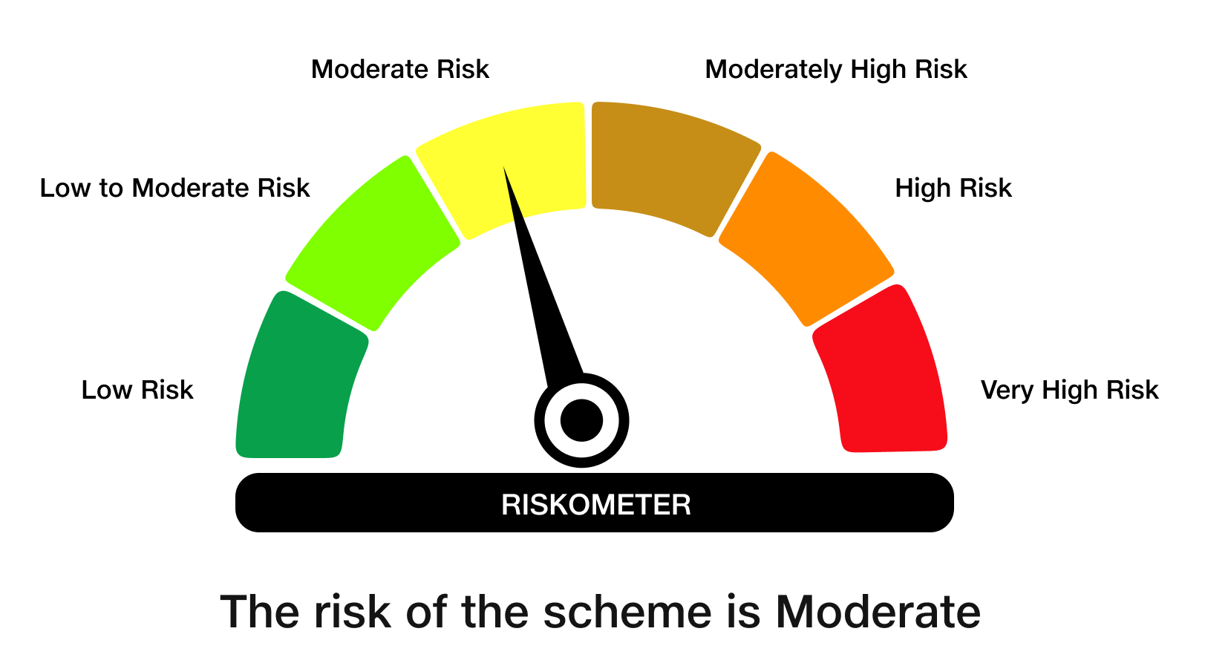

 | Benchmark Risk-O-Meter
 | Benchmark Name - NIFTY 8-13 yr G-Sec

JBN50

 | JioBlackRock Nifty 50 Index Fund
-
 | Monthly Portfolio Statement as on November 30, 2025
 | Name of the Instrument | ISIN | Industry Classification | Quantity | Market/Fair Value (Rs. in Lakhs) | % to Net Assets | Yield to Maturity
 | Equity & Equity related
 | (a) Listed / awaiting listing on Stock Exchanges
 | HDFC Bank Ltd | INE040A01034 | Banks | 193,027 | 1,944.94 | 12.86
 | Reliance Industries Ltd | INE002A01018 | Petroleum Products | 85,558 | 1,341.12 | 8.87
 | ICICI Bank Ltd | INE090A01021 | Banks | 90,187 | 1,252.52 | 8.28
 | Bharti Airtel Ltd | INE397D01024 | Telecom - Services | 34,446 | 723.92 | 4.79
 | Infosys Ltd | INE009A01021 | IT - Software | 45,532 | 710.34 | 4.70
 | Larsen & Toubro Ltd | INE018A01030 | Construction | 14,842 | 604.01 | 3.99
 | State Bank of India | INE062A01020 | Banks | 52,437 | 513.36 | 3.39
 | ITC Ltd | INE154A01025 | Diversified Fmcg | 121,767 | 492.24 | 3.26
 | Axis Bank Ltd | INE238A01034 | Banks | 36,193 | 463.16 | 3.06
 | Mahindra & Mahindra Ltd | INE101A01026 | Automobiles | 11,201 | 420.86 | 2.78
 | Tata Consultancy Services Ltd | INE467B01029 | IT - Software | 12,908 | 404.99 | 2.68
 | Kotak Mahindra Bank Ltd | INE237A01028 | Banks | 18,586 | 394.84 | 2.61
 | Bajaj Finance Ltd | INE296A01032 | Finance | 33,626 | 348.87 | 2.31
 | Hindustan Unilever Ltd | INE030A01027 | Diversified Fmcg | 11,216 | 276.65 | 1.83
 | Eternal Ltd | INE758T01015 | Retailing | 88,003 | 264.10 | 1.75
 | Maruti Suzuki India Ltd | INE585B01010 | Automobiles | 1,658 | 263.62 | 1.74
 | Sun Pharmaceutical Industries Ltd | INE044A01036 | Pharmaceuticals & Biotechnology | 13,319 | 243.95 | 1.61
 | HCL Technologies Ltd | INE860A01027 | IT - Software | 13,390 | 217.48 | 1.44
 | Titan Co Ltd | INE280A01028 | Consumer Durables | 5,215 | 203.79 | 1.35
 | NTPC Ltd | INE733E01010 | Power | 59,920 | 195.61 | 1.29
 | Bharat Electronics Ltd | INE263A01024 | Aerospace & Defense | 45,267 | 186.39 | 1.23
 | Tata Steel Ltd | INE081A01020 | Ferrous Metals | 104,514 | 175.54 | 1.16
 | Ultratech Cement Ltd | INE481G01011 | Cement & Cement Products | 1,500 | 174.00 | 1.15
 | Asian Paints Ltd | INE021A01026 | Consumer Durables | 5,715 | 164.27 | 1.09
 | Interglobe Aviation Ltd | INE646L01027 | Transport Services | 2,761 | 162.94 | 1.08
 | Power Grid Corporation of India Ltd | INE752E01010 | Power | 57,247 | 154.54 | 1.02
 | Bajaj Finserv Ltd | INE918I01026 | Finance | 7,214 | 151.06 | 1.00
 | Shriram Finance Ltd | INE721A01047 | Finance | 17,696 | 150.71 | 1.00
 | Hindalco Industries Ltd | INE038A01020 | Non - Ferrous Metals | 18,305 | 147.98 | 0.98
 | Adani Ports and Special Economic Zone Ltd | INE742F01042 | Transport Infrastructure | 9,327 | 141.48 | 0.94
 | JSW Steel Ltd | INE019A01038 | Ferrous Metals | 11,839 | 137.37 | 0.91
 | Grasim Industries Ltd | INE047A01021 | Cement & Cement Products | 4,829 | 132.29 | 0.87
 | Bajaj Auto Ltd | INE917I01010 | Automobiles | 1,401 | 127.12 | 0.84
 | Jio Financial Services Ltd | INE758E01017 | Finance | 41,419 | 126.82 | 0.84
 | Eicher Motors Ltd | INE066A01021 | Automobiles | 1,739 | 122.66 | 0.81
 | Tech Mahindra Ltd | INE669C01036 | IT - Software | 8,023 | 121.73 | 0.80
 | Oil & Natural Gas Corporation Ltd | INE213A01029 | Oil | 49,093 | 119.42 | 0.79
 | Trent Ltd | INE849A01020 | Retailing | 2,805 | 119.22 | 0.79
 | Nestle India Ltd | INE239A01024 | Food Products | 9,062 | 114.28 | 0.76
 | SBI Life Insurance Co Ltd | INE123W01016 | Insurance | 5,670 | 111.47 | 0.74
 | Max Healthcare Institute Ltd | INE027H01010 | Healthcare Services | 9,394 | 109.23 | 0.72
 | Cipla Ltd | INE059A01026 | Pharmaceuticals & Biotechnology | 7,109 | 108.86 | 0.72
 | Coal India Ltd | INE522F01014 | Consumable Fuels | 28,701 | 107.96 | 0.71
 | HDFC Life Insurance Co Ltd | INE795G01014 | Insurance | 13,562 | 103.65 | 0.69
 | Dr. Reddy's Laboratories Ltd | INE089A01031 | Pharmaceuticals & Biotechnology | 7,700 | 96.93 | 0.64
 | Tata Consumer Products Ltd | INE192A01025 | Agricultural Food & Other Products | 8,231 | 96.50 | 0.64
 | Tata Motors Passenger Vehicles Ltd | INE155A01022 | Automobiles | 26,400 | 94.20 | 0.62
 | Apollo Hospitals Enterprise Ltd | INE437A01024 | Healthcare Services | 1,277 | 93.67 | 0.62
 | Wipro Ltd | INE075A01022 | IT - Software | 36,060 | 89.98 | 0.60
 | Adani Enterprises Ltd | INE423A01024 | Metals & Minerals Trading | 3,292 | 75.06 | 0.50
 | Sub Total |  |  |  | 15,097.71 | 99.84
 | (b) Unlisted |  |  |  | NIL | NIL
 | Sub Total |  |  |  | NIL | NIL
 | Total |  |  |  | 15,097.71 | 99.84
 | TREPS |  |  |  | 155.57 | 1.03 | 5.31%

 | Net Receivables / (Payables) |  |  |  | (130.74) | (0.86)
 | Grand Total |  |  |  | 15,122.54 | 100.00

 | Scheme Risk-O-Meter



 | Benchmark Risk-O-Meter
 | Benchmark Name - NIFTY 50 Index (TRI)

