JBN8-13
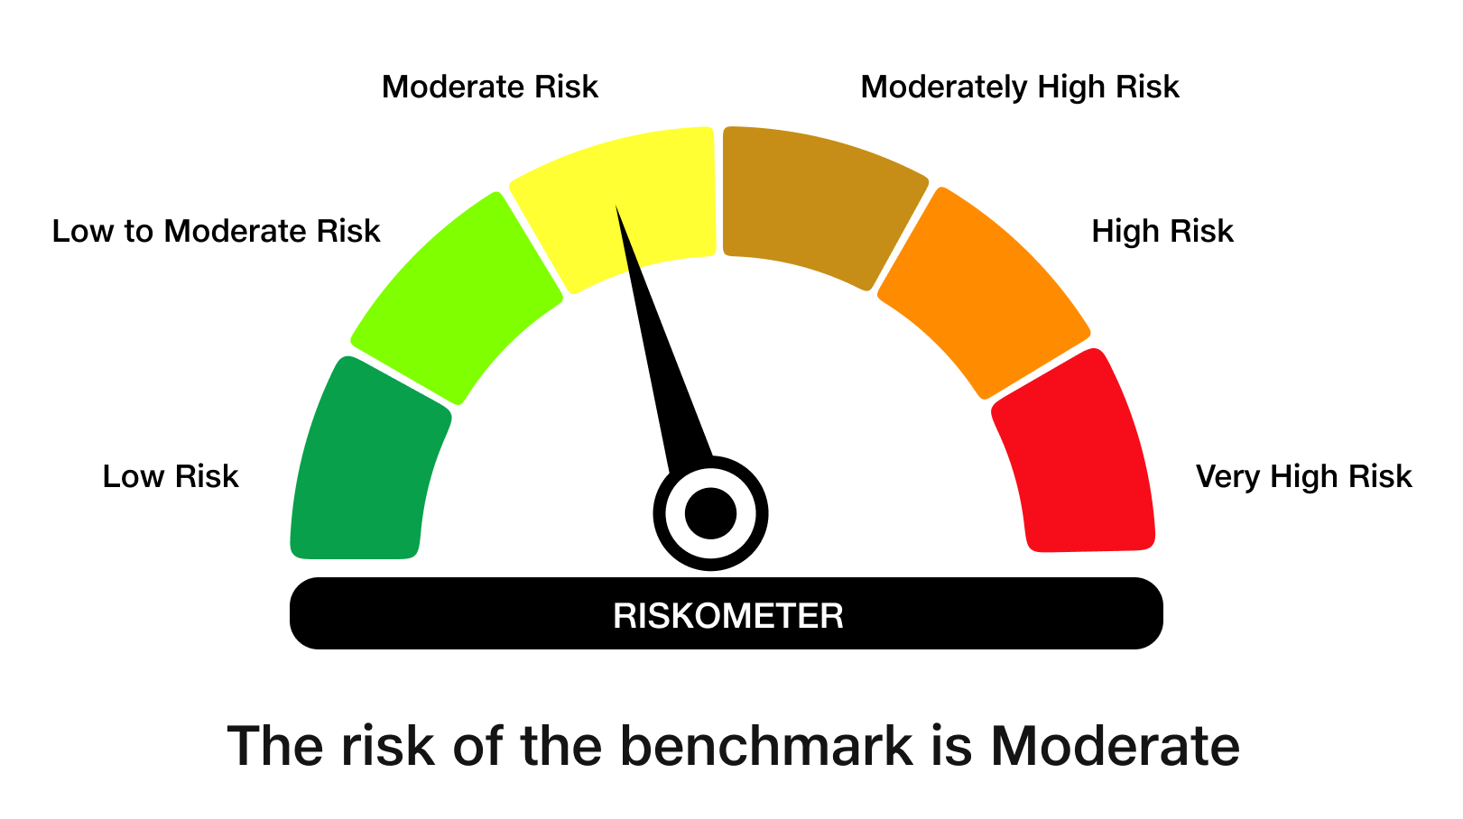
 | JioBlackRock Nifty 8-13 yr G-Sec Index Fund
-
 | Monthly Portfolio Statement as on November 30, 2025
 | Name of the Instrument | ISIN | Rating | Quantity | Market/Fair Value (Rs. in Lakhs) | % to Net Assets | Yield to Maturity | Yield to Call ^
 | Government Securities
 | 6.33% GOI 2035 (05-MAY-2035) | IN0020250026 | SOVEREIGN | 1,497,000 | 1,474.67 | 54.63 | 6.65%
 | 6.79% GOI 2034 (07-OCT-2034) | IN0020240126 | SOVEREIGN | 700,000 | 709.40 | 26.28 | 6.69%
 | 6.48% GOI 2035 (06-OCT-2035) | IN0020250091 | SOVEREIGN | 483,100 | 482.28 | 17.86 | 6.61%
 | Total |  |  |  | 2,666.35 | 98.77

 | TREPS |  |  |  | 38.82 | 1.44 | 5.31%

 | Net Receivables / (Payables) |  |  |  | (5.55) | (0.21)
 | Grand Total |  |  |  | 2,699.61 | 100.00

 | ^ It is disclosed for Perpetual Bond issued by Banks (i.e. AT-1 Bond / Tier 1 Bond / Tier 2 Bond), as per AMFI Best Practices Guidelines Circular no. 91/2020-21 dated March 24, 2021 on Valuation of AT-1 Bonds and Tier 2 Bonds. As per SEBI Circular SEBI/HO/IMD/PoD1/CIR/P/2024/106 dated August 05, 2024, valuation of AT-1 Bonds are done on Yield to Call basis w.e.f. August 07, 2024. YTC of AT-1 Bonds are now same as it’s YTM% and hence it is not disclosed separately under YTC%.

 | Debt Index Replication Factor (DIRF) : 98.77%

 | Scheme Risk-O-Meter

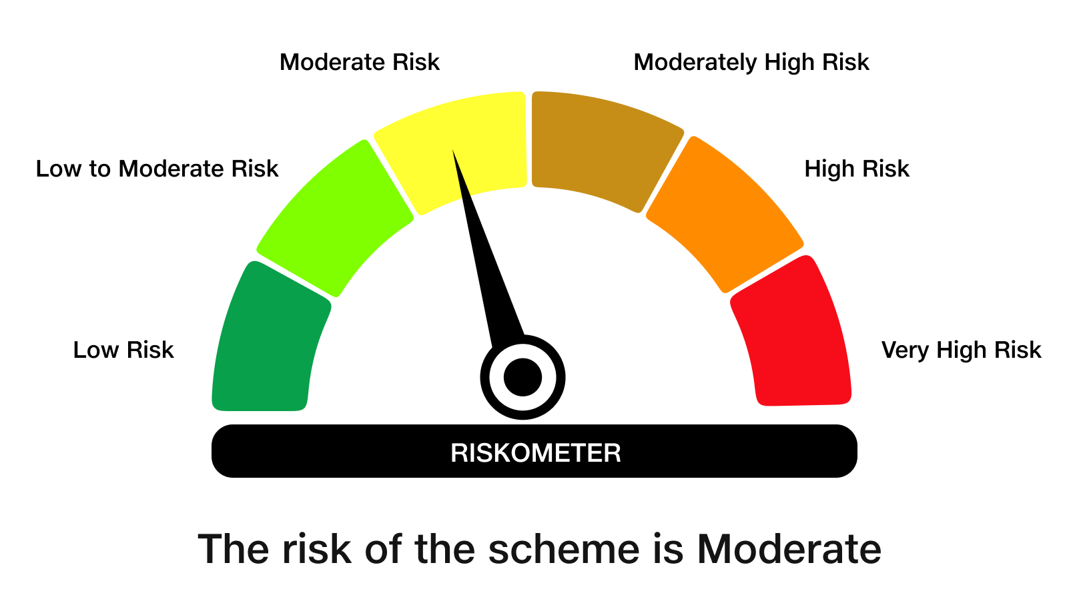

 | Benchmark Risk-O-Meter
 | Benchmark Name - NIFTY 8-13 yr G-Sec

