JBMMF

 | JioBlackRock Money Market Fund
-
 | Monthly Portfolio Statement as on December 31, 2025
 | Name of the Instrument | ISIN | Rating | Quantity | Market/Fair Value (Rs. in Lakhs) | % to Net Assets | Yield to Maturity | Yield to Call ^
 | Money Market Instruments
 | Certificate of Deposit
 | HDFC Bank Ltd (12-Mar-2026) | INE040A16GN6 | CARE A1+ | 4,000 | 19,775.12 | 6.47 | 5.93%
 | HDFC Bank Ltd (24-Mar-2026) | INE040A16GS5 | CARE A1+ | 2,880 | 14,211.32 | 4.65 | 5.91%
 | Bank of Baroda (11-Mar-2026) ** | INE028A16HZ3 | IND A1+ | 2,500 | 12,361.78 | 4.05 | 5.91%
 | Punjab National Bank (09-Mar-2026) ** | INE160A16TT2 | IND A1+ | 2,000 | 9,892.62 | 3.24 | 5.91%
 | National Bank For Agriculture & Rural Development (10-Mar-2026) | INE261F16975 | CRISIL A1+ | 2,000 | 9,889.64 | 3.24 | 5.99%
 | Canara Bank (12-Mar-2026) ** | INE476A16B23 | CRISIL A1+ | 2,000 | 9,887.65 | 3.24 | 5.92%
 | Small Industries Development Bank of India (10-Nov-2026) ** | INE556F16BR2 | CRISIL A1+ | 2,000 | 9,458.20 | 3.10 | 6.68%
 | Punjab National Bank (15-Dec-2026) ** | INE160A16TZ9 | CRISIL A1+ | 2,000 | 9,407.15 | 3.08 | 6.61%
 | Bank of Baroda (13-Mar-2026) ** | INE028A16IC0 | IND A1+ | 1,500 | 7,414.69 | 2.43 | 5.92%
 | Axis Bank Ltd (30-Apr-2026) ** | INE238AD6BK4 | CRISIL A1+ | 1,500 | 7,347.53 | 2.40 | 6.37%
 | Export-Import Bank Of India (28-May-2026) | INE514E16CL5 | CRISIL A1+ | 1,500 | 7,314.13 | 2.39 | 6.31%
 | Indian Bank (06-Mar-2026) ** | INE562A16OG7 | CRISIL A1+ | 1,000 | 4,948.77 | 1.62 | 5.90%
 | Punjab National Bank (18-Mar-2026) | INE160A16RK5 | CRISIL A1+ | 1,000 | 4,939.21 | 1.62 | 5.91%
 | Federal Bank Ltd (20-Mar-2026) ** | INE171A16NE4 | CRISIL A1+ | 1,000 | 4,936.39 | 1.62 | 6.03%
 | Axis Bank Ltd (25-Mar-2026) ** | INE238AD6BT5 | CRISIL A1+ | 1,000 | 4,933.70 | 1.61 | 5.91%
 | Small Industries Development Bank of India (04-Dec-2026) ** | INE556F16BS0 | CRISIL A1+ | 1,000 | 4,709.54 | 1.54 | 6.68%
 | Bank of Baroda (15-Dec-2026) ** | INE028A16KW4 | CRISIL A1+ | 1,000 | 4,706.11 | 1.54 | 6.55%
 | Sub Total |  |  |  | 146,133.51 | 47.82
 | Commercial Paper
 | NTPC Ltd (10-Mar-2026) ** | INE733E14BU9 | CARE A1+ | 5,000 | 24,733.68 | 8.09 | 5.78%
 | Power Finance Corporation Ltd (15-Apr-2026) ** | INE134E14AX6 | CRISIL A1+ | 3,000 | 14,734.05 | 4.82 | 6.34%
 | Kotak Securities Ltd (13-Mar-2026) ** | INE028E14TK7 | CRISIL A1+ | 2,000 | 9,875.52 | 3.23 | 6.48%
 | ICICI Securities Ltd (12-Mar-2026) ** | INE763G14D60 | CRISIL A1+ | 1,500 | 7,407.94 | 2.42 | 6.48%
 | Kotak Securities Ltd (06-Mar-2026) ** | INE028E14TR2 | CRISIL A1+ | 1,000 | 4,943.83 | 1.62 | 6.48%
 | ICICI Securities Ltd (09-Mar-2026) ** | INE763G14D03 | CRISIL A1+ | 1,000 | 4,941.23 | 1.62 | 6.48%
 | Kotak Securities Ltd (12-Mar-2026) ** | INE028E14TZ5 | CRISIL A1+ | 1,000 | 4,938.63 | 1.62 | 6.48%
 | LIC Housing Finance Ltd (18-Mar-2026) ** | INE115A14FL7 | CRISIL A1+ | 1,000 | 4,938.31 | 1.62 | 6.00%
 | Small Industries Development Bank Of India (20-Mar-2026) ** | INE556F14LX4 | CRISIL A1+ | 1,000 | 4,936.76 | 1.62 | 5.99%
 | Kotak Securities Ltd (16-Mar-2026) ** | INE028E14UA6 | CRISIL A1+ | 1,000 | 4,935.17 | 1.62 | 6.48%
 | ICICI Securities Ltd (17-Mar-2026) ** | INE763G14XS9 | CRISIL A1+ | 1,000 | 4,934.30 | 1.61 | 6.48%
 | Bajaj Financial Securities Ltd (18-Mar-2026) ** | INE01C314DZ6 | CRISIL A1+ | 1,000 | 4,933.49 | 1.61 | 6.48%
 | Mahindra & Mahindra Financial Services Ltd (20-Mar-2026) ** | INE774D14TE1 | CRISIL A1+ | 1,000 | 4,932.60 | 1.61 | 6.39%
 | Tata Capital Ltd (23-Mar-2026) | INE976I14QR9 | CRISIL A1+ | 1,000 | 4,929.98 | 1.61 | 6.40%
 | Sub Total |  |  |  | 106,115.44 | 34.73
 | Treasury Bill
 | 182 DTB (26-MAR-2026) | IN002025Y263 | SOVEREIGN | 5,000,000 | 4,941.44 | 1.62 | 5.15%
 | 364 DTB (03-DEC-2026) | IN002025Z369 | SOVEREIGN | 5,000,000 | 4,758.74 | 1.56 | 5.51%
 | 364 DTB (10-DEC-2026) | IN002025Z377 | SOVEREIGN | 2,500,000 | 2,377.09 | 0.78 | 5.50%
 | 364 DTB (16-JUL-2026) | IN002025Z161 | SOVEREIGN | 1,500,000 | 1,457.44 | 0.48 | 5.44%
 | Sub Total |  |  |  | 13,534.70 | 4.43
 | Total |  |  |  | 265,783.65 | 86.98
 | Government Securities
 | 5.63% GOI 2026 (12-APR-2026) | IN0020210012 | SOVEREIGN | 22,000,000 | 22,007.11 | 7.20 | 5.52%
 | Total |  |  |  | 22,007.11 | 7.20

 | TREPS |  |  |  | 17,946.40 | 5.87 | 5.36%

 | Net Receivables / (Payables) |  |  |  | (157.19) | (0.05)
 | Grand Total |  |  |  | 305,579.96 | 100.00

 | ** Non Traded Security
 | ^ It is disclosed for Perpetual Bond issued by Banks (i.e. AT-1 Bond / Tier 1 Bond / Tier 2 Bond), as per AMFI Best Practices Guidelines Circular no. 91/2020-21 dated March 24, 2021 on Valuation of AT-1 Bonds and Tier 2 Bonds. As per SEBI Circular SEBI/HO/IMD/PoD1/CIR/P/2024/106 dated August 05, 2024, valuation of AT-1 Bonds are done on Yield to Call basis w.e.f. August 07, 2024. YTC of AT-1 Bonds are now same as it’s YTM% and hence it is not disclosed separately under YTC%.

 | Scheme Risk-O-Meter



 | Benchmark Risk-O-Meter
 | Benchmark Name - NIFTY Money Market Index A-I

JBOF

 | JioBlackRock Overnight Fund
-
 | Monthly Portfolio Statement as on December 31, 2025
 | Name of the Instrument | ISIN | Rating | Quantity | Market/Fair Value (Rs. in Lakhs) | % to Net Assets | Yield to Maturity | Yield to Call ^
 | Money Market Instruments
 | Treasury Bill
 | 91 DTB (08-JAN-2026) | IN002025X281 | SOVEREIGN | 3,000,000 | 2,996.98 | 2.84 | 5.25%
 | 182 DTB (15-JAN-2026) | IN002025Y164 | SOVEREIGN | 2,000,000 | 1,995.98 | 1.89 | 5.25%
 | 91 DTB (15-JAN-2026) | IN002025X299 | SOVEREIGN | 1,000,000 | 997.99 | 0.94 | 5.25%
 | Sub Total |  |  |  | 5,990.95 | 5.67
 | Total |  |  |  | 5,990.95 | 5.67

 | TREPS |  |  |  | 722.27 | 0.68 | 5.36%

 | Reverse Repo
 | Reverse Repo (01-Jan-2026) |  |  |  | 44,999.23 | 42.61 | 5.60%
 | Reverse Repo (01-Jan-2026) |  |  |  | 20,699.98 | 19.60 | 5.65%
 | Reverse Repo (01-Jan-2026) |  |  |  | 10,199.64 | 9.66 | 5.75%
 | Reverse Repo (01-Jan-2026) |  |  |  | 7,399.67 | 7.01 | 5.65%
 | Reverse Repo (01-Jan-2026) |  |  |  | 5,199.58 | 4.92 | 5.80%
 | Reverse Repo (01-Jan-2026) |  |  |  | 4,575.56 | 4.33 | 5.90%
 | Reverse Repo (01-Jan-2026) |  |  |  | 4,099.32 | 3.88 | 5.85%
 | Reverse Repo (01-Jan-2026) |  |  |  | 1,673.28 | 1.58 | 5.50%
 | Total |  |  |  | 98,846.25 | 93.59

 | Net Receivables / (Payables) |  |  |  | 56.85 | 0.05
 | Grand Total |  |  |  | 105,616.31 | 100.00

 | ^ It is disclosed for Perpetual Bond issued by Banks (i.e. AT-1 Bond / Tier 1 Bond / Tier 2 Bond), as per AMFI Best Practices Guidelines Circular no. 91/2020-21 dated March 24, 2021 on Valuation of AT-1 Bonds and Tier 2 Bonds. As per SEBI Circular SEBI/HO/IMD/PoD1/CIR/P/2024/106 dated August 05, 2024, valuation of AT-1 Bonds are done on Yield to Call basis w.e.f. August 07, 2024. YTC of AT-1 Bonds are now same as it’s YTM% and hence it is not disclosed separately under YTC%.

 | Scheme Risk-O-Meter



 | Benchmark Risk-O-Meter
 | Benchmark Name - NIFTY 1D Rate Index

JBN8-13
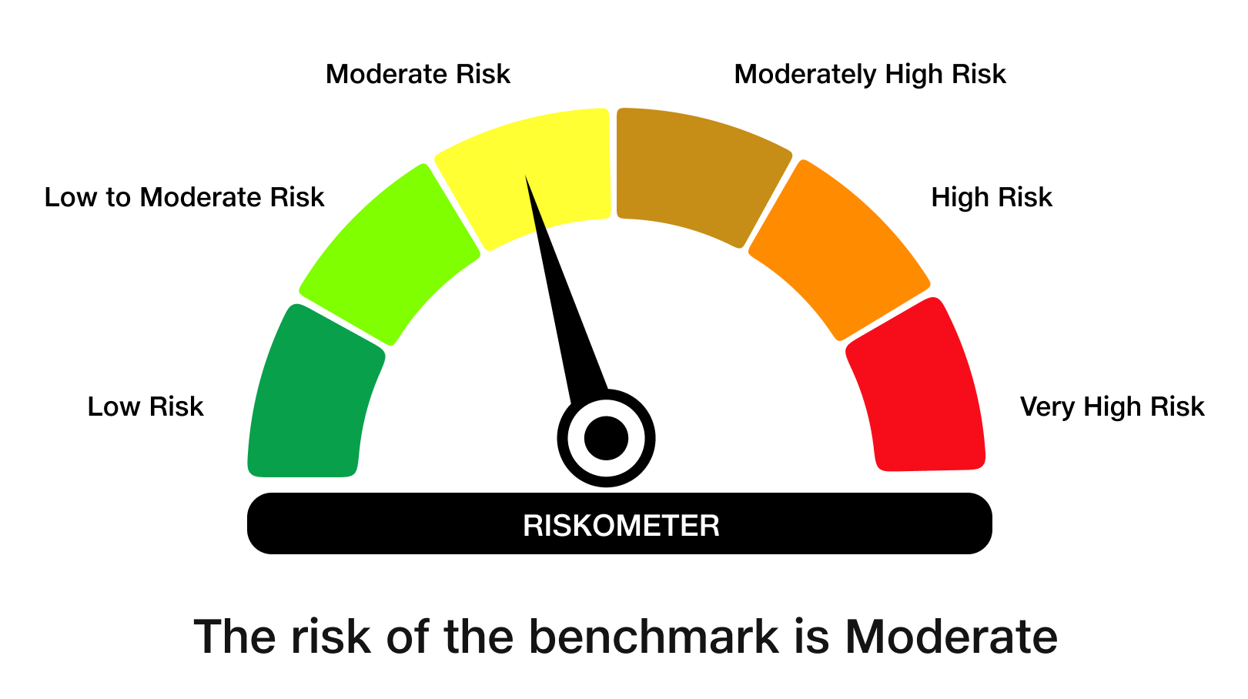
 | JioBlackRock Nifty 8-13 yr G-Sec Index Fund
-
 | Monthly Portfolio Statement as on December 31, 2025
 | Name of the Instrument | ISIN | Rating | Quantity | Market/Fair Value (Rs. in Lakhs) | % to Net Assets | Yield to Maturity | Yield to Call ^
 | Government Securities
 | 6.33% GOI 2035 (05-MAY-2035) | IN0020250026 | SOVEREIGN | 1,225,000 | 1,201.90 | 44.77 | 6.71%
 | 6.48% GOI 2035 (06-OCT-2035) | IN0020250091 | SOVEREIGN | 788,100 | 781.29 | 29.10 | 6.71%
 | 6.79% GOI 2034 (07-OCT-2034) | IN0020240126 | SOVEREIGN | 653,200 | 659.05 | 24.55 | 6.76%
 | Total |  |  |  | 2,642.25 | 98.43

 | TREPS |  |  |  | 9.06 | 0.34 | 5.36%

 | Net Receivables / (Payables) |  |  |  | 33.15 | 1.23
 | Grand Total |  |  |  | 2,684.46 | 100.00

 | ^ It is disclosed for Perpetual Bond issued by Banks (i.e. AT-1 Bond / Tier 1 Bond / Tier 2 Bond), as per AMFI Best Practices Guidelines Circular no. 91/2020-21 dated March 24, 2021 on Valuation of AT-1 Bonds and Tier 2 Bonds. As per SEBI Circular SEBI/HO/IMD/PoD1/CIR/P/2024/106 dated August 05, 2024, valuation of AT-1 Bonds are done on Yield to Call basis w.e.f. August 07, 2024. YTC of AT-1 Bonds are now same as it’s YTM% and hence it is not disclosed separately under YTC%.

 | Debt Index Replication Factor (DIRF) : 98.43%

 | Scheme Risk-O-Meter

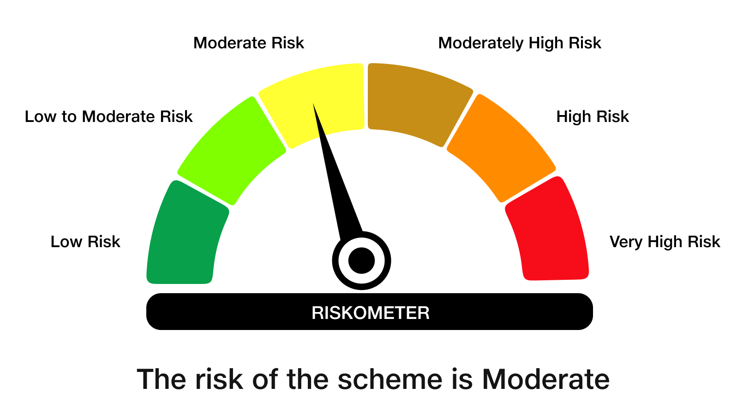

 | Benchmark Risk-O-Meter
 | Benchmark Name - NIFTY 8-13 yr G-Sec

JBN50

 | JioBlackRock Nifty 50 Index Fund
-
 | Monthly Portfolio Statement as on December 31, 2025
 | Name of the Instrument | ISIN | Industry Classification | Quantity | Market/Fair Value (Rs. in Lakhs) | % to Net Assets | Yield to Maturity
 | Equity & Equity related
 | (a) Listed / awaiting listing on Stock Exchanges
 | HDFC Bank Ltd | INE040A01034 | Banks | 221,183 | 2,192.37 | 12.74
 | Reliance Industries Ltd | INE002A01018 | Petroleum Products | 97,630 | 1,533.18 | 8.91
 | ICICI Bank Ltd | INE090A01021 | Banks | 103,279 | 1,386.93 | 8.06
 | Bharti Airtel Ltd | INE397D01024 | Telecom - Services | 40,290 | 848.35 | 4.93
 | Infosys Ltd | INE009A01021 | IT - Software | 50,649 | 818.18 | 4.75
 | Larsen & Toubro Ltd | INE018A01030 | Construction | 16,981 | 693.42 | 4.03
 | State Bank of India | INE062A01020 | Banks | 59,993 | 589.25 | 3.42
 | ITC Ltd | INE154A01025 | Diversified FMCG | 139,345 | 561.56 | 3.26
 | Axis Bank Ltd | INE238A01034 | Banks | 41,441 | 526.05 | 3.06
 | Mahindra & Mahindra Ltd | INE101A01026 | Automobiles | 12,908 | 478.78 | 2.78
 | Tata Consultancy Services Ltd | INE467B01029 | IT - Software | 14,765 | 473.40 | 2.75
 | Kotak Mahindra Bank Ltd | INE237A01028 | Banks | 21,265 | 468.06 | 2.72
 | Bajaj Finance Ltd | INE296A01032 | Finance | 38,391 | 378.84 | 2.20
 | Maruti Suzuki India Ltd | INE585B01010 | Automobiles | 1,897 | 316.74 | 1.84
 | Hindustan Unilever Ltd | INE030A01027 | Diversified FMCG | 12,832 | 297.18 | 1.73
 | Eternal Ltd | INE758T01015 | Retailing | 103,887 | 288.86 | 1.68
 | Sun Pharmaceutical Industries Ltd | INE044A01036 | Pharmaceuticals & Biotechnology | 15,311 | 263.30 | 1.53
 | HCL Technologies Ltd | INE860A01027 | IT - Software | 15,256 | 247.65 | 1.44
 | Titan Co Ltd | INE280A01028 | Consumer Durables | 5,968 | 241.79 | 1.41
 | NTPC Ltd | INE733E01010 | Power | 68,551 | 225.91 | 1.31
 | Tata Steel Ltd | INE081A01020 | Ferrous Metals | 119,516 | 215.22 | 1.25
 | Bharat Electronics Ltd | INE263A01024 | Aerospace & Defense | 51,790 | 206.95 | 1.20
 | Ultratech Cement Ltd | INE481G01011 | Cement & Cement Products | 1,714 | 201.98 | 1.17
 | Shriram Finance Ltd | INE721A01047 | Finance | 20,251 | 201.74 | 1.17
 | Hindalco Industries Ltd | INE038A01020 | Non - Ferrous Metals | 20,920 | 185.50 | 1.08
 | Asian Paints Ltd | INE021A01026 | Consumer Durables | 6,538 | 181.07 | 1.05
 | Power Grid Corporation of India Ltd | INE752E01010 | Power | 65,493 | 173.29 | 1.01
 | Bajaj Finserv Ltd | INE918I01026 | Finance | 8,268 | 168.66 | 0.98
 | Interglobe Aviation Ltd | INE646L01027 | Transport Services | 3,269 | 165.40 | 0.96
 | JSW Steel Ltd | INE019A01038 | Ferrous Metals | 13,584 | 158.23 | 0.92
 | Grasim Industries Ltd | INE047A01021 | Cement & Cement Products | 5,524 | 156.27 | 0.91
 | Bajaj Auto Ltd | INE917I01010 | Automobiles | 1,603 | 149.77 | 0.87
 | Adani Ports and Special Economic Zone Ltd | INE742F01042 | Transport Infrastructure | 10,005 | 147.05 | 0.85
 | Tech Mahindra Ltd | INE669C01036 | IT - Software | 9,180 | 146.04 | 0.85
 | Eicher Motors Ltd | INE066A01021 | Automobiles | 1,990 | 145.52 | 0.85
 | Jio Financial Services Ltd | INE758E01017 | Finance | 47,399 | 139.80 | 0.81
 | Trent Ltd | INE849A01020 | Retailing | 3,208 | 137.27 | 0.80
 | Oil & Natural Gas Corporation Ltd | INE213A01029 | Oil | 56,167 | 135.01 | 0.78
 | Nestle India Ltd | INE239A01024 | Food Products | 10,367 | 133.53 | 0.78
 | SBI Life Insurance Co Ltd | INE123W01016 | Insurance | 6,491 | 132.09 | 0.77
 | Coal India Ltd | INE522F01014 | Consumable Fuels | 32,832 | 131.00 | 0.76
 | Cipla Ltd | INE059A01026 | Pharmaceuticals & Biotechnology | 8,135 | 122.94 | 0.71
 | HDFC Life Insurance Co Ltd | INE795G01014 | Insurance | 15,540 | 116.53 | 0.68
 | Max Healthcare Institute Ltd | INE027H01010 | Healthcare Services | 10,753 | 112.38 | 0.65
 | Tata Consumer Products Ltd | INE192A01025 | Agricultural Food & Other Products | 9,415 | 112.23 | 0.65
 | Dr. Reddy's Laboratories Ltd | INE089A01031 | Pharmaceuticals & Biotechnology | 8,811 | 112.02 | 0.65
 | Tata Motors Passenger Vehicles Ltd | INE155A01022 | Automobiles | 30,236 | 111.07 | 0.65
 | Wipro Ltd | INE075A01022 | IT - Software | 41,285 | 108.70 | 0.63
 | Apollo Hospitals Enterprise Ltd | INE437A01024 | Healthcare Services | 1,488 | 104.79 | 0.61
 | Adani Enterprises Ltd | INE423A01024 | Metals & Minerals Trading | 3,766 | 84.35 | 0.49
 | Kwality Wall’s India Ltd ** | INE2KCE01013 | Food Products | 11,798 | 4.74 | 0.03
 | Sub Total |  |  |  | 17,230.96 | 100.14
 | (b) Unlisted |  |  |  | NIL | NIL
 | Sub Total |  |  |  | NIL | NIL
 | Total |  |  |  | 17,230.96 | 100.14
 | TREPS |  |  |  | 106.44 | 0.62 | 5.36%

 | Net Receivables / (Payables) |  |  |  | (129.70) | (0.75)
 | Grand Total |  |  |  | 17,207.70 | 100.00

 | ** Non Traded Security

 | Scheme Risk-O-Meter



 | Benchmark Risk-O-Meter
 | Benchmark Name - NIFTY 50 Index (TRI)

