JBMMF

 | JioBlackRock Money Market Fund
-
 | Monthly Portfolio Statement as on January 31, 2026
 | Name of the Instrument | ISIN | Rating | Quantity | Market/Fair Value (Rs. in Lakhs) | % to Net Assets | Yield to Maturity | Yield to Call ^
 | Money Market Instruments
 | Certificate of Deposit
 | HDFC Bank Ltd (12-Mar-2026) | INE040A16GN6 | CARE A1+ | 3,000 | 14,894.01 | 5.03 | 6.66%
 | Bank of Baroda (11-Mar-2026) ** | INE028A16HZ3 | IND A1+ | 2,500 | 12,414.31 | 4.20 | 6.63%
 | HDFC Bank Ltd (24-Mar-2026) | INE040A16GS5 | CARE A1+ | 2,380 | 11,789.63 | 3.99 | 6.70%
 | Punjab National Bank (09-Mar-2026) ** | INE160A16TT2 | IND A1+ | 2,000 | 9,934.64 | 3.36 | 6.67%
 | National Bank For Agriculture & Rural Development (10-Mar-2026) | INE261F16975 | CRISIL A1+ | 2,000 | 9,933.04 | 3.36 | 6.65%
 | Canara Bank (12-Mar-2026) | INE476A16B23 | CRISIL A1+ | 2,000 | 9,929.45 | 3.36 | 6.65%
 | Punjab National Bank (15-Dec-2026) ** | INE160A16TZ9 | CRISIL A1+ | 2,000 | 9,417.26 | 3.18 | 7.13%
 | Axis Bank Ltd (30-Apr-2026) | INE238AD6BK4 | CRISIL A1+ | 1,500 | 7,370.16 | 2.49 | 7.31%
 | Export-Import Bank Of India (28-May-2026) | INE514E16CL5 | CRISIL A1+ | 1,500 | 7,330.86 | 2.48 | 7.26%
 | Punjab National Bank (18-Mar-2026) | INE160A16RK5 | CRISIL A1+ | 1,000 | 4,959.22 | 1.68 | 6.67%
 | Federal Bank Ltd (20-Mar-2026) ** | INE171A16NE4 | CRISIL A1+ | 1,000 | 4,956.79 | 1.68 | 6.77%
 | Axis Bank Ltd (25-Mar-2026) ** | INE238AD6BT5 | CRISIL A1+ | 1,000 | 4,952.73 | 1.67 | 6.70%
 | Small Industries Development Bank of India (04-Dec-2026) ** | INE556F16BS0 | CRISIL A1+ | 1,000 | 4,712.95 | 1.59 | 7.27%
 | Canara Bank (28-Jan-2027) ** | INE476A16G28 | CRISIL A1+ | 1,000 | 4,675.60 | 1.58 | 7.02%
 | Indian Bank (06-Mar-2026) ** | INE562A16OG7 | CRISIL A1+ | 500 | 2,485.10 | 0.84 | 6.63%
 | Sub Total |  |  |  | 119,755.74 | 40.48
 | Commercial Paper
 | NTPC Ltd (10-Mar-2026) ** | INE733E14BU9 | CARE A1+ | 4,000 | 19,867.74 | 6.72 | 6.57%
 | LIC Housing Finance Ltd (18-Mar-2026) ** | INE115A14FL7 | CRISIL A1+ | 3,000 | 14,876.12 | 5.03 | 6.75%
 | Power Finance Corporation Ltd (15-Apr-2026) ** | INE134E14AX6 | CRISIL A1+ | 2,500 | 12,320.74 | 4.16 | 7.28%
 | Kotak Securities Ltd (13-Mar-2026) ** | INE028E14TK7 | CRISIL A1+ | 1,500 | 7,441.49 | 2.52 | 7.17%
 | Kotak Securities Ltd (06-Mar-2026) ** | INE028E14TR2 | CRISIL A1+ | 1,000 | 4,967.78 | 1.68 | 7.17%
 | ICICI Securities Ltd (09-Mar-2026) ** | INE763G14D03 | CRISIL A1+ | 1,000 | 4,964.99 | 1.68 | 7.15%
 | ICICI Securities Ltd (12-Mar-2026) ** | INE763G14D60 | CRISIL A1+ | 1,000 | 4,962.09 | 1.68 | 7.15%
 | Kotak Securities Ltd (12-Mar-2026) ** | INE028E14TZ5 | CRISIL A1+ | 1,000 | 4,961.96 | 1.68 | 7.17%
 | Kotak Securities Ltd (16-Mar-2026) ** | INE028E14UA6 | CRISIL A1+ | 1,000 | 4,958.09 | 1.68 | 7.18%
 | ICICI Securities Ltd (17-Mar-2026) ** | INE763G14XS9 | CRISIL A1+ | 1,000 | 4,957.27 | 1.68 | 7.15%
 | Small Industries Development Bank Of India (20-Mar-2026) ** | INE556F14LX4 | CRISIL A1+ | 1,000 | 4,956.86 | 1.68 | 6.76%
 | Bajaj Financial Securities Ltd (18-Mar-2026) ** | INE01C314DZ6 | CRISIL A1+ | 1,000 | 4,956.01 | 1.68 | 7.20%
 | Mahindra & Mahindra Financial Services Ltd (20-Mar-2026) ** | INE774D14TE1 | CRISIL A1+ | 1,000 | 4,955.21 | 1.68 | 7.02%
 | Tata Capital Ltd (23-Mar-2026) ** | INE976I14QR9 | CRISIL A1+ | 1,000 | 4,951.82 | 1.67 | 7.10%
 | ICICI Securities Ltd (06-Mar-2026) ** | INE763G14XX9 | ICRA A1+ | 500 | 2,483.94 | 0.84 | 7.15%
 | Kotak Securities Ltd (24-Mar-2026) ** | INE028E14UF5 | CRISIL A1+ | 500 | 2,475.19 | 0.84 | 7.17%
 | Sub Total |  |  |  | 109,057.28 | 36.87
 | Treasury Bill
 | 364 DTB (21-JAN-2027) | IN002025Z427 | SOVEREIGN | 15,000,000 | 14,213.27 | 4.80 | 5.71%
 | 364 DTB (03-DEC-2026) | IN002025Z369 | SOVEREIGN | 5,000,000 | 4,773.44 | 1.61 | 5.68%
 | 364 DTB (10-DEC-2026) | IN002025Z377 | SOVEREIGN | 2,500,000 | 2,384.24 | 0.81 | 5.68%
 | Sub Total |  |  |  | 21,370.95 | 7.22
 | Total |  |  |  | 250,183.96 | 84.57
 | Government Securities
 | 5.63% GOI 2026 (12-APR-2026) | IN0020210012 | SOVEREIGN | 14,500,000 | 14,506.97 | 4.90 | 5.44%
 | Total |  |  |  | 14,506.97 | 4.90
 | Alternative Investment Fund
 | Corporate Debt Market Development Fund Class A2 | INF0RQ622028 |  | 6,542 | 758.85 | 0.26
 | Sub Total |  |  |  | 758.85 | 0.26

 | TREPS |  |  |  | 31,476.13 | 10.64 | 5.05%

 | Net Receivables / (Payables) |  |  |  | (1,102.69) | (0.37)
 | Grand Total |  |  |  | 295,823.23 | 100.00

 | ** Non Traded Security
 | ^ It is disclosed for Perpetual Bond issued by Banks (i.e. AT-1 Bond / Tier 1 Bond / Tier 2 Bond), as per AMFI Best Practices Guidelines Circular no. 91/2020-21 dated March 24, 2021 on Valuation of AT-1 Bonds and Tier 2 Bonds. As per SEBI Circular SEBI/HO/IMD/PoD1/CIR/P/2024/106 dated August 05, 2024, valuation of AT-1 Bonds are done on Yield to Call basis w.e.f. August 07, 2024. YTC of AT-1 Bonds are now same as it’s YTM% and hence it is not disclosed separately under YTC%.

 | Aggregate Investments by other schemes (at NAV) as on January 31, 2026, is Rs. 2514.02 Lakh's.

 | Scheme Risk-O-Meter



 | Benchmark Risk-O-Meter
 | Benchmark Name - NIFTY Money Market Index A-I

JBOF

 | JioBlackRock Overnight Fund
-
 | Monthly Portfolio Statement as on January 31, 2026
 | Name of the Instrument | ISIN | Rating | Quantity | Market/Fair Value (Rs. in Lakhs) | % to Net Assets | Yield to Maturity | Yield to Call ^
 | Money Market Instruments
 | Treasury Bill
 | 91 DTB (06-FEB-2026) | IN002025X323 | SOVEREIGN | 1,500,000 | 1,498.97 | 2.30 | 5.00%
 | 182 DTB (12-FEB-2026) | IN002025Y206 | SOVEREIGN | 1,000,000 | 998.47 | 1.53 | 5.10%
 | 91 DTB (26-FEB-2026) | IN002025X356 | SOVEREIGN | 500,000 | 498.26 | 0.77 | 5.10%
 | Sub Total |  |  |  | 2,995.70 | 4.60
 | Total |  |  |  | 2,995.70 | 4.60

 | TREPS |  |  |  | 189.89 | 0.29 | 5.05%

 | Reverse Repo
 | Reverse Repo (02-Feb-2026) |  |  |  | 27,899.22 | 42.86 | 5.40%
 | Reverse Repo (02-Feb-2026) |  |  |  | 8,120.07 | 12.48 | 5.50%
 | Reverse Repo (02-Feb-2026) |  |  |  | 6,706.05 | 10.30 | 5.45%
 | Reverse Repo (02-Feb-2026) |  |  |  | 5,099.22 | 7.83 | 5.44%
 | Reverse Repo (02-Feb-2026) |  |  |  | 5,096.18 | 7.83 | 5.50%
 | Reverse Repo (02-Feb-2026) |  |  |  | 4,497.17 | 6.91 | 5.43%
 | Reverse Repo (02-Feb-2026) |  |  |  | 3,061.98 | 4.70 | 5.45%
 | Reverse Repo (02-Feb-2026) |  |  |  | 1,332.56 | 2.05 | 5.50%
 | Total |  |  |  | 61,812.44 | 94.96

 | Net Receivables / (Payables) |  |  |  | 91.90 | 0.14
 | Grand Total |  |  |  | 65,089.93 | 100.00

 | ^ It is disclosed for Perpetual Bond issued by Banks (i.e. AT-1 Bond / Tier 1 Bond / Tier 2 Bond), as per AMFI Best Practices Guidelines Circular no. 91/2020-21 dated March 24, 2021 on Valuation of AT-1 Bonds and Tier 2 Bonds. As per SEBI Circular SEBI/HO/IMD/PoD1/CIR/P/2024/106 dated August 05, 2024, valuation of AT-1 Bonds are done on Yield to Call basis w.e.f. August 07, 2024. YTC of AT-1 Bonds are now same as it’s YTM% and hence it is not disclosed separately under YTC%.

 | Scheme Risk-O-Meter



 | Benchmark Risk-O-Meter
 | Benchmark Name - NIFTY 1D Rate Index

JBN8-13
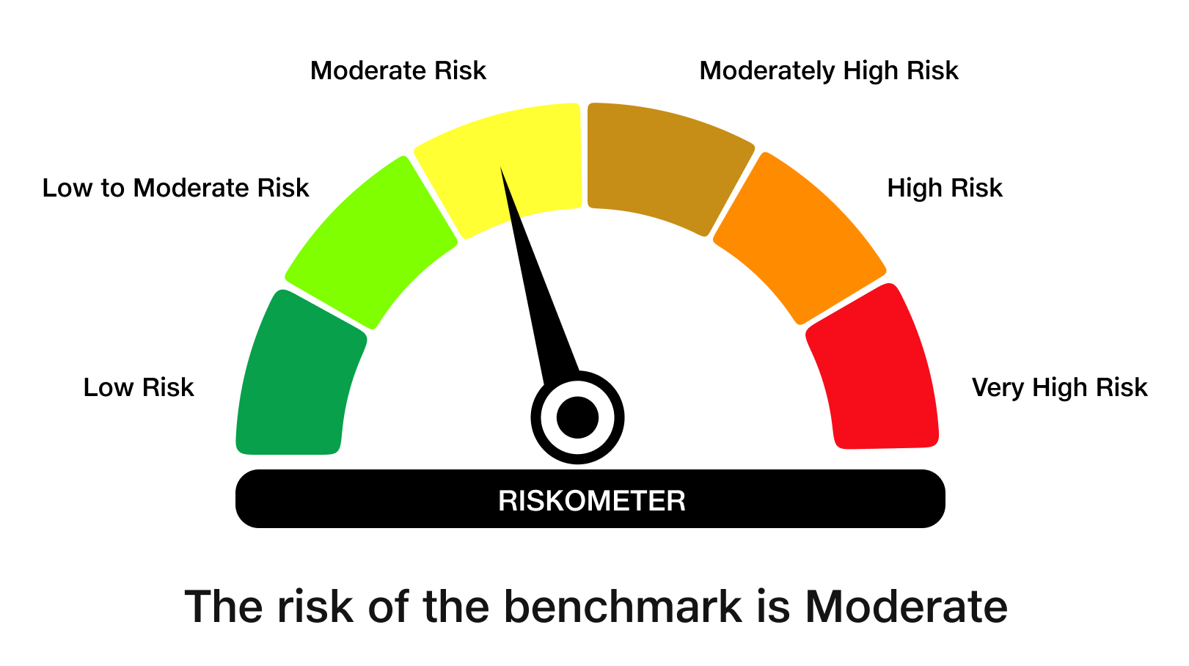
 | JioBlackRock Nifty 8-13 yr G-Sec Index Fund
-
 | Monthly Portfolio Statement as on January 31, 2026
 | Name of the Instrument | ISIN | Rating | Quantity | Market/Fair Value (Rs. in Lakhs) | % to Net Assets | Yield to Maturity | Yield to Call ^
 | Government Securities
 | 6.48% GOI 2035 (06-OCT-2035) | IN0020250091 | SOVEREIGN | 1,365,100 | 1,344.25 | 48.29 | 6.81%
 | 6.33% GOI 2035 (05-MAY-2035) | IN0020250026 | SOVEREIGN | 774,000 | 754.84 | 27.12 | 6.80%
 | 6.79% GOI 2034 (07-OCT-2034) | IN0020240126 | SOVEREIGN | 624,200 | 626.38 | 22.50 | 6.85%
 | Total |  |  |  | 2,725.48 | 97.91

 | TREPS |  |  |  | 14.62 | 0.53 | 5.05%

 | Net Receivables / (Payables) |  |  |  | 43.60 | 1.57
 | Grand Total |  |  |  | 2,783.70 | 100.00

 | ^ It is disclosed for Perpetual Bond issued by Banks (i.e. AT-1 Bond / Tier 1 Bond / Tier 2 Bond), as per AMFI Best Practices Guidelines Circular no. 91/2020-21 dated March 24, 2021 on Valuation of AT-1 Bonds and Tier 2 Bonds. As per SEBI Circular SEBI/HO/IMD/PoD1/CIR/P/2024/106 dated August 05, 2024, valuation of AT-1 Bonds are done on Yield to Call basis w.e.f. August 07, 2024. YTC of AT-1 Bonds are now same as it’s YTM% and hence it is not disclosed separately under YTC%.

 | Debt Index Replication Factor (DIRF) : 97.91%

 | Scheme Risk-O-Meter

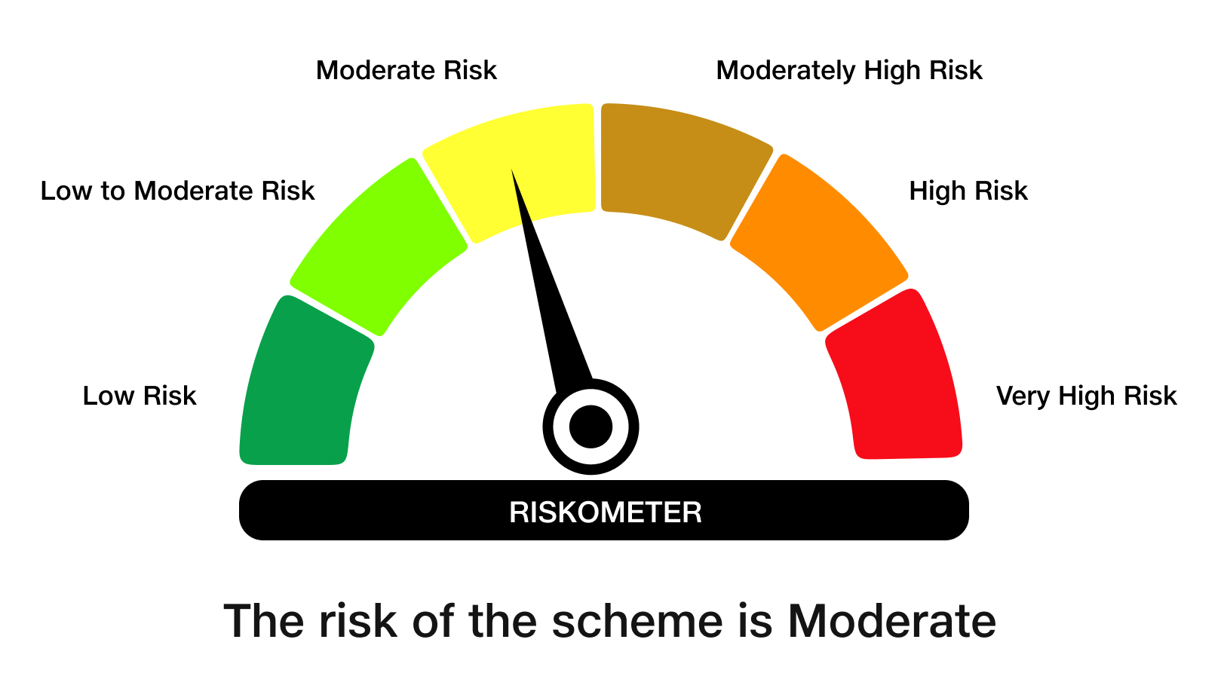

 | Benchmark Risk-O-Meter
 | Benchmark Name - NIFTY 8-13 yr G-Sec

JBN50

 | JioBlackRock Nifty 50 Index Fund
-
 | Monthly Portfolio Statement as on January 31, 2026
 | Name of the Instrument | ISIN | Industry Classification | Quantity | Market/Fair Value (Rs. in Lakhs) | % to Net Assets | Yield to Maturity
 | Equity & Equity related
 | (a) Listed / awaiting listing on Stock Exchanges
 | HDFC Bank Ltd | INE040A01034 | Banks | 249,599 | 2,319.40 | 12.29
 | ICICI Bank Ltd | INE090A01021 | Banks | 116,547 | 1,579.21 | 8.37
 | Reliance Industries Ltd | INE002A01018 | Petroleum Products | 110,172 | 1,537.34 | 8.15
 | Infosys Ltd | INE009A01021 | IT - Software | 57,156 | 937.93 | 4.97
 | Bharti Airtel Ltd | INE397D01024 | Telecom - Services | 45,467 | 895.11 | 4.74
 | Larsen & Toubro Ltd | INE018A01030 | Construction | 19,163 | 753.55 | 3.99
 | State Bank of India | INE062A01020 | Banks | 67,700 | 729.23 | 3.86
 | Axis Bank Ltd | INE238A01034 | Banks | 46,765 | 640.87 | 3.40
 | Tata Consultancy Services Ltd | INE467B01029 | IT - Software | 16,662 | 520.50 | 2.76
 | ITC Ltd | INE154A01025 | Diversified FMCG | 157,246 | 506.57 | 2.68
 | Mahindra & Mahindra Ltd | INE101A01026 | Automobiles | 14,566 | 499.88 | 2.65
 | Kotak Mahindra Bank Ltd | INE237A01036 | Banks | 119,983 | 489.53 | 2.59
 | Bajaj Finance Ltd | INE296A01032 | Finance | 43,323 | 402.84 | 2.13
 | Hindustan Unilever Ltd | INE030A01027 | Diversified FMCG | 14,481 | 343.63 | 1.82
 | Eternal Ltd | INE758T01015 | Retailing | 117,233 | 320.75 | 1.70
 | Maruti Suzuki India Ltd | INE585B01010 | Automobiles | 2,141 | 312.56 | 1.66
 | HCL Technologies Ltd | INE860A01027 | IT - Software | 17,216 | 291.91 | 1.55
 | Sun Pharmaceutical Industries Ltd | INE044A01036 | Pharmaceuticals & Biotechnology | 17,278 | 275.64 | 1.46
 | NTPC Ltd | INE733E01010 | Power | 77,357 | 275.39 | 1.46
 | Titan Co Ltd | INE280A01028 | Consumer Durables | 6,735 | 267.88 | 1.42
 | Bharat Electronics Ltd | INE263A01024 | Aerospace & Defense | 58,443 | 262.41 | 1.39
 | Tata Steel Ltd | INE081A01020 | Ferrous Metals | 134,870 | 260.47 | 1.38
 | Ultratech Cement Ltd | INE481G01011 | Cement & Cement Products | 1,934 | 245.50 | 1.30
 | Shriram Finance Ltd | INE721A01047 | Finance | 22,852 | 233.09 | 1.24
 | Hindalco Industries Ltd | INE038A01020 | Non - Ferrous Metals | 23,607 | 227.24 | 1.20
 | Power Grid Corporation of India Ltd | INE752E01010 | Power | 73,907 | 189.57 | 1.00
 | JSW Steel Ltd | INE019A01038 | Ferrous Metals | 15,329 | 186.16 | 0.99
 | Bajaj Finserv Ltd | INE918I01026 | Finance | 9,330 | 182.18 | 0.97
 | Tech Mahindra Ltd | INE669C01036 | IT - Software | 10,359 | 180.57 | 0.96
 | Asian Paints Ltd | INE021A01026 | Consumer Durables | 7,378 | 179.16 | 0.95
 | Grasim Industries Ltd | INE047A01021 | Cement & Cement Products | 6,233 | 175.71 | 0.93
 | Bajaj Auto Ltd | INE917I01010 | Automobiles | 1,809 | 173.62 | 0.92
 | Adani Ports and Special Economic Zone Ltd | INE742F01042 | Transport Infrastructure | 12,037 | 170.90 | 0.91
 | Oil & Natural Gas Corporation Ltd | INE213A01029 | Oil | 63,383 | 170.47 | 0.90
 | Interglobe Aviation Ltd | INE646L01027 | Transport Services | 3,689 | 169.56 | 0.90
 | Coal India Ltd | INE522F01014 | Consumable Fuels | 37,050 | 163.30 | 0.87
 | Eicher Motors Ltd | INE066A01021 | Automobiles | 2,246 | 159.97 | 0.85
 | Nestle India Ltd | INE239A01024 | Food Products | 11,699 | 155.88 | 0.83
 | SBI Life Insurance Co Ltd | INE123W01016 | Insurance | 7,325 | 146.39 | 0.78
 | Trent Ltd | INE849A01020 | Retailing | 3,620 | 137.04 | 0.73
 | Jio Financial Services Ltd | INE758E01017 | Finance | 53,488 | 136.13 | 0.72
 | HDFC Life Insurance Co Ltd | INE795G01014 | Insurance | 17,537 | 128.20 | 0.68
 | Cipla Ltd | INE059A01026 | Pharmaceuticals & Biotechnology | 9,180 | 121.54 | 0.64
 | Dr. Reddy's Laboratories Ltd | INE089A01031 | Pharmaceuticals & Biotechnology | 9,943 | 121.12 | 0.64
 | Tata Consumer Products Ltd | INE192A01025 | Agricultural Food & Other Products | 10,624 | 120.47 | 0.64
 | Tata Motors Passenger Vehicles Ltd | INE155A01022 | Automobiles | 34,120 | 119.44 | 0.63
 | Apollo Hospitals Enterprise Ltd | INE437A01024 | Healthcare Services | 1,680 | 116.94 | 0.62
 | Max Healthcare Institute Ltd | INE027H01010 | Healthcare Services | 12,134 | 116.10 | 0.62
 | Wipro Ltd | INE075A01022 | IT - Software | 46,589 | 110.37 | 0.58
 | Adani Enterprises Ltd | INE423A01024 | Metals & Minerals Trading | 4,250 | 85.87 | 0.45
 | Kwality Wall’s India Ltd ** | INE2KCE01013 | Food Products | 11,798 | 4.74 | 0.03
 | Sub Total |  |  |  | 18,849.81 | 99.88
 | (b) Unlisted |  |  |  | NIL | NIL
 | Sub Total |  |  |  | NIL | NIL
 | Total |  |  |  | 18,849.81 | 99.88
 | TREPS |  |  |  | 109.88 | 0.58 | 5.05%

 | Net Receivables / (Payables) |  |  |  | (86.58) | (0.46)
 | Grand Total |  |  |  | 18,873.11 | 100.00

 | ** Non Traded Security

 | Scheme Risk-O-Meter



 | Benchmark Risk-O-Meter
 | Benchmark Name - NIFTY 50 Index (TRI)

