JBMMF

 | JioBlackRock Money Market Fund
-
 | Monthly Portfolio Statement as on February 28, 2026
 | Name of the Instrument | ISIN | Rating | Quantity | Market/Fair Value (Rs. in Lakhs) | % to Net Assets | Yield to Maturity | Yield to Call ^
 | Money Market Instruments
 | Certificate of Deposit
 | HDFC Bank Ltd (12-Mar-2026) | INE040A16GN6 | CARE A1+ | 3,000 | 14,974.95 | 5.42 | 5.55%
 | Bank of Baroda (11-Mar-2026) ** | INE028A16HZ3 | IND A1+ | 2,500 | 12,481.03 | 4.52 | 5.55%
 | Punjab National Bank (09-Mar-2026) | INE160A16TT2 | IND A1+ | 2,000 | 9,987.85 | 3.61 | 5.55%
 | National Bank For Agriculture & Rural Development (10-Mar-2026) ** | INE261F16975 | CRISIL A1+ | 2,000 | 9,986.29 | 3.61 | 5.57%
 | Canara Bank (12-Mar-2026) | INE476A16B23 | CRISIL A1+ | 2,000 | 9,983.32 | 3.61 | 5.54%
 | HDFC Bank Ltd (24-Feb-2027) | INE040A16IO0 | CARE A1+ | 2,000 | 9,365.41 | 3.39 | 6.87%
 | Small Industries Development Bank of India (26-Feb-2027) ** | INE556F16CC2 | CARE A1+ | 2,000 | 9,349.09 | 3.38 | 7.02%
 | Export-Import Bank Of India (28-May-2026) | INE514E16CL5 | CRISIL A1+ | 1,500 | 7,375.18 | 2.67 | 7.02%
 | Punjab National Bank (05-Feb-2027) ** | INE160A16UE2 | CARE A1+ | 1,500 | 7,047.67 | 2.55 | 6.87%
 | National Bank For Agriculture & Rural Development (02-Mar-2027) ** | INE261F16AM2 | CRISIL A1+ | 1,500 | 7,010.00 | 2.54 | 6.99%
 | Federal Bank Ltd (20-Mar-2026) ** | INE171A16NE4 | CRISIL A1+ | 1,000 | 4,985.24 | 1.80 | 5.69%
 | Axis Bank Ltd (25-Mar-2026) ** | INE238AD6BT5 | CRISIL A1+ | 1,000 | 4,981.87 | 1.80 | 5.54%
 | Small Industries Development Bank of India (04-Dec-2026) ** | INE556F16BS0 | CRISIL A1+ | 1,000 | 4,746.23 | 1.72 | 7.02%
 | Indian Bank (15-Dec-2026) ** | INE562A16QN8 | CRISIL A1+ | 1,000 | 4,740.81 | 1.72 | 6.91%
 | Canara Bank (28-Jan-2027) | INE476A16G28 | CRISIL A1+ | 1,000 | 4,703.89 | 1.70 | 6.90%
 | Bank of Baroda (03-Feb-2027) ** | INE028A16LE0 | CARE A1+ | 1,000 | 4,700.72 | 1.70 | 6.86%
 | Indian Bank (05-Feb-2027) ** | INE562A16QI8 | CARE A1+ | 1,000 | 4,699.06 | 1.70 | 6.86%
 | National Bank For Agriculture & Rural Development (04-Feb-2027) ** | INE261F16AJ8 | CRISIL A1+ | 1,000 | 4,694.96 | 1.70 | 6.98%
 | Sub Total |  |  |  | 135,813.55 | 49.13
 | Commercial Paper
 | NTPC Ltd (10-Mar-2026) ** | INE733E14BU9 | CARE A1+ | 4,500 | 22,469.20 | 8.13 | 5.56%
 | Reliance Retail Ventures Ltd (13-Mar-2026) | INE929O14EP6 | CRISIL A1+ | 1,500 | 7,485.73 | 2.71 | 5.80%
 | Kotak Securities Ltd (13-Mar-2026) ** | INE028E14TK7 | CRISIL A1+ | 1,500 | 7,484.93 | 2.71 | 6.12%
 | ICICI Securities Ltd (09-Mar-2026) ** | INE763G14D03 | CRISIL A1+ | 1,000 | 4,993.24 | 1.81 | 6.18%
 | Kotak Securities Ltd (12-Mar-2026) ** | INE028E14TZ5 | CRISIL A1+ | 1,000 | 4,990.79 | 1.81 | 6.13%
 | ICICI Securities Ltd (12-Mar-2026) ** | INE763G14D60 | CRISIL A1+ | 1,000 | 4,990.71 | 1.81 | 6.18%
 | Kotak Securities Ltd (16-Mar-2026) ** | INE028E14UA6 | CRISIL A1+ | 1,000 | 4,987.27 | 1.80 | 6.21%
 | ICICI Securities Ltd (17-Mar-2026) ** | INE763G14XS9 | CRISIL A1+ | 1,000 | 4,986.30 | 1.80 | 6.27%
 | Small Industries Development Bank Of India (20-Mar-2026) | INE556F14LX4 | CRISIL A1+ | 1,000 | 4,985.34 | 1.80 | 5.65%
 | Mahindra & Mahindra Financial Services Ltd (20-Mar-2026) ** | INE774D14TE1 | CRISIL A1+ | 1,000 | 4,984.03 | 1.80 | 6.16%
 | Tata Capital Ltd (23-Mar-2026) ** | INE976I14QR9 | CRISIL A1+ | 1,000 | 4,981.55 | 1.80 | 6.14%
 | Small Industries Development Bank Of India (27-Mar-2026) | INE556F14LY2 | CRISIL A1+ | 1,000 | 4,979.96 | 1.80 | 5.65%
 | ICICI Securities Ltd (06-Mar-2026) | INE763G14XX9 | ICRA A1+ | 500 | 2,497.90 | 0.90 | 6.15%
 | Kotak Securities Ltd (24-Mar-2026) ** | INE028E14UF5 | CRISIL A1+ | 500 | 2,490.23 | 0.90 | 6.23%
 | Sub Total |  |  |  | 87,307.15 | 31.58
 | Treasury Bill
 | 364 DTB (21-JAN-2027) | IN002025Z427 | SOVEREIGN | 15,000,000 | 14,295.92 | 5.17 | 5.51%
 | 364 DTB (03-DEC-2026) | IN002025Z369 | SOVEREIGN | 5,000,000 | 4,800.62 | 1.74 | 5.47%
 | 364 DTB (10-DEC-2026) | IN002025Z377 | SOVEREIGN | 2,500,000 | 2,397.89 | 0.87 | 5.47%
 | 364 DTB (19-FEB-2027) | IN002025Z468 | SOVEREIGN | 2,500,000 | 2,372.20 | 0.86 | 5.54%
 | Sub Total |  |  |  | 23,866.62 | 8.63
 | Total |  |  |  | 246,987.32 | 89.35
 | Government Securities
 | 5.63% GOI 2026 (12-APR-2026) | IN0020210012 | SOVEREIGN | 14,500,000 | 14,502.77 | 5.25 | 5.29%
 | Total |  |  |  | 14,502.77 | 5.25
 | Alternative Investment Fund
 | Corporate Debt Market Development Fund Class A2 | INF0RQ622028 |  | 6,542 | 763.22 | 0.28
 | Sub Total |  |  |  | 763.22 | 0.28

 | TREPS |  |  |  | 21,218.22 | 7.68 | 4.93%

 | Net Receivables / (Payables) |  |  |  | (7,045.38) | (2.55)
 | Grand Total |  |  |  | 276,426.15 | 100.00

 | ** Non Traded Security
 | ^ It is disclosed for Perpetual Bond issued by Banks (i.e. AT-1 Bond / Tier 1 Bond / Tier 2 Bond), as per AMFI Best Practices Guidelines Circular no. 91/2020-21 dated March 24, 2021 on Valuation of AT-1 Bonds and Tier 2 Bonds. As per SEBI Circular SEBI/HO/IMD/PoD1/CIR/P/2024/106 dated August 05, 2024, valuation of AT-1 Bonds are done on Yield to Call basis w.e.f. August 07, 2024. YTC of AT-1 Bonds are now same as it’s YTM% and hence it is not disclosed separately under YTC%.

 | Aggregate Investments by other schemes (at NAV) as on February 28, 2026, is Rs.2,528.09 Lakh's.

 | Scheme Risk-O-Meter



 | Benchmark Risk-O-Meter
 | Benchmark Name - NIFTY Money Market Index A-I

JBOF

 | JioBlackRock Overnight Fund
-
 | Monthly Portfolio Statement as on February 28, 2026
 | Name of the Instrument | ISIN | Rating | Quantity | Market/Fair Value (Rs. in Lakhs) | % to Net Assets | Yield to Maturity | Yield to Call ^
 | Money Market Instruments
 | Treasury Bill
 | 182 DTB (05-MAR-2026) | IN002025Y230 | SOVEREIGN | 1,000,000 | 999.45 | 1.03 | 5.00%
 | 91 DTB (12-MAR-2026) | IN002025X372 | SOVEREIGN | 1,000,000 | 998.56 | 1.03 | 4.80%
 | 364 DTB (19-MAR-2026) | IN002024Z495 | SOVEREIGN | 1,000,000 | 997.74 | 1.03 | 4.60%
 | 182 DTB (19-MAR-2026) | IN002025Y255 | SOVEREIGN | 500,000 | 498.87 | 0.52 | 4.60%
 | Sub Total |  |  |  | 3,494.61 | 3.62
 | Total |  |  |  | 3,494.61 | 3.62

 | TREPS |  |  |  | 3,930.55 | 4.07 | 4.93%

 | Reverse Repo
 | Reverse Repo (02-Mar-2026) |  |  |  | 10,424.48 | 10.79 | 5.10%
 | Reverse Repo (02-Mar-2026) |  |  |  | 9,655.02 | 10.00 | 5.10%
 | Reverse Repo (02-Mar-2026) |  |  |  | 9,499.18 | 9.84 | 5.10%
 | Reverse Repo (02-Mar-2026) |  |  |  | 8,599.54 | 8.90 | 5.10%
 | Reverse Repo (02-Mar-2026) |  |  |  | 7,681.56 | 7.95 | 5.09%
 | Reverse Repo (02-Mar-2026) |  |  |  | 7,299.74 | 7.56 | 5.10%
 | Reverse Repo (02-Mar-2026) |  |  |  | 6,483.16 | 6.71 | 5.12%
 | Reverse Repo (02-Mar-2026) |  |  |  | 5,112.16 | 5.29 | 5.10%
 | Reverse Repo (02-Mar-2026) |  |  |  | 5,099.22 | 5.28 | 5.10%
 | Reverse Repo (02-Mar-2026) |  |  |  | 5,086.92 | 5.27 | 5.07%
 | Reverse Repo (02-Mar-2026) |  |  |  | 4,999.99 | 5.18 | 5.12%
 | Reverse Repo (02-Mar-2026) |  |  |  | 3,693.87 | 3.82 | 5.10%
 | Reverse Repo (02-Mar-2026) |  |  |  | 2,667.62 | 2.76 | 5.10%
 | Reverse Repo (02-Mar-2026) |  |  |  | 2,089.44 | 2.16 | 5.12%
 | Reverse Repo (02-Mar-2026) |  |  |  | 1,031.59 | 1.07 | 5.12%
 | Total |  |  |  | 89,423.47 | 92.59

 | Net Receivables / (Payables) |  |  |  | (270.31) | (0.28)
 | Grand Total |  |  |  | 96,578.32 | 100.00

 | ^ It is disclosed for Perpetual Bond issued by Banks (i.e. AT-1 Bond / Tier 1 Bond / Tier 2 Bond), as per AMFI Best Practices Guidelines Circular no. 91/2020-21 dated March 24, 2021 on Valuation of AT-1 Bonds and Tier 2 Bonds. As per SEBI Circular SEBI/HO/IMD/PoD1/CIR/P/2024/106 dated August 05, 2024, valuation of AT-1 Bonds are done on Yield to Call basis w.e.f. August 07, 2024. YTC of AT-1 Bonds are now same as it’s YTM% and hence it is not disclosed separately under YTC%.

 | Scheme Risk-O-Meter



 | Benchmark Risk-O-Meter
 | Benchmark Name - NIFTY 1D Rate Index

JBN8-13
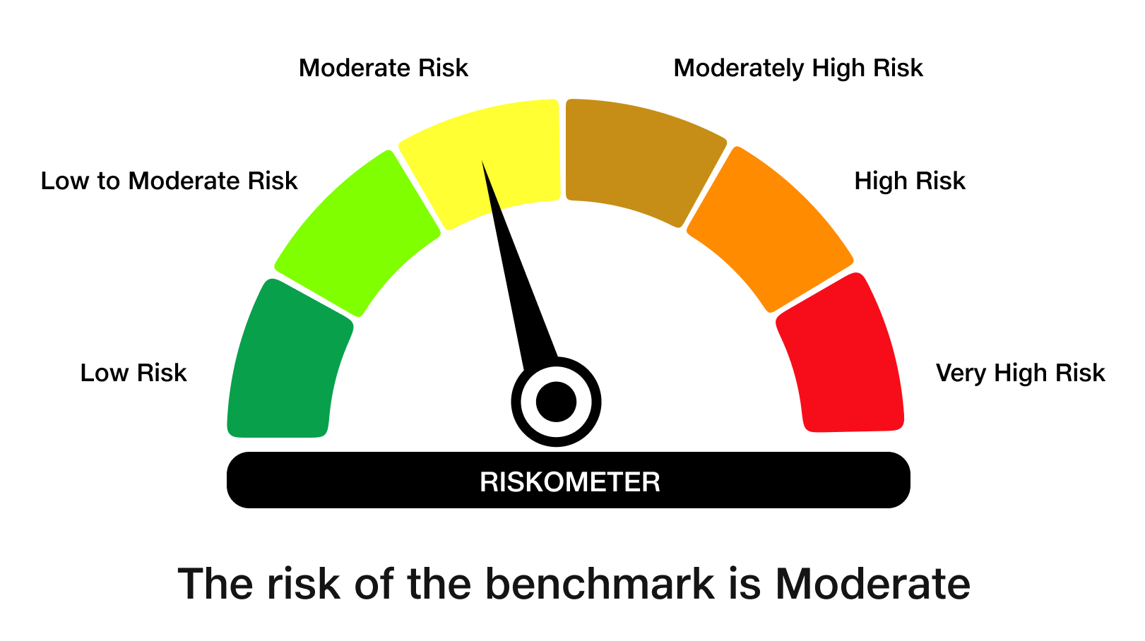
 | JioBlackRock Nifty 8-13 yr G-Sec Index Fund
-
 | Monthly Portfolio Statement as on February 28, 2026
 | Name of the Instrument | ISIN | Rating | Quantity | Market/Fair Value (Rs. in Lakhs) | % to Net Assets | Yield to Maturity | Yield to Call ^
 | Government Securities
 | 6.48% GOI 2035 (06-OCT-2035) | IN0020250091 | SOVEREIGN | 1,784,100 | 1,760.89 | 54.56 | 6.78%
 | 6.33% GOI 2035 (05-MAY-2035) | IN0020250026 | SOVEREIGN | 719,000 | 704.26 | 21.82 | 6.74%
 | 6.79% GOI 2034 (07-OCT-2034) | IN0020240126 | SOVEREIGN | 671,200 | 676.62 | 20.97 | 6.77%
 | Total |  |  |  | 3,141.77 | 97.35

 | TREPS |  |  |  | 4.16 | 0.13 | 4.93%

 | Net Receivables / (Payables) |  |  |  | 81.37 | 2.52
 | Grand Total |  |  |  | 3,227.31 | 100.00

 | ^ It is disclosed for Perpetual Bond issued by Banks (i.e. AT-1 Bond / Tier 1 Bond / Tier 2 Bond), as per AMFI Best Practices Guidelines Circular no. 91/2020-21 dated March 24, 2021 on Valuation of AT-1 Bonds and Tier 2 Bonds. As per SEBI Circular SEBI/HO/IMD/PoD1/CIR/P/2024/106 dated August 05, 2024, valuation of AT-1 Bonds are done on Yield to Call basis w.e.f. August 07, 2024. YTC of AT-1 Bonds are now same as it’s YTM% and hence it is not disclosed separately under YTC%.

 | Debt Index Replication Factor (DIRF) : 97.35%

 | Scheme Risk-O-Meter

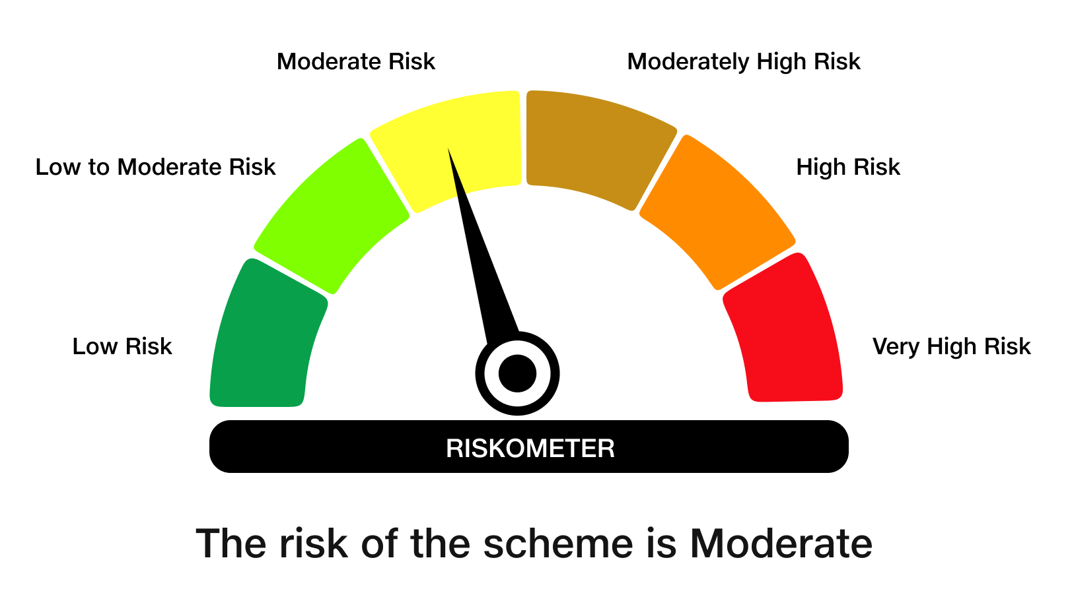

 | Benchmark Risk-O-Meter
 | Benchmark Name - NIFTY 8-13 yr G-Sec

JBN50

 | JioBlackRock Nifty 50 Index Fund
-
 | Monthly Portfolio Statement as on February 28, 2026
 | Name of the Instrument | ISIN | Industry Classification | Quantity | Market/Fair Value (Rs. in Lakhs) | % to Net Assets | Yield to Maturity
 | Equity & Equity related
 | (a) Listed / awaiting listing on Stock Exchanges
 | HDFC Bank Ltd | INE040A01034 | Banks | 272,961 | 2,423.21 | 11.81
 | ICICI Bank Ltd | INE090A01021 | Banks | 127,456 | 1,757.49 | 8.57
 | Reliance Industries Ltd | INE002A01018 | Petroleum Products | 120,484 | 1,679.43 | 8.19
 | Bharti Airtel Ltd | INE397D01024 | Telecom - Services | 49,722 | 934.43 | 4.55
 | Larsen & Toubro Ltd | INE018A01030 | Construction | 20,956 | 896.56 | 4.37
 | State Bank of India | INE062A01020 | Banks | 74,037 | 889.70 | 4.34
 | Infosys Ltd | INE009A01021 | IT - Software | 62,505 | 812.63 | 3.96
 | Axis Bank Ltd | INE238A01034 | Banks | 51,142 | 707.75 | 3.45
 | Kotak Mahindra Bank Ltd | INE237A01036 | Banks | 131,213 | 544.80 | 2.66
 | Mahindra & Mahindra Ltd | INE101A01026 | Automobiles | 15,929 | 541.17 | 2.64
 | ITC Ltd | INE154A01025 | Diversified FMCG | 171,964 | 539.28 | 2.63
 | Tata Consultancy Services Ltd | INE467B01029 | IT - Software | 18,222 | 480.59 | 2.34
 | Bajaj Finance Ltd | INE296A01032 | Finance | 47,378 | 471.84 | 2.30
 | Hindustan Unilever Ltd | INE030A01027 | Diversified FMCG | 15,836 | 370.26 | 1.80
 | Maruti Suzuki India Ltd | INE585B01010 | Automobiles | 2,342 | 347.95 | 1.70
 | Sun Pharmaceutical Industries Ltd | INE044A01036 | Pharmaceuticals & Biotechnology | 18,895 | 328.21 | 1.60
 | NTPC Ltd | INE733E01010 | Power | 84,598 | 323.08 | 1.57
 | Titan Co Ltd | INE280A01028 | Consumer Durables | 7,365 | 318.72 | 1.55
 | Eternal Ltd | INE758T01015 | Retailing | 128,206 | 315.77 | 1.54
 | Tata Steel Ltd | INE081A01020 | Ferrous Metals | 147,493 | 313.17 | 1.53
 | Bharat Electronics Ltd | INE263A01024 | Aerospace & Defense | 63,913 | 284.22 | 1.39
 | Shriram Finance Ltd | INE721A01047 | Finance | 24,991 | 269.75 | 1.31
 | Ultratech Cement Ltd | INE481G01011 | Cement & Cement Products | 2,115 | 268.12 | 1.31
 | HCL Technologies Ltd | INE860A01027 | IT - Software | 18,827 | 261.53 | 1.27
 | Power Grid Corporation of India Ltd | INE752E01010 | Power | 80,825 | 241.38 | 1.18
 | Hindalco Industries Ltd | INE038A01020 | Non - Ferrous Metals | 25,817 | 238.73 | 1.16
 | JSW Steel Ltd | INE019A01038 | Ferrous Metals | 16,764 | 212.01 | 1.03
 | Bajaj Finserv Ltd | INE918I01026 | Finance | 10,203 | 203.39 | 0.99
 | Adani Ports and Special Economic Zone Ltd | INE742F01042 | Transport Infrastructure | 13,164 | 200.22 | 0.98
 | Bajaj Auto Ltd | INE917I01010 | Automobiles | 1,978 | 197.26 | 0.96
 | Eicher Motors Ltd | INE066A01021 | Automobiles | 2,456 | 196.74 | 0.96
 | Interglobe Aviation Ltd | INE646L01027 | Transport Services | 4,034 | 194.73 | 0.95
 | Oil & Natural Gas Corporation Ltd | INE213A01029 | Oil | 69,316 | 193.88 | 0.94
 | Asian Paints Ltd | INE021A01026 | Consumer Durables | 8,069 | 191.74 | 0.93
 | Grasim Industries Ltd | INE047A01021 | Cement & Cement Products | 6,817 | 190.86 | 0.93
 | Coal India Ltd | INE522F01014 | Consumable Fuels | 40,517 | 174.49 | 0.85
 | Nestle India Ltd | INE239A01024 | Food Products | 12,794 | 165.26 | 0.81
 | SBI Life Insurance Co Ltd | INE123W01016 | Insurance | 8,010 | 163.18 | 0.80
 | Trent Ltd | INE849A01020 | Retailing | 3,959 | 154.38 | 0.75
 | Tech Mahindra Ltd | INE669C01036 | IT - Software | 11,328 | 153.81 | 0.75
 | Jio Financial Services Ltd | INE758E01017 | Finance | 58,495 | 149.40 | 0.73
 | Max Healthcare Institute Ltd | INE027H01010 | Healthcare Services | 13,270 | 144.90 | 0.71
 | Apollo Hospitals Enterprise Ltd | INE437A01024 | Healthcare Services | 1,837 | 143.68 | 0.70
 | Tata Motors Passenger Vehicles Ltd | INE155A01022 | Automobiles | 37,313 | 142.78 | 0.70
 | Dr. Reddy's Laboratories Ltd | INE089A01031 | Pharmaceuticals & Biotechnology | 10,874 | 139.87 | 0.68
 | HDFC Life Insurance Co Ltd | INE795G01014 | Insurance | 19,178 | 137.18 | 0.67
 | Cipla Ltd | INE059A01026 | Pharmaceuticals & Biotechnology | 10,040 | 135.36 | 0.66
 | Tata Consumer Products Ltd | INE192A01025 | Agricultural Food & Other Products | 11,619 | 132.57 | 0.65
 | Wipro Ltd | INE075A01022 | IT - Software | 50,949 | 102.39 | 0.50
 | Adani Enterprises Ltd | INE423A01024 | Metals & Minerals Trading | 4,648 | 100.48 | 0.49
 | Sub Total |  |  |  | 20,480.32 | 99.82
 | (b) Unlisted |  |  |  | NIL | NIL
 | Sub Total |  |  |  | NIL | NIL
 | Total |  |  |  | 20,480.32 | 99.82
 | TREPS |  |  |  | 136.53 | 0.67 | 4.93%

 | Net Receivables / (Payables) |  |  |  | (99.43) | (0.48)
 | Grand Total |  |  |  | 20,517.42 | 100.00

 | Scheme Risk-O-Meter



 | Benchmark Risk-O-Meter
 | Benchmark Name - NIFTY 50 Index (TRI)

