JBMMF

 | JioBlackRock Money Market Fund
-
 | Monthly Portfolio Statement as on March 31, 2026
 | Name of the Instrument | ISIN | Rating | Quantity | Market/Fair Value (Rs. in Lakhs) | % to Net Assets | Yield to Maturity | Yield to Call ^
 | Money Market Instruments
 | Certificate of Deposit
 | Union Bank of India (16-Mar-2027) ** | INE692A16LS3 | ICRA A1+ | 4,300 | 20,101.70 | 5.89 | 7.28%
 | Small Industries Development Bank of India (26-Feb-2027) ** | INE556F16CC2 | CARE A1+ | 4,000 | 18,766.18 | 5.50 | 7.25%
 | Bank of Baroda (05-Mar-2027) ** | INE028A16LR2 | CRISIL A1+ | 4,000 | 18,737.68 | 5.49 | 7.28%
 | National Bank For Agriculture & Rural Development (17-Mar-2027) ** | INE261F16AP5 | ICRA A1+ | 4,000 | 18,699.96 | 5.48 | 7.25%
 | Axis Bank Ltd (17-Dec-2026) ** | INE238AD6CB1 | CRISIL A1+ | 3,000 | 14,258.55 | 4.18 | 7.30%
 | Small Industries Development Bank of India (25-Mar-2027) | INE556F16CD0 | CRISIL A1+ | 3,000 | 14,010.59 | 4.11 | 7.20%
 | Canara Bank (25-Mar-2027) ** | INE476A16I26 | ICRA A1+ | 2,700 | 12,600.87 | 3.69 | 7.28%
 | Axis Bank Ltd (14-Jan-2027) ** | INE238AD6BW9 | CRISIL A1+ | 2,000 | 9,458.37 | 2.77 | 7.26%
 | HDFC Bank Ltd (15-Feb-2027) ** | INE040A16JC3 | CRISIL A1+ | 2,000 | 9,393.47 | 2.75 | 7.37%
 | HDFC Bank Ltd (05-Mar-2027) ** | INE040A16IU7 | CRISIL A1+ | 2,000 | 9,364.78 | 2.75 | 7.33%
 | Bank of Baroda (08-Mar-2027) ** | INE028A16LS0 | CARE A1+ | 2,000 | 9,363.59 | 2.75 | 7.28%
 | Punjab National Bank (09-Mar-2027) ** | INE160A16UQ6 | CRISIL A1+ | 2,000 | 9,361.85 | 2.74 | 7.28%
 | Canara Bank (11-Mar-2027) ** | INE476A16H84 | ICRA A1+ | 2,000 | 9,358.35 | 2.74 | 7.28%
 | Canara Bank (12-Mar-2027) ** | INE476A16H92 | ICRA A1+ | 2,000 | 9,356.61 | 2.74 | 7.28%
 | HDFC Bank Ltd (12-Mar-2027) | INE040A16IZ6 | CRISIL A1+ | 2,000 | 9,352.88 | 2.74 | 7.32%
 | Union Bank of India (15-Mar-2027) ** | INE692A16LP9 | CRISIL A1+ | 2,000 | 9,351.38 | 2.74 | 7.28%
 | Federal Bank Ltd (12-Mar-2027) ** | INE171A16NM7 | CRISIL A1+ | 2,000 | 9,350.41 | 2.74 | 7.35%
 | National Bank For Agriculture & Rural Development (02-Mar-2027) ** | INE261F16AM2 | CRISIL A1+ | 1,500 | 7,032.08 | 2.06 | 7.25%
 | National Bank For Agriculture & Rural Development (04-Feb-2027) ** | INE261F16AJ8 | CRISIL A1+ | 1,000 | 4,710.87 | 1.38 | 7.25%
 | Bank of Baroda (03-Feb-2027) | INE028A16LE0 | CARE A1+ | 1,000 | 4,709.87 | 1.38 | 7.30%
 | HDFC Bank Ltd (24-Feb-2027) ** | INE040A16IO0 | CARE A1+ | 1,000 | 4,688.74 | 1.37 | 7.37%
 | Canara Bank (04-Mar-2027) ** | INE476A16H43 | CRISIL A1+ | 1,000 | 4,685.30 | 1.37 | 7.28%
 | Punjab National Bank (04-Mar-2027) ** | INE160A16UM5 | CRISIL A1+ | 1,000 | 4,685.30 | 1.37 | 7.28%
 | Sub Total |  |  |  | 241,399.36 | 70.78
 | Commercial Paper
 | LIC Housing Finance Ltd (23-Feb-2027) ** | INE115A14FR4 | CRISIL A1+ | 2,000 | 9,377.27 | 2.75 | 7.39%
 | Cholamandalam Investment and Finance Co Ltd (04-Feb-2027) ** | INE121A14YI2 | CRISIL A1+ | 1,000 | 4,688.43 | 1.37 | 7.85%
 | Aditya Birla Housing Finance Ltd (09-Mar-2027) ** | INE831R14GA4 | CRISIL A1+ | 1,000 | 4,675.39 | 1.37 | 7.41%
 | Larsen & Toubro Ltd (19-Mar-2027) ** | INE498L14FQ3 | CRISIL A1+ | 1,000 | 4,657.10 | 1.37 | 7.64%
 | Sub Total |  |  |  | 23,398.18 | 6.86
 | Treasury Bill
 | 364 DTB (03-DEC-2026) | IN002025Z369 | SOVEREIGN | 5,000,000 | 4,820.37 | 1.41 | 5.53%
 | 364 DTB (10-DEC-2026) | IN002025Z377 | SOVEREIGN | 2,500,000 | 2,407.72 | 0.71 | 5.53%
 | 364 DTB (19-FEB-2027) | IN002025Z468 | SOVEREIGN | 2,500,000 | 2,380.61 | 0.70 | 5.65%
 | Sub Total |  |  |  | 9,608.69 | 2.82
 | Total |  |  |  | 274,406.22 | 80.46
 | Government Securities
 | 5.63% GOI 2026 (12-APR-2026) | IN0020210012 | SOVEREIGN | 28,500,000 | 28,502.82 | 8.36 | 5.24%
 | Total |  |  |  | 28,502.82 | 8.36
 | Alternative Investment Fund
 | Corporate Debt Market Development Fund Class A2 | INF0RQ622028 |  | 6,542 | 764.99 | 0.22
 | Sub Total |  |  |  | 764.99 | 0.22

 | TREPS |  |  |  | 41,492.95 | 12.17 | 6.16%

 | Net Receivables / (Payables) |  |  |  | (4,106.88) | (1.20)
 | Grand Total |  |  |  | 341,060.10 | 100.00

 | ** Non Traded Security
 | ^ It is disclosed for Perpetual Bond issued by Banks (i.e. AT-1 Bond / Tier 1 Bond / Tier 2 Bond), as per AMFI Best Practices Guidelines Circular no. 91/2020-21 dated March 24, 2021 on Valuation of AT-1 Bonds and Tier 2 Bonds. As per SEBI Circular SEBI/HO/IMD/PoD1/CIR/P/2024/106 dated August 05, 2024, valuation of AT-1 Bonds are done on Yield to Call basis w.e.f. August 07, 2024. YTC of AT-1 Bonds are now same as it’s YTM% and hence it is not disclosed separately under YTC%.

 | Aggregate Investments by other schemes (at NAV) as on March 31, 2026, is Rs.2,538.05 Lakh's.

 | Scheme Risk-O-Meter



 | Benchmark Risk-O-Meter
 | Benchmark Name - NIFTY Money Market Index A-I

JBOF

 | JioBlackRock Overnight Fund
-
 | Monthly Portfolio Statement as on March 31, 2026
 | Name of the Instrument | ISIN | Rating | Quantity | Market/Fair Value (Rs. in Lakhs) | % to Net Assets | Yield to Maturity | Yield to Call ^
 | Money Market Instruments
 | Treasury Bill
 | 182 DTB (16-APR-2026) | IN002025Y297 | SOVEREIGN | 2,000,000 | 1,995.65 | 3.09 | 5.30%
 | 91 DTB (23-APR-2026) | IN002025X422 | SOVEREIGN | 1,500,000 | 1,495.22 | 2.31 | 5.30%
 | 364 DTB (10-APR-2026) | IN002025Z021 | SOVEREIGN | 1,000,000 | 998.69 | 1.55 | 5.33%
 | Sub Total |  |  |  | 4,489.56 | 6.95
 | Total |  |  |  | 4,489.56 | 6.95

 | TREPS |  |  |  | 783.81 | 1.21 | 6.16%

 | Reverse Repo
 | Reverse Repo (02-Apr-2026) |  |  |  | 8,616.11 | 13.33 | 8.00%
 | Reverse Repo (02-Apr-2026) |  |  |  | 8,297.58 | 12.84 | 8.00%
 | Reverse Repo (02-Apr-2026) |  |  |  | 6,922.41 | 10.71 | 8.00%
 | Reverse Repo (02-Apr-2026) |  |  |  | 5,399.62 | 8.36 | 8.00%
 | Reverse Repo (02-Apr-2026) |  |  |  | 5,060.33 | 7.83 | 6.80%
 | Reverse Repo (02-Apr-2026) |  |  |  | 4,709.56 | 7.29 | 6.80%
 | Reverse Repo (02-Apr-2026) |  |  |  | 4,399.40 | 6.81 | 8.00%
 | Reverse Repo (02-Apr-2026) |  |  |  | 3,899.84 | 6.04 | 8.00%
 | Reverse Repo (02-Apr-2026) |  |  |  | 2,399.98 | 3.71 | 8.00%
 | Reverse Repo (02-Apr-2026) |  |  |  | 2,349.65 | 3.64 | 6.80%
 | Reverse Repo (02-Apr-2026) |  |  |  | 2,073.72 | 3.21 | 7.75%
 | Reverse Repo (02-Apr-2026) |  |  |  | 1,473.02 | 2.28 | 8.00%
 | Reverse Repo (02-Apr-2026) |  |  |  | 1,464.31 | 2.27 | 8.00%
 | Reverse Repo (02-Apr-2026) |  |  |  | 1,399.53 | 2.17 | 7.00%
 | Reverse Repo (02-Apr-2026) |  |  |  | 505.50 | 0.78 | 7.75%
 | Reverse Repo (02-Apr-2026) |  |  |  | 302.79 | 0.47 | 7.90%
 | Total |  |  |  | 59,273.35 | 91.74

 | Net Receivables / (Payables) |  |  |  | 66.88 | 0.10
 | Grand Total |  |  |  | 64,613.60 | 100.00

 | ^ It is disclosed for Perpetual Bond issued by Banks (i.e. AT-1 Bond / Tier 1 Bond / Tier 2 Bond), as per AMFI Best Practices Guidelines Circular no. 91/2020-21 dated March 24, 2021 on Valuation of AT-1 Bonds and Tier 2 Bonds. As per SEBI Circular SEBI/HO/IMD/PoD1/CIR/P/2024/106 dated August 05, 2024, valuation of AT-1 Bonds are done on Yield to Call basis w.e.f. August 07, 2024. YTC of AT-1 Bonds are now same as it’s YTM% and hence it is not disclosed separately under YTC%.

 | Scheme Risk-O-Meter



 | Benchmark Risk-O-Meter
 | Benchmark Name - NIFTY 1D Rate Index

JBN8-13
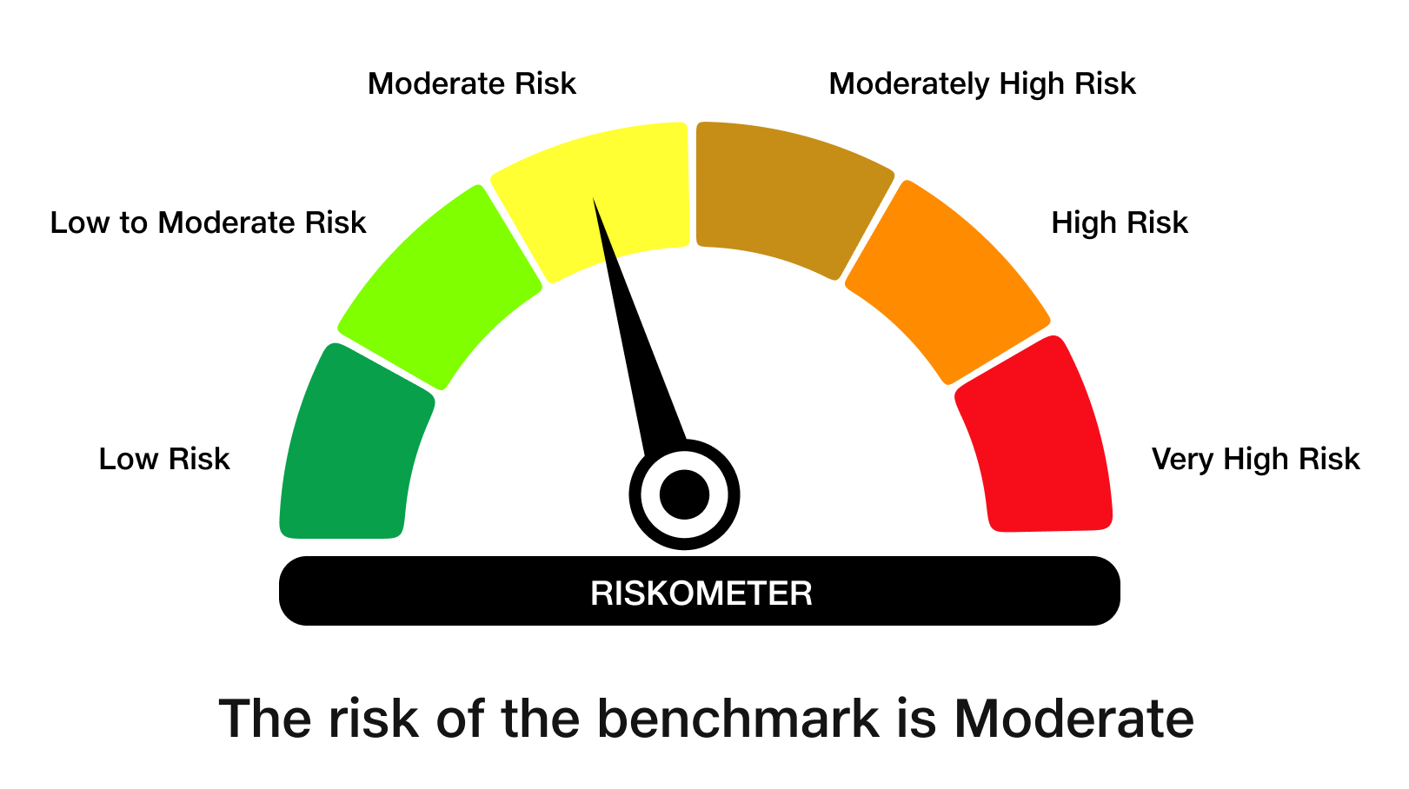
 | JioBlackRock Nifty 8-13 yr G-Sec Index Fund
-
 | Monthly Portfolio Statement as on March 31, 2026
 | Name of the Instrument | ISIN | Rating | Quantity | Market/Fair Value (Rs. in Lakhs) | % to Net Assets | Yield to Maturity | Yield to Call ^
 | Government Securities
 | 6.48% GOI 2035 (06-OCT-2035) | IN0020250091 | SOVEREIGN | 1,698,100 | 1,635.25 | 56.62 | 7.14%
 | 6.33% GOI 2035 (05-MAY-2035) | IN0020250026 | SOVEREIGN | 611,000 | 586.92 | 20.32 | 7.04%
 | 6.79% GOI 2034 (07-OCT-2034) | IN0020240126 | SOVEREIGN | 578,200 | 568.19 | 19.67 | 7.19%
 | Total |  |  |  | 2,790.36 | 96.62

 | TREPS |  |  |  | 18.86 | 0.65 | 6.16%

 | Net Receivables / (Payables) |  |  |  | 78.82 | 2.73
 | Grand Total |  |  |  | 2,888.03 | 100.00

 | ^ It is disclosed for Perpetual Bond issued by Banks (i.e. AT-1 Bond / Tier 1 Bond / Tier 2 Bond), as per AMFI Best Practices Guidelines Circular no. 91/2020-21 dated March 24, 2021 on Valuation of AT-1 Bonds and Tier 2 Bonds. As per SEBI Circular SEBI/HO/IMD/PoD1/CIR/P/2024/106 dated August 05, 2024, valuation of AT-1 Bonds are done on Yield to Call basis w.e.f. August 07, 2024. YTC of AT-1 Bonds are now same as it’s YTM% and hence it is not disclosed separately under YTC%.

 | Debt Index Replication Factor (DIRF) : 96.62%

 | Scheme Risk-O-Meter

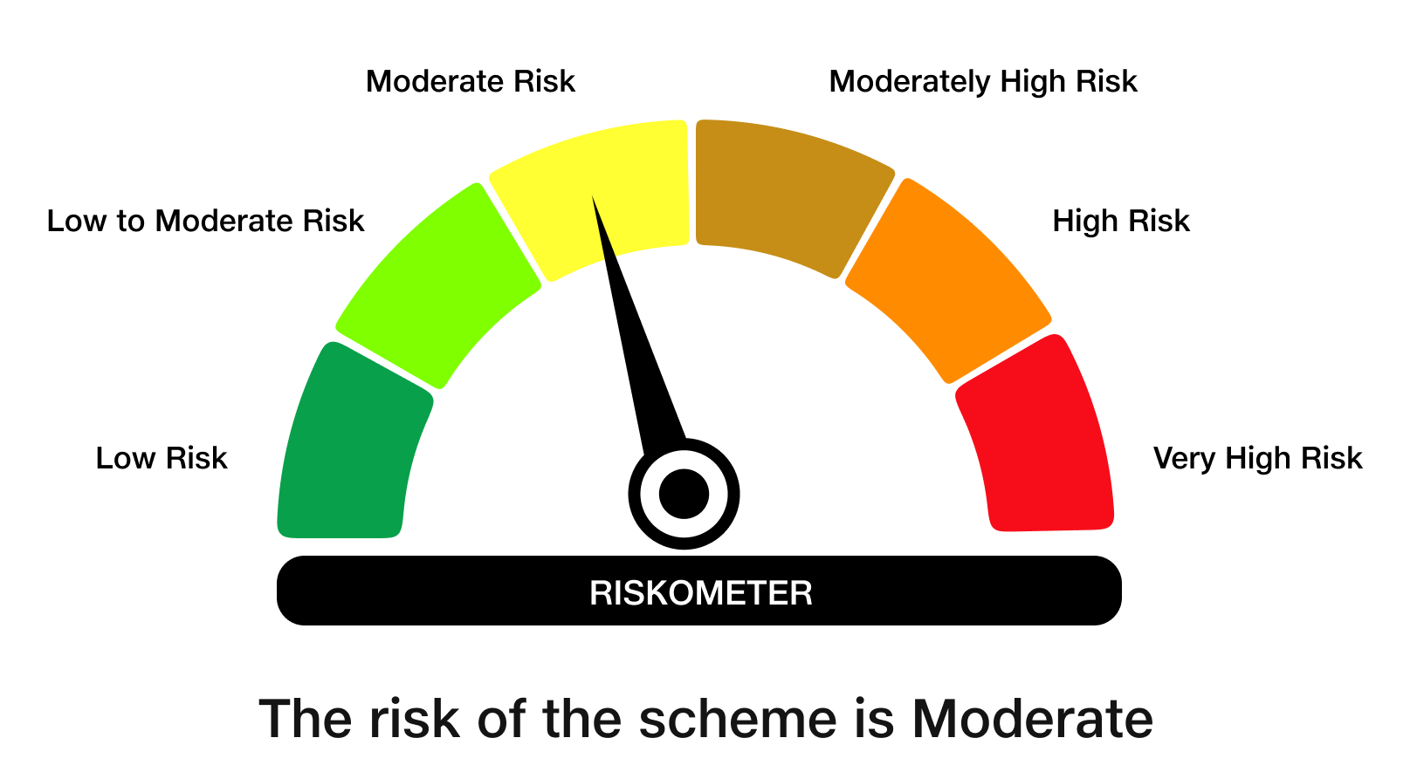

 | Benchmark Risk-O-Meter
 | Benchmark Name - NIFTY 8-13 yr G-Sec

JBSHORT
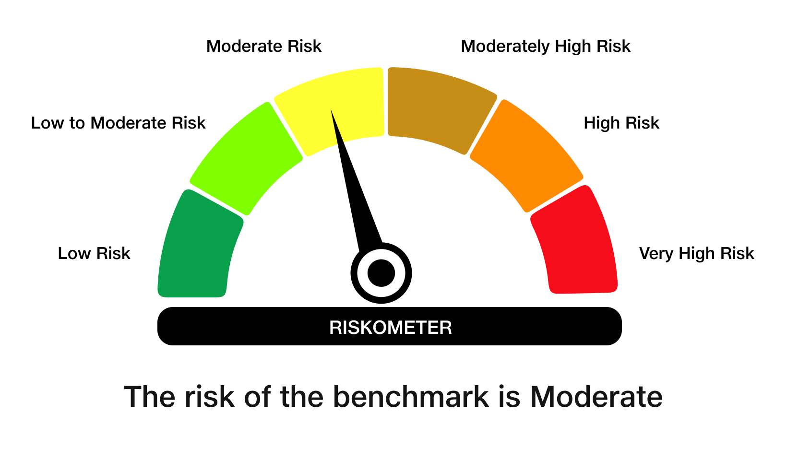
 | JioBlackRock Short Duration Fund
-
 | Monthly Portfolio Statement as on March 31, 2026
 | Name of the Instrument | ISIN | Rating | Quantity | Market/Fair Value (Rs. in Lakhs) | % to Net Assets | Yield to Maturity | Yield to Call ^
 | Debt Instruments
 | (a) Listed / awaiting listing on Stock Exchanges
 | 7.64% REC Ltd (30-Apr-2027) ** | INE020B08EX7 | CRISIL AAA | 2,500 | 2,503.75 | 7.86 | 7.47%
 | 7.74% LIC Housing Finance Ltd (22-Oct-2027) | INE115A07QZ8 | CRISIL AAA | 2,500 | 2,502.87 | 7.86 | 7.61%
 | 7.5% NHPC Ltd (07-Oct-2028) ** | INE848E07AR7 | ICRA AAA | 1,250 | 2,501.66 | 7.86 | 7.44%
 | 7.5% Indian Railway Finance Corporation Ltd (07-Sep-2029) ** | INE053F07BW9 | CRISIL AAA | 250 | 2,499.91 | 7.85 | 7.52%
 | 7.22% Small Industries Development Bank Of India (10-Apr-2029) | INE556F08LC0 | CRISIL AAA | 2,500 | 2,479.17 | 7.79 | 7.54%
 | 6.92% Power Finance Corporation Ltd (16-Feb-2028) | INE134E08OA7 | CRISIL AAA | 2,500 | 2,477.16 | 7.78 | 7.44%
 | 7.01% National Bank For Agriculture & Rural Development (16-Mar-2029) | INE261F08ES8 | CRISIL AAA | 2,500 | 2,465.76 | 7.74 | 7.54%
 | Sub Total |  |  |  | 17,430.27 | 54.75
 | (b) Privately Placed / Unlisted
 | Sub Total |  |  |  | Nil | Nil
 | Total |  |  |  | 17,430.27 | 54.75
 | Money Market Instruments
 | Certificate of Deposit
 | Union Bank of India (16-Mar-2027) ** | INE692A16LS3 | ICRA A1+ | 700 | 3,272.37 | 10.28 | 7.28%
 | Canara Bank (12-Mar-2027) ** | INE476A16H92 | ICRA A1+ | 500 | 2,339.15 | 7.35 | 7.28%
 | HDFC Bank Ltd (12-Mar-2027) | INE040A16IZ6 | CRISIL A1+ | 500 | 2,338.22 | 7.34 | 7.32%
 | Canara Bank (25-Mar-2027) ** | INE476A16I26 | ICRA A1+ | 300 | 1,400.10 | 4.40 | 7.28%
 | Sub Total |  |  |  | 9,349.84 | 29.37
 | Total |  |  |  | 9,349.84 | 29.37
 | Government Securities
 | 5.63% GOI 2026 (12-APR-2026) | IN0020210012 | SOVEREIGN | 500,000 | 500.05 | 1.57 | 5.24%
 | Total |  |  |  | 500.05 | 1.57

 | TREPS |  |  |  | 6,568.98 | 20.63 | 6.16%

 | Net Receivables / (Payables) |  |  |  | (2,012.06) | (6.32)
 | Grand Total |  |  |  | 31,837.08 | 100.00

 | ** Non Traded Security
 | ^ It is disclosed for Perpetual Bond issued by Banks (i.e. AT-1 Bond / Tier 1 Bond / Tier 2 Bond), as per AMFI Best Practices Guidelines Circular no. 91/2020-21 dated March 24, 2021 on Valuation of AT-1 Bonds and Tier 2 Bonds. As per SEBI Circular SEBI/HO/IMD/PoD1/CIR/P/2024/106 dated August 05, 2024, valuation of AT-1 Bonds are done on Yield to Call basis w.e.f. August 07, 2024. YTC of AT-1 Bonds are now same as it’s YTM% and hence it is not disclosed separately under YTC%.

 | Scheme Risk-O-Meter

 | Benchmark Risk-O-Meter
 | Benchmark Name - NIFTY Short Duration Debt Index A-II

JBN50

 | JioBlackRock Nifty 50 Index Fund
-
 | Monthly Portfolio Statement as on March 31, 2026
 | Name of the Instrument | ISIN | Industry Classification | Quantity | Market/Fair Value (Rs. in Lakhs) | % to Net Assets | Yield to Maturity
 | Equity & Equity related
 | (a) Listed / awaiting listing on Stock Exchanges
 | HDFC Bank Ltd | INE040A01034 | Banks | 326,991 | 2,392.10 | 10.93
 | Reliance Industries Ltd | INE002A01018 | Petroleum Products | 144,312 | 1,939.41 | 8.86
 | ICICI Bank Ltd | INE090A01021 | Banks | 152,748 | 1,841.99 | 8.42
 | Bharti Airtel Ltd | INE397D01024 | Telecom - Services | 65,580 | 1,168.90 | 5.34
 | Infosys Ltd | INE009A01021 | IT - Software | 74,911 | 936.84 | 4.28
 | Larsen & Toubro Ltd | INE018A01030 | Construction | 25,086 | 879.04 | 4.02
 | State Bank of India | INE062A01020 | Banks | 88,662 | 868.36 | 3.97
 | Axis Bank Ltd | INE238A01034 | Banks | 61,303 | 711.91 | 3.25
 | ITC Ltd | INE154A01025 | Diversified FMCG | 205,931 | 592.46 | 2.71
 | Mahindra & Mahindra Ltd | INE101A01026 | Automobiles | 19,092 | 564.11 | 2.58
 | Kotak Mahindra Bank Ltd | INE237A01036 | Banks | 157,295 | 555.88 | 2.54
 | Tata Consultancy Services Ltd | INE467B01029 | IT - Software | 21,818 | 514.66 | 2.35
 | Bajaj Finance Ltd | INE296A01032 | Finance | 57,157 | 458.14 | 2.09
 | Sun Pharmaceutical Industries Ltd | INE044A01036 | Pharmaceuticals & Biotechnology | 22,622 | 397.51 | 1.82
 | Hindustan Unilever Ltd | INE030A01027 | Diversified FMCG | 18,960 | 389.67 | 1.78
 | NTPC Ltd | INE733E01010 | Power | 101,292 | 375.44 | 1.72
 | Eternal Ltd | INE758T01015 | Retailing | 153,905 | 352.41 | 1.61
 | Titan Co Ltd | INE280A01028 | Consumer Durables | 8,816 | 348.36 | 1.59
 | Maruti Suzuki India Ltd | INE585B01010 | Automobiles | 2,804 | 345.06 | 1.58
 | Tata Steel Ltd | INE081A01020 | Ferrous Metals | 176,595 | 338.82 | 1.55
 | Bharat Electronics Ltd | INE263A01024 | Aerospace & Defense | 76,526 | 306.60 | 1.40
 | HCL Technologies Ltd | INE860A01027 | IT - Software | 22,546 | 302.48 | 1.38
 | Power Grid Corporation of India Ltd | INE752E01010 | Power | 96,767 | 286.53 | 1.31
 | Hindalco Industries Ltd | INE038A01020 | Non - Ferrous Metals | 30,926 | 273.53 | 1.25
 | Ultratech Cement Ltd | INE481G01011 | Cement & Cement Products | 2,530 | 271.85 | 1.24
 | Shriram Finance Ltd | INE721A01047 | Finance | 29,919 | 260.92 | 1.19
 | Oil & Natural Gas Corporation Ltd | INE213A01029 | Oil | 82,997 | 236.25 | 1.08
 | JSW Steel Ltd | INE019A01038 | Ferrous Metals | 20,032 | 224.86 | 1.03
 | Coal India Ltd | INE522F01014 | Consumable Fuels | 48,509 | 218.51 | 1.00
 | Asian Paints Ltd | INE021A01026 | Consumer Durables | 9,660 | 209.16 | 0.96
 | Grasim Industries Ltd | INE047A01021 | Cement & Cement Products | 8,134 | 208.04 | 0.95
 | Bajaj Auto Ltd | INE917I01010 | Automobiles | 2,367 | 207.86 | 0.95
 | Adani Ports and Special Economic Zone Ltd | INE742F01042 | Transport Infrastructure | 15,762 | 206.89 | 0.95
 | Bajaj Finserv Ltd | INE918I01026 | Finance | 12,332 | 201.23 | 0.92
 | Eicher Motors Ltd | INE066A01021 | Automobiles | 2,940 | 193.63 | 0.88
 | Interglobe Aviation Ltd | INE646L01027 | Transport Services | 4,833 | 190.59 | 0.87
 | Tech Mahindra Ltd | INE669C01036 | IT - Software | 13,564 | 187.73 | 0.86
 | Nestle India Ltd | INE239A01024 | Food Products | 15,319 | 179.97 | 0.82
 | SBI Life Insurance Co Ltd | INE123W01016 | Insurance | 9,596 | 170.55 | 0.78
 | Dr. Reddy's Laboratories Ltd | INE089A01031 | Pharmaceuticals & Biotechnology | 13,020 | 163.39 | 0.75
 | Apollo Hospitals Enterprise Ltd | INE437A01024 | Healthcare Services | 2,199 | 163.14 | 0.75
 | Jio Financial Services Ltd | INE758E01017 | Finance | 70,071 | 157.03 | 0.72
 | Trent Ltd | INE849A01020 | Retailing | 4,741 | 156.25 | 0.71
 | Max Healthcare Institute Ltd | INE027H01010 | Healthcare Services | 15,898 | 152.99 | 0.70
 | Cipla Ltd | INE059A01026 | Pharmaceuticals & Biotechnology | 12,020 | 147.15 | 0.67
 | Tata Consumer Products Ltd | INE192A01025 | Agricultural Food & Other Products | 13,912 | 141.18 | 0.65
 | HDFC Life Insurance Co Ltd | INE795G01014 | Insurance | 22,976 | 135.70 | 0.62
 | Tata Motors Passenger Vehicles Ltd | INE155A01022 | Automobiles | 44,747 | 132.54 | 0.61
 | Wipro Ltd | INE075A01022 | IT - Software | 61,058 | 114.57 | 0.52
 | Adani Enterprises Ltd | INE423A01024 | Metals & Minerals Trading | 5,564 | 97.86 | 0.45
 | Sub Total |  |  |  | 21,870.03 | 99.93
 | (b) Unlisted |  |  |  | NIL | NIL
 | Sub Total |  |  |  | NIL | NIL
 | Total |  |  |  | 21,870.03 | 99.93
 | TREPS |  |  |  | 254.53 | 1.16 | 6.16%

 | Net Receivables / (Payables) |  |  |  | (238.79) | (1.09)
 | Grand Total |  |  |  | 21,885.77 | 100.00

 | Scheme Risk-O-Meter



 | Benchmark Risk-O-Meter
 | Benchmark Name - NIFTY 50 Index (TRI)

