JBSHORT
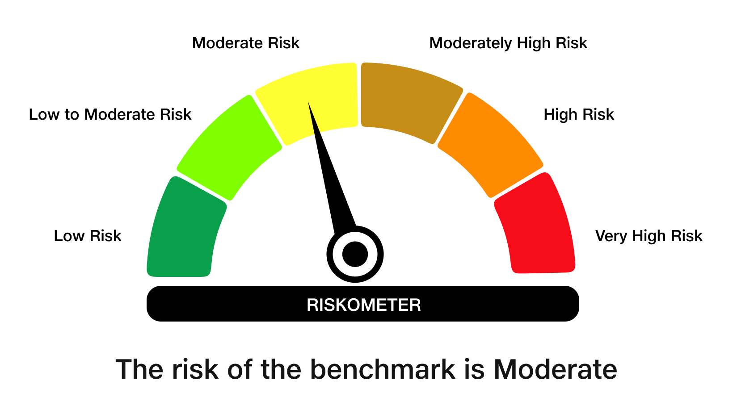
 | JioBlackRock Short Duration Fund
-
 | Monthly Portfolio Statement as on March 31, 2026
 | Name of the Instrument | ISIN | Rating | Quantity | Market/Fair Value (Rs. in Lakhs) | % to Net Assets | Yield to Maturity | Yield to Call ^
 | Debt Instruments
 | (a) Listed / awaiting listing on Stock Exchanges
 | 7.64% REC Ltd (30-Apr-2027) ** | INE020B08EX7 | CRISIL AAA | 2,500 | 2,503.75 | 7.86 | 7.47%
 | 7.74% LIC Housing Finance Ltd (22-Oct-2027) | INE115A07QZ8 | CRISIL AAA | 2,500 | 2,502.87 | 7.86 | 7.61%
 | 7.5% NHPC Ltd (07-Oct-2028) ** | INE848E07AR7 | ICRA AAA | 1,250 | 2,501.66 | 7.86 | 7.44%
 | 7.5% Indian Railway Finance Corporation Ltd (07-Sep-2029) ** | INE053F07BW9 | CRISIL AAA | 250 | 2,499.91 | 7.85 | 7.52%
 | 7.22% Small Industries Development Bank Of India (10-Apr-2029) | INE556F08LC0 | CRISIL AAA | 2,500 | 2,479.17 | 7.79 | 7.54%
 | 6.92% Power Finance Corporation Ltd (16-Feb-2028) | INE134E08OA7 | CRISIL AAA | 2,500 | 2,477.16 | 7.78 | 7.44%
 | 7.01% National Bank For Agriculture & Rural Development (16-Mar-2029) | INE261F08ES8 | CRISIL AAA | 2,500 | 2,465.76 | 7.74 | 7.54%
 | Sub Total |  |  |  | 17,430.27 | 54.75
 | (b) Privately Placed / Unlisted
 | Sub Total |  |  |  | Nil | Nil
 | Total |  |  |  | 17,430.27 | 54.75
 | Money Market Instruments
 | Certificate of Deposit
 | Union Bank of India (16-Mar-2027) ** | INE692A16LS3 | ICRA A1+ | 700 | 3,272.37 | 10.28 | 7.28%
 | Canara Bank (12-Mar-2027) ** | INE476A16H92 | ICRA A1+ | 500 | 2,339.15 | 7.35 | 7.28%
 | HDFC Bank Ltd (12-Mar-2027) | INE040A16IZ6 | CRISIL A1+ | 500 | 2,338.22 | 7.34 | 7.32%
 | Canara Bank (25-Mar-2027) ** | INE476A16I26 | ICRA A1+ | 300 | 1,400.10 | 4.40 | 7.28%
 | Sub Total |  |  |  | 9,349.84 | 29.37
 | Total |  |  |  | 9,349.84 | 29.37
 | Government Securities
 | 5.63% GOI 2026 (12-APR-2026) | IN0020210012 | SOVEREIGN | 500,000 | 500.05 | 1.57 | 5.24%
 | Total |  |  |  | 500.05 | 1.57

 | TREPS |  |  |  | 6,568.98 | 20.63 | 6.16%

 | Net Receivables / (Payables) |  |  |  | (2,012.06) | (6.32)
 | Grand Total |  |  |  | 31,837.08 | 100.00

 | ** Non Traded Security
 | ^ It is disclosed for Perpetual Bond issued by Banks (i.e. AT-1 Bond / Tier 1 Bond / Tier 2 Bond), as per AMFI Best Practices Guidelines Circular no. 91/2020-21 dated March 24, 2021 on Valuation of AT-1 Bonds and Tier 2 Bonds. As per SEBI Circular SEBI/HO/IMD/PoD1/CIR/P/2024/106 dated August 05, 2024, valuation of AT-1 Bonds are done on Yield to Call basis w.e.f. August 07, 2024. YTC of AT-1 Bonds are now same as it’s YTM% and hence it is not disclosed separately under YTC%.

 | Scheme Risk-O-Meter



 | Benchmark Risk-O-Meter
 | Benchmark Name - NIFTY Short Duration Debt Index A-II

