JBLARGE

 | JioBlackRock Large Cap Fund
-
 | Monthly Portfolio Statement as on April 30, 2026
 | Name of the Instrument | ISIN | Industry Classification | Quantity | Market/Fair Value (Rs. in Lakhs) | % to Net Assets | Yield to Maturity
 | Equity & Equity related
 | (a) Listed / awaiting listing on Stock Exchanges
 | HDFC Bank Ltd | INE040A01034 | Banks | 40,210 | 310.30 | 9.18
 | ICICI Bank Ltd | INE090A01021 | Banks | 21,116 | 266.78 | 7.89
 | Bharti Airtel Ltd | INE397D01024 | Telecom - Services | 11,482 | 216.64 | 6.41
 | State Bank of India | INE062A01020 | Banks | 17,669 | 188.78 | 5.59
 | Mahindra & Mahindra Ltd | INE101A01026 | Automobiles | 4,759 | 147.41 | 4.36
 | Larsen & Toubro Ltd | INE018A01030 | Construction | 3,556 | 142.74 | 4.22
 | Reliance Industries Ltd | INE002A01018 | Petroleum Products | 9,425 | 134.85 | 3.99
 | NTPC Ltd | INE733E01010 | Power | 30,950 | 123.54 | 3.66
 | Infosys Ltd | INE009A01021 | IT - Software | 10,164 | 120.12 | 3.55
 | Britannia Industries Ltd | INE216A01030 | Food Products | 1,877 | 107.48 | 3.18
 | Indian Oil Corporation Ltd | INE242A01010 | Petroleum Products | 70,827 | 100.75 | 2.98
 | Escorts Kubota Ltd | INE042A01014 | Agricultural, Commercial & Construction Vehicles | 2,946 | 95.50 | 2.83
 | ITC Ltd | INE154A01025 | Diversified FMCG | 28,086 | 88.44 | 2.62
 | Tata Steel Ltd | INE081A01020 | Ferrous Metals | 40,152 | 84.87 | 2.51
 | Apollo Tyres Ltd | INE438A01022 | Auto Components | 20,682 | 84.47 | 2.50
 | Interglobe Aviation Ltd | INE646L01027 | Transport Services | 1,718 | 73.79 | 2.18
 | Nestle India Ltd | INE239A01024 | Food Products | 4,739 | 69.12 | 2.05
 | Tata Consultancy Services Ltd | INE467B01029 | IT - Software | 2,603 | 64.40 | 1.91
 | Axis Bank Ltd | INE238A01034 | Banks | 4,766 | 60.45 | 1.79
 | Multi Commodity Exchange Of India Ltd | INE745G01043 | Capital Markets | 2,014 | 59.85 | 1.77
 | Kotak Mahindra Bank Ltd | INE237A01036 | Banks | 14,276 | 54.72 | 1.62
 | Eternal Ltd | INE758T01015 | Retailing | 20,528 | 50.71 | 1.50
 | Titan Co Ltd | INE280A01028 | Consumer Durables | 1,147 | 50.30 | 1.49
 | ICICI Prudential Asset Management Co Ltd | INE346A01027 | Capital Markets | 1,411 | 46.42 | 1.37
 | Federal Bank Ltd | INE171A01029 | Banks | 15,710 | 45.08 | 1.33
 | Sun Pharmaceutical Industries Ltd | INE044A01036 | Pharmaceuticals & Biotechnology | 2,307 | 41.72 | 1.23
 | Oil & Natural Gas Corporation Ltd | INE213A01029 | Oil | 13,350 | 39.99 | 1.18
 | SBI Life Insurance Co Ltd | INE123W01016 | Insurance | 1,951 | 35.49 | 1.05
 | Samvardhana Motherson International Ltd | INE775A01035 | Auto Components | 26,956 | 32.67 | 0.97
 | Lenskart Solutions Ltd | INE956O01016 | Retailing | 6,074 | 31.34 | 0.93
 | Tech Mahindra Ltd | INE669C01036 | IT - Software | 2,063 | 30.40 | 0.90
 | Vedanta Ltd | INE205A01025 | Diversified Metals | 10,447 | 28.37 | 0.84
 | Life Insurance Corporation Of India | INE0J1Y01017 | Insurance | 3,431 | 27.38 | 0.81
 | Hero MotoCorp Ltd | INE158A01026 | Automobiles | 527 | 26.87 | 0.80
 | Yes Bank Ltd | INE528G01035 | Banks | 122,149 | 24.34 | 0.72
 | Max Financial Services Ltd | INE180A01020 | Insurance | 1,420 | 22.52 | 0.67
 | JSW Steel Ltd | INE019A01038 | Ferrous Metals | 1,654 | 20.91 | 0.62
 | Ultratech Cement Ltd | INE481G01011 | Cement & Cement Products | 169 | 19.58 | 0.58
 | Billionbrains Garage Ventures Ltd | INE0HOQ01053 | Capital Markets | 7,086 | 15.23 | 0.45
 | IPCA Laboratories Ltd | INE571A01038 | Pharmaceuticals & Biotechnology | 885 | 13.55 | 0.40
 | Bharat Petroleum Corporation Ltd | INE029A01011 | Petroleum Products | 4,478 | 13.45 | 0.40
 | United Spirits Ltd | INE854D01024 | Beverages | 955 | 12.66 | 0.37
 | Malco Energy Ltd ** | INE704J01044 | Power | 10,447 | 12.64 | 0.37
 | Talwandi Sabo Power Ltd ** | INE694L01019 | Power | 10,447 | 12.64 | 0.37
 | Vedanta Aluminium Metal Ltd ** | INE1CDF01017 | Metals & Minerals Trading | 10,447 | 12.64 | 0.37
 | Vedanta Iron And Steel Ltd ** | INE1CLE01013 | Metals & Minerals Trading | 10,447 | 12.64 | 0.37
 | Ashok Leyland Ltd | INE208A01029 | Agricultural, Commercial & Construction Vehicles | 7,199 | 11.67 | 0.35
 | Dr. Reddy's Laboratories Ltd | INE089A01031 | Pharmaceuticals & Biotechnology | 872 | 11.54 | 0.34
 | Hindustan Petroleum Corporation Ltd | INE094A01015 | Petroleum Products | 3,006 | 11.26 | 0.33
 | Power Grid Corporation of India Ltd | INE752E01010 | Power | 3,163 | 10.07 | 0.30
 | Steel Authority of India Ltd | INE114A01011 | Ferrous Metals | 5,086 | 9.39 | 0.28
 | Asian Paints Ltd | INE021A01026 | Consumer Durables | 297 | 7.26 | 0.21
 | Schaeffler India Ltd | INE513A01022 | Auto Components | 161 | 6.64 | 0.20
 | Adani Enterprises Ltd | INE423A01024 | Metals & Minerals Trading | 267 | 6.43 | 0.19
 | MRF Ltd | INE883A01011 | Auto Components | 4 | 5.19 | 0.15
 | Ltm Ltd | INE214T01019 | IT - Software | 78 | 3.33 | 0.10
 | Eicher Motors Ltd | INE066A01021 | Automobiles | 36 | 2.56 | 0.08
 | United Breweries Ltd | INE686F01025 | Beverages | 165 | 2.41 | 0.07
 | Laurus Labs Ltd | INE947Q01028 | Pharmaceuticals & Biotechnology | 203 | 2.23 | 0.07
 | Mahindra & Mahindra Financial Services Ltd | INE774D01024 | Finance | 659 | 2.05 | 0.06
 | Nippon Life India Asset Management Ltd | INE298J01013 | Capital Markets | 156 | 1.58 | 0.05
 | Oracle Financial Services Software Ltd | INE881D01027 | IT - Software | 11 | 1.07 | 0.03
 | Sub Total |  |  |  | 3,369.22 | 99.68
 | (b) Unlisted |  |  |  | NIL | NIL
 | Sub Total |  |  |  | NIL | NIL
 | Total |  |  |  | 3,369.22 | 99.68
 | TREPS |  |  |  | 42.40 | 1.25 | 5.25%

 | Margin on Derivatives |  |  |  | 8.00 | 0.24
 | Net Receivables / (Payables) |  |  |  | (39.72) | (1.18)
 | Grand Total |  |  |  | 3,379.90 | 100.00

 | Derivatives

 | Name of the Instrument | Long / Short | Industry Classification | Quantity | Market/Fair Value (Rs. in Lakhs) | % to Net Assets
 | NIFTY 26-MAY-26 FUT | Long | Index | 65 | 15.66 | 0.46
 |  |  |  |  | 15.66 | 0.46

 | ** Non Traded Security

 | Notes

 | (1) There is no security which is in default beyond its maturity/ interest payment date.
 | (2) Aggregate value of illiquid equity shares of the fund amounts to Rs. Nil and their percentage to net asset value is Nil.
 | (3) Plan/ Option wise per unit net asset value are as follows:

 | Plan/ Option | As on March 31, 2026* | As on April 30, 2026
 | Direct Plan - Growth Option | N.A. | 9.9116

 | * Scheme Introduced during the month ended April 30, 2026, hence there are no NAVs at the beginning of the period.

 | (4) There was no distribution (of income and capital) during the month ended April 30, 2026.

 | (5) Exposure to Derivative Instruments as on April 30, 2026:

 | a) Hedging positions through futures as on April 30, 2026 is :
 | Underlying | Long/Short | Futures Price When purchased | Current price of the contract | Margin maintained in Rs. Lakhs
 | Nil
 | Total percentage of existing assets hedged through futures: Nil
 | For the Month ended April 30, 2026 following were the hedging transactions through futures which have been squared off/expired:

 | Number of contracts bought | Number of contracts Sold | Gross Notional Value of contracts where futures were bought in Rs. Lakhs | Gross Notional Value of contracts where futures were sold in Rs. Lakhs | Net Profit/Loss value on all contracts in Rs. Lakhs

 | Nil

 | b) Other than Hedging Positions through Futures as on April 30, 2026 is :

 | Underlying | Long/Short | Futures Price When purchased | Current price of the contract | Margin maintained in Rs. Lakhs
 | NIFTY 26-MAY-26 FUT | Long | 24,102.20 | 24,098.20 | 1.78

 | Total exposure due to futures (non hedging positions) as a percentage of net assets: 0.46%.
 | For the Month ended April 30, 2026 following were the non-hedging transactions through futures which have been squared off/expired:

 | Number of contracts bought | Number of contracts Sold | Gross Notional Value of contracts where futures were bought in Rs. Lakhs | Gross Notional Value of contracts where futures were sold in Rs. Lakhs | Net Profit/Loss value on all contracts in Rs. Lakhs

 | 21 | 21 | 331.52 | 331.28 | (0.24)

 | c) Hedging positions through Put options as on April 30, 2026

 | Underlying | Number of Contracts | Option Price when purchased | Current Option Price
 | Nil
 | Total percentage of existing assets hedged through put options: Nil

 | For the Month ended April 30, 2026, following details specified for hedging transactions through Put options which have already been exercised/ expired:

 | Number of contracts entered | Gross Notional Value of contracts in Rs. Lakhs | Net profit/ (loss) on all contracts (premium paid treated as (loss))

 | Nil

 | d) Other than hedging positions through options as on April 30, 2026

 | Underlying | Call/ put | Number of contracts | Option price when purchased | Current price
 | Nil
 | Total exposure through options as a percentage of net assets: Nil

 | For the period ended April 30, 2026, following details specified for non-hedging transactions through options which have already been exercised/ expired:

 | Number of contracts entered | Gross Notional Value of contracts in Rs. Lakhs | Net profit/ (loss) on all contracts (premium paid treated as (loss))

 | Nil

 | e) Hedging positions through Swaps as on April 30, 2026 - Nil

 | (6) Total market value of investments in foreign securities/ American Depository Receipts/ Global Depository Receipts as at April 30, 2026 is Rs. Nil.
 | (7) During the period, the portfolio turnover ratio is 0.13 times.
 | (8) Repo transactions in corporate debt securities as on April 30, 2026 is Rs. Nil.

 | Scheme Risk-O-Meter


 | Benchmark Risk-O-Meter
 | Benchmark Name - BSE 100 Index (TRI)

JBMMF

 | JioBlackRock Money Market Fund
-
 | Monthly Portfolio Statement as on April 30, 2026
 | Name of the Instrument | ISIN | Rating | Quantity | Market/Fair Value (Rs. in Lakhs) | % to Net Assets | Yield to Maturity | Yield to Call ^
 | Money Market Instruments
 | Certificate of Deposit
 | Union Bank of India (16-Mar-2027) | INE692A16LS3 | ICRA A1+ | 5,300 | 24,941.43 | 8.53 | 7.15%
 | Bank of Baroda (05-Mar-2027) | INE028A16LR2 | CRISIL A1+ | 4,000 | 18,857.48 | 6.45 | 7.18%
 | National Bank For Agriculture & Rural Development (17-Mar-2027) ** | INE261F16AP5 | ICRA A1+ | 4,000 | 18,803.20 | 6.43 | 7.26%
 | Small Industries Development Bank of India (26-Feb-2027) ** | INE556F16CC2 | CARE A1+ | 3,500 | 16,506.32 | 5.65 | 7.30%
 | Bank of Baroda (08-Mar-2027) | INE028A16LS0 | CARE A1+ | 3,000 | 14,132.97 | 4.83 | 7.20%
 | Canara Bank (25-Mar-2027) ** | INE476A16I26 | ICRA A1+ | 2,700 | 12,680.47 | 4.34 | 7.19%
 | Axis Bank Ltd (17-Dec-2026) ** | INE238AD6CB1 | CRISIL A1+ | 2,500 | 11,966.15 | 4.09 | 7.08%
 | Axis Bank Ltd (14-Jan-2027) ** | INE238AD6BW9 | CRISIL A1+ | 2,000 | 9,513.16 | 3.25 | 7.24%
 | HDFC Bank Ltd (15-Feb-2027) | INE040A16JC3 | CRISIL A1+ | 2,000 | 9,456.42 | 3.23 | 7.23%
 | HDFC Bank Ltd (05-Mar-2027) ** | INE040A16IU7 | CRISIL A1+ | 2,000 | 9,424.21 | 3.22 | 7.24%
 | Punjab National Bank (09-Mar-2027) ** | INE160A16UQ6 | CRISIL A1+ | 2,000 | 9,422.51 | 3.22 | 7.17%
 | Canara Bank (11-Mar-2027) | INE476A16H84 | ICRA A1+ | 2,000 | 9,420.54 | 3.22 | 7.15%
 | Union Bank of India (15-Mar-2027) ** | INE692A16LP9 | CRISIL A1+ | 2,000 | 9,412.25 | 3.22 | 7.17%
 | Federal Bank Ltd (12-Mar-2027) ** | INE171A16NM7 | CRISIL A1+ | 2,000 | 9,406.24 | 3.22 | 7.31%
 | National Bank For Agriculture & Rural Development (02-Mar-2027) ** | INE261F16AM2 | CRISIL A1+ | 1,800 | 8,485.25 | 2.90 | 7.26%
 | Canara Bank (12-Mar-2027) | INE476A16H92 | ICRA A1+ | 1,300 | 6,120.90 | 2.09 | 7.18%
 | National Bank For Agriculture & Rural Development (04-Feb-2027) ** | INE261F16AJ8 | CRISIL A1+ | 1,000 | 4,738.15 | 1.62 | 7.23%
 | HDFC Bank Ltd (24-Feb-2027) | INE040A16IO0 | CARE A1+ | 1,000 | 4,719.33 | 1.61 | 7.26%
 | Kotak Mahindra Bank Ltd (09-Mar-2027) ** | INE237AD6174 | CRISIL A1+ | 1,000 | 4,711.64 | 1.61 | 7.16%
 | HDFC Bank Ltd (12-Mar-2027) ** | INE040A16IZ6 | CRISIL A1+ | 1,000 | 4,705.95 | 1.61 | 7.24%
 | Small Industries Development Bank of India (25-Mar-2027) ** | INE556F16CD0 | CRISIL A1+ | 1,000 | 4,692.19 | 1.61 | 7.30%
 | Sub Total |  |  |  | 222,116.74 | 75.98
 | Commercial Paper
 | Cholamandalam Investment and Finance Co Ltd (10-Mar-2027) ** | INE121A14YN2 | ICRA A1+ | 3,000 | 14,056.76 | 4.81 | 7.83%
 | Aditya Birla Housing Finance Ltd (09-Mar-2027) ** | INE831R14GA4 | CRISIL A1+ | 1,000 | 4,702.73 | 1.61 | 7.40%
 | Cholamandalam Investment and Finance Co Ltd (22-Jan-2027) | INE121A14YF8 | CRISIL A1+ | 500 | 2,365.54 | 0.81 | 7.80%
 | Sub Total |  |  |  | 21,125.02 | 7.23
 | Treasury Bill
 | 364 DTB (03-DEC-2026) | IN002025Z369 | SOVEREIGN | 5,000,000 | 4,842.04 | 1.66 | 5.51%
 | 364 DTB (10-DEC-2026) | IN002025Z377 | SOVEREIGN | 2,500,000 | 2,418.54 | 0.83 | 5.51%
 | Sub Total |  |  |  | 7,260.58 | 2.48
 | Total |  |  |  | 250,502.34 | 85.69
 | Government Securities
 | 5.74% GOI 2026 (15-NOV-2026) | IN0020210186 | SOVEREIGN | 39,000,000 | 39,023.56 | 13.35 | 5.70%
 | Total |  |  |  | 39,023.56 | 13.35
 | Alternative Investment Fund
 | Corporate Debt Market Development Fund Class A2 | INF0RQ622028 |  | 6,542 | 768.82 | 0.26
 | Sub Total |  |  |  | 768.82 | 0.26

 | TREPS |  |  |  | 3,892.73 | 1.33 | 5.25%

 | Net Receivables / (Payables) |  |  |  | (1,866.16) | (0.64)
 | Grand Total |  |  |  | 292,321.29 | 100.00

 | ** Non Traded Security
 | ^ It is disclosed for Perpetual Bond issued by Banks (i.e. AT-1 Bond / Tier 1 Bond / Tier 2 Bond), as per AMFI Best Practices Guidelines Circular no. 91/2020-21 dated March 24, 2021 on Valuation of AT-1 Bonds and Tier 2 Bonds. As per SEBI Circular SEBI/HO/IMD/PoD1/CIR/P/2024/106 dated August 05, 2024, valuation of AT-1 Bonds are done on Yield to Call basis w.e.f. August 07, 2024. YTC of AT-1 Bonds are now same as it’s YTM% and hence it is not disclosed separately under YTC%.

 | Aggregate Investments by other schemes (at NAV) as on April 30, 2026, is Rs.4,558.59 Lakh's.

 | Notes

 | (1) There is no security which is in default beyond its maturity/ interest payment date.
 | (2) Plan/ Option wise per unit net asset value are as follows:

 | Plan/ Option | As on March 31, 2026 | As on April 30, 2026
 | Direct Plan - Growth Option | 1043.0101 | 1048.8670

 | (3) There was no distribution (of income and capital) during the month ended April 30, 2026.
 | (4) Total outstanding exposure in derivative instruments as on April 30, 2026 is Rs. Nil.
 | (5) Total market value of investments in foreign securities/ American Depository Receipts/ Global Depository Receipts as at April 30, 2026 is Rs. Nil.
 | (6) The average maturity period of the portfolio is 0.79 years.
 | (7) Repo transactions in corporate debt securities as on April 30, 2026 is Rs. Nil.

 | Scheme Risk-O-Meter



 | Benchmark Risk-O-Meter
 | Benchmark Name - NIFTY Money Market Index A-I

JBOF

 | JioBlackRock Overnight Fund
-
 | Monthly Portfolio Statement as on April 30, 2026
 | Name of the Instrument | ISIN | Rating | Quantity | Market/Fair Value (Rs. in Lakhs) | % to Net Assets | Yield to Maturity | Yield to Call ^
 | Money Market Instruments
 | Treasury Bill
 | 182 DTB (14-MAY-2026) | IN002025Y339 | SOVEREIGN | 1,500,000 | 1,497.25 | 1.98 | 5.15%
 | 364 DTB (21-MAY-2026) | IN002025Z088 | SOVEREIGN | 1,000,000 | 997.21 | 1.32 | 5.10%
 | 182 DTB (21-MAY-2026) | IN002025Y347 | SOVEREIGN | 500,000 | 498.61 | 0.66 | 5.10%
 | Sub Total |  |  |  | 2,993.07 | 3.97
 | Total |  |  |  | 2,993.07 | 3.97

 | TREPS |  |  |  | 849.76 | 1.13 | 5.25%

 | Reverse Repo
 | Reverse Repo (04-May-2026) |  |  |  | 18,374.90 | 24.35 | 5.35%
 | Reverse Repo (04-May-2026) |  |  |  | 14,149.01 | 18.75 | 5.35%
 | Reverse Repo (04-May-2026) |  |  |  | 13,272.18 | 17.58 | 5.35%
 | Reverse Repo (04-May-2026) |  |  |  | 8,784.18 | 11.64 | 5.35%
 | Reverse Repo (04-May-2026) |  |  |  | 6,200.60 | 8.22 | 5.35%
 | Reverse Repo (04-May-2026) |  |  |  | 3,702.32 | 4.91 | 5.35%
 | Reverse Repo (04-May-2026) |  |  |  | 3,013.70 | 3.99 | 5.40%
 | Reverse Repo (04-May-2026) |  |  |  | 2,656.19 | 3.52 | 5.35%
 | Reverse Repo (04-May-2026) |  |  |  | 1,399.05 | 1.85 | 5.40%
 | Total |  |  |  | 71,552.14 | 94.80

 | Net Receivables / (Payables) |  |  |  | 80.22 | 0.11
 | Grand Total |  |  |  | 75,475.19 | 100.00

 | ^ It is disclosed for Perpetual Bond issued by Banks (i.e. AT-1 Bond / Tier 1 Bond / Tier 2 Bond), as per AMFI Best Practices Guidelines Circular no. 91/2020-21 dated March 24, 2021 on Valuation of AT-1 Bonds and Tier 2 Bonds. As per SEBI Circular SEBI/HO/IMD/PoD1/CIR/P/2024/106 dated August 05, 2024, valuation of AT-1 Bonds are done on Yield to Call basis w.e.f. August 07, 2024. YTC of AT-1 Bonds are now same as it’s YTM% and hence it is not disclosed separately under YTC%.

 | Notes

 | (1) There is no security which is in default beyond its maturity/ interest payment date.
 | (2) Plan/ Option wise per unit net asset value are as follows:

 | Plan/ Option | As on March 31, 2026 | As on April 30, 2026
 | Direct Plan - Growth Option | 1040.0235 | 1044.3471
 | Unclaimed Redemption - Upto 3 years - Growth Option | 1016.9862 | 1021.2217

 | (3) There was no distribution (of income and capital) during the month ended April 30, 2026.
 | (4) Total outstanding exposure in derivative instruments as on April 30, 2026 is Rs. Nil.
 | (5) Total market value of investments in foreign securities/ American Depository Receipts/ Global Depository Receipts as at April 30, 2026 is Rs. Nil.
 | (6) The average maturity period of the portfolio is 0.01 years.
 | (7) Repo transactions in corporate debt securities as on April 30, 2026 is Rs. Nil.

 | Scheme Risk-O-Meter



 | Benchmark Risk-O-Meter
 | Benchmark Name - NIFTY 1D Rate Index

JBN8-13
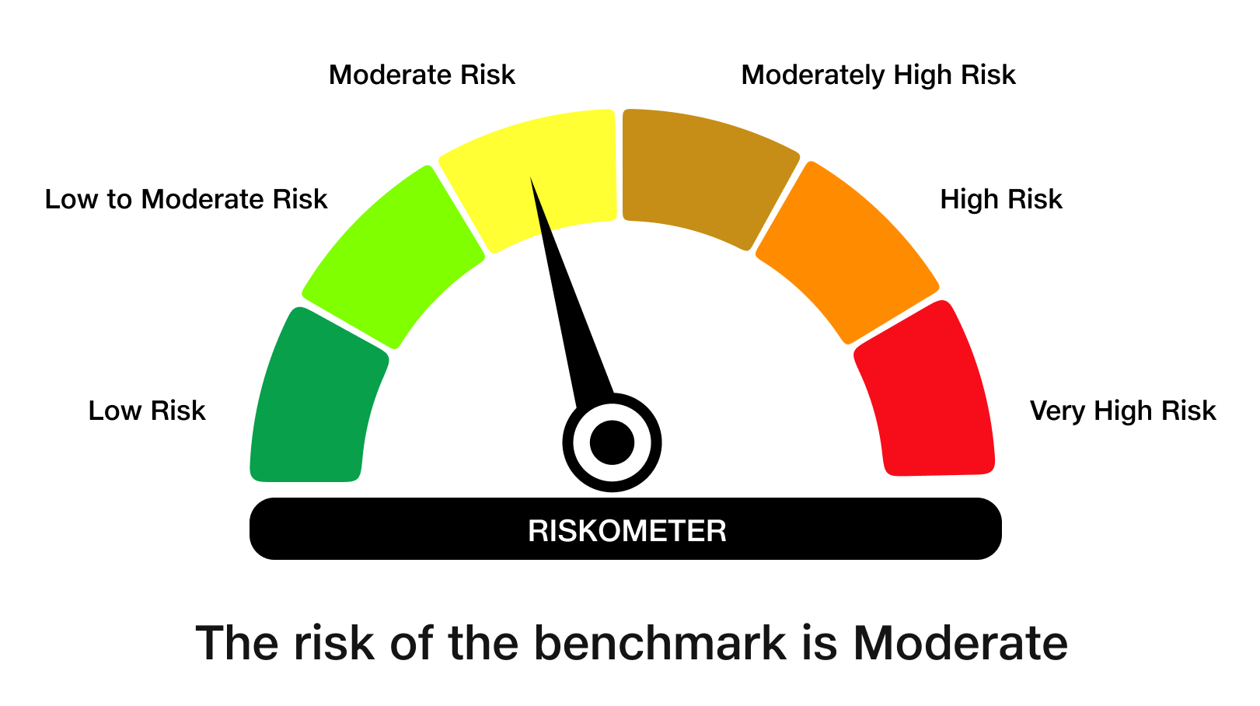
 | JioBlackRock Nifty 8-13 yr G-Sec Index Fund
-
 | Monthly Portfolio Statement as on April 30, 2026
 | Name of the Instrument | ISIN | Rating | Quantity | Market/Fair Value (Rs. in Lakhs) | % to Net Assets | Yield to Maturity | Yield to Call ^
 | Government Securities
 | 6.48% GOI 2035 (06-OCT-2035) | IN0020250091 | SOVEREIGN | 1,873,100 | 1,803.46 | 61.02 | 7.15%
 | 6.79% GOI 2034 (07-OCT-2034) | IN0020240126 | SOVEREIGN | 568,200 | 558.79 | 18.91 | 7.18%
 | 6.33% GOI 2035 (05-MAY-2035) | IN0020250026 | SOVEREIGN | 576,000 | 552.71 | 18.70 | 7.06%
 | Total |  |  |  | 2,914.96 | 98.62

 | TREPS |  |  |  | 13.57 | 0.46 | 5.25%

 | Net Receivables / (Payables) |  |  |  | 27.07 | 0.92
 | Grand Total |  |  |  | 2,955.61 | 100.00

 | ^ It is disclosed for Perpetual Bond issued by Banks (i.e. AT-1 Bond / Tier 1 Bond / Tier 2 Bond), as per AMFI Best Practices Guidelines Circular no. 91/2020-21 dated March 24, 2021 on Valuation of AT-1 Bonds and Tier 2 Bonds. As per SEBI Circular SEBI/HO/IMD/PoD1/CIR/P/2024/106 dated August 05, 2024, valuation of AT-1 Bonds are done on Yield to Call basis w.e.f. August 07, 2024. YTC of AT-1 Bonds are now same as it’s YTM% and hence it is not disclosed separately under YTC%.

 | Debt Index Replication Factor (DIRF) : 98.62%

 | Notes

 | (1) There is no security which is in default beyond its maturity/ interest payment date.
 | (2) Plan/ Option wise per unit net asset value are as follows:

 | Plan/ Option | As on March 31, 2026 | As on April 30, 2026
 | Direct Plan - Growth Option | 10.0651 | 10.1197

 | (3) There was no distribution (of income and capital) during the month ended April 30, 2026.
 | (4) Total outstanding exposure in derivative instruments as on April 30, 2026 is Rs. Nil.
 | (5) Total market value of investments in foreign securities/ American Depository Receipts/ Global Depository Receipts as at April 30, 2026 is Rs. Nil.
 | (6) The average maturity period of the portfolio is 9.13 years.
 | (7) Repo transactions in corporate debt securities as on April 30, 2026 is Rs. Nil.

 | Scheme Risk-O-Meter

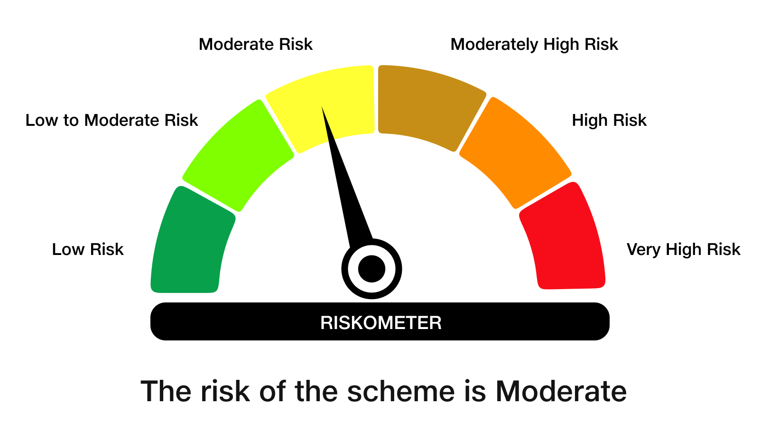

 | Benchmark Risk-O-Meter
 | Benchmark Name - NIFTY 8-13 yr G-Sec

JBSHORT
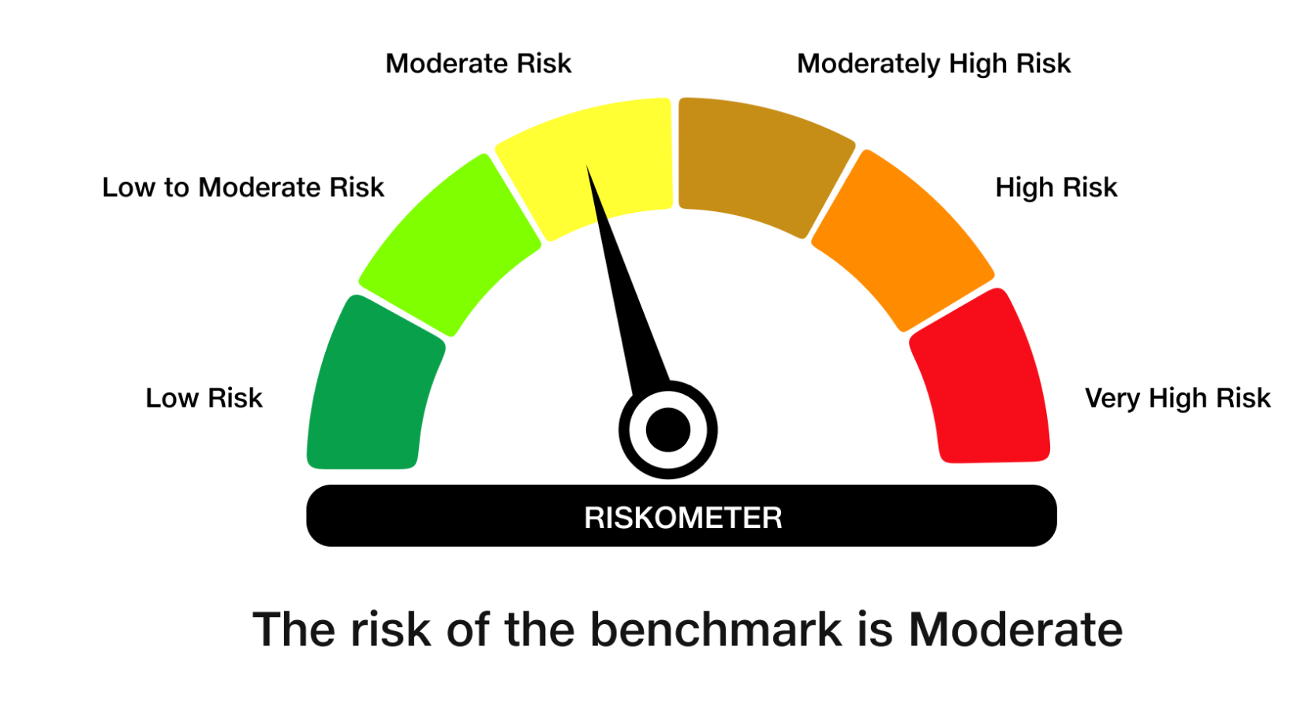
 | JioBlackRock Short Duration Fund
-
 | Monthly Portfolio Statement as on April 30, 2026
 | Name of the Instrument | ISIN | Rating | Quantity | Market/Fair Value (Rs. in Lakhs) | % to Net Assets | Yield to Maturity | Yield to Call ^
 | Debt Instruments
 | (a) Listed / awaiting listing on Stock Exchanges
 | 7.64% REC Ltd (30-Apr-2027) ** | INE020B08EX7 | CRISIL AAA | 2,500 | 2,506.47 | 11.15 | 7.36%
 | 7.74% LIC Housing Finance Ltd (22-Oct-2027) | INE115A07QZ8 | CRISIL AAA | 2,500 | 2,501.46 | 11.12 | 7.64%
 | 7.5% Indian Railway Finance Corporation Ltd (07-Sep-2029) ** | INE053F07BW9 | CRISIL AAA | 250 | 2,498.84 | 11.11 | 7.53%
 | 6.92% Power Finance Corporation Ltd (16-Feb-2028) ** | INE134E08OA7 | CRISIL AAA | 2,500 | 2,477.46 | 11.02 | 7.45%
 | 7.01% National Bank For Agriculture & Rural Development (16-Mar-2029) | INE261F08ES8 | CRISIL AAA | 2,500 | 2,456.28 | 10.92 | 7.70%
 | Sub Total |  |  |  | 12,440.50 | 55.32
 | (b) Privately Placed / Unlisted
 | Sub Total |  |  |  | Nil | Nil
 | Total |  |  |  | 12,440.50 | 55.32
 | Money Market Instruments
 | Certificate of Deposit
 | Union Bank of India (16-Mar-2027) | INE692A16LS3 | ICRA A1+ | 700 | 3,294.15 | 14.65 | 7.15%
 | Canara Bank (25-Mar-2027) ** | INE476A16I26 | ICRA A1+ | 300 | 1,408.94 | 6.27 | 7.19%
 | National Bank For Agriculture & Rural Development (02-Mar-2027) ** | INE261F16AM2 | CRISIL A1+ | 200 | 942.81 | 4.19 | 7.26%
 | Canara Bank (12-Mar-2027) | INE476A16H92 | ICRA A1+ | 200 | 941.68 | 4.19 | 7.18%
 | Sub Total |  |  |  | 6,587.57 | 29.29
 | Total |  |  |  | 6,587.57 | 29.29
 | Government Securities
 | 5.74% GOI 2026 (15-NOV-2026) | IN0020210186 | SOVEREIGN | 500,000 | 500.30 | 2.22 | 5.70%
 | Total |  |  |  | 500.30 | 2.22

 | TREPS |  |  |  | 1,786.12 | 7.94 | 5.25%

 | Net Receivables / (Payables) |  |  |  | 1,173.03 | 5.22
 | Grand Total |  |  |  | 22,487.53 | 100.00

 | ** Non Traded Security
 | ^ It is disclosed for Perpetual Bond issued by Banks (i.e. AT-1 Bond / Tier 1 Bond / Tier 2 Bond), as per AMFI Best Practices Guidelines Circular no. 91/2020-21 dated March 24, 2021 on Valuation of AT-1 Bonds and Tier 2 Bonds. As per SEBI Circular SEBI/HO/IMD/PoD1/CIR/P/2024/106 dated August 05, 2024, valuation of AT-1 Bonds are done on Yield to Call basis w.e.f. August 07, 2024. YTC of AT-1 Bonds are now same as it’s YTM% and hence it is not disclosed separately under YTC%.

 | Notes

 | (1) There is no security which is in default beyond its maturity/ interest payment date.
 | (2) Plan/ Option wise per unit net asset value are as follows:

 | Plan/ Option | As on March 31, 2026 | As on April 30, 2026
 | Direct Plan - Growth Option | 1007.7134 | 1013.4167

 | (3) There was no distribution (of income and capital) during the month ended April 30, 2026.
 | (4) Total outstanding exposure in derivative instruments as on April 30, 2026 is Rs. Nil.
 | (5) Total market value of investments in foreign securities/ American Depository Receipts/ Global Depository Receipts as at April 30, 2026 is Rs. Nil.
 | (6) The average maturity period of the portfolio is 1.45 years.
 | (7) Repo transactions in corporate debt securities as on April 30, 2026 is Rs. Nil.

 | Scheme Risk-O-Meter
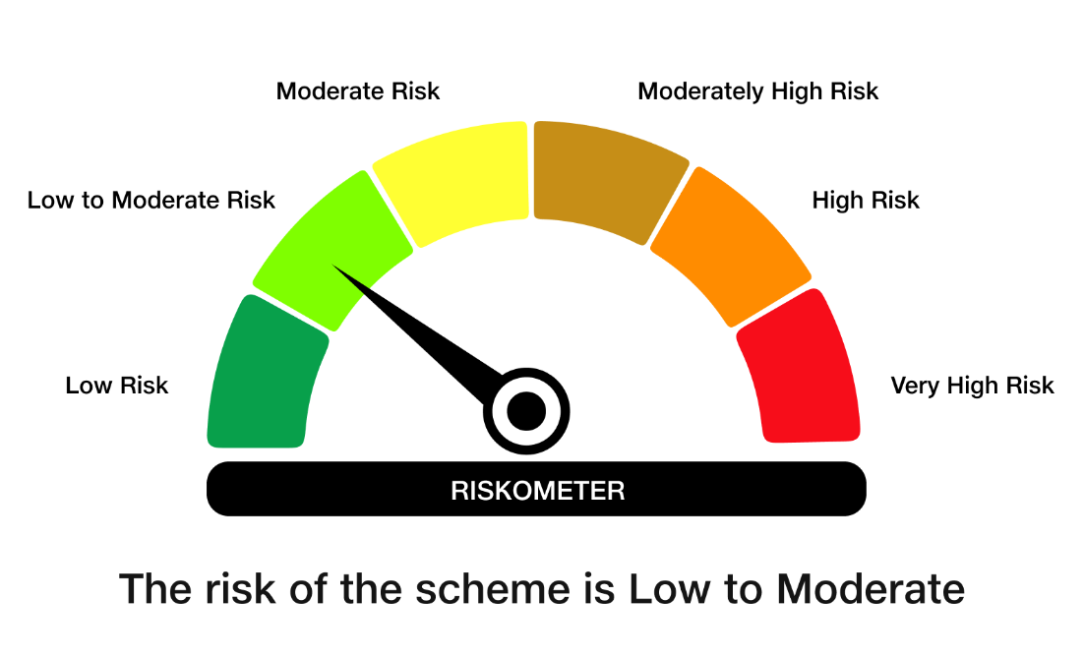

 | Benchmark Risk-O-Meter
 | Benchmark Name - NIFTY Short Duration Debt Index A-II

