JBSHORT
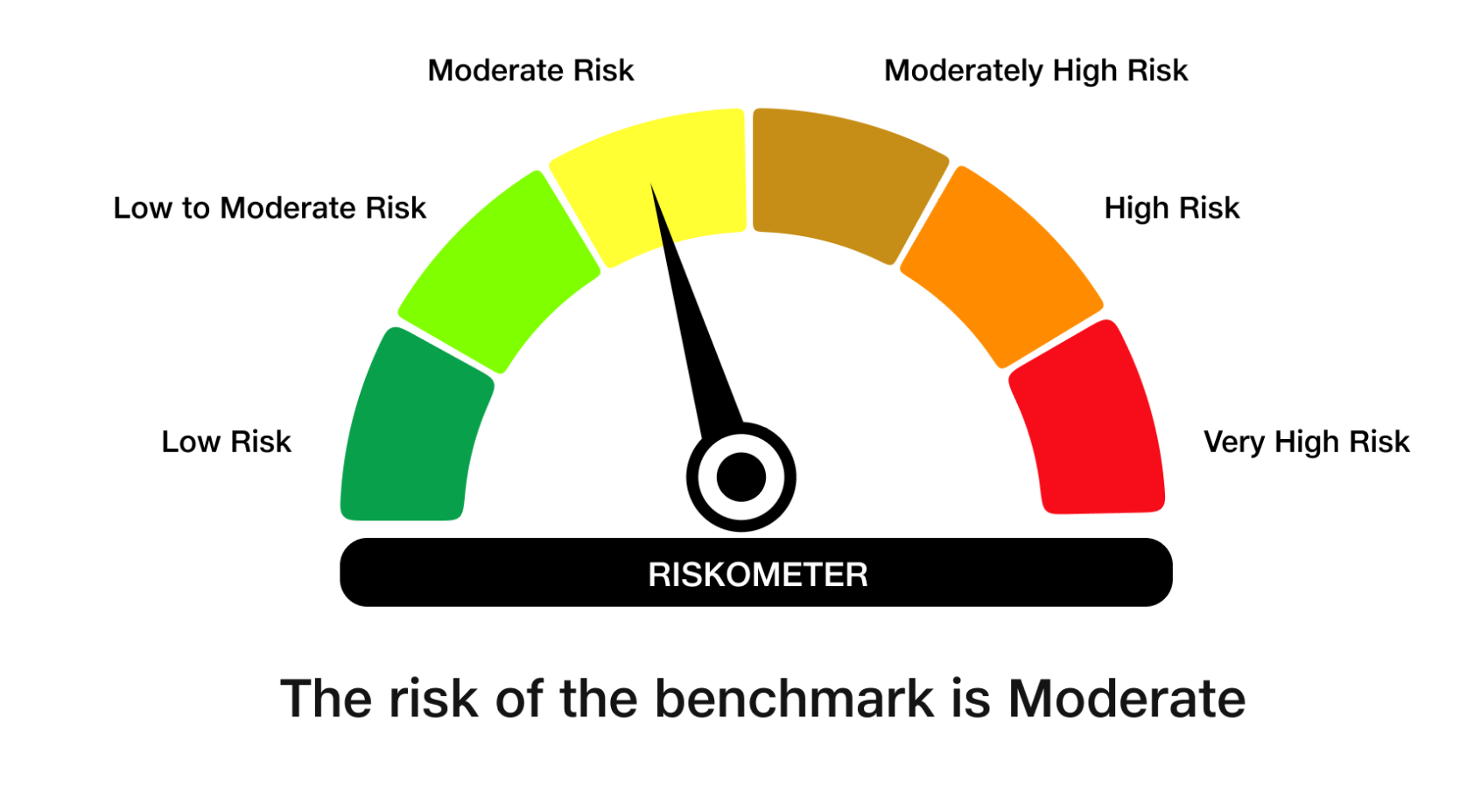
 | JioBlackRock Short Duration Fund
-
 | Monthly Portfolio Statement as on April 30, 2026
 | Name of the Instrument | ISIN | Rating | Quantity | Market/Fair Value (Rs. in Lakhs) | % to Net Assets | Yield to Maturity | Yield to Call ^
 | Debt Instruments
 | (a) Listed / awaiting listing on Stock Exchanges
 | 7.64% REC Ltd (30-Apr-2027) ** | INE020B08EX7 | CRISIL AAA | 2,500 | 2,506.47 | 11.15 | 7.36%
 | 7.74% LIC Housing Finance Ltd (22-Oct-2027) | INE115A07QZ8 | CRISIL AAA | 2,500 | 2,501.46 | 11.12 | 7.64%
 | 7.5% Indian Railway Finance Corporation Ltd (07-Sep-2029) ** | INE053F07BW9 | CRISIL AAA | 250 | 2,498.84 | 11.11 | 7.53%
 | 6.92% Power Finance Corporation Ltd (16-Feb-2028) ** | INE134E08OA7 | CRISIL AAA | 2,500 | 2,477.46 | 11.02 | 7.45%
 | 7.01% National Bank For Agriculture & Rural Development (16-Mar-2029) | INE261F08ES8 | CRISIL AAA | 2,500 | 2,456.28 | 10.92 | 7.70%
 | Sub Total |  |  |  | 12,440.50 | 55.32
 | (b) Privately Placed / Unlisted
 | Sub Total |  |  |  | Nil | Nil
 | Total |  |  |  | 12,440.50 | 55.32
 | Money Market Instruments
 | Certificate of Deposit
 | Union Bank of India (16-Mar-2027) | INE692A16LS3 | ICRA A1+ | 700 | 3,294.15 | 14.65 | 7.15%
 | Canara Bank (25-Mar-2027) ** | INE476A16I26 | ICRA A1+ | 300 | 1,408.94 | 6.27 | 7.19%
 | National Bank For Agriculture & Rural Development (02-Mar-2027) ** | INE261F16AM2 | CRISIL A1+ | 200 | 942.81 | 4.19 | 7.26%
 | Canara Bank (12-Mar-2027) | INE476A16H92 | ICRA A1+ | 200 | 941.68 | 4.19 | 7.18%
 | Sub Total |  |  |  | 6,587.57 | 29.29
 | Total |  |  |  | 6,587.57 | 29.29
 | Government Securities
 | 5.74% GOI 2026 (15-NOV-2026) | IN0020210186 | SOVEREIGN | 500,000 | 500.30 | 2.22 | 5.70%
 | Total |  |  |  | 500.30 | 2.22

 | TREPS |  |  |  | 1,786.12 | 7.94 | 5.25%

 | Net Receivables / (Payables) |  |  |  | 1,173.03 | 5.22
 | Grand Total |  |  |  | 22,487.53 | 100.00

 | ** Non Traded Security
 | ^ It is disclosed for Perpetual Bond issued by Banks (i.e. AT-1 Bond / Tier 1 Bond / Tier 2 Bond), as per AMFI Best Practices Guidelines Circular no. 91/2020-21 dated March 24, 2021 on Valuation of AT-1 Bonds and Tier 2 Bonds. As per SEBI Circular SEBI/HO/IMD/PoD1/CIR/P/2024/106 dated August 05, 2024, valuation of AT-1 Bonds are done on Yield to Call basis w.e.f. August 07, 2024. YTC of AT-1 Bonds are now same as it’s YTM% and hence it is not disclosed separately under YTC%.

 | Notes

 | (1) There is no security which is in default beyond its maturity/ interest payment date.
 | (2) Plan/ Option wise per unit net asset value are as follows:

 | Plan/ Option | As on March 31, 2026 | As on April 30, 2026
 | Direct Plan - Growth Option | 1007.7134 | 1013.4167

 | (3) There was no distribution (of income and capital) during the month ended April 30, 2026.
 | (4) Total outstanding exposure in derivative instruments as on April 30, 2026 is Rs. Nil.
 | (5) Total market value of investments in foreign securities/ American Depository Receipts/ Global Depository Receipts as at April 30, 2026 is Rs. Nil.
 | (6) The average maturity period of the portfolio is 1.45 years.
 | (7) Repo transactions in corporate debt securities as on April 30, 2026 is Rs. Nil.

 | Scheme Risk-O-Meter
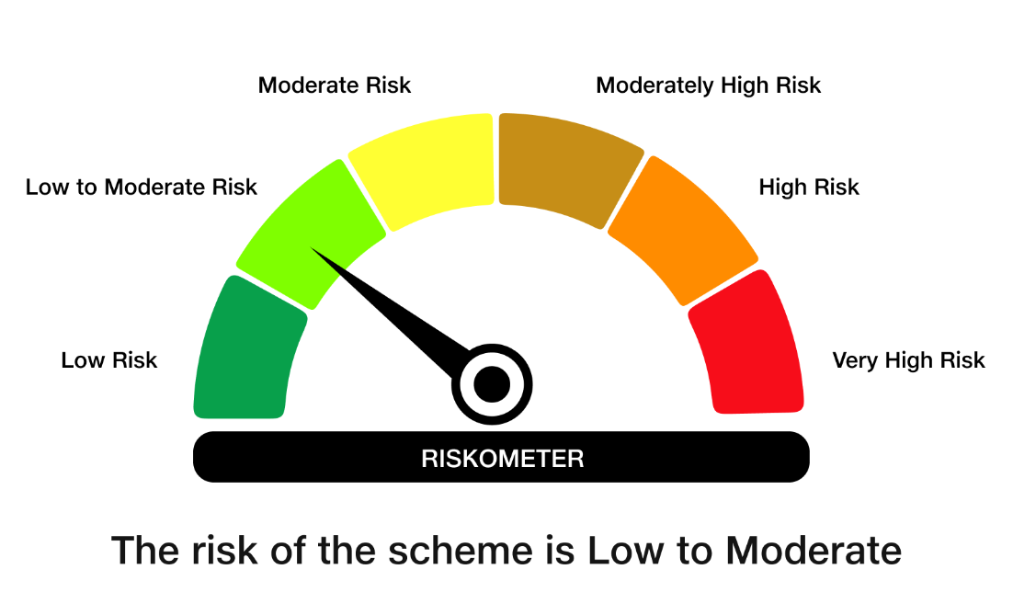

 | Benchmark Risk-O-Meter
 | Benchmark Name - NIFTY Short Duration Debt Index A-II

