JBLARGE

 | JioBlackRock Large Cap Fund
-
 | Monthly Portfolio Statement as on May 31, 2026
 | Name of the Instrument | ISIN | Industry Classification | Quantity | Market/Fair Value (Rs. in Lakhs) | % to Net Assets | Yield to Maturity
 | Equity & Equity related
 | (a) Listed / awaiting listing on Stock Exchanges
 | HDFC Bank Ltd | INE040A01034 | Banks | 45,635 | 339.78 | 8.93
 | ICICI Bank Ltd | INE090A01021 | Banks | 22,381 | 281.19 | 7.39
 | Bharti Airtel Ltd | INE397D01024 | Telecom - Services | 11,309 | 206.84 | 5.44
 | Reliance Industries Ltd | INE002A01018 | Petroleum Products | 13,836 | 182.80 | 4.81
 | Mahindra & Mahindra Ltd | INE101A01026 | Automobiles | 5,628 | 171.41 | 4.51
 | State Bank of India | INE062A01020 | Banks | 17,669 | 170.40 | 4.48
 | Infosys Ltd | INE009A01021 | IT - Software | 12,920 | 149.99 | 3.94
 | Larsen & Toubro Ltd | INE018A01030 | Construction | 3,556 | 144.96 | 3.81
 | NTPC Ltd | INE733E01010 | Power | 30,950 | 119.75 | 3.15
 | Indian Oil Corporation Ltd | INE242A01010 | Petroleum Products | 70,794 | 99.28 | 2.61
 | Nestle India Ltd | INE239A01024 | Food Products | 6,982 | 99.25 | 2.61
 | Britannia Industries Ltd | INE216A01030 | Food Products | 1,877 | 97.69 | 2.57
 | Tata Consultancy Services Ltd | INE467B01029 | IT - Software | 4,198 | 94.83 | 2.49
 | Tata Steel Ltd | INE081A01020 | Ferrous Metals | 40,152 | 83.52 | 2.20
 | Apollo Tyres Ltd | INE438A01022 | Auto Components | 20,682 | 81.59 | 2.14
 | ITC Ltd | INE154A01025 | Diversified FMCG | 28,086 | 80.58 | 2.12
 | Interglobe Aviation Ltd | INE646L01027 | Transport Services | 1,652 | 72.77 | 1.91
 | Ultratech Cement Ltd | INE481G01011 | Cement & Cement Products | 582 | 66.83 | 1.76
 | Axis Bank Ltd | INE238A01034 | Banks | 4,766 | 61.32 | 1.61
 | Multi Commodity Exchange Of India Ltd | INE745G01043 | Capital Markets | 2,015 | 59.53 | 1.57
 | Sun Pharmaceutical Industries Ltd | INE044A01036 | Pharmaceuticals & Biotechnology | 3,287 | 59.14 | 1.55
 | Kotak Mahindra Bank Ltd | INE237A01036 | Banks | 14,276 | 54.85 | 1.44
 | Federal Bank Ltd | INE171A01029 | Banks | 18,795 | 54.31 | 1.43
 | JSW Steel Ltd | INE019A01038 | Ferrous Metals | 4,060 | 51.89 | 1.36
 | Eternal Ltd | INE758T01015 | Retailing | 20,528 | 51.44 | 1.35
 | ICICI Prudential Asset Management Co Ltd | INE346A01027 | Capital Markets | 1,411 | 49.93 | 1.31
 | Escorts Kubota Ltd | INE042A01014 | Agricultural, Commercial & Construction Vehicles | 1,670 | 47.76 | 1.26
 | Titan Co Ltd | INE280A01028 | Consumer Durables | 1,147 | 46.74 | 1.23
 | Oil & Natural Gas Corporation Ltd | INE213A01029 | Oil | 15,432 | 40.96 | 1.08
 | Hero MotoCorp Ltd | INE158A01026 | Automobiles | 823 | 40.35 | 1.06
 | Samvardhana Motherson International Ltd | INE775A01035 | Auto Components | 26,116 | 38.06 | 1.00
 | Vedanta Ltd | INE205A01025 | Diversified Metals | 10,447 | 36.84 | 0.97
 | SBI Life Insurance Co Ltd | INE123W01016 | Insurance | 1,951 | 35.71 | 0.94
 | Tata Motors Ltd | INE1TAE01010 | Agricultural, Commercial & Construction Vehicles | 8,515 | 32.31 | 0.85
 | Lenskart Solutions Ltd | INE956O01016 | Retailing | 6,074 | 31.82 | 0.84
 | Steel Authority of India Ltd | INE114A01011 | Ferrous Metals | 15,270 | 31.21 | 0.82
 | Tech Mahindra Ltd | INE669C01036 | IT - Software | 2,063 | 30.61 | 0.80
 | Yes Bank Ltd | INE528G01035 | Banks | 122,149 | 28.28 | 0.74
 | Life Insurance Corporation Of India | INE0J1Y01017 | Insurance | 6,862 | 28.23 | 0.74
 | Lupin Ltd | INE326A01037 | Pharmaceuticals & Biotechnology | 1,112 | 25.22 | 0.66
 | Max Financial Services Ltd | INE180A01020 | Insurance | 1,420 | 23.77 | 0.62
 | Bajaj Finance Ltd | INE296A01032 | Finance | 2,213 | 20.10 | 0.53
 | IPCA Laboratories Ltd | INE571A01038 | Pharmaceuticals & Biotechnology | 885 | 13.49 | 0.35
 | Bharat Petroleum Corporation Ltd | INE029A01011 | Petroleum Products | 4,478 | 13.35 | 0.35
 | Billionbrains Garage Ventures Ltd | INE0HOQ01053 | Capital Markets | 7,086 | 13.10 | 0.34
 | Vedanta Aluminium Metal Ltd ** | INE1CDF01017 | Non - Ferrous Metals | 10,447 | 12.64 | 0.33
 | Talwandi Sabo Power Ltd ** | INE694L01019 | Power | 10,447 | 12.64 | 0.33
 | Malco Energy Ltd ** | INE704J01044 | Oil | 10,447 | 12.64 | 0.33
 | Vedanta Iron And Steel Ltd ** | INE1CLE01013 | Ferrous Metals | 10,447 | 12.64 | 0.33
 | Asian Paints Ltd | INE021A01026 | Consumer Durables | 465 | 12.42 | 0.33
 | Radico Khaitan Ltd | INE944F01028 | Beverages | 350 | 12.32 | 0.32
 | Hindustan Petroleum Corporation Ltd | INE094A01015 | Petroleum Products | 3,006 | 11.84 | 0.31
 | Ashok Leyland Ltd | INE208A01029 | Agricultural, Commercial & Construction Vehicles | 7,199 | 11.19 | 0.29
 | Power Grid Corporation of India Ltd | INE752E01010 | Power | 3,163 | 9.19 | 0.24
 | Dr. Reddy's Laboratories Ltd | INE089A01031 | Pharmaceuticals & Biotechnology | 673 | 8.77 | 0.23
 | Adani Enterprises Ltd | INE423A01024 | Metals & Minerals Trading | 267 | 7.84 | 0.21
 | Schaeffler India Ltd | INE513A01022 | Auto Components | 161 | 6.65 | 0.17
 | United Spirits Ltd | INE854D01024 | Beverages | 462 | 5.87 | 0.15
 | Maruti Suzuki India Ltd | INE585B01010 | Automobiles | 39 | 5.12 | 0.13
 | Shriram Finance Ltd | INE721A01047 | Finance | 411 | 3.89 | 0.10
 | Ltm Ltd | INE214T01019 | IT - Software | 78 | 3.17 | 0.08
 | Laurus Labs Ltd | INE947Q01028 | Pharmaceuticals & Biotechnology | 203 | 2.76 | 0.07
 | Eicher Motors Ltd | INE066A01021 | Automobiles | 36 | 2.58 | 0.07
 | Mahindra & Mahindra Financial Services Ltd | INE774D01024 | Finance | 659 | 2.00 | 0.05
 | Nippon Life India Asset Management Ltd | INE298J01013 | Capital Markets | 156 | 1.72 | 0.05
 | Bharat Heavy Electricals Ltd | INE257A01026 | Electrical Equipment | 395 | 1.65 | 0.04
 | Sub Total |  |  |  | 3,723.30 | 97.88
 | (b) Unlisted |  |  |  | NIL | NIL
 | Sub Total |  |  |  | NIL | NIL
 | Total |  |  |  | 3,723.30 | 97.88
 | TREPS |  |  |  | 75.86 | 1.99 | 5.35%

 | Margin on Derivatives |  |  |  | 8.00 | 0.21
 | Net Receivables / (Payables) |  |  |  | (3.19) | (0.08)
 | Grand Total |  |  |  | 3,803.98 | 100.00

 | Derivatives

 | Name of the Instrument | Long / Short | Industry Classification | Quantity | Market/Fair Value (Rs. in Lakhs) | % to Net Assets
 | NIFTY 30-JUN-26 FUT | Long | Index | 195 | 46.31 | 1.22
 |  |  |  |  | 46.31 | 1.22

 | ** Non Traded Security

 | Notes

 | (1) There is no security which is in default beyond its maturity/ interest payment date.
 | (2) Aggregate value of illiquid equity shares of the fund amounts to Rs. Nil and their percentage to net asset value is Nil.
 | (3) Plan/ Option wise per unit net asset value are as follows:

 | Plan/ Option | As on April 30, 2026 | As on May 29, 2026
 | Direct Plan - Growth Option | 9.9116 | 9.694

 | * Scheme Introduced during the month ended May 31, 2026, hence there are no NAVs at the beginning of the period.

 | (4) There was no distribution (of income and capital) during the month ended May 31, 2026.

 | (5) Exposure to Derivative Instruments as on May 31, 2026:

 | a) Hedging positions through futures as on May 31, 2026 is :
 | Underlying | Long/Short | Futures Price When purchased | Current price of the contract | Margin maintained in Rs. Lakhs
 | Nil
 | Total percentage of existing assets hedged through futures: Nil
 | For the Month ended May 31, 2026 following were the hedging transactions through futures which have been squared off/expired:

 | Number of contracts bought | Number of contracts Sold | Gross Notional Value of contracts where futures were bought in Rs. Lakhs | Gross Notional Value of contracts where futures were sold in Rs. Lakhs | Net Profit/Loss value on all contracts in Rs. Lakhs

 | Nil

 | b) Other than Hedging Positions through Futures as on May 31, 2026 is :

 | Underlying | Long/Short | Futures Price When purchased | Current price of the contract | Margin maintained in Rs. Lakhs
 | NIFTY 26-MAY-26 FUT | Long | 23,844.93 | 23,748.80 | 5.24

 | Total exposure due to futures (non hedging positions) as a percentage of net assets: 1.22%.
 | For the Month ended May 31, 2026 following were the non-hedging transactions through futures which have been squared off/expired:

 | Number of contracts bought | Number of contracts Sold | Gross Notional Value of contracts where futures were bought in Rs. Lakhs | Gross Notional Value of contracts where futures were sold in Rs. Lakhs | Net Profit/Loss value on all contracts in Rs. Lakhs

 | 20 | 21 | 310.49 | 327.13 | 0.98

 | c) Hedging positions through Put options as on April 30, 2026

 | Underlying | Number of Contracts | Option Price when purchased | Current Option Price
 | Nil
 | Total percentage of existing assets hedged through put options: Nil

 | For the Month ended May 31, 2026, following details specified for hedging transactions through Put options which have already been exercised/ expired:

 | Number of contracts entered | Gross Notional Value of contracts in Rs. Lakhs | Net profit/ (loss) on all contracts (premium paid treated as (loss))

 | Nil

 | d) Other than hedging positions through options as on May 31, 2026

 | Underlying | Call/ put | Number of contracts | Option price when purchased | Current price
 | Nil
 | Total exposure through options as a percentage of net assets: Nil

 | For the period ended May 31, 2026, following details specified for non-hedging transactions through options which have already been exercised/ expired:

 | Number of contracts entered | Gross Notional Value of contracts in Rs. Lakhs | Net profit/ (loss) on all contracts (premium paid treated as (loss))

 | Nil

 | e) Hedging positions through Swaps as on May 31, 2026 - Nil

 | (6) Total market value of investments in foreign securities/ American Depository Receipts/ Global Depository Receipts as at May 31, 2026 is Rs. Nil.
 | (7) During the period, the portfolio turnover ratio is 0.23 times.
 | (8) Repo transactions in corporate debt securities as on May 31, 2026 is Rs. Nil.

 | Scheme Risk-O-Meter


 | Benchmark Risk-O-Meter
 | Benchmark Name - BSE 100 Index (TRI)

JBMMF

 | JioBlackRock Money Market Fund
-
 | Monthly Portfolio Statement as on May 31, 2026
 | Name of the Instrument | ISIN | Rating | Quantity | Market/Fair Value (Rs. in Lakhs) | % to Net Assets | Yield to Maturity | Yield to Call ^
 | Money Market Instruments
 | Certificate of Deposit
 | Small Industries Development Bank of India (26-Feb-2027) ** | INE556F16CC2 | CARE A1+ | 3,520 | 16,622.48 | 6.59 | 7.95%
 | Union Bank of India (16-Mar-2027) ** | INE692A16LS3 | ICRA A1+ | 3,500 | 16,486.02 | 6.53 | 7.80%
 | Bank of Baroda (05-Mar-2027) ** | INE028A16LR2 | CRISIL A1+ | 3,000 | 14,162.73 | 5.61 | 7.79%
 | Canara Bank (25-Mar-2027) ** | INE476A16I26 | ICRA A1+ | 2,700 | 12,694.66 | 5.03 | 7.80%
 | HDFC Bank Ltd (05-Mar-2027) ** | INE040A16IU7 | CRISIL A1+ | 2,140 | 10,096.59 | 4.00 | 7.88%
 | Axis Bank Ltd (14-Jan-2027) ** | INE238AD6BW9 | CRISIL A1+ | 2,000 | 9,534.81 | 3.78 | 7.85%
 | HDFC Bank Ltd (15-Feb-2027) | INE040A16JC3 | CRISIL A1+ | 2,000 | 9,473.00 | 3.75 | 7.84%
 | Punjab National Bank (09-Mar-2027) | INE160A16UQ6 | CRISIL A1+ | 2,000 | 9,434.21 | 3.74 | 7.79%
 | Union Bank of India (15-Mar-2027) ** | INE692A16LP9 | CRISIL A1+ | 2,000 | 9,422.48 | 3.73 | 7.80%
 | Federal Bank Ltd (12-Mar-2027) ** | INE171A16NM7 | CRISIL A1+ | 2,000 | 9,419.88 | 3.73 | 7.92%
 | National Bank For Agriculture & Rural Development (17-Mar-2027) | INE261F16AP5 | ICRA A1+ | 2,000 | 9,414.82 | 3.73 | 7.85%
 | Canara Bank (12-Mar-2027) ** | INE476A16H92 | ICRA A1+ | 1,960 | 9,239.51 | 3.66 | 7.80%
 | National Bank For Agriculture & Rural Development (02-Mar-2027) ** | INE261F16AM2 | CRISIL A1+ | 1,800 | 8,499.16 | 3.37 | 7.85%
 | Canara Bank (11-Mar-2027) ** | INE476A16H84 | ICRA A1+ | 1,500 | 7,072.48 | 2.80 | 7.80%
 | National Bank For Agriculture & Rural Development (04-Feb-2027) ** | INE261F16AJ8 | CRISIL A1+ | 1,000 | 4,746.82 | 1.88 | 7.85%
 | Bank of Baroda (08-Mar-2027) ** | INE028A16LS0 | CARE A1+ | 1,000 | 4,718.06 | 1.87 | 7.79%
 | Kotak Mahindra Bank Ltd (09-Mar-2027) ** | INE237AD6174 | CRISIL A1+ | 1,000 | 4,717.45 | 1.87 | 7.78%
 | Punjab National Bank (12-Mar-2027) ** | INE160A16UV6 | CRISIL A1+ | 1,000 | 4,713.91 | 1.87 | 7.80%
 | HDFC Bank Ltd (12-Mar-2027) ** | INE040A16IZ6 | CRISIL A1+ | 1,000 | 4,711.32 | 1.87 | 7.88%
 | National Bank For Agriculture & Rural Development (10-Mar-2027) ** | INE261F16AO8 | CRISIL A1+ | 840 | 3,959.84 | 1.57 | 7.85%
 | Sub Total |  |  |  | 179,140.22 | 71.00
 | Commercial Paper
 | Cholamandalam Investment and Finance Co Ltd (10-Mar-2027) ** | INE121A14YN2 | ICRA A1+ | 3,000 | 14,072.07 | 5.58 | 8.54%
 | Cholamandalam Investment and Finance Co Ltd (22-Jan-2027) ** | INE121A14YF8 | CRISIL A1+ | 500 | 2,369.49 | 0.94 | 8.56%
 | Aditya Birla Housing Finance Ltd (09-Mar-2027) ** | INE831R14GA4 | CRISIL A1+ | 500 | 2,354.79 | 0.93 | 8.01%
 | Sub Total |  |  |  | 18,796.35 | 7.45
 | Total |  |  |  | 197,936.56 | 78.45
 | Government Securities
 | 5.74% GOI 2026 (15-NOV-2026) | IN0020210186 | SOVEREIGN | 35,500,000 | 35,484.03 | 14.06 | 5.80%
 | Total |  |  |  | 35,484.03 | 14.06
 | Alternative Investment Fund
 | Corporate Debt Market Development Fund Class A2 | INF0RQ622028 |  | 6,542 | 771.28 | 0.31
 | Sub Total |  |  |  | 771.28 | 0.31

 | TREPS |  |  |  | 18,105.92 | 7.18 | 5.35%

 | Net Receivables / (Payables) |  |  |  | 3.47 | 0.00
 | Grand Total |  |  |  | 252,301.25 | 100.00

 | ** Non Traded Security
 | ^ It is disclosed for Perpetual Bond issued by Banks (i.e. AT-1 Bond / Tier 1 Bond / Tier 2 Bond), as per AMFI Best Practices Guidelines Circular no. 91/2020-21 dated March 24, 2021 on Valuation of AT-1 Bonds and Tier 2 Bonds. As per SEBI Circular SEBI/HO/IMD/PoD1/CIR/P/2024/106 dated August 05, 2024, valuation of AT-1 Bonds are done on Yield to Call basis w.e.f. August 07, 2024. YTC of AT-1 Bonds are now same as it’s YTM% and hence it is not disclosed separately under YTC%.
 | Aggregate Investments by other schemes (at NAV) as on May 31, 2026, is Rs.5,064.54 Lakh's.

 | Notes

 | (1) There is no security which is in default beyond its maturity/ interest payment date.
 | (2) Plan/ Option wise per unit net asset value are as follows:

 | Plan/ Option | As on April 30, 2026 | As on May 29, 2026
 | Direct Plan - Growth Option | 1048.8670 | 1050.2249

 | (3) There was no distribution (of income and capital) during the month ended May 31, 2026.
 | (4) Total outstanding exposure in derivative instruments as on May 31, 2026 is Rs. Nil.
 | (5) Total market value of investments in foreign securities/ American Depository Receipts/ Global Depository Receipts as at May 31, 2026 is Rs. Nil.
 | (6) The average maturity period of the portfolio is 0.66 years.
 | (7) Repo transactions in corporate debt securities as on May 31, 2026 is Rs. Nil.

 | Scheme Risk-O-Meter



 | Benchmark Risk-O-Meter
 | Benchmark Name - NIFTY Money Market Index A-I

JBOF

 | JioBlackRock Overnight Fund
-
 | Monthly Portfolio Statement as on May 31, 2026
 | Name of the Instrument | ISIN | Rating | Quantity | Market/Fair Value (Rs. in Lakhs) | % to Net Assets | Yield to Maturity | Yield to Call ^
 | Money Market Instruments
 | Treasury Bill
 | 91 DTB (11-JUN-2026) | IN002025X497 | SOVEREIGN | 1,100,000 | 1,098.41 | 1.09 | 5.30%
 | 364 DTB (04-JUN-2026) | IN002025Z104 | SOVEREIGN | 1,000,000 | 999.58 | 0.99 | 5.15%
 | 182 DTB (11-JUN-2026) | IN002025Y370 | SOVEREIGN | 1,000,000 | 998.55 | 0.99 | 5.30%
 | 364 DTB (18-JUN-2026) | IN002025Z120 | SOVEREIGN | 1,000,000 | 997.58 | 0.99 | 5.22%
 | Sub Total |  |  |  | 4,094.11 | 4.06
 | Total |  |  |  | 4,094.11 | 4.06

 | TREPS |  |  |  | 4,318.44 | 4.28 | 5.35%

 | Reverse Repo
 | Reverse Repo (01-Jun-2026) |  |  |  | 12,627.21 | 12.51 | 5.40%
 | Reverse Repo (01-Jun-2026) |  |  |  | 9,743.96 | 9.65 | 5.40%
 | Reverse Repo (01-Jun-2026) |  |  |  | 7,506.41 | 7.44 | 5.40%
 | Reverse Repo (01-Jun-2026) |  |  |  | 6,298.89 | 6.24 | 5.40%
 | Reverse Repo (01-Jun-2026) |  |  |  | 5,697.94 | 5.64 | 5.42%
 | Reverse Repo (01-Jun-2026) |  |  |  | 5,138.42 | 5.09 | 5.40%
 | Reverse Repo (01-Jun-2026) |  |  |  | 4,999.34 | 4.95 | 5.40%
 | Reverse Repo (01-Jun-2026) |  |  |  | 4,601.40 | 4.56 | 5.40%
 | Reverse Repo (01-Jun-2026) |  |  |  | 4,196.90 | 4.16 | 5.42%
 | Reverse Repo (01-Jun-2026) |  |  |  | 3,703.08 | 3.67 | 5.40%
 | Reverse Repo (01-Jun-2026) |  |  |  | 2,595.46 | 2.57 | 5.42%
 | Reverse Repo (01-Jun-2026) |  |  |  | 2,589.05 | 2.56 | 5.42%
 | Reverse Repo (01-Jun-2026) |  |  |  | 2,560.26 | 2.54 | 5.42%
 | Reverse Repo (01-Jun-2026) |  |  |  | 2,529.08 | 2.51 | 5.40%
 | Reverse Repo (01-Jun-2026) |  |  |  | 2,154.11 | 2.13 | 5.42%
 | Reverse Repo (01-Jun-2026) |  |  |  | 2,124.05 | 2.10 | 5.42%
 | Reverse Repo (01-Jun-2026) |  |  |  | 2,084.25 | 2.06 | 5.48%
 | Reverse Repo (01-Jun-2026) |  |  |  | 2,074.79 | 2.06 | 5.42%
 | Reverse Repo (01-Jun-2026) |  |  |  | 2,026.58 | 2.01 | 5.42%
 | Reverse Repo (01-Jun-2026) |  |  |  | 1,590.40 | 1.58 | 5.42%
 | Reverse Repo (01-Jun-2026) |  |  |  | 1,528.21 | 1.51 | 5.42%
 | Reverse Repo (01-Jun-2026) |  |  |  | 1,522.68 | 1.51 | 5.42%
 | Reverse Repo (01-Jun-2026) |  |  |  | 1,506.09 | 1.49 | 5.42%
 | Reverse Repo (01-Jun-2026) |  |  |  | 1,048.53 | 1.04 | 5.45%
 | Total |  |  |  | 92,447.07 | 91.57

 | Net Receivables / (Payables) |  |  |  | 93.65 | 0.09
 | Grand Total |  |  |  | 100,953.27 | 100.00

 | ^ It is disclosed for Perpetual Bond issued by Banks (i.e. AT-1 Bond / Tier 1 Bond / Tier 2 Bond), as per AMFI Best Practices Guidelines Circular no. 91/2020-21 dated March 24, 2021 on Valuation of AT-1 Bonds and Tier 2 Bonds. As per SEBI Circular SEBI/HO/IMD/PoD1/CIR/P/2024/106 dated August 05, 2024, valuation of AT-1 Bonds are done on Yield to Call basis w.e.f. August 07, 2024. YTC of AT-1 Bonds are now same as it’s YTM% and hence it is not disclosed separately under YTC%.

 | Notes

 | (1) There is no security which is in default beyond its maturity/ interest payment date.
 | (2) Plan/ Option wise per unit net asset value are as follows:

 | Plan/ Option | As on April 30, 2026 | As on May 31, 2026
 | Direct Plan - Growth Option | 1044.3471 | 1048.8948
 | Unclaimed Redemption - Upto 3 years - Growth Option | 1021.2217 | 1025.6805

 | (3) There was no distribution (of income and capital) during the month ended May 31, 2026.
 | (4) Total outstanding exposure in derivative instruments as on May 31, 2026 is Rs. Nil.
 | (5) Total market value of investments in foreign securities/ American Depository Receipts/ Global Depository Receipts as at May 31, 2026 is Rs. Nil.
 | (6) The average maturity period of the portfolio is 0.004 years.
 | (7) Repo transactions in corporate debt securities as on May 31, 2026 is Rs. Nil.

 | Scheme Risk-O-Meter



 | Benchmark Risk-O-Meter
 | Benchmark Name - NIFTY 1D Rate Index

JBN8-13
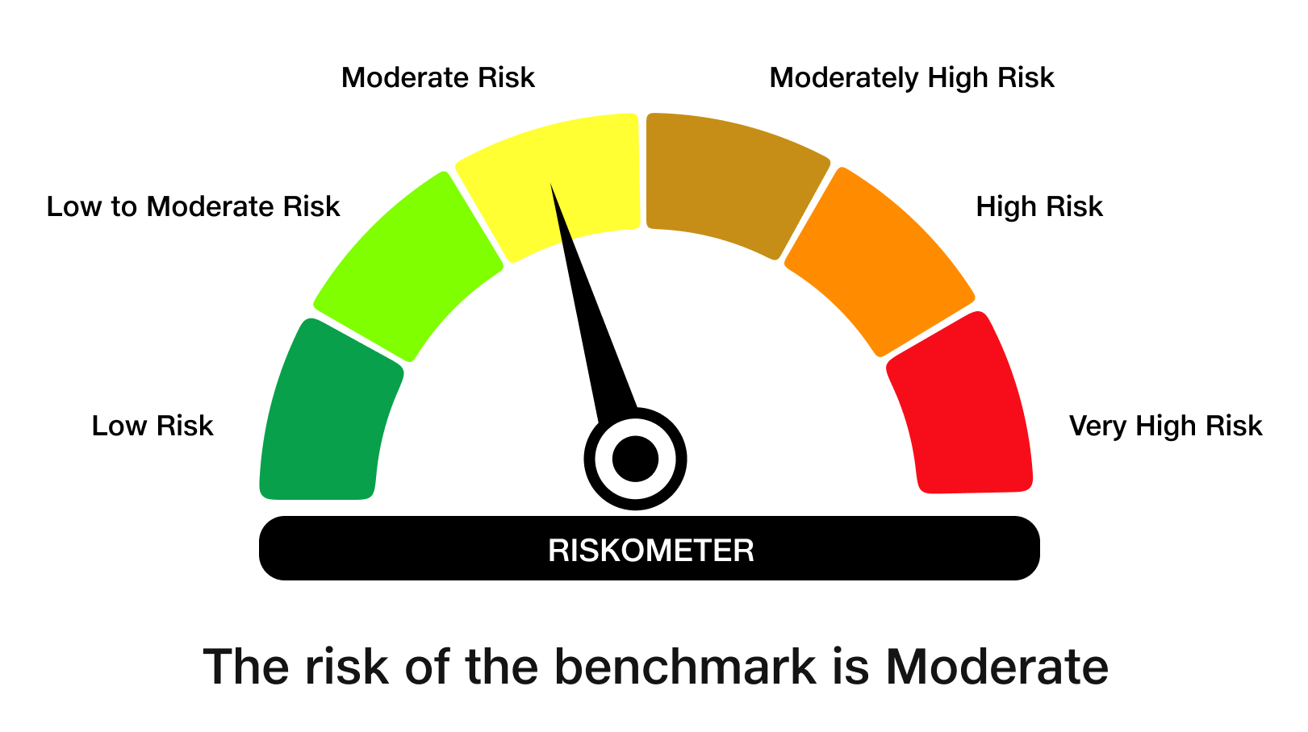
 | JioBlackRock Nifty 8-13 yr G-Sec Index Fund
-
 | Monthly Portfolio Statement as on May 31, 2026
 | Name of the Instrument | ISIN | Rating | Quantity | Market/Fair Value (Rs. in Lakhs) | % to Net Assets | Yield to Maturity | Yield to Call ^
 | Government Securities
 | 6.48% GOI 2035 (06-OCT-2035) | IN0020250091 | SOVEREIGN | 2,016,100 | 1,944.22 | 65.61 | 7.13%
 | 6.33% GOI 2035 (05-MAY-2035) | IN0020250026 | SOVEREIGN | 775,000 | 746.79 | 25.20 | 7.00%
 | 6.94% GOI 2036 (11-MAY-2036) | IN0020260025 | SOVEREIGN | 245,000 | 244.36 | 8.25 | 7.10%
 | Total |  |  |  | 2,935.37 | 99.06

 | TREPS |  |  |  | 14.28 | 0.48 | 5.35%

 | Net Receivables / (Payables) |  |  |  | 13.66 | 0.46
 | Grand Total |  |  |  | 2,963.32 | 100.00

 | ^ It is disclosed for Perpetual Bond issued by Banks (i.e. AT-1 Bond / Tier 1 Bond / Tier 2 Bond), as per AMFI Best Practices Guidelines Circular no. 91/2020-21 dated March 24, 2021 on Valuation of AT-1 Bonds and Tier 2 Bonds. As per SEBI Circular SEBI/HO/IMD/PoD1/CIR/P/2024/106 dated August 05, 2024, valuation of AT-1 Bonds are done on Yield to Call basis w.e.f. August 07, 2024. YTC of AT-1 Bonds are now same as it’s YTM% and hence it is not disclosed separately under YTC%.

 | Debt Index Replication Factor (DIRF) : 99.06%

 | Notes

 | (1) There is no security which is in default beyond its maturity/ interest payment date.
 | (2) Plan/ Option wise per unit net asset value are as follows:

 | Plan/ Option | As on April 30, 2026 | As on May 29, 2026
 | Direct Plan - Growth Option | 10.1197 | 10.1945

 | (3) There was no distribution (of income and capital) during the month ended May 31, 2026.
 | (4) Total outstanding exposure in derivative instruments as on May 31, 2026 is Rs. Nil.
 | (5) Total market value of investments in foreign securities/ American Depository Receipts/ Global Depository Receipts as at May 31, 2026 is Rs. Nil.
 | (6) The average maturity period of the portfolio is 9.29 years.
 | (7) Repo transactions in corporate debt securities as on May 31, 2026 is Rs. Nil.

 | Scheme Risk-O-Meter

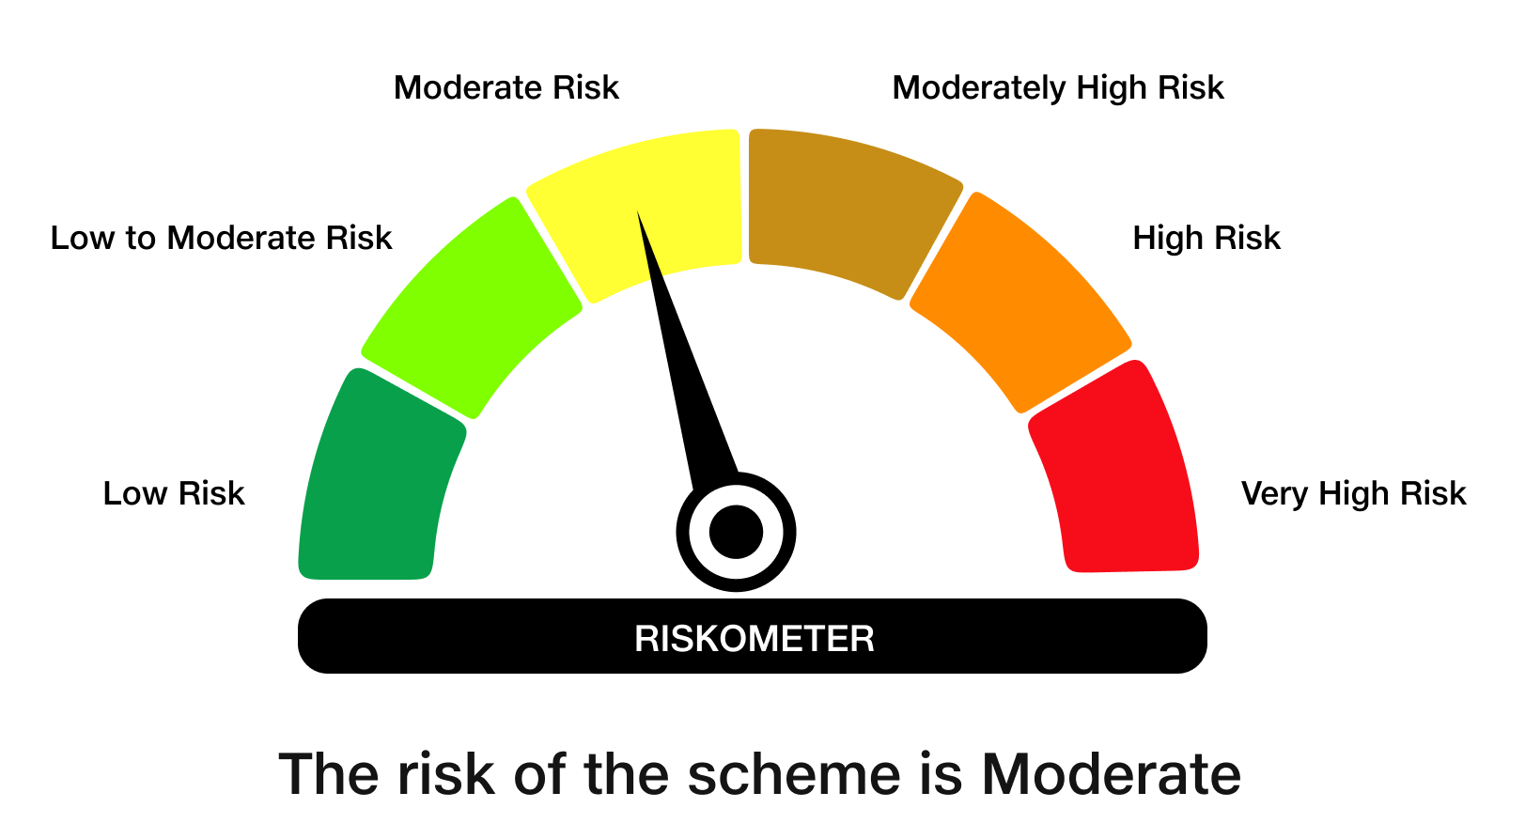

 | Benchmark Risk-O-Meter
 | Benchmark Name - NIFTY 8-13 yr G-Sec

JBSHORT
 | JioBlackRock Short Duration Fund
-
 | Monthly Portfolio Statement as on May 31, 2026
 | Name of the Instrument | ISIN | Rating | Quantity | Market/Fair Value (Rs. in Lakhs) | % to Net Assets | Yield to Maturity | Yield to Call ^
 | Money Market Instruments
 | Certificate of Deposit
 | Small Industries Development Bank of India (26-Feb-2027) ** | INE556F16CC2 | CARE A1+ | 480 | 2,266.70 | 15.82 | 7.95%
 | HDFC Bank Ltd (05-Mar-2027) ** | INE040A16IU7 | CRISIL A1+ | 360 | 1,698.49 | 11.85 | 7.88%
 | Canara Bank (25-Mar-2027) ** | INE476A16I26 | ICRA A1+ | 300 | 1,410.52 | 9.84 | 7.80%
 | National Bank For Agriculture & Rural Development (02-Mar-2027) ** | INE261F16AM2 | CRISIL A1+ | 200 | 944.35 | 6.59 | 7.85%
 | National Bank For Agriculture & Rural Development (10-Mar-2027) ** | INE261F16AO8 | CRISIL A1+ | 160 | 754.26 | 5.26 | 7.85%
 | Canara Bank (12-Mar-2027) ** | INE476A16H92 | ICRA A1+ | 40 | 188.56 | 1.32 | 7.80%
 | Sub Total |  |  |  | 7,262.88 | 50.68
 | Total |  |  |  | 7,262.88 | 50.68
 | Government Securities
 | 6.48% GOI 2035 (06-OCT-2035) | IN0020250091 | SOVEREIGN | 1,000,000 | 964.35 | 6.73 | 7.13%
 | 6.68% GOI 2033 (27-JAN-2033) | IN0020250133 | SOVEREIGN | 500,000 | 491.85 | 3.43 | 7.11%
 | 6.36% GOI 2031 (16-FEB-2031) | IN0020250141 | SOVEREIGN | 500,000 | 490.79 | 3.42 | 6.94%
 | Total |  |  |  | 1,946.99 | 13.59

 | TREPS |  |  |  | 5,106.78 | 35.64 | 5.35%

 | Net Receivables / (Payables) |  |  |  | 13.75 | 0.10
 | Grand Total |  |  |  | 14,330.40 | 100.00

 | ** Non Traded Security

 | ^ It is disclosed for Perpetual Bond issued by Banks (i.e. AT-1 Bond / Tier 1 Bond / Tier 2 Bond), as per AMFI Best Practices Guidelines Circular no. 91/2020-21 dated March 24, 2021 on Valuation of AT-1 Bonds and Tier 2 Bonds. As per SEBI Circular SEBI/HO/IMD/PoD1/CIR/P/2024/106 dated August 05, 2024, valuation of AT-1 Bonds are done on Yield to Call basis w.e.f. August 07, 2024. YTC of AT-1 Bonds are now same as it’s YTM% and hence it is not disclosed separately under YTC%.

 | Notes

 | (1) There is no security which is in default beyond its maturity/ interest payment date.
 | (2) Plan/ Option wise per unit net asset value are as follows:

 | Plan/ Option | As on April 30, 2026 | As on May 29, 2026
 | Direct Plan - Growth Option | 1013.4167 | 1015.0931

 | (3) There was no distribution (of income and capital) during the month ended May 31, 2026.
 | (4) Total outstanding exposure in derivative instruments as on May 31, 2026 is Rs. Nil.
 | (5) Total market value of investments in foreign securities/ American Depository Receipts/ Global Depository Receipts as at May 31, 2026 is Rs. Nil.
 | (6) The average maturity period of the portfolio is 1.42 years.
 | (7) Repo transactions in corporate debt securities as on May 31, 2026 is Rs. Nil.

 | Scheme Risk-O-Meter
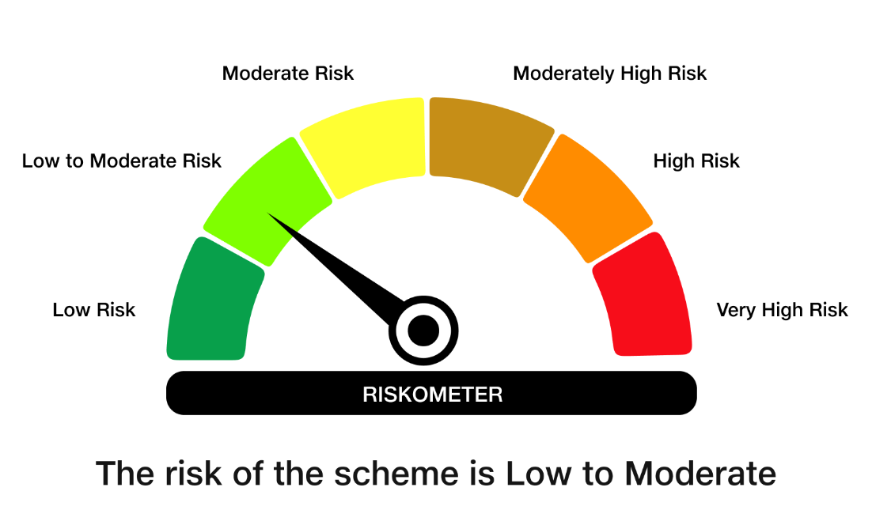

 | Benchmark Risk-O-Meter
 | Benchmark Name - NIFTY Short Duration Debt Index A-II

