JBN8-13
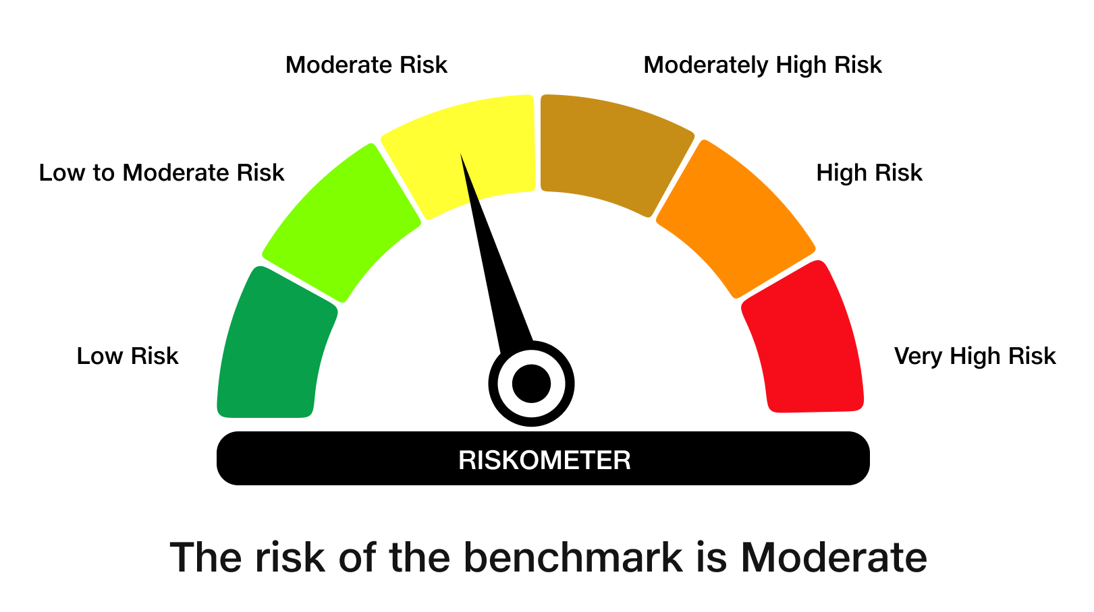
 | JioBlackRock Nifty 8-13 yr G-Sec Index Fund
-
 | Monthly Portfolio Statement as on May 31, 2026
 | Name of the Instrument | ISIN | Rating | Quantity | Market/Fair Value (Rs. in Lakhs) | % to Net Assets | Yield to Maturity | Yield to Call ^
 | Government Securities
 | 6.48% GOI 2035 (06-OCT-2035) | IN0020250091 | SOVEREIGN | 2,016,100 | 1,944.22 | 65.61 | 7.13%
 | 6.33% GOI 2035 (05-MAY-2035) | IN0020250026 | SOVEREIGN | 775,000 | 746.79 | 25.20 | 7.00%
 | 6.94% GOI 2036 (11-MAY-2036) | IN0020260025 | SOVEREIGN | 245,000 | 244.36 | 8.25 | 7.10%
 | Total |  |  |  | 2,935.37 | 99.06

 | TREPS |  |  |  | 14.28 | 0.48 | 5.35%

 | Net Receivables / (Payables) |  |  |  | 13.66 | 0.46
 | Grand Total |  |  |  | 2,963.32 | 100.00

 | ^ It is disclosed for Perpetual Bond issued by Banks (i.e. AT-1 Bond / Tier 1 Bond / Tier 2 Bond), as per AMFI Best Practices Guidelines Circular no. 91/2020-21 dated March 24, 2021 on Valuation of AT-1 Bonds and Tier 2 Bonds. As per SEBI Circular SEBI/HO/IMD/PoD1/CIR/P/2024/106 dated August 05, 2024, valuation of AT-1 Bonds are done on Yield to Call basis w.e.f. August 07, 2024. YTC of AT-1 Bonds are now same as it’s YTM% and hence it is not disclosed separately under YTC%.

 | Debt Index Replication Factor (DIRF) : 99.06%

 | Notes

 | (1) There is no security which is in default beyond its maturity/ interest payment date.
 | (2) Plan/ Option wise per unit net asset value are as follows:

 | Plan/ Option | As on April 30, 2026 | As on May 29, 2026
 | Direct Plan - Growth Option | 10.1197 | 10.1945

 | (3) There was no distribution (of income and capital) during the month ended May 31, 2026.
 | (4) Total outstanding exposure in derivative instruments as on May 31, 2026 is Rs. Nil.
 | (5) Total market value of investments in foreign securities/ American Depository Receipts/ Global Depository Receipts as at May 31, 2026 is Rs. Nil.
 | (6) The average maturity period of the portfolio is 9.29 years.
 | (7) Repo transactions in corporate debt securities as on May 31, 2026 is Rs. Nil.

 | Scheme Risk-O-Meter

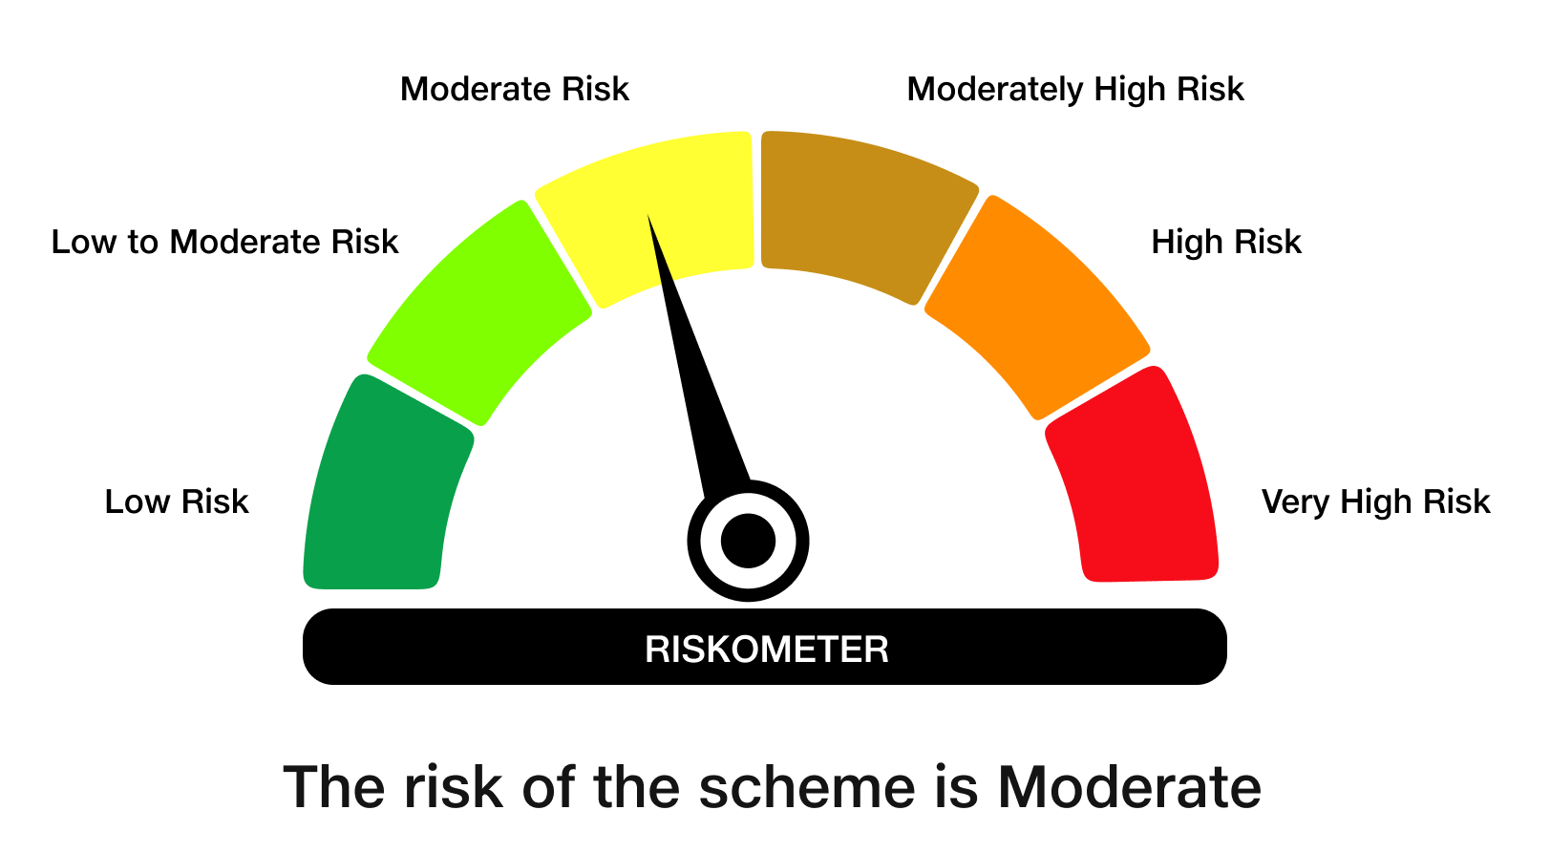

 | Benchmark Risk-O-Meter
 | Benchmark Name - NIFTY 8-13 yr G-Sec

