JBSHORT

 | JioBlackRock Short Duration Fund
-
 | Monthly Portfolio Statement as on May 31, 2026
 | Name of the Instrument | ISIN | Rating | Quantity | Market/Fair Value (Rs. in Lakhs) | % to Net Assets | Yield to Maturity | Yield to Call ^
 | Money Market Instruments
 | Certificate of Deposit
 | Small Industries Development Bank of India (26-Feb-2027) ** | INE556F16CC2 | CARE A1+ | 480 | 2,266.70 | 15.82 | 7.95%
 | HDFC Bank Ltd (05-Mar-2027) ** | INE040A16IU7 | CRISIL A1+ | 360 | 1,698.49 | 11.85 | 7.88%
 | Canara Bank (25-Mar-2027) ** | INE476A16I26 | ICRA A1+ | 300 | 1,410.52 | 9.84 | 7.80%
 | National Bank For Agriculture & Rural Development (02-Mar-2027) ** | INE261F16AM2 | CRISIL A1+ | 200 | 944.35 | 6.59 | 7.85%
 | National Bank For Agriculture & Rural Development (10-Mar-2027) ** | INE261F16AO8 | CRISIL A1+ | 160 | 754.26 | 5.26 | 7.85%
 | Canara Bank (12-Mar-2027) ** | INE476A16H92 | ICRA A1+ | 40 | 188.56 | 1.32 | 7.80%
 | Sub Total |  |  |  | 7,262.88 | 50.68
 | Total |  |  |  | 7,262.88 | 50.68
 | Government Securities
 | 6.48% GOI 2035 (06-OCT-2035) | IN0020250091 | SOVEREIGN | 1,000,000 | 964.35 | 6.73 | 7.13%
 | 6.68% GOI 2033 (27-JAN-2033) | IN0020250133 | SOVEREIGN | 500,000 | 491.85 | 3.43 | 7.11%
 | 6.36% GOI 2031 (16-FEB-2031) | IN0020250141 | SOVEREIGN | 500,000 | 490.79 | 3.42 | 6.94%
 | Total |  |  |  | 1,946.99 | 13.59

 | TREPS |  |  |  | 5,106.78 | 35.64 | 5.35%

 | Net Receivables / (Payables) |  |  |  | 13.75 | 0.10
 | Grand Total |  |  |  | 14,330.40 | 100.00

 | ** Non Traded Security

 | ^ It is disclosed for Perpetual Bond issued by Banks (i.e. AT-1 Bond / Tier 1 Bond / Tier 2 Bond), as per AMFI Best Practices Guidelines Circular no. 91/2020-21 dated March 24, 2021 on Valuation of AT-1 Bonds and Tier 2 Bonds. As per SEBI Circular SEBI/HO/IMD/PoD1/CIR/P/2024/106 dated August 05, 2024, valuation of AT-1 Bonds are done on Yield to Call basis w.e.f. August 07, 2024. YTC of AT-1 Bonds are now same as it’s YTM% and hence it is not disclosed separately under YTC%.

 | Notes

 | (1) There is no security which is in default beyond its maturity/ interest payment date.
 | (2) Plan/ Option wise per unit net asset value are as follows:

 | Plan/ Option | As on April 30, 2026 | As on May 29, 2026
 | Direct Plan - Growth Option | 1013.4167 | 1015.0931

 | (3) There was no distribution (of income and capital) during the month ended May 31, 2026.
 | (4) Total outstanding exposure in derivative instruments as on May 31, 2026 is Rs. Nil.
 | (5) Total market value of investments in foreign securities/ American Depository Receipts/ Global Depository Receipts as at May 31, 2026 is Rs. Nil.
 | (6) The average maturity period of the portfolio is 1.42 years.
 | (7) Repo transactions in corporate debt securities as on May 31, 2026 is Rs. Nil.

 | Scheme Risk-O-Meter
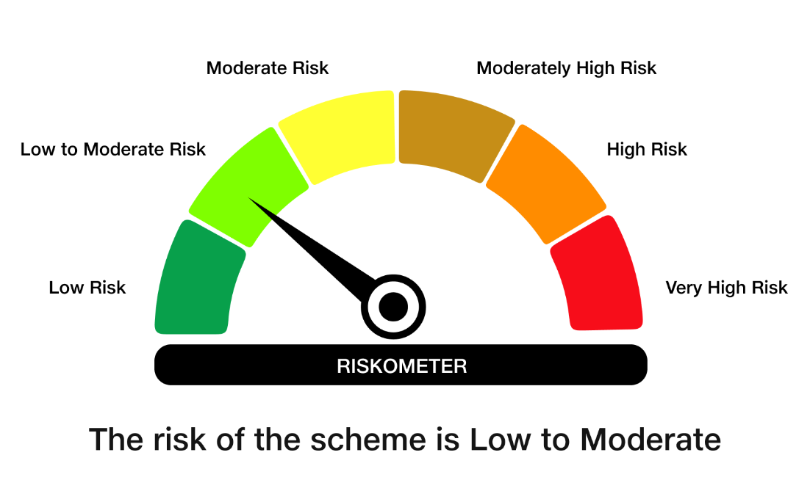

 | Benchmark Risk-O-Meter
 | Benchmark Name - NIFTY Short Duration Debt Index A-II

