Sheet1
NAVI MUTUAL FUND
Navi Liquid Fund
Monthly Portfolio Statement for the month ended 31 Aug 2025
Name of the Instrument | ISIN | Industry/Rating | Quantity | Market/Fair Value (Rs. in Lacs) | % to Net Assets | YIELD
Debt Instruments
(a)Listed / awaiting listing on Stock Exchanges
7.75% SIDBI (27/10/2025) ** | INE556F08KD0 | ICRA AAA | 500000 | 501.13 | 7.23% | 6.12 %
8.25% LIC HOUSING FINANCE LIMITED (23/10/2025) ** | INE115A07IF7 | CRISIL AAA | 500000 | 501.27 | 7.23% | 6.03 %
7.89% SUNDARAM FINANCE LIMITED (22/09/2025) ** | INE660A07RP2 | ICRA AAA | 500000 | 500.34 | 7.22% | 6.26 %
6.50% POWER FINANCE CORPORATION LIMITED (17/09/2025) ** | INE134E08LD7 | CRISIL AAA | 500000 | 500.04 | 7.21% | 5.95 %
8.23% Gujrat SDL - 09-Sep-2025 ** | IN1520150047 | SOVEREIGN | 247400 | 247.54 | 3.57% | 5.62 %
8.24% Tamil Nadu SDL - 09-Sep-2025 ** | IN3120150104 | SOVEREIGN | 148400 | 148.48 | 2.14% | 5.62 %
Sub Total |  |  |  | 2,398.79 | 34.60%

(b)Privately Placed/ Unlisted
Sub Total |  |  |  | 0.00 | 0.00%

(c)Securitized Debt Instruments
Sub Total |  |  |  | 0.00 | 0.00%

Total |  |  |  | 2,398.79 | 34.60%

Money Market Instruments
(a)Certificate of Deposit
AXIS BANK LIMITED (04/09/2025)# | INE238AD6900 | CRISIL A1+ | 500000 | 499.77 | 7.21% | 5.70 %
CANARA BANK (03/09/2025)# | INE476A16ZA9 | CRISIL A1+ | 500000 | 499.85 | 7.21% | 5.58 %
BANK OF BARODA (18/09/2025)# | INE028A16JB0 | IND A1+ | 500000 | 498.67 | 7.19% | 5.74 %
Sub Total |  |  |  | 1,498.28 | 21.61%

(b)Commercial Paper
ICICI SECURITIES LIMITED (04/09/2025) ** | INE763G14YW9 | CRISIL A1+ | 500000 | 499.75 | 7.21% | 6.16 %
BAJAJ FINANCIAL SECURITIES LIMITED (13/11/2025) ** | INE01C314CJ2 | CRISIL A1+ | 500000 | 493.60 | 7.12% | 6.48 %
TIME TECHNOPLAST LIMITED (07/11/2025) ** | INE508G14HW3 | CRISIL A1+ | 500000 | 493.21 | 7.11% | 7.50 %
Sub Total |  |  |  | 1,486.56 | 21.44%

(c)Treasury Bills
91 DAYS TREASURY BILL 09-OCT-2025 | IN002025X158 | SOVEREIGN | 500000 | 497.18 | 7.17% | 5.44 %
Sub Total |  |  |  | 497.18 | 7.17%

Total |  |  |  | 3,482.02 | 50.22%

Others
(a)Fixed Deposit
Sub Total |  |  |  | 0.00 | 0.00%

(b)Exchange Traded Funds
Sub Total |  |  |  | 0.00 | 0.00%

(c)CDMDF_AIF
Corporate Debt Market Development Fund | INF0RQ622028 |  | 401 | 45.41 | 0.65%
Sub Total |  |  |  | 45.41 | 0.65%

Total |  |  |  | 45.41 | 0.65%

TREPS/Reverse Repo/Net Current Assets/Cash/Cash Equivalent |  |  |  | 1,007.03 | 14.53%

Grand Total |  |  |  | 6,933.25 | 100.00%

** Non Traded Security
# Unlisted Security

This product is suitable for investors who are seeking*
· Income over short term.

· Investments in debt and money market Instruments

*Investors should consult their financial advisers if in doubt about whether the product is suitable for them
Benchmark Riskometer- Crisil Liquid Debt A-I Index

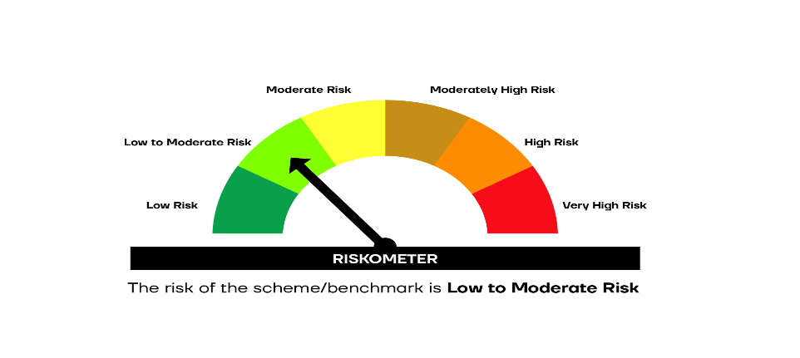

SCHEME RISKOMETER | BENCHMARK RISKOMETER

