Sheet1
NAVI MUTUAL FUND
Navi Liquid Fund
Monthly Portfolio Statement for the month ended 31 Jul 2025
Name of the Instrument | ISIN | Industry/Rating | Quantity | Market/Fair Value (Rs. in Lacs) | % to Net Assets | YIELD
Debt Instruments
(a)Listed / awaiting listing on Stock Exchanges
8.26% MAHARASHTRA SDL 12.08.2025 | IN2220150063 | SOVEREIGN | 1000000 | 1000.83 | 12.67% | 5.42 %
7.89% SUNDARAM FINANCE LIMITED (22/09/2025) ** | INE660A07RP2 | ICRA AAA | 500000 | 500.72 | 6.34% | 6.43 %
6.50% POWER FINANCE CORPORATION LIMITED (17/09/2025) ** | INE134E08LD7 | CRISIL AAA | 500000 | 500.13 | 6.33% | 5.96 %
7.70% HDB FINANCIAL SERVICES LIMITED (11/08/2025) ** | INE756I07EG8 | CRISIL AAA | 500000 | 500.10 | 6.33% | 6.46 %
8.58% LIC HOUSING FINANCE LIMITED (01/08/2025) ** | INE115A07HT0 | CRISIL AAA | 500000 | 500.00 | 6.33% | 5.81 %
8.23% Gujrat SDL - 09-Sep-2025 | IN1520150047 | SOVEREIGN | 247400 | 248.07 | 3.14% | 5.42 %
8.24% Tamil Nadu SDL - 09-Sep-2025 | IN3120150104 | SOVEREIGN | 148400 | 148.80 | 1.88% | 5.42 %
Sub Total |  |  |  | 3,398.65 | 43.02%

(b)Privately Placed/ Unlisted
Sub Total |  |  |  | 0.00 | 0.00%

(c)Securitized Debt Instruments
Sub Total |  |  |  | 0.00 | 0.00%

Total |  |  |  | 3,398.65 | 43.02%

Money Market Instruments
(a)Certificate of Deposit
AXIS BANK LIMITED (04/09/2025) **# | INE238AD6900 | CRISIL A1+ | 500000 | 497.35 | 6.30% | 5.72 %
CANARA BANK (03/09/2025) **# | INE476A16ZA9 | CRISIL A1+ | 500000 | 497.42 | 6.30% | 5.74 %
BANK OF BARODA (18/09/2025) **# | INE028A16JB0 | IND A1+ | 500000 | 496.27 | 6.28% | 5.71 %
Sub Total |  |  |  | 1,491.04 | 18.88%

(b)Commercial Paper
AXIS FINANCE LIMITED (13/08/2025) ** | INE891K14OY7 | CRISIL A1+ | 500000 | 499.00 | 6.32% | 6.11 %
ICICI SECURITIES LIMITED (04/09/2025) ** | INE763G14YW9 | CRISIL A1+ | 500000 | 497.14 | 6.29% | 6.17 %
Sub Total |  |  |  | 996.14 | 12.61%

(c)Treasury Bills
91 DAYS TREASURY BILL 01-AUG-2025 | IN002025X059 | SOVEREIGN | 1000000 | 1000.00 | 12.66% | 5.29 %
Sub Total |  |  |  | 1,000.00 | 12.66%

Total |  |  |  | 3,487.18 | 44.15%

Others
(a)Fixed Deposit
Sub Total |  |  |  | 0.00 | 0.00%

(b)Exchange Traded Funds
Sub Total |  |  |  | 0.00 | 0.00%

(c)CDMDF_AIF
Corporate Debt Market Development Fund | INF0RQ622028 |  | 401 | 45.24 | 0.57%
Sub Total |  |  |  | 45.24 | 0.57%

Total |  |  |  | 45.24 | 0.57%

TREPS/Reverse Repo/Net Current Assets/Cash/Cash Equivalent |  |  |  | 968.64 | 12.26%

Grand Total |  |  |  | 7,899.72 | 100.00%

** Non Traded Security
# Unlisted Security

This product is suitable for investors who are seeking*
· Income over short term.

· Investments in debt and money market Instruments

*Investors should consult their financial advisers if in doubt about whether the product is suitable for them
Benchmark Riskometer- Crisil Liquid Debt A-I Index

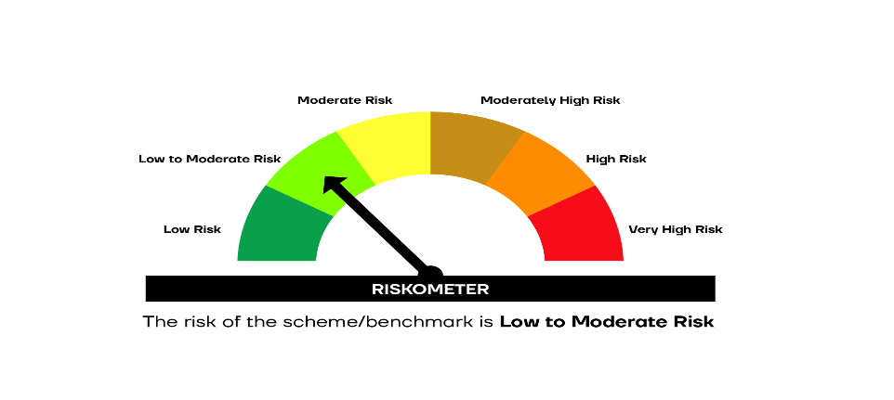

SCHEME RISKOMETER | BENCHMARK RISKOMETER

