Sheet1
NAVI MUTUAL FUND
Navi Liquid Fund
Monthly Portfolio Statement for the month ended 30 Jun 2025
Name of the Instrument | ISIN | Industry/Rating | Quantity | Market/Fair Value (Rs. in Lacs) | % to Net Assets | YIELD
Debt Instruments
(a)Listed / awaiting listing on Stock Exchanges
7.19% INDIAN RAILWAY FINANCE CORPORATION LTD (31/07/2025) ** | INE053F07777 | CRISIL AAA | 500000 | 500.75 | 4.72% | 5.29 %
7.89% SUNDARAM FINANCE LIMITED (22/09/2025) ** | INE660A07RP2 | ICRA AAA | 500000 | 501.29 | 4.72% | 6.35 %
8.58% LIC HOUSING FINANCE LIMITED (01/08/2025) ** | INE115A07HT0 | CRISIL AAA | 500000 | 500.81 | 4.72% | 6.19 %
5.70% NABARD (31/07/2025) ** | INE261F08DK7 | ICRA AAA | 500000 | 499.75 | 4.71% | 6.00 %
5.78% CHENNAI PETROLEUM CORPORATION LIMITED (17/07/2025) ** | INE178A08029 | ICRA AAA | 500000 | 499.82 | 4.71% | 6.25 %
6.50% POWER FINANCE CORPORATION LIMITED (17/09/2025) ** | INE134E08LD7 | CRISIL AAA | 500000 | 500.23 | 4.71% | 5.98 %
7.70% HDB FINANCIAL SERVICES LIMITED (11/08/2025) | INE756I07EG8 | CRISIL AAA | 500000 | 500.30 | 4.71% | 6.70 %
Sub Total |  |  |  | 3,502.95 | 33.00%

(b)Privately Placed/ Unlisted
Sub Total |  |  |  | 0.00 | 0.00%

(c)Securitized Debt Instruments
Sub Total |  |  |  | 0.00 | 0.00%

Total |  |  |  | 3,502.95 | 33.00%

Money Market Instruments
(a)Certificate of Deposit
KOTAK MAHINDRA BANK LIMITED (24/07/2025) **# | INE237A161Y7 | CRISIL A1+ | 700000 | 697.44 | 6.57% | 5.82 %
ICICI BANK LIMITED (25/07/2025) | INE090AD6170 | ICRA A1+ | 500000 | 498.09 | 4.69% | 5.83 %
AXIS BANK LIMITED (04/09/2025) | INE238AD6900 | CRISIL A1+ | 500000 | 494.87 | 4.66% | 5.82 %
BANK OF BARODA (18/09/2025) **# | INE028A16JB0 | IND A1+ | 500000 | 493.79 | 4.65% | 5.81 %
Sub Total |  |  |  | 2,184.19 | 20.57%

(b)Commercial Paper
AXIS FINANCE LIMITED (13/08/2025) ** | INE891K14OY7 | CRISIL A1+ | 500000 | 496.33 | 4.67% | 6.27 %
ICICI SECURITIES LIMITED (04/09/2025) ** | INE763G14YW9 | CRISIL A1+ | 500000 | 494.48 | 4.66% | 6.27 %
Sub Total |  |  |  | 990.82 | 9.33%

(c)Treasury Bills
91 DAYS TREASURY BILL 24-JUL-2025 | IN002025X042 | SOVEREIGN | 1000000 | 996.67 | 9.39% | 5.31 %
91 DAYS TREASURY BILL 01-AUG-2025 | IN002025X059 | SOVEREIGN | 1000000 | 995.48 | 9.38% | 5.35 %
Sub Total |  |  |  | 1,992.15 | 18.77%

Total |  |  |  | 5,167.15 | 48.67%

Others
(a)Fixed Deposit
Sub Total |  |  |  | 0.00 | 0.00%

(b)Exchange Traded Funds
Sub Total |  |  |  | 0.00 | 0.00%

(c)CDMDF_AIF
Corporate Debt Market Development Fund | INF0RQ622028 |  | 401 | 45.06 | 0.42%
Sub Total |  |  |  | 45.06 | 0.42%

Total |  |  |  | 45.06 | 0.42%

TREPS/Reverse Repo/Net Current Assets/Cash/Cash Equivalent |  |  |  | 1,902.75 | 17.91%

Grand Total |  |  |  | 10,617.91 | 100.00%

** Non Traded Security
# Unlisted Security

This product is suitable for investors who are seeking*
· Income over short term.

· Investments in debt and money market Instruments

*Investors should consult their financial advisers if in doubt about whether the product is suitable for them
Benchmark Riskometer- Crisil Liquid Debt A-I Index

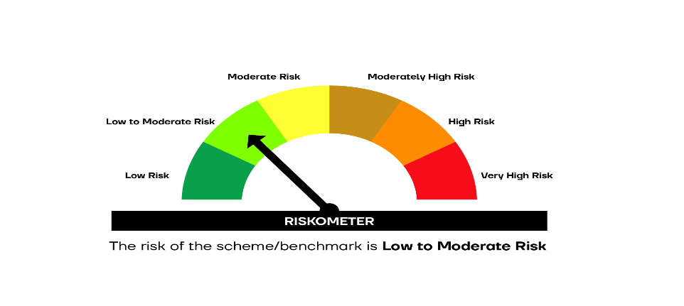

SCHEME RISKOMETER | BENCHMARK RISKOMETER

