Sheet1
NAVI MUTUAL FUND
Navi Liquid Fund
Monthly Portfolio Statement for the month ended 30 Sep 2025
Name of the Instrument | ISIN | Industry/Rating | Quantity | Market/Fair Value (Rs. in Lacs) | % to Net Assets | YIELD
Debt Instruments
(a)Listed / awaiting listing on Stock Exchanges
7.75% SIDBI (27/10/2025) ** | INE556F08KD0 | ICRA AAA | 500000 | 500.55 | 8.07% | 6.15 %
7.99% RESERVE BANK OF INDIA (28/10/2025) ** | IN2020150099 | SOVEREIGN | 500000 | 500.86 | 8.07% | 5.58 %
8.25% LIC HOUSING FINANCE LIMITED (23/10/2025) ** | INE115A07IF7 | CRISIL AAA | 500000 | 500.49 | 8.07% | 6.15 %
Sub Total |  |  |  | 1,501.90 | 24.21%

(b)Privately Placed/ Unlisted
Sub Total |  |  |  | 0.00 | 0.00%

(c)Securitized Debt Instruments
Sub Total |  |  |  | 0.00 | 0.00%

Total |  |  |  | 1,501.90 | 24.21%

Money Market Instruments
(a)Certificate of Deposit
ICICI BANK LIMITED (14/11/2025) **# | INE090AD6204 | ICRA A1+ | 500000 | 496.53 | 8.00% | 5.80 %
Sub Total |  |  |  | 496.53 | 8.00%

(b)Commercial Paper
BAJAJ FINANCIAL SECURITIES LIMITED (13/11/2025) ** | INE01C314CJ2 | CRISIL A1+ | 500000 | 496.07 | 8.00% | 6.72 %
TIME TECHNOPLAST LIMITED (07/11/2025) ** | INE508G14HW3 | CRISIL A1+ | 500000 | 496.25 | 8.00% | 7.46 %
NABARD (10/12/2025) ** | INE261F14OC9 | CRISIL A1+ | 500000 | 494.49 | 7.97% | 5.82 %
Sub Total |  |  |  | 1,486.81 | 23.97%

(c)Treasury Bills
91 DAYS TREASURY BILL 09-OCT-2025 | IN002025X158 | SOVEREIGN | 500000 | 499.41 | 8.05% | 5.40 %
364 DAYS TREASURY BILL 13-NOV-2025 | IN002024Z313 | SOVEREIGN | 1000000 | 993.68 | 16.02% | 5.40 %
Sub Total |  |  |  | 1,493.09 | 24.07%

Total |  |  |  | 3,476.42 | 56.04%

Others
(a)Fixed Deposit
Sub Total |  |  |  | 0.00 | 0.00%

(b)Exchange Traded Funds
Sub Total |  |  |  | 0.00 | 0.00%

(c)CDMDF_AIF
Corporate Debt Market Development Fund | INF0RQ622028 |  | 401 | 45.63 | 0.74%
Sub Total |  |  |  | 45.63 | 0.74%

Total |  |  |  | 45.63 | 0.74%

TREPS/Reverse Repo/Net Current Assets/Cash/Cash Equivalent |  |  |  | 1,180.00 | 19.01%

Grand Total |  |  |  | 6,203.95 | 100.00%

** Non Traded Security
# Unlisted Security

This product is suitable for investors who are seeking*
· Income over short term.

· Investments in debt and money market Instruments

*Investors should consult their financial advisers if in doubt about whether the product is suitable for them
Benchmark Riskometer- Crisil Liquid Debt A-I Index

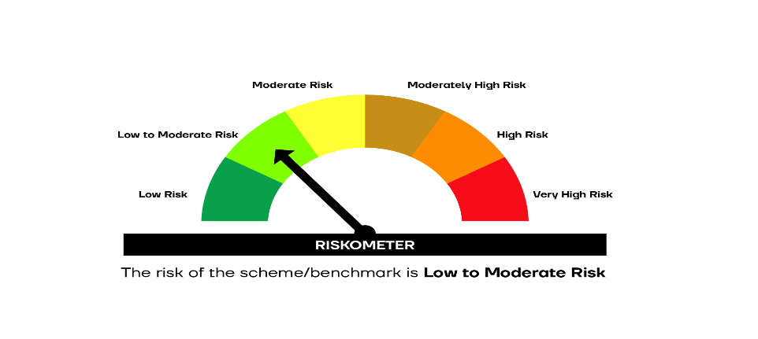

SCHEME RISKOMETER | BENCHMARK RISKOMETER

