Sheet1
NAVI MUTUAL FUND
Navi Liquid Fund
Monthly Portfolio Statement for the month ended 30 Nov 2025
Name of the Instrument | ISIN | Industry/Rating | Quantity | Market/Fair Value (Rs. in Lacs) | % to Net Assets | YIELD
Debt Instruments
(a)Listed / awaiting listing on Stock Exchanges
9.25% SHRIRAM FINANCE LIMITED (19/12/2025) ** | INE721A07RU2 | CARE AA+ | 400000 | 400.31 | 6.47% | 7.04 %
7.59% GOVERNMENT OF INDIA (11/01/2026) ** | IN0020150093 | SOVEREIGN | 342400 | 343.20 | 5.54% | 5.26 %
8.38% GOVERNMENT OF TAMIL NADU (27/01/2026) ** | IN3120150187 | SOVEREIGN | 66000 | 66.28 | 1.07% | 5.49 %
Sub Total |  |  |  | 809.79 | 13.08%

(b)Privately Placed/ Unlisted
Sub Total |  |  |  | 0.00 | 0.00%

(c)Securitized Debt Instruments
Sub Total |  |  |  | 0.00 | 0.00%

Total |  |  |  | 809.79 | 13.08%

Money Market Instruments
(a)Certificate of Deposit
KOTAK MAHINDRA BANK LIMITED (15/01/2026) **# | INE237A162Z2 | CRISIL A1+ | 500000 | 496.30 | 8.02% | 6.04 %
HDFC BANK LIMITED (04/02/2026) | INE040A16GE5 | CRISIL A1+ | 500000 | 494.67 | 7.99% | 6.05 %
CANARA BANK (26/12/2025) **# | INE476A16ZW3 | CRISIL A1+ | 300000 | 298.80 | 4.83% | 5.85 %
Sub Total |  |  |  | 1,289.78 | 20.84%

(b)Commercial Paper
NABARD (10/12/2025) ** | INE261F14OC9 | CRISIL A1+ | 500000 | 499.28 | 8.07% | 5.88 %
POWER FINANCE CORPORATION LIMITED (15/12/2025) ** | INE134E14AT4 | CRISIL A1+ | 500000 | 498.88 | 8.06% | 5.85 %
BAJAJ FINANCE LIMITED (13/02/2026) ** | INE01C314DI2 | CRISIL A1+ | 500000 | 493.38 | 7.97% | 6.62 %
TIME TECHNOPLAST LIMITED (09/02/2026) ** | INE508G14IB5 | CRISIL A1+ | 500000 | 492.94 | 7.96% | 7.47 %
Sub Total |  |  |  | 1,984.48 | 32.06%

(c)Treasury Bills
91 DAYS TREASURY BILL 02-JAN-2026 | IN002025X273 | SOVEREIGN | 1000000 | 995.33 | 16.08% | 5.35 %
Sub Total |  |  |  | 995.33 | 16.08%

Total |  |  |  | 4,269.59 | 68.98%

Others
(a)Fixed Deposit
Sub Total |  |  |  | 0.00 | 0.00%

(b)Exchange Traded Funds
Sub Total |  |  |  | 0.00 | 0.00%

(c)CDMDF_AIF
Corporate Debt Market Development Fund | INF0RQ622028 |  | 401 | 46.06 | 0.74%
Sub Total |  |  |  | 46.06 | 0.74%

Total |  |  |  | 46.06 | 0.74%

TREPS/Reverse Repo/Net Current Assets/Cash/Cash Equivalent |  |  |  | 1,064.58 | 17.20%

Grand Total |  |  |  | 6,190.02 | 100.00%

** Non Traded Security
# Unlisted Security

This product is suitable for investors who are seeking*
· Income over short term.

· Investments in debt and money market Instruments

*Investors should consult their financial advisers if in doubt about whether the product is suitable for them
Benchmark Riskometer- Crisil Liquid Debt A-I Index

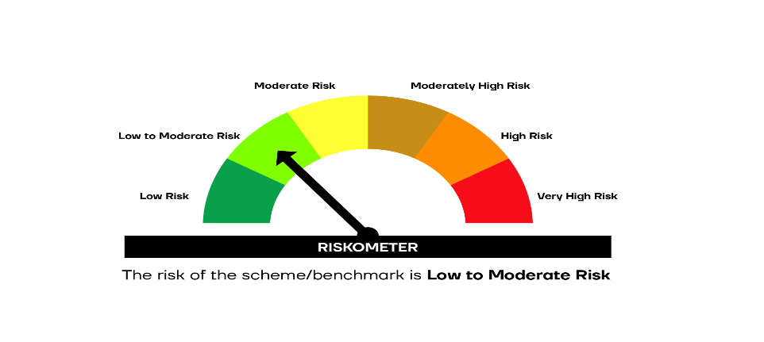

SCHEME RISKOMETER | BENCHMARK RISKOMETER

