Sheet1
NAVI MUTUAL FUND
Navi Liquid Fund
Monthly Portfolio Statement for the month ended 31 Oct 2025
Name of the Instrument | ISIN | Industry/Rating | Quantity | Market/Fair Value (Rs. in Lacs) | % to Net Assets | YIELD
Debt Instruments
(a)Listed / awaiting listing on Stock Exchanges
7.79% REC LIMITED (29/11/2025) ** | INE020B08ET5 | ICRA AAA | 500000 | 500.50 | 7.58% | 6.04 %
9.25% SHRIRAM FINANCE LIMITED (19/12/2025) | INE721A07RU2 | CARE AA+ | 400000 | 400.76 | 6.07% | 7.22 %
7.59% RESERVE BANK OF INDIA (11/01/2026) ** | IN0020150093 | SOVEREIGN | 342400 | 343.66 | 5.20% | 5.55 %
Sub Total |  |  |  | 1,244.92 | 18.85%

(b)Privately Placed/ Unlisted
Sub Total |  |  |  | 0.00 | 0.00%

(c)Securitized Debt Instruments
Sub Total |  |  |  | 0.00 | 0.00%

Total |  |  |  | 1,244.92 | 18.85%

Money Market Instruments
(a)Certificate of Deposit
ICICI BANK LIMITED (14/11/2025) **# | INE090AD6204 | ICRA A1+ | 500000 | 498.97 | 7.56% | 5.81 %
KOTAK MAHINDRA BANK LIMITED (15/01/2026) **# | INE237A162Z2 | CRISIL A1+ | 500000 | 493.91 | 7.48% | 6.00 %
CANARA BANK (26/12/2025) # | INE476A16ZW3 | CRISIL A1+ | 300000 | 297.37 | 4.50% | 5.86 %
Sub Total |  |  |  | 1,290.25 | 19.54%

(b)Commercial Paper
BAJAJ FINANCIAL SECURITIES LIMITED (13/11/2025) ** | INE01C314CJ2 | CRISIL A1+ | 500000 | 498.96 | 7.56% | 6.35 %
TIME TECHNOPLAST LIMITED (07/11/2025) ** | INE508G14HW3 | CRISIL A1+ | 500000 | 499.38 | 7.56% | 7.50 %
NABARD (10/12/2025) | INE261F14OC9 | CRISIL A1+ | 500000 | 496.85 | 7.52% | 5.94 %
POWER FINANCE CORPORATION LIMITED (15/12/2025) ** | INE134E14AT4 | CRISIL A1+ | 500000 | 496.45 | 7.52% | 5.94 %
Sub Total |  |  |  | 1,991.64 | 30.16%

(c)Treasury Bills
364 DAYS TREASURY BILL 13-NOV-2025 | IN002024Z313 | SOVEREIGN | 1000000 | 998.21 | 15.12% | 5.45 %
Sub Total |  |  |  | 998.21 | 15.12%

Total |  |  |  | 4,280.10 | 64.82%

Others
(a)Fixed Deposit
Sub Total |  |  |  | 0.00 | 0.00%

(b)Exchange Traded Funds
Sub Total |  |  |  | 0.00 | 0.00%

(c)CDMDF_AIF
Corporate Debt Market Development Fund | INF0RQ622028 |  | 401 | 45.85 | 0.69%
Sub Total |  |  |  | 45.85 | 0.69%

Total |  |  |  | 45.85 | 0.69%

TREPS/Reverse Repo/Net Current Assets/Cash/Cash Equivalent |  |  |  | 1,033.09 | 15.64%

Grand Total |  |  |  | 6,603.96 | 100.00%

** Non Traded Security
# Unlisted Security

This product is suitable for investors who are seeking*
· Income over short term.

· Investments in debt and money market Instruments

*Investors should consult their financial advisers if in doubt about whether the product is suitable for them
Benchmark Riskometer- Crisil Liquid Debt A-I Index

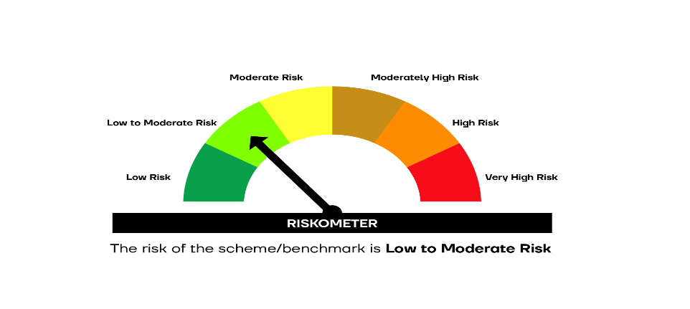

SCHEME RISKOMETER | BENCHMARK RISKOMETER

