Sheet1
NAVI MUTUAL FUND
Navi Liquid Fund
Monthly Portfolio Statement for the month ended 28 Feb 2026
Name of the Instrument | ISIN | Industry/Rating | Quantity | Market/Fair Value (Rs. in Lacs) | % to Net Assets | YIELD
Debt Instruments
(a)Listed / awaiting listing on Stock Exchanges
6.99% GOVERNMENT OF INDIA (17/04/2026) ** | IN0020230028 | SOVEREIGN | 1000000 | 1001.92 | 11.95% | 5.30 %
7.27% GOVERNMENT OF INDIA (08/04/2026) ** | IN0020190016 | SOVEREIGN | 1000000 | 1001.79 | 11.95% | 5.30 %
7.51% INDIAN RAILWAY FINANCE CORPORATION LTD (15/04/2026) ** | INE053F08288 | CRISIL AAA | 500000 | 500.19 | 5.97% | 7.00 %
7.92% BAJAJ HOUSING FINANCE LTD (16/03/2026) ** | INE377Y07375 | CRISIL AAA | 500000 | 500.32 | 5.97% | 5.93 %
Sub Total |  |  |  | 3,004.22 | 35.84%

(b)Privately Placed/ Unlisted
% SBI FUNDS MANAGEMENT PRIVATE LTD () ** | INF0RQ622028 |  | 401 | 46.75 | 0.56%
Sub Total |  |  |  | 46.75 | 0.56%

(c)Securitized Debt Instruments
Sub Total |  |  |  | 0.00 | 0.00%

Total |  |  |  | 3,050.97 | 36.40%

Money Market Instruments
(a)Certificate of Deposit
EXIM BANK (04/03/2026) | INE514E16CJ9 | CRISIL A1+ | 500000 | 499.78 | 5.96% | 5.43 %
INDIAN BANK (30/04/2026) | INE562A16PQ3 | CRISIL A1+ | 500000 | 494.14 | 5.90% | 7.22 %
BANK OF BARODA (25/05/2026) **# | INE028A16JR6 | IND A1+ | 500000 | 491.94 | 5.87% | 7.04 %
AXIS BANK LIMITED (04/03/2026) **# | INE238AD6AN0 | CRISIL A1+ | 350000 | 349.84 | 4.17% | 5.40 %
Sub Total |  |  |  | 1,835.70 | 21.90%

(b)Commercial Paper
NABARD (07/05/2026) ** | INE261F14OP1 | CRISIL A1+ | 700000 | 690.74 | 8.24% | 7.30 %
NTPC LIMITED (10/03/2026) ** | INE733E14BU9 | CRISIL A1+ | 500000 | 499.32 | 5.96% | 5.56 %
TIME TECHNOPLAST LIMITED (13/05/2026) ** | INE508G14IJ8 | CRISIL A1+ | 500000 | 492.07 | 5.87% | 8.06 %
HDFC SECURITIES LIMITED (03/03/2026) ** | INE700G14RE3 | CARE A1+ | 250000 | 249.92 | 2.98% | 6.20 %
Sub Total |  |  |  | 1,932.04 | 23.05%

(c)Treasury Bills
Sub Total |  |  |  | 0.00 | 0.00%

Total |  |  |  | 3,767.74 | 44.95%

TREPS/Reverse Repo/Net Current Assets/Cash/Cash Equivalent |  |  |  | 1,562.74 | 18.65%

Grand Total |  |  |  | 8,381.45 | 100.00%

** Non Traded Security
# Unlisted Security

This product is suitable for investors who are seeking*
· Income over short term.

· Investments in debt and money market Instruments

*Investors should consult their financial advisers if in doubt about whether the product is suitable for them
Benchmark Riskometer- Crisil Liquid Debt A-I Index

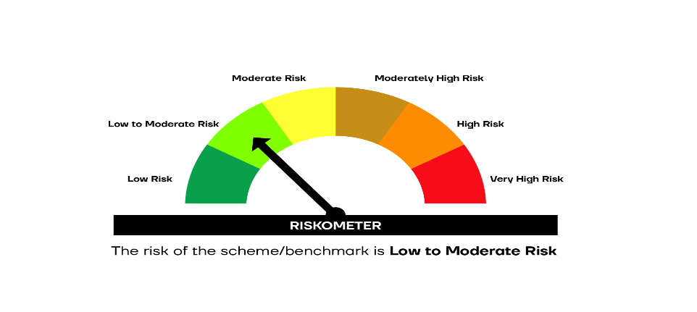

SCHEME RISKOMETER | BENCHMARK RISKOMETER

