Sheet1
 | NAVI MUTUAL FUND
 | Navi Liquid Fund
 | Monthly Portfolio Statement for the month ended 30 Apr 2026
 | Name of the Instrument | ISIN | Industry/Rating | Quantity | Market/Fair Value (Rs. in Lacs) | % to Net Assets | YIELD
 | Debt Instruments
 | (a)Listed / awaiting listing on Stock Exchanges
 | 7.80% REC LIMITED (30/05/2026) | INE020B08ES7 | ICRA AAA | 500000 | 500.43 | 6.59% | 6.26 %
 | 8.03% POWER FINANCE CORPORATION LIMITED (02/05/2026) ** | INE134E08IE1 | CRISIL AAA | 500000 | 500.02 | 6.59% | 5.81 %
 | 8.40% POWER GRID CORPORATION OF INDIA LIMITED (27/05/2026) ** | INE752E07MS4 | CRISIL AAA | 500000 | 500.53 | 6.59% | 6.41 %
 | Sub Total |  |  |  | 1,500.99 | 19.77%

 | (b)Privately Placed/ Unlisted
 | SBI FUNDS MANAGEMENT PRIVATE LTD ** | INF0RQ622028 |  | 401 | 47.09 | 0.62%
 | Sub Total |  |  |  | 47.09 | 0.62%

 | (c)Securitized Debt Instruments
 | Sub Total |  |  |  | 0.00 | 0.00%

 | Total |  |  |  | 1,548.08 | 20.39%

 | Money Market Instruments
 | (a)Certificate of Deposit
 | AXIS BANK LIMITED (15/05/2026) # | INE238AD6BA5 | CRISIL A1+ | 500000 | 498.85 | 6.57% | 6.00 %
 | BANK OF BARODA (25/05/2026) **# | INE028A16JR6 | IND A1+ | 500000 | 498.00 | 6.56% | 6.11 %
 | UNION BANK OF INDIA (25/06/2026) **# | INE692A16JQ1 | CRISIL AAA | 500000 | 495.36 | 6.52% | 6.21 %
 | Sub Total |  |  |  | 1,492.22 | 19.65%

 | (b)Commercial Paper
 | NABARD (07/05/2026) | INE261F14OP1 | CRISIL A1+ | 700000 | 699.30 | 9.21% | 6.10 %
 | TIME TECHNOPLAST LIMITED (13/05/2026) ** | INE508G14IJ8 | CRISIL A1+ | 500000 | 498.86 | 6.57% | 6.98 %
 | ICICI SECURITIES LIMITED (11/06/2026) ** | INE763G14F84 | CRISIL A1+ | 500000 | 496.30 | 6.54% | 6.64 %
 | Sub Total |  |  |  | 1,694.45 | 22.32%

 | (c)Treasury Bills
 | 364 DAYS TREASURY BILL 16-JUL-2026 | IN002025Z161 | SOVEREIGN | 1000000 | 989.14 | 13.03% | 5.27 %
 | Sub Total |  |  |  | 989.14 | 13.03%

 | Total |  |  |  | 4,175.81 | 55.00%

 | TREPS/Reverse Repo/Net Current Assets/Cash/Cash Equivalent |  |  |  | 1,869.25 | 24.61%

 | Grand Total |  |  |  | 7,593.14 | 100.00%

 | ** Non Traded Security
 | # Unlisted Security

 | Notes
1 | The provision made for investment in security below investment grade As on April 30, 2026 is Rs NIL and its percentage to Net Asset Value is NIL.

2 | Aggregate value of illiquid securities of the fund amounts to Rs. NIL and their percentage to Net Asset value is NIL.

3 | Plan/option wise per unit Net Asset Value are as follows:
 | Plan/Option | As on April 30, 2026 | As on March 31, 2026
112636 | Regular Plan Growth | 29.7184 | 29.5622
112645 | Regular Plan Daily IDCW | 10.0129 | 10.0146
112646 | Regular Weekly IDCW | 10.0082 | 10.0063
112647 | Regular Monthly IDCW | 10.0196 | 10.0198
119164 | Direct Growth | 29.9956 | 29.8365
119163 | Direct Daily IDCW | 10.0129 | 10.0146
119162 | Direct Weekly IDCW | 10.0078 | 10.0059
119161 | Direct Monthly IDCW | 10.0198 | 10.0199
139386 | Unclaimed Redemption and Dividend Plan - Growth - Less than 3 Yrs | 29.8943 | 29.7358
140437 | Unclaimed Redemption and Dividend Plan - Growth - Greater than 3 Yrs | 10.0000 | 10.0017

4 | Details of Dividend declared per unit (In Rupees) Monthly are as follows
 |  | Individual / HUF | Others
 | Direct Daily IDCW | 0.05652042 | 0.05652042
 | Direct Monthly IDCW | 0.05337939 | 0.05337939
 | Direct Weekly IDCW | 0.05130311 | 0.05130311
 | Regular Plan Daily IDCW | 0.05874301 | 0.05874301
 | Regular Monthly IDCW | 0.05288794 | 0.05288794
 | Regular Weekly IDCW | 0.05081153 | 0.05081153

5 | Total outstanding exposure in derivative instruments As on April 30, 2026 is NIL.

6 | Total Market value of investments in Foreign Securities/American Depositary Receipts/Global Depositary Receipts as at April 30, 2026 is Rs. NIL

7 | The Average Maturity Period of the Portfolio has been 25.55 days

8 | Investment in Short Term Deposit pending Deployment - NIL

9 | Investment in Securitised Debt - NIL

10 | Repo in Corporate Debt : NIL

 | This product is suitable for investors who are seeking*
 | · Income over short term.

 | · Investments in debt and money market Instruments

 | *Investors should consult their financial advisers if in doubt about whether the product is suitable for them
 | Benchmark Riskometer- Crisil Liquid Debt A-I Index

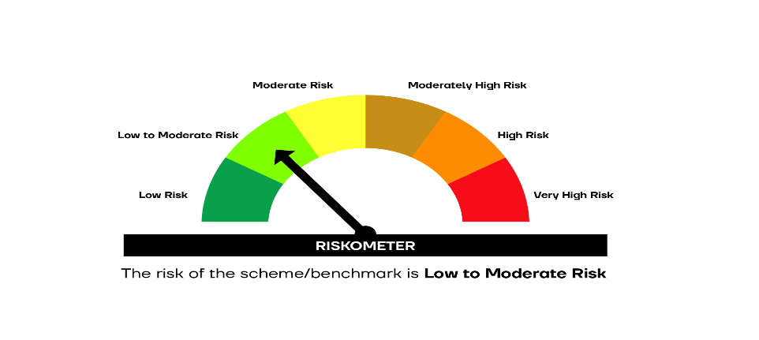

 | SCHEME RISKOMETER | BENCHMARK RISKOMETER

