Sheet1
NAVI MUTUAL FUND
Navi Liquid Fund
Monthly Portfolio Statement for the month ended 31 Dec 2025
Name of the Instrument | ISIN | Industry/Rating | Quantity | Market/Fair Value (Rs. in Lacs) | % to Net Assets | YIELD
Debt Instruments
(a)Listed / awaiting listing on Stock Exchanges
7.59% SIDBI (10/02/2026) ** | INE556F08KG3 | CRISIL AAA | 500000 | 500.79 | 7.23% | 6.14 %
8.43% TATA PROJECTS LTD. (06/02/2026) ** | INE725H08154 | IND AA | 450000 | 450.75 | 6.51% | 6.50 %
7.59% GOVERNMENT OF INDIA (11/01/2026) ** | IN0020150093 | SOVEREIGN | 342400 | 342.61 | 4.94% | 5.29 %
8.38% GOVERNMENT OF TAMIL NADU (27/01/2026) ** | IN3120150187 | SOVEREIGN | 66000 | 66.14 | 0.95% | 5.39 %
Sub Total |  |  |  | 1,360.29 | 19.63%

(b)Privately Placed/ Unlisted
Corporate Debt Market Development Fund | INF0RQ622028 |  | 401 | 46.30 | 0.67%
Sub Total |  |  |  | 46.30 | 0.67%

(c)Securitized Debt Instruments
Sub Total |  |  |  | 0.00 | 0.00%

Total |  |  |  | 1,406.59 | 20.30%

Money Market Instruments
(a)Certificate of Deposit
KOTAK MAHINDRA BANK LIMITED (15/01/2026) **# | INE237A162Z2 | CRISIL A1+ | 500000 | 498.85 | 7.20% | 6.00 %
HDFC BANK LIMITED (04/02/2026) **# | INE040A16GE5 | CRISIL A1+ | 500000 | 497.27 | 7.18% | 5.90 %
NABARD (05/02/2026) **# | INE261F16934 | CRISIL A1+ | 500000 | 497.16 | 7.18% | 5.96 %
Sub Total |  |  |  | 1,493.28 | 21.56%

(b)Commercial Paper
BAJAJ FINANCE LIMITED (13/02/2026) ** | INE01C314DI2 | CRISIL A1+ | 500000 | 496.22 | 7.16% | 6.48 %
LIC HOUSING FINANCE LIMITED (18/02/2026) ** | INE115A14FJ1 | CRISIL A1+ | 500000 | 496.09 | 7.16% | 6.00 %
TIME TECHNOPLAST LIMITED (09/02/2026) ** | INE508G14IB5 | CRISIL A1+ | 500000 | 496.07 | 7.16% | 7.42 %
ICICI SECURITIES LIMITED (27/02/2026) ** | INE763G14XI0 | CRISIL A1+ | 300000 | 296.99 | 4.29% | 6.48 %
HDFC SECURITIES LIMITED (03/03/2026) ** | INE700G14RE3 | CARE A1+ | 250000 | 247.32 | 3.57% | 6.48 %
Sub Total |  |  |  | 2,032.68 | 29.34%

(c)Treasury Bills
91 DAYS TREASURY BILL 02-JAN-2026 | IN002025X273 | SOVEREIGN | 1000000 | 999.85 | 14.43% | 5.35 %
91 DAYS TREASURY BILL 15-JAN-2026 | IN002025X299 | SOVEREIGN | 500000 | 499.00 | 7.20% | 5.25 %
Sub Total |  |  |  | 1,498.85 | 21.63%

Total |  |  |  | 5,024.81 | 72.53%

TREPS/Reverse Repo/Net Current Assets/Cash/Cash Equivalent |  |  |  | 497.55 | 7.17%

Grand Total |  |  |  | 6,928.95 | 100.00%

** Non Traded Security
# Unlisted Security

This product is suitable for investors who are seeking*
· Income over short term.

· Investments in debt and money market Instruments

*Investors should consult their financial advisers if in doubt about whether the product is suitable for them
Benchmark Riskometer- Crisil Liquid Debt A-I Index

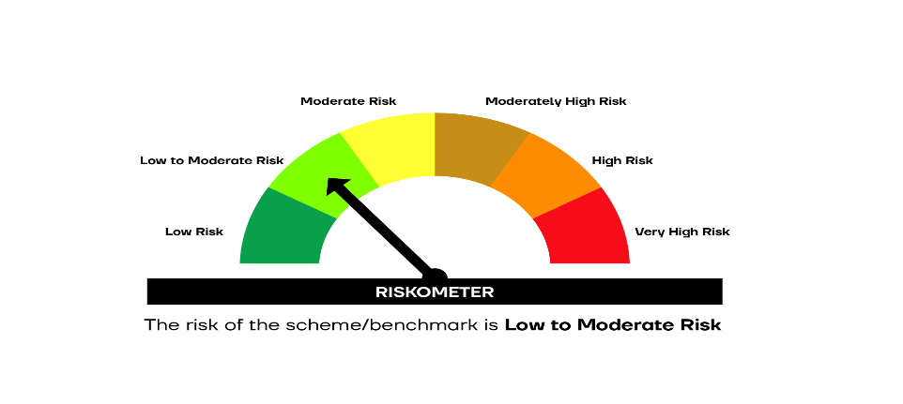

SCHEME RISKOMETER | BENCHMARK RISKOMETER

