Sheet1
NAVI MUTUAL FUND
Navi Liquid Fund
Monthly Portfolio Statement for the month ended 31 Jan 2026
Name of the Instrument | ISIN | Industry/Rating | Quantity | Market/Fair Value (Rs. in Lacs) | % to Net Assets | YIELD
Debt Instruments
(a)Listed / awaiting listing on Stock Exchanges
7.27% GOVERNMENT OF INDIA (08/04/2026) ** | IN0020190016 | SOVEREIGN | 1000000 | 1003.23 | 14.74% | 5.55 %
7.59% SIDBI (10/02/2026) ** | INE556F08KG3 | CRISIL AAA | 500000 | 500.09 | 7.35% | 6.87 %
8.43% TATA PROJECTS LTD. (06/02/2026) ** | INE725H08154 | IND AA | 450000 | 450.07 | 6.61% | 7.01 %
Sub Total |  |  |  | 1,953.38 | 28.70%

(b)Privately Placed/ Unlisted
% SBI FUNDS MANAGEMENT PRIVATE LTD () ** | INF0RQ622028 |  | 401 | 46.48 | 0.68%
Sub Total |  |  |  | 46.48 | 0.68%

(c)Securitized Debt Instruments
Sub Total |  |  |  | 0.00 | 0.00%

Total |  |  |  | 1,999.87 | 29.38%

Money Market Instruments
(a)Certificate of Deposit
HDFC BANK LIMITED (04/02/2026) **# | INE040A16GE5 | CRISIL A1+ | 500000 | 499.74 | 7.34% | 6.45 %
NABARD (05/02/2026) **# | INE261F16934 | CRISIL A1+ | 500000 | 499.64 | 7.34% | 6.50 %
AXIS BANK LIMITED (04/03/2026) | INE238AD6AN0 | CRISIL A1+ | 350000 | 348.02 | 5.11% | 6.70 %
Sub Total |  |  |  | 1,347.40 | 19.79%

(b)Commercial Paper
TIME TECHNOPLAST LIMITED (09/02/2026) ** | INE508G14IB5 | CRISIL A1+ | 500000 | 499.12 | 7.34% | 8.04 %
BAJAJ FINANCE LIMITED (13/02/2026) ** | INE01C314DI2 | CRISIL A1+ | 500000 | 498.85 | 7.33% | 7.01 %
LIC HOUSING FINANCE LIMITED (18/02/2026) ** | INE115A14FJ1 | CRISIL A1+ | 500000 | 498.47 | 7.33% | 6.59 %
ICICI SECURITIES LIMITED (27/02/2026) ** | INE763G14XI0 | CRISIL A1+ | 300000 | 298.46 | 4.39% | 7.25 %
HDFC SECURITIES LIMITED (03/03/2026) ** | INE700G14RE3 | CARE A1+ | 250000 | 248.54 | 3.65% | 7.14 %
Sub Total |  |  |  | 2,043.44 | 30.04%

(c)Treasury Bills
Sub Total |  |  |  | 0.00 | 0.00%

Total |  |  |  | 3,390.84 | 49.83%

TREPS/Reverse Repo/Net Current Assets/Cash/Cash Equivalent |  |  |  | 1,413.20 | 20.79%

Grand Total |  |  |  | 6,803.91 | 100.00%

** Non Traded Security
# Unlisted Security

This product is suitable for investors who are seeking*
· Income over short term.

· Investments in debt and money market Instruments

*Investors should consult their financial advisers if in doubt about whether the product is suitable for them
Benchmark Riskometer- Crisil Liquid Debt A-I Index

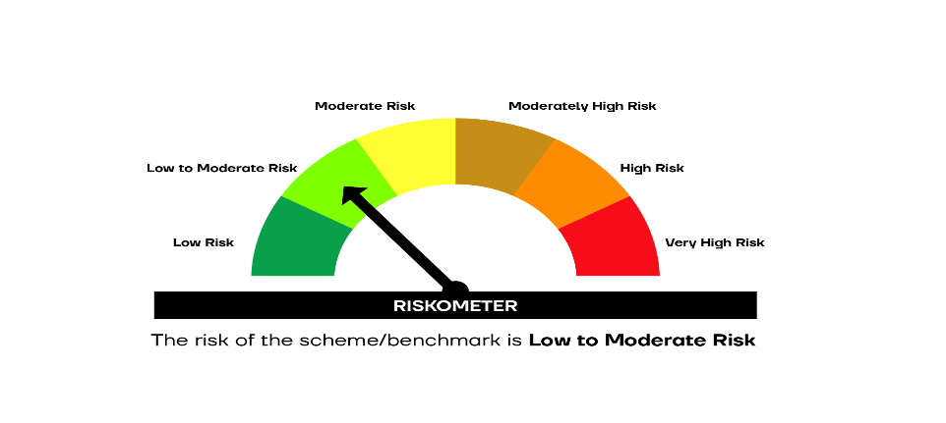

SCHEME RISKOMETER | BENCHMARK RISKOMETER

