Sheet1
NAVI MUTUAL FUND
Navi Liquid Fund
Monthly Portfolio Statement for the month ended 31 Mar 2026
Name of the Instrument | ISIN | Industry/Rating | Quantity | Market/Fair Value (Rs. in Lacs) | % to Net Assets | YIELD
Debt Instruments
(a)Listed / awaiting listing on Stock Exchanges
6.99% GOVERNMENT OF INDIA (17/04/2026) ** | IN0020230028 | SOVEREIGN | 1000000 | 1000.57 | 16.07% | 5.61 %
7.27% GOVERNMENT OF INDIA (08/04/2026) ** | IN0020190016 | SOVEREIGN | 500000 | 500.18 | 8.04% | 5.36 %
7.51% INDIAN RAILWAY FINANCE CORPORATION LTD (15/04/2026) ** | INE053F08288 | CRISIL AAA | 500000 | 499.87 | 8.03% | 7.90 %
8.03% POWER FINANCE CORPORATION LIMITED (02/05/2026) ** | INE134E08IE1 | CRISIL AAA | 500000 | 499.71 | 8.03% | 8.13 %
7.80% REC LIMITED (30/05/2026) | INE020B08ES7 | ICRA AAA | 500000 | 499.30 | 8.02% | 8.15 %
Sub Total |  |  |  | 2,999.62 | 48.19%

(b)Privately Placed/ Unlisted
% SBI FUNDS MANAGEMENT PRIVATE LTD () ** | INF0RQ622028 |  | 401 | 46.86 | 0.75%
Sub Total |  |  |  | 46.86 | 0.75%

(c)Securitized Debt Instruments
Sub Total |  |  |  | 0.00 | 0.00%

Total |  |  |  | 3,046.48 | 48.94%

Money Market Instruments
(a)Certificate of Deposit
INDIAN BANK (30/04/2026) | INE562A16PQ3 | CRISIL A1+ | 500000 | 496.96 | 7.98% | 7.70 %
BANK OF BARODA (25/05/2026) | INE028A16JR6 | IND A1+ | 500000 | 494.22 | 7.94% | 7.90 %
Sub Total |  |  |  | 991.18 | 15.92%

(b)Commercial Paper
NABARD (07/05/2026) ** | INE261F14OP1 | CRISIL A1+ | 700000 | 694.45 | 11.16% | 8.10 %
TIME TECHNOPLAST LIMITED (13/05/2026) ** | INE508G14IJ8 | CRISIL A1+ | 500000 | 494.96 | 7.95% | 8.85 %
Sub Total |  |  |  | 1,189.41 | 19.11%

(c)Treasury Bills
Sub Total |  |  |  | 0.00 | 0.00%

Total |  |  |  | 2,180.59 | 35.03%

TREPS/Reverse Repo/Net Current Assets/Cash/Cash Equivalent |  |  |  | 997.62 | 16.03%

Grand Total |  |  |  | 6,224.70 | 100.00%

** Non Traded Security

This product is suitable for investors who are seeking*
· Income over short term.

· Investments in debt and money market Instruments

*Investors should consult their financial advisers if in doubt about whether the product is suitable for them
Benchmark Riskometer- Crisil Liquid Debt A-I Index

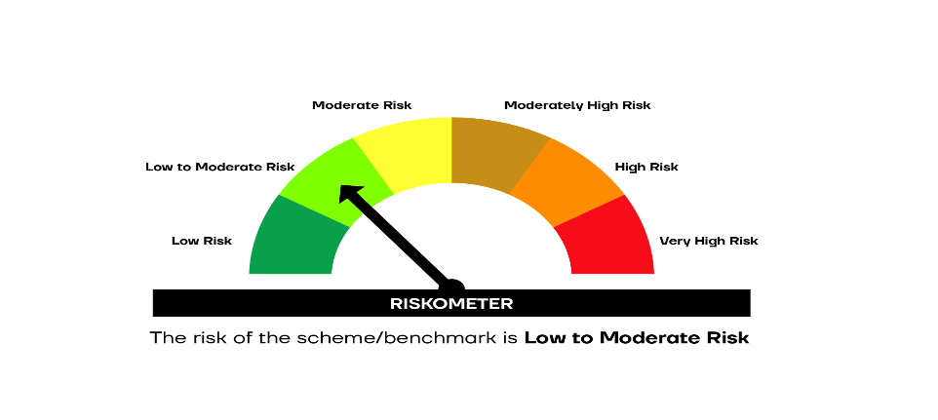

SCHEME RISKOMETER | BENCHMARK RISKOMETER

