Sheet1
 | NAVI MUTUAL FUND
 | Navi Liquid Fund
 | Monthly Portfolio Statement for the month ended 31 May 2026
 | Name of the Instrument | ISIN | Industry/Rating | Quantity | Market/Fair Value (Rs. in Lacs) | % to Net Assets | YIELD
 | Debt Instruments
 | (a)Listed / awaiting listing on Stock Exchanges
 | 8.33% GOVERNMENT OF INDIA (09/07/2026) ** | IN0020120039 | SOVEREIGN | 500000 | 501.49 | 6.40% | 5.39 %
 | 8.43% LIC HOUSING FINANCE LIMITED (10/07/2026) ** | INE115A07JW0 | CRISIL AAA | 500000 | 500.18 | 6.38% | 7.54 %
 | 8.15% GODREJ PROPERTIES LIMITED (03/07/2026) ** | INE484J08048 | ICRA AA+ | 450000 | 449.73 | 5.74% | 8.23 %
 | 7.22% NATIONAL HOUSING BANK (23/07/2026) ** | INE557F08FR8 | CRISIL AAA | 400000 | 399.82 | 5.10% | 7.53 %
 | Sub Total |  |  |  | 1,851.22 | 23.62%

 | (b)Privately Placed/ Unlisted
 | % SBI FUNDS MANAGEMENT PRIVATE LTD () ** | INF0RQ622028 |  | 401 | 47.24 | 0.60%
 | Sub Total |  |  |  | 47.24 | 0.60%

 | (c)Securitized Debt Instruments
 | Sub Total |  |  |  | 0.00 | 0.00%

 | Total |  |  |  | 1,898.46 | 24.22%

 | Money Market Instruments
 | (a)Certificate of Deposit
 | HDFC BANK LIMITED (05/08/2026) **# | INE040A16HF0 | CARE A1+ | 650000 | 641.72 | 8.19% | 7.25 %
 | BANK OF BARODA (03/06/2026) | INE028A16KG7 | CRISIL AAA | 500000 | 499.83 | 6.38% | 6.10 %
 | UNION BANK OF INDIA (25/06/2026) | INE692A16JQ1 | CRISIL AAA | 500000 | 498.04 | 6.35% | 6.00 %
 | Sub Total |  |  |  | 1,639.58 | 20.92%

 | (b)Commercial Paper
 | HSBC INVEST DIRECT FINANCIAL SERVICES (08/06/2026) ** | INE790I14GZ8 | CRISIL A1+ | 500000 | 499.30 | 6.37% | 7.27 %
 | ICICI SECURITIES LIMITED (11/06/2026) ** | INE763G14F84 | CRISIL A1+ | 500000 | 499.00 | 6.37% | 7.30 %
 | TIME TECHNOPLAST LIMITED (13/08/2026) ** | INE508G14IX9 | ICRA A1+ | 300000 | 295.35 | 3.77% | 7.88 %
 | Sub Total |  |  |  | 1,293.65 | 16.51%

 | (c)Treasury Bills
 | 364 DAYS TREASURY BILL 16-JUL-2026 | IN002025Z161 | SOVEREIGN | 1000000 | 993.36 | 12.67% | 5.42 %
 | 91 DAYS TREASURY BILL 30-JUL-2026 | IN002026X040 | SOVEREIGN | 500000 | 495.66 | 6.32% | 5.42 %
 | Sub Total |  |  |  | 1,489.02 | 18.99%

 | Total |  |  |  | 4,422.26 | 56.42%

 | TREPS/Reverse Repo/Net Current Assets/Cash/Cash Equivalent |  |  |  | 1,519.01 | 19.36%

 | Grand Total |  |  |  | 7,839.73 | 100.00%

 | ** Non Traded Security
 | # Unlisted Security

 | Notes
1 | The provision made for investment in security below investment grade As on May 31, 2026 is Rs NIL and its percentage to Net Asset Value is NIL.

2 | Aggregate value of illiquid securities of the fund amounts to Rs. NIL and their percentage to Net Asset value is NIL.

3 | Plan/option wise per unit Net Asset Value are as follows:
 | Plan/Option | As on May 31, 2026 | As on April 30, 2026
112636 | Regular Plan Growth | 29.8488 | 29.7184
112645 | Regular Plan Daily IDCW | 10.0129 | 10.0129
112646 | Regular Weekly IDCW | 10.0147 | 10.0082
112647 | Regular Monthly IDCW | 10.0155 | 10.0196
119164 | Direct Growth | 30.1287 | 29.9956
119163 | Direct Daily IDCW | 10.0129 | 10.0129
119162 | Direct Weekly IDCW | 10.0144 | 10.0078
119161 | Direct Monthly IDCW | 10.0156 | 10.0198
139386 | Unclaimed Redemption and Dividend Plan - Growth - Less than 3 Yrs | 30.0269 | 29.8943
140437 | Unclaimed Redemption and Dividend Plan - Growth - Greater than 3 Yrs | 10.0000 | 10.0000

4 | Details of Dividend declared per unit (In Rupees) Monthly are as follows
 |  | Individual / HUF | Others
 | Direct Daily IDCW | 0.04434394 | 0.04434394
 | Direct Monthly IDCW | 0.04855699 | 0.04855699
 | Direct Weekly IDCW | 0.03773402 | 0.03773402
 | Regular Plan Daily IDCW | 0.04384946 | 0.04384946
 | Regular Monthly IDCW | 0.04789735 | 0.04789735
 | Regular Weekly IDCW | 0.03726716 | 0.03726716

5 | Total outstanding exposure in derivative instruments As on May 31, 2026 is NIL.

6 | Total Market value of investments in Foreign Securities/American Depositary Receipts/Global Depositary Receipts as at May 31, 2026 is Rs. NIL

7 | The Average Maturity Period of the Portfolio has been 32.85 days

8 | Investment in Short Term Deposit pending Deployment - NIL

9 | Investment in Securitised Debt - NIL

10 | Repo in Corporate Debt : NIL

 | This product is suitable for investors who are seeking*
 | · Income over short term.

 | · Investments in debt and money market Instruments

 | *Investors should consult their financial advisers if in doubt about whether the product is suitable for them
 | Benchmark Riskometer- Crisil Liquid Debt A-I Index

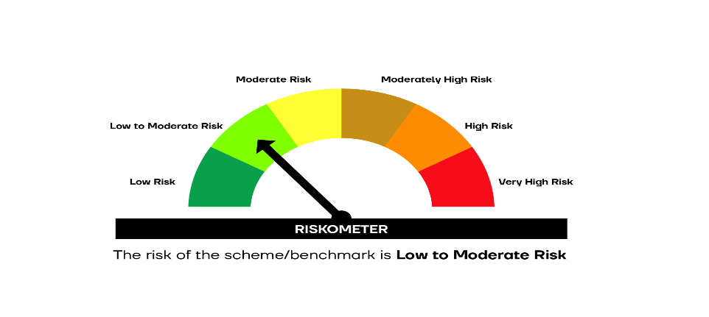

 | SCHEME RISKOMETER | BENCHMARK RISKOMETER

