AR
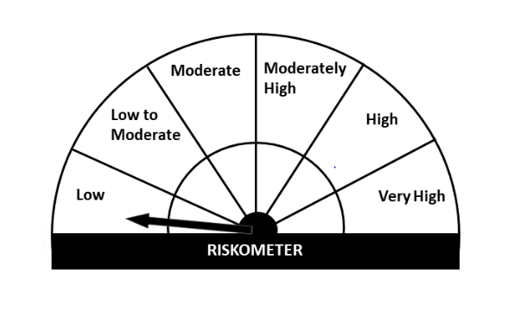
Essel Mutual Fund
Essel Arbitrage Fund
This product is suitable for investors who are seeking*
· To generate income over short term.

· To generate income by predominantly investing in arbitrage opportunities in cash and the derivative segments of the equity markets and the arbitrage opportunities available within the derivative segment and by investing the balance in debt and money market instruments.

· Degree of risk –LOW

*Investors should consult their financial advisers if in doubt about whether the product is suitable for them.

Monthly Portfolio Statement for the month ended 28 Feb 2021
Name of the Instrument | ISIN | Industry/Rating | Quantity | Market/Fair Value (Rs. in Lacs) | % to Net Assets | YIELD
Equity & Equity related
(a)Listed / awaiting listing on Stock Exchanges
ICICI BANK LTD | INE090A01021 | BANKS | 1375 | 8.22 | 47.43%
Sub Total |  |  |  | 8.22 | 47.43%

(b)Unlisted
Sub Total |  |  |  | 0.00 | 0.00%

Total |  |  |  | 8.22 | 47.43%

Derivatives
ICICI BANK LTD. 25/03/2021 |  | STOCK FUTURE | -1375 | -8.25 | -47.60%

Total |  |  |  | -8.25 | -47.60%

TREPS/Reverse Repo/Net Current Assets/Cash/Cash Equivalent |  |  |  | 17.36 | 100.17%

Grand Total |  |  |  | 17.33 | 100.00%

EH

Essel Mutual Fund
Essel Equity Hybrid Fund
This product is suitable for investors who are seeking*
· Capital appreciation over the long term.

· To generate capital appreciation by predominantly investing in equity and equity related instruments.

· Degree of risk – VERY HIGH

*Investors should consult their financial advisers if in doubt about whether the product is suitable for them.

Monthly Portfolio Statement for the month ended 28 Feb 2021
Name of the Instrument | ISIN | Industry/Rating | Quantity | Market/Fair Value (Rs. in Lacs) | % to Net Assets | YIELD
Equity & Equity related
(a)Listed / awaiting listing on Stock Exchanges
ICICI BANK LTD | INE090A01021 | BANKS | 155063 | 926.89 | 7.67%
INFOSYS LTD | INE009A01021 | SOFTWARE | 59780 | 749.22 | 6.20%
TATA CONSULTANCY SERVICES LTD | INE467B01029 | SOFTWARE | 24589 | 711.68 | 5.89%
RELIANCE INDUSTRIES LTD | INE002A01018 | PETROLEUM PRODUCTS | 24981 | 521.05 | 4.31%
AXIS BANK LTD | INE238A01034 | BANKS | 69866 | 506.39 | 4.19%
KOTAK MAHINDRA BANK LTD | INE237A01028 | BANKS | 27284 | 485.75 | 4.02%
DIXON TECHNOLOGIES (INDIA) LTD | INE935N01012 | CONSUMER DURABLES | 2330 | 462.48 | 3.83%
HDFC BANK LTD | INE040A01034 | BANKS | 29204 | 448.11 | 3.71%
BHARTI AIRTEL LTD | INE397D01024 | TELECOM - SERVICES | 69638 | 387.40 | 3.21%
AVENUE SUPERMARTS LTD | INE192R01011 | RETAILING | 10548 | 315.83 | 2.62%
HCL TECHNOLOGIES LTD | INE860A01027 | SOFTWARE | 31621 | 287.58 | 2.38%
UNITED SPIRITS LTD | INE854D01024 | CONSUMER NON DURABLES | 46697 | 249.88 | 2.07%
DIVIS LABORATORIES LTD | INE361B01024 | PHARMACEUTICALS | 7339 | 246.82 | 2.04%
AMBUJA CEMENTS LTD | INE079A01024 | CEMENT | 85935 | 235.03 | 1.95%
DR. REDDY'S LABORATORIES LTD | INE089A01023 | PHARMACEUTICALS | 5214 | 230.80 | 1.91%
BAJAJ FINANCE LTD | INE296A01024 | FINANCE | 4189 | 220.55 | 1.83%
PI INDUSTRIES LTD | INE603J01030 | PESTICIDES | 9492 | 206.65 | 1.71%
INDUSIND BANK LTD | INE095A01012 | BANKS | 19145 | 203.50 | 1.69%
MAHINDRA & MAHINDRA LTD | INE101A01026 | AUTO | 23689 | 191.03 | 1.58%
HDFC LIFE INSURANCE CO LTD | INE795G01014 | FINANCE | 23880 | 167.32 | 1.39%
NESTLE INDIA LTD | INE239A01016 | CONSUMER NON DURABLES | 1044 | 168.10 | 1.39%
SUMITOMO CHEMICAL INDIA LTD | INE258G01013 | CHEMICALS | 49685 | 146.25 | 1.21%
JUBILANT FOODWORKS LTD | INE797F01012 | CONSUMER NON DURABLES | 3656 | 109.49 | 0.91%
CIPLA LTD | INE059A01026 | PHARMACEUTICALS | 13395 | 105.43 | 0.87%
CARBORUNDUM UNIVERSAL LTD | INE120A01034 | INDUSTRIAL PRODUCTS | 19675 | 99.87 | 0.83%
TATA CONSUMER PRODUCTS LTD | INE192A01025 | CONSUMER NON DURABLES | 15198 | 92.58 | 0.77%
ICICI LOMBARD GENERAL INSURANCE COMPANY | INE765G01017 | FINANCE | 5869 | 83.69 | 0.69%
TATA STEEL LTD | INE081A01012 | FERROUS METALS | 10615 | 75.91 | 0.63%
ESCORTS LTD | INE042A01014 | AUTO | 5153 | 67.55 | 0.56%
JINDAL STEEL POWER LTD | INE749A01030 | FERROUS METALS | 19690 | 66.14 | 0.55%
J.KUMAR INFRAPROJECTS LTD | INE576I01022 | CONSTRUCTION | 34285 | 65.18 | 0.54%
STATE BANK OF INDIA | INE062A01020 | BANKS | 16075 | 62.72 | 0.52%
HOUSING DEVELOPMENT FINANCE CORPORATION | INE001A01036 | FINANCE | 2090 | 53.07 | 0.44%
RELIANCE INDUSTRIES LTD - PP SHARES | IN9002A01024 | PETROLEUM PRODUCTS | 4407 | 53.36 | 0.44%
RELAXO FOOTWEARS LTD | INE131B01039 | CONSUMER DURABLES | 4319 | 36.92 | 0.31%
SUN PHARMACEUTICALS INDUSTRIES LTD | INE044A01036 | PHARMACEUTICALS | 6150 | 36.57 | 0.30%
ASIAN PAINTS LTD | INE021A01026 | CONSUMER NON DURABLES | 1380 | 31.43 | 0.26%
TATA MOTORS LTD | INE155A01022 | AUTO | 8910 | 28.77 | 0.24%
ATUL LTD. | INE100A01010 | CHEMICALS | 395 | 25.91 | 0.21%
AU SMALL FINANCE BANK LTD. | INE949L01017 | BANKS | 2105 | 23.71 | 0.20%
ITC LTD | INE154A01025 | CONSUMER NON DURABLES | 11465 | 23.37 | 0.19%
WIPRO LTD | INE075A01022 | SOFTWARE | 4615 | 18.94 | 0.16%
HERO MOTOCORP LTD | INE158A01026 | AUTO | 293 | 9.45 | 0.08%
BAJAJ AUTO LTD | INE917I01010 | AUTO | 235 | 8.93 | 0.07%
NATIONAL ALUMINIUM CO. LTD. | INE139A01034 | NON - FERROUS METALS | 10200 | 6.12 | 0.05%
MANGALORE CHEMICALS & FERTILIZERS L | INE558B01017 | FERTILISERS | 4289 | 3.53 | 0.03%
Sub Total |  |  |  | 9,256.92 | 76.65%

(b)Unlisted
Sub Total |  |  |  | 0.00 | 0.00%

Total |  |  |  | 9,256.92 | 76.65%

Debt Instruments
(a)Listed / awaiting listing on Stock Exchanges
7.48% LIC HOUSING FINANCE LTD (10/06/2022) ** | INE115A07LZ9 | CRISIL AAA | 300000 | 309.25 | 2.56% | 4.9 %
7.40% POWER FINANCE CORPORATION LTD (30/09/2021) ** | INE134E08IM4 | CARE AAA | 100000 | 101.85 | 0.84% | 4.04 %
Sub Total |  |  |  | 411.10 | 3.40%

(b)Privately Placed/ Unlisted
Sub Total |  |  |  | 0.00 | 0.00%

(c)Securitized Debt Instruments
Sub Total |  |  |  | 0.00 | 0.00%

Total |  |  |  | 411.10 | 3.40%

Money Market Instruments
(a)Certificate of Deposit
Sub Total |  |  |  | 0.00 | 0.00%

(b)Commercial Paper
HOUSING DEVELOPMENT FINANCE CORPORATION (20/05/2021) ** | INE001A14XF4 | CRISIL A1+ | 1100000 | 1091.74 | 9.04% | 3.45 %
GODREJ INDUSTRIES LTD (22/04/2021) ** | INE233A14RC2 | CRISIL A1+ | 900000 | 895.59 | 7.42% | 3.46 %
Sub Total |  |  |  | 1,987.34 | 16.46%

(c)Treasury Bills
Sub Total |  |  |  | 0.00 | 0.00%

Total |  |  |  | 1,987.34 | 16.46%

TREPS/Reverse Repo/Net Current Assets/Cash/Cash Equivalent |  |  |  | 421.58 | 3.49%

Grand Total |  |  |  | 12,076.93 | 100.00%

** Non Traded Security

IP
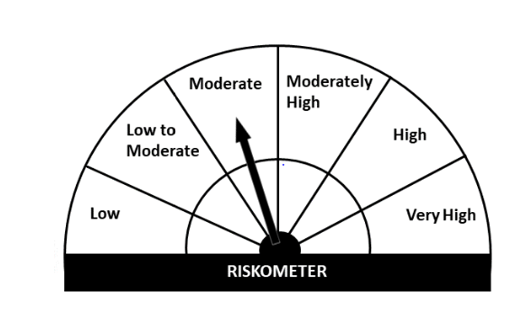
Essel Mutual Fund
Essel Regular Savings Fund
This product is suitable for investors who are seeking*
· Income over medium to long term.

· Investment in high quality fixed income securities and with a marginal exposure to equity and equity related instruments.

· Degree of risk – MODERATELY
*Investors should consult their financial advisers if in doubt about whether the product is suitable for them.

Monthly Portfolio Statement for the month ended 28 Feb 2021
Name of the Instrument | ISIN | Industry/Rating | Quantity | Market/Fair Value (Rs. in Lacs) | % to Net Assets | YIELD
Equity & Equity related
(a)Listed / awaiting listing on Stock Exchanges
ICICI BANK LTD | INE090A01021 | BANKS | 18625 | 111.33 | 3.40%
RELIANCE INDUSTRIES LTD | INE002A01018 | PETROLEUM PRODUCTS | 5012 | 104.54 | 3.19%
HDFC BANK LTD | INE040A01034 | BANKS | 6111 | 93.77 | 2.87%
AXIS BANK LTD | INE238A01034 | BANKS | 6360 | 46.10 | 1.41%
BHARTI AIRTEL LTD | INE397D01024 | TELECOM - SERVICES | 8074 | 44.92 | 1.37%
KOTAK MAHINDRA BANK LTD | INE237A01028 | BANKS | 2120 | 37.74 | 1.15%
JUBILANT FOODWORKS LTD | INE797F01012 | CONSUMER NON DURABLES | 859 | 25.73 | 0.79%
HCL TECHNOLOGIES LTD | INE860A01027 | SOFTWARE | 2814 | 25.59 | 0.78%
MAX FINANCIAL SERVICES LTD | INE180A01020 | FINANCE | 2100 | 18.19 | 0.56%
AIA ENGINEERING LTD | INE212H01026 | INDUSTRIAL PRODUCTS | 850 | 15.46 | 0.47%
MAHINDRA & MAHINDRA LTD | INE101A01026 | AUTO | 1503 | 12.12 | 0.37%
TATA CONSUMER PRODUCTS LTD | INE192A01025 | CONSUMER NON DURABLES | 1980 | 12.06 | 0.37%
ESCORTS LTD | INE042A01014 | AUTO | 896 | 11.75 | 0.36%
NESTLE INDIA LTD | INE239A01016 | CONSUMER NON DURABLES | 60 | 9.66 | 0.30%
AVENUE SUPERMARTS LTD | INE192R01011 | RETAILING | 297 | 8.89 | 0.27%
SUMITOMO CHEMICAL INDIA LTD | INE258G01013 | CHEMICALS | 2430 | 7.15 | 0.22%
PETRONET LNG LTD | INE347G01014 | GAS | 2750 | 7.02 | 0.21%
AMBUJA CEMENTS LTD | INE079A01024 | CEMENT | 2170 | 5.94 | 0.18%
AUROBINDO PHARMA LTD | INE406A01037 | PHARMACEUTICALS | 540 | 4.62 | 0.14%
PI INDUSTRIES LTD | INE603J01030 | PESTICIDES | 124 | 2.70 | 0.08%
Sub Total |  |  |  | 605.27 | 18.49%

(b)Unlisted
Sub Total |  |  |  | 0.00 | 0.00%

Total |  |  |  | 605.27 | 18.49%

Debt Instruments
(a)Listed / awaiting listing on Stock Exchanges
7.40% POWER FINANCE CORPORATION LTD (30/09/2021) ** | INE134E08IM4 | CARE AAA | 400000 | 407.39 | 12.45% | 4.04 %
8.00% BRITANNIA INDUSTRIES LTD (28/08/2022) ** @ | INE216A07052 | CRISIL AAA | 448 | 0.14 | 0.00% | 4.53 %
Sub Total |  |  |  | 407.53 | 12.45%

(b)Privately Placed/ Unlisted
Sub Total |  |  |  | 0.00 | 0.00%

(c)Securitized Debt Instruments
Sub Total |  |  |  | 0.00 | 0.00%

Total |  |  |  | 407.53 | 12.45%

Money Market Instruments
(a)Certificate of Deposit
Sub Total |  |  |  | 0.00 | 0.00%

(b)Commercial Paper
GODREJ INDUSTRIES LTD (22/04/2021) ** | INE233A14RC2 | CRISIL A1+ | 400000 | 398.04 | 12.16% | 3.46 %
HOUSING DEVELOPMENT FINANCE CORPORATION (20/05/2021) ** | INE001A14XF4 | CRISIL A1+ | 395000 | 392.04 | 11.98% | 3.45 %
Sub Total |  |  |  | 790.08 | 24.14%

(c)Treasury Bills
Sub Total |  |  |  | 0.00 | 0.00%

Total |  |  |  | 790.08 | 24.14%

INVIT
INDIA GRID TRUST | INE219X23014 | POWER | 130977 | 170.30 | 5.20%

Total |  |  |  | 170.30 | 5.20%

TREPS/Reverse Repo/Net Current Assets/Cash/Cash Equivalent |  |  |  | 1,299.34 | 39.72%

Grand Total |  |  |  | 3,272.51 | 100.00%

** Non Traded Security
@ less than 0.00%

LF
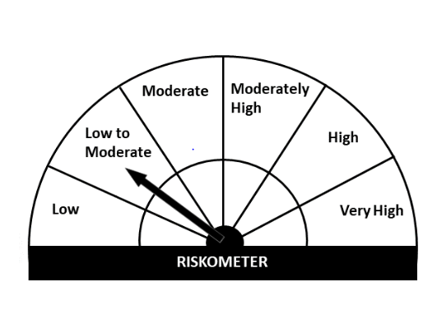
Essel Mutual Fund
Essel Liquid Fund
This product is suitable for investors who are seeking*
· Income over short term.

· Investments in debt and money market Instruments

· Degree of risk – LOW TO MODERATE

*Investors should consult their financial advisers if in doubt about whether the product is suitable for them

Monthly Portfolio Statement for the month ended 28 Feb 2021
Name of the Instrument | ISIN | Industry/Rating | Quantity | Market/Fair Value (Rs. in Lacs) | % to Net Assets | YIELD
Money Market Instruments
(a)Certificate of Deposit
Sub Total |  |  |  | 0.00 | 0.00%

(b)Commercial Paper
HOUSING DEVELOPMENT FINANCE CORPORATION (20/05/2021) ** | INE001A14XF4 | CRISIL A1+ | 615000 | 610.38 | 11.94% | 3.45 %
KOTAK MAHINDRA PRIME LTD (26/03/2021) ** | INE916D14T79 | CRISIL A1+ | 500000 | 498.84 | 9.76% | 3.4 %
GODREJ INDUSTRIES LTD (22/04/2021) ** | INE233A14RC2 | CRISIL A1+ | 380000 | 378.14 | 7.40% | 3.46 %
Sub Total |  |  |  | 1,487.36 | 29.10%

(c)Treasury Bills
Sub Total |  |  |  | 0.00 | 0.00%

Total |  |  |  | 1,487.36 | 29.10%

TREPS/Reverse Repo/Net Current Assets/Cash/Cash Equivalent |  |  |  | 3,623.01 | 70.90%

Grand Total |  |  |  | 5,110.37 | 100.00%

** Non Traded Security

