AR
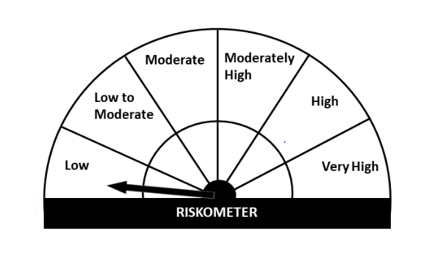
Essel Mutual Fund
Essel Arbitrage Fund
This product is suitable for investors who are seeking*
· To generate income over short term.

· To generate income by predominantly investing in arbitrage opportunities in cash and the derivative segments of the equity markets and the arbitrage opportunities available within the derivative segment and by investing the balance in debt and money market instruments.

· Degree of risk –LOW

*Investors should consult their financial advisers if in doubt about whether the product is suitable for them.

Monthly Portfolio Statement for the month ended 31 Jan 2021
Name of the Instrument | ISIN | Industry/Rating | Quantity | Market/Fair Value (Rs. in Lacs) | % to Net Assets | YIELD
Equity & Equity related
(a)Listed / awaiting listing on Stock Exchanges
ICICI BANK LTD | INE090A01021 | BANKS | 1375 | 7.38 | 38.88%
Sub Total |  |  |  | 7.38 | 38.88%

(b)Unlisted
Sub Total |  |  |  | 0.00 | 0.00%

Total |  |  |  | 7.38 | 38.88%

Derivatives
ICICI BANK LTD. 25/02/2021 |  | STOCK FUTURE | -1375 | -7.43 | -39.11%

Total |  |  |  | -7.43 | -39.11%

TREPS/Reverse Repo/Net Current Assets/Cash/Cash Equivalent |  |  |  | 19.04 | 100.23%

Grand Total |  |  |  | 18.99 | 100.00%

EH

Essel Mutual Fund
Essel Equity Hybrid Fund
This product is suitable for investors who are seeking*
· Capital appreciation over the long term.

· To generate capital appreciation by predominantly investing in equity and equity related instruments.

· Degree of risk – VERY HIGH

*Investors should consult their financial advisers if in doubt about whether the product is suitable for them.

Monthly Portfolio Statement for the month ended 31 Jan 2021
Name of the Instrument | ISIN | Industry/Rating | Quantity | Market/Fair Value (Rs. in Lacs) | % to Net Assets | YIELD
Equity & Equity related
(a)Listed / awaiting listing on Stock Exchanges
ICICI BANK LTD | INE090A01021 | BANKS | 153398 | 823.75 | 6.84%
TATA CONSULTANCY SERVICES LTD | INE467B01029 | SOFTWARE | 24589 | 765.05 | 6.35%
INFOSYS LTD | INE009A01021 | SOFTWARE | 59780 | 740.70 | 6.15%
KOTAK MAHINDRA BANK LTD | INE237A01028 | BANKS | 27284 | 467.36 | 3.88%
RELIANCE INDUSTRIES LTD | INE002A01018 | PETROLEUM PRODUCTS | 24981 | 460.14 | 3.82%
AXIS BANK LTD | INE238A01034 | BANKS | 67166 | 445.24 | 3.69%
UNITED SPIRITS LTD | INE854D01024 | CONSUMER NON DURABLES | 72317 | 418.50 | 3.47%
HDFC BANK LTD | INE040A01034 | BANKS | 29204 | 406.08 | 3.37%
BHARTI AIRTEL LTD | INE397D01024 | TELECOM - SERVICES | 70208 | 388.67 | 3.23%
DIXON TECHNOLOGIES (INDIA) LTD | INE935N01012 | CONSUMER DURABLES | 2330 | 329.17 | 2.73%
HCL TECHNOLOGIES LTD | INE860A01027 | SOFTWARE | 31621 | 289.02 | 2.40%
AVENUE SUPERMARTS LTD | INE192R01011 | RETAILING | 10548 | 279.68 | 2.32%
DR. REDDY'S LABORATORIES LTD | INE089A01023 | PHARMACEUTICALS | 5806 | 267.23 | 2.22%
DIVIS LABORATORIES LTD | INE361B01024 | PHARMACEUTICALS | 7339 | 247.31 | 2.05%
AMBUJA CEMENTS LTD | INE079A01024 | CEMENT | 85935 | 209.12 | 1.74%
MAHINDRA & MAHINDRA LTD | INE101A01026 | AUTO | 27179 | 203.73 | 1.69%
BAJAJ FINANCE LTD | INE296A01024 | FINANCE | 4189 | 198.33 | 1.65%
PI INDUSTRIES LTD | INE603J01030 | PESTICIDES | 9492 | 191.62 | 1.59%
NESTLE INDIA LTD | INE239A01016 | CONSUMER NON DURABLES | 1044 | 178.11 | 1.48%
CIPLA LTD | INE059A01026 | PHARMACEUTICALS | 20870 | 172.37 | 1.43%
HDFC LIFE INSURANCE CO LTD | INE795G01014 | FINANCE | 23880 | 161.89 | 1.34%
SUMITOMO CHEMICAL INDIA LTD | INE258G01013 | CHEMICALS | 49685 | 155.56 | 1.29%
ICICI LOMBARD GENERAL INSURANCE COMPANY | INE765G01017 | FINANCE | 11738 | 154.41 | 1.28%
INDUSIND BANK LTD | INE095A01012 | BANKS | 16205 | 137.11 | 1.14%
ALKEM LABORATORIES LTD | INE540L01014 | PHARMACEUTICALS | 3350 | 100.73 | 0.84%
JUBILANT FOODWORKS LTD | INE797F01012 | CONSUMER NON DURABLES | 3656 | 94.70 | 0.79%
TATA CONSUMER PRODUCTS LTD | INE192A01025 | CONSUMER NON DURABLES | 15198 | 85.08 | 0.71%
TATA STEEL LTD | INE081A01012 | FERROUS METALS | 10615 | 63.80 | 0.53%
ESCORTS LTD | INE042A01014 | AUTO | 5153 | 62.13 | 0.52%
CARBORUNDUM UNIVERSAL LTD | INE120A01034 | INDUSTRIAL PRODUCTS | 15230 | 61.51 | 0.51%
JINDAL STEEL POWER LTD | INE749A01030 | FERROUS METALS | 19690 | 51.54 | 0.43%
J.KUMAR INFRAPROJECTS LTD | INE576I01022 | CONSTRUCTION | 34285 | 50.21 | 0.42%
VEDANTA LTD | INE205A01025 | NON - FERROUS METALS | 30745 | 49.58 | 0.41%
RELAXO FOOTWEARS LTD | INE131B01039 | CONSUMER DURABLES | 5580 | 45.96 | 0.38%
RELIANCE INDUSTRIES LTD - PP SHARES | IN9002A01024 | PETROLEUM PRODUCTS | 4407 | 42.63 | 0.35%
HOUSING DEVELOPMENT FINANCE CORPORATION | INE001A01036 | FINANCE | 1730 | 41.14 | 0.34%
ASIAN PAINTS LTD | INE021A01026 | CONSUMER NON DURABLES | 1380 | 33.22 | 0.28%
STEEL AUTHORITY OF INDIA LTD | INE114A01011 | FERROUS METALS | 51815 | 29.87 | 0.25%
NMDC LTD | INE584A01023 | MINERALS/MINING | 27150 | 28.56 | 0.24%
MANGALORE CHEMICALS & FERTILIZERS | INE558B01017 | FERTILISERS | 46150 | 26.26 | 0.22%
ATUL LTD. | INE100A01010 | CHEMICALS | 395 | 25.17 | 0.21%
HERO MOTOCORP LTD | INE158A01026 | AUTO | 585 | 19.05 | 0.16%
BAJAJ AUTO LTD | INE917I01010 | AUTO | 235 | 9.41 | 0.08%
NATIONAL ALUMINIUM CO. LTD. | INE139A01034 | NON - FERROUS METALS | 10200 | 4.89 | 0.04%
Sub Total |  |  |  | 9,015.60 | 74.86%

(b)Unlisted
Sub Total |  |  |  | 0.00 | 0.00%

Total |  |  |  | 9,015.60 | 74.86%

Debt Instruments
(a)Listed / awaiting listing on Stock Exchanges
7.48% LIC HOUSING FINANCE LTD (10/06/2022) ** | INE115A07LZ9 | CRISIL AAA | 300000 | 310.58 | 2.58% | 4.7 %
7.40% POWER FINANCE CORPORATION LTD (30/09/2021) ** | INE134E08IM4 | CARE AAA | 100000 | 102.07 | 0.85% | 4.08 %
Sub Total |  |  |  | 412.65 | 3.43%

(b)Privately Placed/ Unlisted
Sub Total |  |  |  | 0.00 | 0.00%

(c)Securitized Debt Instruments
Sub Total |  |  |  | 0.00 | 0.00%

Total |  |  |  | 412.65 | 3.43%

Money Market Instruments
(a)Certificate of Deposit
Sub Total |  |  |  | 0.00 | 0.00%

(b)Commercial Paper
MUTHOOT FINANCE LTD (18/02/2021) ** | INE414G14QE3 | CRISIL A1+ | 1350000 | 1347.71 | 11.18% | 3.65 %
Sub Total |  |  |  | 1,347.71 | 11.18%

(c)Treasury Bills
Sub Total |  |  |  | 0.00 | 0.00%

Total |  |  |  | 1,347.71 | 11.18%

TREPS/Reverse Repo/Net Current Assets/Cash/Cash Equivalent |  |  |  | 1,275.01 | 10.53%

Grand Total |  |  |  | 12,050.96 | 100.00%

** Non Traded Security

IP
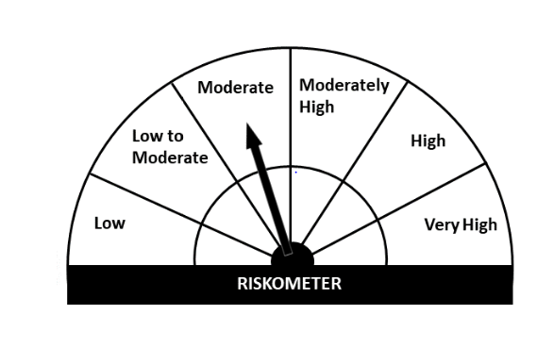
Essel Mutual Fund
Essel Regular Savings Fund
This product is suitable for investors who are seeking*
· Income over medium to long term.

· Investment in high quality fixed income securities and with a marginal exposure to equity and equity related instruments.

· Degree of risk – MODERATELY
*Investors should consult their financial advisers if in doubt about whether the product is suitable for them.

Monthly Portfolio Statement for the month ended 31 Jan 2021
Name of the Instrument | ISIN | Industry/Rating | Quantity | Market/Fair Value (Rs. in Lacs) | % to Net Assets | YIELD
Equity & Equity related
(a)Listed / awaiting listing on Stock Exchanges
ICICI BANK LTD | INE090A01021 | BANKS | 18625 | 100.02 | 3.06%
RELIANCE INDUSTRIES LTD | INE002A01018 | PETROLEUM PRODUCTS | 5012 | 92.32 | 2.83%
HDFC BANK LTD | INE040A01034 | BANKS | 6111 | 84.97 | 2.60%
BHARTI AIRTEL LTD | INE397D01024 | TELECOM - SERVICES | 8971 | 49.66 | 1.52%
AXIS BANK LTD | INE238A01034 | BANKS | 6360 | 42.16 | 1.29%
KOTAK MAHINDRA BANK LTD | INE237A01028 | BANKS | 2120 | 36.31 | 1.11%
HCL TECHNOLOGIES LTD | INE860A01027 | SOFTWARE | 2814 | 25.72 | 0.79%
JUBILANT FOODWORKS LTD | INE797F01012 | CONSUMER NON DURABLES | 859 | 22.25 | 0.68%
AIA ENGINEERING LTD | INE212H01026 | INDUSTRIAL PRODUCTS | 850 | 16.61 | 0.51%
MAX FINANCIAL SERVICES LTD | INE180A01020 | FINANCE | 2100 | 14.34 | 0.44%
UNITED SPIRITS LTD | INE854D01024 | CONSUMER NON DURABLES | 2372 | 13.73 | 0.42%
AUROBINDO PHARMA LTD | INE406A01037 | PHARMACEUTICALS | 1440 | 13.04 | 0.40%
PETRONET LNG LTD | INE347G01014 | GAS | 5500 | 13.04 | 0.40%
CIPLA LTD | INE059A01026 | PHARMACEUTICALS | 1368 | 11.30 | 0.35%
MAHINDRA & MAHINDRA LTD | INE101A01026 | AUTO | 1503 | 11.27 | 0.35%
TATA CONSUMER PRODUCTS LTD | INE192A01025 | CONSUMER NON DURABLES | 1980 | 11.08 | 0.34%
ESCORTS LTD | INE042A01014 | AUTO | 896 | 10.80 | 0.33%
NESTLE INDIA LTD | INE239A01016 | CONSUMER NON DURABLES | 60 | 10.24 | 0.31%
AVENUE SUPERMARTS LTD | INE192R01011 | RETAILING | 297 | 7.88 | 0.24%
SUMITOMO CHEMICAL INDIA LTD | INE258G01013 | CHEMICALS | 2430 | 7.61 | 0.23%
AMBUJA CEMENTS LTD | INE079A01024 | CEMENT | 2170 | 5.28 | 0.16%
PI INDUSTRIES LTD | INE603J01030 | PESTICIDES | 124 | 2.50 | 0.08%
Sub Total |  |  |  | 602.12 | 18.44%

(b)Unlisted
Sub Total |  |  |  | 0.00 | 0.00%

Total |  |  |  | 602.12 | 18.44%

Debt Instruments
(a)Listed / awaiting listing on Stock Exchanges
7.40% POWER FINANCE CORPORATION LTD (30/09/2021) ** | INE134E08IM4 | CARE AAA | 400000 | 408.27 | 12.50% | 4.08 %
8.00% BRITANNIA INDUSTRIES LTD (28/08/2022) ** @ | INE216A07052 | CRISIL AAA | 448 | 0.14 | 0.00% | 4.41 %
Sub Total |  |  |  | 408.42 | 12.50%

(b)Privately Placed/ Unlisted
Sub Total |  |  |  | 0.00 | 0.00%

(c)Securitized Debt Instruments
Sub Total |  |  |  | 0.00 | 0.00%

Total |  |  |  | 408.42 | 12.50%

Money Market Instruments
(a)Certificate of Deposit
AXIS BANK LTD (12/02/2021) **# | INE238A161U4 | CRISIL A1+ | 300000 | 299.70 | 9.18% | 3.3 %
Sub Total |  |  |  | 299.70 | 9.18%

(b)Commercial Paper
MUTHOOT FINANCE LTD (18/02/2021) ** | INE414G14QE3 | CRISIL A1+ | 400000 | 399.32 | 12.23% | 3.65 %
Sub Total |  |  |  | 399.32 | 12.23%

(c)Treasury Bills
Sub Total |  |  |  | 0.00 | 0.00%

Total |  |  |  | 699.02 | 21.41%

INVIT
INDIA GRID TRUST | INE219X23014 | POWER | 130977 | 176.62 | 5.41%

Total |  |  |  | 176.62 | 5.41%

TREPS/Reverse Repo/Net Current Assets/Cash/Cash Equivalent |  |  |  | 1,378.79 | 42.24%

Grand Total |  |  |  | 3,264.98 | 100.00%

** Non Traded Security
# Unlisted Security
@ less than 0.00%

LF
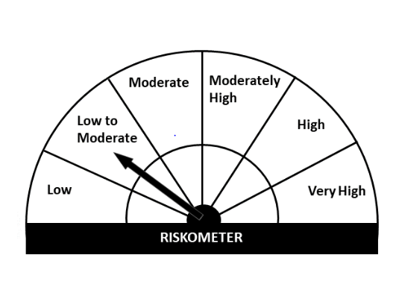
Essel Mutual Fund
Essel Liquid Fund
This product is suitable for investors who are seeking*
· Income over short term.

· Investments in debt and money market Instruments

· Degree of risk – LOW TO MODERATE

*Investors should consult their financial advisers if in doubt about whether the product is suitable for them

Monthly Portfolio Statement for the month ended 31 Jan 2021
Name of the Instrument | ISIN | Industry/Rating | Quantity | Market/Fair Value (Rs. in Lacs) | % to Net Assets | YIELD
Money Market Instruments
(a)Certificate of Deposit
Sub Total |  |  |  | 0.00 | 0.00%

(b)Commercial Paper
MUTHOOT FINANCE LTD (18/02/2021) ** | INE414G14QE3 | CRISIL A1+ | 405000 | 404.31 | 12.41% | 3.65 %
Sub Total |  |  |  | 404.31 | 12.41%

(c)Treasury Bills
Sub Total |  |  |  | 0.00 | 0.00%

Total |  |  |  | 404.31 | 12.41%

TREPS/Reverse Repo/Net Current Assets/Cash/Cash Equivalent |  |  |  | 2,853.02 | 87.59%

Grand Total |  |  |  | 3,257.34 | 100.00%

** Non Traded Security

