LF
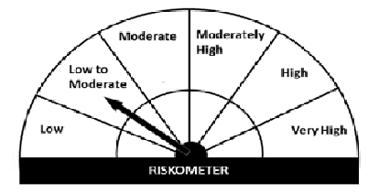
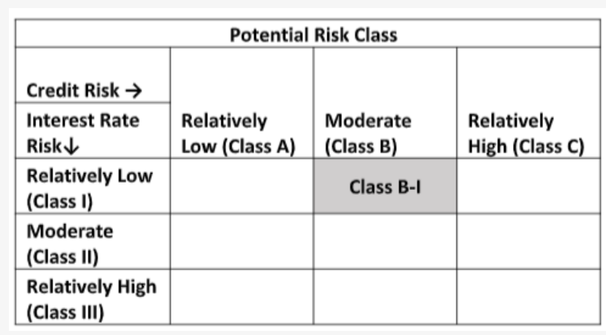
Navi Mutual Fund
Navi Liquid Fund
Monthly Portfolio Statement for the month ended 31 Dec 2021
Name of the Instrument | ISIN | Industry/Rating | Quantity | Market/Fair Value (Rs. in Lacs) | % to Net Assets | YIELD
Money Market Instruments
(a)Certificate of Deposit
INDUSIND BANK LIMITED (28/02/2022) **# | INE095A16L30 | CRISIL A1+ | 500000 | 497.11 | 5.78% | 3.66 %
Sub Total |  |  |  | 497.11 | 5.78%

(b)Commercial Paper
NABARD (12/01/2022) ** | INE261F14IG2 | CRISIL A1+ | 800000 | 799.15 | 9.29% | 3.54 %
BIRLA GROUP HOLDINGS PRIVATE LTD (27/01/2022) ** | INE09OL14862 | CRISIL A1+ | 800000 | 797.59 | 9.28% | 4.24 %
TIME TECHNOPLAST LIMITED (25/01/2022) ** | INE508G14BH7 | CRISIL A1+ | 400000 | 398.25 | 4.63% | 6.68 %
TIME TECHNOPLAST LIMITED (02/02/2022) ** | INE508G14BI5 | CRISIL A1+ | 400000 | 397.65 | 4.62% | 6.74 %
Sub Total |  |  |  | 2,392.64 | 27.82%

(c)Treasury Bills
91 Days Treasury Bill 06-Jan-2022 | IN002021X306 | SOVEREIGN | 1000000 | 999.56 | 11.63% | 3.25 %
91 Days Treasury Bill 31-Mar-2022 | IN002021X421 | SOVEREIGN | 1000000 | 991.31 | 11.53% | 3.59 %
Sub Total |  |  |  | 1,990.87 | 23.16%

Total |  |  |  | 4,880.62 | 56.76%

TREPS/Reverse Repo/Net Current Assets/Cash/Cash Equivalent |  |  |  | 3,717.34 | 43.24%

Grand Total |  |  |  | 8,597.96 | 100.00%

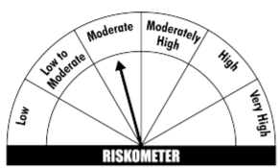
** Non Traded Security
# Unlisted Security
This product is suitable for investors who are seeking*
· Income over short term.

· Investments in debt and money market Instruments

· Degree of risk – MODERATE

*Investors should consult their financial advisers if in doubt about whether the product is suitable for them
Benchmark Riskometer- CRISIL Liquid Fund Index

