CP
Navi Mutual Fund
Navi 3 in 1 Fund
Monthly Portfolio Statement for the month ended 28 Feb 2022
Name of the Instrument | ISIN | Industry/Rating | Quantity | Market/Fair Value (Rs. in Lacs) | % to Net Assets | YIELD
Equity & Equity related
(a)Listed / awaiting listing on Stock Exchanges
ICICI BANK LIMITED | INE090A01021 | BANKS | 16349 | 121.42 | 7.16%
HDFC BANK LIMITED | INE040A01034 | BANKS | 7500 | 106.97 | 6.31%
RELIANCE INDUSTRIES LIMITED | INE002A01018 | PETROLEUM PRODUCTS | 4255 | 100.40 | 5.92%
INFOSYS LIMITED | INE009A01021 | SOFTWARE | 5500 | 94.36 | 5.57%
WIPRO LIMITED | INE075A01022 | SOFTWARE | 12434 | 69.11 | 4.08%
AXIS BANK LIMITED | INE238A01034 | BANKS | 7000 | 51.97 | 3.07%
TATA CONSULTANCY SERVICES LIMITED | INE467B01029 | SOFTWARE | 1289 | 45.81 | 2.70%
LARSEN & TOUBRO LIMITED | INE018A01030 | CONSTRUCTION PROJECT | 2500 | 45.42 | 2.68%
TATA STEEL LIMITED | INE081A01012 | FERROUS METALS | 3700 | 45.17 | 2.66%
TATA MOTORS LIMITED | INE155A01022 | AUTO | 9305 | 42.25 | 2.49%
BHARTI AIRTEL LIMITED | INE397D01024 | TELECOM - SERVICES | 5150 | 35.35 | 2.09%
SUN PHARMACEUTICAL INDUSTRIES LIMITED | INE044A01036 | PHARMACEUTICALS | 3500 | 29.54 | 1.74%
JUBILANT FOODWORKS LIMITED | INE797F01012 | LEISURE SERVICES | 1000 | 29.11 | 1.72%
THE FEDERAL BANK LIMITED | INE171A01029 | BANKS | 29460 | 28.58 | 1.69%
POLYCAB INDIA LIMITED | INE455K01017 | INDUSTRIAL PRODUCTS | 1185 | 28.14 | 1.66%
TATA POWER COMPANY LIMITED | INE245A01021 | POWER | 12000 | 26.77 | 1.58%
ASHOK LEYLAND LIMITED | INE208A01029 | AUTO | 21445 | 25.44 | 1.50%
HINDUJA GLOBAL SOLUTIONS LIMITED | INE170I01016 | SOFTWARE | 2000 | 24.27 | 1.43%
CITY UNION BANK LIMITED | INE491A01021 | BANKS | 18930 | 23.69 | 1.40%
MINDA INDUSTRIES LIMITED | INE405E01023 | AUTO ANCILLARIES | 2500 | 22.97 | 1.36%
HONEYWELL AUTOMATION INDIA LIMITED | INE671A01010 | INDUSTRIAL CAPITAL GOODS | 48 | 19.66 | 1.16%
GREENPLY INDUSTRIES LIMITED | INE461C01038 | CONSUMER DURABLES | 10900 | 18.93 | 1.12%
KOTAK MAHINDRA BANK LIMITED | INE237A01028 | BANKS | 1000 | 18.43 | 1.09%
GUJARAT GAS LIMITED | INE844O01030 | GAS | 3151 | 18.39 | 1.08%
WABCO INDIA LIMITED | INE342J01019 | AUTO ANCILLARIES | 233 | 17.61 | 1.04%
GAIL (INDIA) LIMITED | INE129A01019 | GAS | 11342 | 16.43 | 0.97%
TCI EXPRESS LIMITED | INE586V01016 | TRANSPORTATION | 788 | 13.91 | 0.82%
AVENUE SUPERMARTS LIMITED | INE192R01011 | RETAILING | 300 | 13.02 | 0.77%
VINATI ORGANICS LIMITED | INE410B01037 | CHEMICALS | 672 | 12.45 | 0.73%
ATUL LIMITED | INE100A01010 | CHEMICALS | 125 | 11.57 | 0.68%
BHARAT FORGE LIMITED | INE465A01025 | INDUSTRIAL PRODUCTS | 1620 | 10.99 | 0.65%
DIVI'S LABORATORIES LIMITED | INE361B01024 | PHARMACEUTICALS | 250 | 10.66 | 0.63%
STATE BANK OF INDIA | INE062A01020 | BANKS | 2196 | 10.61 | 0.63%
VIP INDUSTRIES LIMITED | INE054A01027 | CONSUMER DURABLES | 1500 | 9.59 | 0.57%
AMBUJA CEMENTS LIMITED | INE079A01024 | CEMENT & CEMENT PRODUCTS | 3007 | 9.45 | 0.56%
INDRAPRASTHA GAS LIMITED | INE203G01027 | GAS | 2540 | 8.81 | 0.52%
CIPLA LIMITED | INE059A01026 | PHARMACEUTICALS | 880 | 8.14 | 0.48%
NAVIN FLUORINE INTERNATIONAL LIMITED | INE048G01026 | CHEMICALS | 200 | 7.78 | 0.46%
CROMPTON GREAVES CONSUMER ELECTRICAL LTD | INE299U01018 | CONSUMER DURABLES | 1500 | 6.43 | 0.38%
CADILA HEALTHCARE LIMITED | INE010B01027 | PHARMACEUTICALS | 1500 | 5.41 | 0.32%
BHARTI AIRTEL LIMITED - PARTLY PAID | IN9397D01014 | TELECOM - SERVICES | 367 | 1.20 | 0.07%
Sub Total |  |  |  | 1,246.21 | 73.54%

(b)Unlisted
Sub Total |  |  |  | 0.00 | 0.00%

Total |  |  |  | 1,246.21 | 73.54%

Debt Instruments
(a)Listed / awaiting listing on Stock Exchanges
7.60% MUTHOOT FINANCE LIMITED (20/04/2026) ** | INE414G07FU6 | CRISIL AA+ | 58000 | 58.70 | 3.46% | 7.24 %
6.00% HOUSING DEVELOPMENT FINANCE CORPORATION (29/05/2026) ** | INE001A07SY9 | ICRA AAA | 30000 | 29.74 | 1.75% | 6.23 %
8.00% BRITANNIA INDUSTRIES LIMITED (28/08/2022) ** | INE216A07052 | CRISIL AAA | 490 | 0.15 | 0.01% | 4.69 %
Sub Total |  |  |  | 88.59 | 5.22%

(b)Privately Placed/ Unlisted
Sub Total |  |  |  | 0.00 | 0.00%

(c)Securitized Debt Instruments
Sub Total |  |  |  | 0.00 | 0.00%

Total |  |  |  | 88.59 | 5.22%

Money Market Instruments
(a)Certificate of Deposit
Sub Total |  |  |  | 0.00 | 0.00%

(b)Commercial Paper
NORTHERN ARC CAPITAL LTD (07/03/2022) ** | INE850M14AO9 | ICRA A1+ | 60000 | 59.93 | 3.54% | 6.7 %
Sub Total |  |  |  | 59.93 | 3.54%

(c)Treasury Bills
Sub Total |  |  |  | 0.00 | 0.00%

Total |  |  |  | 59.93 | 3.54%

Others
(a)Fixed Deposit
Sub Total |  |  |  | 0.00 | 0.00%

(b)Exchange Traded Funds
NIPPON LIFE INDIA ASSET MGMT LTD | INF204KB17I5 |  | 575000 | 250.64 | 14.79%
Sub Total |  |  |  | 250.64 | 14.79%

Total |  |  |  | 250.64 | 14.79%

TREPS/Reverse Repo/Net Current Assets/Cash/Cash Equivalent |  |  |  | 49.64 | 2.91%

Grand Total |  |  |  | 1,695.01 | 100.00%

** Non Traded Security

This product is suitable for investors who are seeking*
· Capital appreciation over the long term.

· To generate long term capital appreciation through a portfolio of fixed income securities, Gold Exchange traded funds (ETFs) of other mutual funds and gold related instruments and equity & equity related Instruments.

· Degree of risk – VERY HIGH
*Investors should consult their financial advisers if in doubt about whether the product is suitable for them.

Benchmark Riskometer - CRISIL Composite Bond @ 15% + Price of Gold @ 15% + Nifty TRI @ 30% + NSE Arbritage Index @ 40%
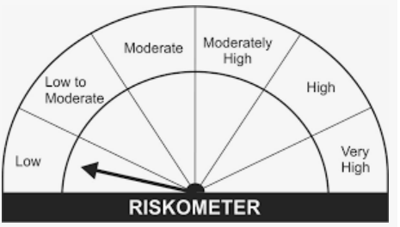
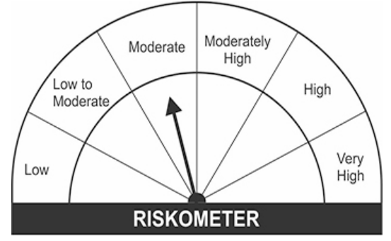

Crisil Composite Bond | Nifty TRI | NSE Arbitrage Index

