LF
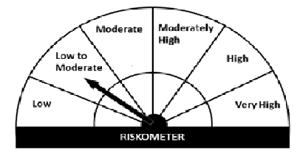
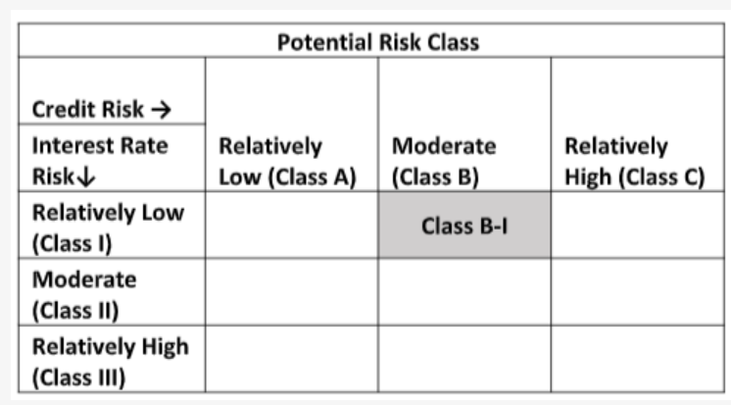
Navi Mutual Fund
Navi Liquid Fund
Monthly Portfolio Statement for the month ended 28 Feb 2022
Name of the Instrument | ISIN | Industry/Rating | Quantity | Market/Fair Value (Rs. in Lacs) | % to Net Assets | YIELD
Money Market Instruments
(a)Certificate of Deposit
SIDBI (25/03/2022) | INE556F16861 | CARE A1+ | 1000000 | 997.63 | 10.81% | 3.62 %
BANDHAN BANK LIMITED (25/04/2022) **# | INE545U16376 | ICRA A1+ | 1000000 | 993.27 | 10.76% | 4.5 %
UJJIVAN SMALL FINANCE BANK LIMITED (13/04/2022) **# | INE551W16AF5 | CRISIL A1+ | 800000 | 795.20 | 8.61% | 5.13 %
Sub Total |  |  |  | 2,786.10 | 30.18%

(b)Commercial Paper
PIRAMAL ENTERPRISES LIMITED (26/04/2022) ** | INE140A14R72 | CRISIL A1+ | 1000000 | 990.53 | 10.73% | 6.24 %
NORTHERN ARC CAPITAL LTD (07/03/2022) ** | INE850M14AO9 | ICRA A1+ | 800000 | 799.12 | 8.66% | 6.7 %
TIME TECHNOPLAST LIMITED (29/04/2022) ** | INE508G14BT2 | CRISIL A1+ | 500000 | 494.57 | 5.36% | 6.79 %
TIME TECHNOPLAST LIMITED (06/05/2022) ** | INE508G14BV8 | CRISIL A1+ | 500000 | 493.90 | 5.35% | 6.83 %
Sub Total |  |  |  | 2,778.12 | 30.10%

(c)Treasury Bills
91 Days Treasury Bill 31-Mar-2022 | IN002021X421 | SOVEREIGN | 1000000 | 997.27 | 10.80% | 3.34 %
Sub Total |  |  |  | 997.27 | 10.80%

Total |  |  |  | 6,561.49 | 71.08%

TREPS/Reverse Repo/Net Current Assets/Cash/Cash Equivalent |  |  |  | 2,671.20 | 28.92%

Grand Total |  |  |  | 9,232.69 | 100.00%

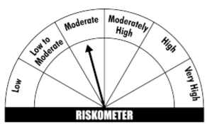
** Non Traded Security
# Unlisted Security
This product is suitable for investors who are seeking*
· Income over short term.

· Investments in debt and money market Instruments

· Degree of risk – MODERATE

*Investors should consult their financial advisers if in doubt about whether the product is suitable for them
Benchmark Riskometer- CRISIL Liquid Fund Index

