LF
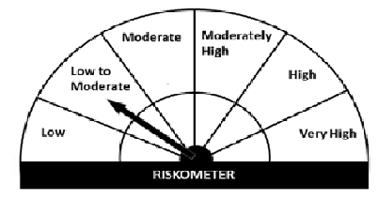
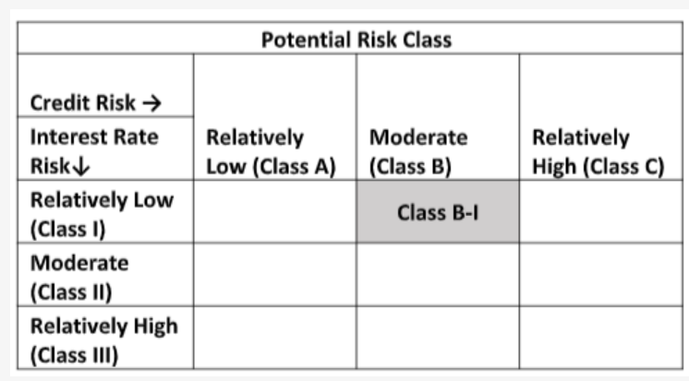
Navi Mutual Fund
Navi Liquid Fund
Monthly Portfolio Statement for the month ended 31 Jan 2022
Name of the Instrument | ISIN | Industry/Rating | Quantity | Market/Fair Value (Rs. in Lacs) | % to Net Assets | YIELD
Money Market Instruments
(a)Certificate of Deposit
BANDHAN BANK LIMITED (25/04/2022) **# | INE545U16376 | ICRA A1+ | 1000000 | 989.78 | 9.21% | 4.54 %
UJJIVAN SMALL FINANCE BANK LIMITED (13/04/2022) **# | INE551W16AF5 | CRISIL A1+ | 800000 | 792.05 | 7.37% | 5.16 %
INDUSIND BANK LIMITED (28/02/2022) **# | INE095A16L30 | CRISIL A1+ | 500000 | 498.62 | 4.64% | 3.74 %
Sub Total |  |  |  | 2,280.45 | 21.22%

(b)Commercial Paper
PIRAMAL ENTERPRISES LIMITED (26/04/2022) ** | INE140A14R72 | CRISIL A1+ | 1000000 | 985.68 | 9.17% | 6.32 %
NORTHERN ARC CAPITAL LTD (07/03/2022) ** | INE850M14AO9 | ICRA A1+ | 800000 | 794.96 | 7.40% | 6.8 %
TIME TECHNOPLAST LIMITED (29/04/2022) ** | INE508G14BT2 | CRISIL A1+ | 500000 | 491.79 | 4.58% | 7 %
TIME TECHNOPLAST LIMITED (02/02/2022) ** | INE508G14BI5 | CRISIL A1+ | 400000 | 399.93 | 3.72% | 6.53 %
Sub Total |  |  |  | 2,672.36 | 24.87%

(c)Treasury Bills
91 Days Treasury Bill 31-Mar-2022 | IN002021X421 | SOVEREIGN | 1000000 | 994.25 | 9.25% | 3.64 %
Sub Total |  |  |  | 994.25 | 9.25%

Total |  |  |  | 5,947.07 | 55.34%

TREPS/Reverse Repo/Net Current Assets/Cash/Cash Equivalent |  |  |  | 4,801.78 | 44.66%

Grand Total |  |  |  | 10,748.85 | 100.00%

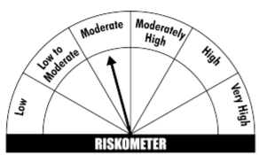
** Non Traded Security
# Unlisted Security
This product is suitable for investors who are seeking*
· Income over short term.

· Investments in debt and money market Instruments

· Degree of risk – MODERATE

*Investors should consult their financial advisers if in doubt about whether the product is suitable for them
Benchmark Riskometer- CRISIL Liquid Fund Index

