US
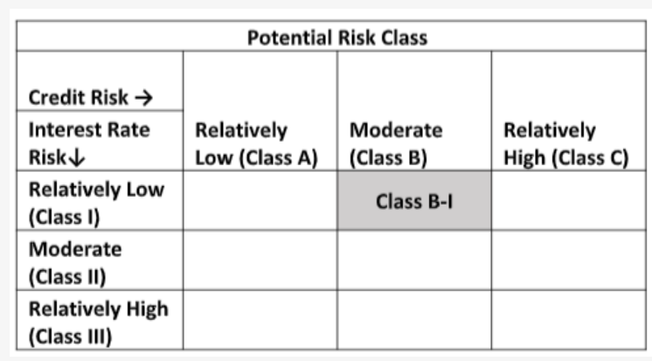
Navi Mutual Fund
Navi Ultra Short Term Fund
Monthly Portfolio Statement for the month ended 31 Jan 2022
Name of the Instrument | ISIN | Industry/Rating | Quantity | Market/Fair Value (Rs. in Lacs) | % to Net Assets | YIELD
Debt Instruments
(a)Listed / awaiting listing on Stock Exchanges
7.48% LIC HOUSING FINANCE LIMITED (10/06/2022) ** | INE115A07LZ9 | CRISIL AAA | 200000 | 202.00 | 13.84% | 4.4 %
9.00% L&T FINANCE LIMITED (13/04/2022) ** | INE027E07907 | ICRA AAA | 70000 | 70.76 | 4.85% | 4.3 %
Sub Total |  |  |  | 272.76 | 18.69%

(b)Privately Placed/ Unlisted
Sub Total |  |  |  | 0.00 | 0.00%

(c)Securitized Debt Instruments
Sub Total |  |  |  | 0.00 | 0.00%

Total |  |  |  | 272.76 | 18.69%

Money Market Instruments
(a)Certificate of Deposit
Sub Total |  |  |  | 0.00 | 0.00%

(b)Commercial Paper
NORTHERN ARC CAPITAL LTD (07/03/2022) ** | INE850M14AO9 | ICRA A1+ | 140000 | 139.12 | 9.53% | 6.8 %
Sub Total |  |  |  | 139.12 | 9.53%

(c)Treasury Bills
364 Days Treasury Bill 05-May-2022 | IN002021Z053 | SOVEREIGN | 500000 | 495.26 | 33.94% | 3.76 %
364 Days Treasury Bill 19-May-2022 | IN002021Z079 | SOVEREIGN | 370000 | 365.97 | 25.08% | 3.76 %
Sub Total |  |  |  | 861.22 | 59.02%

Total |  |  |  | 1,000.34 | 68.55%

TREPS/Reverse Repo/Net Current Assets/Cash/Cash Equivalent |  |  |  | 186.00 | 12.76%

Grand Total |  |  |  | 1,459.10 | 100.00%

** Non Traded Security

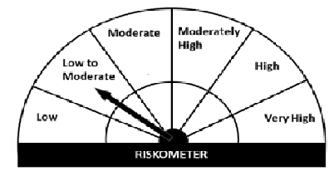
This product is suitable for investors who are seeking*
· Income over short term.

· Investment in money market and short term debt instruments.

· Degree of risk – LOW TO MODERATE

*Investors should consult their financial advisers if in doubt about whether the product is suitable for them.
Benchmark Riskometer - CRISIL Liquid Fund Index

