CP
Navi Mutual Fund
Navi 3 in 1 Fund
This product is suitable for investors who are seeking*
· Capital appreciation over the long term.

· To generate long term capital appreciation through a portfolio of fixed income securities, Gold Exchange traded funds (ETFs) of other mutual funds and gold related instruments and equity & equity related Instruments.

· Degree of risk – VERY HIGH
*Investors should consult their financial advisers if in doubt about whether the product is suitable for them.

Benchmark Riskometer - CRISIL Composite Bond @ 15% + Price of Gold @ 15% + Nifty TRI @ 30% + NSE Arbritage Index @ 40%
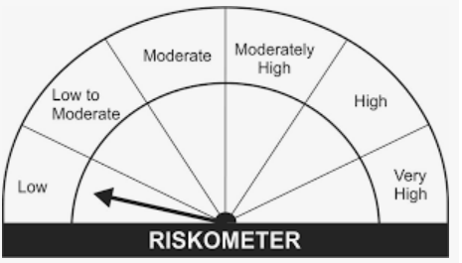
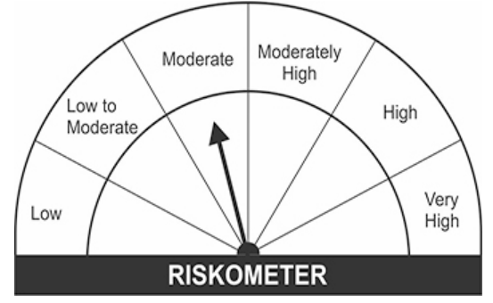

Crisil Composite Bond | Nifty TRI | NSE Arbitrage Index
Name of the Instrument | ISIN | Industry/Rating | Quantity | Market/Fair Value (Rs. in Lacs) | % to Net Assets | YIELD
Equity & Equity related
(a)Listed / awaiting listing on Stock Exchanges
HDFC BANK LIMITED | INE040A01034 | BANKS | 8075 | 120.60 | 6.78%
ICICI BANK LIMITED | INE090A01021 | BANKS | 16349 | 116.79 | 6.56%
RELIANCE INDUSTRIES LIMITED | INE002A01018 | PETROLEUM PRODUCTS | 4255 | 102.35 | 5.75%
INFOSYS LIMITED | INE009A01021 | SOFTWARE | 5500 | 94.20 | 5.29%
WIPRO LIMITED | INE075A01022 | SOFTWARE | 12434 | 79.24 | 4.45%
AXIS BANK LIMITED | INE238A01034 | BANKS | 7000 | 45.90 | 2.58%
TATA CONSULTANCY SERVICES LIMITED | INE467B01029 | SOFTWARE | 1289 | 45.49 | 2.56%
LARSEN & TOUBRO LIMITED | INE018A01030 | CONSTRUCTION PROJECT | 2500 | 44.12 | 2.48%
TATA MOTORS LIMITED | INE155A01022 | AUTO | 9305 | 42.67 | 2.40%
TATA STEEL LIMITED | INE081A01012 | FERROUS METALS | 3700 | 39.63 | 2.23%
BHARTI AIRTEL LIMITED | INE397D01024 | TELECOM - SERVICES | 5150 | 37.50 | 2.11%
JUBILANT FOODWORKS LIMITED | INE797F01012 | LEISURE SERVICES | 1000 | 36.51 | 2.05%
HINDUJA GLOBAL SOLUTIONS LIMITED | INE170I01016 | SOFTWARE | 1000 | 28.79 | 1.62%
MINDA INDUSTRIES LIMITED | INE405E01023 | AUTO ANCILLARIES | 3144 | 28.50 | 1.60%
CITY UNION BANK LIMITED | INE491A01021 | BANKS | 18930 | 27.39 | 1.54%
POLYCAB INDIA LIMITED | INE455K01017 | INDUSTRIAL PRODUCTS | 1185 | 27.33 | 1.54%
SUN PHARMACEUTICAL INDUSTRIES LIMITED | INE044A01036 | PHARMACEUTICALS | 3500 | 26.38 | 1.48%
TATA POWER COMPANY LIMITED | INE245A01021 | POWER | 12000 | 26.02 | 1.46%
ASHOK LEYLAND LIMITED | INE208A01029 | AUTO | 21445 | 25.67 | 1.44%
THE FEDERAL BANK LIMITED | INE171A01029 | BANKS | 29460 | 25.57 | 1.44%
KOTAK MAHINDRA BANK LIMITED | INE237A01028 | BANKS | 1250 | 24.52 | 1.38%
AVENUE SUPERMARTS LIMITED | INE192R01011 | RETAILING | 500 | 23.55 | 1.32%
GREENPLY INDUSTRIES LIMITED | INE461C01038 | CONSUMER DURABLES | 10900 | 21.71 | 1.22%
GUJARAT GAS LIMITED | INE844O01030 | GAS | 3151 | 21.11 | 1.19%
WABCO INDIA LIMITED | INE342J01019 | AUTO ANCILLARIES | 233 | 18.82 | 1.06%
HONEYWELL AUTOMATION INDIA LIMITED | INE671A01010 | INDUSTRIAL CAPITAL GOODS | 48 | 18.67 | 1.05%
TCI EXPRESS LIMITED | INE586V01016 | TRANSPORTATION | 788 | 16.88 | 0.95%
VIP INDUSTRIES LIMITED | INE054A01027 | CONSUMER DURABLES | 3000 | 16.77 | 0.94%
GAIL (INDIA) LIMITED | INE129A01019 | GAS | 11342 | 14.72 | 0.83%
NAVIN FLUORINE INTERNATIONAL LIMITED | INE048G01026 | CHEMICALS | 373 | 13.95 | 0.78%
VINATI ORGANICS LIMITED | INE410B01037 | CHEMICALS | 672 | 12.65 | 0.71%
DIVI'S LABORATORIES LIMITED | INE361B01024 | PHARMACEUTICALS | 250 | 12.20 | 0.69%
INDRAPRASTHA GAS LIMITED | INE203G01027 | GAS | 2540 | 12.30 | 0.69%
CEAT LIMITED | INE482A01020 | AUTO ANCILLARIES | 990 | 11.63 | 0.65%
AMBUJA CEMENTS LIMITED | INE079A01024 | CEMENT & CEMENT PRODUCTS | 3007 | 11.26 | 0.63%
BHARAT FORGE LIMITED | INE465A01025 | INDUSTRIAL PRODUCTS | 1620 | 11.24 | 0.63%
ATUL LIMITED | INE100A01010 | CHEMICALS | 125 | 10.88 | 0.61%
STATE BANK OF INDIA | INE062A01020 | BANKS | 2196 | 10.11 | 0.57%
DCB BANK LIMITED | INE503A01015 | BANKS | 10625 | 8.72 | 0.49%
CIPLA LIMITED | INE059A01026 | PHARMACEUTICALS | 880 | 8.55 | 0.48%
CADILA HEALTHCARE LIMITED | INE010B01027 | PHARMACEUTICALS | 1500 | 6.98 | 0.39%
CROMPTON GREAVES CONSUMER ELECTRICAL LTD | INE299U01018 | CONSUMER DURABLES | 1500 | 6.72 | 0.38%
BHARTI AIRTEL LIMITED - PARTLY PAID | IN9397D01014 | TELECOM - SERVICES | 367 | 1.43 | 0.08%
Sub Total |  |  |  | 1,336.02 | 75.08%

(b)Unlisted
Sub Total |  |  |  | 0.00 | 0.00%

Total |  |  |  | 1,336.02 | 75.08%

Debt Instruments
(a)Listed / awaiting listing on Stock Exchanges
7.60% MUTHOOT FINANCE LIMITED (20/04/2026) ** | INE414G07FU6 | CRISIL AA+ | 58000 | 58.97 | 3.31% | 7.13 %
6.00% HOUSING DEVELOPMENT FINANCE CORPORATION (29/05/2026) | INE001A07SY9 | ICRA AAA | 30000 | 29.83 | 1.68% | 6.14 %
8.00% BRITANNIA INDUSTRIES LIMITED (28/08/2022) ** | INE216A07052 | CRISIL AAA | 490 | 0.15 | 0.01% | 4.68 %
Sub Total |  |  |  | 88.95 | 5.00%

(b)Privately Placed/ Unlisted
Sub Total |  |  |  | 0.00 | 0.00%

(c)Securitized Debt Instruments
Sub Total |  |  |  | 0.00 | 0.00%

Total |  |  |  | 88.95 | 5.00%

Others
(a)Fixed Deposit
Sub Total |  |  |  | 0.00 | 0.00%

(b)Exchange Traded Funds
NIPPON LIFE INDIA ASSET MGMT LTD | INF204KB17I5 |  | 575000 | 238.68 | 13.41%
Sub Total |  |  |  | 238.68 | 13.41%

Total |  |  |  | 238.68 | 13.41%

TREPS/Reverse Repo/Net Current Assets/Cash/Cash Equivalent |  |  |  | 115.67 | 6.51%

Grand Total |  |  |  | 1,779.32 | 100.00%

** Non Traded Security

