LF
Navi Mutual Fund
Navi Liquid Fund
This product is suitable for investors who are seeking*
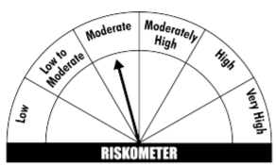
· Income over short term.

· Investments in debt and money market Instruments

· Degree of risk – MODERATE

*Investors should consult their financial advisers if in doubt about whether the product is suitable for them
Benchmark Riskometer- CRISIL Liquid Fund Index
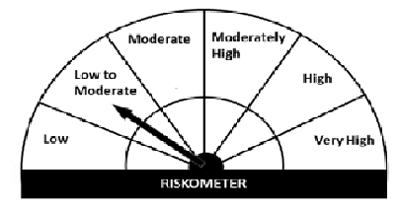
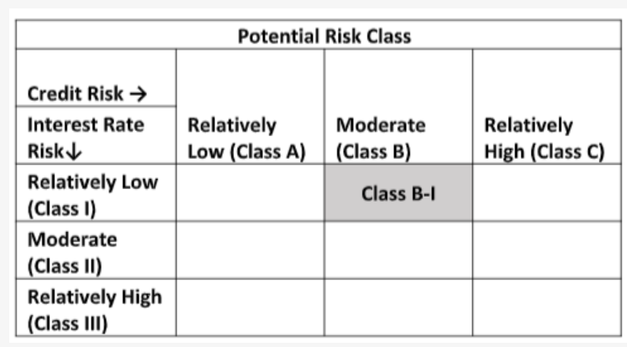

Navi Liquid Fund
Monthly Portfolio Statement for the month ended 30 Nov 2021
Name of the Instrument | ISIN | Industry/Rating | Quantity | Market/Fair Value (Rs. in Lacs) | % to Net Assets | YIELD
Money Market Instruments
(a)Certificate of Deposit
Sub Total |  |  |  | 0.00 | 0.00%

(b)Commercial Paper
NORTHERN ARC CAPITAL LTD (17/12/2021) ** | INE850M14AH3 | ICRA A1+ | 800000 | 797.50 | 9.47% | 7.15 %
NABARD (12/01/2022) ** | INE261F14IG2 | CRISIL A1+ | 800000 | 796.75 | 9.46% | 3.55 %
BIRLA GROUP HOLDINGS PRIVATE LTD (27/01/2022) ** | INE09OL14862 | CRISIL A1+ | 800000 | 794.73 | 9.43% | 4.25 %
TIME TECHNOPLAST LIMITED (25/01/2022) ** | INE508G14BH7 | CRISIL A1+ | 400000 | 395.87 | 4.70% | 6.93 %
TIME TECHNOPLAST LIMITED (02/02/2022) ** | INE508G14BI5 | CRISIL A1+ | 400000 | 395.26 | 4.69% | 6.96 %
Sub Total |  |  |  | 3,180.10 | 37.75%

(c)Treasury Bills
91 Days Treasury Bill 23-Dec-2021 | IN002021X280 | SOVEREIGN | 1000000 | 998.03 | 11.85% | 3.27 %
182 Days Treasury Bill 23-Dec-2021 | IN002021Y122 | SOVEREIGN | 1000000 | 998.03 | 11.85% | 3.27 %
91 Days Treasury Bill 06-Jan-2022 | IN002021X306 | SOVEREIGN | 1000000 | 996.65 | 11.83% | 3.41 %
Sub Total |  |  |  | 2,992.72 | 35.53%

Total |  |  |  | 6,172.81 | 73.28%

TREPS/Reverse Repo/Net Current Assets/Cash/Cash Equivalent |  |  |  | 2,250.69 | 26.72%

Grand Total |  |  |  | 8,423.51 | 100.00%

** Non Traded Security

