US
Navi Mutual Fund
Navi Ultra Short Term Fund
This product is suitable for investors who are seeking*
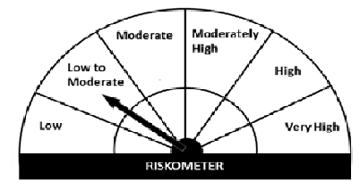
· Income over short term.

· Investment in money market and short term debt instruments.

· Degree of risk – LOW TO MODERATE

*Investors should consult their financial advisers if in doubt about whether the product is suitable for them.
Benchmark Riskometer - CRISIL Liquid Fund Index

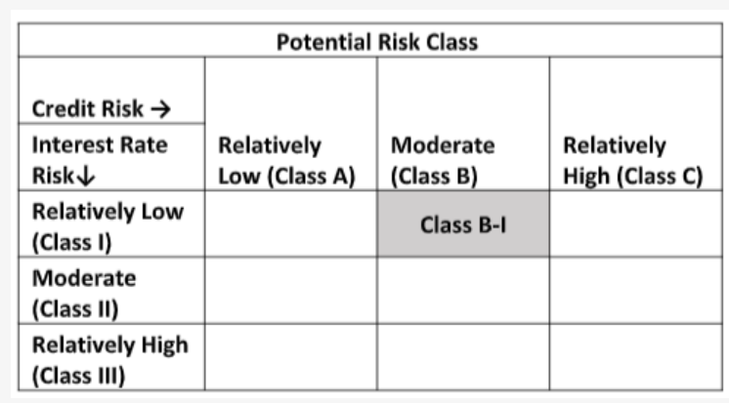

Navi Ultra Short Term Fund
Monthly Portfolio Statement for the month ended 30 Nov 2021
Name of the Instrument | ISIN | Industry/Rating | Quantity | Market/Fair Value (Rs. in Lacs) | % to Net Assets | YIELD
Debt Instruments
(a)Listed / awaiting listing on Stock Exchanges
7.48% LIC HOUSING FINANCE LIMITED (10/06/2022) ** | INE115A07LZ9 | CRISIL AAA | 200000 | 203.10 | 10.45% | 4.3 %
9.00% L & T FINANCE LIMITED (13/04/2022) ** | INE027E07907 | ICRA AAA | 70000 | 71.20 | 3.66% | 4.85 %
6.00% HOUSING DEVELOPMENT FINANCE CORPORATION (29/05/2026) | INE001A07SY9 | ICRA AAA | 30000 | 29.83 | 1.53% | 6.14 %
Sub Total |  |  |  | 304.13 | 15.64%

(b)Privately Placed/ Unlisted
Sub Total |  |  |  | 0.00 | 0.00%

(c)Securitized Debt Instruments
Sub Total |  |  |  | 0.00 | 0.00%

Total |  |  |  | 304.13 | 15.64%

Money Market Instruments
(a)Certificate of Deposit
Sub Total |  |  |  | 0.00 | 0.00%

(b)Commercial Paper
NORTHERN ARC CAPITAL LTD (17/12/2021) ** | INE850M14AH3 | ICRA A1+ | 100000 | 99.69 | 5.13% | 7.15 %
Sub Total |  |  |  | 99.69 | 5.13%

(c)Treasury Bills
364 Days Treasury Bill 05-May-2022 | IN002021Z053 | SOVEREIGN | 500000 | 492.06 | 25.31% | 3.8 %
364 Days Treasury Bill 19-May-2022 | IN002021Z079 | SOVEREIGN | 500000 | 491.35 | 25.28% | 3.8 %
182 Days Treasury Bill 18-Feb-2022 | IN002021Y213 | SOVEREIGN | 200000 | 198.50 | 10.21% | 3.49 %
Sub Total |  |  |  | 1,181.91 | 60.80%

Total |  |  |  | 1,281.60 | 65.93%

TREPS/Reverse Repo/Net Current Assets/Cash/Cash Equivalent |  |  |  | 358.26 | 18.43%

Grand Total |  |  |  | 1,943.99 | 100.00%

** Non Traded Security

