LF
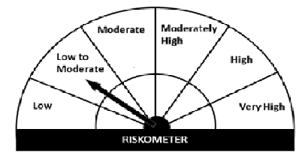
Navi Mutual Fund
Navi Liquid Fund
This product is suitable for investors who are seeking*
· Income over short term.

· Investments in debt and money market Instruments

· Degree of risk – LOW TO MODERATE

*Investors should consult their financial advisers if in doubt about whether the product is suitable for them
Benchmark Riskometer- CRISIL Liquid Fund Index

Monthly Portfolio Statement for the month ended 31 Oct 2021
Name of the Instrument | ISIN | Industry/Rating | Quantity | Market/Fair Value (Rs. in Lacs) | % to Net Assets | YIELD
Money Market Instruments
(a)Certificate of Deposit
Sub Total |  |  |  | 0.00 | 0.00%

(b)Commercial Paper
NABARD (12/01/2022) ** | INE261F14IG2 | CRISIL A1+ | 800000 | 794.16 | 9.39% | 3.73 %
NORTHERN ARC CAPITAL LTD (17/12/2021) ** | INE850M14AH3 | ICRA A1+ | 800000 | 792.46 | 9.37% | 7.55 %
BIRLA GROUP HOLDINGS PRIVATE LTD (27/01/2022) ** | INE09OL14862 | CRISIL A1+ | 800000 | 790.99 | 9.36% | 4.78 %
TIME TECHNOPLAST LIMITED (25/01/2022) ** | INE508G14BH7 | CRISIL A1+ | 400000 | 393.33 | 4.65% | 7.28 %
Sub Total |  |  |  | 2,770.94 | 32.77%

(c)Treasury Bills
91 Days Treasury Bill 23-Dec-2021 | IN002021X280 | SOVEREIGN | 1000000 | 995.11 | 11.77% | 3.45 %
182 Days Treasury Bill 23-Dec-2021 | IN002021Y122 | SOVEREIGN | 1500000 | 1492.66 | 17.66% | 3.45 %
91 Days Treasury Bill 06-Jan-2022 | IN002021X306 | SOVEREIGN | 1000000 | 993.68 | 11.75% | 3.52 %
Sub Total |  |  |  | 3,481.46 | 41.18%

Total |  |  |  | 6,252.40 | 73.95%

TREPS/Reverse Repo/Net Current Assets/Cash/Cash Equivalent |  |  |  | 2,201.78 | 26.05%

Grand Total |  |  |  | 8,454.18 | 100.00%

** Non Traded Security

