LF
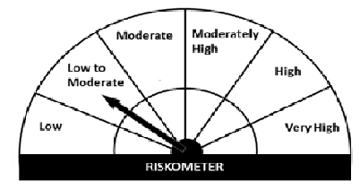
Navi Mutual Fund
Navi Liquid Fund
This product is suitable for investors who are seeking*
· Income over short term.

· Investments in debt and money market Instruments

· Degree of risk – LOW TO MODERATE

*Investors should consult their financial advisers if in doubt about whether the product is suitable for them
Monthly Portfolio Statement for the month ended 30 Sep 2021
Name of the Instrument | ISIN | Industry/Rating | Quantity | Market/Fair Value (Rs. in Lacs) | % to Net Assets | YIELD
Money Market Instruments
(a)Certificate of Deposit
Sub Total |  |  |  | 0.00 | 0.00%

(b)Commercial Paper
ARKA FINCAP LIMITED (25/10/2021) ** | INE03W114070 | CRISIL A1+ | 830000 | 826.04 | 9.78% | 7.29 %
NORTHERN ARC CAPITAL LIMITED (17/12/2021) ** | INE850M14AH3 | ICRA A1+ | 800000 | 787.95 | 9.33% | 7.25 %
Sub Total |  |  |  | 1,613.99 | 19.11%

(c)Treasury Bills
91 Days Treasury Bill 23-Dec-2021 | IN002021X280 | SOVEREIGN | 1000000 | 992.26 | 11.75% | 3.43 %
182 Days Treasury Bill 23-Dec-2021 | IN002021Y122 | SOVEREIGN | 1500000 | 1488.38 | 17.62% | 3.43 %
Sub Total |  |  |  | 2,480.64 | 29.37%

Total |  |  |  | 4,094.63 | 48.48%

TREPS/Reverse Repo/Net Current Assets/Cash/Cash Equivalent |  |  |  | 4,353.27 | 51.52%

Grand Total |  |  |  | 8,447.89 | 100.00%

** Non Traded Security

