IP
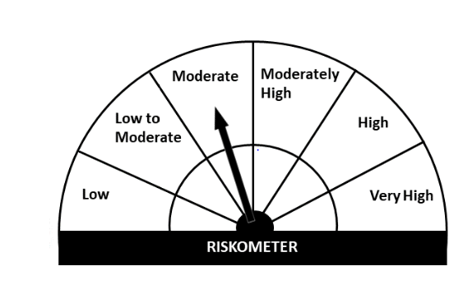
Navi Mutual Fund
Navi Regular Savings Fund
This product is suitable for investors who are seeking*
· Income over medium to long term.

· Investment in high quality fixed income securities and with a marginal exposure to equity and equity related instruments.

· Degree of risk – MODERATE
*Investors should consult their financial advisers if in doubt about whether the product is suitable for them.
Monthly Portfolio Statement for the month ended 30 Sep 2021
Name of the Instrument | ISIN | Industry/Rating | Quantity | Market/Fair Value (Rs. in Lacs) | % to Net Assets | YIELD
Equity & Equity related
(a)Listed / awaiting listing on Stock Exchanges
ICICI BANK LIMITED | INE090A01021 | BANKS | 18625 | 130.53 | 4.15%
RELIANCE INDUSTRIES LIMITED | INE002A01018 | PETROLEUM PRODUCTS | 5012 | 126.26 | 4.02%
HDFC BANK LIMITED | INE040A01034 | BANKS | 4476 | 71.39 | 2.27%
BHARTI AIRTEL LIMITED | INE397D01024 | TELECOM - SERVICES | 8074 | 55.57 | 1.77%
AXIS BANK LIMITED | INE238A01034 | BANKS | 6360 | 48.75 | 1.55%
HCL TECHNOLOGIES LIMITED | INE860A01027 | SOFTWARE | 2814 | 36.01 | 1.15%
JUBILANT FOODWORKS LIMITED | INE797F01012 | LEISURE SERVICES | 859 | 34.71 | 1.10%
MAX FINANCIAL SERVICES LIMITED | INE180A01020 | INSURANCE | 2100 | 21.30 | 0.68%
AIA ENGINEERING LIMITED | INE212H01026 | INDUSTRIAL PRODUCTS | 850 | 16.62 | 0.53%
KOTAK MAHINDRA BANK LIMITED | INE237A01028 | BANKS | 830 | 16.65 | 0.53%
TATA CONSUMER PRODUCTS LIMITED | INE192A01025 | CONSUMER NON DURABLES | 1980 | 16.11 | 0.51%
ESCORTS LIMITED | INE042A01014 | AUTO | 896 | 13.26 | 0.42%
AVENUE SUPERMARTS LIMITED | INE192R01011 | RETAILING | 297 | 12.62 | 0.40%
AMBUJA CEMENTS LIMITED | INE079A01024 | CEMENT & CEMENT PRODUCTS | 2170 | 8.68 | 0.28%
SUMITOMO CHEMICAL INDIA LIMITED | INE258G01013 | PESTICIDES | 1775 | 7.14 | 0.23%
PETRONET LNG LIMITED | INE347G01014 | GAS | 2750 | 6.56 | 0.21%
PI INDUSTRIES LIMITED | INE603J01030 | PESTICIDES | 124 | 3.94 | 0.13%
AUROBINDO PHARMA LIMITED | INE406A01037 | PHARMACEUTICALS | 540 | 3.91 | 0.12%
BHARTI AIRTEL LIMITED - RIGHTS | INPYRFBTVL02 | TELECOM - SERVICES | 576 | 0.88 | 0.03%
Sub Total |  |  |  | 630.91 | 20.08%

(b)Unlisted
Sub Total |  |  |  | 0.00 | 0.00%

Total |  |  |  | 630.91 | 20.08%

Debt Instruments
(a)Listed / awaiting listing on Stock Exchanges
7.60% MUTHOOT FINANCE LIMITED (20/04/2026) ** | INE414G07FU6 | CRISIL AA+ | 175000 | 176.89 | 5.63% | 7.30%
6.19% LIC HOUSING FINANCE LIMITED (25/11/2024) ** | INE115A07OW0 | CRISIL AAA | 100000 | 101.46 | 3.23% | 5.67 %
8.00% BRITANNIA INDUSTRIES LIMITED (28/08/2022) ** @ | INE216A07052 | CRISIL AAA | 448 | 0.14 | 0.00% | 4.36 %
Sub Total |  |  |  | 278.49 | 8.86%

(b)Privately Placed/ Unlisted
Sub Total |  |  |  | 0.00 | 0.00%

(c)Securitized Debt Instruments
Sub Total |  |  |  | 0.00 | 0.00%

Total |  |  |  | 278.49 | 8.86%

Money Market Instruments
(a)Certificate of Deposit
Sub Total |  |  |  | 0.00 | 0.00%

(b)Commercial Paper
ARKA FINCAP LIMITED (25/10/2021) ** | INE03W114070 | CRISIL A1+ | 150000 | 149.28 | 4.75% | 7.29 %
NORTHERN ARC CAPITAL LIMITED (17/12/2021) ** | INE850M14AH3 | ICRA A1+ | 100000 | 98.49 | 3.13% | 7.25 %
Sub Total |  |  |  | 247.78 | 7.88%

(c)Treasury Bills
364 Days Treasury Bill 05-May-2022 | IN002021Z053 | SOVEREIGN | 500000 | 489.67 | 15.58% | 3.57 %
Sub Total |  |  |  | 489.67 | 15.58%

Total |  |  |  | 737.45 | 23.46%

INVIT
INDIA GRID TRUST | INE219X23014 | POWER | 116500 | 157.22 | 5.00%

Total |  |  |  | 157.22 | 5.00%

TREPS/Reverse Repo/Net Current Assets/Cash/Cash Equivalent |  |  |  | 1,338.01 | 42.60%

Grand Total |  |  |  | 3,142.07 | 100.00%

** Non Traded Security
@ less than 0.00%

