US
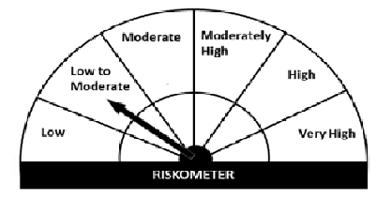
Navi Mutual Fund
Navi Ultra Short Term Fund
This product is suitable for investors who are seeking*
· Income over short term.

· Investment in money market and short term debt instruments.

· Degree of risk – LOW TO MODERATE

*Investors should consult their financial advisers if in doubt about whether the product is suitable for them.
Monthly Portfolio Statement for the month ended 30 Sep 2021
Name of the Instrument | ISIN | Industry/Rating | Quantity | Market/Fair Value (Rs. in Lacs) | % to Net Assets | YIELD
Debt Instruments
(a)Listed / awaiting listing on Stock Exchanges
7.48% LIC HOUSING FINANCE LIMITED (10/06/2022) | INE115A07LZ9 | CRISIL AAA | 200000 | 203.99 | 9.32% | 4.40%
9.00% L & T FINANCE LIMITED (13/04/2022) ** | INE027E07907 | ICRA AAA | 70000 | 71.96 | 3.29% | 4.39 %
Sub Total |  |  |  | 275.95 | 12.61%

(b)Privately Placed/ Unlisted
Sub Total |  |  |  | 0.00 | 0.00%

(c)Securitized Debt Instruments
Sub Total |  |  |  | 0.00 | 0.00%

Total |  |  |  | 275.95 | 12.61%

Money Market Instruments
(a)Certificate of Deposit
Sub Total |  |  |  | 0.00 | 0.00%

(b)Commercial Paper
NORTHERN ARC CAPITAL LIMITED (17/12/2021) ** | INE850M14AH3 | ICRA A1+ | 100000 | 98.49 | 4.50% | 7.25 %
Sub Total |  |  |  | 98.49 | 4.50%

(c)Treasury Bills
364 Days Treasury Bill 05-May-2022 | IN002021Z053 | SOVEREIGN | 500000 | 489.67 | 22.38% | 3.57 %
364 Days Treasury Bill 19-May-2022 | IN002021Z079 | SOVEREIGN | 500000 | 489.02 | 22.35% | 3.57 %
Sub Total |  |  |  | 978.68 | 44.73%

Total |  |  |  | 1,077.18 | 49.23%

TREPS/Reverse Repo/Net Current Assets/Cash/Cash Equivalent |  |  |  | 834.99 | 38.16%

Grand Total |  |  |  | 2,188.11 | 100.00%

** Non Traded Security

