BFARB
BFARB | Bajaj Finserv Arbitrage Fund

 | Monthly Portfolio Statement as on January 31, 2026
 | Name of the Instrument | ISIN | Industry / Rating | Quantity | Market/Fair Value (Rs. in Lakhs) | % to Net Assets | YTM~ | YTC^
 | Equity & Equity related
 | (a) Listed / awaiting listing on Stock Exchanges
HDFB03 | HDFC Bank Limited | INE040A01034 | Banks | 783,750 | 7,283.00 | 6.11%
RATN01 | RBL Bank Limited | INE976G01028 | Banks | 1,765,300 | 5,273.83 | 4.43%
RIND01 | Reliance Industries Limited | INE002A01018 | Petroleum Products | 350,500 | 4,890.88 | 4.10%
BTAT01 | Vodafone Idea Limited | INE669E01016 | Telecom - Services | 36,952,575 | 4,127.60 | 3.46%
IBCL05 | ICICI Bank Limited | INE090A01021 | Banks | 252,700 | 3,424.09 | 2.87%
ABFS01 | Aditya Birla Capital Limited | INE674K01013 | Finance | 787,400 | 2,675.59 | 2.25%
PUBA02 | Punjab National Bank | INE160A01022 | Banks | 1,712,000 | 2,143.25 | 1.80%
SAIL01 | Steel Authority of India Limited | INE114A01011 | Ferrous Metals | 1,301,900 | 1,967.56 | 1.65%
SESA02 | Vedanta Limited | INE205A01025 | Diversified Metals | 274,850 | 1,873.24 | 1.57%
IDBK01 | IDFC First Bank Limited | INE092T01019 | Banks | 2,031,225 | 1,697.70 | 1.42%
BAFL03 | Bajaj Finance Limited | INE296A01032 | Finance | 158,250 | 1,471.49 | 1.23%
LICH02 | LIC Housing Finance Limited | INE115A01026 | Finance | 270,000 | 1,421.01 | 1.19%
INAV01 | InterGlobe Aviation Limited | INE646L01027 | Transport Services | 28,200 | 1,296.21 | 1.09%
BAND01 | Bandhan Bank Limited | INE545U01014 | Banks | 824,400 | 1,274.93 | 1.07%
MAHI02 | Mahindra & Mahindra Limited | INE101A01026 | Automobiles | 35,600 | 1,221.72 | 1.03%
RELS01 | Jio Financial Services Limited | INE758E01017 | Finance | 474,700 | 1,208.11 | 1.01%
MUND02 | Adani Ports and Special Economic Zone Limited | INE742F01042 | Transport Infrastructure | 84,550 | 1,200.44 | 1.01%
BSEL02 | BSE Limited | INE118H01025 | Capital Markets | 42,375 | 1,185.23 | 0.99%
HINI02 | Hindalco Industries Limited | INE038A01020 | Non - Ferrous Metals | 112,700 | 1,084.85 | 0.91%
HZIN02 | Hindustan Zinc Limited | INE267A01025 | Non - Ferrous Metals | 164,150 | 1,031.68 | 0.87%
BTVL02 | Bharti Airtel Limited | INE397D01024 | Telecom - Services | 50,825 | 1,000.59 | 0.84%
SUZE02 | Suzlon Energy Limited | INE040H01021 | Electrical Equipment | 2,030,625 | 968.00 | 0.81%
SOEL02 | Solar Industries India Limited | INE343H01029 | Chemicals & Petrochemicals | 7,150 | 963.82 | 0.81%
SBAI02 | State Bank of India | INE062A01020 | Banks | 86,250 | 929.04 | 0.78%
ITCL02 | ITC Limited | INE154A01025 | Diversified FMCG | 273,600 | 881.40 | 0.74%
TPOW02 | Tata Power Company Limited | INE245A01021 | Power | 239,250 | 876.37 | 0.74%
ZMPL01 | Eternal Limited | INE758T01015 | Retailing | 317,675 | 869.16 | 0.73%
KOMA03 | Kotak Mahindra Bank Limited | INE237A01036 | Banks | 198,000 | 807.84 | 0.68%
BHEL02 | Bharat Electronics Limited | INE263A01024 | Aerospace & Defense | 179,550 | 806.18 | 0.68%
BRIT03 | Britannia Industries Limited | INE216A01030 | Food Products | 12,125 | 710.59 | 0.60%
BFSL02 | Bajaj Finserv Limited | INE918I01026 | Finance | 36,250 | 707.82 | 0.59%
SAEL02 | TVS Motor Company Limited | INE494B01023 | Automobiles | 18,550 | 682.16 | 0.57%
NMDC01 | NMDC Limited | INE584A01023 | Minerals & Mining | 837,000 | 679.73 | 0.57%
TISC03 | Tata Steel Limited | INE081A01020 | Ferrous Metals | 341,000 | 658.57 | 0.55%
BINL01 | Indus Towers Limited | INE121J01017 | Telecom - Services | 142,800 | 634.46 | 0.53%
MAUD01 | Maruti Suzuki India Limited | INE585B01010 | Automobiles | 4,250 | 620.46 | 0.52%
DIXO02 | Dixon Technologies (India) Limited | INE935N01020 | Consumer Durables | 5,900 | 616.31 | 0.52%
SHTR02 | Shriram Finance Limited | INE721A01047 | Finance | 59,400 | 605.88 | 0.51%
UTIB02 | Axis Bank Limited | INE238A01034 | Banks | 42,500 | 582.42 | 0.49%
ULCC01 | UltraTech Cement Limited | INE481G01011 | Cement & Cement Products | 4,250 | 539.50 | 0.45%
DLFL01 | DLF Limited | INE271C01023 | Realty | 84,150 | 534.98 | 0.45%
TWAT02 | Titan Company Limited | INE280A01028 | Consumer Durables | 13,300 | 528.99 | 0.44%
IHOT02 | The Indian Hotels Company Limited | INE053A01029 | Leisure Services | 78,000 | 525.84 | 0.44%
NTPC01 | NTPC Limited | INE733E01010 | Power | 145,500 | 517.98 | 0.43%
PGCI01 | Power Grid Corporation of India Limited | INE752E01010 | Power | 195,700 | 501.97 | 0.42%
JVSL04 | JSW Steel Limited | INE019A01038 | Ferrous Metals | 41,175 | 500.03 | 0.42%
PFCL01 | Power Finance Corporation Limited | INE134E01011 | Finance | 128,700 | 488.22 | 0.41%
IPLI01 | ICICI Prudential Life Insurance Company Limited | INE726G01019 | Insurance | 73,075 | 465.38 | 0.39%
TCSL01 | Tata Consultancy Services Limited | INE467B01029 | IT - Software | 14,875 | 464.68 | 0.39%
FRHL01 | Fortis Healthcare Limited | INE061F01013 | Healthcare Services | 54,250 | 461.94 | 0.39%
SLIF01 | SBI Life Insurance Company Limited | INE123W01016 | Insurance | 22,125 | 442.17 | 0.37%
INFS02 | Infosys Limited | INE009A01021 | IT - Software | 26,800 | 439.79 | 0.37%
GMRI03 | GMR Airports Limited | INE776C01039 | Transport Infrastructure | 467,325 | 438.77 | 0.37%
IBHF01 | Sammaan Capital Limited | INE148I01020 | Finance | 283,800 | 427.72 | 0.36%
YESB03 | Yes Bank Limited | INE528G01035 | Banks | 1,959,300 | 419.49 | 0.35%
GODP02 | Godrej Properties Limited | INE484J01027 | Realty | 26,125 | 411.94 | 0.35%
AUPH03 | Aurobindo Pharma Limited | INE406A01037 | Pharmaceuticals & Biotechnology | 33,000 | 398.54 | 0.33%
HAIL03 | Havells India Limited | INE176B01034 | Consumer Durables | 29,500 | 379.08 | 0.32%
INOW01 | Inox Wind Limited | INE066P01011 | Electrical Equipment | 350,350 | 378.17 | 0.32%
MARC02 | Marico Limited | INE196A01026 | Agricultural Food & other Products | 51,600 | 376.58 | 0.32%
MNGF02 | Manappuram Finance Limited | INE522D01027 | Finance | 129,000 | 367.20 | 0.31%
AFPL02 | AU Small Finance Bank Limited | INE949L01017 | Banks | 34,000 | 334.00 | 0.28%
TAEL01 | Tata Elxsi Limited | INE670A01012 | IT - Software | 6,200 | 330.06 | 0.28%
AGBL01 | Angel One Limited | INE732I01013 | Capital Markets | 12,500 | 317.61 | 0.27%
KALJ01 | Kalyan Jewellers India Limited | INE303R01014 | Consumer Durables | 85,775 | 310.21 | 0.26%
LARS02 | Larsen & Toubro Limited | INE018A01030 | Construction | 7,875 | 309.67 | 0.26%
RELC01 | REC Limited | INE020B01018 | Finance | 84,000 | 305.84 | 0.26%
LUPL02 | Lupin Limited | INE326A01037 | Pharmaceuticals & Biotechnology | 14,025 | 301.93 | 0.25%
GUAM02 | Ambuja Cements Limited | INE079A01024 | Cement & Cement Products | 58,800 | 299.97 | 0.25%
CGCE01 | Crompton Greaves Consumer Electricals Limited | INE299U01018 | Consumer Durables | 135,000 | 298.96 | 0.25%
HALT02 | Hindustan Aeronautics Limited | INE066F01020 | Aerospace & Defense | 6,450 | 297.95 | 0.25%
ODCL03 | Dalmia Bharat Limited | INE00R701025 | Cement & Cement Products | 13,975 | 288.65 | 0.24%
IIBL01 | IndusInd Bank Limited | INE095A01012 | Banks | 32,200 | 288.54 | 0.24%
DRRL03 | Dr. Reddy's Laboratories Limited | INE089A01031 | Pharmaceuticals & Biotechnology | 23,125 | 281.69 | 0.24%
JUFL02 | Jubilant Foodworks Limited | INE797F01020 | Leisure Services | 52,500 | 260.95 | 0.22%
POCA01 | Polycab India Limited | INE455K01017 | Industrial Products | 3,625 | 254.24 | 0.21%
CIPL03 | Cipla Limited | INE059A01026 | Pharmaceuticals & Biotechnology | 18,000 | 238.32 | 0.20%
SSNL02 | Delhivery Limited | INE148O01028 | Transport Services | 53,950 | 228.18 | 0.19%
HCLT02 | HCL Technologies Limited | INE860A01027 | IT - Software | 12,950 | 219.58 | 0.18%
MAHE01 | Max Healthcare Institute Limited | INE027H01010 | Healthcare Services | 22,050 | 210.97 | 0.18%
MCEX02 | Multi Commodity Exchange of India Limited | INE745G01043 | Capital Markets | 8,125 | 205.40 | 0.17%
GRAS02 | Grasim Industries Limited | INE047A01021 | Cement & Cement Products | 7,250 | 204.38 | 0.17%
KPEL01 | KPIT Technologies Limited | INE04I401011 | IT - Software | 19,125 | 199.26 | 0.17%
LAKM02 | Trent Limited | INE849A01020 | Retailing | 5,200 | 196.85 | 0.17%
BKBA02 | Bank of Baroda | INE028A01039 | Banks | 58,500 | 175.15 | 0.15%
HDLI01 | HDFC Life Insurance Company Limited | INE795G01014 | Insurance | 22,000 | 160.82 | 0.13%
BHDY02 | Bharat Dynamics Limited | INE171Z01026 | Aerospace & Defense | 10,150 | 156.13 | 0.13%
GCPL02 | Godrej Consumer Products Limited | INE102D01028 | Personal Products | 13,500 | 155.80 | 0.13%
PGEL02 | PG Electroplast Limited | INE457L01029 | Consumer Durables | 26,600 | 145.69 | 0.12%
BHAH02 | Bharat Heavy Electricals Limited | INE257A01026 | Electrical Equipment | 55,125 | 144.81 | 0.12%
DABU02 | Dabur India Limited | INE016A01026 | Personal Products | 26,250 | 132.98 | 0.11%
APOL02 | Apollo Hospitals Enterprise Limited | INE437A01024 | Healthcare Services | 1,875 | 130.51 | 0.11%
CAMS02 | Computer Age Management Services Limited | INE596I01020 | Capital Markets | 17,250 | 119.90 | 0.10%
LAUR02 | Laurus Labs Limited | INE947Q01028 | Pharmaceuticals & Biotechnology | 11,900 | 114.84 | 0.10%
PHFP02 | PNB Housing Finance Limited | INE572E01012 | Finance | 13,000 | 106.91 | 0.09%
SIEM02 | Siemens Limited | INE003A01024 | Electrical Equipment | 2,975 | 92.26 | 0.08%
RUCH03 | Patanjali Foods Limited | INE619A01035 | Agricultural Food & other Products | 17,100 | 85.57 | 0.07%
PIDI02 | Pidilite Industries Limited | INE318A01026 | Chemicals & Petrochemicals | 5,500 | 78.71 | 0.07%
MKIP01 | Mankind Pharma Limited | INE634S01028 | Pharmaceuticals & Biotechnology | 3,150 | 66.91 | 0.06%
ASPA02 | Asian Paints Limited | INE021A01026 | Consumer Durables | 2,750 | 66.78 | 0.06%
IOIC01 | Indian Oil Corporation Limited | INE242A01010 | Petroleum Products | 39,000 | 63.66 | 0.05%
NEST02 | Nestle India Limited | INE239A01024 | Food Products | 4,500 | 59.96 | 0.05%
ESMC02 | PB Fintech Limited | INE417T01026 | Financial Technology (Fintech) | 3,500 | 57.91 | 0.05%
JSPL03 | Jindal Steel Limited | INE749A01030 | Ferrous Metals | 5,000 | 56.60 | 0.05%
MOSU03 | Samvardhana Motherson International Limited | INE775A01035 | Auto Components | 49,200 | 55.55 | 0.05%
CROM02 | CG Power and Industrial Solutions Limited | INE067A01029 | Electrical Equipment | 9,350 | 54.61 | 0.05%
JSWE01 | JSW Energy Limited | INE121E01018 | Power | 10,000 | 45.98 | 0.04%
GLPH03 | Glenmark Pharmaceuticals Limited | INE935A01035 | Pharmaceuticals & Biotechnology | 1,875 | 37.80 | 0.03%
DIVI02 | Divi's Laboratories Limited | INE361B01024 | Pharmaceuticals & Biotechnology | 600 | 36.31 | 0.03%
PSYL02 | Persistent Systems Limited | INE262H01021 | IT - Software | 500 | 30.18 | 0.03%
GAIL01 | GAIL (India) Limited | INE129A01019 | Gas | 15,750 | 26.35 | 0.02%
BIOC01 | Biocon Limited | INE376G01013 | Pharmaceuticals & Biotechnology | 5,000 | 18.34 | 0.02%
MACR01 | Lodha Developers Limited | INE670K01029 | Realty | 1,800 | 17.49 | 0.01%
BFLS01 | Mphasis Limited | INE356A01018 | IT - Software | 550 | 15.17 | 0.01%
PREP01 | Prestige Estates Projects Limited | INE811K01011 | Realty | 900 | 13.15 | 0.01%
NBCC03 | NBCC (India) Limited | INE095N01031 | Construction | 6,500 | 6.43 | 0.01%
 | Sub Total |  |  |  | 81,074.60 | 68.05%
 | (b) Unlisted |  |  |  | NIL | NIL
 | Sub Total |  |  |  | NIL | NIL
 | Total |  |  |  | 81,074.60 | 68.05%
 | Derivatives
 | (a) Index / Stock Futures
SUZEAPR26 | Suzlon Energy Limited April 2026 Future |  |  | -9,025 | (4.37) | $0.00%
LICHAPR26 | LIC Housing Finance Limited April 2026 Future |  |  | -1,000 | (5.33) | $0.00%
NTPCMAR26 | NTPC Limited March 2026 Future |  |  | -1,500 | (5.34) | $0.00%
NBCCFEB26 | NBCC (India) Limited February 2026 Future |  |  | -6,500 | (6.43) | (0.01)%
MAHEMAR26 | Max Healthcare Institute Limited March 2026 Future |  |  | -1,050 | (10.16) | (0.01)%
BSELMAR26 | BSE Limited March 2026 Future |  |  | -375 | (10.52) | (0.01)%
TISCAPR26 | Tata Steel Limited April 2026 Future |  |  | -5,500 | (10.77) | (0.01)%
SUZEMAR26 | Suzlon Energy Limited March 2026 Future |  |  | -27,075 | (13.01) | (0.01)%
PREPFEB26 | Prestige Estates Projects Limited February 2026 Future |  |  | -900 | (13.18) | (0.01)%
IHOTMAR26 | The Indian Hotels Company Limited March 2026 Future |  |  | -2,000 | (13.59) | (0.01)%
BFLSFEB26 | Mphasis Limited February 2026 Future |  |  | -550 | (15.23) | (0.01)%
MACRFEB26 | Lodha Developers Limited February 2026 Future |  |  | -1,800 | (17.52) | (0.01)%
BIOCFEB26 | Biocon Limited February 2026 Future |  |  | -5,000 | (18.41) | (0.02)%
RTBKMAR26 | RBL Bank Limited March 2026 Future |  |  | -6,350 | (19.14) | (0.02)%
CIPLMAR26 | Cipla Limited March 2026 Future |  |  | -1,500 | (20.09) | (0.02)%
CIPLAPR26 | Cipla Limited April 2026 Future |  |  | -1,500 | (20.22) | (0.02)%
PUBAAPR26 | Punjab National Bank April 2026 Future |  |  | -16,000 | (20.41) | (0.02)%
MUNDAPR26 | Adani Ports and Special Economic Zone Limited April 2026 Future |  |  | -1,425 | (20.53) | (0.02)%
BINLMAR26 | Indus Towers Limited March 2026 Future |  |  | -5,100 | (22.82) | (0.02)%
HDLIMAR26 | HDFC Life Insurance Company Limited March 2026 Future |  |  | -3,300 | (24.34) | (0.02)%
BFSLMAR26 | Bajaj Finserv Limited March 2026 Future |  |  | -1,250 | (24.62) | (0.02)%
UTIBMAR26 | Axis Bank Limited March 2026 Future |  |  | -1,875 | (25.90) | (0.02)%
GAILFEB26 | GAIL (India) Limited February 2026 Future |  |  | -15,750 | (26.44) | (0.02)%
RTBKAPR26 | RBL Bank Limited April 2026 Future |  |  | -9,525 | (28.84) | (0.02)%
MAUDAPR26 | Maruti Suzuki India Limited April 2026 Future |  |  | -200 | (29.70) | (0.02)%
PSYLFEB26 | Persistent Systems Limited February 2026 Future |  |  | -500 | (30.24) | (0.03)%
IDBKAPR26 | IDFC First Bank Limited April 2026 Future |  |  | -37,100 | (31.45) | (0.03)%
ULCCMAR26 | UltraTech Cement Limited March 2026 Future |  |  | -250 | (32.06) | (0.03)%
ATATAPR26 | Vodafone Idea Limited April 2026 Future |  |  | -285,900 | (32.54) | (0.03)%
BAFLAPR26 | Bajaj Finance Limited April 2026 Future |  |  | -3,750 | (35.41) | (0.03)%
HCLTFEB26 | HCL Technologies Limited February 2026 Future |  |  | -2,100 | (35.68) | (0.03)%
DIVIFEB26 | Divi's Laboratories Limited February 2026 Future |  |  | -600 | (36.40) | (0.03)%
LUPLMAR26 | Lupin Limited March 2026 Future |  |  | -1,700 | (36.82) | (0.03)%
GLPHFEB26 | Glenmark Pharmaceuticals Limited February 2026 Future |  |  | -1,875 | (37.97) | (0.03)%
LAKMMAR26 | Trent Limited March 2026 Future |  |  | -1,000 | (38.06) | (0.03)%
GODPAPR26 | Godrej Properties Limited April 2026 Future |  |  | -2,750 | (43.94) | (0.04)%
JSWEFEB26 | JSW Energy Limited February 2026 Future |  |  | -10,000 | (46.06) | (0.04)%
HZINMAR26 | Hindustan Zinc Limited March 2026 Future |  |  | -7,350 | (46.49) | (0.04)%
KALJMAR26 | Kalyan Jewellers India Limited March 2026 Future |  |  | -12,925 | (46.98) | (0.04)%
LARSMAR26 | Larsen & Toubro Limited March 2026 Future |  |  | -1,225 | (48.58) | (0.04)%
SBAIAPR26 | State Bank of India April 2026 Future |  |  | -4,500 | (49.30) | (0.04)%
DIXOAPR26 | Dixon Technologies (India) Limited April 2026 Future |  |  | -500 | (52.99) | (0.04)%
YESBMAR26 | Yes Bank Limited March 2026 Future |  |  | -248,800 | (53.82) | (0.05)%
CROMFEB26 | CG Power and Industrial Solutions Limited February 2026 Future |  |  | -9,350 | (54.80) | (0.05)%
RELCFEB26 | REC Limited February 2026 Future |  |  | -15,400 | (55.50) | (0.05)%
MOSUFEB26 | Samvardhana Motherson International Limited February 2026 Future |  |  | -49,200 | (55.61) | (0.05)%
JSPLFEB26 | Jindal Steel Limited February 2026 Future |  |  | -5,000 | (56.64) | (0.05)%
ESMCFEB26 | PB Fintech Limited February 2026 Future |  |  | -3,500 | (58.02) | (0.05)%
INOWMAR26 | Inox Wind Limited March 2026 Future |  |  | -53,625 | (58.29) | (0.05)%
NESTFEB26 | Nestle India Limited February 2026 Future |  |  | -4,500 | (59.81) | (0.05)%
SOELAPR26 | Solar Industries India Limited April 2026 Future |  |  | -450 | (61.64) | (0.05)%
INAVMAR26 | InterGlobe Aviation Limited March 2026 Future |  |  | -1,350 | (62.77) | (0.05)%
IOICFEB26 | Indian Oil Corporation Limited February 2026 Future |  |  | -39,000 | (63.66) | (0.05)%
MKIPFEB26 | Mankind Pharma Limited February 2026 Future |  |  | -3,150 | (66.80) | (0.06)%
ASPAFEB26 | Asian Paints Limited February 2026 Future |  |  | -2,750 | (67.10) | (0.06)%
KMBKAPR26 | Kotak Mahindra Bank Limited April 2026 Future |  |  | -18,000 | (74.88) | (0.06)%
PIDIFEB26 | Pidilite Industries Limited February 2026 Future |  |  | -5,500 | (78.83) | (0.07)%
RUCHFEB26 | Patanjali Foods Limited February 2026 Future |  |  | -17,100 | (85.89) | (0.07)%
SIEMFEB26 | Siemens Limited February 2026 Future |  |  | -2,975 | (92.38) | (0.08)%
IBCLAPR26 | ICICI Bank Limited April 2026 Future |  |  | -7,000 | (96.50) | (0.08)%
PUBAMAR26 | Punjab National Bank March 2026 Future |  |  | -80,000 | (101.16) | (0.08)%
PGCIMAR26 | Power Grid Corporation of India Limited March 2026 Future |  |  | -39,900 | (102.16) | (0.09)%
PHFPFEB26 | PNB Housing Finance Limited February 2026 Future |  |  | -13,000 | (107.43) | (0.09)%
UTIBAPR26 | Axis Bank Limited April 2026 Future |  |  | -8,125 | (112.84) | (0.09)%
GODPMAR26 | Godrej Properties Limited March 2026 Future |  |  | -7,150 | (113.73) | (0.10)%
LAURFEB26 | Laurus Labs Limited February 2026 Future |  |  | -11,900 | (115.28) | (0.10)%
BANDMAR26 | Bandhan Bank Limited March 2026 Future |  |  | -75,600 | (117.94) | (0.10)%
BFSLAPR26 | Bajaj Finserv Limited April 2026 Future |  |  | -6,000 | (118.86) | (0.10)%
CAMSFEB26 | Computer Age Management Services Limited February 2026 Future |  |  | -17,250 | (120.41) | (0.10)%
APOLMAR26 | Apollo Hospitals Enterprise Limited March 2026 Future |  |  | -1,875 | (131.45) | (0.11)%
TWATMAR26 | Titan Company Limited March 2026 Future |  |  | -3,325 | (133.37) | (0.11)%
DABUFEB26 | Dabur India Limited February 2026 Future |  |  | -26,250 | (133.48) | (0.11)%
DIXOMAR26 | Dixon Technologies (India) Limited March 2026 Future |  |  | -1,300 | (136.97) | (0.11)%
HDLIFEB26 | HDFC Life Insurance Company Limited February 2026 Future |  |  | -18,700 | (137.16) | (0.12)%
BHAHFEB26 | Bharat Heavy Electricals Limited February 2026 Future |  |  | -55,125 | (145.17) | (0.12)%
PGELFEB26 | PG Electroplast Limited February 2026 Future |  |  | -26,600 | (146.15) | (0.12)%
BHDYFEB26 | Bharat Dynamics Limited February 2026 Future |  |  | -10,150 | (155.69) | (0.13)%
GCPLFEB26 | Godrej Consumer Products Limited February 2026 Future |  |  | -13,500 | (156.60) | (0.13)%
LAKMFEB26 | Trent Limited February 2026 Future |  |  | -4,200 | (159.14) | (0.13)%
GMRIMAR26 | GMR Airports Limited March 2026 Future |  |  | -181,350 | (171.85) | (0.14)%
BKBAFEB26 | Bank of Baroda February 2026 Future |  |  | -58,500 | (175.76) | (0.15)%
HCLTMAR26 | HCL Technologies Limited March 2026 Future |  |  | -10,850 | (185.49) | (0.16)%
KPELFEB26 | KPIT Technologies Limited February 2026 Future |  |  | -19,125 | (197.87) | (0.17)%
MAUDMAR26 | Maruti Suzuki India Limited March 2026 Future |  |  | -1,350 | (199.27) | (0.17)%
CIPLFEB26 | Cipla Limited February 2026 Future |  |  | -15,000 | (199.49) | (0.17)%
MAHEFEB26 | Max Healthcare Institute Limited February 2026 Future |  |  | -21,000 | (201.94) | (0.17)%
TCSLMAR26 | Tata Consultancy Services Limited March 2026 Future |  |  | -6,475 | (204.60) | (0.17)%
GRASFEB26 | Grasim Industries Limited February 2026 Future |  |  | -7,250 | (205.31) | (0.17)%
MCEXFEB26 | Multi Commodity Exchange of India Limited February 2026 Future |  |  | -8,125 | (205.56) | (0.17)%
BAFLMAR26 | Bajaj Finance Limited March 2026 Future |  |  | -22,500 | (211.31) | (0.18)%
TISCMAR26 | Tata Steel Limited March 2026 Future |  |  | -110,000 | (214.10) | (0.18)%
MAHIAPR26 | Mahindra & Mahindra Limited April 2026 Future |  |  | -6,200 | (215.93) | (0.18)%
SSNLFEB26 | Delhivery Limited February 2026 Future |  |  | -53,950 | (229.50) | (0.19)%
MAHIMAR26 | Mahindra & Mahindra Limited March 2026 Future |  |  | -6,800 | (235.96) | (0.20)%
TPOWFEB26 | Tata Power Company Limited February 2026 Future |  |  | -65,250 | (239.47) | (0.20)%
ITCLFEB26 | ITC Limited February 2026 Future |  |  | -75,200 | (243.54) | (0.20)%
RELCMAR26 | REC Limited March 2026 Future |  |  | -68,600 | (247.85) | (0.21)%
POCAFEB26 | Polycab India Limited February 2026 Future |  |  | -3,625 | (254.78) | (0.21)%
GODPFEB26 | Godrej Properties Limited February 2026 Future |  |  | -16,225 | (256.39) | (0.22)%
JUFLFEB26 | Jubilant Foodworks Limited February 2026 Future |  |  | -52,500 | (261.69) | (0.22)%
LARSFEB26 | Larsen & Toubro Limited February 2026 Future |  |  | -6,650 | (262.15) | (0.22)%
TCSLFEB26 | Tata Consultancy Services Limited February 2026 Future |  |  | -8,400 | (263.70) | (0.22)%
KALJFEB26 | Kalyan Jewellers India Limited February 2026 Future |  |  | -72,850 | (263.94) | (0.22)%
LUPLFEB26 | Lupin Limited February 2026 Future |  |  | -12,325 | (265.42) | (0.22)%
GMRIFEB26 | GMR Airports Limited February 2026 Future |  |  | -285,975 | (269.22) | (0.23)%
KMBKMAR26 | Kotak Mahindra Bank Limited March 2026 Future |  |  | -68,000 | (280.70) | (0.24)%
DRRLFEB26 | Dr. Reddy's Laboratories Limited February 2026 Future |  |  | -23,125 | (282.56) | (0.24)%
RELSAPR26 | Jio Financial Services Limited April 2026 Future |  |  | -110,450 | (285.40) | (0.24)%
IIBLFEB26 | IndusInd Bank Limited February 2026 Future |  |  | -32,200 | (288.59) | (0.24)%
ODCLFEB26 | Dalmia Bharat Limited February 2026 Future |  |  | -13,975 | (289.56) | (0.24)%
HALTFEB26 | Hindustan Aeronautics Limited February 2026 Future |  |  | -6,450 | (298.35) | (0.25)%
CGCEFEB26 | Crompton Greaves Consumer Electricals Limited February 2026 Future |  |  | -135,000 | (300.58) | (0.25)%
GUAMFEB26 | Ambuja Cements Limited February 2026 Future |  |  | -58,800 | (300.79) | (0.25)%
MUNDMAR26 | Adani Ports and Special Economic Zone Limited March 2026 Future |  |  | -21,375 | (306.15) | (0.26)%
AGBLFEB26 | Angel One Limited February 2026 Future |  |  | -12,500 | (317.28) | (0.27)%
INOWFEB26 | Inox Wind Limited February 2026 Future |  |  | -296,725 | (320.70) | (0.27)%
TAELFEB26 | Tata Elxsi Limited February 2026 Future |  |  | -6,200 | (330.68) | (0.28)%
AFPLFEB26 | AU Small Finance Bank Limited February 2026 Future |  |  | -34,000 | (334.78) | (0.28)%
YESBFEB26 | Yes Bank Limited February 2026 Future |  |  | -1,710,500 | (367.42) | (0.31)%
MNGFFEB26 | Manappuram Finance Limited February 2026 Future |  |  | -129,000 | (368.04) | (0.31)%
MARCFEB26 | Marico Limited February 2026 Future |  |  | -51,600 | (378.54) | (0.32)%
HAILFEB26 | Havells India Limited February 2026 Future |  |  | -29,500 | (381.02) | (0.32)%
MAUDFEB26 | Maruti Suzuki India Limited February 2026 Future |  |  | -2,700 | (396.04) | (0.33)%
PGCIFEB26 | Power Grid Corporation of India Limited February 2026 Future |  |  | -155,800 | (396.59) | (0.33)%
TWATFEB26 | Titan Company Limited February 2026 Future |  |  | -9,975 | (397.63) | (0.33)%
AUPHFEB26 | Aurobindo Pharma Limited February 2026 Future |  |  | -33,000 | (398.38) | (0.33)%
HINIMAR26 | Hindalco Industries Limited March 2026 Future |  |  | -42,000 | (405.20) | (0.34)%
SOELMAR26 | Solar Industries India Limited March 2026 Future |  |  | -3,000 | (407.67) | (0.34)%
SBAIMAR26 | State Bank of India March 2026 Future |  |  | -37,500 | (408.51) | (0.34)%
HDFBAPR26 | HDFC Bank Limited April 2026 Future |  |  | -44,000 | (416.02) | (0.35)%
RELSFEB26 | Jio Financial Services Limited February 2026 Future |  |  | -166,850 | (426.13) | (0.36)%
IBHFFEB26 | Sammaan Capital Limited February 2026 Future |  |  | -283,800 | (429.50) | (0.36)%
DIXOFEB26 | Dixon Technologies (India) Limited February 2026 Future |  |  | -4,100 | (429.60) | (0.36)%
TISCFEB26 | Tata Steel Limited February 2026 Future |  |  | -225,500 | (436.48) | (0.37)%
INFSFEB26 | Infosys Limited February 2026 Future |  |  | -26,800 | (440.83) | (0.37)%
SLIFFEB26 | SBI Life Insurance Company Limited February 2026 Future |  |  | -22,125 | (444.09) | (0.37)%
UTIBFEB26 | Axis Bank Limited February 2026 Future |  |  | -32,500 | (446.29) | (0.37)%
KMBKFEB26 | Kotak Mahindra Bank Limited February 2026 Future |  |  | -112,000 | (459.20) | (0.39)%
FRHLFEB26 | Fortis Healthcare Limited February 2026 Future |  |  | -54,250 | (463.05) | (0.39)%
IPLIFEB26 | ICICI Prudential Life Insurance Company Limited February 2026 Future |  |  | -73,075 | (466.84) | (0.39)%
SBAIFEB26 | State Bank of India February 2026 Future |  |  | -44,250 | (478.96) | (0.40)%
POWFMAR26 | Power Finance Corporation Limited March 2026 Future |  |  | -128,700 | (482.63) | (0.41)%
SOELFEB26 | Solar Industries India Limited February 2026 Future |  |  | -3,700 | (499.91) | (0.42)%
JVSLFEB26 | JSW Steel Limited February 2026 Future |  |  | -41,175 | (501.92) | (0.42)%
RELSMAR26 | Jio Financial Services Limited March 2026 Future |  |  | -197,400 | (507.12) | (0.43)%
ULCCFEB26 | UltraTech Cement Limited February 2026 Future |  |  | -4,000 | (509.00) | (0.43)%
NTPCFEB26 | NTPC Limited February 2026 Future |  |  | -144,000 | (509.18) | (0.43)%
IHOTFEB26 | The Indian Hotels Company Limited February 2026 Future |  |  | -76,000 | (513.42) | (0.43)%
DLFLFEB26 | DLF Limited February 2026 Future |  |  | -84,150 | (535.99) | (0.45)%
BFSLFEB26 | Bajaj Finserv Limited February 2026 Future |  |  | -29,000 | (567.41) | (0.48)%
LICHMAR26 | LIC Housing Finance Limited March 2026 Future |  |  | -110,000 | (584.60) | (0.49)%
SHTRFEB26 | Shriram Finance Limited February 2026 Future |  |  | -59,400 | (606.86) | (0.51)%
BINLFEB26 | Indus Towers Limited February 2026 Future |  |  | -137,700 | (612.83) | (0.51)%
IDBKMAR26 | IDFC First Bank Limited March 2026 Future |  |  | -732,725 | (616.73) | (0.52)%
TPOWMAR26 | Tata Power Company Limited March 2026 Future |  |  | -174,000 | (642.58) | (0.54)%
ITCLMAR26 | ITC Limited March 2026 Future |  |  | -198,400 | (646.59) | (0.54)%
IBCLMAR26 | ICICI Bank Limited March 2026 Future |  |  | -48,300 | (662.00) | (0.56)%
HINIFEB26 | Hindalco Industries Limited February 2026 Future |  |  | -70,700 | (679.39) | (0.57)%
NMDCFEB26 | NMDC Limited February 2026 Future |  |  | -837,000 | (679.56) | (0.57)%
SAELFEB26 | TVS Motor Company Limited February 2026 Future |  |  | -18,550 | (684.94) | (0.57)%
SAILMAR26 | Steel Authority of India Limited March 2026 Future |  |  | -465,300 | (710.84) | (0.60)%
BRITFEB26 | Britannia Industries Limited February 2026 Future |  |  | -12,125 | (712.22) | (0.60)%
MAHIFEB26 | Mahindra & Mahindra Limited February 2026 Future |  |  | -22,600 | (779.27) | (0.65)%
BHELFEB26 | Bharat Electronics Limited February 2026 Future |  |  | -179,550 | (808.24) | (0.68)%
LICHFEB26 | LIC Housing Finance Limited February 2026 Future |  |  | -159,000 | (840.16) | (0.71)%
ZMPLFEB26 | Eternal Limited February 2026 Future |  |  | -317,675 | (871.22) | (0.73)%
MUNDFEB26 | Adani Ports and Special Economic Zone Limited February 2026 Future |  |  | -61,750 | (878.58) | (0.74)%
RINDMAR26 | Reliance Industries Limited March 2026 Future |  |  | -62,500 | (880.50) | (0.74)%
SUZEFEB26 | Suzlon Energy Limited February 2026 Future |  |  | -1,994,525 | (953.58) | (0.80)%
HZINFEB26 | Hindustan Zinc Limited February 2026 Future |  |  | -156,800 | (989.17) | (0.83)%
BTVLFEB26 | Bharti Airtel Limited February 2026 Future |  |  | -50,825 | (1,003.49) | (0.84)%
RINDAPR26 | Reliance Industries Limited April 2026 Future |  |  | -74,000 | (1,049.76) | (0.88)%
IDBKFEB26 | IDFC First Bank Limited February 2026 Future |  |  | -1,261,400 | (1,056.30) | (0.89)%
BANDFEB26 | Bandhan Bank Limited February 2026 Future |  |  | -748,800 | (1,161.46) | (0.97)%
BSELFEB26 | BSE Limited February 2026 Future |  |  | -42,000 | (1,175.37) | (0.99)%
BAFLFEB26 | Bajaj Finance Limited February 2026 Future |  |  | -132,000 | (1,231.36) | (1.03)%
INAVFEB26 | InterGlobe Aviation Limited February 2026 Future |  |  | -26,850 | (1,240.60) | (1.04)%
SAILFEB26 | Steel Authority of India Limited February 2026 Future |  |  | -836,600 | (1,272.05) | (1.07)%
ATATMAR26 | Vodafone Idea Limited March 2026 Future |  |  | -16,153,350 | (1,823.71) | (1.53)%
SESAFEB26 | Vedanta Limited February 2026 Future |  |  | -274,850 | (1,881.35) | (1.58)%
HDFBMAR26 | HDFC Bank Limited March 2026 Future |  |  | -213,400 | (2,005.75) | (1.68)%
PUBAFEB26 | Punjab National Bank February 2026 Future |  |  | -1,616,000 | (2,032.28) | (1.71)%
ATATFEB26 | Vodafone Idea Limited February 2026 Future |  |  | -20,513,325 | (2,299.54) | (1.93)%
ABFSFEB26 | Aditya Birla Capital Limited February 2026 Future |  |  | -787,400 | (2,681.10) | (2.25)%
IBCLFEB26 | ICICI Bank Limited February 2026 Future |  |  | -197,400 | (2,688.00) | (2.26)%
RINDFEB26 | Reliance Industries Limited February 2026 Future |  |  | -214,000 | (2,994.93) | (2.51)%
HDFBFEB26 | HDFC Bank Limited February 2026 Future |  |  | -526,350 | (4,915.32) | (4.12)%
RTBKFEB26 | RBL Bank Limited February 2026 Future |  |  | -1,749,425 | (5,238.65) | (4.40)%
 | Sub Total |  |  |  | (81,433.47) | (68.37)%
 | Total |  |  |  | (81,433.47) | (68.37)%
 | Debt Instruments
 | (a) Listed / awaiting listing on Stock Exchange
SIDB493 | 7.59% Small Industries Dev Bank of India (10/02/2026) ** | INE556F08KG3 | CRISIL AAA | 2,500 | 2,500.44 | 2.10% | 6.87%
 | Sub Total |  |  |  | 2,500.44 | 2.10%
 | (b) Privately placed / Unlisted |  |  |  | NIL | NIL
 | Sub Total |  |  |  | NIL | NIL
 | Total |  |  |  | 2,500.44 | 2.10%
 | Money Market Instruments
 | Commercial Paper
ICBR649 | ICICI Securities Limited (24/04/2026) | INE763G14E10 | CRISIL A1+ | 500 | 2,456.41 | 2.06% | 7.90%
 | Sub Total |  |  |  | 2,456.41 | 2.06%
 | Total |  |  |  | 2,456.41 | 2.06%
 | Others
 | Mutual Fund Units
151889 | Bajaj Finserv Money Market Fund-Direct Plan-Growth | INF0QA701334 |  | 1,405,594 | 16,918.25 | 14.20%
151833 | Bajaj Finserv Liquid Fund - Direct Plan - Growth | INF0QA701011 |  | 1,117,841 | 13,305.37 | 11.17%
 | Sub Total |  |  |  | 30,223.62 | 25.37%
 | Total |  |  |  | 30,223.62 | 25.37%
 | Reverse Repo / TREPS
TRP_020226 | Clearing Corporation of India Ltd |  |  |  | 5,317.12 | 4.46% | 4.82%
 | Sub Total |  |  |  | 5,317.12 | 4.46%
 | Total |  |  |  | 5,317.12 | 4.46%
 | Net Receivables / (Payables) |  |  |  | 79,021.49 | 66.33%
 | GRAND TOTAL |  |  |  | 119,160.20 | 100.00%

 | ** Thinly Traded / Non Traded Security
 | $ Less Than 0.01% of Net Asset Value
 | ~ YTM as on January 31, 2026
 | ^ YTC represents Yield to Call provided by valuation agencies as on January 31, 2026. It is disclosed for Perpetual Bond issued by Banks (i.e. AT-1 Bond / Tier 1 Bond / Tier 2 Bond), as per AMFI Best Practices Guidelines Circular no. 135/BP/91/2020-21 read with SEBI circular No. SEBI/HO/IMD/IMD-PoD-1/P/CIR/2024/90 on Valuation of AT-1 Bonds and Tier 2 Bonds.

 | Notes
 | (1) There is no security which is in default beyond its maturity/ interest payment date.
 | (2) Plan/ Option wise per unit net asset value are as follows:
 | Plan/ Option | As on Jan 30, 2026 | As on Dec 31, 2025
 | Regular IDCW | 11.602 | 11.537
 | Regular Growth | 11.602 | 11.537
 | Direct IDCW | 11.797 | 11.724
 | Direct Growth | 11.797 | 11.724
 | (3) Details of gross distribution (of income and capital) during the month are as follows: Nil
 | (4) Total outstanding exposure in derivative instruments as on Jan 31, 2026 is Rs.(-81433.47) Lakhs.
 | (5) The average maturity is 73 Days / Macaluay Duration of the portfolio is 69 Days.
 | (6) Total market value of investments in foreign securities/ American Depository Receipts/ Global Depository Receipts as at Jan 31, 2026 is Rs. Nil.
 | (7) Total outstanding exposure of repo transactions in corporate debt securities as on Jan 31, 2026 is Rs. Nil.
 | (8) Investment in short term deposits at the end of the month is Rs.NIL
 | (9) Portfolio Turnover Ratio as on Jan 31, 2026 : 9.16 times

 |  | Benchmark Name - NIFTY 50 ARBITRAGE INDEX TRI
 | Scheme Risk-O-Meter | Benchmark Risk-O-Meter
 | 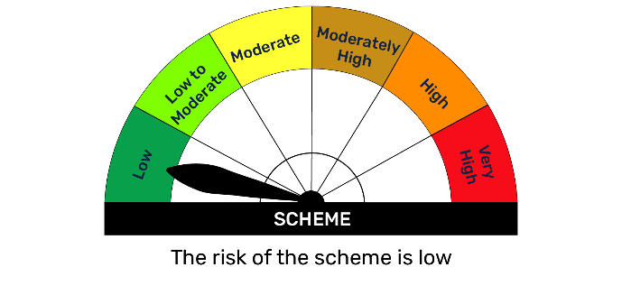 | 

BFBAF
BFBAF | Bajaj Finserv Balanced Advantage Fund

 | Monthly Portfolio Statement as on January 31, 2026
 | Name of the Instrument | ISIN | Industry | Quantity | Market/Fair Value (Rs. in Lakhs) | % to Net Assets | YTM~ | YTC^
 | Equity & Equity related
 | (a) Listed / awaiting listing on Stock Exchanges
HDFB03 | HDFC Bank Limited | INE040A01034 | Banks | 1,142,627 | 10,617.86 | 8.35%
INFS02 | Infosys Limited | INE009A01021 | IT - Software | 466,259 | 7,651.31 | 6.02%
SBAI02 | State Bank of India | INE062A01020 | Banks | 614,765 | 6,621.94 | 5.21%
IBCL05 | ICICI Bank Limited | INE090A01021 | Banks | 423,141 | 5,733.56 | 4.51%
LARS02 | Larsen & Toubro Limited | INE018A01030 | Construction | 138,410 | 5,442.70 | 4.28%
RIND01 | Reliance Industries Limited | INE002A01018 | Petroleum Products | 320,078 | 4,466.37 | 3.51%
DIVI02 | Divi's Laboratories Limited | INE361B01024 | Pharmaceuticals & Biotechnology | 72,303 | 4,375.05 | 3.44%
ULCC01 | UltraTech Cement Limited | INE481G01011 | Cement & Cement Products | 30,469 | 3,867.73 | 3.04%
SPIL03 | Sun Pharmaceutical Industries Limited | INE044A01036 | Pharmaceuticals & Biotechnology | 216,955 | 3,461.08 | 2.72%
UTIB02 | Axis Bank Limited | INE238A01034 | Banks | 231,948 | 3,178.62 | 2.50%
ASPA02 | Asian Paints Limited | INE021A01026 | Consumer Durables | 122,500 | 2,974.67 | 2.34%
APOL02 | Apollo Hospitals Enterprise Limited | INE437A01024 | Healthcare Services | 42,073 | 2,928.49 | 2.30%
ZMPL01 | Eternal Limited | INE758T01015 | Retailing | 999,457 | 2,734.51 | 2.15%
DLFL01 | DLF Limited | INE271C01023 | Realty | 411,861 | 2,618.41 | 2.06%
MAHI02 | Mahindra & Mahindra Limited | INE101A01026 | Automobiles | 75,313 | 2,584.59 | 2.03%
BTVL02 | Bharti Airtel Limited | INE397D01024 | Telecom - Services | 129,146 | 2,542.50 | 2.00%
HLEL02 | Hindustan Unilever Limited | INE030A01027 | Diversified FMCG | 100,858 | 2,393.36 | 1.88%
TISC03 | Tata Steel Limited | INE081A01020 | Ferrous Metals | 1,221,743 | 2,359.55 | 1.86%
SESA02 | Vedanta Limited | INE205A01025 | Diversified Metals | 324,192 | 2,209.53 | 1.74%
FEBA02 | The Federal Bank Limited | INE171A01029 | Banks | 741,955 | 2,134.98 | 1.68%
BAFL03 | Bajaj Finance Limited | INE296A01032 | Finance | 220,954 | 2,054.54 | 1.62%
ITCL02 | ITC Limited | INE154A01025 | Diversified FMCG | 561,245 | 1,808.05 | 1.42%
BALN01 | Bajaj Auto Limited | INE917I01010 | Automobiles | 17,728 | 1,701.44 | 1.34%
MUND02 | Adani Ports and Special Economic Zone Limited | INE742F01042 | Transport Infrastructure | 119,271 | 1,693.41 | 1.33%
SCHI01 | Sanofi Consumer Healthcare India Limited | INE0UOS01011 | Pharmaceuticals & Biotechnology | 37,281 | 1,583.25 | 1.25%
SHTR02 | Shriram Finance Limited | INE721A01047 | Finance | 154,416 | 1,575.04 | 1.24%
RELS01 | Jio Financial Services Limited | INE758E01017 | Finance | 606,000 | 1,542.27 | 1.21%
BHEL02 | Bharat Electronics Limited | INE263A01024 | Aerospace & Defense | 324,608 | 1,457.49 | 1.15%
NTPC01 | NTPC Limited | INE733E01010 | Power | 388,844 | 1,384.28 | 1.09%
FAGP02 | Schaeffler India Limited | INE513A01022 | Auto Components | 37,025 | 1,341.08 | 1.06%
GLAX01 | GlaxoSmithKline Pharmaceuticals Limited | INE159A01016 | Pharmaceuticals & Biotechnology | 54,834 | 1,316.89 | 1.04%
ACCL02 | ACC Limited | INE012A01025 | Cement & Cement Products | 78,450 | 1,284.15 | 1.01%
AUPH03 | Aurobindo Pharma Limited | INE406A01037 | Pharmaceuticals & Biotechnology | 95,020 | 1,147.56 | 0.90%
TWAT02 | Titan Company Limited | INE280A01028 | Consumer Durables | 26,167 | 1,040.77 | 0.82%
RURE01 | Rubicon Research Limited | INE506V01022 | Pharmaceuticals & Biotechnology | 114,099 | 780.72 | 0.61%
DEVY01 | Devyani International Limited | INE872J01023 | Leisure Services | 642,136 | 746.03 | 0.59%
JVSL04 | JSW Steel Limited | INE019A01038 | Ferrous Metals | 57,855 | 702.59 | 0.55%
LGEL01 | LG Electronics India Ltd | INE324D01010 | Consumer Durables | 46,783 | 684.25 | 0.54%
PREP01 | Prestige Estates Projects Limited | INE811K01011 | Realty | 46,678 | 682.20 | 0.54%
SAIL01 | Steel Authority of India Limited | INE114A01011 | Ferrous Metals | 447,727 | 676.65 | 0.53%
TEMA02 | Tech Mahindra Limited | INE669C01036 | IT - Software | 38,000 | 662.38 | 0.52%
HCLT02 | HCL Technologies Limited | INE860A01027 | IT - Software | 38,000 | 644.33 | 0.51%
PGCI01 | Power Grid Corporation of India Limited | INE752E01010 | Power | 247,112 | 633.84 | 0.50%
RATN01 | RBL Bank Limited | INE976G01028 | Banks | 210,000 | 627.38 | 0.49%
BBGV02 | Billionbrains Garage Ventures Ltd | INE0HOQ01053 | Capital Markets | 250,050 | 442.69 | 0.35%
MNGF02 | Manappuram Finance Limited | INE522D01027 | Finance | 120,000 | 341.58 | 0.27%
BKBA02 | Bank of Baroda | INE028A01039 | Banks | 110,000 | 329.34 | 0.26%
KWWA01 | Kwality Walls (India) Limited ** | INE2KCE01013 | Food Products | 95,808 | 36.59 | 0.03%
 | Sub Total |  |  |  | 109,817.61 | 86.39%
 | (b) Unlisted |  |  |  | NIL | NIL
 | Sub Total |  |  |  | NIL | NIL
 | Total |  |  |  | 109,817.61 | 86.39%
 | Derivatives
 | (a) Index / Stock Futures
BALNFEB26 | Bajaj Auto Limited February 2026 Future |  |  | -4,125 | (397.16) | (0.31)%
RELSFEB26 | Jio Financial Services Limited February 2026 Future |  |  | -235,000 | (600.19) | (0.47)%
RINDFEB26 | Reliance Industries Limited February 2026 Future |  |  | -45,000 | (629.78) | (0.50)%
DLFLFEB26 | DLF Limited February 2026 Future |  |  | -99,000 | (630.58) | (0.50)%
BTVLFEB26 | Bharti Airtel Limited February 2026 Future |  |  | -33,250 | (656.49) | (0.52)%
BHELFEB26 | Bharat Electronics Limited February 2026 Future |  |  | -309,225 | (1,391.98) | (1.10)%
SBAIFEB26 | State Bank of India February 2026 Future |  |  | -135,000 | (1,461.24) | (1.15)%
SHTRFEB26 | Shriram Finance Limited February 2026 Future |  |  | -148,500 | (1,517.15) | (1.19)%
 | Sub Total |  |  |  | (7,284.56) | (5.74)%
 | Index / Stock Options
FE24FB2625100P | NIFTY 25100 Put February 2026 Option |  |  | 65,000 | 143.94 | 0.11%
FE24FB2625000P | NIFTY 25000 Put February 2026 Option |  |  | 45,500 | 86.18 | 0.07%
 | Sub Total |  |  |  | 230.12 | 0.18%
 | Total |  |  |  | (7,054.44) | (5.56)%
 | Debt Instruments
 | (a) Listed / awaiting listing on Stock Exchange
GOI6156 | 6.79% Government of India (07/10/2034) | IN0020240126 | Sovereign | 521,800 | 523.63 | 0.41% | 6.85%
GOI5152 | 7.3% Government of India (19/06/2053) | IN0020230051 | Sovereign | 500,000 | 496.54 | 0.39% | 7.49%
GOI5728 | 7.34% Government of India (22/04/2064) | IN0020240035 | Sovereign | 500,000 | 494.40 | 0.39% | 7.57%
GOI6889 | 6.68% Government of India (07/07/2040) | IN0020250042 | Sovereign | 500,000 | 481.59 | 0.38% | 7.22%
GOI6240 | 7.09% Government of India (25/11/2074) | IN0020240142 | Sovereign | 500,000 | 478.75 | 0.38% | 7.55%
GOI6703 | 6.33% Government of India (05/05/2035) | IN0020250026 | Sovereign | 250,000 | 243.81 | 0.19% | 6.80%
GOI6320 | 6.79% Government of India (30/12/2031) | IN0020240191 | Sovereign | 223,000 | 225.30 | 0.18% | 6.68%
GOI6019 | 7.09% Government of India (05/08/2054) | IN0020240118 | Sovereign | 5,200 | 5.02 | $0.00% | 7.51%
 | Sub Total |  |  |  | 2,949.04 | 2.32%
 | (b) Privately placed / Unlisted |  |  |  | NIL | NIL
 | Sub Total |  |  |  | NIL | NIL
 | Total |  |  |  | 2,949.04 | 2.32%
 | Others
 | Mutual Fund Units
152162 | Bajaj Finserv Banking and PSU Fund Dr Pl Gr | INF0QA701607 |  | 60,003,006 | 7,098.00 | 5.58%
151889 | Bajaj Finserv Money Market Fund-Direct Plan-Growth | INF0QA701334 |  | 288,970 | 3,478.15 | 2.74%
 | Sub Total |  |  |  | 10,576.15 | 8.32%
 | Total |  |  |  | 10,576.15 | 8.32%
 | Reverse Repo / TREPS
TRP_020226 | Clearing Corporation of India Ltd |  |  |  | 25.09 | 0.02% | 4.82%
 | Sub Total |  |  |  | 25.09 | 0.02%
 | Total |  |  |  | 25.09 | 0.02%
 | Net Receivables / (Payables) |  |  |  | 10,791.35 | 8.51%
 | GRAND TOTAL |  |  |  | 127,104.81 | 100.00%

 | ** Thinly Traded / Non Traded Security
 | $ Less Than 0.01% of Net Asset Value
 | ~ YTM as on January 31, 2026
 | ^ YTC represents Yield to Call provided by valuation agencies as on January 31, 2026. It is disclosed for Perpetual Bond issued by Banks (i.e. AT-1 Bond / Tier 1 Bond / Tier 2 Bond), as per AMFI Best Practices Guidelines Circular no. 135/BP/91/2020-21 read with SEBI circular No. SEBI/HO/IMD/IMD-PoD-1/P/CIR/2024/90 on Valuation of AT-1 Bonds and Tier 2 Bonds.

 | Notes
 | (1) There is no security which is in default beyond its maturity/ interest payment date.
 | (2) Plan/ Option wise per unit net asset value are as follows:
 | Plan/ Option | As on Jan 30, 2026 | As on Dec 31, 2025
 | Regular IDCW | 11.542 | 11.753
 | Regular Growth | 11.542 | 11.753
 | Direct IDCW | 11.927 | 12.130
 | Direct Growth | 11.927 | 12.130
 | (3) Details of gross distribution (of income and capital) during the month are as follows: Nil
 | (4) Total outstanding exposure in derivative instruments as on Jan 31, 2026 is Rs.( 7054.44) Lakhs.
 | (5) The average maturity is 2435 days / Macaluay Duration of the portfolio is 1219 days.
 | (6) Total market value of investments in foreign securities/ American Depository Receipts/ Global Depository Receipts as at Jan 31, 2026 is Rs. Nil.
 | (7) Total outstanding exposure of repo transactions in corporate debt securities as on Jan 31, 2026, is Rs. Nil.
 | (8) Investment in short term deposits at the end of the month is Rs.NIL
 | (9) Portfolio Turover Ratio as on Jan 31, 2026: 2.71 times

 |  | Benchmark Name - NIFTY 50 HYBRID COMPOSITE DEBT 50:50 INDEX
 | Scheme Risk-O-Meter | Benchmark Risk-O-Meter
 | 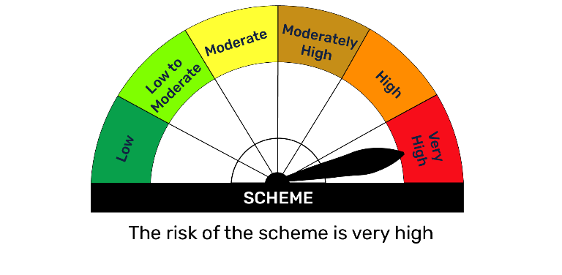 | 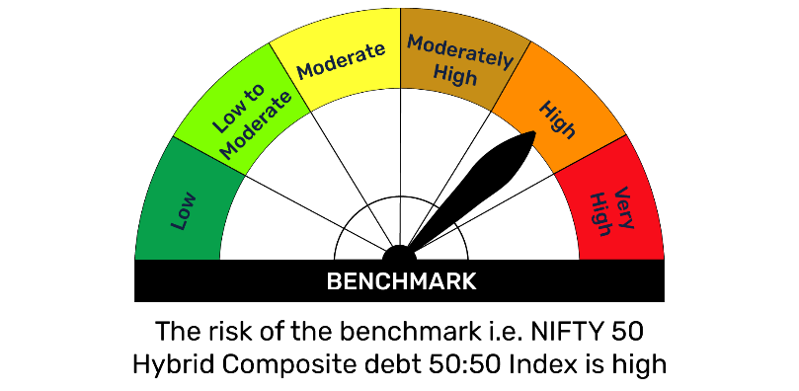

BFBKFIN
BFBKFIN | Bajaj Finserv Banking and Financial Services Fund

 | Monthly Portfolio Statement as on January 31, 2026
 | Name of the Instrument | ISIN | Industry | Quantity | Market/Fair Value (Rs. in Lakhs) | % to Net Assets | YTM~ | YTC^
 | Equity & Equity related
 | (a) Listed / awaiting listing on Stock Exchanges
HDFB03 | HDFC Bank Limited | INE040A01034 | Banks | 752,877 | 6,996.11 | 17.12%
IBCL05 | ICICI Bank Limited | INE090A01021 | Banks | 366,756 | 4,969.54 | 12.16%
UTIB02 | Axis Bank Limited | INE238A01034 | Banks | 278,676 | 3,818.98 | 9.35%
SBAI02 | State Bank of India | INE062A01020 | Banks | 317,095 | 3,415.59 | 8.36%
FEBA02 | The Federal Bank Limited | INE171A01029 | Banks | 608,256 | 1,750.26 | 4.28%
MNGF02 | Manappuram Finance Limited | INE522D01027 | Finance | 486,352 | 1,384.40 | 3.39%
HDLI01 | HDFC Life Insurance Company Limited | INE795G01014 | Insurance | 186,687 | 1,364.68 | 3.34%
SHTR02 | Shriram Finance Limited | INE721A01047 | Finance | 130,413 | 1,330.21 | 3.26%
BAFL03 | Bajaj Finance Limited | INE296A01032 | Finance | 130,000 | 1,208.81 | 2.96%
RATN01 | RBL Bank Limited | INE976G01028 | Banks | 343,911 | 1,027.43 | 2.51%
RELS01 | Jio Financial Services Limited | INE758E01017 | Finance | 400,269 | 1,018.68 | 2.49%
GODI01 | Go Digit General Insurance Limited | INE03JT01014 | Insurance | 301,837 | 979.61 | 2.40%
HDAM01 | HDFC Asset Management Company Limited | INE127D01025 | Capital Markets | 32,982 | 829.73 | 2.03%
BFSL02 | Bajaj Finserv Limited | INE918I01026 | Finance | 39,954 | 780.14 | 1.91%
IIFM02 | 360 One WAM Limited | INE466L01038 | Capital Markets | 68,540 | 777.45 | 1.90%
ICRA01 | ICRA Limited | INE725G01011 | Capital Markets | 12,261 | 773.24 | 1.89%
AGBL01 | Angel One Limited | INE732I01013 | Capital Markets | 30,407 | 772.61 | 1.89%
NIVB01 | Niva Bupa Health Insurance Company Limited | INE995S01015 | Insurance | 906,233 | 714.75 | 1.75%
ABFS01 | Aditya Birla Capital Limited | INE674K01013 | Finance | 200,000 | 679.60 | 1.66%
PHFP02 | PNB Housing Finance Limited | INE572E01012 | Finance | 82,233 | 676.28 | 1.66%
BSEL02 | BSE Limited | INE118H01025 | Capital Markets | 21,841 | 610.89 | 1.50%
USFB01 | Ujjivan Small Finance Bank Limited | INE551W01018 | Banks | 928,543 | 606.99 | 1.49%
BKBA02 | Bank of Baroda | INE028A01039 | Banks | 183,140 | 548.32 | 1.34%
CAMS02 | Computer Age Management Services Limited | INE596I01020 | Capital Markets | 58,492 | 406.55 | 1.00%
ONCO02 | One 97 Communications Limited | INE982J01020 | Financial Technology (Fintech) | 30,824 | 350.62 | 0.86%
GRAM01 | CreditAccess Grameen Limited | INE741K01010 | Finance | 24,434 | 324.12 | 0.79%
PRUD01 | Prudent Corporate Advisory Services Limited | INE00F201020 | Capital Markets | 13,339 | 319.72 | 0.78%
IIBL01 | IndusInd Bank Limited | INE095A01012 | Banks | 31,558 | 282.79 | 0.69%
BSLM02 | Aditya Birla Sun Life AMC Limited | INE404A01024 | Capital Markets | 28,416 | 215.81 | 0.53%
MAXI02 | Max Financial Services Limited | INE180A01020 | Insurance | 6,000 | 96.82 | 0.24%
 | Sub Total |  |  |  | 39,030.73 | 95.53%
 | (b) Unlisted |  |  |  | NIL | NIL
 | Sub Total |  |  |  | NIL | NIL
 | Total |  |  |  | 39,030.73 | 95.53%
 | Derivatives
 | Index / Stock Options
FE24FB2625000P | NIFTY 25000 Put February 2026 Option |  |  | 6,500 | 12.31 | 0.03%
 | Sub Total |  |  |  | 12.31 | 0.03%
 | Total |  |  |  | 12.31 | 0.03%
 | Others
 | Mutual Fund Units
151889 | Bajaj Finserv Money Market Fund-Direct Plan-Growth | INF0QA701334 |  | 41,899 | 504.32 | 1.23%
 | Sub Total |  |  |  | 504.32 | 1.23%
 | Total |  |  |  | 504.32 | 1.23%
 | Reverse Repo / TREPS
TRP_020226 | Clearing Corporation of India Ltd |  |  |  | 14.49 | 0.04% | 4.82%
 | Sub Total |  |  |  | 14.49 | 0.04%
 | Total |  |  |  | 14.49 | 0.04%
 | Net Receivables / (Payables) |  |  |  | 1,295.14 | 3.17%
 | GRAND TOTAL |  |  |  | 40,856.99 | 100.00%

 | ~ YTM as on January 31, 2026
 | ^ YTC represents Yield to Call provided by valuation agencies as on January 31, 2026. It is disclosed for Perpetual Bond issued by Banks (i.e. AT-1 Bond / Tier 1 Bond / Tier 2 Bond), as per AMFI Best Practices Guidelines Circular no. 135/BP/91/2020-21 read with SEBI circular No. SEBI/HO/IMD/IMD-PoD-1/P/CIR/2024/90 on Valuation of AT-1 Bonds and Tier 2 Bonds.

 | Notes
 | (1) There is no security which is in default beyond its maturity/ interest payment date.
 | (2) Plan/ Option wise per unit net asset value are as follows:
 | Plan/ Option | As on Jan 30, 2026 | As on Dec 31, 2025
 | Regular IDCW | 10.013 | 10.055
 | Regular Growth | 10.013 | 10.055
 | Direct IDCW | 10.041 | 10.069
 | Direct Growth | 10.041 | 10.069
 | (3) Details of gross distribution (of income and capital) during the month are as follows: Nil
 | (4) Total outstanding exposure in derivative instruments as on Jan 31, 2026 is NIL
 | (5) The average maturity is NIL/ Macaluay Duration of the portfolio is NIL.
 | (6) Total market value of investments in foreign securities/ American Depository Receipts/ Global Depository Receipts as at Jan 31, 2026 is Rs. Nil.
 | (7) Total outstanding exposure of repo transactions in corporate debt securities as on Jan 31, 2026, is Rs. Nil.
 | (8) Investment in short term deposits at the end of the month is Rs.NIL
 | (9) Portfolio Turover Ratio as on Jan 31, 2026: NIL

 |  | Benchmark Name - NIFTY FINANCIAL SERVICES TRI
 | Scheme Risk-O-Meter | Benchmark Risk-O-Meter
 | 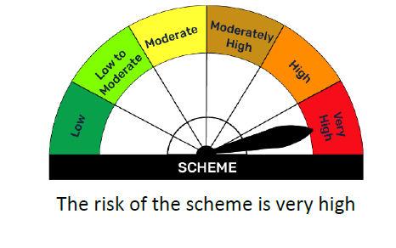 | 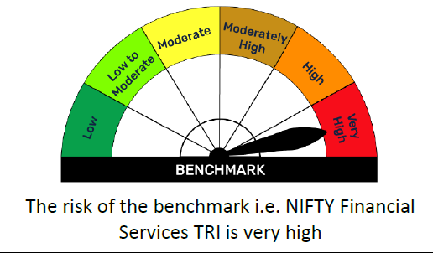

BFBPSU
BFBPSU | Bajaj Finserv Banking and PSU Fund

 | Monthly Portfolio Statement as on January 31, 2026
 | Name of the Instrument | ISIN | Rating | Quantity | Market/Fair Value (Rs. in Lakhs) | % to Net Assets | YTM~ | YTC^
 | Debt Instruments
 | (a) Listed / awaiting listing on Stock Exchange
NBAR695 | 7.62% National Bank For Agriculture and Rural Development (31/01/2028) | INE261F08DV4 | CRISIL AAA | 3,000 | 3,023.61 | 7.79% | 7.17%
RECL350 | 8.54% REC Limited (15/11/2028) ** | INE020B08BE3 | CRISIL AAA | 250 | 2,592.58 | 6.68% | 7.17%
IRLY320 | 8.55% Indian Railway Finance Corporation Limited (21/02/2029) ** | INE053F07BA5 | CRISIL AAA | 250 | 2,591.39 | 6.67% | 7.17%
NHAI67 | 7.7% National Highways Authority Of India (13/09/2029) ** | INE906B07HH5 | CRISIL AAA | 250 | 2,538.95 | 6.54% | 7.18%
FCOI32 | 7.6% Food Corporation Of India (09/01/2030) ** | INE861G08068 | CRISIL AAA(CE) | 250 | 2,524.08 | 6.50% | 7.31%
KOMP1745 | 7.299% Kotak Mahindra Prime Limited (22/09/2028) ** | INE916DA7TD8 | CRISIL AAA | 2,500 | 2,483.22 | 6.40% | 7.56%
SIDB614 | 6.66% Small Industries Dev Bank of India (25/10/2028) ** | INE556F08KZ3 | CRISIL AAA | 2,500 | 2,464.19 | 6.35% | 7.25%
HURD210 | 8.41% Housing & Urban Development Corporation Limited (15/03/2029) ** | INE031A08699 | ICRA AAA | 100 | 1,033.77 | 2.66% | 7.31%
NHBA324 | 7.57% National Housing Bank (09/01/2031) ** | INE557F08FT4 | CRISIL AAA | 1,000 | 1,011.96 | 2.61% | 7.27%
EXIM803 | 7.12% Export Import Bank of India (27/06/2030) | INE514E08GF5 | CRISIL AAA | 1,000 | 994.91 | 2.56% | 7.26%
BAFL977 | 7.38% Bajaj Finance Limited (28/06/2030) ** | INE296A07TL0 | CRISIL AAA | 1,000 | 990.29 | 2.55% | 7.62%
NTPC257 | 6.84% NTPC Limited (09/05/2035) ** | INE733E08270 | CRISIL AAA | 1,000 | 963.38 | 2.48% | 7.39%
PGCI347 | 9.3% Power Grid Corporation of India Limited (04/09/2029) ** | INE752E07LR8 | CRISIL AAA | 50 | 533.48 | 1.37% | 7.10%
GOI5833 | 7.02% Government of India (18/06/2031) | IN0020240076 | Sovereign | 500,000 | 511.05 | 1.32% | 6.63%
NBAR867 | 6.85% National Bank For Agriculture and Rural Development (19/01/2029) ** | INE261F08EQ2 | ICRA AAA | 500 | 494.41 | 1.27% | 7.28%
GOI6919 | 6.01% Government of India (21/07/2030) | IN0020250067 | Sovereign | 500,000 | 493.21 | 1.27% | 6.46%
NABA28 | 6.67% National Bank For Financing Infrastructure And Development (30/05/2030) ** | INE0KUG08092 | CRISIL AAA | 500 | 487.95 | 1.26% | 7.33%
GOI2498 | 7.11% Maharashtra State Development Loans (31/07/2029) | IN2220190044 | Sovereign | 300,000 | 303.34 | 0.78% | 6.86%
 | Sub Total |  |  |  | 26,035.75 | 67.06%
 | (b) Privately placed / Unlisted |  |  |  | NIL | NIL
 | Sub Total |  |  |  | NIL | NIL
 | Total |  |  |  | 26,035.75 | 67.06%
 | Money Market Instruments
 | Certificate of Deposit
UTIB1346 | Axis Bank Limited (04/02/2026) ** | INE238AD6AM2 | CRISIL A1+ | 500 | 2,498.68 | 6.43% | 6.46%
PUBA1133 | Punjab National Bank (09/03/2026) ** | INE160A16TT2 | CRISIL A1+ | 500 | 2,483.66 | 6.40% | 6.67%
CANB1046 | Canara Bank (18/03/2026) ** | INE476A16B64 | CRISIL A1+ | 500 | 2,479.61 | 6.39% | 6.67%
 | Sub Total |  |  |  | 7,461.95 | 19.22%
 | Total |  |  |  | 7,461.95 | 19.22%
 | Others
 | Alternative Investment Fund Units
CDMD50ME | SBI - Corporate Debt Market Development Fund (CDMDF) - Class A2 | INF0RQ622028 |  | 877 | 101.74 | 0.26%
 | Sub Total |  |  |  | 101.74 | 0.26%
 | Total |  |  |  | 101.74 | 0.26%
 | Reverse Repo / TREPS
TRP_020226 | Clearing Corporation of India Ltd |  |  |  | 4,573.24 | 11.78% | 4.82%
 | Sub Total |  |  |  | 4,573.24 | 11.78%
 | Total |  |  |  | 4,573.24 | 11.78%
 | Net Receivables / (Payables) |  |  |  | 657.09 | 1.68%
 | GRAND TOTAL |  |  |  | 38,829.76 | 100.00%

 | ** Thinly Traded / Non Traded Security
 | ~ YTM as on January 31, 2026
 | ^ YTC represents Yield to Call provided by valuation agencies as on January 31, 2026. It is disclosed for Perpetual Bond issued by Banks (i.e. AT-1 Bond / Tier 1 Bond / Tier 2 Bond), as per AMFI Best Practices Guidelines Circular no. 135/BP/91/2020-21 read with SEBI circular No. SEBI/HO/IMD/IMD-PoD-1/P/CIR/2024/90 on Valuation of AT-1 Bonds and Tier 2 Bonds.

 | Notes
 | (1) There is no security which is in default beyond its maturity/ interest payment date.
 | (2) Plan/ Option wise per unit net asset value are as follows:
 | Plan/ Option | As on Jan 30, 2026 | As on Dec 31, 2025
 | Regular Growth | 11.6860 | 11.7058
 | Regular IDCW | 11.6860 | 11.7058
 | Regular Monthly IDCW | 10.9087 | 10.9273
 | Direct Growth | 11.8294 | 11.8442
 | Direct IDCW | 11.8294 | 11.8442
 | Direct Monthly IDCW | 10.9842 | 11.0033

 | (3) Details of gross distribution (of income and capital) during the month are as follows:
 | Plan/ Option | Per unit (Rs.)
 | Regular Monthly IDCW | NIL
 | Direct Monthly IDCW | 0.0054

 | (4) Total outstanding exposure in derivative instruments as on Jan 31, 2026 is Rs. Nil.
 | (5) Total market value of investments in foreign securities/ American Depository Receipts/ Global Depository Receipts as at Jan 31, 2026 is Rs. Nil.
 | (6) The average maturity is 887 days / Macaluay Duration of the portfolio is 777 days.
 | (7) Total outstanding exposure of repo transactions in corporate debt securities as on Jan 31, 2026 is Rs. Nil.
 | (8) Aggregate Investments by other schemes (at NAV) as on Jan 31, 2026 Rs Nil.
 | (9) Investment in short term deposits at the end of the month is Rs.NIL

 |  | Benchmark Name - NIFTY BANKING & PSU DEBT INDEX A-II
 | Scheme Risk-O-Meter | Benchmark Risk-O-Meter
 | 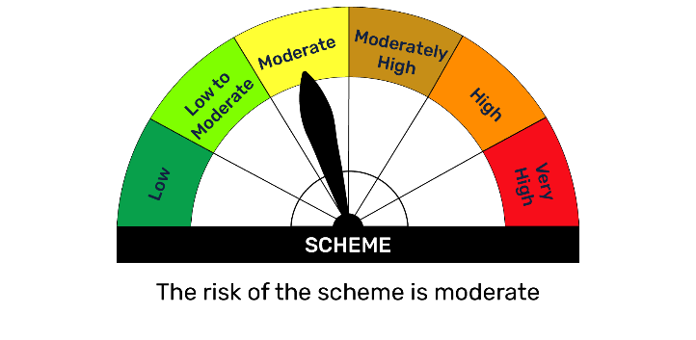 | 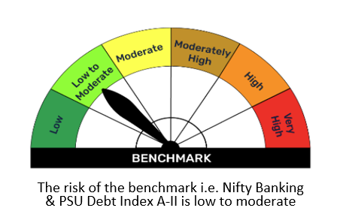

BFCON
BFCON | Bajaj Finserv Consumption Fund

 | Monthly Portfolio Statement as on January 31, 2026
 | Name of the Instrument | ISIN | Industry | Quantity | Market/Fair Value (Rs. in Lakhs) | % to Net Assets | YTM~ | YTC^
 | Equity & Equity related
 | (a) Listed / awaiting listing on Stock Exchanges
HLEL02 | Hindustan Unilever Limited | INE030A01027 | Diversified FMCG | 203,805 | 4,836.29 | 7.91%
ZMPL01 | Eternal Limited | INE758T01015 | Retailing | 1,520,717 | 4,160.68 | 6.81%
MAHI02 | Mahindra & Mahindra Limited | INE101A01026 | Automobiles | 108,959 | 3,739.26 | 6.12%
GCPL02 | Godrej Consumer Products Limited | INE102D01028 | Personal Products | 236,260 | 2,726.68 | 4.46%
TWAT02 | Titan Company Limited | INE280A01028 | Consumer Durables | 57,064 | 2,269.66 | 3.71%
MAUD01 | Maruti Suzuki India Limited | INE585B01010 | Automobiles | 14,722 | 2,149.26 | 3.52%
ASPA02 | Asian Paints Limited | INE021A01026 | Consumer Durables | 84,561 | 2,053.39 | 3.36%
BTVL02 | Bharti Airtel Limited | INE397D01024 | Telecom - Services | 92,352 | 1,818.13 | 2.98%
TTEA02 | Tata Consumer Products Limited | INE192A01025 | Agricultural Food & other Products | 153,265 | 1,737.87 | 2.84%
SAFI02 | Safari Industries (India) Limited | INE429E01023 | Consumer Durables | 84,309 | 1,713.07 | 2.80%
CNAF02 | Zydus Wellness Limited | INE768C01028 | Food Products | 366,757 | 1,644.17 | 2.69%
NEST02 | Nestle India Limited | INE239A01024 | Food Products | 111,199 | 1,481.62 | 2.42%
SAEL02 | TVS Motor Company Limited | INE494B01023 | Automobiles | 39,500 | 1,452.57 | 2.38%
KELV01 | Whirlpool of India Limited | INE716A01013 | Consumer Durables | 182,809 | 1,421.80 | 2.33%
MEBR01 | Metro Brands Limited | INE317I01021 | Consumer Durables | 117,304 | 1,232.28 | 2.02%
HERO02 | Hero MotoCorp Limited | INE158A01026 | Automobiles | 21,814 | 1,207.19 | 1.98%
DEVY01 | Devyani International Limited | INE872J01023 | Leisure Services | 995,223 | 1,156.25 | 1.89%
CEPL02 | Century Plyboards (India) Limited | INE348B01021 | Consumer Durables | 134,795 | 1,083.48 | 1.77%
ORKL01 | Orkla India Limited | INE16NZ01023 | Food Products | 178,080 | 1,047.11 | 1.71%
KACE03 | Kajaria Ceramics Limited | INE217B01036 | Consumer Durables | 111,123 | 1,002.77 | 1.64%
HAIL03 | Havells India Limited | INE176B01034 | Consumer Durables | 75,859 | 974.79 | 1.60%
ASTP04 | Astral Limited | INE006I01046 | Industrial Products | 65,002 | 959.82 | 1.57%
FRHL01 | Fortis Healthcare Limited | INE061F01013 | Healthcare Services | 111,531 | 949.69 | 1.55%
ITCL02 | ITC Limited | INE154A01025 | Diversified FMCG | 290,303 | 935.21 | 1.53%
THAN01 | Thangamayil Jewellery Limited | INE085J01014 | Consumer Durables | 26,713 | 887.03 | 1.45%
RAKH02 | Radico Khaitan Limited | INE944F01028 | Beverages | 30,381 | 859.21 | 1.41%
PVRL01 | PVR INOX Limited | INE191H01014 | Entertainment | 80,791 | 787.55 | 1.29%
AMBE01 | Amber Enterprises India Limited | INE371P01015 | Consumer Durables | 13,767 | 786.92 | 1.29%
CPIL02 | CCL Products (India) Limited | INE421D01022 | Agricultural Food & other Products | 80,352 | 779.82 | 1.28%
APOL02 | Apollo Hospitals Enterprise Limited | INE437A01024 | Healthcare Services | 10,704 | 745.05 | 1.22%
JUFL02 | Jubilant Foodworks Limited | INE797F01020 | Leisure Services | 138,574 | 688.78 | 1.13%
EMAM02 | Emami Limited | INE548C01032 | Personal Products | 141,930 | 686.66 | 1.12%
LENS01 | Lenskart Solutions Limited | INE956O01016 | Retailing | 140,893 | 644.37 | 1.05%
ULCC01 | UltraTech Cement Limited | INE481G01011 | Cement & Cement Products | 5,000 | 634.70 | 1.04%
IPPL01 | Indigo Paints Limited | INE09VQ01012 | Consumer Durables | 60,516 | 632.03 | 1.03%
MARC02 | Marico Limited | INE196A01026 | Agricultural Food & other Products | 84,934 | 619.85 | 1.01%
OREL01 | Orient Electric Limited | INE142Z01019 | Consumer Durables | 340,555 | 611.30 | 1.00%
ZLSP01 | Black Buck Ltd | INE0UIZ01018 | Transport Services | 108,273 | 606.38 | 0.99%
BERG03 | Berger Paints (I) Limited | INE463A01038 | Consumer Durables | 130,792 | 605.44 | 0.99%
CENT02 | Aditya Birla Real Estate Limited | INE055A01016 | Paper, Forest & Jute Products | 45,942 | 581.81 | 0.95%
OBRL01 | Oberoi Realty Limited | INE093I01010 | Realty | 38,722 | 577.31 | 0.94%
BAJC02 | Bajaj Consumer Care Limited | INE933K01021 | Personal Products | 150,402 | 510.46 | 0.84%
ADTH01 | Aditya Infotech Limited | INE819V01029 | Industrial Manufacturing | 30,245 | 417.99 | 0.68%
SODL01 | Sobha Limited | INE671H01015 | Realty | 25,760 | 373.57 | 0.61%
BEFS02 | Mrs. Bectors Food Specialities Limited | INE495P01020 | Food Products | 132,206 | 294.53 | 0.48%
BLUS03 | Blue Star Limited | INE472A01039 | Consumer Durables | 14,000 | 254.37 | 0.42%
LORG02 | La Opala RG Limited | INE059D01020 | Consumer Durables | 94,906 | 183.91 | 0.30%
WESD02 | Westlife Foodworld Limited | INE274F01020 | Leisure Services | 35,619 | 175.66 | 0.29%
GRPA01 | Greenpanel Industries Limited | INE08ZM01014 | Consumer Durables | 15,776 | 36.14 | 0.06%
KWWA01 | Kwality Walls (India) Limited ** | INE2KCE01013 | Food Products | 63,483 | 24.24 | 0.04%
 | Sub Total |  |  |  | 57,758.12 | 94.50%
 | (b) Unlisted |  |  |  | NIL | NIL
 | Sub Total |  |  |  | NIL | NIL
 | Total |  |  |  | 57,758.12 | 94.50%
 | Derivatives
 | (a) Index / Stock Futures
ZMPLFEB26 | Eternal Limited February 2026 Future |  |  | 448,625 | 1,230.35 | 2.01%
ASPAFEB26 | Asian Paints Limited February 2026 Future |  |  | -12,500 | (304.99) | (0.50)%
 | Sub Total |  |  |  | 925.37 | 1.51%
 | Index / Stock Options
FE24FB2625000P | NIFTY 25000 Put February 2026 Option |  |  | 21,125 | 40.01 | 0.07%
 | Sub Total |  |  |  | 40.01 | 0.07%
 | Total |  |  |  | 965.38 | 1.58%
 | Debt Instruments
 | (a) Listed / awaiting listing on Stock Exchange |  |  |  | NIL | NIL
 | Sub Total |  |  |  | NIL | NIL
 | (b) Privately placed / Unlisted |  |  |  | NIL | NIL
 | Sub Total |  |  |  | NIL | NIL
 | (c) Preference shares
SAEL21PS | 6% TVS Motor Co Non Conv Rede Pref Shares 01SEP26 ** | INE494B04019 |  | 71,072 | 7.27 | 0.01%
 | Sub Total |  |  |  | 7.27 | 0.01%
 | Total |  |  |  | 7.27 | 0.01%
 | Others
 | Mutual Fund Units
151889 | Bajaj Finserv Money Market Fund-Direct Plan-Growth | INF0QA701334 |  | 59,075 | 711.05 | 1.16%
 | Sub Total |  |  |  | 711.05 | 1.16%
 | Total |  |  |  | 711.05 | 1.16%
 | Reverse Repo / TREPS
 | (a) Listed / awaiting listing on Stock Exchange |  |  |  | NIL | NIL
 | Sub Total |  |  |  | NIL | NIL
TRP_020226 | Clearing Corporation of India Ltd |  |  |  | 23.21 | 0.04% | 4.82%
 | Sub Total |  |  |  | 23.21 | 0.04%
 | Total |  |  |  | 23.21 | 0.04%
 | Net Receivables / (Payables) |  |  |  | 1,646.47 | 2.71%
 | GRAND TOTAL |  |  |  | 61,111.49 | 100.00%

 | ** Thinly Traded / Non Traded Security
 | ~ YTM as on January 31, 2026
 | ^ YTC represents Yield to Call provided by valuation agencies as on January 31, 2026. It is disclosed for Perpetual Bond issued by Banks (i.e. AT-1 Bond / Tier 1 Bond / Tier 2 Bond), as per AMFI Best Practices Guidelines Circular no. 135/BP/91/2020-21 read with SEBI circular No. SEBI/HO/IMD/IMD-PoD-1/P/CIR/2024/90 on Valuation of AT-1 Bonds and Tier 2 Bonds.

 | Notes
 | (1) There is no security which is in default beyond its maturity/ interest payment date.
 | (2) Plan/ Option wise per unit net asset value are as follows:
 | Plan/ Option | As on Jan 30, 2026 | As on Dec 31, 2025
 | Regular IDCW | 8.761 | 9.413
 | Regular Growth | 8.761 | 9.413
 | Direct IDCW | 8.931 | 9.583
 | Direct Growth | 8.931 | 9.583
 | (3) Details of gross distribution (of income and capital) during the month are as follows: Nil
 | (4) Total outstanding exposure in derivative instruments as on Jan 31, 2026 is Nil
 | (5) Total market value of investments in foreign securities/ American Depository Receipts/ Global Depository Receipts as at Jan 31, 2026 is Rs. Nil.
 | (6) Total outstanding exposure of repo transactions in corporate debt securities as on Jan 31, 2026, is Rs. Nil.
 | (7) Investment in short term deposits at the end of the month is Rs.NIL
 | (8) Portfolio Turover Ratio as on Jan 31, 2026: 1.17 times

 |  | Benchmark Name - NIFTY INDIA CONSUMPTION TOTAL RETURN INDEX (TRI)
 | Scheme Risk-O-Meter | Benchmark Risk-O-Meter
 |  | 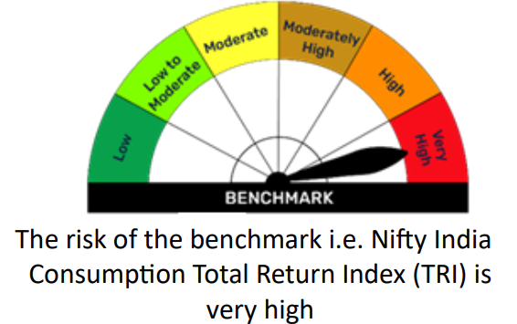

BFELSS
BFELSS | Bajaj Finserv ELSS Tax Saver Fund

 | Monthly Portfolio Statement as on January 31, 2026
 | Name of the Instrument | ISIN | Industry | Quantity | Market/Fair Value (Rs. in Lakhs) | % to Net Assets | YTM~ | YTC^
 | Equity & Equity related
 | (a) Listed / awaiting listing on Stock Exchanges
HDFB03 | HDFC Bank Limited | INE040A01034 | Banks | 55,695 | 517.55 | 7.01%
RIND01 | Reliance Industries Limited | INE002A01018 | Petroleum Products | 35,509 | 495.49 | 6.71%
IBCL05 | ICICI Bank Limited | INE090A01021 | Banks | 31,944 | 432.84 | 5.86%
SBAI02 | State Bank of India | INE062A01020 | Banks | 29,792 | 320.90 | 4.34%
INFS02 | Infosys Limited | INE009A01021 | IT - Software | 17,885 | 293.49 | 3.97%
DIVI02 | Divi's Laboratories Limited | INE361B01024 | Pharmaceuticals & Biotechnology | 4,330 | 262.01 | 3.55%
IIBL01 | IndusInd Bank Limited | INE095A01012 | Banks | 27,575 | 247.10 | 3.34%
LARS02 | Larsen & Toubro Limited | INE018A01030 | Construction | 5,785 | 227.48 | 3.08%
ECLE01 | eClerx Services Limited | INE738I01010 | Commercial Services & Supplies | 4,829 | 224.61 | 3.04%
CNAF02 | Zydus Wellness Limited | INE768C01028 | Food Products | 50,036 | 224.31 | 3.04%
ZMPL01 | Eternal Limited | INE758T01015 | Retailing | 75,355 | 206.17 | 2.79%
SESA02 | Vedanta Limited | INE205A01025 | Diversified Metals | 30,000 | 204.47 | 2.77%
GLPH03 | Glenmark Pharmaceuticals Limited | INE935A01035 | Pharmaceuticals & Biotechnology | 10,037 | 202.34 | 2.74%
MAHI02 | Mahindra & Mahindra Limited | INE101A01026 | Automobiles | 4,973 | 170.66 | 2.31%
MTAR01 | MTAR Technologies Limited | INE864I01014 | Aerospace & Defense | 5,655 | 165.78 | 2.24%
CUBI02 | City Union Bank Limited | INE491A01021 | Banks | 50,709 | 153.01 | 2.07%
WABT01 | ZF Commercial Vehicle Control Systems India Limited | INE342J01019 | Auto Components | 982 | 147.19 | 1.99%
KOMA03 | Kotak Mahindra Bank Limited | INE237A01036 | Banks | 34,775 | 141.88 | 1.92%
GLAX01 | GlaxoSmithKline Pharmaceuticals Limited | INE159A01016 | Pharmaceuticals & Biotechnology | 5,476 | 131.51 | 1.78%
ONCO02 | One 97 Communications Limited | INE982J01020 | Financial Technology (Fintech) | 11,500 | 130.81 | 1.77%
SPIL03 | Sun Pharmaceutical Industries Limited | INE044A01036 | Pharmaceuticals & Biotechnology | 8,127 | 129.65 | 1.75%
TISC03 | Tata Steel Limited | INE081A01020 | Ferrous Metals | 65,666 | 126.82 | 1.72%
KNRC02 | KNR Constructions Limited | INE634I01029 | Construction | 82,000 | 121.47 | 1.64%
KACE03 | Kajaria Ceramics Limited | INE217B01036 | Consumer Durables | 13,259 | 119.65 | 1.62%
ARVF01 | Arvind Fashions Limited | INE955V01021 | Retailing | 25,000 | 117.69 | 1.59%
IPPL01 | Indigo Paints Limited | INE09VQ01012 | Consumer Durables | 11,115 | 116.09 | 1.57%
BFSL02 | Bajaj Finserv Limited | INE918I01026 | Finance | 5,817 | 113.58 | 1.54%
SJSE01 | S.J.S. Enterprises Limited | INE284S01014 | Auto Components | 6,455 | 107.69 | 1.46%
CEAT02 | CEAT Limited | INE482A01020 | Auto Components | 2,807 | 105.59 | 1.43%
CENT02 | Aditya Birla Real Estate Limited | INE055A01016 | Paper, Forest & Jute Products | 8,032 | 101.72 | 1.38%
GIND02 | Gabriel India Limited | INE524A01029 | Auto Components | 10,569 | 98.65 | 1.34%
GODI01 | Go Digit General Insurance Limited | INE03JT01014 | Insurance | 30,273 | 98.25 | 1.33%
MARC02 | Marico Limited | INE196A01026 | Agricultural Food & other Products | 13,242 | 96.64 | 1.31%
ORRE01 | RHI Magnesita India Limited | INE743M01012 | Industrial Products | 19,454 | 86.59 | 1.17%
NEST02 | Nestle India Limited | INE239A01024 | Food Products | 5,675 | 75.61 | 1.02%
...
 | Notes
 | (5) Total market value of investments in foreign securities/ American Depository Receipts/ Global Depository Receipts as at Jan 31, 2026 is Rs. Nil.
 | (6) Total outstanding exposure of repo transactions in corporate debt securities as on Jan 31, 2026, is Rs. Nil.
 | (7) Investment in short term deposits at the end of the month is Rs.NIL
 | (8) Portfolio Turover Ratio as on Jan 31, 2026: 1.22 times

 |  | Benchmark Name - BSE 500 TOTAL RETURN INDEX (TRI)
 | Scheme Risk-O-Meter | Benchmark Risk-O-Meter
 | 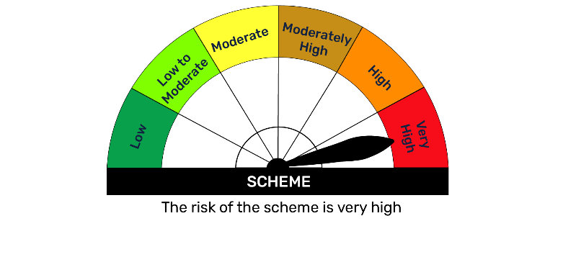 | 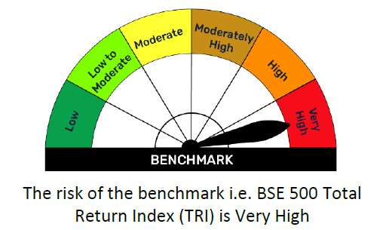

BFEQSF
...
Notes
(6) Total market value of investments in foreign securities/ American Depository Receipts/ Global Depository Receipts as at Jan 31, 2026 is Rs. Nil.
(7) Total outstanding exposure of repo transactions in corporate debt securities as on Jan 31, 2026 is Rs. Nil.
(8) Investment in short term deposits at the end of the month is Rs.NIL

 | Benchmark Name - NIFTY EQUITY SAVINGS TRI
Scheme Risk-O-Meter | Benchmark Risk-O-Meter
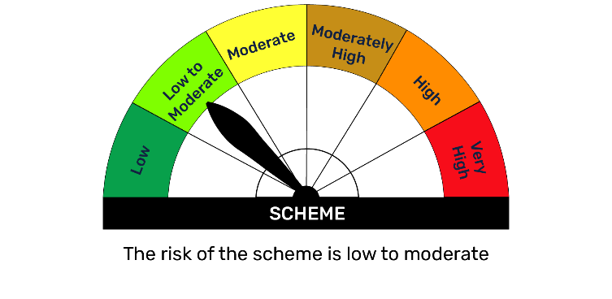 | 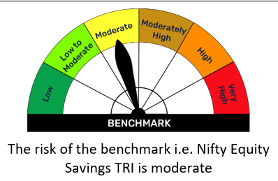

BFFLX
...
Notes
(5) Total market value of investments in foreign securities/ American Depository Receipts/ Global Depository Receipts as at Jan 31, 2026, is Rs. Nil.
(6) Total outstanding exposure of repo transactions in corporate debt securities as on Jan 31, 2026 is Rs. Nil.
(7) Investment in short term deposits at the end of the month is Rs.NIL
(8) Portfolio Turover Ratio as on Jan 31, 2026: 1.52 times

 | Benchmark Name - BSE 500 TRI
Scheme Risk-O-Meter | Benchmark Risk-O-Meter
 | 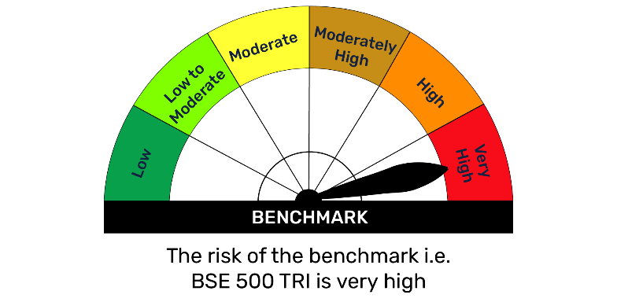

BFGILT
...
Notes
(4) Total outstanding exposure in derivative instruments as on Jan 31, 2026 is Rs. Nil.
(5) The average maturity is 1909 days / Macaluay Duration of the portfolio is 1361 days.
(6) Total outstanding exposure of repo transactions in corporate debt securities as on Jan 31, 2026, is Rs. Nil.
(7) Investment in short term deposits at the end of the month is Rs.NIL

 | Benchmark Name - CRISIL DYNAMIC GILT INDEX IS MODERATE
Scheme Risk-O-Meter | Benchmark Risk-O-Meter
 | 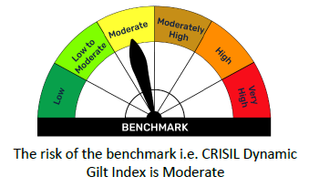

BFHCARE
...
Notes
(4) Total outstanding exposure in derivative instruments as on Jan 31, 2026 is 924.47 Lakhs.
(5) Total market value of investments in foreign securities/ American Depository Receipts/ Global Depository Receipts as at Jan 31, 2026 is Rs. Nil.
(6) Total outstanding exposure of repo transactions in corporate debt securities as on Jan 31, 2026, is Rs. Nil.
(7) Investment in short term deposits at the end of the month is Rs.NIL
(8) Portfolio Turover Ratio as on Jan 31, 2026: 0.73 times

 | Benchmark Name - BSE HEALTHCARE TOTAL RETURN INDEX (TRI)
Scheme Risk-O-Meter | Benchmark Risk-O-Meter
 | 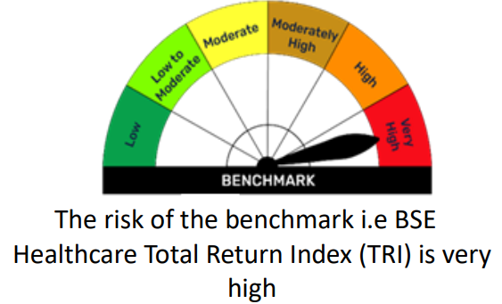

BFL1ETF
...
Notes
(6) The average maturity is 2 Days / Macaluay Duration of the portfolio is 2 Days
(6) Total market value of investments in foreign securities/ American Depository Receipts/ Global Depository Receipts as at Jan 31, 2026, is Rs. Nil.
(7) Total outstanding exposure of repo transactions in corporate debt securities as on Jan 31, 2026 is Rs. Nil.
(8) Investment in short term deposits at the end of the month is Rs.NIL

 | Benchmark Name - NIFTY 1D RATE INDEX
Scheme Risk-O-Meter | Benchmark Risk-O-Meter
 | 

BFLARGE
...
Notes
(5) Total market value of investments in foreign securities/ American Depository Receipts/ Global Depository Receipts as at Jan 31, 2026 is Rs. Nil.
(6) Total outstanding exposure of repo transactions in corporate debt securities as on Jan 31, 2026, is Rs. Nil.
(7) Investment in short term deposits at the end of the month is Rs.NIL
(8) Portfolio Turover Ratio as on Jan 31, 2026: 2.05 times

 | Benchmark Name - NIFTY 100 TOTAL RETURN INDEX (TRI)
Scheme Risk-O-Meter | Benchmark Risk-O-Meter
 | 

BFLIQ
...
(4) Total outstanding exposure in derivative instruments as on Jan 31, 2026 is Rs. Nil.
(7) Total outstanding exposure of repo transactions in corporate debt securities as on Jan 31, 2026 is Rs. Nil.
(8) Investment in short term deposits at the end of the month is Rs.NIL

 | Benchmark Name - NIFTY LIQUID INDEX A-I
Scheme Risk-O-Meter | Benchmark Risk-O-Meter
 | 

BFLMC
...
Notes
(5) Total market value of investments in foreign securities/ American Depository Receipts/ Global Depository Receipts as at Jan 31, 2026 is Rs. Nil.
(6) Total outstanding exposure of repo transactions in corporate debt securities as on Jan 31, 2026 is Rs. Nil.
(7) Investment in short term deposits at the end of the month is Rs.NIL
(8) Portfolio Turover Ratio as on Jan 31, 2026: 1.82 times

 | Benchmark Name - NIFTY LARGE MIDCAP 250 TRI
Scheme Risk-O-Meter | Benchmark Risk-O-Meter
 | 

BFMAF
...
Notes
(5) The average maturity is 752 days / Macaluay Duration of the portfolio is 661 days.
(6) Total market value of investments in foreign securities/ American Depository Receipts/ Global Depository Receipts as at Jan 31, 2026 is Rs. Nil.
(7) Total outstanding exposure of repo transactions in corporate debt securities as on Jan 31, 2026 is Nil.
(8) Investment in short term deposits at the end of the month is Nil
(9) Portfolio Turover Ratio as on Jan 31, 2026: 1.59 times

 | Benchmark Name - 65% NIFTY 50 TRI + 25% NIFTY SHORT DURATION DEBT INDEX + 10% DOMESTIC PRICES OF GOLD
Scheme Risk-O-Meter | Benchmark Risk-O-Meter
 | 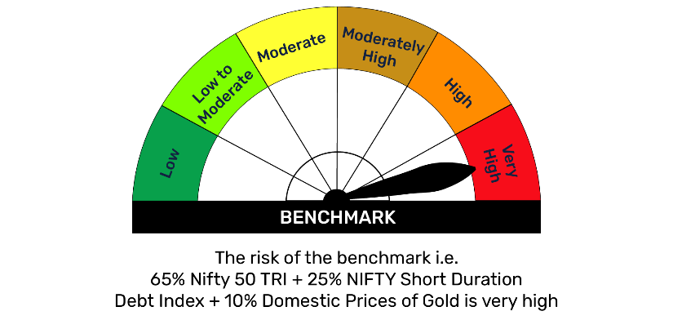

BFMM
...
(4) Total outstanding exposure in derivative instruments as on Jan 31, 2026 is Rs. Nil.
(6) The average maturity is 130 Days / Macaluay Duration of the portfolio is 130 Days
(7) Total outstanding exposure of repo transactions in corporate debt securities as on Jan 31, 2026 is Rs. Nil.
(8) Investment in short term deposits at the end of the month is Rs.NIL

The risk of the benchmark i.e. Nifty Money Market Index A-I is low to moderate
 | Benchmark Name - NIFTY MONEY MARKET INDEX A-I
Scheme Risk-O-Meter | Benchmark Risk-O-Meter
 | 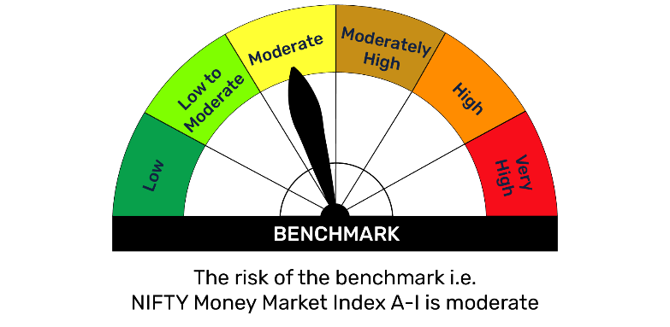 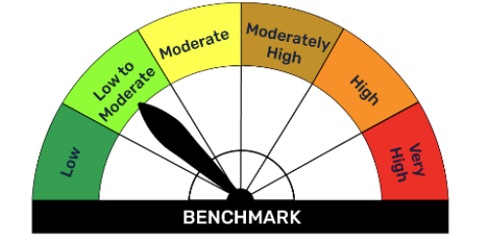

BFMUCF
...
Notes
(4) Total outstanding exposure in derivative instruments as on Jan 31, 2026 is Rs. 122.35.
(5) Total market value of investments in foreign securities/ American Depository Receipts/ Global Depository Receipts as at Jan 31, 2026 is Rs. Nil.
(6) Total outstanding exposure of repo transactions in corporate debt securities as on Jan 31, 2026, is Rs. Nil.
(7) Investment in short term deposits at the end of the month is Rs.NIL

 | Benchmark Name - NIFTY 500 MULTICAP 50:25:25 TRI
Scheme Risk-O-Meter | Benchmark Risk-O-Meter
 | 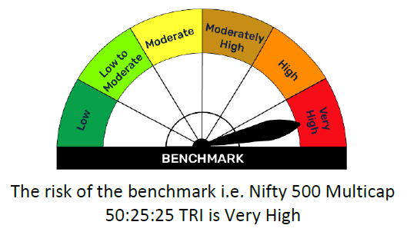

BFN50IX
...
Notes
(4) Total outstanding exposure in derivative instruments as on Jan 31, 2026 is Rs. Nil.
(5) Total market value of investments in foreign securities/ American Depository Receipts/ Global Depository Receipts as at Jan 31, 2026 is Rs. Nil.
(6) Total outstanding exposure of repo transactions in corporate debt securities as on Jan 31, 2026, is Rs. Nil.
(7) Investment in short term deposits at the end of the month is Rs.NIL

 | Benchmark Name - NIFTY 50 TOTAL RETURN INDEX (TRI)
Scheme Risk-O-Meter | Benchmark Risk-O-Meter
 | 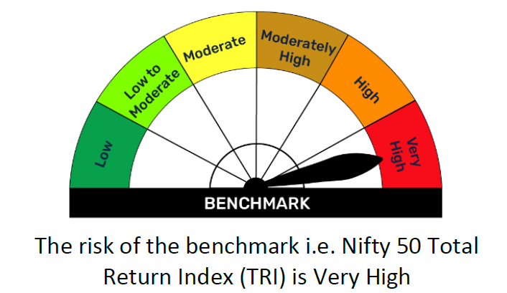

BFNX50IX
...
Notes
(3) Details of gross distribution (of income and capital) during the month are as follows: Nil
(4) Total outstanding exposure in derivative instruments as on Jan 31, 2026 is Rs. Nil.
(5) Total market value of investments in foreign securities/ American Depository Receipts/ Global Depository Receipts as at Jan 31, 2026 is Rs. Nil.
(6) Total outstanding exposure of repo transactions in corporate debt securities as on Jan 31, 2026, is Rs. Nil.
(7) Investment in short term deposits at the end of the month is Rs.NIL

 | Benchmark Name - NIFTY NEXT 50 TOTAL RETURN INDEX (TRI)
Scheme Risk-O-Meter | Benchmark Risk-O-Meter
 | 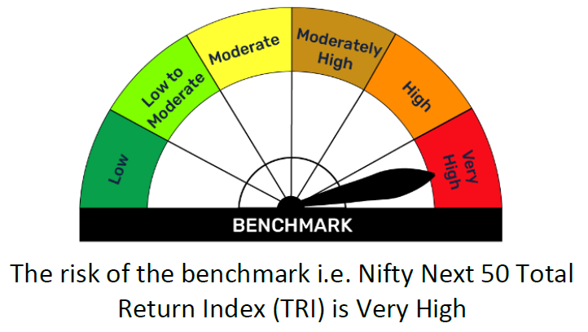

BFON
...
 | Benchmark Name - CRISIL LIQUID OVERNIGHT INDEX
Scheme Risk-O-Meter | Benchmark Risk-O-Meter
 | 

BFSMALL
...
Notes
(4) Total outstanding exposure in derivative instruments as on Jan 31, 2026 is 98.49.
(5) Total market value of investments in foreign securities/ American Depository Receipts/ Global Depository Receipts as at Jan 31, 2026 is Rs. Nil.
(6) Total outstanding exposure of repo transactions in corporate debt securities as on Jan 31, 2026, is Rs. Nil.
(7) Investment in short term deposits at the end of the month is Rs.NIL

 | Benchmark Name - BSE 250 SMALLCAP TRI
Scheme Risk-O-Meter | Benchmark Risk-O-Meter
 | 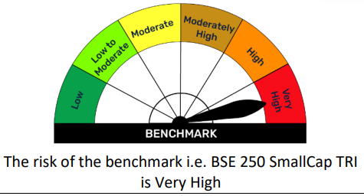

N50ETF
...
Notes
(6) Total outstanding exposure of repo transactions in corporate debt securities as on Jan 31, 2026 is Rs. Nil.
(7) Investment in short term deposits at the end of the month is Rs.NIL
(8) Portfolio Turover Ratio as on Jan 31, 2026: 0.29 times

 | Benchmark Name - NIFTY 50 TRI
Scheme Risk-O-Meter | Benchmark Risk-O-Meter
 | 

NBANKETF
...
Notes
(6) Total outstanding exposure of repo transactions in corporate debt securities as on Jan 31, 2026 is Rs. Nil.
(7) Investment in short term deposits at the end of the month is Rs.NIL
(8) Portfolio Turover Ratio as on Jan 31, 2026: 0.20 times

 | Benchmark Name - NIFTY BANK TRI
Scheme Risk-O-Meter | Benchmark Risk-O-Meter
 | 

