BFARB
BFARB | Bajaj Finserv Arbitrage Fund

 | Monthly Portfolio Statement as on December 31, 2025
 | Name of the Instrument | ISIN | Industry / Rating | Quantity | Market/Fair Value (Rs. in Lakhs) | % to Net Assets | YTM~ | YTC^
 | Equity & Equity related
 | (a) Listed / awaiting listing on Stock Exchanges
RATN01 | RBL Bank Limited | INE976G01028 | Banks | 1,765,300 | 5,574.82 | 4.63%
HDFB03 | HDFC Bank Limited | INE040A01034 | Banks | 509,300 | 5,048.18 | 4.19%
RIND01 | Reliance Industries Limited | INE002A01018 | Petroleum Products | 277,500 | 4,357.86 | 3.62%
BTAT01 | Vodafone Idea Limited | INE669E01016 | Telecom - Services | 36,952,575 | 3,976.10 | 3.30%
IBCL05 | ICICI Bank Limited | INE090A01021 | Banks | 252,000 | 3,384.11 | 2.81%
ABFS01 | Aditya Birla Capital Limited | INE674K01013 | Finance | 874,200 | 3,127.01 | 2.59%
PUBA02 | Punjab National Bank | INE160A01022 | Banks | 1,904,000 | 2,352.96 | 1.95%
HINI02 | Hindalco Industries Limited | INE038A01020 | Non - Ferrous Metals | 263,200 | 2,333.79 | 1.94%
RELC01 | REC Limited | INE020B01018 | Finance | 600,600 | 2,142.94 | 1.78%
IIBL01 | IndusInd Bank Limited | INE095A01012 | Banks | 233,100 | 2,014.45 | 1.67%
IDBK01 | IDFC First Bank Limited | INE092T01019 | Banks | 2,318,750 | 1,985.08 | 1.65%
SAIL01 | Steel Authority of India Limited | INE114A01011 | Ferrous Metals | 1,301,900 | 1,913.66 | 1.59%
LICH02 | LIC Housing Finance Limited | INE115A01026 | Finance | 270,000 | 1,456.79 | 1.21%
MUND02 | Adani Ports and Special Economic Zone Limited | INE742F01042 | Transport Infrastructure | 84,550 | 1,242.72 | 1.03%
MAHI02 | Mahindra & Mahindra Limited | INE101A01026 | Automobiles | 33,200 | 1,231.45 | 1.02%
SESA02 | Vedanta Limited | INE205A01025 | Diversified Metals | 201,250 | 1,216.36 | 1.01%
BAND01 | Bandhan Bank Limited | INE545U01014 | Banks | 824,400 | 1,202.14 | 1.00%
HZIN02 | Hindustan Zinc Limited | INE267A01025 | Non - Ferrous Metals | 194,775 | 1,192.90 | 0.99%
RELS01 | Jio Financial Services Limited | INE758E01017 | Finance | 404,200 | 1,192.19 | 0.99%
BSEL02 | BSE Limited | INE118H01025 | Capital Markets | 42,000 | 1,105.52 | 0.92%
ITCL02 | ITC Limited | INE154A01025 | Diversified FMCG | 273,600 | 1,102.61 | 0.91%
BTVL02 | Bharti Airtel Limited | INE397D01024 | Telecom - Services | 50,825 | 1,070.17 | 0.89%
INAV01 | InterGlobe Aviation Limited | INE646L01027 | Transport Services | 20,700 | 1,047.32 | 0.87%
TPOW02 | Tata Power Company Limited | INE245A01021 | Power | 239,250 | 908.19 | 0.75%
ZMPL01 | Eternal Limited | INE758T01015 | Retailing | 317,675 | 883.30 | 0.73%
SOEL02 | Solar Industries India Limited | INE343H01029 | Chemicals & Petrochemicals | 7,150 | 876.02 | 0.73%
KOMA02 | Kotak Mahindra Bank Limited | INE237A01028 | Banks | 39,600 | 871.64 | 0.72%
SUZE02 | Suzlon Energy Limited | INE040H01021 | Electrical Equipment | 1,624,500 | 855.62 | 0.71%
SBAI02 | State Bank of India | INE062A01020 | Banks | 86,250 | 847.15 | 0.70%
ONGC02 | Oil & Natural Gas Corporation Limited | INE213A01029 | Oil | 335,250 | 805.87 | 0.67%
BINL01 | Indus Towers Limited | INE121J01017 | Telecom - Services | 188,700 | 790.18 | 0.66%
BRIT03 | Britannia Industries Limited | INE216A01030 | Food Products | 12,125 | 731.26 | 0.61%
BHEL02 | Bharat Electronics Limited | INE263A01024 | Aerospace & Defense | 179,550 | 717.48 | 0.60%
DIXO02 | Dixon Technologies (India) Limited | INE935N01020 | Consumer Durables | 5,900 | 714.02 | 0.59%
NMDC01 | NMDC Limited | INE584A01023 | Minerals & Mining | 837,000 | 696.13 | 0.58%
SAEL02 | TVS Motor Company Limited | INE494B01023 | Automobiles | 18,550 | 690.02 | 0.57%
MAUD01 | Maruti Suzuki India Limited | INE585B01010 | Automobiles | 4,050 | 676.23 | 0.56%
UTIB02 | Axis Bank Limited | INE238A01034 | Banks | 51,875 | 658.50 | 0.55%
PFCL01 | Power Finance Corporation Limited | INE134E01011 | Finance | 184,600 | 656.07 | 0.54%
TISC03 | Tata Steel Limited | INE081A01020 | Ferrous Metals | 341,000 | 614.07 | 0.51%
KALJ01 | Kalyan Jewellers India Limited | INE303R01014 | Consumer Durables | 122,200 | 593.10 | 0.49%
IBHF01 | Sammaan Capital Limited | INE148I01020 | Finance | 399,900 | 582.41 | 0.48%
DLFL01 | DLF Limited | INE271C01023 | Realty | 84,150 | 578.45 | 0.48%
IHOT02 | The Indian Hotels Company Limited | INE053A01029 | Leisure Services | 78,000 | 576.30 | 0.48%
SHTR02 | Shriram Finance Limited | INE721A01047 | Finance | 57,750 | 575.31 | 0.48%
LUPL02 | Lupin Limited | INE326A01037 | Pharmaceuticals & Biotechnology | 26,775 | 564.82 | 0.47%
YESB03 | Yes Bank Limited | INE528G01035 | Banks | 2,519,100 | 544.13 | 0.45%
TWAT02 | Titan Company Limited | INE280A01028 | Consumer Durables | 13,300 | 538.85 | 0.45%
TAEL01 | Tata Elxsi Limited | INE670A01012 | IT - Software | 10,000 | 524.05 | 0.43%
PGCI01 | Power Grid Corporation of India Limited | INE752E01010 | Power | 195,700 | 517.82 | 0.43%
ULCC01 | UltraTech Cement Limited | INE481G01011 | Cement & Cement Products | 4,250 | 500.82 | 0.42%
IPLI01 | ICICI Prudential Life Insurance Company Limited | INE726G01019 | Insurance | 73,075 | 488.32 | 0.41%
GMRI03 | GMR Airports Limited | INE776C01039 | Transport Infrastructure | 467,325 | 487.75 | 0.40%
JVSL04 | JSW Steel Limited | INE019A01038 | Ferrous Metals | 41,175 | 479.61 | 0.40%
FRHL01 | Fortis Healthcare Limited | INE061F01013 | Healthcare Services | 54,250 | 479.57 | 0.40%
NTPC01 | NTPC Limited | INE733E01010 | Power | 145,500 | 479.50 | 0.40%
HERO02 | Hero MotoCorp Limited | INE158A01026 | Automobiles | 7,650 | 441.48 | 0.37%
INOW01 | Inox Wind Limited | INE066P01011 | Electrical Equipment | 350,350 | 432.79 | 0.36%
HAIL03 | Havells India Limited | INE176B01034 | Consumer Durables | 29,500 | 420.35 | 0.35%
ADAN02 | Adani Enterprises Limited | INE423A01024 | Metals & Minerals Trading | 17,922 | 401.40 | 0.33%
MNGF02 | Manappuram Finance Limited | INE522D01027 | Finance | 129,000 | 398.03 | 0.33%
AUPH03 | Aurobindo Pharma Limited | INE406A01037 | Pharmaceuticals & Biotechnology | 33,000 | 390.39 | 0.32%
BFSL02 | Bajaj Finserv Limited | INE918I01026 | Finance | 19,000 | 387.58 | 0.32%
MARC02 | Marico Limited | INE196A01026 | Agricultural Food & other Products | 51,600 | 387.31 | 0.32%
TCSL01 | Tata Consultancy Services Limited | INE467B01029 | IT - Software | 10,850 | 347.87 | 0.29%
SLIF01 | SBI Life Insurance Company Limited | INE123W01016 | Insurance | 16,875 | 343.39 | 0.28%
CGCE01 | Crompton Greaves Consumer Electricals Limited | INE299U01018 | Consumer Durables | 135,000 | 340.54 | 0.28%
MAHE01 | Max Healthcare Institute Limited | INE027H01010 | Healthcare Services | 32,025 | 334.69 | 0.28%
GUAM02 | Ambuja Cements Limited | INE079A01024 | Cement & Cement Products | 58,800 | 327.13 | 0.27%
GODP02 | Godrej Properties Limited | INE484J01027 | Realty | 16,225 | 325.21 | 0.27%
LARS02 | Larsen & Toubro Limited | INE018A01030 | Construction | 7,875 | 321.58 | 0.27%
ODCL03 | Dalmia Bharat Limited | INE00R701025 | Cement & Cement Products | 13,975 | 297.79 | 0.25%
JUFL02 | Jubilant Foodworks Limited | INE797F01020 | Leisure Services | 52,500 | 293.27 | 0.24%
AVSP01 | Avenue Supermarts Limited | INE192R01011 | Retailing | 7,500 | 283.67 | 0.24%
HALT02 | Hindustan Aeronautics Limited | INE066F01020 | Aerospace & Defense | 6,450 | 283.07 | 0.23%
POCA01 | Polycab India Limited | INE455K01017 | Industrial Products | 3,625 | 276.19 | 0.23%
CIPL03 | Cipla Limited | INE059A01026 | Pharmaceuticals & Biotechnology | 16,500 | 249.36 | 0.21%
AFPL02 | AU Small Finance Bank Limited | INE949L01017 | Banks | 23,000 | 228.74 | 0.19%
GCPL02 | Godrej Consumer Products Limited | INE102D01028 | Personal Products | 18,500 | 226.11 | 0.19%
KPEL01 | KPIT Technologies Limited | INE04I401011 | IT - Software | 19,125 | 224.24 | 0.19%
SSNL02 | Delhivery Limited | INE148O01028 | Transport Services | 53,950 | 217.88 | 0.18%
JSWE01 | JSW Energy Limited | INE121E01018 | Power | 43,000 | 207.45 | 0.17%
BAFL03 | Bajaj Finance Limited | INE296A01032 | Finance | 21,000 | 207.23 | 0.17%
GRAS02 | Grasim Industries Limited | INE047A01021 | Cement & Cement Products | 7,250 | 205.10 | 0.17%
LAKM02 | Trent Limited | INE849A01020 | Retailing | 4,700 | 201.11 | 0.17%
BKBA02 | Bank of Baroda | INE028A01039 | Banks | 67,275 | 199.07 | 0.17%
DRRL03 | Dr. Reddy's Laboratories Limited | INE089A01031 | Pharmaceuticals & Biotechnology | 15,625 | 198.66 | 0.16%
MCEX01 | Multi Commodity Exchange of India Limited | INE745G01035 | Capital Markets | 1,625 | 180.96 | 0.15%
RUCH03 | Patanjali Foods Limited | INE619A01035 | Agricultural Food & other Products | 31,500 | 171.83 | 0.14%
BHAH02 | Bharat Heavy Electricals Limited | INE257A01026 | Electrical Equipment | 57,750 | 166.00 | 0.14%
HDLI01 | HDFC Life Insurance Company Limited | INE795G01014 | Insurance | 22,000 | 164.97 | 0.14%
BHDY02 | Bharat Dynamics Limited | INE171Z01026 | Aerospace & Defense | 10,150 | 148.85 | 0.12%
KAYN01 | Kaynes Technology India Limited | INE918Z01012 | Industrial Manufacturing | 3,400 | 136.44 | 0.11%
DABU02 | Dabur India Limited | INE016A01026 | Personal Products | 26,250 | 132.20 | 0.11%
APOL02 | Apollo Hospitals Enterprise Limited | INE437A01024 | Healthcare Services | 1,875 | 132.05 | 0.11%
LAUR02 | Laurus Labs Limited | INE947Q01028 | Pharmaceuticals & Biotechnology | 11,900 | 131.85 | 0.11%
CAMS02 | Computer Age Management Services Limited | INE596I01020 | Capital Markets | 17,250 | 127.81 | 0.11%
PHFP02 | PNB Housing Finance Limited | INE572E01012 | Finance | 13,000 | 123.70 | 0.10%
SIEM02 | Siemens Limited | INE003A01024 | Electrical Equipment | 2,975 | 91.13 | 0.08%
PIDI02 | Pidilite Industries Limited | INE318A01026 | Chemicals & Petrochemicals | 5,500 | 81.53 | 0.07%
ASPA02 | Asian Paints Limited | INE021A01026 | Consumer Durables | 2,750 | 76.16 | 0.06%
IOIC01 | Indian Oil Corporation Limited | INE242A01010 | Petroleum Products | 39,000 | 64.92 | 0.05%
ESMC02 | PB Fintech Limited | INE417T01026 | Financial Technology (Fintech) | 3,500 | 63.90 | 0.05%
CROM02 | CG Power and Industrial Solutions Limited | INE067A01029 | Electrical Equipment | 9,350 | 60.58 | 0.05%
MOSU03 | Samvardhana Motherson International Limited | INE775A01035 | Auto Components | 49,200 | 59.01 | 0.05%
NACL03 | National Aluminium Company Limited | INE139A01034 | Non - Ferrous Metals | 18,750 | 58.93 | 0.05%
NEST02 | Nestle India Limited | INE239A01024 | Food Products | 4,500 | 57.96 | 0.05%
PGEL02 | PG Electroplast Limited | INE457L01029 | Consumer Durables | 9,500 | 54.65 | 0.05%
JSPL03 | Jindal Steel Limited | INE749A01030 | Ferrous Metals | 5,000 | 52.69 | 0.04%
DIVI02 | Divi's Laboratories Limited | INE361B01024 | Pharmaceuticals & Biotechnology | 600 | 38.36 | 0.03%
GLPH03 | Glenmark Pharmaceuticals Limited | INE935A01035 | Pharmaceuticals & Biotechnology | 1,875 | 38.16 | 0.03%
HCLT02 | HCL Technologies Limited | INE860A01027 | IT - Software | 2,100 | 34.09 | 0.03%
PSYL02 | Persistent Systems Limited | INE262H01021 | IT - Software | 500 | 31.36 | 0.03%
LICO01 | Life Insurance Corporation Of India | INE0J1Y01017 | Insurance | 3,500 | 29.92 | 0.02%
IRCT02 | Indian Railway Catering And Tourism Corporation Limited | INE335Y01020 | Leisure Services | 3,500 | 23.96 | 0.02%
BIOC01 | Biocon Limited | INE376G01013 | Pharmaceuticals & Biotechnology | 5,000 | 19.70 | 0.02%
MACR01 | Lodha Developers Limited | INE670K01029 | Realty | 1,800 | 19.10 | 0.02%
BFLS01 | Mphasis Limited | INE356A01018 | IT - Software | 550 | 15.35 | 0.01%
PREP01 | Prestige Estates Projects Limited | INE811K01011 | Realty | 900 | 14.35 | 0.01%
KCUL02 | Cummins India Limited | INE298A01020 | Industrial Products | 200 | 8.87 | 0.01%
NBCC03 | NBCC (India) Limited | INE095N01031 | Construction | 6,500 | 7.92 | 0.01%
INFS02 | Infosys Limited | INE009A01021 | IT - Software | 400 | 6.46 | 0.01%
 | Sub Total |  |  |  | 84,798.05 | 70.40%
 | (b) Unlisted |  |  |  | NIL | NIL
 | Sub Total |  |  |  | NIL | NIL
 | Total |  |  |  | 84,798.05 | 70.40%
 | Derivatives
 | (a) Index / Stock Futures
INFSFEB26 | Infosys Limited February 2026 Future |  |  | -400 | (6.54) | (0.01)%
BINLFEB26 | Indus Towers Limited February 2026 Future |  |  | -1,700 | (7.21) | (0.01)%
IHOTFEB26 | The Indian Hotels Company Limited February 2026 Future |  |  | -1,000 | (7.45) | (0.01)%
BHAHJAN26 | Bharat Heavy Electricals Limited January 2026 Future |  |  | -2,625 | (7.59) | (0.01)%
NBCCJAN26 | NBCC (India) Limited January 2026 Future |  |  | -6,500 | (7.95) | (0.01)%
KCULJAN26 | Cummins India Limited January 2026 Future |  |  | -200 | (8.89) | (0.01)%
JSWEFEB26 | JSW Energy Limited February 2026 Future |  |  | -2,000 | (9.74) | (0.01)%
ASPAFEB26 | Asian Paints Limited February 2026 Future |  |  | -500 | (13.97) | (0.01)%
PREPJAN26 | Prestige Estates Projects Limited January 2026 Future |  |  | -900 | (14.40) | (0.01)%
BFLSJAN26 | Mphasis Limited January 2026 Future |  |  | -550 | (15.41) | (0.01)%
DLFLJAN26 | DLF Limited January 2026 Future |  |  | -2,475 | (17.12) | (0.01)%
IPLIFEB26 | ICICI Prudential Life Insurance Company Limited February 2026 Future |  |  | -2,775 | (18.74) | (0.02)%
MACRJAN26 | Lodha Developers Limited January 2026 Future |  |  | -1,800 | (19.22) | (0.02)%
BIOCFEB26 | Biocon Limited February 2026 Future |  |  | -5,000 | (19.91) | (0.02)%
MOSUJAN26 | Samvardhana Motherson International Limited January 2026 Future |  |  | -18,450 | (22.25) | (0.02)%
IRCTJAN26 | Indian Railway Catering And Tourism Corporation Limited January 2026 Future |  |  | -3,500 | (24.10) | (0.02)%
CGCEJAN26 | Crompton Greaves Consumer Electricals Limited January 2026 Future |  |  | -10,800 | (27.44) | (0.02)%
LICOJAN26 | Life Insurance Corporation Of India January 2026 Future |  |  | -3,500 | (30.06) | (0.02)%
BTVLFEB26 | Bharti Airtel Limited February 2026 Future |  |  | -1,425 | (30.29) | (0.03)%
RTBKFEB26 | RBL Bank Limited February 2026 Future |  |  | -9,525 | (30.36) | (0.03)%
PSYLFEB26 | Persistent Systems Limited February 2026 Future |  |  | -500 | (31.54) | (0.03)%
HCLTFEB26 | HCL Technologies Limited February 2026 Future |  |  | -2,100 | (34.18) | (0.03)%
MOSUFEB26 | Samvardhana Motherson International Limited February 2026 Future |  |  | -30,750 | (37.32) | (0.03)%
GLPHJAN26 | Glenmark Pharmaceuticals Limited January 2026 Future |  |  | -1,875 | (38.30) | (0.03)%
DIVIJAN26 | Divi's Laboratories Limited January 2026 Future |  |  | -600 | (38.57) | (0.03)%
POCAFEB26 | Polycab India Limited February 2026 Future |  |  | -500 | (38.58) | (0.03)%
GRASFEB26 | Grasim Industries Limited February 2026 Future |  |  | -1,750 | (50.06) | (0.04)%
PHFPFEB26 | PNB Housing Finance Limited February 2026 Future |  |  | -5,200 | (50.13) | (0.04)%
JSPLJAN26 | Jindal Steel Limited January 2026 Future |  |  | -5,000 | (52.87) | (0.04)%
PGELJAN26 | PG Electroplast Limited January 2026 Future |  |  | -9,500 | (54.74) | (0.05)%
SHTRJAN26 | Shriram Finance Limited January 2026 Future |  |  | -5,775 | (57.68) | (0.05)%
NESTJAN26 | Nestle India Limited January 2026 Future |  |  | -4,500 | (58.22) | (0.05)%
NACLJAN26 | National Aluminium Company Limited January 2026 Future |  |  | -18,750 | (59.28) | (0.05)%
CROMFEB26 | CG Power and Industrial Solutions Limited February 2026 Future |  |  | -9,350 | (61.16) | (0.05)%
ASPAJAN26 | Asian Paints Limited January 2026 Future |  |  | -2,250 | (62.59) | (0.05)%
ESMCJAN26 | PB Fintech Limited January 2026 Future |  |  | -3,500 | (64.28) | (0.05)%
IOICJAN26 | Indian Oil Corporation Limited January 2026 Future |  |  | -39,000 | (65.36) | (0.05)%
LAURJAN26 | Laurus Labs Limited January 2026 Future |  |  | -5,950 | (66.34) | (0.06)%
LAURFEB26 | Laurus Labs Limited February 2026 Future |  |  | -5,950 | (66.78) | (0.06)%
BFSLFEB26 | Bajaj Finserv Limited February 2026 Future |  |  | -3,250 | (66.91) | (0.06)%
JVSLFEB26 | JSW Steel Limited February 2026 Future |  |  | -6,075 | (71.61) | (0.06)%
MAHEFEB26 | Max Healthcare Institute Limited February 2026 Future |  |  | -6,825 | (72.11) | (0.06)%
PHFPJAN26 | PNB Housing Finance Limited January 2026 Future |  |  | -7,800 | (74.58) | (0.06)%
MAUDFEB26 | Maruti Suzuki India Limited February 2026 Future |  |  | -450 | (76.10) | (0.06)%
BKBAJAN26 | Bank of Baroda January 2026 Future |  |  | -26,325 | (78.41) | (0.07)%
RUCHJAN26 | Patanjali Foods Limited January 2026 Future |  |  | -14,400 | (79.06) | (0.07)%
INOWFEB26 | Inox Wind Limited February 2026 Future |  |  | -64,350 | (80.59) | (0.07)%
PIDIJAN26 | Pidilite Industries Limited January 2026 Future |  |  | -5,500 | (81.95) | (0.07)%
HDLIJAN26 | HDFC Life Insurance Company Limited January 2026 Future |  |  | -11,000 | (82.96) | (0.07)%
GODPJAN26 | Godrej Properties Limited January 2026 Future |  |  | -4,125 | (83.22) | (0.07)%
HDLIFEB26 | HDFC Life Insurance Company Limited February 2026 Future |  |  | -11,000 | (83.44) | (0.07)%
MCEXJAN26 | Multi Commodity Exchange of India Limited January 2026 Future |  |  | -750 | (83.96) | (0.07)%
LAKMJAN26 | Trent Limited January 2026 Future |  |  | -2,000 | (85.89) | (0.07)%
TISCFEB26 | Tata Steel Limited February 2026 Future |  |  | -49,500 | (90.15) | (0.07)%
SIEMFEB26 | Siemens Limited February 2026 Future |  |  | -2,975 | (91.98) | (0.08)%
RUCHFEB26 | Patanjali Foods Limited February 2026 Future |  |  | -17,100 | (94.40) | (0.08)%
BAFLFEB26 | Bajaj Finance Limited February 2026 Future |  |  | -9,750 | (97.37) | (0.08)%
KALJFEB26 | Kalyan Jewellers India Limited February 2026 Future |  |  | -19,975 | (98.12) | (0.08)%
MCEXFEB26 | Multi Commodity Exchange of India Limited February 2026 Future |  |  | -875 | (98.53) | (0.08)%
IBHFFEB26 | Sammaan Capital Limited February 2026 Future |  |  | -73,100 | (107.96) | (0.09)%
ATATMAR26 | Vodafone Idea Limited March 2026 Future |  |  | -1,000,650 | (109.77) | (0.09)%
BAFLJAN26 | Bajaj Finance Limited January 2026 Future |  |  | -11,250 | (111.72) | (0.09)%
HALTJAN26 | Hindustan Aeronautics Limited January 2026 Future |  |  | -2,550 | (112.50) | (0.09)%
LAKMFEB26 | Trent Limited February 2026 Future |  |  | -2,700 | (116.67) | (0.10)%
BKBAFEB26 | Bank of Baroda February 2026 Future |  |  | -40,950 | (122.69) | (0.10)%
NTPCJAN26 | NTPC Limited January 2026 Future |  |  | -37,500 | (124.33) | (0.10)%
CIPLJAN26 | Cipla Limited January 2026 Future |  |  | -8,250 | (125.10) | (0.10)%
CIPLFEB26 | Cipla Limited February 2026 Future |  |  | -8,250 | (125.85) | (0.10)%
CAMSFEB26 | Computer Age Management Services Limited February 2026 Future |  |  | -17,250 | (128.84) | (0.11)%
APOLJAN26 | Apollo Hospitals Enterprise Limited January 2026 Future |  |  | -1,875 | (132.91) | (0.11)%
DABUFEB26 | Dabur India Limited February 2026 Future |  |  | -26,250 | (133.78) | (0.11)%
KAYNJAN26 | Kaynes Technology India Limited January 2026 Future |  |  | -3,400 | (137.24) | (0.11)%
BHDYJAN26 | Bharat Dynamics Limited January 2026 Future |  |  | -10,150 | (149.69) | (0.12)%
KMBKFEB26 | Kotak Mahindra Bank Limited February 2026 Future |  |  | -6,800 | (151.16) | (0.13)%
GRASJAN26 | Grasim Industries Limited January 2026 Future |  |  | -5,500 | (156.37) | (0.13)%
LARSJAN26 | Larsen & Toubro Limited January 2026 Future |  |  | -3,850 | (158.14) | (0.13)%
GUAMFEB26 | Ambuja Cements Limited February 2026 Future |  |  | -28,350 | (159.30) | (0.13)%
BHAHFEB26 | Bharat Heavy Electricals Limited February 2026 Future |  |  | -55,125 | (160.30) | (0.13)%
SLIFJAN26 | SBI Life Insurance Company Limited January 2026 Future |  |  | -7,875 | (161.26) | (0.13)%
TCSLJAN26 | Tata Consultancy Services Limited January 2026 Future |  |  | -5,075 | (163.44) | (0.14)%
LARSFEB26 | Larsen & Toubro Limited February 2026 Future |  |  | -4,025 | (166.26) | (0.14)%
GUAMJAN26 | Ambuja Cements Limited January 2026 Future |  |  | -30,450 | (170.22) | (0.14)%
TWATFEB26 | Titan Company Limited February 2026 Future |  |  | -4,200 | (171.74) | (0.14)%
HALTFEB26 | Hindustan Aeronautics Limited February 2026 Future |  |  | -3,900 | (172.52) | (0.14)%
YESBJAN26 | Yes Bank Limited January 2026 Future |  |  | -808,600 | (175.55) | (0.15)%
BSELFEB26 | BSE Limited February 2026 Future |  |  | -6,750 | (179.90) | (0.15)%
AUPHFEB26 | Aurobindo Pharma Limited February 2026 Future |  |  | -15,400 | (184.26) | (0.15)%
SLIFFEB26 | SBI Life Insurance Company Limited February 2026 Future |  |  | -9,000 | (185.29) | (0.15)%
TCSLFEB26 | Tata Consultancy Services Limited February 2026 Future |  |  | -5,775 | (187.11) | (0.16)%
JSWEJAN26 | JSW Energy Limited January 2026 Future |  |  | -41,000 | (198.56) | (0.16)%
DRRLJAN26 | Dr. Reddy's Laboratories Limited January 2026 Future |  |  | -15,625 | (199.02) | (0.17)%
DIXOFEB26 | Dixon Technologies (India) Limited February 2026 Future |  |  | -1,650 | (201.65) | (0.17)%
AUPHJAN26 | Aurobindo Pharma Limited January 2026 Future |  |  | -17,600 | (209.35) | (0.17)%
TPOWFEB26 | Tata Power Company Limited February 2026 Future |  |  | -56,550 | (217.38) | (0.18)%
SSNLJAN26 | Delhivery Limited January 2026 Future |  |  | -53,950 | (219.12) | (0.18)%
IIBLFEB26 | IndusInd Bank Limited February 2026 Future |  |  | -25,200 | (220.01) | (0.18)%
KPELJAN26 | KPIT Technologies Limited January 2026 Future |  |  | -19,125 | (225.20) | (0.19)%
GCPLJAN26 | Godrej Consumer Products Limited January 2026 Future |  |  | -18,500 | (226.96) | (0.19)%
AFPLJAN26 | AU Small Finance Bank Limited January 2026 Future |  |  | -23,000 | (230.03) | (0.19)%
HZINJAN26 | Hindustan Zinc Limited January 2026 Future |  |  | -37,975 | (234.04) | (0.19)%
POCAJAN26 | Polycab India Limited January 2026 Future |  |  | -3,125 | (239.63) | (0.20)%
GMRIFEB26 | GMR Airports Limited February 2026 Future |  |  | -230,175 | (242.79) | (0.20)%
SESAJAN26 | Vedanta Limited January 2026 Future |  |  | -40,250 | (243.87) | (0.20)%
GODPFEB26 | Godrej Properties Limited February 2026 Future |  |  | -12,100 | (245.70) | (0.20)%
GMRIJAN26 | GMR Airports Limited January 2026 Future |  |  | -237,150 | (248.60) | (0.21)%
ULCCFEB26 | UltraTech Cement Limited February 2026 Future |  |  | -2,100 | (250.47) | (0.21)%
INAVFEB26 | InterGlobe Aviation Limited February 2026 Future |  |  | -4,950 | (252.80) | (0.21)%
ULCCJAN26 | UltraTech Cement Limited January 2026 Future |  |  | -2,150 | (254.93) | (0.21)%
IDBKFEB26 | IDFC First Bank Limited February 2026 Future |  |  | -296,800 | (256.32) | (0.21)%
MAHEJAN26 | Max Healthcare Institute Limited January 2026 Future |  |  | -25,200 | (264.78) | (0.22)%
AVSPJAN26 | Avenue Supermarts Limited January 2026 Future |  |  | -7,500 | (284.72) | (0.24)%
RELSFEB26 | Jio Financial Services Limited February 2026 Future |  |  | -96,350 | (287.85) | (0.24)%
JUFLJAN26 | Jubilant Foodworks Limited January 2026 Future |  |  | -52,500 | (292.56) | (0.24)%
ODCLJAN26 | Dalmia Bharat Limited January 2026 Future |  |  | -13,975 | (300.06) | (0.25)%
UTIBFEB26 | Axis Bank Limited February 2026 Future |  |  | -24,375 | (312.17) | (0.26)%
CGCEFEB26 | Crompton Greaves Consumer Electricals Limited February 2026 Future |  |  | -124,200 | (317.70) | (0.26)%
BFSLJAN26 | Bajaj Finserv Limited January 2026 Future |  |  | -15,750 | (322.40) | (0.27)%
PUBAJAN26 | Punjab National Bank January 2026 Future |  |  | -280,000 | (348.35) | (0.29)%
UTIBJAN26 | Axis Bank Limited January 2026 Future |  |  | -27,500 | (350.41) | (0.29)%
INOWJAN26 | Inox Wind Limited January 2026 Future |  |  | -286,000 | (355.67) | (0.30)%
NTPCFEB26 | NTPC Limited February 2026 Future |  |  | -108,000 | (357.64) | (0.30)%
ZMPLJAN26 | Eternal Limited January 2026 Future |  |  | -128,525 | (359.61) | (0.30)%
TWATJAN26 | Titan Company Limited January 2026 Future |  |  | -9,100 | (369.93) | (0.31)%
YESBFEB26 | Yes Bank Limited February 2026 Future |  |  | -1,710,500 | (373.74) | (0.31)%
SOELJAN26 | Solar Industries India Limited January 2026 Future |  |  | -3,150 | (387.39) | (0.32)%
BANDFEB26 | Bandhan Bank Limited February 2026 Future |  |  | -262,800 | (387.92) | (0.32)%
MARCJAN26 | Marico Limited January 2026 Future |  |  | -51,600 | (388.81) | (0.32)%
MNGFJAN26 | Manappuram Finance Limited January 2026 Future |  |  | -129,000 | (400.29) | (0.33)%
ADANJAN26 | Adani Enterprises Limited January 2026 Future |  |  | -17,922 | (403.12) | (0.33)%
ABFSFEB26 | Aditya Birla Capital Limited February 2026 Future |  |  | -111,600 | (403.71) | (0.34)%
JVSLJAN26 | JSW Steel Limited January 2026 Future |  |  | -35,100 | (411.48) | (0.34)%
SBAIJAN26 | State Bank of India January 2026 Future |  |  | -42,750 | (421.66) | (0.35)%
HAILFEB26 | Havells India Limited February 2026 Future |  |  | -29,500 | (424.30) | (0.35)%
SBAIFEB26 | State Bank of India February 2026 Future |  |  | -43,500 | (431.63) | (0.36)%
HEROJAN26 | Hero MotoCorp Limited January 2026 Future |  |  | -7,650 | (443.16) | (0.37)%
MAHIJAN26 | Mahindra & Mahindra Limited January 2026 Future |  |  | -12,200 | (455.47) | (0.38)%
MUNDJAN26 | Adani Ports and Special Economic Zone Limited January 2026 Future |  |  | -31,825 | (470.56) | (0.39)%
IPLIJAN26 | ICICI Prudential Life Insurance Company Limited January 2026 Future |  |  | -70,300 | (471.78) | (0.39)%
IBHFJAN26 | Sammaan Capital Limited January 2026 Future |  |  | -326,800 | (479.38) | (0.40)%
FRHLJAN26 | Fortis Healthcare Limited January 2026 Future |  |  | -54,250 | (482.45) | (0.40)%
SOELFEB26 | Solar Industries India Limited February 2026 Future |  |  | -4,000 | (494.48) | (0.41)%
HINIFEB26 | Hindalco Industries Limited February 2026 Future |  |  | -55,300 | (494.91) | (0.41)%
KALJJAN26 | Kalyan Jewellers India Limited January 2026 Future |  |  | -102,225 | (499.27) | (0.41)%
DIXOJAN26 | Dixon Technologies (India) Limited January 2026 Future |  |  | -4,250 | (516.38) | (0.43)%
PGCIJAN26 | Power Grid Corporation of India Limited January 2026 Future |  |  | -195,700 | (519.78) | (0.43)%
SHTRFEB26 | Shriram Finance Limited February 2026 Future |  |  | -51,975 | (521.13) | (0.43)%
TAELJAN26 | Tata Elxsi Limited January 2026 Future |  |  | -10,000 | (526.65) | (0.44)%
TISCJAN26 | Tata Steel Limited January 2026 Future |  |  | -291,500 | (527.79) | (0.44)%
ZMPLFEB26 | Eternal Limited February 2026 Future |  |  | -189,150 | (532.46) | (0.44)%
LUPLJAN26 | Lupin Limited January 2026 Future |  |  | -26,775 | (566.37) | (0.47)%
DLFLFEB26 | DLF Limited February 2026 Future |  |  | -81,675 | (568.13) | (0.47)%
IHOTJAN26 | The Indian Hotels Company Limited January 2026 Future |  |  | -77,000 | (570.84) | (0.47)%
MAUDJAN26 | Maruti Suzuki India Limited January 2026 Future |  |  | -3,600 | (605.09) | (0.50)%
LICHFEB26 | LIC Housing Finance Limited February 2026 Future |  |  | -116,000 | (632.20) | (0.52)%
POWFJAN26 | Power Finance Corporation Limited January 2026 Future |  |  | -184,600 | (659.21) | (0.55)%
SAELJAN26 | TVS Motor Company Limited January 2026 Future |  |  | -18,550 | (694.18) | (0.58)%
TPOWJAN26 | Tata Power Company Limited January 2026 Future |  |  | -182,700 | (698.01) | (0.58)%
NMDCJAN26 | NMDC Limited January 2026 Future |  |  | -837,000 | (698.90) | (0.58)%
BHELJAN26 | Bharat Electronics Limited January 2026 Future |  |  | -179,550 | (722.15) | (0.60)%
KMBKJAN26 | Kotak Mahindra Bank Limited January 2026 Future |  |  | -32,800 | (724.62) | (0.60)%
BRITJAN26 | Britannia Industries Limited January 2026 Future |  |  | -12,125 | (735.99) | (0.61)%
MUNDFEB26 | Adani Ports and Special Economic Zone Limited February 2026 Future |  |  | -52,725 | (784.18) | (0.65)%
BINLJAN26 | Indus Towers Limited January 2026 Future |  |  | -187,000 | (787.64) | (0.65)%
MAHIFEB26 | Mahindra & Mahindra Limited February 2026 Future |  |  | -21,000 | (788.74) | (0.65)%
INAVJAN26 | InterGlobe Aviation Limited January 2026 Future |  |  | -15,750 | (799.71) | (0.66)%
ONGCJAN26 | Oil & Natural Gas Corporation Limited January 2026 Future |  |  | -335,250 | (811.57) | (0.67)%
BANDJAN26 | Bandhan Bank Limited January 2026 Future |  |  | -561,600 | (824.04) | (0.68)%
LICHJAN26 | LIC Housing Finance Limited January 2026 Future |  |  | -154,000 | (834.06) | (0.69)%
SUZEJAN26 | Suzlon Energy Limited January 2026 Future |  |  | -1,624,500 | (860.99) | (0.71)%
RELSJAN26 | Jio Financial Services Limited January 2026 Future |  |  | -307,850 | (914.01) | (0.76)%
BSELJAN26 | BSE Limited January 2026 Future |  |  | -35,250 | (933.84) | (0.77)%
ATATFEB26 | Vodafone Idea Limited February 2026 Future |  |  | -8,791,425 | (959.14) | (0.80)%
HZINFEB26 | Hindustan Zinc Limited February 2026 Future |  |  | -156,800 | (971.77) | (0.81)%
SESAFEB26 | Vedanta Limited February 2026 Future |  |  | -161,000 | (977.67) | (0.81)%
BTVLJAN26 | Bharti Airtel Limited January 2026 Future |  |  | -49,400 | (1,046.74) | (0.87)%
ITCLJAN26 | ITC Limited January 2026 Future |  |  | -273,600 | (1,109.17) | (0.92)%
IBCLFEB26 | ICICI Bank Limited February 2026 Future |  |  | -102,200 | (1,388.18) | (1.15)%
RINDJAN26 | Reliance Industries Limited January 2026 Future |  |  | -107,000 | (1,688.46) | (1.40)%
IDBKJAN26 | IDFC First Bank Limited January 2026 Future |  |  | -2,021,950 | (1,736.86) | (1.44)%
HDFBFEB26 | HDFC Bank Limited February 2026 Future |  |  | -178,750 | (1,793.76) | (1.49)%
IIBLJAN26 | IndusInd Bank Limited January 2026 Future |  |  | -207,900 | (1,803.43) | (1.50)%
HINIJAN26 | Hindalco Industries Limited January 2026 Future |  |  | -207,900 | (1,850.73) | (1.54)%
SAILJAN26 | Steel Authority of India Limited January 2026 Future |  |  | -1,301,900 | (1,924.99) | (1.60)%
IBCLJAN26 | ICICI Bank Limited January 2026 Future |  |  | -149,800 | (2,023.20) | (1.68)%
PUBAFEB26 | Punjab National Bank February 2026 Future |  |  | -1,624,000 | (2,032.44) | (1.69)%
RELCJAN26 | REC Limited January 2026 Future |  |  | -600,600 | (2,155.55) | (1.79)%
RINDFEB26 | Reliance Industries Limited February 2026 Future |  |  | -170,500 | (2,706.18) | (2.25)%
ABFSJAN26 | Aditya Birla Capital Limited January 2026 Future |  |  | -762,600 | (2,745.36) | (2.28)%
ATATJAN26 | Vodafone Idea Limited January 2026 Future |  |  | -27,160,500 | (2,941.48) | (2.44)%
HDFBJAN26 | HDFC Bank Limited January 2026 Future |  |  | -330,550 | (3,296.91) | (2.74)%
RTBKJAN26 | RBL Bank Limited January 2026 Future |  |  | -1,755,775 | (5,564.05) | (4.62)%
 | Sub Total |  |  |  | (85,380.26) | (70.86)%
 | Total |  |  |  | (85,380.26) | (70.86)%
 | Debt Instruments
 | (a) Listed / awaiting listing on Stock Exchange
HDBF305 | HDB Financial Services Limited (13/01/2026) (ZCB) ** | INE756I07EK0 |  | 136 | 1,741.80 | 1.45% | 7.06%
 | Sub Total |  |  |  | 1,741.80 | 1.45%
 | (b) Privately placed / Unlisted |  |  |  | NIL | NIL
 | Sub Total |  |  |  | NIL | NIL
 | Total |  |  |  | 1,741.80 | 1.45%
 | Money Market Instruments
 | Commercial Paper
MUFL451 | Muthoot Finance Limited (10/02/2026) | INE414G14UH8 | CRISIL A1+ | 1,000 | 4,962.40 | 4.12% | 6.91%
 | Sub Total |  |  |  | 4,962.40 | 4.12%
 | Total |  |  |  | 4,962.40 | 4.12%
 | Others
 | Mutual Fund Units
151889 | Bajaj Finserv Money Market Fund-Direct Plan-Growth | INF0QA701334 |  | 1,405,594 | 16,860.40 | 13.99%
151833 | Bajaj Finserv Liquid Fund - Direct Plan - Growth | INF0QA701011 |  | 991,399 | 11,747.89 | 9.75%
 | Sub Total |  |  |  | 28,608.29 | 23.74%
 | Total |  |  |  | 28,608.29 | 23.74%
 | Reverse Repo / TREPS
TRP_010126 | Clearing Corporation of India Ltd |  |  |  | 4,386.44 | 3.64% | 5.38%
 | Sub Total |  |  |  | 4,386.44 | 3.64%
 | Total |  |  |  | 4,386.44 | 3.64%
 | Net Receivables / (Payables) |  |  |  | 81,391.42 | 67.51%
 | GRAND TOTAL |  |  |  | 120,508.13 | 100.00%

 | ZCB - Zero Coupon Bond
 | ** Thinly Traded / Non Traded Security
 | ~ YTM as on December 31, 2025
 | ^ YTC represents Yield to Call provided by valuation agencies as on December 31, 2025. It is disclosed for Perpetual Bond issued by Banks (i.e. AT-1 Bond / Tier 1 Bond / Tier 2 Bond), as per AMFI Best Practices Guidelines Circular no. 135/BP/91/2020-21 read with SEBI circular No. SEBI/HO/IMD/IMD-PoD-1/P/CIR/2024/90 on Valuation of AT-1 Bonds and Tier 2 Bonds.

 | Notes
 | (1) There is no security which is in default beyond its maturity/ interest payment date.
 | (2) Plan/ Option wise per unit net asset value are as follows:
 | Plan/ Option | As on Dec 31, 2025 | As on Nov 30, 2025
 | Regular IDCW | 11.537 | 11.475
 | Regular Growth | 11.537 | 11.475
 | Direct IDCW | 11.724 | 11.654
 | Direct Growth | 11.724 | 11.654
 | (3) Details of gross distribution (of income and capital) during the month are as follows: Nil
 | (4) Total outstanding exposure in derivative instruments as on Dec 31, 2025 is Rs.(-85380.26) Lakhs.
 | (5) The average maturity is 78 Days / Macaluay Duration of the portfolio is 74 Days.
 | (6) Total market value of investments in foreign securities/ American Depository Receipts/ Global Depository Receipts as at Dec 31, 2025 is Rs. Nil.
 | (7) Total outstanding exposure of repo transactions in corporate debt securities as on Dec 31, 2025 is Rs. Nil.
 | (8) Investment in short term deposits at the end of the month is Rs.NIL
 | (9) Portfolio Turnover Ratio as on Dec 31, 2025: 9.34 times.

 |  | Benchmark Name - NIFTY 50 ARBITRAGE INDEX TRI
 | Scheme Risk-O-Meter | Benchmark Risk-O-Meter
 | 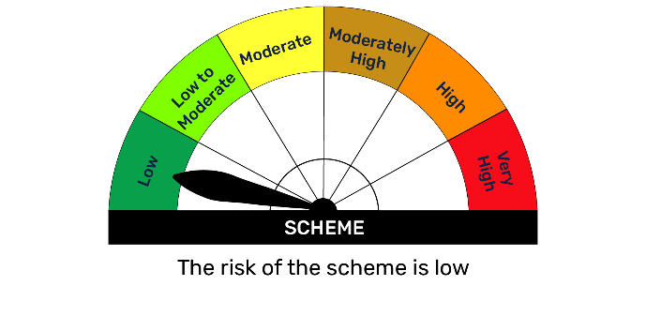 | 

BFBAF
BFBAF | Bajaj Finserv Balanced Advantage Fund

 | Monthly Portfolio Statement as on December 31, 2025
 | Name of the Instrument | ISIN | Industry | Quantity | Market/Fair Value (Rs. in Lakhs) | % to Net Assets | YTM~ | YTC^
 | Equity & Equity related
 | (a) Listed / awaiting listing on Stock Exchanges
HDFB03 | HDFC Bank Limited | INE040A01034 | Banks | 1,071,965 | 10,625.32 | 8.08%
INFS02 | Infosys Limited | INE009A01021 | IT - Software | 466,259 | 7,531.95 | 5.73%
RIND01 | Reliance Industries Limited | INE002A01018 | Petroleum Products | 470,649 | 7,391.07 | 5.62%
SBAI02 | State Bank of India | INE062A01020 | Banks | 614,765 | 6,038.22 | 4.59%
LARS02 | Larsen & Toubro Limited | INE018A01030 | Construction | 138,410 | 5,651.97 | 4.30%
DIVI02 | Divi's Laboratories Limited | INE361B01024 | Pharmaceuticals & Biotechnology | 72,303 | 4,621.97 | 3.52%
BAFL03 | Bajaj Finance Limited | INE296A01032 | Finance | 426,329 | 4,207.01 | 3.20%
IBCL05 | ICICI Bank Limited | INE090A01021 | Banks | 282,312 | 3,791.17 | 2.88%
SPIL03 | Sun Pharmaceutical Industries Limited | INE044A01036 | Pharmaceuticals & Biotechnology | 216,955 | 3,730.98 | 2.84%
ASPA02 | Asian Paints Limited | INE021A01026 | Consumer Durables | 122,500 | 3,392.64 | 2.58%
BTVL02 | Bharti Airtel Limited | INE397D01024 | Telecom - Services | 160,021 | 3,369.40 | 2.56%
LTIL01 | LTIMindtree Limited | INE214T01019 | IT - Software | 48,064 | 2,914.36 | 2.22%
DLFL01 | DLF Limited | INE271C01023 | Realty | 411,861 | 2,831.13 | 2.15%
MAHI02 | Mahindra & Mahindra Limited | INE101A01026 | Automobiles | 75,313 | 2,793.51 | 2.12%
YESB03 | Yes Bank Limited | INE528G01035 | Banks | 12,110,224 | 2,615.81 | 1.99%
MUND02 | Adani Ports and Special Economic Zone Limited | INE742F01042 | Transport Infrastructure | 166,179 | 2,442.50 | 1.86%
APOL02 | Apollo Hospitals Enterprise Limited | INE437A01024 | Healthcare Services | 33,179 | 2,336.63 | 1.78%
ITCL02 | ITC Limited | INE154A01025 | Diversified FMCG | 561,245 | 2,261.82 | 1.72%
TISC03 | Tata Steel Limited | INE081A01020 | Ferrous Metals | 1,221,743 | 2,200.11 | 1.67%
SESA02 | Vedanta Limited | INE205A01025 | Diversified Metals | 326,399 | 1,972.76 | 1.50%
BHEL02 | Bharat Electronics Limited | INE263A01024 | Aerospace & Defense | 480,738 | 1,921.03 | 1.46%
SHTR02 | Shriram Finance Limited | INE721A01047 | Finance | 188,241 | 1,875.26 | 1.43%
RELS01 | Jio Financial Services Limited | INE758E01017 | Finance | 606,000 | 1,787.40 | 1.36%
SCHI01 | Sanofi Consumer Healthcare India Limited | INE0UOS01011 | Pharmaceuticals & Biotechnology | 37,281 | 1,685.06 | 1.28%
BALN01 | Bajaj Auto Limited | INE917I01010 | Automobiles | 17,728 | 1,656.33 | 1.26%
FEBA02 | The Federal Bank Limited | INE171A01029 | Banks | 612,327 | 1,635.53 | 1.24%
ZMPL01 | Eternal Limited | INE758T01015 | Retailing | 562,957 | 1,565.30 | 1.19%
HLEL02 | Hindustan Unilever Limited | INE030A01027 | Diversified FMCG | 65,808 | 1,524.05 | 1.16%
AUPH03 | Aurobindo Pharma Limited | INE406A01037 | Pharmaceuticals & Biotechnology | 118,472 | 1,401.52 | 1.07%
IIBL01 | IndusInd Bank Limited | INE095A01012 | Banks | 160,000 | 1,382.72 | 1.05%
UTIB02 | Axis Bank Limited | INE238A01034 | Banks | 100,000 | 1,269.40 | 0.97%
GLAX01 | GlaxoSmithKline Pharmaceuticals Limited | INE159A01016 | Pharmaceuticals & Biotechnology | 50,534 | 1,250.01 | 0.95%
FAGP02 | Schaeffler India Limited | INE513A01022 | Auto Components | 31,628 | 1,226.85 | 0.93%
TWAT02 | Titan Company Limited | INE280A01028 | Consumer Durables | 26,167 | 1,060.16 | 0.81%
ACCL02 | ACC Limited | INE012A01025 | Cement & Cement Products | 59,424 | 1,032.61 | 0.79%
DEVY01 | Devyani International Limited | INE872J01023 | Leisure Services | 642,136 | 950.04 | 0.72%
PREP01 | Prestige Estates Projects Limited | INE811K01011 | Realty | 46,678 | 744.42 | 0.57%
RURE01 | Rubicon Research Limited | INE506V01022 | Pharmaceuticals & Biotechnology | 101,569 | 691.43 | 0.53%
JVSL04 | JSW Steel Limited | INE019A01038 | Ferrous Metals | 57,855 | 673.90 | 0.51%
NTPC01 | NTPC Limited | INE733E01010 | Power | 201,802 | 665.04 | 0.51%
ULCC01 | UltraTech Cement Limited | INE481G01011 | Cement & Cement Products | 5,571 | 656.49 | 0.50%
PGCI01 | Power Grid Corporation of India Limited | INE752E01010 | Power | 247,112 | 653.86 | 0.50%
MCSP02 | United Spirits Limited | INE854D01024 | Beverages | 39,308 | 567.49 | 0.43%
BBGV02 | Billionbrains Garage Ventures Ltd | INE0HOQ01053 | Capital Markets | 250,050 | 390.50 | 0.30%
MNGF02 | Manappuram Finance Limited | INE522D01027 | Finance | 120,000 | 370.26 | 0.28%
SAIL01 | Steel Authority of India Limited | INE114A01011 | Ferrous Metals | 250,000 | 367.48 | 0.28%
RATN01 | RBL Bank Limited | INE976G01028 | Banks | 110,000 | 347.38 | 0.26%
LICO01 | Life Insurance Corporation Of India | INE0J1Y01017 | Insurance | 40,000 | 341.96 | 0.26%
INAV01 | InterGlobe Aviation Limited | INE646L01027 | Transport Services | 1,170 | 59.20 | 0.05%
CIPL03 | Cipla Limited | INE059A01026 | Pharmaceuticals & Biotechnology | 3,094 | 46.76 | 0.04%
KWWA01 | Kwality Walls (India) Limited ** | INE2KCE01013 | Food Products | 95,808 | 38.51 | 0.03%
 | Sub Total |  |  |  | 112,558.25 | 85.63%
 | (b) Unlisted |  |  |  | NIL | NIL
 | Sub Total |  |  |  | NIL | NIL
 | Total |  |  |  | 112,558.25 | 85.63%
 | Derivatives
 | (a) Index / Stock Futures
BHELJAN26 | Bharat Electronics Limited January 2026 Future |  |  | -81,225 | (326.69) | (0.25)%
SHTRJAN26 | Shriram Finance Limited January 2026 Future |  |  | -33,825 | (337.84) | (0.26)%
BALNJAN26 | Bajaj Auto Limited January 2026 Future |  |  | -4,125 | (387.83) | (0.30)%
ASPAJAN26 | Asian Paints Limited January 2026 Future |  |  | -22,500 | (625.93) | (0.48)%
LTILJAN26 | LTIMindtree Limited January 2026 Future |  |  | -10,500 | (638.51) | (0.49)%
DIVIJAN26 | Divi's Laboratories Limited January 2026 Future |  |  | -10,000 | (642.80) | (0.49)%
BTVLJAN26 | Bharti Airtel Limited January 2026 Future |  |  | -30,875 | (654.21) | (0.50)%
IBCLJAN26 | ICICI Bank Limited January 2026 Future |  |  | -49,000 | (661.79) | (0.50)%
SPILJAN26 | Sun Pharmaceutical Industries Limited January 2026 Future |  |  | -38,500 | (665.63) | (0.51)%
BAFLJAN26 | Bajaj Finance Limited January 2026 Future |  |  | -67,500 | (670.34) | (0.51)%
HDFBJAN26 | HDFC Bank Limited January 2026 Future |  |  | -68,750 | (685.71) | (0.52)%
LARSJAN26 | Larsen & Toubro Limited January 2026 Future |  |  | -17,500 | (718.81) | (0.55)%
RINDJAN26 | Reliance Industries Limited January 2026 Future |  |  | -61,000 | (962.58) | (0.73)%
SBAIJAN26 | State Bank of India January 2026 Future |  |  | -135,000 | (1,331.57) | (1.01)%
 | Sub Total |  |  |  | (9,310.25) | (7.10)%
 | Total |  |  |  | (9,310.25) | (7.10)%
 | Debt Instruments
 | (a) Listed / awaiting listing on Stock Exchange
GOI6156 | 6.79% Government of India (07/10/2034) | IN0020240126 | Sovereign | 521,800 | 526.48 | 0.40% | 6.76%
GOI5152 | 7.3% Government of India (19/06/2053) | IN0020230051 | Sovereign | 500,000 | 500.88 | 0.38% | 7.42%
GOI5728 | 7.34% Government of India (22/04/2064) | IN0020240035 | Sovereign | 500,000 | 498.50 | 0.38% | 7.50%
GOI6703 | 6.33% Government of India (05/05/2035) | IN0020250026 | Sovereign | 500,000 | 490.57 | 0.37% | 6.71%
GOI6889 | 6.68% Government of India (07/07/2040) | IN0020250042 | Sovereign | 500,000 | 485.52 | 0.37% | 7.12%
GOI6240 | 7.09% Government of India (25/11/2074) | IN0020240142 | Sovereign | 500,000 | 481.56 | 0.37% | 7.51%
GOI6320 | 6.79% Government of India (30/12/2031) | IN0020240191 | Sovereign | 223,000 | 225.94 | 0.17% | 6.63%
GOI6019 | 7.09% Government of India (05/08/2054) | IN0020240118 | Sovereign | 5,200 | 5.08 | $0.00% | 7.41%
 | Sub Total |  |  |  | 3,214.54 | 2.44%
 | (b) Privately placed / Unlisted |  |  |  | NIL | NIL
 | Sub Total |  |  |  | NIL | NIL
 | Total |  |  |  | 3,214.54 | 2.44%
 | Others
 | Mutual Fund Units
152162 | Bajaj Finserv Banking and PSU Fund Dr Pl Gr | INF0QA701607 |  | 60,003,006 | 7,106.88 | 5.41%
151889 | Bajaj Finserv Money Market Fund-Direct Plan-Growth | INF0QA701334 |  | 288,970 | 3,466.26 | 2.64%
 | Sub Total |  |  |  | 10,573.14 | 8.05%
 | Total |  |  |  | 10,573.14 | 8.05%
 | Reverse Repo / TREPS
TRP_010126 | Clearing Corporation of India Ltd |  |  |  | 95.96 | 0.07% | 5.38%
 | Sub Total |  |  |  | 95.96 | 0.07%
 | Total |  |  |  | 95.96 | 0.07%
 | Net Receivables / (Payables) |  |  |  | 14,334.47 | 10.91%
 | GRAND TOTAL |  |  |  | 131,466.11 | 100.00%

 | ** Thinly Traded / Non Traded Security
 | $ Less Than 0.01% of Net Asset Value
 | ~ YTM as on December 31, 2025
 | ^ YTC represents Yield to Call provided by valuation agencies as on December 31, 2025. It is disclosed for Perpetual Bond issued by Banks (i.e. AT-1 Bond / Tier 1 Bond / Tier 2 Bond), as per AMFI Best Practices Guidelines Circular no. 135/BP/91/2020-21 read with SEBI circular No. SEBI/HO/IMD/IMD-PoD-1/P/CIR/2024/90 on Valuation of AT-1 Bonds and Tier 2 Bonds.

 | Notes
 | (1) There is no security which is in default beyond its maturity/ interest payment date.
 | (2) Plan/ Option wise per unit net asset value are as follows:
 | Plan/ Option | As on Dec 31, 2025 | As on Nov 30, 2025
 | Regular IDCW | 11.753 | 11.854
 | Regular Growth | 11.753 | 11.854
 | Direct IDCW | 12.130 | 12.216
 | Direct Growth | 12.130 | 12.216
 | (3) Details of gross distribution (of income and capital) during the month are as follows: Nil
 | (4) Total outstanding exposure in derivative instruments as on Dec 31, 2025 is Rs.( 9310.25) Lakhs.
 | (5) The average maturity is 2508 Days / Macaluay Duration of the portfolio is 1288 Days.
 | (6) Total market value of investments in foreign securities/ American Depository Receipts/ Global Depository Receipts as at Dec 31, 2025 is Rs. Nil.
 | (7) Total outstanding exposure of repo transactions in corporate debt securities as on Dec 31, 2025, is Rs. Nil.
 | (8) Investment in short term deposits at the end of the month is Rs.NIL
 | (9) Portfolio Turover Ratio as on Dec 31, 2025: 2.72 times.

 |  | Benchmark Name - NIFTY 50 HYBRID COMPOSITE DEBT 50:50 INDEX
 | Scheme Risk-O-Meter | Benchmark Risk-O-Meter
 | 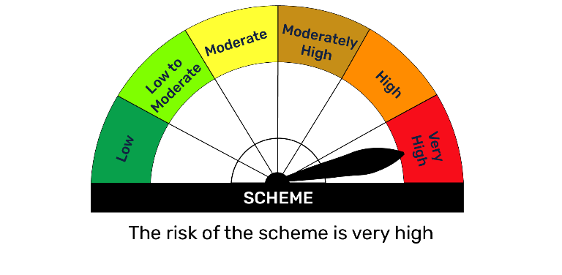 | 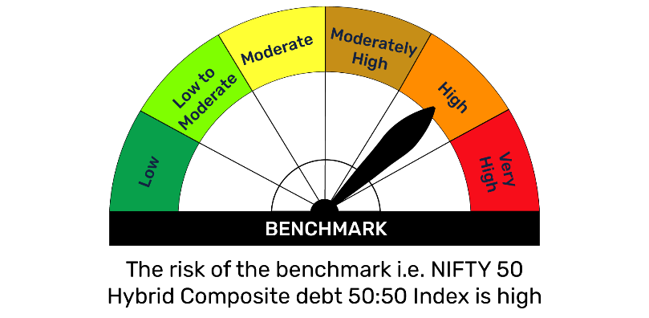

BFBKFIN
BFBKFIN | Bajaj Finserv Banking and Financial Services Fund

 | Monthly Portfolio Statement as on December 31, 2025
 | Name of the Instrument | ISIN | Industry | Quantity | Market/Fair Value (Rs. in Lakhs) | % to Net Assets | YTM~ | YTC^
 | Equity & Equity related
 | (a) Listed / awaiting listing on Stock Exchanges
HDFB03 | HDFC Bank Limited | INE040A01034 | Banks | 622,835 | 6,173.54 | 17.05%
IBCL05 | ICICI Bank Limited | INE090A01021 | Banks | 280,527 | 3,767.20 | 10.40%
SBAI02 | State Bank of India | INE062A01020 | Banks | 306,772 | 3,013.11 | 8.32%
UTIB02 | Axis Bank Limited | INE238A01034 | Banks | 209,495 | 2,659.33 | 7.34%
FEBA02 | The Federal Bank Limited | INE171A01029 | Banks | 539,597 | 1,441.26 | 3.98%
SHTR02 | Shriram Finance Limited | INE721A01047 | Finance | 141,108 | 1,405.72 | 3.88%
HDLI01 | HDFC Life Insurance Company Limited | INE795G01014 | Insurance | 180,268 | 1,351.74 | 3.73%
BAFL03 | Bajaj Finance Limited | INE296A01032 | Finance | 130,000 | 1,282.84 | 3.54%
RELS01 | Jio Financial Services Limited | INE758E01017 | Finance | 360,000 | 1,061.82 | 2.93%
MNGF02 | Manappuram Finance Limited | INE522D01027 | Finance | 305,417 | 942.36 | 2.60%
HDAM01 | HDFC Asset Management Company Limited | INE127D01025 | Capital Markets | 32,982 | 881.35 | 2.43%
BFSL02 | Bajaj Finserv Limited | INE918I01026 | Finance | 39,954 | 815.02 | 2.25%
IIFM02 | 360 One WAM Limited | INE466L01038 | Capital Markets | 64,349 | 765.75 | 2.11%
BOMA01 | Bank of Maharashtra | INE457A01014 | Banks | 1,226,846 | 761.26 | 2.10%
PHFP02 | PNB Housing Finance Limited | INE572E01012 | Finance | 75,888 | 722.07 | 1.99%
ABFS01 | Aditya Birla Capital Limited | INE674K01013 | Finance | 200,000 | 715.40 | 1.98%
AGBL01 | Angel One Limited | INE732I01013 | Capital Markets | 26,462 | 620.27 | 1.71%
RATN01 | RBL Bank Limited | INE976G01028 | Banks | 173,978 | 549.42 | 1.52%
BSEL02 | BSE Limited | INE118H01025 | Capital Markets | 19,469 | 512.46 | 1.42%
IIBL01 | IndusInd Bank Limited | INE095A01012 | Banks | 52,260 | 451.63 | 1.25%
GODI01 | Go Digit General Insurance Limited | INE03JT01014 | Insurance | 129,695 | 446.93 | 1.23%
USFB01 | Ujjivan Small Finance Bank Limited | INE551W01018 | Banks | 833,825 | 441.84 | 1.22%
NIVB01 | Niva Bupa Health Insurance Company Limited | INE995S01015 | Insurance | 583,458 | 439.93 | 1.21%
CAMS02 | Computer Age Management Services Limited | INE596I01020 | Capital Markets | 58,492 | 433.37 | 1.20%
PFPL01 | Piramal Finance Limited | INE202B01038 | Finance | 26,285 | 431.86 | 1.19%
BSLM02 | Aditya Birla Sun Life AMC Limited | INE404A01024 | Capital Markets | 46,842 | 377.20 | 1.04%
ICRA01 | ICRA Limited | INE725G01011 | Capital Markets | 5,594 | 339.86 | 0.94%
PRUD01 | Prudent Corporate Advisory Services Limited | INE00F201020 | Capital Markets | 467 | 11.90 | 0.03%
 | Sub Total |  |  |  | 32,816.45 | 90.59%
 | (b) Unlisted |  |  |  | NIL | NIL
 | Sub Total |  |  |  | NIL | NIL
 | Total |  |  |  | 32,816.45 | 90.59%
 | Others
 | Mutual Fund Units
151889 | Bajaj Finserv Money Market Fund-Direct Plan-Growth | INF0QA701334 |  | 41,899 | 502.59 | 1.39%
 | Sub Total |  |  |  | 502.59 | 1.39%
 | Total |  |  |  | 502.59 | 1.39%
 | Reverse Repo / TREPS
TRP_010126 | Clearing Corporation of India Ltd |  |  |  | 2,194.59 | 6.06% | 5.38%
 | Sub Total |  |  |  | 2,194.59 | 6.06%
 | Total |  |  |  | 2,194.59 | 6.06%
 | Net Receivables / (Payables) |  |  |  | 695.24 | 1.96%
 | GRAND TOTAL |  |  |  | 36,208.88 | 100.00%

 | ~ YTM as on December 31, 2025
 | ^ YTC represents Yield to Call provided by valuation agencies as on December 31, 2025. It is disclosed for Perpetual Bond issued by Banks (i.e. AT-1 Bond / Tier 1 Bond / Tier 2 Bond), as per AMFI Best Practices Guidelines Circular no. 135/BP/91/2020-21 read with SEBI circular No. SEBI/HO/IMD/IMD-PoD-1/P/CIR/2024/90 on Valuation of AT-1 Bonds and Tier 2 Bonds.

 | Notes
 | (1) There is no security which is in default beyond its maturity/ interest payment date.
 | (2) Plan/ Option wise per unit net asset value are as follows:
 | Plan/ Option | As on Dec 31, 2025
 | Regular IDCW | 10.055
 | Regular Growth | 10.055
 | Direct IDCW | 10.069
 | Direct Growth | 10.069
 | (3) Details of gross distribution (of income and capital) during the month are as follows: Nil
 | (4) Total outstanding exposure in derivative instruments as on Dec 31, 2025 is NIL
 | (5) The average maturity is NIL/ Macaluay Duration of the portfolio is NIL.
 | (6) Total market value of investments in foreign securities/ American Depository Receipts/ Global Depository Receipts as at Dec 31, 2025 is Rs. Nil.
 | (7) Total outstanding exposure of repo transactions in corporate debt securities as on Dec 31, 2025, is Rs. Nil.
 | (8) Investment in short term deposits at the end of the month is Rs.NIL
 | (9) Portfolio Turover Ratio as on Dec 31, 2025: NIL

 |  | Benchmark Name - NIFTY FINANCIAL SERVICES TRI
 | Scheme Risk-O-Meter | Benchmark Risk-O-Meter
 | 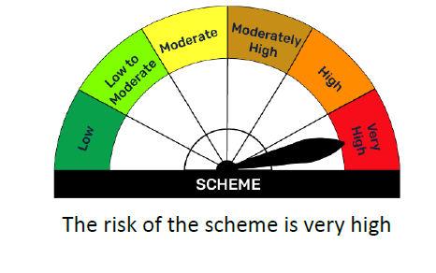 | 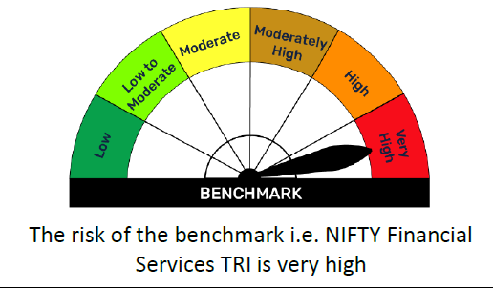

BFBPSU
BFBPSU | Bajaj Finserv Banking and PSU Fund

 | Monthly Portfolio Statement as on December 31, 2025
 | Name of the Instrument | ISIN | Rating | Quantity | Market/Fair Value (Rs. in Lakhs) | % to Net Assets | YTM~ | YTC^
 | Debt Instruments
 | (a) Listed / awaiting listing on Stock Exchange
RECL350 | 8.54% REC Limited (15/11/2028) ** | INE020B08BE3 | CRISIL AAA | 250 | 2,615.09 | 6.70% | 6.86%
IRLY320 | 8.55% Indian Railway Finance Corporation Limited (21/02/2029) ** | INE053F07BA5 | CRISIL AAA | 250 | 2,612.41 | 6.70% | 6.91%
NHAI67 | 7.7% National Highways Authority Of India (13/09/2029) ** | INE906B07HH5 | CRISIL AAA | 250 | 2,563.66 | 6.57% | 6.88%
FCOI32 | 7.6% Food Corporation Of India (09/01/2030) ** | INE861G08068 | CRISIL AAA(CE) | 250 | 2,542.31 | 6.52% | 7.10%
KOMP1745 | 7.299% Kotak Mahindra Prime Limited (22/09/2028) ** | INE916DA7TD8 | CRISIL AAA | 2,500 | 2,502.39 | 6.41% | 7.24%
SIDB614 | 6.66% Small Industries Dev Bank of India (25/10/2028) ** | INE556F08KZ3 | CRISIL AAA | 2,500 | 2,484.61 | 6.37% | 6.90%
POWF551 | 6.64% Power Finance Corporation Limited (15/07/2030) ** | INE134E08NR3 | CRISIL AAA | 2,500 | 2,464.40 | 6.32% | 7.01%
HURD210 | 8.41% Housing & Urban Development Corporation Limited (15/03/2029) ** | INE031A08699 | ICRA AAA | 100 | 1,046.36 | 2.68% | 6.88%
GOI5833 | 7.02% Government of India (18/06/2031) | IN0020240076 | Sovereign | 1,000,000 | 1,024.50 | 2.63% | 6.58%
NHBA324 | 7.57% National Housing Bank (09/01/2031) ** | INE557F08FT4 | CRISIL AAA | 1,000 | 1,022.98 | 2.62% | 7.01%
EXIM803 | 7.12% Export Import Bank of India (27/06/2030) ** | INE514E08GF5 | CRISIL AAA | 1,000 | 1,007.02 | 2.58% | 6.93%
BAFL977 | 7.38% Bajaj Finance Limited (28/06/2030) ** | INE296A07TL0 | CRISIL AAA | 1,000 | 999.48 | 2.56% | 7.37%
NTPC257 | 6.84% NTPC Limited (09/05/2035) ** | INE733E08270 | CRISIL AAA | 1,000 | 983.45 | 2.52% | 7.08%
PGCI347 | 9.3% Power Grid Corporation of India Limited (04/09/2029) ** | INE752E07LR8 | CRISIL AAA | 50 | 539.10 | 1.38% | 6.80%
NBAR867 | 6.85% National Bank For Agriculture and Rural Development (19/01/2029) ** | INE261F08EQ2 | ICRA AAA | 500 | 498.56 | 1.28% | 6.96%
NABA28 | 6.67% National Bank For Financing Infrastructure And Development (30/05/2030) ** | INE0KUG08092 | CRISIL AAA | 500 | 491.71 | 1.26% | 7.11%
GOI2498 | 7.11% Maharashtra State Development Loans (31/07/2029) | IN2220190044 | Sovereign | 300,000 | 304.45 | 0.78% | 6.75%
 | Sub Total |  |  |  | 25,702.47 | 65.88%
 | (b) Privately placed / Unlisted |  |  |  | NIL | NIL
 | Sub Total |  |  |  | NIL | NIL
 | Total |  |  |  | 25,702.47 | 65.88%
 | Money Market Instruments
 | Certificate of Deposit
PUBA1133 | Punjab National Bank (09/03/2026)** | INE160A16TT2 | CRISIL A1+ | 500 | 2,473.16 | 6.34% | 5.91%
CANB1046 | Canara Bank (18/03/2026) | INE476A16B64 | CRISIL A1+ | 500 | 2,469.23 | 6.33% | 5.98%
BKBA548 | Bank of Baroda (25/11/2026)** | INE028A16KK9 | FITCH A1+ | 500 | 2,361.03 | 6.05% | 6.55%
NBAR842 | National Bank For Agriculture and Rural Development (24/03/2026)** | INE261F16991 | CRISIL A1+ | 300 | 1,480.08 | 3.79% | 5.99%
 | Sub Total |  |  |  | 8,783.50 | 22.51%
 | Total |  |  |  | 8,783.50 | 22.51%
 | Others
 | Alternative Investment Fund Units
CDMD50ME | SBI - Corporate Debt Market Development Fund (CDMDF) - Class A2 | INF0RQ622028 |  | 350 | 40.44 | 0.10%
 | Sub Total |  |  |  | 40.44 | 0.10%
 | Total |  |  |  | 40.44 | 0.10%
 | Reverse Repo / TREPS
TRP_010126 | Clearing Corporation of India Ltd |  |  |  | 3,658.41 | 9.38% | 5.38%
 | Sub Total |  |  |  | 3,658.41 | 9.38%
 | Total |  |  |  | 3,658.41 | 9.38%
 | Net Receivables / (Payables) |  |  |  | 827.38 | 2.13%
 | GRAND TOTAL |  |  |  | 39,012.20 | 100.00%

 | ** Thinly Traded / Non Traded Security
 | ~ YTM as on December 31, 2025
 | ^ YTC represents Yield to Call provided by valuation agencies as on December 31, 2025. It is disclosed for Perpetual Bond issued by Banks (i.e. AT-1 Bond / Tier 1 Bond / Tier 2 Bond), as per AMFI Best Practices Guidelines Circular no. 135/BP/91/2020-21 read with SEBI circular No. SEBI/HO/IMD/IMD-PoD-1/P/CIR/2024/90 on Valuation of AT-1 Bonds and Tier 2 Bonds.

 | Notes
 | (1) There is no security which is in default beyond its maturity/ interest payment date.
 | (2) Plan/ Option wise per unit net asset value are as follows:
 | Plan/ Option | As on Dec 31, 2025 | As on Nov 30, 2025
 | Regular Growth | 11.7058 | 11.7102
 | Regular IDCW | 11.7058 | 11.7102
 | Regular Monthly IDCW | 10.9273 | 10.9314
 | Direct Growth | 11.8442 | 11.8427
 | Direct IDCW | 11.8442 | 11.8427
 | Direct Monthly IDCW | 11.0033 | 11.0018

 | (3) Details of gross distribution (of income and capital) during the month are as follows:
 | Plan/ Option | Per unit (Rs.)
 | Regular Monthly IDCW | NIL
 | Direct Monthly IDCW | NIL

 | (4) Total outstanding exposure in derivative instruments as on Dec 31, 2025 is Rs. Nil.
 | (5) Total market value of investments in foreign securities/ American Depository Receipts/ Global Depository Receipts as at Dec 31, 2025 is Rs. Nil.
 | (6) The average maturity is 996 Days / Macaluay Duration of the portfolio is 865 Days.
 | (7) Total outstanding exposure of repo transactions in corporate debt securities as on Dec 31, 2025 is Rs. Nil.
 | (8) Aggregate Investments by other schemes (at NAV) as on Dec 31, 2025 Rs Nil.
 | (9) Investment in short term deposits at the end of the month is Rs.NIL

 |  | Benchmark Name - NIFTY BANKING & PSU DEBT INDEX A-II
 | Scheme Risk-O-Meter | Benchmark Risk-O-Meter
 | 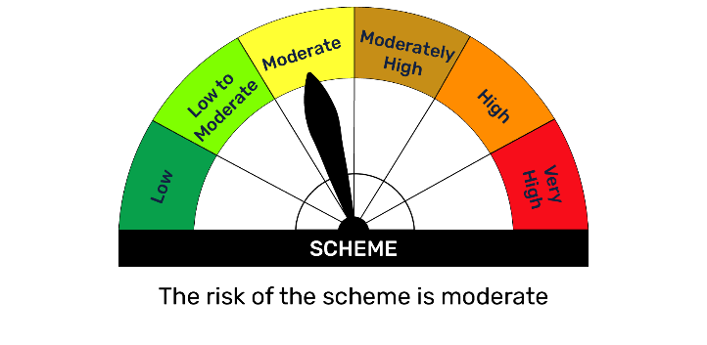 | 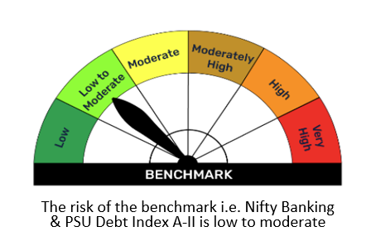

BFCON
BFCON | Bajaj Finserv Consumption Fund

 | Monthly Portfolio Statement as on December 31, 2025
 | Name of the Instrument | ISIN | Industry | Quantity | Market/Fair Value (Rs. in Lakhs) | % to Net Assets | YTM~ | YTC^
 | Equity & Equity related
 | (a) Listed / awaiting listing on Stock Exchanges
HLEL02 | Hindustan Unilever Limited | INE030A01027 | Diversified FMCG | 201,231 | 4,660.31 | 7.11%
MAHI02 | Mahindra & Mahindra Limited | INE101A01026 | Automobiles | 108,959 | 4,041.51 | 6.17%
ZMPL01 | Eternal Limited | INE758T01015 | Retailing | 1,287,724 | 3,580.52 | 5.46%
GCPL02 | Godrej Consumer Products Limited | INE102D01028 | Personal Products | 206,440 | 2,523.11 | 3.85%
BTVL02 | Bharti Airtel Limited | INE397D01024 | Telecom - Services | 116,993 | 2,463.40 | 3.76%
MAUD01 | Maruti Suzuki India Limited | INE585B01010 | Automobiles | 14,722 | 2,458.13 | 3.75%
ASPA02 | Asian Paints Limited | INE021A01026 | Consumer Durables | 79,125 | 2,191.37 | 3.34%
TWAT02 | Titan Company Limited | INE280A01028 | Consumer Durables | 43,724 | 1,771.48 | 2.70%
RAKH02 | Radico Khaitan Limited | INE944F01028 | Beverages | 52,839 | 1,742.84 | 2.66%
TTEA02 | Tata Consumer Products Limited | INE192A01025 | Agricultural Food & other Products | 144,683 | 1,724.62 | 2.63%
KELV01 | Whirlpool of India Limited | INE716A01013 | Consumer Durables | 182,809 | 1,643.64 | 2.51%
CNAF02 | Zydus Wellness Limited | INE768C01028 | Food Products | 336,564 | 1,530.02 | 2.34%
SAFI02 | Safari Industries (India) Limited | INE429E01023 | Consumer Durables | 68,512 | 1,489.72 | 2.27%
DEVY01 | Devyani International Limited | INE872J01023 | Leisure Services | 995,223 | 1,472.43 | 2.25%
SAEL02 | TVS Motor Company Limited | INE494B01023 | Automobiles | 39,500 | 1,469.32 | 2.24%
MEBR01 | Metro Brands Limited | INE317I01021 | Consumer Durables | 105,821 | 1,277.37 | 1.95%
MCSP02 | United Spirits Limited | INE854D01024 | Beverages | 87,206 | 1,258.99 | 1.92%
HERO02 | Hero MotoCorp Limited | INE158A01026 | Automobiles | 21,814 | 1,258.89 | 1.92%
MARC02 | Marico Limited | INE196A01026 | Agricultural Food & other Products | 159,929 | 1,200.43 | 1.83%
ITCL02 | ITC Limited | INE154A01025 | Diversified FMCG | 290,303 | 1,169.92 | 1.79%
ORKL01 | Orkla India Limited | INE16NZ01023 | Food Products | 178,080 | 1,130.72 | 1.73%
NEST02 | Nestle India Limited | INE239A01024 | Food Products | 83,742 | 1,078.60 | 1.65%
KACE03 | Kajaria Ceramics Limited | INE217B01036 | Consumer Durables | 111,123 | 1,076.23 | 1.64%
CEPL02 | Century Plyboards (India) Limited | INE348B01021 | Consumer Durables | 128,695 | 1,066.62 | 1.63%
OBRL01 | Oberoi Realty Limited | INE093I01010 | Realty | 56,314 | 940.78 | 1.44%
HAIL03 | Havells India Limited | INE176B01034 | Consumer Durables | 59,920 | 853.80 | 1.30%
ABDL01 | Allied Blenders And Distillers Limited | INE552Z01027 | Beverages | 138,491 | 849.71 | 1.30%
ASTP04 | Astral Limited | INE006I01046 | Industrial Products | 58,486 | 812.08 | 1.24%
AMBE01 | Amber Enterprises India Limited | INE371P01015 | Consumer Durables | 12,413 | 792.82 | 1.21%
JUFL02 | Jubilant Foodworks Limited | INE797F01020 | Leisure Services | 138,574 | 774.07 | 1.18%
CENT02 | Aditya Birla Real Estate Limited | INE055A01016 | Paper, Forest & Jute Products | 45,942 | 769.44 | 1.17%
FRHL01 | Fortis Healthcare Limited | INE061F01013 | Healthcare Services | 85,000 | 751.40 | 1.15%
EMAM02 | Emami Limited | INE548C01032 | Personal Products | 141,930 | 750.24 | 1.15%
FSNE01 | FSN E-Commerce Ventures Limited | INE388Y01029 | Retailing | 265,344 | 703.56 | 1.07%
LACA01 | Landmark Cars Limited | INE559R01029 | Automobiles | 148,117 | 699.26 | 1.07%
ZLSP01 | Black Buck Ltd | INE0UIZ01018 | Transport Services | 98,468 | 669.34 | 1.02%
UBBL02 | United Breweries Limited | INE686F01025 | Beverages | 40,624 | 658.80 | 1.01%
BLTE01 | Swiggy Limited | INE00H001014 | Retailing | 166,798 | 644.26 | 0.98%
LENS01 | Lenskart Solutions Limited | INE956O01016 | Retailing | 140,893 | 635.00 | 0.97%
VMAR01 | V-Mart Retail Limited | INE665J01013 | Retailing | 87,201 | 623.75 | 0.95%
PVRL01 | PVR INOX Limited | INE191H01014 | Entertainment | 60,916 | 618.42 | 0.94%
IPPL01 | Indigo Paints Limited | INE09VQ01012 | Consumer Durables | 53,843 | 615.86 | 0.94%
SODL01 | Sobha Limited | INE671H01015 | Realty | 38,877 | 567.33 | 0.87%
THAN01 | Thangamayil Jewellery Limited | INE085J01014 | Consumer Durables | 17,459 | 562.55 | 0.86%
APOL02 | Apollo Hospitals Enterprise Limited | INE437A01024 | Healthcare Services | 7,775 | 547.55 | 0.84%
OREL01 | Orient Electric Limited | INE142Z01019 | Consumer Durables | 302,695 | 533.14 | 0.81%
BRIT03 | Britannia Industries Limited | INE216A01030 | Food Products | 8,349 | 503.53 | 0.77%
BERG03 | Berger Paints (I) Limited | INE463A01038 | Consumer Durables | 92,379 | 495.66 | 0.76%
CERA01 | Cera Sanitaryware Limited | INE739E01017 | Consumer Durables | 9,388 | 491.51 | 0.75%
SAPF02 | Sapphire Foods India Limited | INE806T01020 | Leisure Services | 150,000 | 385.58 | 0.59%
BEFS02 | Mrs. Bectors Food Specialities Limited | INE495P01020 | Food Products | 140,870 | 324.56 | 0.50%
SHEP02 | Shaily Engineering Plastics Limited | INE151G01028 | Industrial Products | 10,073 | 227.81 | 0.35%
WESD02 | Westlife Foodworld Limited | INE274F01020 | Leisure Services | 35,619 | 199.66 | 0.30%
LORG02 | La Opala RG Limited | INE059D01020 | Consumer Durables | 94,906 | 191.66 | 0.29%
GRPA01 | Greenpanel Industries Limited | INE08ZM01014 | Consumer Durables | 15,776 | 36.15 | 0.06%
KWWA01 | Kwality Walls (India) Limited ** | INE2KCE01013 | Food Products | 63,483 | 25.52 | 0.04%
 | Sub Total |  |  |  | 63,534.98 | 96.98%
 | (b) Unlisted |  |  |  | NIL | NIL
 | Sub Total |  |  |  | NIL | NIL
 | Total |  |  |  | 63,534.98 | 96.98%
 | Derivatives
 | (a) Index / Stock Futures
MAHEJAN26 | Max Healthcare Institute Limited January 2026 Future |  |  | 120,750 | 1,268.72 | 1.94%
 | Sub Total |  |  |  | 1,268.72 | 1.94%
 | Total |  |  |  | 1,268.72 | 1.94%
 | Debt Instruments
 | (a) Listed / awaiting listing on Stock Exchange |  |  |  | NIL | NIL
 | Sub Total |  |  |  | NIL | NIL
 | (b) Privately placed / Unlisted |  |  |  | NIL | NIL
 | Sub Total |  |  |  | NIL | NIL
 | (c) Preference shares
SAEL21PS | 6% TVS Motor Co Non Conv Rede Pref Shares 01SEP26 ** | INE494B04019 |  | 71,072 | 7.24 | 0.01%
 | Sub Total |  |  |  | 7.24 | 0.01%
 | Total |  |  |  | 7.24 | 0.01%
 | Others
 | Mutual Fund Units
151889 | Bajaj Finserv Money Market Fund-Direct Plan-Growth | INF0QA701334 |  | 59,075 | 708.61 | 1.08%
 | Sub Total |  |  |  | 708.61 | 1.08%
 | Total |  |  |  | 708.61 | 1.08%
 | Reverse Repo / TREPS
 | (a) Listed / awaiting listing on Stock Exchange |  |  |  | NIL | NIL
 | Sub Total |  |  |  | NIL | NIL
TRP_010126 | Clearing Corporation of India Ltd |  |  |  | 819.94 | 1.25% | 5.38%
 | Sub Total |  |  |  | 819.94 | 1.25%
 | Total |  |  |  | 819.94 | 1.25%
 | Net Receivables / (Payables) |  |  |  | (819.50) | (1.26)%
 | GRAND TOTAL |  |  |  | 65,519.99 | 100.00%

 | ** Thinly Traded / Non Traded Security
 | ~ YTM as on December 31, 2025
 | ^ YTC represents Yield to Call provided by valuation agencies as on December 31, 2025. It is disclosed for Perpetual Bond issued by Banks (i.e. AT-1 Bond / Tier 1 Bond / Tier 2 Bond), as per AMFI Best Practices Guidelines Circular no. 135/BP/91/2020-21 read with SEBI circular No. SEBI/HO/IMD/IMD-PoD-1/P/CIR/2024/90 on Valuation of AT-1 Bonds and Tier 2 Bonds.

 | Notes
 | (1) There is no security which is in default beyond its maturity/ interest payment date.
 | (2) Plan/ Option wise per unit net asset value are as follows:
 | Plan/ Option | As on Dec 31, 2025 | As on Nov 30, 2025
 | Regular IDCW | 9.413 | 9.641
 | Regular Growth | 9.413 | 9.641
 | Direct IDCW | 9.583 | 9.800
 | Direct Growth | 9.583 | 9.800
 | (3) Details of gross distribution (of income and capital) during the month are as follows: Nil
 | (4) Total outstanding exposure in derivative instruments as on Dec 31, 2025 is Nil
 | (5) Total market value of investments in foreign securities/ American Depository Receipts/ Global Depository Receipts as at Dec 31, 2025 is Rs. Nil.
 | (6) Total outstanding exposure of repo transactions in corporate debt securities as on Dec 31, 2025, is Rs. Nil.
 | (7) Investment in short term deposits at the end of the month is Rs.NIL
 | (8) Portfolio Turover Ratio as on Dec 31, 2025: 0.98 times.

 |  | Benchmark Name - NIFTY INDIA CONSUMPTION TOTAL RETURN INDEX (TRI)
 | Scheme Risk-O-Meter | Benchmark Risk-O-Meter
 |  | 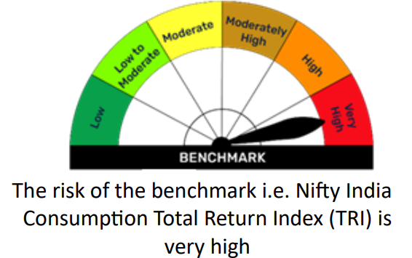

BFELSS
BFELSS | Bajaj Finserv ELSS Tax Saver Fund

 | Monthly Portfolio Statement as on December 31, 2025
 | Name of the Instrument | ISIN | Industry | Quantity | Market/Fair Value (Rs. in Lakhs) | % to Net Assets | YTM~ | YTC^
 | Equity & Equity related
 | (a) Listed / awaiting listing on Stock Exchanges
RIND01 | Reliance Industries Limited | INE002A01018 | Petroleum Products | 38,621 | 606.50 | 8.15%
HDFB03 | HDFC Bank Limited | INE040A01034 | Banks | 59,947 | 594.19 | 7.99%
SBAI02 | State Bank of India | INE062A01020 | Banks | 29,792 | 292.62 | 3.93%
INFS02 | Infosys Limited | INE009A01021 | IT - Software | 17,885 | 288.91 | 3.88%
DIVI02 | Divi's Laboratories Limited | INE361B01024 | Pharmaceuticals & Biotechnology | 4,330 | 276.80 | 3.72%
LARS02 | Larsen & Toubro Limited | INE018A01030 | Construction | 5,785 | 236.23 | 3.18%
IBCL05 | ICICI Bank Limited | INE090A01021 | Banks | 16,507 | 221.67 | 2.98%
GLPH03 | Glenmark Pharmaceuticals Limited | INE935A01035 | Pharmaceuticals & Biotechnology | 10,037 | 204.27 | 2.75%
MAHI02 | Mahindra & Mahindra Limited | INE101A01026 | Automobiles | 4,973 | 184.46 | 2.48%
IIBL01 | IndusInd Bank Limited | INE095A01012 | Banks | 21,023 | 181.68 | 2.44%
SESA02 | Vedanta Limited | INE205A01025 | Diversified Metals | 30,000 | 181.32 | 2.44%
LTIL01 | LTIMindtree Limited | INE214T01019 | IT - Software | 2,973 | 180.27 | 2.42%
SHTR02 | Shriram Finance Limited | INE721A01047 | Finance | 17,405 | 173.39 | 2.33%
KOMA02 | Kotak Mahindra Bank Limited | INE237A01028 | Banks | 6,955 | 153.09 | 2.06%
CUBI02 | City Union Bank Limited | INE491A01021 | Banks | 50,709 | 147.46 | 1.98%
WABT01 | ZF Commercial Vehicle Control Systems India Limited | INE342J01019 | Auto Components | 982 | 146.10 | 1.96%
ZMPL01 | Eternal Limited | INE758T01015 | Retailing | 51,655 | 143.63 | 1.93%
...
 | Notes
 | (4) Total outstanding exposure in derivative instruments as on Dec 31, 2025 is Rs.Nil.
 | (5) Total market value of investments in foreign securities/ American Depository Receipts/ Global Depository Receipts as at Dec 31, 2025 is Rs. Nil.
 | (6) Total outstanding exposure of repo transactions in corporate debt securities as on Dec 31, 2025, is Rs. Nil.
 | (7) Investment in short term deposits at the end of the month is Rs.NIL

 |  | Benchmark Name - BSE 500 TOTAL RETURN INDEX (TRI)
 | Scheme Risk-O-Meter | Benchmark Risk-O-Meter
 | 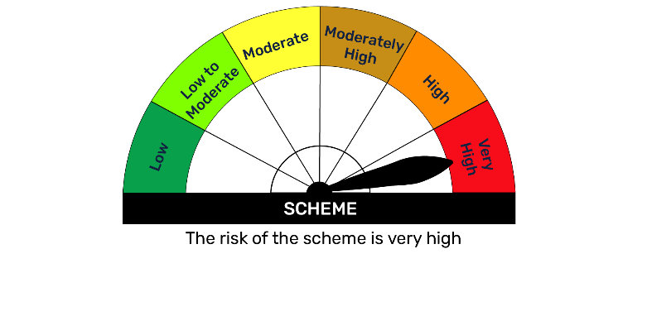 | 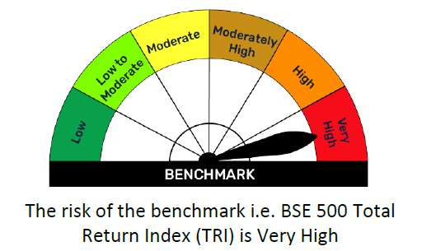

BFEQSF
...
Notes
(5) The average maturity is 112 Days / Macaluay Duration of the portfolio is 105 Days.
(6) Total market value of investments in foreign securities/ American Depository Receipts/ Global Depository Receipts as at Dec 31, 2025 is Rs. Nil.
(7) Total outstanding exposure of repo transactions in corporate debt securities as on Dec 31, 2025 is Rs. Nil.
(8) Investment in short term deposits at the end of the month is Rs.NIL

 | Benchmark Name - NIFTY EQUITY SAVINGS TRI
Scheme Risk-O-Meter | Benchmark Risk-O-Meter
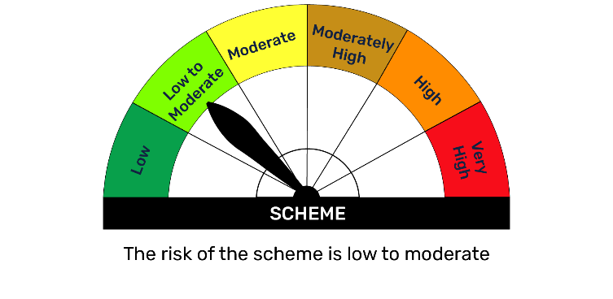 | 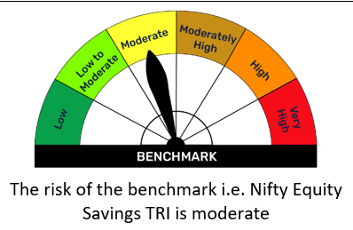

BFFLX
...
Notes
(3) Details of gross distribution (of income and capital) during the month are as follows: Nil
(4) Total outstanding exposure in derivative instruments as on Dec 31, 2025 is Rs.9318.02 Lakh.
(5) Total market value of investments in foreign securities/ American Depository Receipts/ Global Depository Receipts as at Dec 31, 2025, is Rs. Nil.
(6) Total outstanding exposure of repo transactions in corporate debt securities as on Dec 31, 2025 is Rs. Nil.
(7) Investment in short term deposits at the end of the month is Rs.NIL
(8) Portfolio Turover Ratio as on Dec 31, 2025: 1.30 times.

 | Benchmark Name - BSE 500 TRI
Scheme Risk-O-Meter | Benchmark Risk-O-Meter
 | 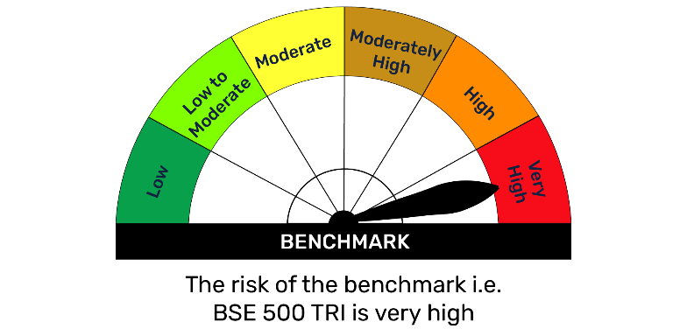

BFHCARE
...
Notes
(5) Total market value of investments in foreign securities/ American Depository Receipts/ Global Depository Receipts as at Dec 31, 2025 is Rs. Nil.
(6) Total outstanding exposure of repo transactions in corporate debt securities as on Dec 31, 2025, is Rs. Nil.
(7) Investment in short term deposits at the end of the month is Rs.NIL
(8) Portfolio Turover Ratio as on Dec 31, 2025: 0.59 times.

 | Benchmark Name - BSE HEALTHCARE TOTAL RETURN INDEX (TRI)
Scheme Risk-O-Meter | Benchmark Risk-O-Meter
 | 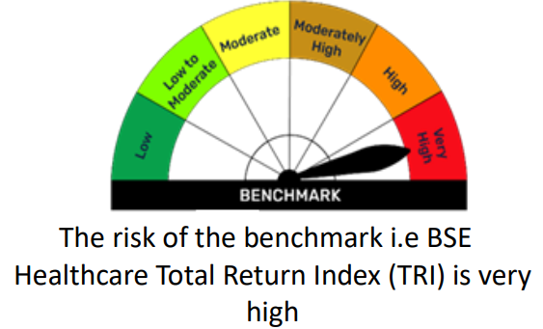

BFL1ETF
...
Notes
(3) Details of gross distribution (of income and capital) during the month are as follows: Nil
(4) Total outstanding exposure in derivative instruments as on Dec 31, 2025 is Nil.
(6) The average maturity is 3 Days / Macaluay Duration of the portfolio is 3 Days
(6) Total market value of investments in foreign securities/ American Depository Receipts/ Global Depository Receipts as at Dec 31, 2025, is Rs. Nil.
(7) Total outstanding exposure of repo transactions in corporate debt securities as on Dec 31, 2025 is Rs. Nil.
(8) Investment in short term deposits at the end of the month is Rs.NIL

 | Benchmark Name - NIFTY 1D RATE INDEX
Scheme Risk-O-Meter | Benchmark Risk-O-Meter
 | 

BFLARGE
...
Notes
(4) Total outstanding exposure in derivative instruments as on Dec 31, 2025 is Rs. 3832.32 Lakhs.
(5) Total market value of investments in foreign securities/ American Depository Receipts/ Global Depository Receipts as at Dec 31, 2025 is Rs. Nil.
(6) Total outstanding exposure of repo transactions in corporate debt securities as on Dec 31, 2025, is Rs. Nil.
(7) Investment in short term deposits at the end of the month is Rs.NIL
(8) Portfolio Turover Ratio as on Dec 31, 2025: 1.82 times.

 | Benchmark Name - NIFTY 100 TOTAL RETURN INDEX (TRI)
Scheme Risk-O-Meter | Benchmark Risk-O-Meter
 | 

BFLIQ
...
(4) Total outstanding exposure in derivative instruments as on Dec 31, 2025 is Rs. Nil.
(5) Total market value of investments in foreign securities/ American Depository Receipts/ Global Depository Receipts as at Dec 31, 2025 is Rs. Nil.
(6) The average maturity is 60 Days / Macaluay Duration of the portfolio is 60 Days.
(7) Total outstanding exposure of repo transactions in corporate debt securities as on Dec 31, 2025 is Rs. Nil.
(8) Investment in short term deposits at the end of the month is Rs.NIL

 | Benchmark Name - NIFTY LIQUID INDEX A-I
Scheme Risk-O-Meter | Benchmark Risk-O-Meter
 | 

BFLMC
...
Notes
(6) Total outstanding exposure of repo transactions in corporate debt securities as on Dec 31, 2025 is Rs. Nil.
(7) Investment in short term deposits at the end of the month is Rs.NIL
(8) Portfolio Turover Ratio as on Dec 31, 2025: 1.65 times.

 | Benchmark Name - NIFTY LARGE MIDCAP 250 TRI
Scheme Risk-O-Meter | Benchmark Risk-O-Meter
 | 

BFMAF
...
Notes
(5) The average maturity is 686 Days / Macaluay Duration of the portfolio is 599 Days.
(6) Total market value of investments in foreign securities/ American Depository Receipts/ Global Depository Receipts as at Dec 31, 2025 is Rs. Nil.
(7) Total outstanding exposure of repo transactions in corporate debt securities as on Dec 31, 2025 is Nil.
(8) Investment in short term deposits at the end of the month is Nil
(9) Portfolio Turover Ratio as on Dec 31, 2025: 1.52 times.

 | Benchmark Name - 65% NIFTY 50 TRI + 25% NIFTY SHORT DURATION DEBT INDEX + 10% DOMESTIC PRICES OF GOLD
Scheme Risk-O-Meter | Benchmark Risk-O-Meter
 | 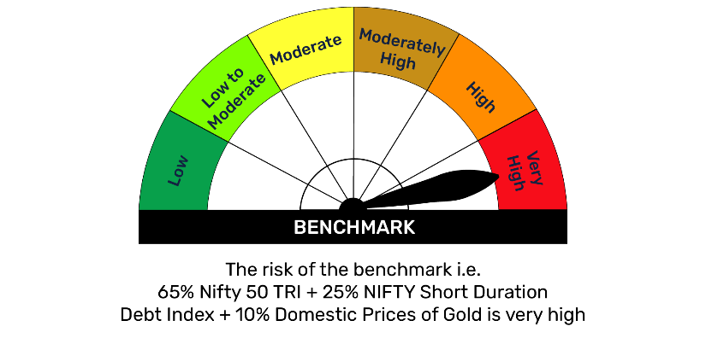

BFMM
...
(4) Total outstanding exposure in derivative instruments as on Dec 31, 2025 is Rs. Nil.
(7) Total outstanding exposure of repo transactions in corporate debt securities as on Dec 31, 2025 is Rs. Nil.
(8) Investment in short term deposits at the end of the month is Rs.NIL

The risk of the benchmark i.e. Nifty Money Market Index A-I is low to moderate
 | Benchmark Name - NIFTY MONEY MARKET INDEX A-I
Scheme Risk-O-Meter | Benchmark Risk-O-Meter
 | 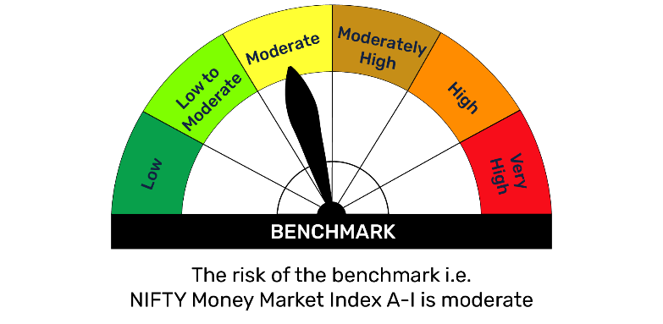 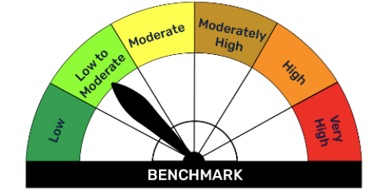

BFMUCF
...
Notes
(3) Details of gross distribution (of income and capital) during the month are as follows: Nil
(4) Total outstanding exposure in derivative instruments as on Dec 31, 2025 is Rs. Nil.
(5) Total market value of investments in foreign securities/ American Depository Receipts/ Global Depository Receipts as at Dec 31, 2025 is Rs. Nil.
(6) Total outstanding exposure of repo transactions in corporate debt securities as on Dec 31, 2025, is Rs. Nil.
(7) Investment in short term deposits at the end of the month is Rs.NIL

 | Benchmark Name - NIFTY 500 MULTICAP 50:25:25 TRI
Scheme Risk-O-Meter | Benchmark Risk-O-Meter
 | 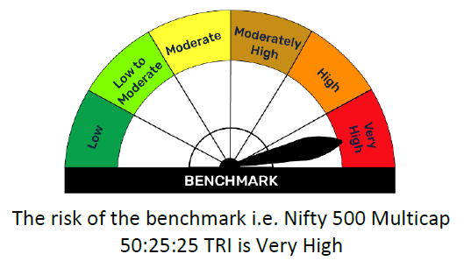

BFN50IX
...
 | Benchmark Name - NIFTY 50 TOTAL RETURN INDEX (TRI)
Scheme Risk-O-Meter | Benchmark Risk-O-Meter
 | 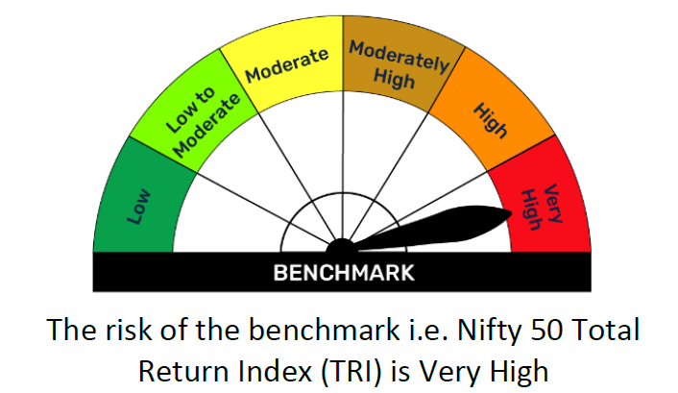

BFNX50IX
...
Notes
(3) Details of gross distribution (of income and capital) during the month are as follows: Nil
(4) Total outstanding exposure in derivative instruments as on Dec 31, 2025 is Rs. Nil.
(5) Total market value of investments in foreign securities/ American Depository Receipts/ Global Depository Receipts as at Dec 31, 2025 is Rs. Nil.
(6) Total outstanding exposure of repo transactions in corporate debt securities as on Dec 31, 2025, is Rs. Nil.
(7) Investment in short term deposits at the end of the month is Rs.NIL

 | Benchmark Name - NIFTY NEXT 50 TOTAL RETURN INDEX (TRI)
Scheme Risk-O-Meter | Benchmark Risk-O-Meter
 | 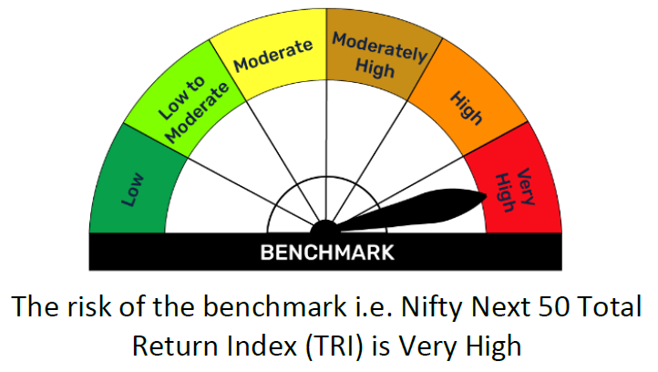

BFON
...
(3) Details of gross distribution (of income and capital) during the month are as follows: Nil
(4) Total outstanding exposure in derivative instruments as on Dec 31, 2025 is Rs. Nil.
(5) Total market value of investments in foreign securities/ American Depository Receipts/ Global Depository Receipts as at Dec 31, 2025 is Rs. Nil.
(6) The average maturity is 2 Days / Macaluay Duration of the portfolio is 2 Days.
(7) Total outstanding exposure of repo transactions in corporate debt securities as on Dec 31, 2025 is Rs. Nil.
(8) Investment in short term deposits at the end of the month is Rs.NIL

 | Benchmark Name - CRISIL LIQUID OVERNIGHT INDEX
Scheme Risk-O-Meter | Benchmark Risk-O-Meter
 | 

BFSMALL
...
Notes
(4) Total outstanding exposure in derivative instruments as on Dec 31, 2025 is Nil.
(5) Total market value of investments in foreign securities/ American Depository Receipts/ Global Depository Receipts as at Dec 31, 2025 is Rs. Nil.
(6) Total outstanding exposure of repo transactions in corporate debt securities as on Dec 31, 2025, is Rs. Nil.
(7) Investment in short term deposits at the end of the month is Rs.NIL

 | Benchmark Name - BSE 250 SMALLCAP TRI
Scheme Risk-O-Meter | Benchmark Risk-O-Meter
 | 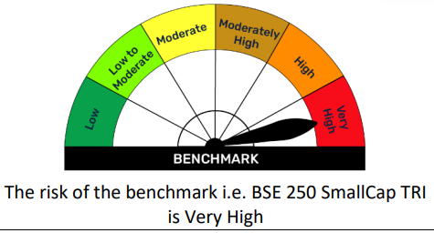

N50ETF
...
Notes
(4) Total outstanding exposure in derivative instruments as on Dec 31, 2025 is Rs. Nil.
(5) Total market value of investments in foreign securities/ American Depository Receipts/ Global Depository Receipts as at Dec 31, 2025 is Rs. Nil.
(6) Total outstanding exposure of repo transactions in corporate debt securities as on Dec 31, 2025 is Rs. Nil.
(7) Investment in short term deposits at the end of the month is Rs.NIL
(8) Portfolio Turover Ratio as on Dec 31, 2025: 0.28 times.

 | Benchmark Name - NIFTY 50 TRI
Scheme Risk-O-Meter | Benchmark Risk-O-Meter
 | 

NBANKETF
...
Notes
(6) Total outstanding exposure of repo transactions in corporate debt securities as on Dec 31, 2025 is Rs. Nil.
(7) Investment in short term deposits at the end of the month is Rs.NIL
(8) Portfolio Turover Ratio as on Dec 31, 2025: 0.68 times

 | Benchmark Name - NIFTY BANK TRI
Scheme Risk-O-Meter | Benchmark Risk-O-Meter
 | 

