Bandhan ON
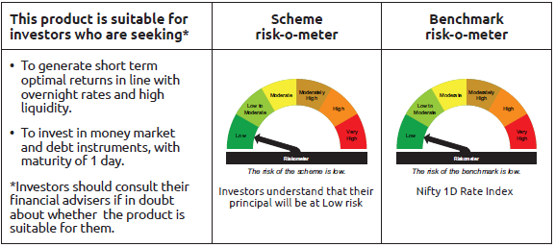
IDF265 | Portfolio Statement as on March 31,2026
 | Bandhan Overnight Fund

 | Name of the Instrument | ISIN | Industry / Rating | Quantity | Market/Fair Value ( Rs. in Lacs) | % to NAV | YTM
 | Debt Instruments
 | (a) Listed / awaiting listing on Stock Exchange
 | Government Securities
GOI3103 | 5.63% GOI (MD 12/04/2026) | IN0020210012 | SOVEREIGN | 2,500,000 | 2,500.25 | 4.49% | 5.24%
 | Subtotal |  |  |  | 2,500.25 | 4.49%
 | (b) Privately placed / Unlisted |  |  |  | NIL | NIL | NIL
 | Subtotal |  |  |  | NIL | NIL | NIL
 | Total |  |  |  | 2,500.25 | 4.49%
 | Money Market Instruments
 | Treasury Bill
TBIL2578 | 182 Days Tbill (MD 24/04/2026) | IN002025Y305 | SOVEREIGN | 2,000,000 | 1,993.31 | 3.58% | 5.33%
TBIL2589 | 182 Days Tbill (MD 09/04/2026) | IN002025Y289 | SOVEREIGN | 500,000 | 499.42 | 0.90% | 5.30%
 | TREPS / Reverse Repo Instrument
 | Reverse Repo |  |  |  | 41,899.42 | 75.27% | 7.00%
TRP_020426_VAL | Triparty Repo TRP_020426_VAL |  |  |  | 8,699.37 | 15.63% | 6.15%
 | Total |  |  |  | 53,091.52 | 95.38%
 | OTHERS
 | Cash Margin - CCIL |  |  |  | 319.24 | 0.57%
 | Subtotal |  |  |  | 319.24 | 0.57%
 | Net Current Assets |  |  |  | (248.63) | -0.44%
 | GRAND TOTAL |  |  |  | 55,662.38 | 100.00%

 | As per the requirement of regulation 43A of SEBI (Mutual Funds) Regulations, 1996, SEBI circular no. SEBI/HO/IMD/PoD2/P/CIR/2023/128 dated July 27, 2023 on framework for Corporate Debt Market Development Fund and SEBI circular no. SEBI/HO/IMD/PoD2 /P/CIR/2023/129 dated July 27, 2023 on investment by mutual fund schemes and Asset Management Companies (AMCs) in units of Corporate Debt Market Development Fund (“CDMDF”), specified open ended debt-oriented schemes of Bandhan Mutual Fund and Bandhan AMC Limited (‘AMC’) shall invest percentage of net assets in the units of the CDMDF.

Bandhan LF
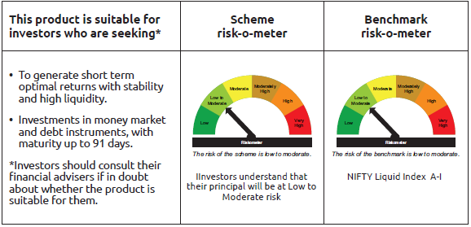
IDF001 | Portfolio Statement as on March 31,2026
 | Bandhan Liquid Fund

 | Name of the Instrument | ISIN | Industry / Rating | Quantity | Market/Fair Value ( Rs. in Lacs) | % to NAV | YTM
 | Debt Instruments
 | (a) Listed / awaiting listing on Stock Exchange
 | Government Securities
GOI3103 | 5.63% GOI (MD 12/04/2026) | IN0020210012 | SOVEREIGN | 112,500,000 | 112,511.14 | 9.31% | 5.24%
 | Non Convertible Debentures
BHFL102 | 7.78% Bajaj Housing Finance Limited ** | INE377Y07425 | CRISIL AAA | 15,000,000 | 14,992.22 | 1.24% | 7.62%
RECL445 | 7.8% REC Limited ** | INE020B08ES7 | ICRA AAA | 12,000,000 | 11,983.13 | 0.99% | 8.15%
TCFS654 | 8.1165% Tata Capital Limited ** | INE306N07NK5 | CRISIL AAA | 2,500,000 | 2,498.78 | 0.21% | 7.92%
KOMP1668 | 7.97% Kotak Mahindra Prime Limited ** | INE916DA7SH1 | CRISIL AAA | 2,500,000 | 2,496.79 | 0.21% | 8.33%
LICH601 | 6.01% LIC Housing Finance Limited ** | INE115A07PF2 | CRISIL AAA | 2,500,000 | 2,492.39 | 0.21% | 7.94%
 | Subtotal |  |  |  | 146,974.45 | 12.17%
 | (b) Privately placed / Unlisted |  |  |  | NIL | NIL | NIL
 | Subtotal |  |  |  | NIL | NIL | NIL
 | Total |  |  |  | 146,974.45 | 12.17%
 | Money Market Instruments
 | Certificate of Deposit
UNBI454 | Union Bank of India ** | INE692A16KH8 | ICRA A1+ | 65,000,000 | 64,208.11 | 5.31% | 7.38%
HDFB1049 | HDFC Bank Limited ** | INE040A16IY9 | CRISIL A1+ | 60,000,000 | 59,147.40 | 4.90% | 7.41%
HDFB1020 | HDFC Bank Limited ** | INE040A16HT1 | CARE A1+ | 50,000,000 | 49,362.75 | 4.09% | 7.36%
HDFB1047 | HDFC Bank Limited ** | INE040A16IW3 | CRISIL A1+ | 50,000,000 | 49,305.00 | 4.08% | 7.35%
HDFB1002 | HDFC Bank Limited ** | INE040A16GW7 | CRISIL A1+ | 40,000,000 | 39,582.04 | 3.28% | 8.03%
EXIM806 | Export Import Bank of India ** | INE514E16CL5 | CRISIL A1+ | 37,500,000 | 37,042.16 | 3.07% | 7.92%
BKBA563 | Bank of Baroda ** | INE028A16JU0 | FITCH A1+ | 37,500,000 | 36,939.86 | 3.06% | 7.38%
SIDB605 | Small Industries Dev Bank of India ** | INE556F16BI1 | CARE A1+ | 32,500,000 | 32,157.13 | 2.66% | 7.94%
UNBI478 | Union Bank of India ** | INE692A16LI4 | ICRA A1+ | 25,000,000 | 24,616.75 | 2.04% | 7.38%
SIDB604 | Small Industries Dev Bank of India ** | INE556F16BH3 | CRISIL A1+ | 22,500,000 | 22,335.62 | 1.85% | 7.90%
UTIB1358 | Axis Bank Limited ** | INE238AD6AU5 | CRISIL A1+ | 20,000,000 | 19,715.38 | 1.63% | 7.32%
CANB1074 | Canara Bank ** | INE476A16F03 | CRISIL A1+ | 16,500,000 | 16,295.43 | 1.35% | 7.90%
UTIB1364 | Axis Bank Limited ** | INE238AD6BB3 | CRISIL A1+ | 10,000,000 | 9,883.39 | 0.82% | 7.98%
BKBA530 | Bank of Baroda ** | INE028A16JR6 | FITCH A1+ | 8,500,000 | 8,401.81 | 0.70% | 7.90%
BKBA543 | Bank of Baroda ** | INE028A16KG7 | CARE A1+ | 5,000,000 | 4,935.35 | 0.41% | 7.59%
CANB1067 | Canara Bank ** | INE476A16E20 | CRISIL A1+ | 5,000,000 | 4,928.40 | 0.41% | 7.36%
EXIM808 | Export Import Bank of India ** | INE514E16CM3 | CRISIL A1+ | 2,500,000 | 2,464.79 | 0.20% | 7.35%
UNBI459 | Union Bank of India ** | INE692A16KP1 | ICRA A1+ | 2,500,000 | 2,464.13 | 0.20% | 7.38%
 | Commercial Paper
NBAR877 | National Bank For Agriculture and Rural Development ** | INE261F14OR7 | CRISIL A1+ | 70,000,000 | 69,429.92 | 5.75% | 8.10%
EXIM819 | Export Import Bank of India ** | INE514E14TF6 | CRISIL A1+ | 50,000,000 | 49,395.60 | 4.09% | 7.98%
NBAR891 | National Bank For Agriculture and Rural Development ** | INE261F14OZ0 | ICRA A1+ | 50,000,000 | 49,264.85 | 4.08% | 7.57%
BAFL1016 | Bajaj Finance Limited ** | INE296A14E61 | CRISIL A1+ | 42,500,000 | 42,214.91 | 3.49% | 8.50%
NBAR888 | National Bank For Agriculture and Rural Development ** | INE261F14OV9 | CRISIL A1+ | 40,000,000 | 39,476.36 | 3.27% | 7.57%
MMFS1215 | Mahindra & Mahindra Financial Services Limited ** | INE774D14TJ0 | CRISIL A1+ | 30,000,000 | 29,762.43 | 2.46% | 8.32%
HDFS347 | HDFC Securities Limited ** | INE700G14ST9 | CRISIL A1+ | 30,000,000 | 29,609.07 | 2.45% | 7.90%
KOSE394 | Kotak Securities Limited ** | INE028E14VG1 | CRISIL A1+ | 27,500,000 | 27,145.03 | 2.25% | 7.82%
ICBR653 | ICICI Securities Limited ** | INE763G14F19 | CRISIL A1+ | 25,000,000 | 24,800.85 | 2.05% | 8.37%
LTFL718 | L&T Finance Limited ** | INE498L14FN0 | CRISIL A1+ | 25,000,000 | 24,685.18 | 2.04% | 8.31%
MMFS1217 | Mahindra & Mahindra Financial Services Limited ** | INE774D14TM4 | CRISIL A1+ | 25,000,000 | 24,679.53 | 2.04% | 7.77%
NBAR889 | National Bank For Agriculture and Rural Development ** | INE261F14OX5 | CRISIL A1+ | 25,000,000 | 24,647.53 | 2.04% | 7.57%
EXIM820 | Export Import Bank of India ** | INE514E14TG4 | CRISIL A1+ | 22,500,000 | 22,197.62 | 1.84% | 7.65%
ICBR652 | ICICI Securities Limited ** | INE763G14F01 | CRISIL A1+ | 20,000,000 | 19,845.18 | 1.64% | 8.38%
RRVL212 | Reliance Retail Ventures Limited ** | INE929O14ET8 | CRISIL A1+ | 20,000,000 | 19,777.28 | 1.64% | 8.06%
SIDB661 | Small Industries Dev Bank of India ** | INE556F14MD4 | CRISIL A1+ | 20,000,000 | 19,736.74 | 1.63% | 7.49%
NBAR880 | National Bank For Agriculture and Rural Development ** | INE261F14OT3 | CRISIL A1+ | 17,500,000 | 17,320.19 | 1.43% | 8.06%
AXSL133 | Axis Securities Limited ** | INE110O14HU6 | CARE A1+ | 17,500,000 | 17,268.55 | 1.43% | 8.44%
EXIM817 | Export Import Bank of India ** | INE514E14TD1 | CRISIL A1+ | 15,000,000 | 14,883.30 | 1.23% | 7.95%
BGFL1177 | Aditya Birla Capital Limited ** | INE674K14BQ0 | ICRA A1+ | 15,000,000 | 14,860.62 | 1.23% | 8.35%
EXIM818 | Export Import Bank of India ** | INE514E14TE9 | CRISIL A1+ | 15,000,000 | 14,810.69 | 1.23% | 7.65%
HDFS340 | HDFC Securities Limited ** | INE700G14SD3 | CRISIL A1+ | 10,000,000 | 9,918.08 | 0.82% | 8.37%
NEFL348 | Network18 Media & Investments Limited ** | INE870H14WT0 | CARE A1+ | 10,000,000 | 9,870.97 | 0.82% | 7.46%
MMFS1221 | Mahindra & Mahindra Financial Services Limited ** | INE774D14TQ5 | CRISIL A1+ | 10,000,000 | 9,849.05 | 0.82% | 7.77%
SIDB658 | Small Industries Dev Bank of India ** | INE556F14MB8 | CRISIL A1+ | 7,500,000 | 7,421.20 | 0.61% | 8.07%
EXIM821 | Export Import Bank of India ** | INE514E14TH2 | CRISIL A1+ | 7,500,000 | 7,391.57 | 0.61% | 7.65%
KOSE380 | Kotak Securities Limited ** | INE028E14UQ2 | ICRA A1+ | 5,000,000 | 4,959.24 | 0.41% | 8.33%
EXIM812 | Export Import Bank of India ** | INE514E14SY9 | CRISIL A1+ | 5,000,000 | 4,941.70 | 0.41% | 7.98%
CHOL1087 | Cholamandalam Investment and Finance Company Ltd ** | INE121A14XO2 | CRISIL A1+ | 5,000,000 | 4,935.75 | 0.41% | 8.64%
RRVL214 | Reliance Retail Ventures Limited ** | INE929O14EU6 | CRISIL A1+ | 5,000,000 | 4,931.74 | 0.41% | 7.43%
ICBR667 | ICICI Securities Limited ** | INE763G14G67 | CRISIL A1+ | 5,000,000 | 4,927.12 | 0.41% | 7.83%
GHFL54 | Godrej Housing Finance Limited ** | INE02JD14724 | CRISIL A1+ | 2,500,000 | 2,479.23 | 0.21% | 8.26%
KOMP1751 | Kotak Mahindra Prime Limited ** | INE916D145K4 | CRISIL A1+ | 2,500,000 | 2,465.75 | 0.20% | 7.80%
RECL480 | REC Limited ** | INE020B14698 | CRISIL A1+ | 2,500,000 | 2,464.95 | 0.20% | 7.41%
 | Treasury Bill
TBIL2592 | 182 Days Tbill (MD 21/05/2026) | IN002025Y347 | SOVEREIGN | 40,500,000 | 40,208.08 | 3.33% | 5.30%
TBIL2588 | 182 Days Tbill (MD 14/05/2026) | IN002025Y339 | SOVEREIGN | 40,000,000 | 39,754.12 | 3.29% | 5.25%
TBIL2620 | 91 Days Tbill (MD 07/05/2026) | IN002025X448 | SOVEREIGN | 32,500,000 | 32,329.41 | 2.68% | 5.35%
TBIL2628 | 91 Days Tbill (MD 28/05/2026) | IN002025X471 | SOVEREIGN | 30,629,400 | 30,379.16 | 2.51% | 5.28%
TBIL2632 | 91 Days Tbill (MD 04/06/2026) | IN002025X489 | SOVEREIGN | 29,000,000 | 28,727.98 | 2.38% | 5.40%
 | TREPS / Reverse Repo Instrument
TRP_020426_VAL | Triparty Repo TRP_020426_VAL |  |  |  | 1,692.52 | 0.14% | 6.15%
 | Total |  |  |  | 1,329,244.55 | 110.04%
 | Corporate Debt Market Development Fund
CDMD50ME | Corporate Debt Market Development Fund Class A2 | INF0RQ622028 |  | 35,623.553 | 4,165.38 | 0.34%
 | Total |  |  |  | 4,165.38 | 0.34%
 | OTHERS
 | Cash Margin - CCIL |  |  |  | 92.59 | 0.01%
 | Subtotal |  |  |  | 92.59 | 0.01%
 | Net Current Assets |  |  |  | (272,162.47) | -22.56%
 | GRAND TOTAL |  |  |  | 1,208,314.50 | 100.00%

 | ** Thinly Traded/Non Traded Securities/Illiquid Securities

 | As per the requirement of regulation 43A of SEBI (Mutual Funds) Regulations, 1996, SEBI circular no. SEBI/HO/IMD/PoD2/P/CIR/2023/128 dated July 27, 2023 on framework for Corporate Debt Market Development Fund and SEBI circular no. SEBI/HO/IMD/PoD2 /P/CIR/2023/129 dated July 27, 2023 on investment by mutual fund schemes and Asset Management Companies (AMCs) in units of Corporate Debt Market Development Fund (“CDMDF”), specified open ended debt-oriented schemes of Bandhan Mutual Fund and Bandhan AMC Limited (‘AMC’) shall invest percentage of net assets in the units of the CDMDF.

Bandhan LDF
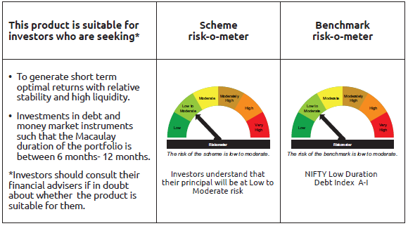
IDF002 | Portfolio Statement as on March 31,2026
 | Bandhan Low Duration Fund

 | Name of the Instrument | ISIN | Industry / Rating | Quantity | Market/Fair Value ( Rs. in Lacs) | % to NAV | YTM
 | Debt Instruments
 | (a) Listed / awaiting listing on Stock Exchange
 | Government Securities
GOI2206 | 8.45% Uttar Pradesh SDL (MD 27/02/2029) | IN3320180166 | SOVEREIGN | 5,000,000 | 5,195.81 | 0.91% | 7.05%
GOI2726 | 8.32% Uttar Pradesh SDL (MD 13/02/2029) | IN3320180158 | SOVEREIGN | 2,500,000 | 2,588.39 | 0.45% | 7.05%
GOI2019 | 8.28% Rajasthan SDL (MD 14/03/2028) | IN2920170197 | SOVEREIGN | 2,000,000 | 2,055.43 | 0.36% | 6.85%
GOI2115 | 8.63% Rajasthan SDL (MD 03/09/2028) | IN2920180188 | SOVEREIGN | 1,500,000 | 1,561.26 | 0.27% | 6.88%
GOI4160 | 8.09% Rajasthan SDL (MD 26/12/2028) | IN2920180279 | SOVEREIGN | 1,000,000 | 1,031.50 | 0.18% | 6.92%
GOI1996 | 8.28% Rajasthan SDL (MD 21/02/2028) | IN2920170155 | SOVEREIGN | 1,000,000 | 1,026.80 | 0.18% | 6.85%
GOI1880 | 7.59% Haryana SDL (MD 15/02/2027) | IN1620160268 | SOVEREIGN | 1,000,000 | 1,013.06 | 0.18% | 6.11%
GOI4485 | 7.38% GOI (MD 20/06/2027) | IN0020220037 | SOVEREIGN | 700,000 | 712.62 | 0.12% | 5.90%
GOI1974 | 8% Karnataka SDL (MD 17/01/2028) | IN1920170157 | SOVEREIGN | 505,800 | 516.97 | 0.09% | 6.78%
GOI4096 | 8.16% Rajasthan SDL (MD 09/05/2028) | IN2920180030 | SOVEREIGN | 500,000 | 513.60 | 0.09% | 6.86%
GOI1566 | 8.08% Maharastra SDL(MD 15/06/2026) | IN2220160013 | SOVEREIGN | 500,000 | 502.26 | 0.09% | 5.72%
GOI2161 | 8.18% Tamilnadu SDL (MD 19/12/2028) | IN3120180192 | SOVEREIGN | 430,000 | 445.09 | 0.08% | 6.85%
GOI2192 | 8.32% Karnataka SDL (MD 06/02/2029) | IN1920180164 | SOVEREIGN | 200,000 | 207.28 | 0.04% | 7.00%
GOI2211 | 8.35% Gujarat SDL (MD 06/03/2029) | IN1520180317 | SOVEREIGN | 150,000 | 155.73 | 0.03% | 7.00%
GOI3899 | 7.88% Madhya Pradesh SDL (MD 24/01/2028) | IN2120170070 | SOVEREIGN | 100,000 | 101.96 | 0.02% | 6.82%
GOI4847 | 7.57% Gujarat SDL (MD 09/11/2026) | IN1520220154 | SOVEREIGN | 200 | 0.20 | $ | 5.94%
 | Non Convertible Debentures
NBAR805 | 7.53% National Bank For Agriculture and Rural Development ** | INE261F08EM1 | ICRA AAA | 32,500,000 | 32,492.33 | 5.68% | 7.54%
POWF507 | 7.7% Power Finance Corporation Limited ** | INE134E08MK0 | CRISIL AAA | 25,000,000 | 25,016.98 | 4.37% | 7.55%
SIDB519 | 7.44% Small Industries Dev Bank of India ** | INE556F08KI9 | CRISIL AAA | 25,000,000 | 24,958.55 | 4.36% | 7.52%
POWF546 | 7.45% Power Finance Corporation Limited ** | INE134E08NP7 | CRISIL AAA | 24,500,000 | 24,505.95 | 4.28% | 7.46%
POWF500 | 7.77% Power Finance Corporation Limited ** | INE134E08MC7 | CRISIL AAA | 15,000,000 | 15,008.01 | 2.62% | 7.55%
TCHF401 | 8.1% Tata Capital Housing Finance Limited ** | INE033L07IE2 | CRISIL AAA | 14,500,000 | 14,561.54 | 2.54% | 7.52%
NBAR695 | 7.62% National Bank For Agriculture and Rural Development ** | INE261F08DV4 | CRISIL AAA | 14,000,000 | 14,024.79 | 2.45% | 7.48%
BHFL147 | 7.1% Bajaj Housing Finance Limited ** | INE377Y07607 | CRISIL AAA | 11,782,000 | 11,612.60 | 2.03% | 7.72%
NBAR741 | 7.8% National Bank For Agriculture and Rural Development ** | INE261F08EF5 | ICRA AAA | 10,000,000 | 10,022.04 | 1.75% | 7.53%
RECL461 | 7.56% REC Limited ** | INE020B08FF1 | ICRA AAA | 10,000,000 | 10,003.10 | 1.75% | 7.49%
BHFL125 | 7.66% Bajaj Housing Finance Limited ** | INE377Y07532 | CRISIL AAA | 10,000,000 | 9,999.12 | 1.75% | 7.66%
TCHF381 | 8% Tata Capital Housing Finance Limited ** | INE033L07HY2 | CRISIL AAA | 9,500,000 | 9,537.21 | 1.67% | 7.68%
TCHF426 | 7.123% Tata Capital Housing Finance Limited ** | INE033L07IO1 | CRISIL AAA | 7,500,000 | 7,452.50 | 1.30% | 7.61%
TCHF371 | 7.75% Tata Capital Housing Finance Limited ** | INE033L07HQ8 | CRISIL AAA | 7,000,000 | 7,008.35 | 1.22% | 7.61%
MUFL464 | 8.05% Muthoot Finance Limited ** | INE414G07JQ6 | CRISIL AA+ | 6,500,000 | 6,491.54 | 1.13% | 8.09%
SIDB539 | 7.79% Small Industries Dev Bank of India ** | INE556F08KM1 | CRISIL AAA | 5,500,000 | 5,515.92 | 0.96% | 7.52%
MUFL421 | 8.95% Muthoot Finance Limited ** | INE414G07JD4 | CRISIL AA+ | 5,000,000 | 5,036.17 | 0.88% | 8.20%
BHFL119 | 8.1% Bajaj Housing Finance Limited ** | INE377Y07482 | CRISIL AAA | 5,000,000 | 5,023.90 | 0.88% | 7.64%
CHOL1069 | 8.4% Cholamandalam Investment and Finance Company Ltd ** | INE121A07SH0 | ICRA AA+ | 5,000,000 | 5,018.29 | 0.88% | 8.07%
NBAR780 | 7.7% National Bank For Agriculture and Rural Development ** | INE261F08EI9 | ICRA AAA | 5,000,000 | 5,009.87 | 0.88% | 7.51%
IRLY372 | 7.41% Indian Railway Finance Corporation Limited ** | INE053F08312 | CRISIL AAA | 5,000,000 | 5,003.70 | 0.87% | 7.37%
CHOL1108 | 7.83% Cholamandalam Investment and Finance Company Ltd ** | INE121A07SR9 | ICRA AA+ | 5,000,000 | 4,977.72 | 0.87% | 8.07%
SIDB614 | 6.66% Small Industries Dev Bank of India ** | INE556F08KZ3 | CRISIL AAA | 5,000,000 | 4,897.00 | 0.86% | 7.57%
BHFL97 | 7.98% Bajaj Housing Finance Limited ** | INE377Y07383 | CRISIL AAA | 2,500,000 | 2,510.90 | 0.44% | 7.64%
TCHF375 | 7.8% Tata Capital Housing Finance Limited ** | INE033L07HU0 | CRISIL AAA | 2,500,000 | 2,504.40 | 0.44% | 7.61%
BHFL88 | 7.7% Bajaj Housing Finance Limited ** | INE377Y07300 | CRISIL AAA | 2,500,000 | 2,501.53 | 0.44% | 7.61%
IRLY371 | 7.23% Indian Railway Finance Corporation Limited ** | INE053F08304 | CRISIL AAA | 2,500,000 | 2,499.52 | 0.44% | 7.37%
NBAR796 | 7.44% National Bank For Agriculture and Rural Development ** | INE261F08EK5 | CRISIL AAA | 2,500,000 | 2,496.09 | 0.44% | 7.52%
BHFL133 | 7.14% Bajaj Housing Finance Limited ** | INE377Y07557 | CRISIL AAA | 2,500,000 | 2,490.13 | 0.44% | 7.56%
TCHF429 | 7.685% Tata Capital Housing Finance Limited ** | INE033L07IL7 | CRISIL AAA | 1,500,000 | 1,498.31 | 0.26% | 7.71%
LICH687 | 7.69% LIC Housing Finance Limited ** | INE115A07RA9 | CRISIL AAA | 500,000 | 499.63 | 0.09% | 7.63%
 | Subtotal |  |  |  | 297,805.65 | 52.06%
 | (b) Privately placed / Unlisted |  |  |  | NIL | NIL | NIL
 | Subtotal |  |  |  | NIL | NIL | NIL
 | Total |  |  |  | 297,805.65 | 52.06%
 | Money Market Instruments
 | Certificate of Deposit
KMBK898 | Kotak Mahindra Bank Limited ** | INE237AD6158 | CRISIL A1+ | 50,000,000 | 47,525.05 | 8.30% | 7.20%
SIDB628 | Small Industries Dev Bank of India ** | INE556F16BQ4 | CRISIL A1+ | 25,000,000 | 23,957.83 | 4.19% | 7.25%
INBK524 | Indian Bank ** | INE562A16QO6 | CRISIL A1+ | 25,000,000 | 23,796.73 | 4.16% | 7.30%
UTIB1388 | Axis Bank Limited ** | INE238AD6CA3 | CRISIL A1+ | 25,000,000 | 23,768.78 | 4.15% | 7.30%
HDFB1022 | HDFC Bank Limited ** | INE040A16HW5 | CRISIL A1+ | 12,500,000 | 11,959.44 | 2.09% | 7.30%
CANB1068 | Canara Bank ** | INE476A16E38 | CRISIL A1+ | 10,000,000 | 9,571.49 | 1.67% | 7.30%
UTIB1380 | Axis Bank Limited ** | INE238AD6BO6 | CRISIL A1+ | 10,000,000 | 9,545.40 | 1.67% | 7.27%
BKBA551 | Bank of Baroda ** | INE028A16KO1 | CARE A1+ | 10,000,000 | 9,529.25 | 1.67% | 7.30%
HDFB1039 | HDFC Bank Limited ** | INE040A16IJ0 | CRISIL A1+ | 10,000,000 | 9,515.91 | 1.66% | 7.23%
HDFB1021 | HDFC Bank Limited ** | INE040A16HU9 | CARE A1+ | 7,500,000 | 7,185.29 | 1.26% | 7.30%
INBK501 | Indian Bank ** | INE562A16PP5 | CRISIL A1+ | 5,000,000 | 4,799.65 | 0.84% | 7.29%
INBK507 | Indian Bank ** | INE562A16PU5 | CRISIL A1+ | 5,000,000 | 4,796.90 | 0.84% | 7.29%
BKBA548 | Bank of Baroda ** | INE028A16KK9 | FITCH A1+ | 5,000,000 | 4,772.97 | 0.83% | 7.30%
UTIB1381 | Axis Bank Limited ** | INE238AD6BP3 | CRISIL A1+ | 5,000,000 | 4,772.19 | 0.83% | 7.26%
SIDB660 | Small Industries Dev Bank of India ** | INE556F16CC2 | CRISIL A1+ | 5,000,000 | 4,691.55 | 0.82% | 7.25%
UTIB1374 | Axis Bank Limited ** | INE238AD6BI8 | CRISIL A1+ | 2,500,000 | 2,405.24 | 0.42% | 7.30%
SIDB655 | Small Industries Dev Bank of India ** | INE556F16CB4 | CRISIL A1+ | 2,500,000 | 2,349.28 | 0.41% | 7.25%
HDFB1015 | HDFC Bank Limited ** | INE040A16HN4 | CRISIL A1+ | 2,000,000 | 1,936.61 | 0.34% | 7.33%
SIDB638 | Small Industries Dev Bank of India ** | INE556F16BS0 | CARE A1+ | 1,500,000 | 1,430.22 | 0.25% | 7.21%
 | Treasury Bill
TBIL2582 | 182 Days Tbill (MD 30/04/2026) | IN002025Y313 | SOVEREIGN | 20,000,000 | 19,915.82 | 3.48% | 5.32%
TBIL2620 | 91 Days Tbill (MD 07/05/2026) | IN002025X448 | SOVEREIGN | 10,000,000 | 9,947.51 | 1.74% | 5.35%
 | TREPS / Reverse Repo Instrument
TRP_020426_VAL | Triparty Repo TRP_020426_VAL |  |  |  | 26,262.21 | 4.59% | 6.15%
 | Total |  |  |  | 264,435.32 | 46.21%
 | Derivatives
 | Interest Rate Swaps
IRS1177FL | Interest Rate Swaps (07/09/2026) Receive Floating |  |  | 25,000,000 | 25,000.00 | 4.37% | 6.98%
IRS1178FL | Interest Rate Swaps (07/09/2026) Receive Floating |  |  | 25,000,000 | 25,000.00 | 4.37% | 6.98%
IRS1177FX | Interest Rate Swaps (07/09/2026) Pay Fixed |  |  | -25,000,000 | (24,964.78) | -4.36% | 5.70%
IRS1178FX | Interest Rate Swaps (07/09/2026) Pay Fixed |  |  | -25,000,000 | (24,964.78) | -4.36% | 5.70%
 | Total |  |  |  | 70.44 | 0.02%
 | Corporate Debt Market Development Fund
CDMD50ME | Corporate Debt Market Development Fund Class A2 | INF0RQ622028 |  | 17,342.405 | 2,027.81 | 0.35%
 | Total |  |  |  | 2,027.81 | 0.35%
 | OTHERS
 | Cash Margin - CCIL |  |  |  | 55.78 | 0.01%
 | Subtotal |  |  |  | 55.78 | 0.01%
 | Net Current Assets |  |  |  | 7,909.59 | 1.38%
 | GRAND TOTAL |  |  |  | 572,304.59 | 100.00%

 | ** Thinly Traded/Non Traded Securities/Illiquid Securities
 | $ Less Than 0.01% of NAV

 | “This scheme has exposure to floating rate instruments and / or interest rate derivatives. The duration of these instruments is linked to the interest rate reset period. The interest rate risk in a floating rate instrument or in a fixed rate instrument hedged with derivatives is likely to be lesser than that in an equivalent maturity fixed rate instrument. Under some market circumstances the volatility may be of an order greater than what may ordinarily be expected considering only its duration. Hence investors are recommended to consider the unadjusted portfolio maturity of the scheme as well and exercise adequate due diligence when deciding to make their investments”.

 | As per the requirement of regulation 43A of SEBI (Mutual Funds) Regulations, 1996, SEBI circular no. SEBI/HO/IMD/PoD2/P/CIR/2023/128 dated July 27, 2023 on framework for Corporate Debt Market Development Fund and SEBI circular no. SEBI/HO/IMD/PoD2 /P/CIR/2023/129 dated July 27, 2023 on investment by mutual fund schemes and Asset Management Companies (AMCs) in units of Corporate Debt Market Development Fund (“CDMDF”), specified open ended debt-oriented schemes of Bandhan Mutual Fund and Bandhan AMC Limited (‘AMC’) shall invest percentage of net assets in the units of the CDMDF.

Bandhan MMF
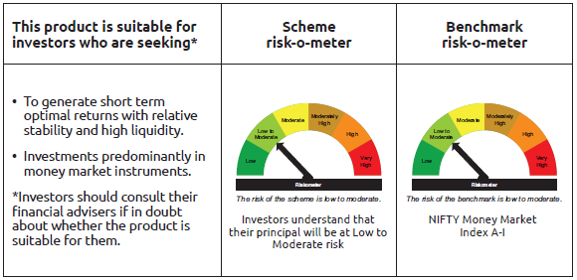
IDF003 | Portfolio Statement as on March 31,2026
 | Bandhan Money Market Fund

 | Name of the Instrument | ISIN | Industry / Rating | Quantity | Market/Fair Value ( Rs. in Lacs) | % to NAV | YTM
 | Debt Instruments
 | (a) Listed / awaiting listing on Stock Exchange
 | Government Securities
GOI3103 | 5.63% GOI (MD 12/04/2026) | IN0020210012 | SOVEREIGN | 15,000,000 | 15,001.49 | 1.12% | 5.24%
GOI2497 | 7.08% Karnataka SDL (MD 14/12/2026) | IN1920160059 | SOVEREIGN | 10,500,000 | 10,583.86 | 0.79% | 5.97%
GOI1604 | 7.96% Maharastra SDL(MD 29/06/2026) | IN2220160021 | SOVEREIGN | 10,000,000 | 10,051.79 | 0.75% | 5.71%
GOI3565 | 7.39% Tamil Nadu SDL (MD 09/11/2026) | IN3120160137 | SOVEREIGN | 5,928,300 | 5,981.33 | 0.45% | 5.94%
GOI1566 | 8.08% Maharastra SDL(MD 15/06/2026) | IN2220160013 | SOVEREIGN | 4,500,000 | 4,520.35 | 0.34% | 5.72%
GOI4553 | 8.02% Telangana SDL (MD 25/05/2026) | IN4520160040 | SOVEREIGN | 4,000,000 | 4,013.94 | 0.30% | 5.60%
GOI3503 | 7.05% Gujarat SDL (MD 14/12/2026) | IN1520160152 | SOVEREIGN | 3,966,900 | 3,997.78 | 0.30% | 5.97%
GOI3082 | 7.22% Karnataka SDL (MD 26/10/2026) | IN1920160026 | SOVEREIGN | 2,500,000 | 2,518.27 | 0.19% | 5.97%
GOI3730 | 7.38% Rajasthan SDL (MD 14/09/2026) | IN2920160156 | SOVEREIGN | 2,500,000 | 2,515.19 | 0.19% | 5.96%
GOI5209 | 7.12% Bihar SDL (MD 11/01/2027) | IN1320160147 | SOVEREIGN | 1,500,000 | 1,511.96 | 0.11% | 6.13%
GOI896 | 8.33% GOI 2026 (M/D 09/07/2026) | IN0020120039 | SOVEREIGN | 500,000 | 503.46 | 0.04% | 5.66%
 | Subtotal |  |  |  | 61,199.42 | 4.58%
 | (b) Privately placed / Unlisted |  |  |  | NIL | NIL | NIL
 | Subtotal |  |  |  | NIL | NIL | NIL
 | Total |  |  |  | 61,199.42 | 4.58%
 | Money Market Instruments
 | Certificate of Deposit
NBAR881 | National Bank For Agriculture and Rural Development ** | INE261F16AK6 | CRISIL A1+ | 50,000,000 | 46,994.30 | 3.50% | 7.25%
UNBI484 | Union Bank of India ** | INE692A16LU9 | ICRA A1+ | 50,000,000 | 46,783.05 | 3.48% | 7.28%
NBAR883 | National Bank For Agriculture and Rural Development ** | INE261F16AL4 | CRISIL A1+ | 47,500,000 | 44,569.68 | 3.32% | 7.25%
UTIB1388 | Axis Bank Limited ** | INE238AD6CA3 | CRISIL A1+ | 45,000,000 | 42,783.80 | 3.18% | 7.30%
SIDB660 | Small Industries Dev Bank of India ** | INE556F16CC2 | CRISIL A1+ | 40,000,000 | 37,532.36 | 2.79% | 7.25%
HDFB1041 | HDFC Bank Limited ** | INE040A16IO0 | CARE A1+ | 40,000,000 | 37,509.88 | 2.79% | 7.37%
PUBA1156 | Punjab National Bank ** | INE160A16UV6 | CRISIL A1+ | 40,000,000 | 37,426.44 | 2.79% | 7.28%
SIDB628 | Small Industries Dev Bank of India ** | INE556F16BQ4 | CRISIL A1+ | 37,500,000 | 35,936.74 | 2.67% | 7.25%
INBK517 | Indian Bank ** | INE562A16QI8 | CRISIL A1+ | 35,000,000 | 32,948.79 | 2.45% | 7.33%
UTIB1380 | Axis Bank Limited ** | INE238AD6BO6 | CRISIL A1+ | 30,000,000 | 28,636.20 | 2.13% | 7.27%
HDFB1039 | HDFC Bank Limited ** | INE040A16IJ0 | CRISIL A1+ | 30,000,000 | 28,547.73 | 2.12% | 7.23%
KMBK895 | Kotak Mahindra Bank Limited ** | INE237AD6125 | CRISIL A1+ | 30,000,000 | 28,310.25 | 2.11% | 7.19%
INBK521 | Indian Bank ** | INE562A16QM0 | CRISIL A1+ | 27,500,000 | 26,206.32 | 1.95% | 7.30%
PUBA1138 | Punjab National Bank ** | INE160A16TZ9 | CRISIL A1+ | 25,000,000 | 23,773.30 | 1.77% | 7.30%
KMBK898 | Kotak Mahindra Bank Limited ** | INE237AD6158 | CRISIL A1+ | 25,000,000 | 23,762.53 | 1.77% | 7.20%
NBAR873 | National Bank For Agriculture and Rural Development ** | INE261F16AG4 | CRISIL A1+ | 25,000,000 | 23,589.63 | 1.76% | 7.25%
SIDB622 | Small Industries Dev Bank of India ** | INE556F16BO9 | CRISIL A1+ | 22,500,000 | 21,599.06 | 1.61% | 7.25%
HDFB1030 | HDFC Bank Limited ** | INE040A16II2 | CRISIL A1+ | 22,500,000 | 21,378.92 | 1.59% | 7.25%
HDFB1022 | HDFC Bank Limited ** | INE040A16HW5 | CRISIL A1+ | 20,000,000 | 19,135.10 | 1.42% | 7.30%
BKBA548 | Bank of Baroda ** | INE028A16KK9 | FITCH A1+ | 20,000,000 | 19,091.86 | 1.42% | 7.30%
BKBA551 | Bank of Baroda ** | INE028A16KO1 | CARE A1+ | 20,000,000 | 19,058.50 | 1.42% | 7.30%
KMBK894 | Kotak Mahindra Bank Limited ** | INE237AD6117 | CRISIL A1+ | 20,000,000 | 18,947.48 | 1.41% | 7.19%
IBCL1180 | ICICI Bank Limited ** | INE090AD6279 | ICRA A1+ | 20,000,000 | 18,879.06 | 1.40% | 7.20%
NABA33 | National Bank For Financing Infrastructure And Development ** | INE0KUG16012 | FITCH A1+ | 20,000,000 | 18,744.16 | 1.39% | 7.30%
NBAR900 | National Bank For Agriculture and Rural Development ** | INE261F16AQ3 | CRISIL A1+ | 20,000,000 | 18,697.34 | 1.39% | 7.25%
SIDB638 | Small Industries Dev Bank of India ** | INE556F16BS0 | CARE A1+ | 17,500,000 | 16,685.88 | 1.24% | 7.21%
SIDB647 | Small Industries Dev Bank of India ** | INE556F16BW2 | CRISIL A1+ | 17,500,000 | 16,509.64 | 1.23% | 7.25%
BKBA545 | Bank of Baroda ** | INE028A16KI3 | FITCH A1+ | 15,000,000 | 14,370.99 | 1.07% | 7.30%
UTIB1381 | Axis Bank Limited ** | INE238AD6BP3 | CRISIL A1+ | 15,000,000 | 14,316.57 | 1.07% | 7.26%
BKBA558 | Bank of Baroda ** | INE028A16KT0 | FITCH A1+ | 15,000,000 | 14,274.84 | 1.06% | 7.30%
BKBA559 | Bank of Baroda ** | INE028A16KW4 | FITCH A1+ | 15,000,000 | 14,263.98 | 1.06% | 7.30%
BKBA560 | Bank of Baroda ** | INE028A16KX2 | FITCH A1+ | 15,000,000 | 14,207.13 | 1.06% | 7.28%
SIDB653 | Small Industries Dev Bank of India ** | INE556F16CA6 | CRISIL A1+ | 15,000,000 | 14,119.38 | 1.05% | 7.25%
HDFB1010 | HDFC Bank Limited ** | INE040A16HF0 | CRISIL A1+ | 12,500,000 | 12,188.24 | 0.91% | 7.41%
INBK515 | Indian Bank ** | INE562A16QE7 | CRISIL A1+ | 10,000,000 | 9,458.95 | 0.70% | 7.30%
CANB1082 | Canara Bank ** | INE476A16G28 | CRISIL A1+ | 10,000,000 | 9,437.77 | 0.70% | 7.20%
FEBA361 | The Federal Bank Limited ** | INE171A16NJ3 | CRISIL A1+ | 10,000,000 | 9,425.31 | 0.70% | 7.35%
CANB1084 | Canara Bank ** | INE476A16G44 | CRISIL A1+ | 10,000,000 | 9,423.39 | 0.70% | 7.28%
BKBA565 | Bank of Baroda ** | INE028A16LE0 | CARE A1+ | 10,000,000 | 9,419.74 | 0.70% | 7.30%
CANB1094 | Canara Bank ** | INE476A16H43 | CRISIL A1+ | 10,000,000 | 9,370.59 | 0.70% | 7.28%
HDFB1025 | HDFC Bank Limited ** | INE040A16HO2 | CRISIL A1+ | 5,000,000 | 4,856.07 | 0.36% | 7.41%
NBAR872 | National Bank For Agriculture and Rural Development ** | INE261F16AF6 | ICRA A1+ | 5,000,000 | 4,722.35 | 0.35% | 7.25%
SIDB649 | Small Industries Dev Bank of India ** | INE556F16BY8 | CRISIL A1+ | 5,000,000 | 4,710.87 | 0.35% | 7.25%
UTIB1367 | Axis Bank Limited ** | INE238AD6BC1 | CRISIL A1+ | 2,500,000 | 2,435.75 | 0.18% | 7.35%
HDFB1015 | HDFC Bank Limited ** | INE040A16HN4 | CRISIL A1+ | 2,500,000 | 2,420.76 | 0.18% | 7.33%
SIDB627 | Small Industries Dev Bank of India ** | INE556F16BP6 | CRISIL A1+ | 2,500,000 | 2,397.15 | 0.18% | 7.25%
HDFB1021 | HDFC Bank Limited ** | INE040A16HU9 | CARE A1+ | 2,500,000 | 2,395.10 | 0.18% | 7.30%
SIDB630 | Small Industries Dev Bank of India ** | INE556F16BR2 | CARE A1+ | 2,500,000 | 2,393.96 | 0.18% | 7.25%
BKBA566 | Bank of Baroda ** | INE028A16LF7 | CARE A1+ | 2,500,000 | 2,354.49 | 0.18% | 7.30%
UTIB1385 | Axis Bank Limited ** | INE238AD6BW9 | CRISIL A1+ | 1,500,000 | 1,418.76 | 0.11% | 7.26%
 | Commercial Paper
MUFL484 | Muthoot Finance Limited ** | INE414G14VK0 | CRISIL A1+ | 22,500,000 | 21,098.77 | 1.57% | 7.72%
KOSE383 | Kotak Securities Limited ** | INE028E14UV2 | CRISIL A1+ | 20,000,000 | 18,739.76 | 1.39% | 7.74%
ICBR663 | ICICI Securities Limited ** | INE763G14G18 | CRISIL A1+ | 20,000,000 | 18,668.50 | 1.39% | 7.73%
CHOL1114 | Cholamandalam Investment and Finance Company Ltd ** | INE121A14YK8 | CRISIL A1+ | 19,000,000 | 17,790.90 | 1.32% | 7.85%
CHOL1106 | Cholamandalam Investment and Finance Company Ltd ** | INE121A14YF8 | ICRA A1+ | 17,500,000 | 16,452.63 | 1.22% | 7.85%
CHOL1110 | Cholamandalam Investment and Finance Company Ltd ** | INE121A14YI2 | CRISIL A1+ | 17,500,000 | 16,409.49 | 1.22% | 7.85%
JOIC26 | JIO Credit Limited ** | INE282H14105 | CRISIL A1+ | 17,500,000 | 16,323.55 | 1.21% | 7.63%
BGFL1176 | Aditya Birla Capital Limited ** | INE674K14BP2 | CRISIL A1+ | 15,000,000 | 14,086.53 | 1.05% | 7.66%
KOSE391 | Kotak Securities Limited ** | INE028E14VC0 | CRISIL A1+ | 15,000,000 | 14,021.37 | 1.04% | 7.74%
LICH705 | LIC Housing Finance Limited ** | INE115A14FT0 | CRISIL A1+ | 12,500,000 | 11,686.09 | 0.87% | 7.39%
BGFL1178 | Aditya Birla Capital Limited ** | INE674K14BS6 | ICRA A1+ | 7,500,000 | 7,036.34 | 0.52% | 7.66%
MUFL489 | Muthoot Finance Limited ** | INE414G14VL8 | CRISIL A1+ | 7,500,000 | 7,013.45 | 0.52% | 7.72%
CHOL1109 | Cholamandalam Investment and Finance Company Ltd ** | INE121A14YG6 | CRISIL A1+ | 5,000,000 | 4,697.90 | 0.35% | 7.85%
EXIM818 | Export Import Bank of India ** | INE514E14TE9 | CRISIL A1+ | 500,000 | 493.69 | 0.04% | 7.65%
 | Treasury Bill
TBIL2630 | 182 Days Tbill (MD 27/08/2026) | IN002025Y479 | SOVEREIGN | 70,000,000 | 68,470.78 | 5.10% | 5.51%
TBIL2592 | 182 Days Tbill (MD 21/05/2026) | IN002025Y347 | SOVEREIGN | 21,000,000 | 20,848.63 | 1.55% | 5.30%
TBIL2588 | 182 Days Tbill (MD 14/05/2026) | IN002025Y339 | SOVEREIGN | 11,861,000 | 11,788.09 | 0.88% | 5.25%
TBIL2615 | 91 Days Tbill (MD 23/04/2026) | IN002025X422 | SOVEREIGN | 2,500,000 | 2,492.04 | 0.19% | 5.30%
TBIL2622 | 91 Days Tbill (MD 14/05/2026) | IN002025X455 | SOVEREIGN | 2,380,000 | 2,365.37 | 0.18% | 5.25%
TBIL2578 | 182 Days Tbill (MD 24/04/2026) | IN002025Y305 | SOVEREIGN | 500,000 | 498.33 | 0.04% | 5.33%
 | TREPS / Reverse Repo Instrument
TRP_020426_VAL | Triparty Repo TRP_020426_VAL |  |  |  | 63,178.47 | 4.70% | 6.15%
 | Total |  |  |  | 1,292,580.82 | 96.18%
 | Corporate Debt Market Development Fund
CDMD50ME | Corporate Debt Market Development Fund Class A2 | INF0RQ622028 |  | 30,152.353 | 3,525.65 | 0.26%
 | Total |  |  |  | 3,525.65 | 0.26%
 | OTHERS
 | Cash Margin - CCIL |  |  |  | 9.45 | $
 | Subtotal |  |  |  | 9.45 | $
 | Net Current Assets |  |  |  | (13,604.10) | -1.02%
 | GRAND TOTAL |  |  |  | 1,343,711.24 | 100.00%

 | $ Less Than 0.01% of NAV
 | ** Thinly Traded/Non Traded Securities/Illiquid Securities

 | As per the requirement of regulation 43A of SEBI (Mutual Funds) Regulations, 1996, SEBI circular no. SEBI/HO/IMD/PoD2/P/CIR/2023/128 dated July 27, 2023 on framework for Corporate Debt Market Development Fund and SEBI circular no. SEBI/HO/IMD/PoD2 /P/CIR/2023/129 dated July 27, 2023 on investment by mutual fund schemes and Asset Management Companies (AMCs) in units of Corporate Debt Market Development Fund (“CDMDF”), specified open ended debt-oriented schemes of Bandhan Mutual Fund and Bandhan AMC Limited (‘AMC’) shall invest percentage of net assets in the units of the CDMDF.

Bandhan USTF
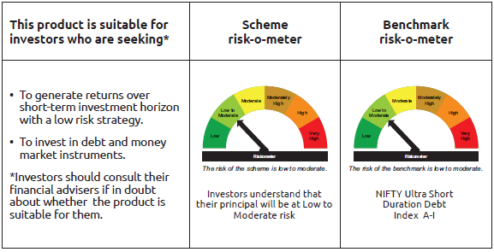
IDF255 | Portfolio Statement as on March 31,2026
 | Bandhan Ultra Short Duration Fund

 | Name of the Instrument | ISIN | Industry / Rating | Quantity | Market/Fair Value ( Rs. in Lacs) | % to NAV | YTM
 | Debt Instruments
 | (a) Listed / awaiting listing on Stock Exchange
 | Government Securities
GOI2233 | 7.27% GOI (MD 08/04/2026) | IN0020190016 | SOVEREIGN | 18,666,100 | 18,672.63 | 5.29% | 5.36%
GOI1785 | 7.86% Karnataka SDL (MD 15/03/2027) | IN1920160117 | SOVEREIGN | 3,500,000 | 3,560.29 | 1.01% | 6.06%
GOI7093 | 6.87% Uttar Pradesh SDL (MD 30/11/2026) | IN3320160283 | SOVEREIGN | 2,000,000 | 2,012.62 | 0.57% | 5.96%
GOI2089 | 8.15% Tamil Nadu SDL (MD 09/05/2028) | IN3120180036 | SOVEREIGN | 500,000 | 514.14 | 0.15% | 6.79%
GOI1875 | 7.61% Tamil Nadu SDL (MD 15/02/2027) | IN3120160194 | SOVEREIGN | 500,000 | 506.84 | 0.14% | 6.05%
GOI2070 | 7.27% Karnataka SDL (MD 28/12/2026) | IN1920160067 | SOVEREIGN | 500,000 | 504.89 | 0.14% | 5.97%
GOI1686 | 7.25% Maharashtra SDL (MD 28/12/2026) | IN2220160120 | SOVEREIGN | 500,000 | 504.82 | 0.14% | 5.97%
GOI3816 | 7.2% Bihar SDL (MD 25/01/2027) | IN1320160154 | SOVEREIGN | 500,000 | 504.50 | 0.14% | 6.13%
GOI6974 | 6.86% Haryana SDL (MD 23/11/2026) | IN1620160235 | SOVEREIGN | 500,000 | 502.96 | 0.14% | 5.98%
 | Non Convertible Debentures
POWF500 | 7.77% Power Finance Corporation Limited ** | INE134E08MC7 | CRISIL AAA | 23,000,000 | 23,012.28 | 6.52% | 7.55%
NBAR719 | 7.5% National Bank For Agriculture and Rural Development ** | INE261F08EA6 | CRISIL AAA | 18,500,000 | 18,471.58 | 5.24% | 7.55%
BHFL121 | 7.98% Bajaj Housing Finance Limited ** | INE377Y07490 | CRISIL AAA | 12,500,000 | 12,501.64 | 3.54% | 7.61%
SIDB519 | 7.44% Small Industries Dev Bank of India ** | INE556F08KI9 | CRISIL AAA | 12,500,000 | 12,479.28 | 3.54% | 7.52%
TCHF401 | 8.1% Tata Capital Housing Finance Limited ** | INE033L07IE2 | CRISIL AAA | 7,500,000 | 7,531.83 | 2.14% | 7.52%
NBAR741 | 7.8% National Bank For Agriculture and Rural Development ** | INE261F08EF5 | ICRA AAA | 7,500,000 | 7,516.53 | 2.13% | 7.53%
IRLY371 | 7.23% Indian Railway Finance Corporation Limited ** | INE053F08304 | CRISIL AAA | 7,500,000 | 7,498.55 | 2.13% | 7.37%
NBAR701 | 7.58% National Bank For Agriculture and Rural Development ** | INE261F08DX0 | CRISIL AAA | 7,500,000 | 7,488.90 | 2.12% | 7.65%
CHOL1092 | 7.38% Cholamandalam Investment and Finance Company Ltd ** | INE121A07SN8 | ICRA AA+ | 7,500,000 | 7,435.16 | 2.11% | 8.16%
TCHF375 | 7.8% Tata Capital Housing Finance Limited ** | INE033L07HU0 | CRISIL AAA | 5,000,000 | 5,008.80 | 1.42% | 7.61%
POWF507 | 7.7% Power Finance Corporation Limited ** | INE134E08MK0 | CRISIL AAA | 5,000,000 | 5,003.40 | 1.42% | 7.55%
RECL461 | 7.56% REC Limited ** | INE020B08FF1 | ICRA AAA | 5,000,000 | 5,001.55 | 1.42% | 7.49%
NBAR723 | 7.49% National Bank For Agriculture and Rural Development ** | INE261F08EB4 | CRISIL AAA | 5,000,000 | 4,991.97 | 1.42% | 7.54%
BHFL133 | 7.14% Bajaj Housing Finance Limited ** | INE377Y07557 | CRISIL AAA | 5,000,000 | 4,980.26 | 1.41% | 7.56%
BHFL97 | 7.98% Bajaj Housing Finance Limited ** | INE377Y07383 | CRISIL AAA | 3,000,000 | 3,013.08 | 0.85% | 7.64%
MUFL429 | 8.97% Muthoot Finance Limited ** | INE414G07JH5 | CRISIL AA+ | 2,500,000 | 2,513.81 | 0.71% | 8.09%
BHFL119 | 8.1% Bajaj Housing Finance Limited ** | INE377Y07482 | CRISIL AAA | 2,500,000 | 2,511.95 | 0.71% | 7.64%
IRLY372 | 7.41% Indian Railway Finance Corporation Limited ** | INE053F08312 | CRISIL AAA | 2,500,000 | 2,501.85 | 0.71% | 7.37%
 | Subtotal |  |  |  | 166,746.11 | 47.26%
 | (b) Privately placed / Unlisted |  |  |  | NIL | NIL | NIL
 | Subtotal |  |  |  | NIL | NIL | NIL
 | Total |  |  |  | 166,746.11 | 47.26%
 | Money Market Instruments
 | Certificate of Deposit
HDFB1015 | HDFC Bank Limited ** | INE040A16HN4 | CRISIL A1+ | 40,500,000 | 39,216.31 | 11.12% | 7.33%
BKBA537 | Bank of Baroda ** | INE028A16KC6 | FITCH A1+ | 20,000,000 | 19,354.16 | 5.49% | 7.25%
UTIB1374 | Axis Bank Limited ** | INE238AD6BI8 | CRISIL A1+ | 20,000,000 | 19,241.88 | 5.45% | 7.30%
INBK524 | Indian Bank ** | INE562A16QO6 | CRISIL A1+ | 15,000,000 | 14,278.04 | 4.05% | 7.30%
UTIB1391 | Axis Bank Limited ** | INE238AD6CD7 | CRISIL A1+ | 12,500,000 | 12,107.71 | 3.43% | 7.30%
SIDB619 | Small Industries Dev Bank of India ** | INE556F16BL5 | CRISIL A1+ | 12,500,000 | 12,033.89 | 3.41% | 7.25%
INBK506 | Indian Bank ** | INE562A16PT7 | CRISIL A1+ | 10,000,000 | 9,580.94 | 2.72% | 7.29%
BKBA551 | Bank of Baroda ** | INE028A16KO1 | CARE A1+ | 10,000,000 | 9,529.25 | 2.70% | 7.30%
SIDB622 | Small Industries Dev Bank of India ** | INE556F16BO9 | CRISIL A1+ | 9,000,000 | 8,639.62 | 2.45% | 7.25%
SIDB628 | Small Industries Dev Bank of India ** | INE556F16BQ4 | CRISIL A1+ | 7,500,000 | 7,187.35 | 2.04% | 7.25%
HDFB1031 | HDFC Bank Limited ** | INE040A16HR5 | CRISIL A1+ | 5,000,000 | 4,832.12 | 1.37% | 7.33%
UTIB1381 | Axis Bank Limited ** | INE238AD6BP3 | CRISIL A1+ | 5,000,000 | 4,772.19 | 1.35% | 7.26%
UTIB1375 | Axis Bank Limited ** | INE238AD6BJ6 | CRISIL A1+ | 2,500,000 | 2,404.77 | 0.68% | 7.30%
BKBA548 | Bank of Baroda ** | INE028A16KK9 | FITCH A1+ | 2,500,000 | 2,386.48 | 0.68% | 7.30%
SIDB638 | Small Industries Dev Bank of India ** | INE556F16BS0 | CARE A1+ | 2,500,000 | 2,383.70 | 0.68% | 7.21%
UNBI444 | Union Bank of India ** | INE692A16JQ1 | ICRA A1+ | 500,000 | 491.55 | 0.14% | 7.38%
 | Commercial Paper
RICL218 | Barclays Investments & Loans (India) Private Limited ** | INE704I14LB0 | CRISIL A1+ | 10,000,000 | 9,638.86 | 2.73% | 7.91%
 | TREPS / Reverse Repo Instrument
TRP_020426_VAL | Triparty Repo TRP_020426_VAL |  |  |  | 1,153.26 | 0.33% | 6.15%
 | Total |  |  |  | 179,232.08 | 50.82%
 | Derivatives
 | Interest Rate Swaps
IRS1175FL | Interest Rate Swaps (04/09/2026) Receive Floating |  |  | 25,000,000 | 25,000.00 | 7.09% | 6.98%
IRS1181FL | Interest Rate Swaps (07/09/2026) Receive Floating |  |  | 25,000,000 | 25,000.00 | 7.09% | 6.98%
IRS1193FL | Interest Rate Swaps (11/09/2026) Receive Floating |  |  | 20,000,000 | 20,000.00 | 5.67% | 6.98%
IRS1224FL | Interest Rate Swaps (23/09/2026) Receive Floating |  |  | 17,500,000 | 17,500.00 | 4.96% | 6.98%
IRS1224FX | Interest Rate Swaps (23/09/2026) Pay Fixed |  |  | -17,500,000 | (17,487.09) | -4.96% | 5.73%
IRS1193FX | Interest Rate Swaps (11/09/2026) Pay Fixed |  |  | -20,000,000 | (19,980.32) | -5.66% | 5.71%
IRS1175FX | Interest Rate Swaps (04/09/2026) Pay Fixed |  |  | -25,000,000 | (24,963.53) | -7.08% | 5.70%
IRS1181FX | Interest Rate Swaps (07/09/2026) Pay Fixed |  |  | -25,000,000 | (24,964.78) | -7.08% | 5.70%
 | Total |  |  |  | 104.28 | 0.03%
 | Corporate Debt Market Development Fund
CDMD50ME | Corporate Debt Market Development Fund Class A2 | INF0RQ622028 |  | 11,243.587 | 1,314.69 | 0.37%
 | Total |  |  |  | 1,314.69 | 0.37%
 | OTHERS
 | Cash Margin - CCIL |  |  |  | 612.12 | 0.17%
 | Subtotal |  |  |  | 612.12 | 0.17%
 | Net Current Assets |  |  |  | 4,767.64 | 1.35%
 | GRAND TOTAL |  |  |  | 352,776.92 | 100.00%

 | ** Thinly Traded/Non Traded Securities/Illiquid Securities

 | “This scheme has exposure to floating rate instruments and / or interest rate derivatives. The duration of these instruments is linked to the interest rate reset period. The interest rate risk in a floating rate instrument or in a fixed rate instrument hedged with derivatives is likely to be lesser than that in an equivalent maturity fixed rate instrument. Under some market circumstances the volatility may be of an order greater than what may ordinarily be expected considering only its duration. Hence investors are recommended to consider the unadjusted portfolio maturity of the scheme as well and exercise adequate due diligence when deciding to make their investments”.

 | As per the requirement of regulation 43A of SEBI (Mutual Funds) Regulations, 1996, SEBI circular no. SEBI/HO/IMD/PoD2/P/CIR/2023/128 dated July 27, 2023 on framework for Corporate Debt Market Development Fund and SEBI circular no. SEBI/HO/IMD/PoD2 /P/CIR/2023/129 dated July 27, 2023 on investment by mutual fund schemes and Asset Management Companies (AMCs) in units of Corporate Debt Market Development Fund (“CDMDF”), specified open ended debt-oriented schemes of Bandhan Mutual Fund and Bandhan AMC Limited (‘AMC’) shall invest percentage of net assets in the units of the CDMDF.

Bandhan DBF
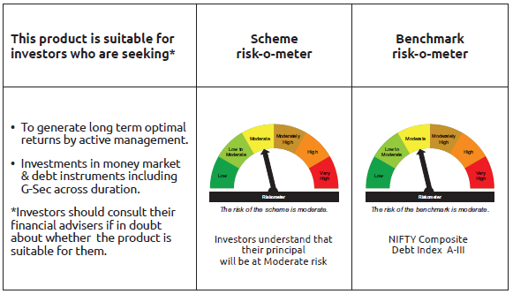
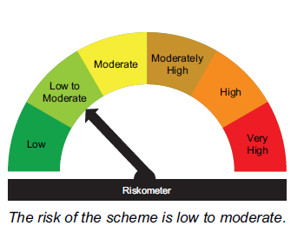
IDF006 | Portfolio Statement as on March 31,2026
 | Bandhan Dynamic Bond Fund

 | Name of the Instrument | ISIN | Industry / Rating | Quantity | Market/Fair Value ( Rs. in Lacs) | % to NAV | YTM
 | Debt Instruments
 | (a) Listed / awaiting listing on Stock Exchange
 | Government Securities
GOI6638 | 6.9% GOI (MD 15/04/2065) | IN0020250018 | SOVEREIGN | 55,200,000 | 49,134.18 | 23.36% | 7.95%
GOI6889 | 6.68% GOI (MD 07/07/2040) | IN0020250042 | SOVEREIGN | 40,800,000 | 38,091.33 | 18.11% | 7.58%
GOI5052 | 7.73% Maharashtra SDL (MD 29/03/2032) | IN2220220254 | SOVEREIGN | 5,000,000 | 5,073.11 | 2.41% | 7.56%
GOI4349 | 7.3% Tamilnadu SDL (MD 30/03/2032) | IN3120210510 | SOVEREIGN | 4,000,000 | 3,976.48 | 1.89% | 7.56%
GOI6320 | 6.79% GOI (MD 30/12/2031) | IN0020240191 | SOVEREIGN | 900,000 | 892.96 | 0.42% | 7.08%
GOI5833 | 7.02% GOI (MD 18/06/2031) | IN0020240076 | SOVEREIGN | 200,000 | 200.96 | 0.10% | 7.02%
 | Non Convertible Debentures
BHFL147 | 7.1% Bajaj Housing Finance Limited ** | INE377Y07607 | CRISIL AAA | 19,000,000 | 18,726.82 | 8.90% | 7.72%
IRLY383 | 7.37% Indian Railway Finance Corporation Limited ** | INE053F08411 | CRISIL AAA | 12,500,000 | 12,452.44 | 5.92% | 7.52%
NBAR860 | 6.66% National Bank For Agriculture and Rural Development ** | INE261F08EP4 | ICRA AAA | 12,500,000 | 12,239.00 | 5.82% | 7.57%
SIDB573 | 7.34% Small Industries Dev Bank of India ** | INE556F08KS8 | CRISIL AAA | 10,000,000 | 9,948.06 | 4.73% | 7.54%
LICH686 | 7.74% LIC Housing Finance Limited ** | INE115A07QZ8 | CRISIL AAA | 7,500,000 | 7,508.60 | 3.57% | 7.61%
NBAR838 | 7.48% National Bank For Agriculture and Rural Development ** | INE261F08EO7 | CRISIL AAA | 7,500,000 | 7,485.17 | 3.56% | 7.54%
KOMP1740 | 7.1554% Kotak Mahindra Prime Limited ** | INE916DA7TA4 | CRISIL AAA | 7,500,000 | 7,397.58 | 3.52% | 7.83%
TCHF429 | 7.685% Tata Capital Housing Finance Limited ** | INE033L07IL7 | CRISIL AAA | 6,000,000 | 5,993.25 | 2.85% | 7.71%
IRLY333 | 7.5% Indian Railway Finance Corporation Limited ** | INE053F07BW9 | CRISIL AAA | 5,000,000 | 4,999.83 | 2.38% | 7.52%
SIDB646 | 7.04% Small Industries Dev Bank of India ** | INE556F08LB2 | CRISIL AAA | 5,000,000 | 4,936.23 | 2.35% | 7.54%
IRLY377 | 7.57% Indian Railway Finance Corporation Limited ** | INE053F08353 | CRISIL AAA | 2,500,000 | 2,503.63 | 1.19% | 7.51%
LICH671 | 7.77% LIC Housing Finance Limited ** | INE115A07QM6 | CRISIL AAA | 2,500,000 | 2,503.56 | 1.19% | 7.67%
RECL457 | 7.58% REC Limited ** | INE020B08FD6 | ICRA AAA | 2,500,000 | 2,501.43 | 1.19% | 7.55%
IRLY373 | 7.45% Indian Railway Finance Corporation Limited ** | INE053F08320 | CRISIL AAA | 2,500,000 | 2,500.59 | 1.19% | 7.46%
EXIM765 | 7.4% Export Import Bank of India ** | INE514E08GC2 | CRISIL AAA | 2,500,000 | 2,499.28 | 1.19% | 7.41%
 | Subtotal |  |  |  | 201,564.49 | 95.84%
 | (b) Privately placed / Unlisted |  |  |  | NIL | NIL | NIL
 | Subtotal |  |  |  | NIL | NIL | NIL
 | Total |  |  |  | 201,564.49 | 95.84%
 | Money Market Instruments
 | TREPS / Reverse Repo Instrument
TRP_020426_VAL | Triparty Repo TRP_020426_VAL |  |  |  | 34,357.76 | 16.34% | 6.15%
 | Total |  |  |  | 34,357.76 | 16.34%
 | Corporate Debt Market Development Fund
CDMD50ME | Corporate Debt Market Development Fund Class A2 | INF0RQ622028 |  | 7,533.694 | 880.90 | 0.42%
 | Total |  |  |  | 880.90 | 0.42%
 | OTHERS
 | Cash Margin - CCIL |  |  |  | 51.85 | 0.02%
 | Subtotal |  |  |  | 51.85 | 0.02%
 | Net Current Assets |  |  |  | (26,525.90) | -12.62%
 | GRAND TOTAL |  |  |  | 210,329.10 | 100.00%

 | ** Thinly Traded/Non Traded Securities/Illiquid Securities

 | As per the requirement of regulation 43A of SEBI (Mutual Funds) Regulations, 1996, SEBI circular no. SEBI/HO/IMD/PoD2/P/CIR/2023/128 dated July 27, 2023 on framework for Corporate Debt Market Development Fund and SEBI circular no. SEBI/HO/IMD/PoD2 /P/CIR/2023/129 dated July 27, 2023 on investment by mutual fund schemes and Asset Management Companies (AMCs) in units of Corporate Debt Market Development Fund (“CDMDF”), specified open ended debt-oriented schemes of Bandhan Mutual Fund and Bandhan AMC Limited (‘AMC’) shall invest percentage of net assets in the units of the CDMDF.

Bandhan BF - IP
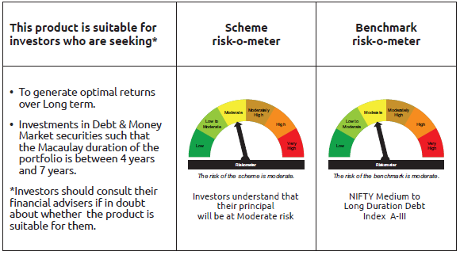
IDF010 | Portfolio Statement as on March 31,2026
 | Bandhan Medium to Long Duration Fund

 | Name of the Instrument | ISIN | Industry / Rating | Quantity | Market/Fair Value ( Rs. in Lacs) | % to NAV | YTM
 | Debt Instruments
 | (a) Listed / awaiting listing on Stock Exchange
 | Government Securities
GOI6638 | 6.9% GOI (MD 15/04/2065) | IN0020250018 | SOVEREIGN | 13,000,000 | 11,571.46 | 25.67% | 7.95%
GOI6889 | 6.68% GOI (MD 07/07/2040) | IN0020250042 | SOVEREIGN | 3,000,000 | 2,800.83 | 6.21% | 7.58%
GOI3528 | 6.1% GOI (MD 12/07/2031) | IN0020210095 | SOVEREIGN | 500,000 | 481.23 | 1.07% | 7.08%
GOI1864 | 6.79% GOI (MD 15/05/2027) | IN0020170026 | SOVEREIGN | 100,000 | 100.94 | 0.22% | 5.99%
GOI1364 | 7.73% GOI (MD 19/12/2034) | IN0020150051 | SOVEREIGN | 37,500 | 39.16 | 0.09% | 7.16%
 | Non Convertible Debentures
EXIM792 | 7.14% Export Import Bank of India ** | INE514E08GD0 | CRISIL AAA | 5,000,000 | 4,955.00 | 10.99% | 7.41%
TCHF429 | 7.685% Tata Capital Housing Finance Limited ** | INE033L07IL7 | CRISIL AAA | 3,500,000 | 3,496.06 | 7.76% | 7.71%
BAFL863 | 7.85% Bajaj Finance Limited ** | INE296A07SO6 | CRISIL AAA | 2,500,000 | 2,498.98 | 5.54% | 7.84%
RECL471 | 7.44% REC Limited ** | INE020B08FR6 | CRISIL AAA | 2,500,000 | 2,498.22 | 5.54% | 7.47%
IRLY380 | 7.46% Indian Railway Finance Corporation Limited ** | INE053F08387 | CRISIL AAA | 2,500,000 | 2,496.05 | 5.54% | 7.51%
NBAR838 | 7.48% National Bank For Agriculture and Rural Development ** | INE261F08EO7 | CRISIL AAA | 2,500,000 | 2,495.06 | 5.54% | 7.54%
IRLY383 | 7.37% Indian Railway Finance Corporation Limited ** | INE053F08411 | CRISIL AAA | 2,500,000 | 2,490.49 | 5.53% | 7.52%
BHFL147 | 7.1% Bajaj Housing Finance Limited ** | INE377Y07607 | CRISIL AAA | 2,500,000 | 2,464.06 | 5.47% | 7.72%
BHFL114 | 8.04% Bajaj Housing Finance Limited ** | INE377Y07441 | CRISIL AAA | 2,000,000 | 2,005.64 | 4.45% | 7.55%
TCFS680 | 8.098% Tata Capital Limited ** | INE306N07NS8 | CRISIL AAA | 1,700,000 | 1,703.24 | 3.78% | 7.81%
NBAR805 | 7.53% National Bank For Agriculture and Rural Development ** | INE261F08EM1 | ICRA AAA | 1,000,000 | 999.76 | 2.22% | 7.54%
 | Subtotal |  |  |  | 43,096.18 | 95.62%
 | (b) Privately placed / Unlisted |  |  |  | NIL | NIL | NIL
 | Subtotal |  |  |  | NIL | NIL | NIL
 | Total |  |  |  | 43,096.18 | 95.62%
 | Money Market Instruments
 | TREPS / Reverse Repo Instrument
TRP_020426_VAL | Triparty Repo TRP_020426_VAL |  |  |  | 63.88 | 0.14% | 6.15%
 | Total |  |  |  | 63.88 | 0.14%
 | Corporate Debt Market Development Fund
CDMD50ME | Corporate Debt Market Development Fund Class A2 | INF0RQ622028 |  | 1,254.137 | 146.64 | 0.33%
 | Total |  |  |  | 146.64 | 0.33%
 | OTHERS
 | Cash Margin - CCIL |  |  |  | 11.97 | 0.03%
 | Subtotal |  |  |  | 11.97 | 0.03%
 | Net Current Assets |  |  |  | 1,750.31 | 3.88%
 | GRAND TOTAL |  |  |  | 45,068.98 | 100.00%

 | ** Thinly Traded/Non Traded Securities/Illiquid Securities

 | As per the requirement of regulation 43A of SEBI (Mutual Funds) Regulations, 1996, SEBI circular no. SEBI/HO/IMD/PoD2/P/CIR/2023/128 dated July 27, 2023 on framework for Corporate Debt Market Development Fund and SEBI circular no. SEBI/HO/IMD/PoD2 /P/CIR/2023/129 dated July 27, 2023 on investment by mutual fund schemes and Asset Management Companies (AMCs) in units of Corporate Debt Market Development Fund (“CDMDF”), specified open ended debt-oriented schemes of Bandhan Mutual Fund and Bandhan AMC Limited (‘AMC’) shall invest percentage of net assets in the units of the CDMDF.

Bandhan BF - MTP
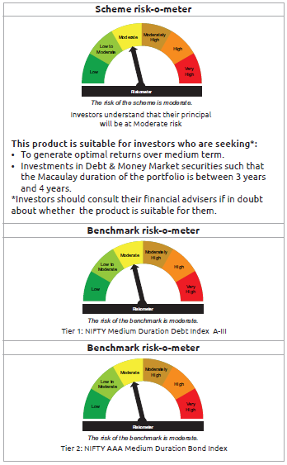
IDF011 | Portfolio Statement as on March 31,2026
 | Bandhan Medium Duration Fund

 | Name of the Instrument | ISIN | Industry / Rating | Quantity | Market/Fair Value ( Rs. in Lacs) | % to NAV | YTM
 | Debt Instruments
 | (a) Listed / awaiting listing on Stock Exchange
 | Government Securities
GOI6889 | 6.68% GOI (MD 07/07/2040) | IN0020250042 | SOVEREIGN | 29,000,000 | 27,074.72 | 20.37% | 7.58%
GOI5833 | 7.02% GOI (MD 18/06/2031) | IN0020240076 | SOVEREIGN | 7,500,000 | 7,536.01 | 5.67% | 7.02%
GOI4986 | 7.68% Gujarat SDL (MD 15/02/2030) | IN1520220238 | SOVEREIGN | 500,000 | 508.51 | 0.38% | 7.29%
GOI2153 | 8.37% Tamil Nadu SDL (MD 05/12/2028) | IN3120180176 | SOVEREIGN | 194,600 | 202.23 | 0.15% | 6.85%
GOI1864 | 6.79% GOI (MD 15/05/2027) | IN0020170026 | SOVEREIGN | 20,000 | 20.19 | 0.02% | 5.99%
GOI536 | 8.24% GOI (MD 15/02/2027) | IN0020060078 | SOVEREIGN | 11,000 | 11.22 | 0.01% | 5.96%
 | Non Convertible Debentures
IRLY383 | 7.37% Indian Railway Finance Corporation Limited ** | INE053F08411 | CRISIL AAA | 12,500,000 | 12,452.44 | 9.37% | 7.52%
TCHF371 | 7.75% Tata Capital Housing Finance Limited ** | INE033L07HQ8 | CRISIL AAA | 10,500,000 | 10,512.53 | 7.91% | 7.61%
BHFL114 | 8.04% Bajaj Housing Finance Limited ** | INE377Y07441 | CRISIL AAA | 10,000,000 | 10,028.20 | 7.55% | 7.55%
NBAR796 | 7.44% National Bank For Agriculture and Rural Development ** | INE261F08EK5 | CRISIL AAA | 10,000,000 | 9,984.36 | 7.51% | 7.52%
EXIM794 | 7.35% Export Import Bank of India ** | INE514E08GE8 | CRISIL AAA | 5,000,000 | 4,994.20 | 3.76% | 7.42%
SIDB646 | 7.04% Small Industries Dev Bank of India ** | INE556F08LB2 | CRISIL AAA | 5,000,000 | 4,936.23 | 3.71% | 7.54%
TCFS633 | 7.89% Tata Capital Limited ** | INE306N07MX0 | CRISIL AAA | 4,500,000 | 4,506.11 | 3.39% | 7.72%
NBAR805 | 7.53% National Bank For Agriculture and Rural Development ** | INE261F08EM1 | ICRA AAA | 4,000,000 | 3,999.06 | 3.01% | 7.54%
BHFL121 | 7.98% Bajaj Housing Finance Limited ** | INE377Y07490 | CRISIL AAA | 3,500,000 | 3,500.46 | 2.63% | 7.61%
RECL426 | 7.55% REC Limited ** | INE020B08EA5 | CRISIL AAA | 2,500,000 | 2,504.47 | 1.88% | 7.45%
IRLY377 | 7.57% Indian Railway Finance Corporation Limited ** | INE053F08353 | CRISIL AAA | 2,500,000 | 2,503.63 | 1.88% | 7.51%
POWF546 | 7.45% Power Finance Corporation Limited ** | INE134E08NP7 | CRISIL AAA | 2,500,000 | 2,500.61 | 1.88% | 7.46%
SIDB573 | 7.34% Small Industries Dev Bank of India ** | INE556F08KS8 | CRISIL AAA | 2,500,000 | 2,487.02 | 1.87% | 7.54%
NBAR838 | 7.48% National Bank For Agriculture and Rural Development ** | INE261F08EO7 | CRISIL AAA | 1,000,000 | 998.02 | 0.75% | 7.54%
BHFL147 | 7.1% Bajaj Housing Finance Limited ** | INE377Y07607 | CRISIL AAA | 1,000,000 | 985.62 | 0.74% | 7.72%
TCFS680 | 8.098% Tata Capital Limited ** | INE306N07NS8 | CRISIL AAA | 800,000 | 801.52 | 0.60% | 7.81%
BAFL943 | 7.7951% Bajaj Finance Limited ** | INE296A07TF2 | CRISIL AAA | 500,000 | 499.27 | 0.38% | 7.85%
 | Subtotal |  |  |  | 113,546.63 | 85.42%
 | (b) Privately placed / Unlisted |  |  |  | NIL | NIL | NIL
 | Subtotal |  |  |  | NIL | NIL | NIL
 | Total |  |  |  | 113,546.63 | 85.42%
 | Money Market Instruments
 | Certificate of Deposit
HDFB1025 | HDFC Bank Limited ** | INE040A16HO2 | CRISIL A1+ | 5,000,000 | 4,856.07 | 3.65% | 7.41%
PUBA1144 | Punjab National Bank ** | INE160A16UE2 | CRISIL A1+ | 5,000,000 | 4,708.10 | 3.54% | 7.30%
UTIB1392 | Axis Bank Limited ** | INE238AD6BQ1 | CRISIL A1+ | 2,500,000 | 2,421.07 | 1.82% | 7.30%
UTIB1380 | Axis Bank Limited ** | INE238AD6BO6 | CRISIL A1+ | 2,500,000 | 2,386.35 | 1.80% | 7.27%
CANB1082 | Canara Bank ** | INE476A16G28 | CRISIL A1+ | 1,000,000 | 943.78 | 0.71% | 7.20%
 | TREPS / Reverse Repo Instrument
TRP_020426_VAL | Triparty Repo TRP_020426_VAL |  |  |  | 2,995.53 | 2.25% | 6.15%
 | Total |  |  |  | 18,310.90 | 13.77%
 | Corporate Debt Market Development Fund
CDMD50ME | Corporate Debt Market Development Fund Class A2 | INF0RQ622028 |  | 5,086.246 | 594.72 | 0.45%
 | Total |  |  |  | 594.72 | 0.45%
 | OTHERS
 | Cash Margin - CCIL |  |  |  | 12.77 | 0.01%
 | Subtotal |  |  |  | 12.77 | 0.01%
 | Net Current Assets |  |  |  | 421.40 | 0.35%
 | GRAND TOTAL |  |  |  | 132,886.42 | 100.00%

 | ** Thinly Traded/Non Traded Securities/Illiquid Securities

 | As per the requirement of regulation 43A of SEBI (Mutual Funds) Regulations, 1996, SEBI circular no. SEBI/HO/IMD/PoD2/P/CIR/2023/128 dated July 27, 2023 on framework for Corporate Debt Market Development Fund and SEBI circular no. SEBI/HO/IMD/PoD2 /P/CIR/2023/129 dated July 27, 2023 on investment by mutual fund schemes and Asset Management Companies (AMCs) in units of Corporate Debt Market Development Fund (“CDMDF”), specified open ended debt-oriented schemes of Bandhan Mutual Fund and Bandhan AMC Limited (‘AMC’) shall invest percentage of net assets in the units of the CDMDF.

Bandhan BF - STP
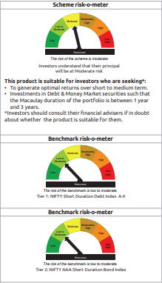
IDF012 | Portfolio Statement as on March 31,2026
 | Bandhan Short Duration Fund

 | Name of the Instrument | ISIN | Industry / Rating | Quantity | Market/Fair Value ( Rs. in Lacs) | % to NAV | YTM
 | Debt Instruments
 | (a) Listed / awaiting listing on Stock Exchange
 | Government Securities
GOI6889 | 6.68% GOI (MD 07/07/2040) | IN0020250042 | SOVEREIGN | 100,000,000 | 93,361.10 | 10.84% | 7.58%
GOI4193 | 6.88% Uttar Pradesh SDL (MD 23/06/2031) | IN3320210013 | SOVEREIGN | 25,000,000 | 24,456.83 | 2.84% | 7.52%
GOI2462 | 5.79% GOI (MD 11/05/2030) | IN0020200070 | SOVEREIGN | 5,000,000 | 4,823.60 | 0.56% | 6.90%
GOI6919 | 6.01% GOI (MD 21/07/2030) | IN0020250067 | SOVEREIGN | 1,700,000 | 1,652.44 | 0.19% | 6.88%
GOI2544 | 5.77% GOI (MD 03/08/2030) | IN0020200153 | SOVEREIGN | 1,000,000 | 961.46 | 0.11% | 6.92%
GOI536 | 8.24% GOI (MD 15/02/2027) | IN0020060078 | SOVEREIGN | 100,000 | 101.97 | 0.01% | 5.96%
GOI3103 | 5.63% GOI (MD 12/04/2026) | IN0020210012 | SOVEREIGN | 100,000 | 100.01 | 0.01% | 5.24%
GOI1864 | 6.79% GOI (MD 15/05/2027) | IN0020170026 | SOVEREIGN | 85,000 | 85.80 | 0.01% | 5.99%
 | Non Convertible Debentures
BHFL114 | 8.04% Bajaj Housing Finance Limited ** | INE377Y07441 | CRISIL AAA | 47,500,000 | 47,633.95 | 5.53% | 7.55%
NBAR838 | 7.48% National Bank For Agriculture and Rural Development ** | INE261F08EO7 | CRISIL AAA | 40,500,000 | 40,419.93 | 4.69% | 7.54%
BAFL974 | 7.3763% Bajaj Finance Limited ** | INE296A07TJ4 | CRISIL AAA | 32,500,000 | 32,209.16 | 3.74% | 7.79%
NBAR780 | 7.7% National Bank For Agriculture and Rural Development ** | INE261F08EI9 | ICRA AAA | 30,000,000 | 30,059.22 | 3.49% | 7.51%
LICH680 | 7.74% LIC Housing Finance Limited ** | INE115A07QW5 | CRISIL AAA | 27,000,000 | 27,031.97 | 3.14% | 7.65%
TCHF375 | 7.8% Tata Capital Housing Finance Limited ** | INE033L07HU0 | CRISIL AAA | 25,000,000 | 25,043.98 | 2.91% | 7.61%
LICH676 | 7.9265% LIC Housing Finance Limited ** | INE115A07QS3 | CRISIL AAA | 24,500,000 | 24,577.05 | 2.85% | 7.61%
RECL365 | 8.3% REC Limited ** | INE020B08BO2 | CRISIL AAA | 18,500,000 | 18,940.21 | 2.20% | 7.53%
NBAR805 | 7.53% National Bank For Agriculture and Rural Development ** | INE261F08EM1 | ICRA AAA | 17,500,000 | 17,495.87 | 2.03% | 7.54%
EXIM794 | 7.35% Export Import Bank of India ** | INE514E08GE8 | CRISIL AAA | 17,500,000 | 17,479.68 | 2.03% | 7.42%
SIDB519 | 7.44% Small Industries Dev Bank of India ** | INE556F08KI9 | CRISIL AAA | 12,500,000 | 12,479.28 | 1.45% | 7.52%
POWF543 | 7.44% Power Finance Corporation Limited ** | INE134E08NO0 | CRISIL AAA | 12,500,000 | 12,456.54 | 1.45% | 7.55%
BHFL148 | 6.95% Bajaj Housing Finance Limited ** | INE377Y07615 | CRISIL AAA | 12,500,000 | 12,343.14 | 1.43% | 7.69%
IRLY377 | 7.57% Indian Railway Finance Corporation Limited ** | INE053F08353 | CRISIL AAA | 11,500,000 | 11,516.69 | 1.34% | 7.51%
TCHF397 | 8.0409% Tata Capital Housing Finance Limited ** | INE033L07ID4 | CRISIL AAA | 10,000,000 | 10,044.76 | 1.17% | 7.52%
LICH697 | 7.73% LIC Housing Finance Limited ** | INE115A07RE1 | CRISIL AAA | 10,000,000 | 10,012.33 | 1.16% | 7.57%
IRLY330 | 7.48% Indian Railway Finance Corporation Limited ** | INE053F07BU3 | CRISIL AAA | 10,000,000 | 9,993.57 | 1.16% | 7.52%
IRLY380 | 7.46% Indian Railway Finance Corporation Limited ** | INE053F08387 | CRISIL AAA | 10,000,000 | 9,984.20 | 1.16% | 7.51%
IRLY383 | 7.37% Indian Railway Finance Corporation Limited ** | INE053F08411 | CRISIL AAA | 10,000,000 | 9,961.95 | 1.16% | 7.52%
BHFL141 | 6.97% Bajaj Housing Finance Limited ** | INE377Y07599 | CRISIL AAA | 10,000,000 | 9,843.30 | 1.14% | 7.72%
BHFL121 | 7.98% Bajaj Housing Finance Limited ** | INE377Y07490 | CRISIL AAA | 9,000,000 | 9,001.18 | 1.05% | 7.61%
RECL457 | 7.58% REC Limited ** | INE020B08FD6 | ICRA AAA | 7,500,000 | 7,504.29 | 0.87% | 7.55%
IRLY373 | 7.45% Indian Railway Finance Corporation Limited ** | INE053F08320 | CRISIL AAA | 7,500,000 | 7,501.77 | 0.87% | 7.46%
KOMP1733 | 7.6% Kotak Mahindra Prime Limited ** | INE916DA7SZ3 | CRISIL AAA | 7,500,000 | 7,467.14 | 0.87% | 7.81%
BHFL147 | 7.1% Bajaj Housing Finance Limited ** | INE377Y07607 | CRISIL AAA | 7,500,000 | 7,392.17 | 0.86% | 7.72%
IRLY324 | 8.3% Indian Railway Finance Corporation Limited ** | INE053F07BD9 | CRISIL AAA | 7,000,000 | 7,143.50 | 0.83% | 7.50%
TCHF371 | 7.75% Tata Capital Housing Finance Limited ** | INE033L07HQ8 | CRISIL AAA | 5,000,000 | 5,005.97 | 0.58% | 7.61%
IRLY333 | 7.5% Indian Railway Finance Corporation Limited ** | INE053F07BW9 | CRISIL AAA | 5,000,000 | 4,999.83 | 0.58% | 7.52%
POWF483 | 6.09% Power Finance Corporation Limited ** | INE134E08LK2 | CRISIL AAA | 5,000,000 | 4,965.90 | 0.58% | 7.55%
JOIC20 | 7.19% JIO Credit Limited ** | INE282H07018 | CRISIL AAA | 5,000,000 | 4,942.15 | 0.57% | 7.85%
LICH622 | 7.9% LIC Housing Finance Limited ** | INE115A07PV9 | CRISIL AAA | 4,000,000 | 4,011.07 | 0.47% | 7.61%
TCFS549 | 8.65% Tata Capital Limited ** | INE306N07LM5 | CRISIL AAA | 3,500,000 | 3,536.54 | 0.41% | 7.78%
KOMP1665 | 8.05% Kotak Mahindra Prime Limited ** | INE916DA7SE8 | CRISIL AAA | 2,500,000 | 2,511.04 | 0.29% | 7.78%
POWF546 | 7.45% Power Finance Corporation Limited ** | INE134E08NP7 | CRISIL AAA | 2,500,000 | 2,500.61 | 0.29% | 7.46%
RECL458 | 7.7% REC Limited ** | INE020B08FC8 | ICRA AAA | 2,500,000 | 2,498.51 | 0.29% | 7.51%
RECL437 | 7.46% REC Limited ** | INE020B08EK4 | CRISIL AAA | 2,500,000 | 2,496.74 | 0.29% | 7.50%
KOMP1745 | 7.299% Kotak Mahindra Prime Limited ** | INE916DA7TD8 | CRISIL AAA | 2,500,000 | 2,470.10 | 0.29% | 7.82%
KOMP1746 | 7.288% Kotak Mahindra Prime Limited ** | INE916DA7TE6 | CRISIL AAA | 2,500,000 | 2,468.74 | 0.29% | 7.82%
KOMP1740 | 7.1554% Kotak Mahindra Prime Limited ** | INE916DA7TA4 | CRISIL AAA | 2,500,000 | 2,465.86 | 0.29% | 7.83%
BAFL943 | 7.7951% Bajaj Finance Limited ** | INE296A07TF2 | CRISIL AAA | 1,500,000 | 1,497.81 | 0.17% | 7.85%
 | Subtotal |  |  |  | 607,450.91 | 70.54%
 | (b) Privately placed / Unlisted |  |  |  | NIL | NIL | NIL
 | Subtotal |  |  |  | NIL | NIL | NIL
 | Total |  |  |  | 607,450.91 | 70.54%
 | Money Market Instruments
 | Certificate of Deposit
HDFB1015 | HDFC Bank Limited ** | INE040A16HN4 | CRISIL A1+ | 50,000,000 | 48,415.20 | 5.62% | 7.33%
KMBK898 | Kotak Mahindra Bank Limited ** | INE237AD6158 | CRISIL A1+ | 50,000,000 | 47,525.05 | 5.52% | 7.20%
HDFB1010 | HDFC Bank Limited ** | INE040A16HF0 | CRISIL A1+ | 47,500,000 | 46,315.30 | 5.38% | 7.41%
SIDB618 | Small Industries Dev Bank of India ** | INE556F16BK7 | CRISIL A1+ | 32,500,000 | 31,390.52 | 3.65% | 7.33%
BKBA537 | Bank of Baroda ** | INE028A16KC6 | FITCH A1+ | 27,500,000 | 26,611.97 | 3.09% | 7.25%
INBK521 | Indian Bank ** | INE562A16QM0 | CRISIL A1+ | 15,000,000 | 14,294.36 | 1.66% | 7.30%
HDFB1021 | HDFC Bank Limited ** | INE040A16HU9 | CARE A1+ | 7,500,000 | 7,185.29 | 0.83% | 7.30%
HDFB1025 | HDFC Bank Limited ** | INE040A16HO2 | CRISIL A1+ | 2,500,000 | 2,428.03 | 0.28% | 7.41%
UTIB1392 | Axis Bank Limited ** | INE238AD6BQ1 | CRISIL A1+ | 2,500,000 | 2,421.07 | 0.28% | 7.30%
SIDB648 | Small Industries Dev Bank of India ** | INE556F16BX0 | CRISIL A1+ | 2,500,000 | 2,358.08 | 0.27% | 7.25%
CANB1082 | Canara Bank ** | INE476A16G28 | CRISIL A1+ | 1,500,000 | 1,415.67 | 0.16% | 7.20%
 | TREPS / Reverse Repo Instrument
TRP_020426_VAL | Triparty Repo TRP_020426_VAL |  |  |  | 13,491.45 | 1.57% | 6.15%
 | Total |  |  |  | 243,851.99 | 28.31%
 | Corporate Debt Market Development Fund
CDMD50ME | Corporate Debt Market Development Fund Class A2 | INF0RQ622028 |  | 26,590.928 | 3,109.22 | 0.36%
 | Total |  |  |  | 3,109.22 | 0.36%
 | OTHERS
 | Cash Margin - CCIL |  |  |  | 115.36 | 0.01%
 | Subtotal |  |  |  | 115.36 | 0.01%
 | Net Current Assets |  |  |  | 6,654.22 | 0.78%
 | GRAND TOTAL |  |  |  | 861,181.70 | 100.00%

 | ** Thinly Traded/Non Traded Securities/Illiquid Securities

 | As per the requirement of regulation 43A of SEBI (Mutual Funds) Regulations, 1996, SEBI circular no. SEBI/HO/IMD/PoD2/P/CIR/2023/128 dated July 27, 2023 on framework for Corporate Debt Market Development Fund and SEBI circular no. SEBI/HO/IMD/PoD2 /P/CIR/2023/129 dated July 27, 2023 on investment by mutual fund schemes and Asset Management Companies (AMCs) in units of Corporate Debt Market Development Fund (“CDMDF”), specified open ended debt-oriented schemes of Bandhan Mutual Fund and Bandhan AMC Limited (‘AMC’) shall invest percentage of net assets in the units of the CDMDF.

Bandhan Banking & PSU
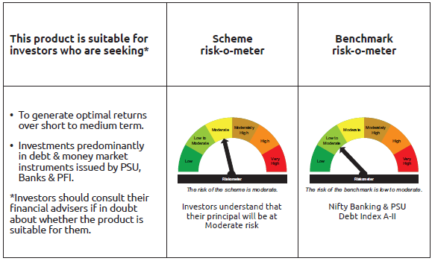
IDF138 | Portfolio Statement as on March 31,2026
 | Bandhan Banking and PSU Fund

 | Name of the Instrument | ISIN | Industry / Rating | Quantity | Market/Fair Value ( Rs. in Lacs) | % to NAV | YTM
 | Debt Instruments
 | (a) Listed / awaiting listing on Stock Exchange
 | Government Securities
GOI1785 | 7.86% Karnataka SDL (MD 15/03/2027) | IN1920160117 | SOVEREIGN | 18,500,000 | 18,818.70 | 1.53% | 6.06%
GOI6889 | 6.68% GOI (MD 07/07/2040) | IN0020250042 | SOVEREIGN | 16,300,000 | 15,217.86 | 1.24% | 7.58%
GOI3734 | 6.54% GOI (MD 17/01/2032) | IN0020210244 | SOVEREIGN | 12,300,000 | 12,056.92 | 0.98% | 7.08%
GOI5833 | 7.02% GOI (MD 18/06/2031) | IN0020240076 | SOVEREIGN | 11,500,000 | 11,555.21 | 0.94% | 7.02%
GOI2462 | 5.79% GOI (MD 11/05/2030) | IN0020200070 | SOVEREIGN | 8,500,000 | 8,200.12 | 0.67% | 6.90%
GOI6919 | 6.01% GOI (MD 21/07/2030) | IN0020250067 | SOVEREIGN | 2,200,000 | 2,138.46 | 0.17% | 6.88%
GOI6526 | 7.17% Odisha SDL (MD 12/09/2030) | IN2720240158 | SOVEREIGN | 1,000,000 | 998.98 | 0.08% | 7.33%
GOI1673 | 6.79% GOI (MD 26/12/2029) | IN0020160118 | SOVEREIGN | 495,300 | 498.69 | 0.04% | 6.68%
GOI1908 | 7.18% Tamilnadu SDL (MD 26/07/2027) | IN3120170078 | SOVEREIGN | 120,000 | 121.32 | 0.01% | 6.39%
 | Non Convertible Debentures
HDFB913 | 7.7% HDFC Bank Limited ** | INE040A08955 | CRISIL AAA | 54,500,000 | 54,596.90 | 4.44% | 7.59%
NUCL133 | 7.7% Nuclear Power Corporation Of India Limited ** | INE206D08501 | ICRA AAA | 41,000,000 | 41,200.20 | 3.35% | 7.42%
NBAR805 | 7.53% National Bank For Agriculture and Rural Development ** | INE261F08EM1 | ICRA AAA | 35,000,000 | 34,991.74 | 2.85% | 7.54%
SIDB525 | 7.55% Small Industries Dev Bank of India ** | INE556F08KJ7 | CRISIL AAA | 35,000,000 | 34,948.62 | 2.84% | 7.57%
IRLY383 | 7.37% Indian Railway Finance Corporation Limited ** | INE053F08411 | CRISIL AAA | 34,000,000 | 33,870.63 | 2.76% | 7.52%
HPEC305 | 7.22% Hindustan Petroleum Corporation Limited ** | INE094A08168 | CRISIL AAA | 30,000,000 | 29,871.87 | 2.43% | 7.35%
HDFB878 | 9% HDFC Bank Limited ** | INE040A08AB1 | CRISIL AAA | 26,000,000 | 26,835.95 | 2.18% | 7.59%
SIDB519 | 7.44% Small Industries Dev Bank of India ** | INE556F08KI9 | CRISIL AAA | 26,000,000 | 25,956.89 | 2.11% | 7.52%
IOIC659 | 7.36% Indian Oil Corporation Limited ** | INE242A08551 | CRISIL AAA | 24,838,000 | 24,870.46 | 2.02% | 7.30%
SIDB573 | 7.34% Small Industries Dev Bank of India ** | INE556F08KS8 | CRISIL AAA | 25,000,000 | 24,870.15 | 2.02% | 7.54%
NTPC166 | 7.32% NTPC Limited ** | INE733E07KL3 | CRISIL AAA | 21,000,000 | 20,991.73 | 1.71% | 7.31%
NBAR838 | 7.48% National Bank For Agriculture and Rural Development ** | INE261F08EO7 | CRISIL AAA | 19,000,000 | 18,962.44 | 1.54% | 7.54%
HDFB879 | 8.55% HDFC Bank Limited ** | INE040A08724 | CRISIL AAA | 18,000,000 | 18,446.06 | 1.50% | 7.59%
BKBA353 | 7.39% Bank of Baroda ** | INE028A08281 | ICRA AAA | 17,500,000 | 17,425.77 | 1.42% | 7.52%
NBAR719 | 7.5% National Bank For Agriculture and Rural Development ** | INE261F08EA6 | CRISIL AAA | 16,500,000 | 16,474.66 | 1.34% | 7.55%
PGCI422 | 8.24% Power Grid Corporation of India Limited ** | INE752E08551 | CRISIL AAA | 15,500,000 | 15,909.59 | 1.29% | 7.33%
SIDB657 | 7.22% Small Industries Dev Bank of India ** | INE556F08LC0 | CRISIL AAA | 15,000,000 | 14,875.04 | 1.21% | 7.54%
POWF462 | 7.75% Power Finance Corporation Limited ** | INE134E08KV1 | CRISIL AAA | 14,500,000 | 14,594.60 | 1.19% | 7.55%
IRLY394 | 6.58% Indian Railway Finance Corporation Limited ** | INE053F08528 | CRISIL AAA | 15,000,000 | 14,531.31 | 1.18% | 7.48%
POWF551 | 6.64% Power Finance Corporation Limited ** | INE134E08NR3 | CRISIL AAA | 15,000,000 | 14,509.05 | 1.18% | 7.56%
HDFB795 | 6.44% HDFC Bank Limited ** | INE040A08401 | CRISIL AAA | 13,500,000 | 13,146.18 | 1.07% | 7.61%
NBAR772 | 7.62% National Bank For Agriculture and Rural Development ** | INE261F08EH1 | CRISIL AAA | 12,500,000 | 12,520.11 | 1.02% | 7.55%
RECL457 | 7.58% REC Limited ** | INE020B08FD6 | ICRA AAA | 12,500,000 | 12,507.15 | 1.02% | 7.55%
SIDB591 | 7.42% Small Industries Dev Bank of India ** | INE556F08KW0 | CRISIL AAA | 12,500,000 | 12,459.94 | 1.01% | 7.54%
POWF543 | 7.44% Power Finance Corporation Limited ** | INE134E08NO0 | CRISIL AAA | 12,500,000 | 12,456.54 | 1.01% | 7.55%
IBCL1127 | 6.45% ICICI Bank Limited ** | INE090A08UE8 | ICRA AAA | 12,500,000 | 12,228.73 | 1.00% | 7.54%
RECL477 | 6.7% REC Limited ** | INE020B08FY2 | ICRA AAA | 12,500,000 | 12,158.13 | 0.99% | 7.55%
POWF553 | 6.59% Power Finance Corporation Limited ** | INE134E08NU7 | CRISIL AAA | 12,500,000 | 12,048.34 | 0.98% | 7.56%
HDFB881 | 8.05% HDFC Bank Limited ** | INE040A08AC9 | CRISIL AAA | 10,000,000 | 10,131.68 | 0.82% | 7.59%
POWF546 | 7.45% Power Finance Corporation Limited ** | INE134E08NP7 | CRISIL AAA | 10,000,000 | 10,002.43 | 0.81% | 7.46%
NBAR796 | 7.44% National Bank For Agriculture and Rural Development ** | INE261F08EK5 | CRISIL AAA | 10,000,000 | 9,984.36 | 0.81% | 7.52%
IRLY380 | 7.46% Indian Railway Finance Corporation Limited ** | INE053F08387 | CRISIL AAA | 10,000,000 | 9,984.20 | 0.81% | 7.51%
NBAR860 | 6.66% National Bank For Agriculture and Rural Development ** | INE261F08EP4 | ICRA AAA | 10,000,000 | 9,791.20 | 0.80% | 7.57%
IRLY392 | 6.78% Indian Railway Finance Corporation Limited ** | INE053F08494 | CRISIL AAA | 10,000,000 | 9,759.66 | 0.79% | 7.48%
NHAI65 | 7.49% National Highways Authority Of India ** | INE906B07HG7 | CRISIL AAA | 7,500,000 | 7,519.16 | 0.61% | 7.38%
POWF526 | 7.6% Power Finance Corporation Limited ** | INE134E08MX3 | CRISIL AAA | 7,500,000 | 7,510.86 | 0.61% | 7.55%
IRLY333 | 7.5% Indian Railway Finance Corporation Limited ** | INE053F07BW9 | CRISIL AAA | 7,500,000 | 7,499.74 | 0.61% | 7.52%
RECL443 | 7.77% REC Limited ** | INE020B08EP3 | CRISIL AAA | 7,500,000 | 7,499.02 | 0.61% | 7.51%
IBCL1014 | 7.47% ICICI Bank Limited ** | INE090A08TY8 | ICRA AAA | 7,500,000 | 7,495.99 | 0.61% | 7.48%
SIDB577 | 7.44% Small Industries Dev Bank of India ** | INE556F08KT6 | CRISIL AAA | 7,500,000 | 7,490.36 | 0.61% | 7.51%
RECL465 | 7.34% REC Limited ** | INE020B08FL9 | CRISIL AAA | 7,500,000 | 7,442.39 | 0.61% | 7.56%
RECL473 | 6.87% REC Limited ** | INE020B08FU0 | ICRA AAA | 7,500,000 | 7,318.98 | 0.60% | 7.56%
EXIM731 | 7.32% Export Import Bank of India ** | INE514E08FZ5 | CRISIL AAA | 6,000,000 | 5,993.35 | 0.49% | 7.48%
PGCI344 | 8.7% Power Grid Corporation of India Limited ** | INE752E07LC0 | CRISIL AAA | 5,650,000 | 5,804.20 | 0.47% | 7.33%
HDFB876 | 9% HDFC Bank Limited ** | INE040A08872 | CRISIL AAA | 5,000,000 | 5,156.14 | 0.42% | 7.59%
...
 | Name of the Instrument | ISIN | Industry / Rating | Quantity | Market/Fair Value ( Rs. in Lacs) | % to NAV | YTM
 | GRAND TOTAL |  |  |  | 1,228,921.17 | 100.00%

 | ** Thinly Traded/Non Traded Securities/Illiquid Securities

 | As per the requirement of regulation 43A of SEBI (Mutual Funds) Regulations, 1996, SEBI circular no. SEBI/HO/IMD/PoD2/P/CIR/2023/128 dated July 27, 2023 on framework for Corporate Debt Market Development Fund and SEBI circular no. SEBI/HO/IMD/PoD2 /P/CIR/2023/129 dated July 27, 2023 on investment by mutual fund schemes and Asset Management Companies (AMCs) in units of Corporate Debt Market Development Fund (“CDMDF”), specified open ended debt-oriented schemes of Bandhan Mutual Fund and Bandhan AMC Limited (‘AMC’) shall invest percentage of net assets in the units of the CDMDF.

Bandhan CBF
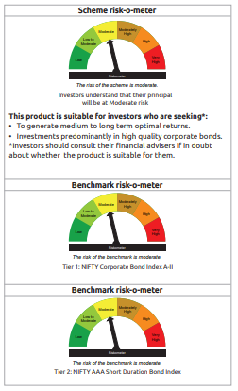
...
Name of the Instrument | ISIN | Industry / Rating | Quantity | Market/Fair Value ( Rs. in Lacs) | % to NAV | YTM
GRAND TOTAL |  |  |  | 1,395,577.86 | 100.00%

** Thinly Traded/Non Traded Securities/Illiquid Securities

As per the requirement of regulation 43A of SEBI (Mutual Funds) Regulations, 1996, SEBI circular no. SEBI/HO/IMD/PoD2/P/CIR/2023/128 dated July 27, 2023 on framework for Corporate Debt Market Development Fund and SEBI circular no. SEBI/HO/IMD/PoD2 /P/CIR/2023/129 dated July 27, 2023 on investment by mutual fund schemes and Asset Management Companies (AMCs) in units of Corporate Debt Market Development Fund (“CDMDF”), specified open ended debt-oriented schemes of Bandhan Mutual Fund and Bandhan AMC Limited (‘AMC’) shall invest percentage of net assets in the units of the CDMDF.

Bandhan CRF
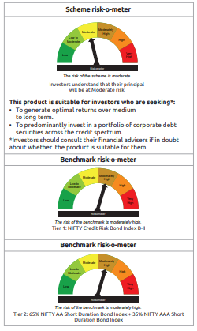
...
Name of the Instrument | ISIN | Industry / Rating | Quantity | Market/Fair Value ( Rs. in Lacs) | % to NAV | YTM
GRAND TOTAL |  |  |  | 23,309.23 | 100.00%

** Thinly Traded/Non Traded Securities/Illiquid Securities

As per the requirement of regulation 43A of SEBI (Mutual Funds) Regulations, 1996, SEBI circular no. SEBI/HO/IMD/PoD2/P/CIR/2023/128 dated July 27, 2023 on framework for Corporate Debt Market Development Fund and SEBI circular no. SEBI/HO/IMD/PoD2 /P/CIR/2023/129 dated July 27, 2023 on investment by mutual fund schemes and Asset Management Companies (AMCs) in units of Corporate Debt Market Development Fund (“CDMDF”), specified open ended debt-oriented schemes of Bandhan Mutual Fund and Bandhan AMC Limited (‘AMC’) shall invest percentage of net assets in the units of the CDMDF.

Bandhan Floater Fund
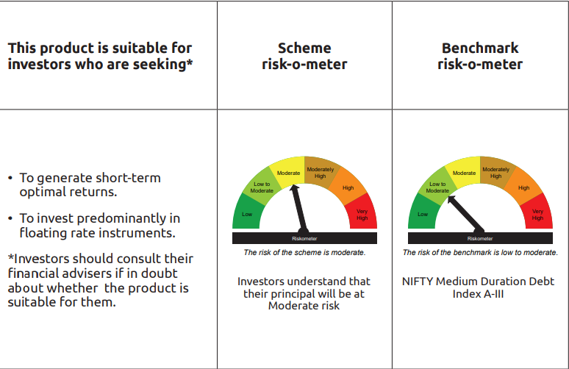
...
“This scheme has exposure to floating rate instruments and / or interest rate derivatives. The duration of these instruments is linked to the interest rate reset period. The interest rate risk in a floating rate instrument or in a fixed rate instrument hedged with derivatives is likely to be lesser than that in an equivalent maturity fixed rate instrument. Under some market circumstances the volatility may be of an order greater than what may ordinarily be expected considering only its duration. Hence investors are recommended to consider the unadjusted portfolio maturity of the scheme as well and exercise adequate due diligence when deciding to make their investments”.

As per the requirement of regulation 43A of SEBI (Mutual Funds) Regulations, 1996, SEBI circular no. SEBI/HO/IMD/PoD2/P/CIR/2023/128 dated July 27, 2023 on framework for Corporate Debt Market Development Fund and SEBI circular no. SEBI/HO/IMD/PoD2 /P/CIR/2023/129 dated July 27, 2023 on investment by mutual fund schemes and Asset Management Companies (AMCs) in units of Corporate Debt Market Development Fund (“CDMDF”), specified open ended debt-oriented schemes of Bandhan Mutual Fund and Bandhan AMC Limited (‘AMC’) shall invest percentage of net assets in the units of the CDMDF.

Bandhan Gilt Fund
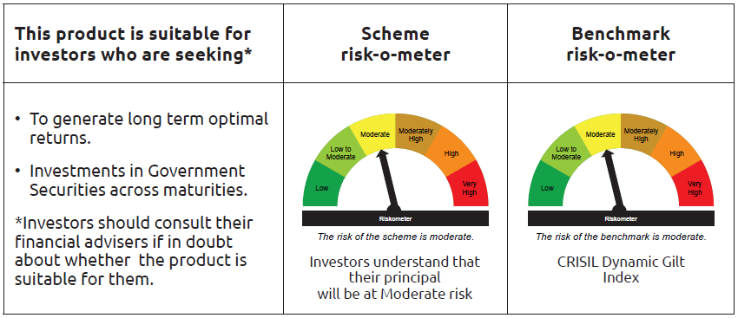
...
 | Name of the Instrument | ISIN | Industry / Rating | Quantity | Market/Fair Value ( Rs. in Lacs) | % to NAV | YTM
 | TREPS / Reverse Repo Instrument
TRP_020426_VAL | Triparty Repo TRP_020426_VAL |  |  |  | 39,278.31 | 21.20% | 6.15%
 | Total |  |  |  | 39,278.31 | 21.20%
 | OTHERS
 | Cash Margin - CCIL |  |  |  | 75.59 | 0.04%
 | Subtotal |  |  |  | 75.59 | 0.04%
 | Net Current Assets |  |  |  | (33,667.65) | -18.18%
 | GRAND TOTAL |  |  |  | 185,265.79 | 100.00%

Bandhan Gilt with 10 year
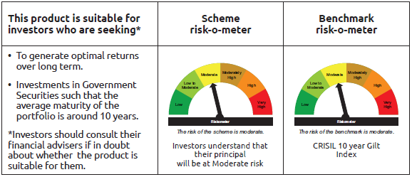
...
Name of the Instrument | ISIN | Industry / Rating | Quantity | Market/Fair Value ( Rs. in Lacs) | % to NAV | YTM
Total |  |  |  | 175.95 | 0.53%
OTHERS
Cash Margin - CCIL |  |  |  | 0.01 | $
Subtotal |  |  |  | 0.01 | $
Net Current Assets |  |  |  | 652.21 | 1.96%
GRAND TOTAL |  |  |  | 33,127.74 | 100.00%

$ Less Than 0.01% of NAV

Bandhan CRISIL IBX April 2026
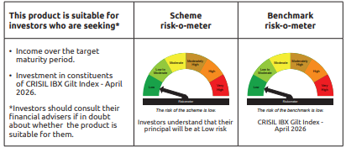
...
Name of the Instrument | ISIN | Industry / Rating | Quantity | Market/Fair Value ( Rs. in Lacs) | % to NAV | YTM
Total |  |  |  | 1.89 | $
OTHERS
Cash Margin - CCIL |  |  |  | 0.01 | $
Subtotal |  |  |  | 0.01 | $
Net Current Assets |  |  |  | 1,511.31 | 4.32%
GRAND TOTAL |  |  |  | 34,928.06 | 100.00%

$ Less Than 0.01% of NAV

Bandhan CRISIL IBX June 2027
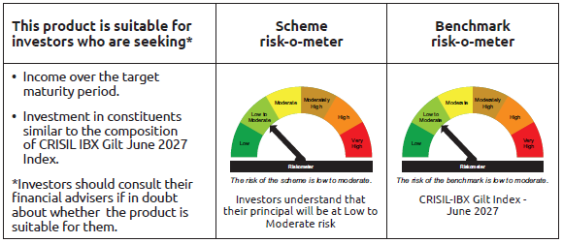
...
Name of the Instrument | ISIN | Industry / Rating | Quantity | Market/Fair Value ( Rs. in Lacs) | % to NAV | YTM
Total |  |  |  | 990.66 | 0.17%
OTHERS
Cash Margin - CCIL |  |  |  | 17.61 | $
Subtotal |  |  |  | 17.61 | $
Net Current Assets |  |  |  | 10,897.07 | 1.86%
GRAND TOTAL |  |  |  | 585,920.67 | 100.00%

$ Less Than 0.01% of NAV

Bandhan CRISIL IBX April 2028
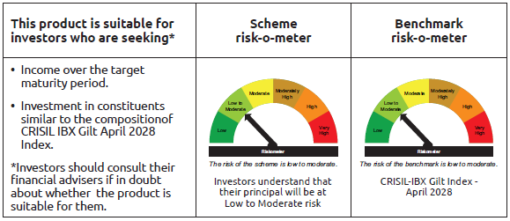
...
Name of the Instrument | ISIN | Industry / Rating | Quantity | Market/Fair Value ( Rs. in Lacs) | % to NAV | YTM
Total |  |  |  | 2,341.69 | 0.65%
OTHERS
Cash Margin - CCIL |  |  |  | 7.36 | $
Subtotal |  |  |  | 7.36 | $
Net Current Assets |  |  |  | 3,759.97 | 1.03%
GRAND TOTAL |  |  |  | 363,024.00 | 100.00%

$ Less Than 0.01% of NAV

BANDHAN CRISIL IBX SDL APR 2032
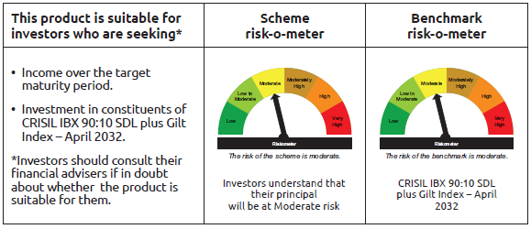
...
Name of the Instrument | ISIN | Industry / Rating | Quantity | Market/Fair Value ( Rs. in Lacs) | % to NAV | YTM
Total |  |  |  | 1,434.30 | 3.40%
OTHERS
Cash Margin - CCIL |  |  |  | 0.05 | $
Subtotal |  |  |  | 0.05 | $
Net Current Assets |  |  |  | 328.68 | 0.80%
GRAND TOTAL |  |  |  | 42,186.92 | 100.00%

$ Less Than 0.01% of NAV

BANDHAN CRISIL IBX SDL NOV 2026
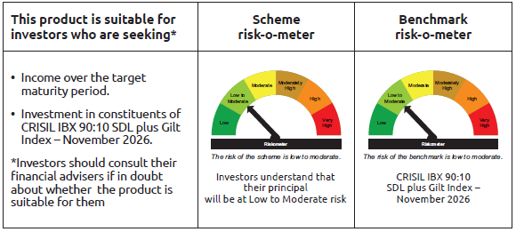
...
 | Name of the Instrument | ISIN | Industry / Rating | Quantity | Market/Fair Value ( Rs. in Lacs) | % to NAV | YTM
TRP_020426_VAL | Triparty Repo TRP_020426_VAL |  |  |  | 162.02 | 1.75% | 6.15%
 | Total |  |  |  | 162.02 | 1.75%
 | OTHERS
 | Cash Margin - CCIL |  |  |  | 0.01 | $
 | Subtotal |  |  |  | 0.01 | $
 | Net Current Assets |  |  |  | 151.37 | 1.63%
 | GRAND TOTAL |  |  |  | 9,280.57 | 100.00%

 | $ Less Than 0.01% of NAV

BANDHAN CRISIL IBX SDL SEP 2027
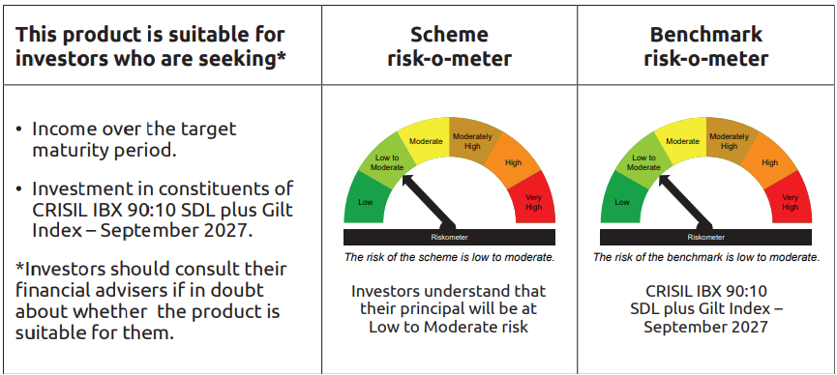
...
 | Name of the Instrument | ISIN | Industry / Rating | Quantity | Market/Fair Value ( Rs. in Lacs) | % to NAV | YTM
TRP_020426_VAL | Triparty Repo TRP_020426_VAL |  |  |  | 372.06 | 2.49% | 6.15%
 | Total |  |  |  | 372.06 | 2.49%
 | OTHERS
 | Cash Margin - CCIL |  |  |  | 0.02 | $
 | Subtotal |  |  |  | 0.02 | $
 | Net Current Assets |  |  |  | 146.81 | 0.97%
 | GRAND TOTAL |  |  |  | 14,964.87 | 100.00%

 | $ Less Than 0.01% of NAV

Bandhan Index April 2032
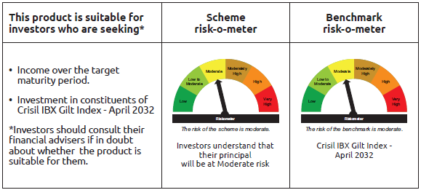
...
Name of the Instrument | ISIN | Industry / Rating | Quantity | Market/Fair Value ( Rs. in Lacs) | % to NAV | YTM
Total |  |  |  | 1,022.19 | 2.37%
OTHERS
Cash Margin - CCIL |  |  |  | 0.03 | $
Subtotal |  |  |  | 0.03 | $
Net Current Assets |  |  |  | 555.55 | 1.28%
GRAND TOTAL |  |  |  | 43,155.89 | 100.00%

$ Less Than 0.01% of NAV

BANDHAN CRISIL IBX SDL DEC 2029
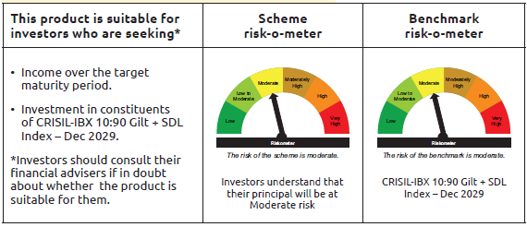
...
 | Name of the Instrument | ISIN | Industry / Rating | Quantity | Market/Fair Value ( Rs. in Lacs) | % to NAV | YTM
 | TREPS / Reverse Repo Instrument
TRP_020426_VAL | Triparty Repo TRP_020426_VAL |  |  |  | 0.98 | 2.54% | 6.15%
 | Total |  |  |  | 0.98 | 2.54%
 | OTHERS
 | Cash Margin - CCIL |  |  |  | 0.02 | 0.05%
 | Subtotal |  |  |  | 0.02 | 0.05%
 | Net Current Assets |  |  |  | 0.60 | 1.57%
 | GRAND TOTAL |  |  |  | 38.55 | 100.00%

BANDHAN CRISIL IBX Fin Serv3-6M
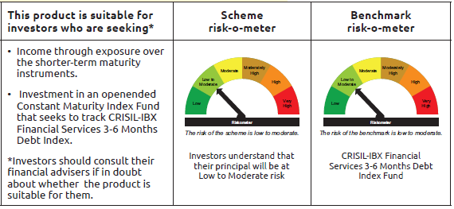
...
Name of the Instrument | ISIN | Industry / Rating | Quantity | Market/Fair Value ( Rs. in Lacs) | % to NAV | YTM
OTHERS
Cash Margin - CCIL |  |  |  | 3.05 | 0.01%
Subtotal |  |  |  | 3.05 | 0.01%
Net Current Assets |  |  |  | 1,106.72 | 2.62%
GRAND TOTAL |  |  |  | 41,989.64 | 100.00%

** Thinly Traded/Non Traded Securities/Illiquid Securities

