Bandhan OF
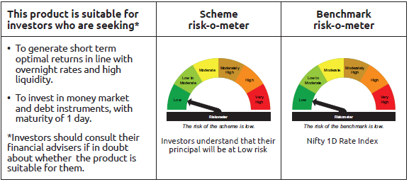
INDEX | Portfolio Statement as on July 31,2025
 | Bandhan Overnight Fund

 | Name of the Instrument | ISIN | Industry / Rating | Quantity | Market/Fair Value ( Rs. in Lacs) | % to NAV | YTM
 | Money Market Instruments
 | Treasury Bill
TBIL2511 | 91 Days Tbill | IN002025X083 | SOVEREIGN | 3,500,000 | 3,489.85 | 4.27% | 5.31%
TBIL2505 | 91 Days Tbill | IN002025X067 | SOVEREIGN | 2,500,000 | 2,497.83 | 3.06% | 5.30%
TBIL2478 | 182 Days Tbill | IN002024Y464 | SOVEREIGN | 500,000 | 497.97 | 0.61% | 5.32%
 | Collateralised Borrowing & Lending Obligation / Reverse Repo Instrument
 | Reverse Repo |  |  |  | 64,698.49 | 79.23% | 5.50%
TRP_010825 | CBLO TRP_010825 |  |  |  | 10,669.71 | 13.07% | 5.44%
 | Total |  |  |  | 81,853.85 | 100.24%
 | OTHERS
 | Cash Margin - CCIL |  |  |  | 295.12 | 0.36%
 | Subtotal |  |  |  | 295.12 | 0.36%
 | Net Current Assets |  |  |  | (494.18) | -0.60%
 | GRAND TOTAL |  |  |  | 81,654.79 | 100.00%

 | Pursuant to SEBI circular no. SEBI/HO/IMD/DF2/CIR/P/2021/683 dated December 10, 2021 (“the Circular”), SEBI has notified that with respect to the margin or collateral requirement for execution of certain transactions, overnight funds can deploy not exceeding 5% of the net assets of the scheme in Government Securities and/or Treasury bills with a residual maturity of upto 30 days for the purpose of placing the same as margin and collateral for certain transactions.

Bandhan LF
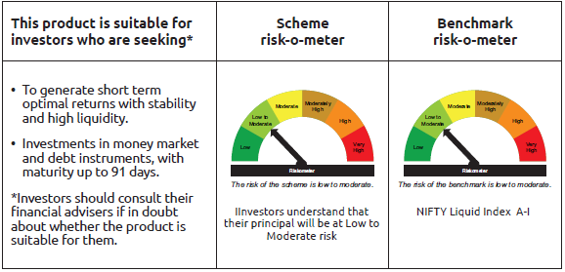
INDEX | Portfolio Statement as on July 31,2025
 | Bandhan Liquid Fund

 | Name of the Instrument | ISIN | Industry / Rating | Quantity | Market/Fair Value ( Rs. in Lacs) | % to NAV | YTM
 | Debt Instruments
 | (a) Listed / awaiting listing on Stock Exchange
 | Non Convertible Debentures
LICH628 | 7.38% LIC Housing Finance Limited ** | INE115A07PZ0 | CRISIL AAA | 10,000,000 | 10,004.38 | 0.70% | 6.01%
BAFL811 | 7.38% Bajaj Finance Limited ** | INE296A07SB3 | CRISIL AAA | 10,000,000 | 10,001.51 | 0.69% | 6.15%
HDFB886 | 6.43% HDFC Bank Limited | INE040A08849 | CRISIL AAA | 10,000,000 | 9,998.16 | 0.69% | 6.21%
LICH285 | 8.58% LIC Housing Finance Limited ** | INE115A07HT0 | CRISIL AAA | 5,500,000 | 5,500.00 | 0.38% | 5.81%
NBAR684 | 7.2% National Bank For Agriculture and Rural Development | INE261F08DR2 | ICRA AAA | 5,000,000 | 5,006.45 | 0.35% | 5.93%
LICH289 | 8.48% LIC Housing Finance Limited ** | INE115A07HW4 | CRISIL AAA | 2,500,000 | 2,503.81 | 0.17% | 6.01%
SUFI727 | 7.4% Sundaram Finance Limited ** | INE660A07RH9 | CRISIL AAA | 2,500,000 | 2,500.83 | 0.17% | 6.47%
NHBA317 | 7.34% National Housing Bank ** | INE557F08FN7 | CRISIL AAA | 2,500,000 | 2,500.57 | 0.17% | 5.89%
 | Subtotal |  |  |  | 48,015.71 | 3.32%
 | (b) Privately placed / Unlisted |  |  |  | NIL | NIL | NIL
 | Subtotal |  |  |  | NIL | NIL | NIL
 | Total |  |  |  | 48,015.71 | 3.32%
 | Money Market Instruments
 | Certificate of Deposit
HDFB1003 | HDFC Bank Limited ** | INE040A16GX5 | CARE A1+ | 90,000,000 | 89,438.40 | 6.21% | 5.73%
UTIB1356 | Axis Bank Limited | INE238AD6AS9 | CRISIL A1+ | 35,000,000 | 34,928.46 | 2.43% | 5.75%
BKBA510 | Bank of Baroda ** | INE028A16IX6 | FITCH A1+ | 30,000,000 | 29,845.92 | 2.07% | 5.71%
UTIB1336 | Axis Bank Limited ** | INE238AD6900 | CRISIL A1+ | 28,000,000 | 27,851.60 | 1.94% | 5.72%
PUBA1102 | Punjab National Bank | INE160A16RV2 | CRISIL A1+ | 22,500,000 | 22,454.10 | 1.56% | 5.74%
CANB1005 | Canara Bank ** | INE476A16ZA9 | CRISIL A1+ | 15,000,000 | 14,922.63 | 1.04% | 5.74%
KMBK886 | Kotak Mahindra Bank Limited ** | INE237AD6018 | CRISIL A1+ | 12,500,000 | 12,451.31 | 0.87% | 5.71%
INBK481 | Indian Bank ** | INE562A16OU8 | CRISIL A1+ | 10,000,000 | 9,979.53 | 0.69% | 5.76%
UTIB1331 | Axis Bank Limited ** | INE238AD6918 | CRISIL A1+ | 10,000,000 | 9,939.25 | 0.69% | 5.72%
 | Commercial Paper
RRVL183 | Reliance Retail Ventures Limited ** | INE929O14DN3 | CRISIL A1+ | 75,000,000 | 74,596.65 | 5.18% | 5.81%
EXIM807 | Export Import Bank of India | INE514E14SV5 | CRISIL A1+ | 55,000,000 | 54,707.02 | 3.80% | 5.75%
TISC271 | Tata Steel Limited ** | INE081A14FQ0 | ICRA A1+ | 50,000,000 | 49,952.10 | 3.47% | 5.83%
IOIC681 | Indian Oil Corporation Limited ** | INE242A14XX7 | CRISIL A1+ | 50,000,000 | 49,731.35 | 3.46% | 5.80%
RRVL181 | Reliance Retail Ventures Limited ** | INE929O14DK9 | CRISIL A1+ | 47,500,000 | 47,401.53 | 3.29% | 5.83%
LTFH123 | L&T Finance Limited ** | INE498L14DZ9 | ICRA A1+ | 45,000,000 | 44,821.26 | 3.11% | 6.06%
TCAL527 | Tata Capital Limited ** | INE976I14QC1 | CRISIL A1+ | 45,000,000 | 44,746.38 | 3.11% | 6.09%
IOIC684 | Indian Oil Corporation Limited | INE242A14YA3 | CRISIL A1+ | 45,000,000 | 44,651.75 | 3.10% | 5.81%
SIDB608 | Small Industries Dev Bank of India ** | INE556F14LE4 | CRISIL A1+ | 40,000,000 | 39,786.52 | 2.76% | 5.76%
RIND478 | Reliance Industries Limited ** | INE002A14LJ9 | CRISIL A1+ | 35,000,000 | 34,790.49 | 2.42% | 5.78%
NBAR849 | National Bank For Agriculture and Rural Development ** | INE261F14NU3 | CRISIL A1+ | 30,000,000 | 29,843.52 | 2.07% | 5.80%
BAFL986 | Bajaj Finance Limited ** | INE296A14B49 | ICRA A1+ | 30,000,000 | 29,635.92 | 2.06% | 6.14%
KOSE321 | Kotak Securities Limited ** | INE028E14QY4 | ICRA A1+ | 25,000,000 | 24,983.30 | 1.74% | 6.10%
KOMP1736 | Kotak Mahindra Prime Limited ** | INE916D145E7 | CRISIL A1+ | 25,000,000 | 24,970.95 | 1.74% | 6.07%
HDFS282 | HDFC Securities Limited ** | INE700G14OF7 | CRISIL A1+ | 25,000,000 | 24,953.75 | 1.73% | 6.15%
RRVL185 | Reliance Retail Ventures Limited ** | INE929O14DS2 | CRISIL A1+ | 25,000,000 | 24,794.95 | 1.72% | 5.81%
HDFS285 | HDFC Securities Limited ** | INE700G14OK7 | ICRA A1+ | 20,000,000 | 19,916.10 | 1.38% | 6.15%
BAFS85 | Bajaj Financial Securities Limited | INE01C314BQ9 | CRISIL A1+ | 17,500,000 | 17,461.66 | 1.21% | 6.17%
INBS505 | Reliance Jio Infocomm Limited ** | INE110L14TT9 | CRISIL A1+ | 15,000,000 | 14,919.39 | 1.04% | 5.80%
ICBR596 | ICICI Securities Limited ** | INE763G14YY5 | CRISIL A1+ | 15,000,000 | 14,901.69 | 1.04% | 6.17%
TWAT34 | Titan Company Limited ** | INE280A14468 | ICRA A1+ | 15,000,000 | 14,884.22 | 1.03% | 5.80%
HDFS295 | HDFC Securities Limited ** | INE700G14PA5 | CRISIL A1+ | 15,000,000 | 14,809.85 | 1.03% | 6.33%
NEFL319 | Network18 Media & Investments Limited ** | INE870H14VB0 | CARE A1+ | 10,000,000 | 9,993.59 | 0.69% | 5.86%
KOMP1739 | Kotak Mahindra Prime Limited ** | INE916D145G2 | CRISIL A1+ | 10,000,000 | 9,937.21 | 0.69% | 6.07%
IOIC680 | Indian Oil Corporation Limited ** | INE242A14XV1 | ICRA A1+ | 7,500,000 | 7,491.76 | 0.52% | 5.74%
KMIL506 | Kotak Mahindra Investments Limited ** | INE975F14A43 | CRISIL A1+ | 5,000,000 | 4,991.58 | 0.35% | 6.16%
PAFI45 | Panatone Finvest Limited ** | INE116F14208 | CRISIL A1+ | 5,000,000 | 4,991.40 | 0.35% | 6.29%
BAFS84 | Bajaj Financial Securities Limited ** | INE01C314BN6 | CRISIL A1+ | 2,500,000 | 2,497.49 | 0.17% | 6.12%
 | Treasury Bill
TBIL2515 | 91 Days Tbill | IN002025X109 | SOVEREIGN | 67,500,000 | 67,166.55 | 4.67% | 5.33%
TBIL2531 | 91 Days Tbill | IN002025X158 | SOVEREIGN | 45,000,000 | 44,547.75 | 3.10% | 5.37%
TBIL2522 | 91 Days Tbill | IN002025X125 | SOVEREIGN | 39,000,000 | 38,729.73 | 2.69% | 5.31%
TBIL2486 | 182 Days Tbill | IN002024Y498 | SOVEREIGN | 34,500,000 | 34,260.92 | 2.38% | 5.31%
TBIL2514 | 91 Days Tbill | IN002025X091 | SOVEREIGN | 31,500,000 | 31,376.74 | 2.18% | 5.31%
TBIL2524 | 91 Days Tbill | IN002025X133 | SOVEREIGN | 22,500,000 | 22,320.41 | 1.55% | 5.34%
TBIL2541 | 91 Days Tbill | IN002025X182 | SOVEREIGN | 15,000,000 | 14,803.62 | 1.03% | 5.38%
TBIL2489 | 182 Days Tbill | IN002024Y506 | SOVEREIGN | 8,500,000 | 8,432.27 | 0.59% | 5.33%
TBIL2480 | 182 Days Tbill | IN002024Y472 | SOVEREIGN | 2,500,000 | 2,487.65 | 0.17% | 5.33%
 | Collateralised Borrowing & Lending Obligation / Reverse Repo Instrument
TRP_010825 | CBLO TRP_010825 |  |  |  | 87,329.58 | 6.07% | 5.44%
 | Total |  |  |  | 1,384,429.80 | 96.19%
 | Corporate Debt Market Development Fund
CDMD50ME | Corporate Debt Market Development Fund | INF0RQ622028 |  | 32,792 | 3,702.10 | 0.26%
 | Total |  |  |  | 3,702.10 | 0.26%
 | OTHERS
 | Cash Margin - CCIL |  |  |  | 17.40 | $
 | Subtotal |  |  |  | 17.40 | $
 | Net Current Assets |  |  |  | 2,965.07 | 0.23%
 | GRAND TOTAL |  |  |  | 1,439,130.08 | 100.00%

 | $ Less Than 0.01% of NAV
 | ** Thinly Traded/Non Traded Securities/Illiquid Securities

 | As per the requirement of regulation 43A of SEBI (Mutual Funds) Regulations, 1996, SEBI circular no. SEBI/HO/IMD/PoD2/P/CIR/2023/128 dated July 27, 2023 on framework for Corporate Debt Market Development Fund and SEBI circular no. SEBI/HO/IMD/PoD2 /P/CIR/2023/129 dated July 27, 2023 on investment by mutual fund schemes and Asset Management Companies (AMCs) in units of Corporate Debt Market Development Fund (“CDMDF”), specified open ended debt-oriented schemes of Bandhan Mutual Fund and Bandhan AMC Limited (‘AMC’) shall invest percentage of net assets in the units of the CDMDF.

Bandhan LDF
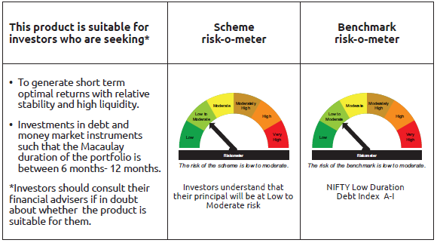
INDEX | Portfolio Statement as on July 31,2025
 | Bandhan Low Duration Fund

 | Name of the Instrument | ISIN | Industry / Rating | Quantity | Market/Fair Value ( Rs. in Lacs) | % to NAV | YTM
 | Debt Instruments
 | (a) Listed / awaiting listing on Stock Exchange
 | Government Securities
GOI4847 | 7.57% State Government Securities | IN1520220154 | SOVEREIGN | 13,500,200 | 13,791.59 | 2.20% | 5.86%
GOI4123 | 8.16% State Government Securities | IN1520180044 | SOVEREIGN | 10,000,000 | 10,515.06 | 1.68% | 6.20%
GOI2174 | 8.26% State Government Securities | IN2220180060 | SOVEREIGN | 5,000,000 | 5,296.87 | 0.84% | 6.40%
GOI6674 | 5.82% State Government Securities | IN2920200556 | SOVEREIGN | 5,000,000 | 4,988.64 | 0.79% | 6.07%
GOI3237 | 8.53% State Government Securities | IN2920180170 | SOVEREIGN | 4,500,000 | 4,792.44 | 0.76% | 6.27%
GOI4096 | 8.16% State Government Securities | IN2920180030 | SOVEREIGN | 4,500,000 | 4,724.29 | 0.75% | 6.27%
GOI3565 | 7.39% State Government Securities | IN3120160137 | SOVEREIGN | 4,000,000 | 4,078.37 | 0.65% | 5.84%
GOI1756 | 7.8% State Government Securities | IN1620160276 | SOVEREIGN | 3,000,000 | 3,080.63 | 0.49% | 6.08%
GOI2201 | 8.28% State Government Securities | IN1520180283 | SOVEREIGN | 2,500,000 | 2,654.54 | 0.42% | 6.40%
GOI2184 | 8.19% State Government Securities | IN1920180149 | SOVEREIGN | 2,500,000 | 2,645.50 | 0.42% | 6.40%
GOI1992 | 8.28% State Government Securities | IN3120170128 | SOVEREIGN | 2,500,000 | 2,627.03 | 0.42% | 6.19%
GOI2032 | 8.13% State Government Securities | IN2920170205 | SOVEREIGN | 2,500,000 | 2,619.89 | 0.42% | 6.23%
GOI1760 | 7.75% State Government Securities | IN1920160109 | SOVEREIGN | 2,500,000 | 2,566.09 | 0.41% | 6.06%
GOI1840 | 7.78% State Government Securities | IN3320160325 | SOVEREIGN | 2,500,000 | 2,565.96 | 0.41% | 6.09%
GOI1759 | 7.74% State Government Securities | IN3120161309 | SOVEREIGN | 2,500,000 | 2,565.72 | 0.41% | 6.06%
GOI3648 | 6.98% State Government Securities | IN4520200044 | SOVEREIGN | 2,500,000 | 2,555.02 | 0.41% | 6.18%
GOI2421 | 6.97% State Government Securities | IN1920190189 | SOVEREIGN | 2,500,000 | 2,552.64 | 0.41% | 6.16%
GOI3532 | 6.82% State Government Securities | IN1320210041 | SOVEREIGN | 2,500,000 | 2,545.09 | 0.41% | 6.24%
GOI3753 | 7.38% State Government Securities | IN2120160030 | SOVEREIGN | 2,500,000 | 2,542.73 | 0.41% | 5.86%
GOI1999 | 8.34% State Government Securities | IN3120170136 | SOVEREIGN | 2,000,000 | 2,105.12 | 0.34% | 6.19%
GOI1959 | 7.86% State Government Securities | IN2920170122 | SOVEREIGN | 2,000,000 | 2,081.56 | 0.33% | 6.10%
GOI2211 | 8.35% State Government Securities | IN1520180317 | SOVEREIGN | 1,150,000 | 1,224.75 | 0.20% | 6.40%
GOI4160 | 8.09% State Government Securities | IN2920180279 | SOVEREIGN | 1,000,000 | 1,058.18 | 0.17% | 6.26%
GOI1996 | 8.28% State Government Securities | IN2920170155 | SOVEREIGN | 1,000,000 | 1,049.85 | 0.17% | 6.23%
GOI1880 | 7.59% State Government Securities | IN1620160268 | SOVEREIGN | 1,000,000 | 1,023.15 | 0.16% | 6.08%
GOI4485 | 7.38% Government of India | IN0020220037 | SOVEREIGN | 700,000 | 720.58 | 0.11% | 5.79%
GOI2192 | 8.32% State Government Securities | IN1920180164 | SOVEREIGN | 500,000 | 531.40 | 0.08% | 6.40%
GOI1596 | 7.84% State Government Securities | IN2220160039 | SOVEREIGN | 300,000 | 305.73 | 0.05% | 5.82%
GOI3899 | 7.88% State Government Securities | IN2120170070 | SOVEREIGN | 100,000 | 104.04 | 0.02% | 6.19%
 | Non Convertible Debentures
NBAR677 | 7.4% National Bank For Agriculture and Rural Development ** | INE261F08DO9 | CRISIL AAA | 43,000,000 | 43,183.35 | 6.88% | 6.29%
HDFB905 | 7.7% HDFC Bank Limited | INE040A08641 | CRISIL AAA | 34,900,000 | 35,000.83 | 5.58% | 6.37%
SIDB472 | 7.11% Small Industries Dev Bank of India ** | INE556F08KB4 | ICRA AAA | 32,500,000 | 32,660.10 | 5.20% | 6.29%
POWF500 | 7.77% Power Finance Corporation Limited | INE134E08MC7 | CRISIL AAA | 30,000,000 | 30,350.58 | 4.84% | 6.46%
SIDB479 | 7.23% Small Industries Dev Bank of India ** | INE556F08KC2 | ICRA AAA | 26,500,000 | 26,645.49 | 4.25% | 6.33%
BHFL133 | 7.14% Bajaj Housing Finance Limited ** | INE377Y07557 | CRISIL AAA | 22,500,000 | 22,575.58 | 3.60% | 6.90%
NBAR719 | 7.5% National Bank For Agriculture and Rural Development | INE261F08EA6 | CRISIL AAA | 20,000,000 | 20,191.42 | 3.22% | 6.54%
RECL443 | 7.77% REC Limited | INE020B08EP3 | CRISIL AAA | 17,500,000 | 17,745.53 | 2.83% | 6.45%
BHFL96 | 7.9237% Bajaj Housing Finance Limited ** | INE377Y07375 | CRISIL AAA | 17,000,000 | 17,136.49 | 2.73% | 6.39%
LICH622 | 7.9% LIC Housing Finance Limited ** | INE115A07PV9 | CRISIL AAA | 15,000,000 | 15,277.83 | 2.43% | 6.81%
CHOL1035 | 8.5% Cholamandalam Investment and Finance Company Ltd ** | INE121A07RT7 | ICRA AA+ | 13,500,000 | 13,718.07 | 2.19% | 7.27%
RECL411 | 5.94% REC Limited ** | INE020B08DK6 | CRISIL AAA | 12,500,000 | 12,469.81 | 1.99% | 6.25%
RECL423 | 7.32% REC Limited ** | INE020B08DW1 | CRISIL AAA | 11,000,000 | 11,051.68 | 1.76% | 6.28%
RECL462 | 7.55% REC Limited ** | INE020B08FH7 | CRISIL AAA | 7,500,000 | 7,592.64 | 1.21% | 6.45%
BHFL135 | 7.02% Bajaj Housing Finance Limited ** | INE377Y07565 | CRISIL AAA | 7,500,000 | 7,507.60 | 1.20% | 6.97%
HDFB887 | 5.78% HDFC Bank Limited | INE040A08856 | CRISIL AAA | 7,500,000 | 7,480.35 | 1.19% | 6.37%
RECL429 | 7.6% REC Limited ** | INE020B08EF4 | CRISIL AAA | 7,000,000 | 7,043.48 | 1.12% | 6.28%
BHFL119 | 8.1% Bajaj Housing Finance Limited ** | INE377Y07482 | CRISIL AAA | 5,000,000 | 5,101.79 | 0.81% | 6.93%
POWF507 | 7.7% Power Finance Corporation Limited ** | INE134E08MK0 | CRISIL AAA | 5,000,000 | 5,064.81 | 0.81% | 6.47%
BHFL117 | 8% Bajaj Housing Finance Limited ** | INE377Y07466 | CRISIL AAA | 5,000,000 | 5,036.29 | 0.80% | 6.39%
MUFL400 | 8.65% Muthoot Finance Limited ** | INE414G07HU2 | ICRA AA+ | 5,000,000 | 5,024.64 | 0.80% | 7.06%
RECL478 | 6.6% REC Limited ** | INE020B08FZ9 | ICRA AAA | 5,000,000 | 5,007.11 | 0.80% | 6.51%
LICH612 | 6.65% LIC Housing Finance Limited ** | INE115A07PR7 | CRISIL AAA | 5,000,000 | 4,989.14 | 0.80% | 6.77%
LICH666 | 7.835% LIC Housing Finance Limited ** | INE115A07QO2 | CRISIL AAA | 4,500,000 | 4,572.75 | 0.73% | 6.81%
IRLY375 | 7.68% Indian Railway Finance Corporation Limited ** | INE053F08338 | CRISIL AAA | 4,500,000 | 4,569.14 | 0.73% | 6.41%
LICH678 | 7.865% LIC Housing Finance Limited ** | INE115A07QT1 | CRISIL AAA | 4,500,000 | 4,554.40 | 0.73% | 6.63%
BHFL121 | 7.98% Bajaj Housing Finance Limited | INE377Y07490 | CRISIL AAA | 3,000,000 | 3,040.53 | 0.48% | 6.65%
NBAR701 | 7.58% National Bank For Agriculture and Rural Development | INE261F08DX0 | CRISIL AAA | 3,000,000 | 3,030.02 | 0.48% | 6.51%
TCHF371 | 7.75% Tata Capital Housing Finance Limited ** | INE033L07HQ8 | CRISIL AAA | 2,500,000 | 2,536.21 | 0.40% | 6.84%
LICH403 | 7.56% LIC Housing Finance Limited ** | INE115A07MC6 | CRISIL AAA | 2,500,000 | 2,531.19 | 0.40% | 6.81%
CHOL1003 | 8.5% Cholamandalam Investment and Finance Company Ltd ** | INE121A07QV5 | ICRA AA+ | 2,500,000 | 2,520.16 | 0.40% | 7.00%
NBAR699 | 7.57% National Bank For Agriculture and Rural Development ** | INE261F08DW2 | CRISIL AAA | 2,500,000 | 2,516.49 | 0.40% | 6.31%
BHFL98 | 7.83% Bajaj Housing Finance Limited ** | INE377Y07391 | CRISIL AAA | 2,500,000 | 2,510.86 | 0.40% | 6.30%
MUFL389 | 7.75% Muthoot Finance Limited ** | INE414G07GS8 | CRISIL AA+ | 2,500,000 | 2,503.53 | 0.40% | 6.74%
RECL405 | 5.85% REC Limited ** | INE020B08DF6 | CRISIL AAA | 2,500,000 | 2,495.33 | 0.40% | 6.13%
CHOL989 | 7.9217% Cholamandalam Investment and Finance Company Ltd ** | INE121A07QR3 | ICRA AA+ | 2,000,000 | 2,005.46 | 0.32% | 7.00%
BAFL826 | 7.9% Bajaj Finance Limited | INE296A07SF4 | CRISIL AAA | 100,000 | 100.33 | 0.02% | 6.40%
 | Zero Coupon Bonds
BAFL840 | Bajaj Finance Limited ** | INE296A07RY7 | CRISIL AAA | 2,500,000 | 3,096.23 | 0.49% | 6.50%
 | Subtotal |  |  |  | 490,349.70 | 78.16%
 | (b) Privately placed / Unlisted |  |  |  | NIL | NIL | NIL
 | Subtotal |  |  |  | NIL | NIL | NIL
 | Total |  |  |  | 490,349.70 | 78.16%
 | Money Market Instruments
 | Certificate of Deposit
UTIB1340 | Axis Bank Limited ** | INE238AD6991 | CRISIL A1+ | 22,500,000 | 22,130.66 | 3.53% | 5.91%
HDFB971 | HDFC Bank Limited ** | INE040A16FR9 | CARE A1+ | 15,000,000 | 14,773.14 | 2.35% | 5.90%
UTIB1339 | Axis Bank Limited ** | INE238AD6983 | CRISIL A1+ | 15,000,000 | 14,751.42 | 2.35% | 5.91%
BKBA520 | Bank of Baroda ** | INE028A16JI5 | FITCH A1+ | 15,000,000 | 14,620.49 | 2.33% | 6.03%
SIDB578 | Small Industries Dev Bank of India ** | INE556F16AW4 | CARE A1+ | 12,500,000 | 12,304.59 | 1.96% | 5.92%
UTIB1366 | Axis Bank Limited ** | INE238AD6AY7 | CRISIL A1+ | 5,000,000 | 4,889.65 | 0.78% | 5.97%
PUBA1074 | Punjab National Bank ** | INE160A16QT8 | CRISIL A1+ | 2,500,000 | 2,435.52 | 0.39% | 6.04%
IBCL1176 | ICICI Bank Limited ** | INE090AD6204 | ICRA A1+ | 800,000 | 786.80 | 0.13% | 5.83%
 | Commercial Paper
EXIM789 | Export Import Bank of India ** | INE514E14SJ0 | CRISIL A1+ | 22,500,000 | 22,111.38 | 3.52% | 5.94%
ICBR577 | ICICI Securities Limited ** | INE763G14XZ4 | CRISIL A1+ | 7,500,000 | 7,241.24 | 1.15% | 6.43%
INBS512 | Reliance Jio Infocomm Limited | INE110L14UE9 | CRISIL A1+ | 5,000,000 | 4,938.84 | 0.79% | 5.87%
 | Collateralised Borrowing & Lending Obligation / Reverse Repo Instrument
TRP_010825 | CBLO TRP_010825 |  |  |  | 9,783.40 | 1.56% | 5.44%
 | Total |  |  |  | 130,767.13 | 20.84%
 | Corporate Debt Market Development Fund
CDMD50ME | Corporate Debt Market Development Fund | INF0RQ622028 |  | 17,342 | 1,957.92 | 0.31%
 | Total |  |  |  | 1,957.92 | 0.31%
 | OTHERS
 | Cash Margin - CCIL |  |  |  | 13.56 | $
 | Subtotal |  |  |  | 13.56 | $
 | Net Current Assets |  |  |  | 4,475.57 | 0.69%
 | GRAND TOTAL |  |  |  | 627,563.88 | 100.00%

 | $ Less Than 0.01% of NAV
 | ** Thinly Traded/Non Traded Securities/Illiquid Securities

 | As per the requirement of regulation 43A of SEBI (Mutual Funds) Regulations, 1996, SEBI circular no. SEBI/HO/IMD/PoD2/P/CIR/2023/128 dated July 27, 2023 on framework for Corporate Debt Market Development Fund and SEBI circular no. SEBI/HO/IMD/PoD2 /P/CIR/2023/129 dated July 27, 2023 on investment by mutual fund schemes and Asset Management Companies (AMCs) in units of Corporate Debt Market Development Fund (“CDMDF”), specified open ended debt-oriented schemes of Bandhan Mutual Fund and Bandhan AMC Limited (‘AMC’) shall invest percentage of net assets in the units of the CDMDF.

Bandhan MMF
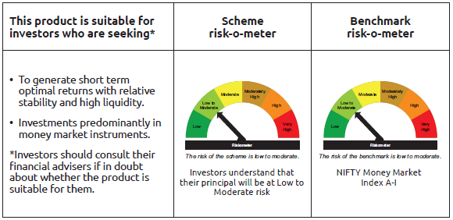
INDEX | Portfolio Statement as on July 31,2025
 | Bandhan Money Market Fund

 | Name of the Instrument | ISIN | Industry / Rating | Quantity | Market/Fair Value ( Rs. in Lacs) | % to NAV | YTM
 | Debt Instruments
 | (a) Listed / awaiting listing on Stock Exchange
 | Government Securities
GOI5801 | Government of India | IN001025C047 | SOVEREIGN | 12,000,000 | 11,854.88 | 0.95% | 5.45%
GOI1566 | 8.08% State Government Securities | IN2220160013 | SOVEREIGN | 5,000,000 | 5,096.78 | 0.41% | 5.84%
GOI3535 | 8.55% State Government Securities | IN2920150264 | SOVEREIGN | 2,500,000 | 2,541.23 | 0.20% | 5.81%
 | Subtotal |  |  |  | 19,492.89 | 1.56%
 | (b) Privately placed / Unlisted |  |  |  | NIL | NIL | NIL
 | Subtotal |  |  |  | NIL | NIL | NIL
 | Total |  |  |  | 19,492.89 | 1.56%
 | Money Market Instruments
 | Certificate of Deposit
SIDB604 | Small Industries Dev Bank of India | INE556F16BH3 | CRISIL A1+ | 65,000,000 | 62,056.54 | 4.97% | 6.25%
UTIB1347 | Axis Bank Limited ** | INE238AD6AL4 | CRISIL A1+ | 45,000,000 | 43,635.20 | 3.50% | 6.07%
NBAR821 | National Bank For Agriculture and Rural Development ** | INE261F16934 | CRISIL A1+ | 42,500,000 | 41,208.47 | 3.30% | 6.09%
UTIB1358 | Axis Bank Limited ** | INE238AD6AU5 | CRISIL A1+ | 42,500,000 | 40,321.62 | 3.23% | 6.26%
NBAR817 | National Bank For Agriculture and Rural Development ** | INE261F16926 | CRISIL A1+ | 40,000,000 | 38,790.68 | 3.11% | 6.09%
HDFB990 | HDFC Bank Limited | INE040A16GJ4 | CRISIL A1+ | 40,000,000 | 38,661.56 | 3.10% | 6.08%
CANB1031 | Canara Bank ** | INE476A16A24 | CRISIL A1+ | 37,500,000 | 36,382.05 | 2.92% | 6.03%
HDFB992 | HDFC Bank Limited ** | INE040A16GN6 | CRISIL A1+ | 32,500,000 | 31,334.13 | 2.51% | 6.09%
IIBL981 | IndusInd Bank Limited ** | INE095A16X93 | CRISIL A1+ | 27,500,000 | 26,700.71 | 2.14% | 6.35%
NBAR823 | National Bank For Agriculture and Rural Development ** | INE261F16959 | ICRA A1+ | 25,000,000 | 24,193.35 | 1.94% | 6.09%
SIDB590 | Small Industries Dev Bank of India ** | INE556F16BA8 | CRISIL A1+ | 20,000,000 | 19,389.88 | 1.55% | 6.08%
SIDB596 | Small Industries Dev Bank of India ** | INE556F16BD2 | CRISIL A1+ | 20,000,000 | 19,287.34 | 1.55% | 6.08%
SIDB603 | Small Industries Dev Bank of India ** | INE556F16BE0 | CRISIL A1+ | 20,000,000 | 19,268.60 | 1.54% | 6.08%
IIBL990 | IndusInd Bank Limited ** | INE095A16Z34 | CRISIL A1+ | 20,000,000 | 19,258.12 | 1.54% | 6.36%
HDFB1008 | HDFC Bank Limited ** | INE040A16HC7 | CRISIL A1+ | 20,000,000 | 19,196.66 | 1.54% | 6.26%
UTIB1365 | Axis Bank Limited ** | INE238AD6BA5 | CRISIL A1+ | 20,000,000 | 19,061.74 | 1.53% | 6.26%
HDFB1002 | HDFC Bank Limited ** | INE040A16GW7 | CRISIL A1+ | 20,000,000 | 19,049.28 | 1.53% | 6.26%
HDFB971 | HDFC Bank Limited ** | INE040A16FR9 | CARE A1+ | 17,500,000 | 17,235.33 | 1.38% | 5.90%
NBAR810 | National Bank For Agriculture and Rural Development | INE261F16900 | CRISIL A1+ | 15,000,000 | 14,577.00 | 1.17% | 6.09%
KMBK876 | Kotak Mahindra Bank Limited ** | INE237A163Z0 | CRISIL A1+ | 12,500,000 | 12,140.19 | 0.97% | 6.01%
INBK458 | Indian Bank ** | INE562A16OA0 | CRISIL A1+ | 12,500,000 | 12,125.40 | 0.97% | 6.03%
INBK467 | Indian Bank ** | INE562A16OG7 | CRISIL A1+ | 12,500,000 | 12,067.39 | 0.97% | 6.03%
KMBK873 | Kotak Mahindra Bank Limited ** | INE237A160Z6 | CRISIL A1+ | 10,000,000 | 9,791.43 | 0.78% | 5.89%
UNBI414 | Union Bank of India ** | INE692A16IK6 | ICRA A1+ | 10,000,000 | 9,729.30 | 0.78% | 6.05%
NBAR806 | National Bank For Agriculture and Rural Development ** | INE261F16892 | CRISIL A1+ | 10,000,000 | 9,721.11 | 0.78% | 6.09%
UNBI418 | Union Bank of India | INE692A16IP5 | ICRA A1+ | 10,000,000 | 9,701.16 | 0.78% | 6.05%
CANB1032 | Canara Bank ** | INE476A16A32 | CRISIL A1+ | 10,000,000 | 9,700.32 | 0.78% | 6.03%
UNBI427 | Union Bank of India ** | INE692A16IY7 | ICRA A1+ | 10,000,000 | 9,654.62 | 0.77% | 6.05%
FEBA349 | The Federal Bank Limited ** | INE171A16MW8 | CRISIL A1+ | 10,000,000 | 9,639.74 | 0.77% | 6.17%
HDFB996 | HDFC Bank Limited | INE040A16GS5 | CRISIL A1+ | 10,000,000 | 9,622.69 | 0.77% | 6.09%
SIDB599 | Small Industries Dev Bank of India ** | INE556F16BG5 | CRISIL A1+ | 10,000,000 | 9,620.21 | 0.77% | 6.08%
SIDB605 | Small Industries Dev Bank of India ** | INE556F16BI1 | CARE A1+ | 10,000,000 | 9,523.81 | 0.76% | 6.25%
UTIB1363 | Axis Bank Limited ** | INE238AD6AZ4 | CRISIL A1+ | 10,000,000 | 9,467.42 | 0.76% | 6.26%
UTIB1340 | Axis Bank Limited ** | INE238AD6991 | CRISIL A1+ | 7,500,000 | 7,376.89 | 0.59% | 5.91%
HDFB979 | HDFC Bank Limited ** | INE040A16FY5 | CRISIL A1+ | 7,500,000 | 7,350.23 | 0.59% | 5.95%
PUBA1092 | Punjab National Bank ** | INE160A16RP4 | CRISIL A1+ | 7,500,000 | 7,218.11 | 0.58% | 6.04%
UTIB1339 | Axis Bank Limited ** | INE238AD6983 | CRISIL A1+ | 5,000,000 | 4,917.14 | 0.39% | 5.91%
KMBK871 | Kotak Mahindra Bank Limited ** | INE237A168Y2 | CRISIL A1+ | 5,000,000 | 4,901.14 | 0.39% | 5.89%
EXIM793 | Export Import Bank of India ** | INE514E16CI1 | CRISIL A1+ | 5,000,000 | 4,880.70 | 0.39% | 5.91%
HDFB986 | HDFC Bank Limited | INE040A16GF2 | CRISIL A1+ | 5,000,000 | 4,847.52 | 0.39% | 6.07%
SIDB592 | Small Industries Dev Bank of India ** | INE556F16BB6 | CRISIL A1+ | 5,000,000 | 4,831.10 | 0.39% | 6.08%
INBK469 | Indian Bank ** | INE562A16OI3 | CRISIL A1+ | 5,000,000 | 4,822.34 | 0.39% | 6.03%
NBAR835 | National Bank For Agriculture and Rural Development ** | INE261F16983 | CRISIL A1+ | 5,000,000 | 4,819.82 | 0.39% | 6.09%
KMBK875 | Kotak Mahindra Bank Limited ** | INE237A162Z2 | CRISIL A1+ | 2,500,000 | 2,433.10 | 0.20% | 6.01%
BKIN467 | Bank of India ** | INE084A16DC4 | CRISIL A1+ | 2,500,000 | 2,423.33 | 0.19% | 6.11%
CANB1021 | Canara Bank ** | INE476A16ZT9 | CRISIL A1+ | 1,500,000 | 1,466.92 | 0.12% | 5.92%
KMBK874 | Kotak Mahindra Bank Limited ** | INE237A161Z4 | CRISIL A1+ | 1,500,000 | 1,461.26 | 0.12% | 6.01%
CANB1049 | Canara Bank ** | INE476A16A16 | CRISIL A1+ | 1,000,000 | 970.81 | 0.08% | 6.03%
 | Commercial Paper
PAFI43 | Panatone Finvest Limited ** | INE116F14216 | CRISIL A1+ | 30,000,000 | 29,155.83 | 2.34% | 6.40%
KOMP1735 | Kotak Mahindra Prime Limited ** | INE916D145C1 | CRISIL A1+ | 30,000,000 | 28,573.20 | 2.29% | 6.58%
BAFL946 | Bajaj Finance Limited ** | INE296A14ZD0 | ICRA A1+ | 25,000,000 | 24,538.35 | 1.97% | 6.30%
KOMP1730 | Kotak Mahindra Prime Limited ** | INE916D144V4 | CRISIL A1+ | 25,000,000 | 24,155.15 | 1.94% | 6.32%
LICH692 | LIC Housing Finance Limited ** | INE115A14FJ1 | CRISIL A1+ | 20,000,000 | 19,345.88 | 1.55% | 6.14%
CHOL1086 | Cholamandalam Investment and Finance Company Ltd ** | INE121A14XM6 | CRISIL A1+ | 20,000,000 | 19,232.04 | 1.54% | 6.63%
EXIM788 | Export Import Bank of India ** | INE514E14SI2 | CRISIL A1+ | 17,500,000 | 17,217.03 | 1.38% | 5.94%
BACR21 | Bajaj Auto Credit Limited ** | INE18UV14026 | CRISIL A1+ | 15,000,000 | 14,679.50 | 1.18% | 6.32%
TCAL522 | Tata Capital Limited ** | INE976I14PW1 | CRISIL A1+ | 15,000,000 | 14,475.33 | 1.16% | 6.33%
ICBR569 | ICICI Securities Limited ** | INE763G14XP5 | CRISIL A1+ | 15,000,000 | 14,435.88 | 1.16% | 6.43%
CHOL1084 | Cholamandalam Investment and Finance Company Ltd ** | INE121A14XG8 | CRISIL A1+ | 10,000,000 | 9,816.72 | 0.79% | 6.49%
RICL204 | Barclays Investments & Loans (India) Private Limited ** | INE704I14KH9 | ICRA A1+ | 10,000,000 | 9,786.88 | 0.78% | 6.52%
LICH690 | LIC Housing Finance Limited ** | INE115A14FI3 | CRISIL A1+ | 10,000,000 | 9,717.21 | 0.78% | 6.14%
ICBR562 | ICICI Securities Limited ** | INE763G14XA7 | CRISIL A1+ | 10,000,000 | 9,678.02 | 0.78% | 6.43%
AXSL103 | Axis Securities Limited ** | INE110O14EW9 | ICRA A1+ | 10,000,000 | 9,652.92 | 0.77% | 6.47%
RICL209 | Barclays Investments & Loans (India) Private Limited ** | INE704I14KL1 | ICRA A1+ | 10,000,000 | 9,608.30 | 0.77% | 6.56%
NBAR857 | National Bank For Agriculture and Rural Development ** | INE261F14OD7 | CRISIL A1+ | 7,000,000 | 6,759.58 | 0.54% | 6.10%
MUFL440 | Muthoot Finance Limited ** | INE414G14TY5 | CRISIL A1+ | 5,000,000 | 4,892.00 | 0.39% | 6.61%
POWF547 | Power Finance Corporation Limited ** | INE134E14AT4 | CRISIL A1+ | 5,000,000 | 4,891.29 | 0.39% | 5.97%
MUFL438 | Muthoot Finance Limited ** | INE414G14TV1 | CRISIL A1+ | 5,000,000 | 4,885.08 | 0.39% | 6.61%
MUFL444 | Muthoot Finance Limited ** | INE414G14UA3 | CRISIL A1+ | 5,000,000 | 4,847.97 | 0.39% | 6.66%
ICBR554 | ICICI Securities Limited ** | INE763G14WP7 | CRISIL A1+ | 2,500,000 | 2,425.29 | 0.19% | 6.43%
NTPC255 | NTPC Limited ** | INE733E14BU9 | CRISIL A1+ | 2,500,000 | 2,411.94 | 0.19% | 6.03%
ICBR582 | ICICI Securities Limited ** | INE763G14XI0 | CRISIL A1+ | 2,500,000 | 2,410.88 | 0.19% | 6.43%
KOMP1732 | Kotak Mahindra Prime Limited ** | INE916D144Z5 | CRISIL A1+ | 2,500,000 | 2,401.06 | 0.19% | 6.32%
 | Treasury Bill
TBIL2483 | 364 Days Tbill | IN002024Z487 | SOVEREIGN | 30,000,000 | 29,021.70 | 2.33% | 5.52%
TBIL2475 | 364 Days Tbill | IN002024Z453 | SOVEREIGN | 25,000,000 | 24,255.80 | 1.94% | 5.52%
TBIL2477 | 364 Days Tbill | IN002024Z461 | SOVEREIGN | 25,000,000 | 24,230.93 | 1.94% | 5.52%
TBIL2487 | 364 Days Tbill | IN002024Z495 | SOVEREIGN | 22,500,000 | 21,743.69 | 1.74% | 5.52%
TBIL2481 | 364 Days Tbill | IN002024Z479 | SOVEREIGN | 20,000,000 | 19,367.14 | 1.55% | 5.52%
TBIL2541 | 91 Days Tbill | IN002025X182 | SOVEREIGN | 16,000,000 | 15,790.53 | 1.27% | 5.38%
TBIL2429 | 364 Days Tbill | IN002024Z305 | SOVEREIGN | 2,500,000 | 2,464.31 | 0.20% | 5.45%
TBIL2442 | 364 Days Tbill | IN002024Z347 | SOVEREIGN | 2,500,000 | 2,454.16 | 0.20% | 5.45%
 | Collateralised Borrowing & Lending Obligation / Reverse Repo Instrument
TRP_010825 | CBLO TRP_010825 |  |  |  | 37,283.60 | 2.99% | 5.44%
 | Reverse Repo |  |  |  | 17,299.72 | 1.39% | 5.48%
 | Total |  |  |  | 1,250,738.37 | 100.25%
 | Corporate Debt Market Development Fund
CDMD50ME | Corporate Debt Market Development Fund | INF0RQ622028 |  | 26,955 | 3,043.19 | 0.24%
 | Total |  |  |  | 3,043.19 | 0.24%
 | OTHERS
 | Cash Margin - CCIL |  |  |  | 54.80 | $
 | Subtotal |  |  |  | 54.80 | $
 | Net Current Assets |  |  |  | (25,711.38) | -2.05%
 | GRAND TOTAL |  |  |  | 1,247,617.87 | 100.00%

 | $ Less Than 0.01% of NAV
 | ** Thinly Traded/Non Traded Securities/Illiquid Securities

 | As per the requirement of regulation 43A of SEBI (Mutual Funds) Regulations, 1996, SEBI circular no. SEBI/HO/IMD/PoD2/P/CIR/2023/128 dated July 27, 2023 on framework for Corporate Debt Market Development Fund and SEBI circular no. SEBI/HO/IMD/PoD2 /P/CIR/2023/129 dated July 27, 2023 on investment by mutual fund schemes and Asset Management Companies (AMCs) in units of Corporate Debt Market Development Fund (“CDMDF”), specified open ended debt-oriented schemes of Bandhan Mutual Fund and Bandhan AMC Limited (‘AMC’) shall invest percentage of net assets in the units of the CDMDF.

Bandhan USTF
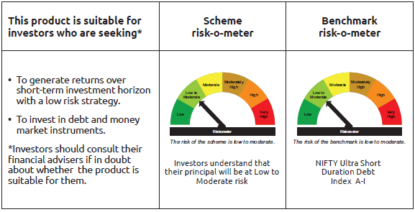
INDEX | Portfolio Statement as on July 31,2025
 | Bandhan Ultra Short Duration Fund

 | Name of the Instrument | ISIN | Industry / Rating | Quantity | Market/Fair Value ( Rs. in Lacs) | % to NAV | YTM
 | Debt Instruments
 | (a) Listed / awaiting listing on Stock Exchange
 | Government Securities
GOI6176 | 6.48% State Government Securities | IN2920210506 | SOVEREIGN | 6,000,000 | 6,043.96 | 1.39% | 6.07%
GOI4006 | 7.2% State Government Securities | IN3320160309 | SOVEREIGN | 5,000,000 | 5,084.01 | 1.17% | 6.09%
GOI1788 | 7.88% State Government Securities | IN3520160034 | SOVEREIGN | 2,500,000 | 2,570.97 | 0.59% | 6.10%
GOI1893 | 7.59% State Government Securities | IN1920160125 | SOVEREIGN | 2,500,000 | 2,562.85 | 0.59% | 6.06%
GOI5480 | 7.43% State Government Securities | IN1520230161 | SOVEREIGN | 2,500,000 | 2,549.06 | 0.59% | 6.05%
GOI4871 | 7.49% State Government Securities | IN1520220097 | SOVEREIGN | 1,500,000 | 1,528.51 | 0.35% | 5.84%
GOI2089 | 8.15% State Government Securities | IN3120180036 | SOVEREIGN | 500,000 | 525.63 | 0.12% | 6.20%
GOI1875 | 7.61% State Government Securities | IN3120160194 | SOVEREIGN | 500,000 | 511.87 | 0.12% | 6.06%
GOI2070 | 7.27% State Government Securities | IN1920160067 | SOVEREIGN | 500,000 | 510.04 | 0.12% | 5.84%
GOI1686 | 7.25% State Government Securities | IN2220160120 | SOVEREIGN | 500,000 | 509.90 | 0.12% | 5.84%
 | Non Convertible Debentures
NBAR677 | 7.4% National Bank For Agriculture and Rural Development ** | INE261F08DO9 | CRISIL AAA | 38,500,000 | 38,664.16 | 8.88% | 6.29%
BAFL826 | 7.9% Bajaj Finance Limited | INE296A07SF4 | CRISIL AAA | 26,500,000 | 26,588.03 | 6.11% | 6.40%
BHFL96 | 7.9237% Bajaj Housing Finance Limited ** | INE377Y07375 | CRISIL AAA | 21,500,000 | 21,672.62 | 4.98% | 6.39%
SIDB472 | 7.11% Small Industries Dev Bank of India ** | INE556F08KB4 | ICRA AAA | 15,000,000 | 15,073.89 | 3.46% | 6.29%
HDFB905 | 7.7% HDFC Bank Limited | INE040A08641 | CRISIL AAA | 13,100,000 | 13,137.85 | 3.02% | 6.37%
RECL411 | 5.94% REC Limited ** | INE020B08DK6 | CRISIL AAA | 12,500,000 | 12,469.81 | 2.86% | 6.25%
LICH635 | 7.7201% LIC Housing Finance Limited ** | INE115A07QB9 | CRISIL AAA | 11,000,000 | 11,060.75 | 2.54% | 6.42%
TCFS658 | 8.3% Tata Capital Limited ** | INE306N07NL3 | ICRA AAA | 8,000,000 | 8,068.58 | 1.85% | 6.64%
RECL448 | 7.79% REC Limited ** | INE020B08ET5 | ICRA AAA | 7,500,000 | 7,532.92 | 1.73% | 6.11%
POWF500 | 7.77% Power Finance Corporation Limited | INE134E08MC7 | CRISIL AAA | 5,500,000 | 5,564.27 | 1.28% | 6.46%
MUFL394 | 8.5% Muthoot Finance Limited ** | INE414G07HK3 | CRISIL AA+ | 5,500,000 | 5,527.77 | 1.27% | 7.14%
TCHF401 | 8.1% Tata Capital Housing Finance Limited ** | INE033L07IE2 | CRISIL AAA | 5,000,000 | 5,088.21 | 1.17% | 6.82%
NBAR723 | 7.49% National Bank For Agriculture and Rural Development ** | INE261F08EB4 | CRISIL AAA | 5,000,000 | 5,051.45 | 1.16% | 6.54%
NBAR719 | 7.5% National Bank For Agriculture and Rural Development | INE261F08EA6 | CRISIL AAA | 5,000,000 | 5,047.86 | 1.16% | 6.54%
BHFL117 | 8% Bajaj Housing Finance Limited ** | INE377Y07466 | CRISIL AAA | 5,000,000 | 5,036.29 | 1.16% | 6.39%
RECL429 | 7.6% REC Limited ** | INE020B08EF4 | CRISIL AAA | 5,000,000 | 5,031.06 | 1.16% | 6.28%
SUFI727 | 7.4% Sundaram Finance Limited ** | INE660A07RH9 | CRISIL AAA | 4,500,000 | 4,501.49 | 1.03% | 6.47%
BHFL121 | 7.98% Bajaj Housing Finance Limited | INE377Y07490 | CRISIL AAA | 3,000,000 | 3,040.53 | 0.70% | 6.65%
CHOL1035 | 8.5% Cholamandalam Investment and Finance Company Ltd ** | INE121A07RT7 | ICRA AA+ | 2,500,000 | 2,540.38 | 0.58% | 7.27%
BHFL102 | 7.78% Bajaj Housing Finance Limited ** | INE377Y07425 | CRISIL AAA | 2,500,000 | 2,521.33 | 0.58% | 6.59%
BHFL133 | 7.14% Bajaj Housing Finance Limited ** | INE377Y07557 | CRISIL AAA | 2,500,000 | 2,508.40 | 0.58% | 6.90%
CHOL989 | 7.9217% Cholamandalam Investment and Finance Company Ltd ** | INE121A07QR3 | ICRA AA+ | 2,500,000 | 2,506.83 | 0.58% | 7.00%
RECL405 | 5.85% REC Limited ** | INE020B08DF6 | CRISIL AAA | 2,500,000 | 2,495.33 | 0.57% | 6.13%
POWF246 | 8.9% Power Finance Corporation Limited ** | INE134E08FO6 | CRISIL AAA | 1,500,000 | 1,577.73 | 0.36% | 6.66%
NBAR701 | 7.58% National Bank For Agriculture and Rural Development | INE261F08DX0 | CRISIL AAA | 1,500,000 | 1,515.01 | 0.35% | 6.51%
BAFL934 | 8.1% Bajaj Finance Limited ** | INE296A07TA3 | CRISIL AAA | 1,000,000 | 1,009.89 | 0.23% | 6.70%
LICH666 | 7.835% LIC Housing Finance Limited ** | INE115A07QO2 | CRISIL AAA | 500,000 | 508.08 | 0.12% | 6.81%
MUFL397 | 8.65% Muthoot Finance Limited ** | INE414G07HS6 | CRISIL AA+ | 500,000 | 504.28 | 0.12% | 7.42%
POWF470 | 6.5% Power Finance Corporation Limited ** | INE134E08LD7 | CRISIL AAA | 500,000 | 500.13 | 0.11% | 5.96%
 | Subtotal |  |  |  | 238,741.73 | 54.86%
 | (b) Privately placed / Unlisted |  |  |  | NIL | NIL | NIL
 | Subtotal |  |  |  | NIL | NIL | NIL
 | Total |  |  |  | 238,741.73 | 54.86%
 | Money Market Instruments
 | Certificate of Deposit
SIDB576 | Small Industries Dev Bank of India | INE556F16AV6 | CRISIL A1+ | 22,500,000 | 22,208.11 | 5.10% | 5.78%
UTIB1362 | Axis Bank Limited ** | INE238AD6AB5 | CRISIL A1+ | 15,000,000 | 14,818.38 | 3.40% | 5.81%
HDFB983 | HDFC Bank Limited | INE040A16GA3 | CARE A1+ | 15,000,000 | 14,667.65 | 3.37% | 5.95%
HDFB968 | HDFC Bank Limited ** | INE040A16FO6 | CARE A1+ | 12,500,000 | 12,362.25 | 2.84% | 5.81%
UTIB1361 | Axis Bank Limited | INE238AD6AX9 | CRISIL A1+ | 12,500,000 | 12,226.10 | 2.81% | 5.97%
BKBA520 | Bank of Baroda ** | INE028A16JI5 | FITCH A1+ | 10,000,000 | 9,746.99 | 2.24% | 6.03%
UTIB1335 | Axis Bank Limited ** | INE238AD6959 | CRISIL A1+ | 5,000,000 | 4,945.68 | 1.14% | 5.81%
UTIB1334 | Axis Bank Limited ** | INE238AD6942 | CRISIL A1+ | 5,000,000 | 4,944.90 | 1.14% | 5.81%
HDFB971 | HDFC Bank Limited ** | INE040A16FR9 | CARE A1+ | 5,000,000 | 4,924.38 | 1.13% | 5.90%
UTIB1340 | Axis Bank Limited ** | INE238AD6991 | CRISIL A1+ | 5,000,000 | 4,917.93 | 1.13% | 5.91%
HDFB979 | HDFC Bank Limited ** | INE040A16FY5 | CRISIL A1+ | 5,000,000 | 4,900.15 | 1.13% | 5.95%
SIDB581 | Small Industries Dev Bank of India | INE556F16AX2 | CRISIL A1+ | 5,000,000 | 4,899.04 | 1.13% | 5.97%
BKBA467 | Bank of Baroda ** | INE028A16HJ7 | FITCH A1+ | 5,000,000 | 4,870.35 | 1.12% | 6.04%
BKBA468 | Bank of Baroda ** | INE028A16HK5 | FITCH A1+ | 2,500,000 | 2,433.61 | 0.56% | 6.03%
 | Commercial Paper
INBS512 | Reliance Jio Infocomm Limited | INE110L14UE9 | CRISIL A1+ | 15,000,000 | 14,816.52 | 3.40% | 5.87%
EXIM789 | Export Import Bank of India ** | INE514E14SJ0 | CRISIL A1+ | 15,000,000 | 14,740.92 | 3.39% | 5.94%
EXIM804 | Export Import Bank of India ** | INE514E14ST9 | CRISIL A1+ | 5,000,000 | 4,934.37 | 1.13% | 5.78%
CHOL1086 | Cholamandalam Investment and Finance Company Ltd ** | INE121A14XM6 | CRISIL A1+ | 5,000,000 | 4,808.01 | 1.10% | 6.63%
 | Treasury Bill
TBIL2469 | 182 Days Tbill | IN002024Y431 | SOVEREIGN | 5,838,500 | 5,833.42 | 1.34% | 5.30%
 | Collateralised Borrowing & Lending Obligation / Reverse Repo Instrument
TRP_010825 | CBLO TRP_010825 |  |  |  | 43,420.14 | 9.97% | 5.44%
 | Total |  |  |  | 211,418.90 | 48.57%
 | Corporate Debt Market Development Fund
CDMD50ME | Corporate Debt Market Development Fund | INF0RQ622028 |  | 11,244 | 1,269.38 | 0.29%
 | Total |  |  |  | 1,269.38 | 0.29%
 | OTHERS
 | Cash Margin - CCIL |  |  |  | 33.56 | 0.01%
 | Subtotal |  |  |  | 33.56 | 0.01%
 | Net Current Assets |  |  |  | (16,132.86) | -3.73%
 | GRAND TOTAL |  |  |  | 435,330.71 | 100.00%

 | ** Thinly Traded/Non Traded Securities/Illiquid Securities

 | As per the requirement of regulation 43A of SEBI (Mutual Funds) Regulations, 1996, SEBI circular no. SEBI/HO/IMD/PoD2/P/CIR/2023/128 dated July 27, 2023 on framework for Corporate Debt Market Development Fund and SEBI circular no. SEBI/HO/IMD/PoD2 /P/CIR/2023/129 dated July 27, 2023 on investment by mutual fund schemes and Asset Management Companies (AMCs) in units of Corporate Debt Market Development Fund (“CDMDF”), specified open ended debt-oriented schemes of Bandhan Mutual Fund and Bandhan AMC Limited (‘AMC’) shall invest percentage of net assets in the units of the CDMDF.

Bandhan DBF
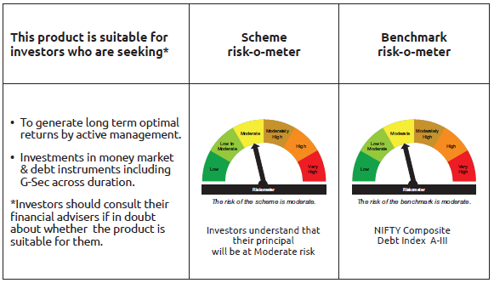
INDEX | Portfolio Statement as on July 31,2025
 | Bandhan Dynamic Bond Fund

 | Name of the Instrument | ISIN | Industry / Rating | Quantity | Market/Fair Value ( Rs. in Lacs) | % to NAV | YTM
 | Debt Instruments
 | (a) Listed / awaiting listing on Stock Exchange
 | Government Securities
GOI5152 | 7.3% GOI (MD 19/06/2053) | IN0020230051 | SOVEREIGN | 139,800,000 | 144,141.35 | 50.48% | 7.17%
GOI6889 | 6.68% GOI (MD 07/07/2040) | IN0020250042 | SOVEREIGN | 82,800,000 | 82,829.48 | 29.01% | 6.79%
GOI6226 | 6.92% GOI (MD 18/11/2039) | IN0020240134 | SOVEREIGN | 50,400,000 | 51,413.70 | 18.01% | 6.81%
GOI5721 | 7.23% GOI (MD 15/04/2039) | IN0020240027 | SOVEREIGN | 3,700,000 | 3,884.64 | 1.36% | 6.78%
GOI1973 | 7.17% GOI (MD 08/01/2028) | IN0020170174 | SOVEREIGN | 10,000 | 10.29 | $ | 5.94%
GOI922 | 8.20% GOI (MD 24/09/2025) | IN0020120047 | SOVEREIGN | 10,000 | 10.04 | $ | 5.39%
 | Subtotal |  |  |  | 282,289.50 | 98.86%
 | (b) Privately placed / Unlisted |  |  |  | NIL | NIL | NIL
 | Subtotal |  |  |  | NIL | NIL | NIL
 | Total |  |  |  | 282,289.50 | 98.86%
 | Money Market Instruments
 | Collateralised Borrowing & Lending Obligation / Reverse Repo Instrument
TRP_010825 | CBLO TRP_010825 |  |  |  | 120.55 | 0.04% | 5.44%
 | Total |  |  |  | 120.55 | $
 | Corporate Debt Market Development Fund
CDMD50ME | Corporate Debt Market Development Fund | INF0RQ622028 |  | 7,534 | 850.54 | 0.30%
 | Total |  |  |  | 850.54 | 0.30%
 | OTHERS
 | Cash Margin - CCIL |  |  |  | 120.22 | 0.04%
 | Subtotal |  |  |  | 120.22 | 0.04%
 | Net Current Assets |  |  |  | 2,165.21 | 0.76%
 | GRAND TOTAL |  |  |  | 285,546.02 | 100.00%

 | $ Less Than 0.01% of NAV

 | As per the requirement of regulation 43A of SEBI (Mutual Funds) Regulations, 1996, SEBI circular no. SEBI/HO/IMD/PoD2/P/CIR/2023/128 dated July 27, 2023 on framework for Corporate Debt Market Development Fund and SEBI circular no. SEBI/HO/IMD/PoD2 /P/CIR/2023/129 dated July 27, 2023 on investment by mutual fund schemes and Asset Management Companies (AMCs) in units of Corporate Debt Market Development Fund (“CDMDF”), specified open ended debt-oriented schemes of Bandhan Mutual Fund and Bandhan AMC Limited (‘AMC’) shall invest percentage of net assets in the units of the CDMDF.

Bandhan BF-IP
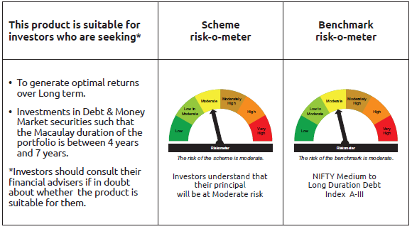
INDEX | Portfolio Statement as on July 31,2025
 | Bandhan Bond Fund - Income Plan

 | Name of the Instrument | ISIN | Industry / Rating | Quantity | Market/Fair Value ( Rs. in Lacs) | % to NAV | YTM
 | Debt Instruments
 | (a) Listed / awaiting listing on Stock Exchange
 | Government Securities
GOI5228 | 7.18% Government of India | IN0020230085 | SOVEREIGN | 18,000,000 | 18,830.32 | 38.12% | 6.54%
GOI5152 | 7.3% Government of India | IN0020230051 | SOVEREIGN | 14,700,000 | 15,156.49 | 30.68% | 7.17%
GOI5713 | 7.1% Government of India | IN0020240019 | SOVEREIGN | 2,500,000 | 2,605.63 | 5.27% | 6.56%
GOI5833 | 7.02% Government of India | IN0020240076 | SOVEREIGN | 500,000 | 519.75 | 1.05% | 6.30%
GOI3528 | 6.1% Government of India | IN0020210095 | SOVEREIGN | 500,000 | 496.75 | 1.01% | 6.33%
GOI1864 | 6.79% Government of India | IN0020170026 | SOVEREIGN | 100,000 | 101.80 | 0.21% | 5.79%
GOI1364 | 7.73% Government of India | IN0020150051 | SOVEREIGN | 37,500 | 40.81 | 0.08% | 6.56%
 | Non Convertible Debentures
TCFS680 | 8.098% Tata Capital Limited ** | INE306N07NS8 | CRISIL AAA | 4,200,000 | 4,262.29 | 8.63% | 6.99%
BHFL114 | 8.04% Bajaj Housing Finance Limited ** | INE377Y07441 | CRISIL AAA | 2,500,000 | 2,536.81 | 5.13% | 6.90%
NBAR677 | 7.4% National Bank For Agriculture and Rural Development ** | INE261F08DO9 | CRISIL AAA | 1,500,000 | 1,506.40 | 3.05% | 6.29%
RECL405 | 5.85% REC Limited ** | INE020B08DF6 | CRISIL AAA | 200,000 | 199.63 | 0.40% | 6.13%
 | Subtotal |  |  |  | 46,256.68 | 93.63%
 | (b) Privately placed / Unlisted |  |  |  | NIL | NIL | NIL
 | Subtotal |  |  |  | NIL | NIL | NIL
 | Total |  |  |  | 46,256.68 | 93.63%
 | Money Market Instruments
 | Commercial Paper
BAFL946 | Bajaj Finance Limited ** | INE296A14ZD0 | ICRA A1+ | 1,400,000 | 1,374.15 | 2.78% | 6.30%
 | Collateralised Borrowing & Lending Obligation / Reverse Repo Instrument
TRP_010825 | CBLO TRP_010825 |  |  |  | 382.45 | 0.77% | 5.44%
 | Total |  |  |  | 1,756.60 | 3.55%
 | Corporate Debt Market Development Fund
CDMD50ME | Corporate Debt Market Development Fund | INF0RQ622028 |  | 1,254 | 141.59 | 0.29%
 | Total |  |  |  | 141.59 | 0.29%
 | OTHERS
 | Cash Margin - CCIL |  |  |  | 128.47 | 0.26%
 | Subtotal |  |  |  | 128.47 | 0.26%
 | Net Current Assets |  |  |  | 1,120.17 | 2.27%
 | GRAND TOTAL |  |  |  | 49,403.51 | 100.00%

 | ** Thinly Traded/Non Traded Securities/Illiquid Securities

 | As per the requirement of regulation 43A of SEBI (Mutual Funds) Regulations, 1996, SEBI circular no. SEBI/HO/IMD/PoD2/P/CIR/2023/128 dated July 27, 2023 on framework for Corporate Debt Market Development Fund and SEBI circular no. SEBI/HO/IMD/PoD2 /P/CIR/2023/129 dated July 27, 2023 on investment by mutual fund schemes and Asset Management Companies (AMCs) in units of Corporate Debt Market Development Fund (“CDMDF”), specified open ended debt-oriented schemes of Bandhan Mutual Fund and Bandhan AMC Limited (‘AMC’) shall invest percentage of net assets in the units of the CDMDF.

Bandhan BF-MTP
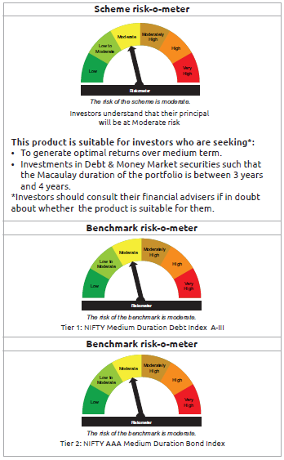
INDEX | Portfolio Statement as on July 31,2025
 | Bandhan Bond Fund - Medium Term Plan

 | Name of the Instrument | ISIN | Industry / Rating | Quantity | Market/Fair Value ( Rs. in Lacs) | % to NAV | YTM
 | Debt Instruments
 | (a) Listed / awaiting listing on Stock Exchange
 | Government Securities
GOI4976 | 7.26% Government of India | IN0020220151 | SOVEREIGN | 76,300,000 | 80,069.37 | 54.51% | 6.52%
GOI5228 | 7.18% Government of India | IN0020230085 | SOVEREIGN | 4,400,000 | 4,602.97 | 3.13% | 6.54%
GOI5833 | 7.02% Government of India | IN0020240076 | SOVEREIGN | 1,200,000 | 1,247.40 | 0.85% | 6.30%
GOI4986 | 7.68% State Government Securities | IN1520220238 | SOVEREIGN | 500,000 | 522.46 | 0.36% | 6.63%
GOI3734 | 6.54% Government of India | IN0020210244 | SOVEREIGN | 500,000 | 507.38 | 0.35% | 6.36%
GOI2153 | 8.37% State Government Securities | IN3120180176 | SOVEREIGN | 194,600 | 207.69 | 0.14% | 6.20%
GOI1864 | 6.79% Government of India | IN0020170026 | SOVEREIGN | 20,000 | 20.36 | 0.01% | 5.79%
GOI536 | 8.24% Government of India | IN0020060078 | SOVEREIGN | 11,000 | 11.40 | 0.01% | 5.79%
 | Non Convertible Debentures
TCHF371 | 7.75% Tata Capital Housing Finance Limited ** | INE033L07HQ8 | CRISIL AAA | 10,500,000 | 10,652.06 | 7.25% | 6.84%
BHFL114 | 8.04% Bajaj Housing Finance Limited ** | INE377Y07441 | CRISIL AAA | 10,000,000 | 10,147.25 | 6.91% | 6.90%
BHFL121 | 7.98% Bajaj Housing Finance Limited | INE377Y07490 | CRISIL AAA | 5,000,000 | 5,067.55 | 3.45% | 6.65%
HDFB889 | 6% HDFC Bank Limited | INE040A08708 | CRISIL AAA | 5,000,000 | 4,972.34 | 3.38% | 6.64%
TCFS633 | 7.89% Tata Capital Limited | INE306N07MX0 | CRISIL AAA | 4,500,000 | 4,571.66 | 3.11% | 7.00%
NBAR677 | 7.4% National Bank For Agriculture and Rural Development ** | INE261F08DO9 | CRISIL AAA | 2,500,000 | 2,510.66 | 1.71% | 6.29%
TCFS658 | 8.3% Tata Capital Limited ** | INE306N07NL3 | ICRA AAA | 2,000,000 | 2,017.15 | 1.37% | 6.64%
BAFL826 | 7.9% Bajaj Finance Limited | INE296A07SF4 | CRISIL AAA | 1,000,000 | 1,003.32 | 0.68% | 6.40%
TCFS654 | 8.1165% Tata Capital Limited ** | INE306N07NK5 | CRISIL AAA | 900,000 | 909.09 | 0.62% | 6.68%
TCFS680 | 8.098% Tata Capital Limited ** | INE306N07NS8 | CRISIL AAA | 800,000 | 811.87 | 0.55% | 6.99%
BAFL943 | 7.7951% Bajaj Finance Limited ** | INE296A07TF2 | CRISIL AAA | 500,000 | 507.75 | 0.35% | 7.03%
 | Subtotal |  |  |  | 130,359.73 | 88.74%
 | (b) Privately placed / Unlisted |  |  |  | NIL | NIL | NIL
 | Subtotal |  |  |  | NIL | NIL | NIL
 | Total |  |  |  | 130,359.73 | 88.74%
 | Money Market Instruments
 | Certificate of Deposit
HDFB983 | HDFC Bank Limited | INE040A16GA3 | CARE A1+ | 5,000,000 | 4,889.22 | 3.33% | 5.95%
CANB1018 | Canara Bank ** | INE476A16ZQ5 | CRISIL A1+ | 4,500,000 | 4,404.94 | 3.00% | 5.92%
 | Commercial Paper
EXIM804 | Export Import Bank of India ** | INE514E14ST9 | CRISIL A1+ | 2,500,000 | 2,467.18 | 1.68% | 5.78%
 | Collateralised Borrowing & Lending Obligation / Reverse Repo Instrument
TRP_010825 | CBLO TRP_010825 |  |  |  | 172.24 | 0.12% | 5.44%
 | Total |  |  |  | 11,933.58 | 8.13%
 | Corporate Debt Market Development Fund
CDMD50ME | Corporate Debt Market Development Fund | INF0RQ622028 |  | 5,086 | 574.23 | 0.39%
 | Total |  |  |  | 574.23 | 0.39%
 | OTHERS
 | Cash Margin - CCIL |  |  |  | 0.01 | $
 | Subtotal |  |  |  | 0.01 | $
 | Net Current Assets |  |  |  | 4,033.91 | 2.74%
 | GRAND TOTAL |  |  |  | 146,901.46 | 100.00%

 | $ Less Than 0.01% of NAV
 | ** Thinly Traded/Non Traded Securities/Illiquid Securities

 | As per the requirement of regulation 43A of SEBI (Mutual Funds) Regulations, 1996, SEBI circular no. SEBI/HO/IMD/PoD2/P/CIR/2023/128 dated July 27, 2023 on framework for Corporate Debt Market Development Fund and SEBI circular no. SEBI/HO/IMD/PoD2 /P/CIR/2023/129 dated July 27, 2023 on investment by mutual fund schemes and Asset Management Companies (AMCs) in units of Corporate Debt Market Development Fund (“CDMDF”), specified open ended debt-oriented schemes of Bandhan Mutual Fund and Bandhan AMC Limited (‘AMC’) shall invest percentage of net assets in the units of the CDMDF.

Bandhan BF-STP
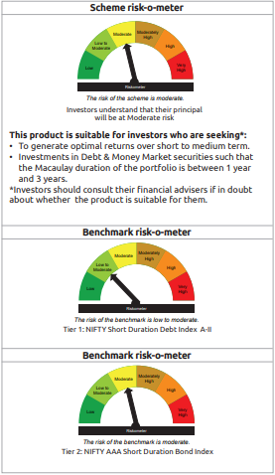
INDEX | Portfolio Statement as on July 31,2025
 | Bandhan Bond Fund - Short Term Plan

 | Name of the Instrument | ISIN | Industry / Rating | Quantity | Market/Fair Value ( Rs. in Lacs) | % to NAV | YTM
 | Derivatives
 | Interest Rate Swaps
IRS1074FL | Interest Rate Swaps (26/12/2025) |  |  | 50,000,000 | 50,000.00 | 4.57%
IRS1057FL | Interest Rate Swaps (10/03/2026) |  |  | 25,000,000 | 25,000.00 | 2.28%
IRS1058FL | Interest Rate Swaps (10/03/2026) |  |  | 25,000,000 | 25,000.00 | 2.28%
IRS1070FL | Interest Rate Swaps (26/03/2026) |  |  | 25,000,000 | 25,000.00 | 2.28%
IRS1072FL | Interest Rate Swaps (26/03/2026) |  |  | 25,000,000 | 25,000.00 | 2.28%
IRS1073FL | Interest Rate Swaps (26/12/2025) |  |  | 25,000,000 | 25,000.00 | 2.28%
IRS1057FX | Interest Rate Swaps (10/03/2026) |  |  | -25,000,000 | (24,994.40) | -2.28% | 5.46%
IRS1058FX | Interest Rate Swaps (10/03/2026) |  |  | -25,000,000 | (24,994.78) | -2.28% | 5.46%
IRS1073FX | Interest Rate Swaps (26/12/2025) |  |  | -25,000,000 | (25,003.10) | -2.28% | 5.44%
IRS1070FX | Interest Rate Swaps (26/03/2026) |  |  | -25,000,000 | (25,004.53) | -2.28% | 5.46%
IRS1072FX | Interest Rate Swaps (26/03/2026) |  |  | -25,000,000 | (25,004.93) | -2.28% | 5.46%
IRS1074FX | Interest Rate Swaps (26/12/2025) |  |  | -50,000,000 | (50,005.70) | -4.57% | 5.44%
 | Total |  |  |  | (7.44) | 0.00%
 | Debt Instruments
 | (a) Listed / awaiting listing on Stock Exchange
 | Government Securities
GOI5833 | 7.02% Government of India | IN0020240076 | SOVEREIGN | 258,800,000 | 269,023.12 | 24.58% | 6.30%
GOI3528 | 6.1% Government of India | IN0020210095 | SOVEREIGN | 60,000,000 | 59,609.94 | 5.45% | 6.33%
GOI5037 | 7.69% State Government Securities | IN2220220213 | SOVEREIGN | 50,000,000 | 52,490.25 | 4.80% | 6.72%
GOI3664 | 6.83% State Government Securities | IN3120210262 | SOVEREIGN | 50,000,000 | 50,604.85 | 4.62% | 6.70%
GOI3597 | 6.88% State Government Securities | IN1520210031 | SOVEREIGN | 25,000,000 | 25,345.48 | 2.32% | 6.70%
GOI4193 | 6.88% State Government Securities | IN3320210013 | SOVEREIGN | 25,000,000 | 25,336.15 | 2.32% | 6.71%
GOI4194 | 6.99% State Government Securities | IN3320210039 | SOVEREIGN | 21,500,000 | 21,907.30 | 2.00% | 6.71%
GOI3734 | 6.54% Government of India | IN0020210244 | SOVEREIGN | 12,500,000 | 12,684.38 | 1.16% | 6.36%
GOI4152 | 6.89% State Government Securities | IN2220210156 | SOVEREIGN | 11,000,000 | 11,157.32 | 1.02% | 6.70%
GOI3511 | 6.83% State Government Securities | IN2220210131 | SOVEREIGN | 10,000,000 | 10,113.60 | 0.92% | 6.70%
GOI5228 | 7.18% Government of India | IN0020230085 | SOVEREIGN | 5,600,000 | 5,858.32 | 0.54% | 6.54%
GOI6922 | 7.01% State Government Securities | IN1520240111 | SOVEREIGN | 5,000,000 | 5,092.66 | 0.47% | 6.71%
GOI4976 | 7.26% Government of India | IN0020220151 | SOVEREIGN | 200,000 | 209.88 | 0.02% | 6.52%
GOI536 | 8.24% Government of India | IN0020060078 | SOVEREIGN | 100,000 | 103.67 | 0.01% | 5.79%
GOI3103 | 5.63% Government of India | IN0020210012 | SOVEREIGN | 100,000 | 100.02 | 0.01% | 5.66%
GOI1864 | 6.79% Government of India | IN0020170026 | SOVEREIGN | 85,000 | 86.53 | 0.01% | 5.79%
 | Non Convertible Debentures
BHFL114 | 8.04% Bajaj Housing Finance Limited ** | INE377Y07441 | CRISIL AAA | 47,500,000 | 48,199.44 | 4.40% | 6.90%
TCFS654 | 8.1165% Tata Capital Limited ** | INE306N07NK5 | CRISIL AAA | 44,100,000 | 44,545.54 | 4.07% | 6.68%
BAFL974 | 7.3763% Bajaj Finance Limited ** | INE296A07TJ4 | CRISIL AAA | 27,500,000 | 27,670.75 | 2.53% | 7.09%
LICH680 | 7.74% LIC Housing Finance Limited ** | INE115A07QW5 | CRISIL AAA | 27,000,000 | 27,543.08 | 2.52% | 6.82%
BAFL826 | 7.9% Bajaj Finance Limited | INE296A07SF4 | CRISIL AAA | 26,500,000 | 26,588.03 | 2.43% | 6.40%
TCHF375 | 7.8% Tata Capital Housing Finance Limited ** | INE033L07HU0 | CRISIL AAA | 25,000,000 | 25,431.90 | 2.32% | 6.85%
LICH676 | 7.9265% LIC Housing Finance Limited ** | INE115A07QS3 | CRISIL AAA | 24,500,000 | 24,981.45 | 2.28% | 6.81%
BHFL121 | 7.98% Bajaj Housing Finance Limited | INE377Y07490 | CRISIL AAA | 17,500,000 | 17,736.41 | 1.62% | 6.65%
HDFB887 | 5.78% HDFC Bank Limited | INE040A08856 | CRISIL AAA | 15,000,000 | 14,960.70 | 1.37% | 6.37%
IRLY383 | 7.37% Indian Railway Finance Corporation Limited ** | INE053F08411 | CRISIL AAA | 10,000,000 | 10,244.53 | 0.94% | 6.65%
TCHF397 | 8.0409% Tata Capital Housing Finance Limited ** | INE033L07ID4 | CRISIL AAA | 10,000,000 | 10,176.58 | 0.93% | 6.82%
LICH697 | 7.73% LIC Housing Finance Limited ** | INE115A07RE1 | CRISIL AAA | 10,000,000 | 10,138.25 | 0.93% | 6.77%
BAFL943 | 7.7951% Bajaj Finance Limited ** | INE296A07TF2 | CRISIL AAA | 6,000,000 | 6,093.03 | 0.56% | 7.03%
TCHF371 | 7.75% Tata Capital Housing Finance Limited ** | INE033L07HQ8 | CRISIL AAA | 5,000,000 | 5,072.41 | 0.46% | 6.84%
NBAR719 | 7.5% National Bank For Agriculture and Rural Development | INE261F08EA6 | CRISIL AAA | 5,000,000 | 5,047.86 | 0.46% | 6.54%
BHFL102 | 7.78% Bajaj Housing Finance Limited ** | INE377Y07425 | CRISIL AAA | 5,000,000 | 5,042.65 | 0.46% | 6.59%
BHFL117 | 8% Bajaj Housing Finance Limited ** | INE377Y07466 | CRISIL AAA | 5,000,000 | 5,036.29 | 0.46% | 6.39%
JOIC20 | 7.19% JIO Credit Limited ** | INE282H07018 | CRISIL AAA | 5,000,000 | 5,010.03 | 0.46% | 7.10%
LICH622 | 7.9% LIC Housing Finance Limited ** | INE115A07PV9 | CRISIL AAA | 4,000,000 | 4,074.09 | 0.37% | 6.81%
BAFL967 | 7.7215% Bajaj Finance Limited ** | INE296A07TG0 | CRISIL AAA | 3,500,000 | 3,536.02 | 0.32% | 7.00%
BAFL934 | 8.1% Bajaj Finance Limited ** | INE296A07TA3 | CRISIL AAA | 3,000,000 | 3,029.68 | 0.28% | 6.70%
NBAR803 | 7.4% National Bank For Agriculture and Rural Development | INE261F08EL3 | CRISIL AAA | 2,500,000 | 2,554.46 | 0.23% | 6.84%
BHFL98 | 7.83% Bajaj Housing Finance Limited ** | INE377Y07391 | CRISIL AAA | 2,500,000 | 2,510.86 | 0.23% | 6.30%
NBAR680 | 7.25% National Bank For Agriculture and Rural Development ** | INE261F08DQ4 | CRISIL AAA | 1,000,000 | 1,000.00 | 0.09% | 5.77%
 | Subtotal |  |  |  | 885,947.51 | 80.97%
 | (b) Privately placed / Unlisted |  |  |  | NIL | NIL | NIL
 | Subtotal |  |  |  | NIL | NIL | NIL
 | Total |  |  |  | 885,947.51 | 80.97%
 | Money Market Instruments
 | Certificate of Deposit
EXIM793 | Export Import Bank of India ** | INE514E16CI1 | CRISIL A1+ | 35,000,000 | 34,164.87 | 3.12% | 5.91%
NBAR823 | National Bank For Agriculture and Rural Development ** | INE261F16959 | ICRA A1+ | 20,000,000 | 19,354.68 | 1.77% | 6.09%
SIDB576 | Small Industries Dev Bank of India | INE556F16AV6 | CRISIL A1+ | 17,500,000 | 17,272.97 | 1.58% | 5.78%
CANB1016 | Canara Bank ** | INE476A16ZP7 | CRISIL A1+ | 17,500,000 | 17,149.39 | 1.57% | 5.92%
HDFB983 | HDFC Bank Limited | INE040A16GA3 | CARE A1+ | 12,500,000 | 12,223.04 | 1.12% | 5.95%
UNBI410 | Union Bank of India ** | INE692A16IF6 | FITCH A1+ | 10,000,000 | 9,792.01 | 0.89% | 5.92%
NBAR817 | National Bank For Agriculture and Rural Development ** | INE261F16926 | CRISIL A1+ | 10,000,000 | 9,697.67 | 0.89% | 6.09%
UTIB1340 | Axis Bank Limited ** | INE238AD6991 | CRISIL A1+ | 7,500,000 | 7,376.89 | 0.67% | 5.91%
IBCL1176 | ICICI Bank Limited ** | INE090AD6204 | ICRA A1+ | 7,500,000 | 7,376.29 | 0.67% | 5.83%
HDFB971 | HDFC Bank Limited ** | INE040A16FR9 | CARE A1+ | 5,000,000 | 4,924.38 | 0.45% | 5.90%
KMBK870 | Kotak Mahindra Bank Limited ** | INE237A167Y4 | CRISIL A1+ | 2,500,000 | 2,453.21 | 0.22% | 5.85%
CANB1015 | Canara Bank ** | INE476A16ZO0 | CRISIL A1+ | 2,000,000 | 1,960.24 | 0.18% | 5.92%
 | Commercial Paper
EXIM804 | Export Import Bank of India ** | INE514E14ST9 | CRISIL A1+ | 35,000,000 | 34,540.56 | 3.16% | 5.78%
BAFL946 | Bajaj Finance Limited ** | INE296A14ZD0 | ICRA A1+ | 1,100,000 | 1,079.69 | 0.10% | 6.30%
 | Collateralised Borrowing & Lending Obligation / Reverse Repo Instrument
TRP_010825 | CBLO TRP_010825 |  |  |  | 4,243.12 | 0.39% | 5.44%
 | Total |  |  |  | 183,609.01 | 16.78%
 | Corporate Debt Market Development Fund
CDMD50ME | Corporate Debt Market Development Fund | INF0RQ622028 |  | 26,591 | 3,002.06 | 0.27%
 | Total |  |  |  | 3,002.06 | 0.27%
 | OTHERS
 | Cash Margin - CCIL |  |  |  | 149.04 | 0.01%
 | Subtotal |  |  |  | 149.04 | 0.01%
 | Net Current Assets |  |  |  | 21,707.59 | 1.97%
 | GRAND TOTAL |  |  |  | 1,094,415.21 | 100.00%

 | ** Thinly Traded/Non Traded Securities/Illiquid Securities

 | As per the requirement of regulation 43A of SEBI (Mutual Funds) Regulations, 1996, SEBI circular no. SEBI/HO/IMD/PoD2/P/CIR/2023/128 dated July 27, 2023 on framework for Corporate Debt Market Development Fund and SEBI circular no. SEBI/HO/IMD/PoD2 /P/CIR/2023/129 dated July 27, 2023 on investment by mutual fund schemes and Asset Management Companies (AMCs) in units of Corporate Debt Market Development Fund (“CDMDF”), specified open ended debt-oriented schemes of Bandhan Mutual Fund and Bandhan AMC Limited (‘AMC’) shall invest percentage of net assets in the units of the CDMDF.

Bandhan Banking & PSU
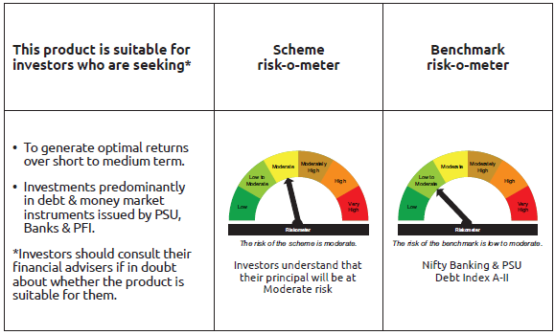
INDEX | Portfolio Statement as on July 31,2025
 | Bandhan Banking and PSU Fund

 | Name of the Instrument | ISIN | Industry / Rating | Quantity | Market/Fair Value ( Rs. in Lacs) | % to NAV | YTM
 | Debt Instruments
 | (a) Listed / awaiting listing on Stock Exchange
 | Government Securities
GOI5228 | 7.18% Government of India | IN0020230085 | SOVEREIGN | 155,100,000 | 162,254.61 | 12.12% | 6.54%
GOI5713 | 7.1% Government of India | IN0020240019 | SOVEREIGN | 107,000,000 | 111,520.96 | 8.33% | 6.56%
GOI4976 | 7.26% Government of India | IN0020220151 | SOVEREIGN | 45,000,000 | 47,223.09 | 3.53% | 6.52%
GOI6526 | 7.17% State Government Securities | IN2720240158 | SOVEREIGN | 28,000,000 | 28,767.14 | 2.15% | 6.64%
GOI1908 | 7.18% State Government Securities | IN3120170078 | SOVEREIGN | 120,000 | 122.67 | 0.01% | 6.06%
 | Non Convertible Debentures
NHBA319 | 7.77% National Housing Bank ** | INE557F08FP2 | CRISIL AAA | 62,000,000 | 62,496.25 | 4.67% | 6.35%
IRLY366 | 7.4% Indian Railway Finance Corporation Limited ** | INE053F08239 | CRISIL AAA | 52,500,000 | 52,883.25 | 3.95% | 6.35%
SIDB472 | 7.11% Small Industries Dev Bank of India ** | INE556F08KB4 | ICRA AAA | 50,500,000 | 50,748.76 | 3.79% | 6.29%
IRLY369 | 7.51% Indian Railway Finance Corporation Limited ** | INE053F08288 | CRISIL AAA | 44,000,000 | 44,350.11 | 3.31% | 6.35%
HDFB913 | 7.7% HDFC Bank Limited ** | INE040A08955 | CRISIL AAA | 42,000,000 | 42,840.63 | 3.20% | 6.87%
NUCL133 | 7.7% Nuclear Power Corporation Of India Limited ** | INE206D08501 | ICRA AAA | 36,000,000 | 36,935.42 | 2.76% | 6.57%
HPEC311 | 6.73% Hindustan Petroleum Corporation Limited ** | INE094A08176 | CRISIL AAA | 36,000,000 | 36,145.62 | 2.70% | 6.62%
SIDB479 | 7.23% Small Industries Dev Bank of India ** | INE556F08KC2 | ICRA AAA | 35,500,000 | 35,694.90 | 2.67% | 6.33%
NTPC112 | 7.58% NTPC Limited ** | INE733E07KE8 | CRISIL AAA | 35,000,000 | 35,419.79 | 2.64% | 6.36%
NBAR701 | 7.58% National Bank For Agriculture and Rural Development | INE261F08DX0 | CRISIL AAA | 32,500,000 | 32,825.23 | 2.45% | 6.51%
RECL411 | 5.94% REC Limited ** | INE020B08DK6 | CRISIL AAA | 31,500,000 | 31,423.93 | 2.35% | 6.25%
IOIC654 | 7.44% Indian Oil Corporation Limited ** | INE242A08544 | CRISIL AAA | 30,500,000 | 31,128.97 | 2.32% | 6.43%
NBAR677 | 7.4% National Bank For Agriculture and Rural Development ** | INE261F08DO9 | CRISIL AAA | 30,000,000 | 30,127.92 | 2.25% | 6.29%
NBAR796 | 7.44% National Bank For Agriculture and Rural Development | INE261F08EK5 | CRISIL AAA | 28,000,000 | 28,483.78 | 2.13% | 6.66%
RECL405 | 5.85% REC Limited ** | INE020B08DF6 | CRISIL AAA | 26,800,000 | 26,749.96 | 2.00% | 6.13%
RECL429 | 7.6% REC Limited ** | INE020B08EF4 | CRISIL AAA | 26,000,000 | 26,161.51 | 1.95% | 6.28%
HDFB463 | 7.95% HDFC Bank Limited | INE040A08369 | CRISIL AAA | 25,000,000 | 25,324.50 | 1.89% | 6.70%
NBAR719 | 7.5% National Bank For Agriculture and Rural Development | INE261F08EA6 | CRISIL AAA | 22,500,000 | 22,715.35 | 1.70% | 6.54%
EXIM731 | 7.32% Export Import Bank of India ** | INE514E08FZ5 | CRISIL AAA | 20,000,000 | 20,160.28 | 1.51% | 6.26%
HPEC303 | 7.74% Hindustan Petroleum Corporation Limited ** | INE094A08150 | CRISIL AAA | 19,000,000 | 19,556.89 | 1.46% | 6.45%
NHBA331 | 7.59% National Housing Bank ** | INE557F08FZ1 | CRISIL AAA | 18,500,000 | 18,893.57 | 1.41% | 6.48%
IRLY371 | 7.23% Indian Railway Finance Corporation Limited ** | INE053F08304 | CRISIL AAA | 18,000,000 | 18,167.15 | 1.36% | 6.41%
IRLY383 | 7.37% Indian Railway Finance Corporation Limited ** | INE053F08411 | CRISIL AAA | 17,500,000 | 17,927.93 | 1.34% | 6.65%
HDFB871 | 7.9% HDFC Bank Limited | INE040A08484 | CRISIL AAA | 14,000,000 | 14,157.84 | 1.06% | 6.75%
NHBA329 | 7.59% National Housing Bank ** | INE557F08FY4 | CRISIL AAA | 13,000,000 | 13,255.26 | 0.99% | 6.48%
IOIC659 | 7.36% Indian Oil Corporation Limited ** | INE242A08551 | CRISIL AAA | 10,000,000 | 10,278.72 | 0.77% | 6.54%
HDFB795 | 6.44% HDFC Bank Limited ** | INE040A08401 | CRISIL AAA | 10,000,000 | 9,876.02 | 0.74% | 6.88%
NUCL111 | 8.4% Nuclear Power Corporation Of India Limited ** | INE206D08238 | CRISIL AAA | 8,000,000 | 8,337.79 | 0.62% | 6.51%
PGCI422 | 8.24% Power Grid Corporation of India Limited ** | INE752E08551 | CRISIL AAA | 7,500,000 | 7,922.40 | 0.59% | 6.54%
RECL443 | 7.77% REC Limited | INE020B08EP3 | CRISIL AAA | 7,500,000 | 7,605.23 | 0.57% | 6.45%
PGCI344 | 8.7% Power Grid Corporation of India Limited ** | INE752E07LC0 | CRISIL AAA | 5,650,000 | 5,987.71 | 0.45% | 6.41%
NUCL124 | 7.25% Nuclear Power Corporation Of India Limited ** | INE206D08410 | CRISIL AAA | 5,500,000 | 5,598.77 | 0.42% | 6.52%
HDFB875 | 9.05% HDFC Bank Limited ** | INE040A08732 | CRISIL AAA | 5,000,000 | 5,288.56 | 0.39% | 6.96%
HDFB631 | 8.44% HDFC Bank Limited ** | INE040A08393 | CRISIL AAA | 5,000,000 | 5,226.95 | 0.39% | 6.88%
NHAI65 | 7.49% National Highways Authority Of India ** | INE906B07HG7 | CRISIL AAA | 5,000,000 | 5,143.40 | 0.38% | 6.65%
IBCL1014 | 7.47% ICICI Bank Limited ** | INE090A08TY8 | ICRA AAA | 5,000,000 | 5,059.04 | 0.38% | 6.78%
NTPC251 | 7.47% NTPC Limited ** | INE733E07KF5 | CRISIL AAA | 5,000,000 | 5,057.46 | 0.38% | 6.36%
IRLY372 | 7.41% Indian Railway Finance Corporation Limited ** | INE053F08312 | CRISIL AAA | 5,000,000 | 5,056.57 | 0.38% | 6.41%
RECL436 | 7.44% REC Limited | INE020B08EL2 | CRISIL AAA | 5,000,000 | 5,034.78 | 0.38% | 6.42%
NHAI61 | 8.49% National Highways Authority Of India ** | INE906B07GO3 | CRISIL AAA | 3,000,000 | 3,166.07 | 0.24% | 6.65%
IRLY333 | 7.5% Indian Railway Finance Corporation Limited ** | INE053F07BW9 | CRISIL AAA | 2,500,000 | 2,574.01 | 0.19% | 6.65%
NTPC166 | 7.32% NTPC Limited ** | INE733E07KL3 | CRISIL AAA | 2,500,000 | 2,566.78 | 0.19% | 6.53%
POWF506 | 7.77% Power Finance Corporation Limited | INE134E08MJ2 | CRISIL AAA | 2,500,000 | 2,564.25 | 0.19% | 6.68%
NTPC105 | 8.19% NTPC Limited ** | INE733E07JX0 | CRISIL AAA | 2,500,000 | 2,516.58 | 0.19% | 6.06%
NHPC126 | 7.5% NHPC Limited ** | INE848E07AO4 | ICRA AAA | 2,500,000 | 2,506.13 | 0.19% | 5.79%
IRLY330 | 7.48% Indian Railway Finance Corporation Limited ** | INE053F07BU3 | CRISIL AAA | 1,500,000 | 1,542.68 | 0.12% | 6.65%
NUCL119 | 8.13% Nuclear Power Corporation Of India Limited ** | INE206D08360 | CRISIL AAA | 1,000,000 | 1,026.66 | 0.08% | 6.50%
NHPC97 | 7.52% NHPC Limited ** | INE848E07AB1 | CARE AAA | 1,000,000 | 1,009.73 | 0.08% | 6.24%
PGCI355 | 8.93% Power Grid Corporation of India Limited ** | INE752E07LZ1 | CRISIL AAA | 1,000,000 | 1,005.50 | 0.08% | 5.97%
PGCI326 | 8.85% Power Grid Corporation of India Limited ** | INE752E07KK5 | CRISIL AAA | 500,000 | 502.63 | 0.04% | 5.97%
 | Subtotal |  |  |  | 1,236,917.69 | 92.43%
 | (b) Privately placed / Unlisted |  |  |  | NIL | NIL | NIL
 | Subtotal |  |  |  | NIL | NIL | NIL
 | Total |  |  |  | 1,236,917.69 | 92.43%
 | Money Market Instruments
 | Certificate of Deposit
UTIB1358 | Axis Bank Limited ** | INE238AD6AU5 | CRISIL A1+ | 20,000,000 | 18,974.88 | 1.42% | 6.26%
UTIB1365 | Axis Bank Limited ** | INE238AD6BA5 | CRISIL A1+ | 15,000,000 | 14,296.31 | 1.07% | 6.26%
NBAR823 | National Bank For Agriculture and Rural Development ** | INE261F16959 | ICRA A1+ | 10,000,000 | 9,677.34 | 0.72% | 6.09%
HDFB1006 | HDFC Bank Limited ** | INE040A16HB9 | CRISIL A1+ | 5,000,000 | 4,734.48 | 0.35% | 6.26%
UTIB1331 | Axis Bank Limited ** | INE238AD6918 | CRISIL A1+ | 2,500,000 | 2,484.81 | 0.19% | 5.72%
 | Collateralised Borrowing & Lending Obligation / Reverse Repo Instrument
TRP_010825 | CBLO TRP_010825 |  |  |  | 7,167.50 | 0.54% | 5.44%
 | Total |  |  |  | 57,335.32 | 4.29%
 | Corporate Debt Market Development Fund
CDMD50ME | Corporate Debt Market Development Fund | INF0RQ622028 |  | 36,432 | 4,113.13 | 0.31%
 | Total |  |  |  | 4,113.13 | 0.31%
 | OTHERS
 | Cash Margin - CCIL |  |  |  | 46.35 | $
 | Subtotal |  |  |  | 46.35 | $
 | Net Current Assets |  |  |  | 40,826.03 | 2.97%
 | GRAND TOTAL |  |  |  | 1,339,238.52 | 100.00%

 | $ Less Than 0.01% of NAV
 | ** Thinly Traded/Non Traded Securities/Illiquid Securities

 | As per the requirement of regulation 43A of SEBI (Mutual Funds) Regulations, 1996, SEBI circular no. SEBI/HO/IMD/PoD2/P/CIR/2023/128 dated July 27, 2023 on framework for Corporate Debt Market Development Fund and SEBI circular no. SEBI/HO/IMD/PoD2 /P/CIR/2023/129 dated July 27, 2023 on investment by mutual fund schemes and Asset Management Companies (AMCs) in units of Corporate Debt Market Development Fund (“CDMDF”), specified open ended debt-oriented schemes of Bandhan Mutual Fund and Bandhan AMC Limited (‘AMC’) shall invest percentage of net assets in the units of the CDMDF.

Bandhan CBF
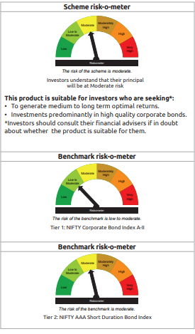
INDEX | Portfolio Statement as on July 31,2025
 | Bandhan Corporate Bond Fund

 | Name of the Instrument | ISIN | Industry / Rating | Quantity | Market/Fair Value ( Rs. in Lacs) | % to NAV | YTM
 | Debt Instruments
 | (a) Listed / awaiting listing on Stock Exchange
 | Government Securities
GOI5228 | 7.18% Government of India | IN0020230085 | SOVEREIGN | 251,500,000 | 263,101.44 | 16.52% | 6.54%
GOI4976 | 7.26% Government of India | IN0020220151 | SOVEREIGN | 74,500,000 | 78,180.45 | 4.91% | 6.52%
GOI5196 | 7.18% Government of India | IN0020230077 | SOVEREIGN | 52,500,000 | 54,810.11 | 3.44% | 6.75%
GOI5713 | 7.1% Government of India | IN0020240019 | SOVEREIGN | 23,500,000 | 24,492.92 | 1.54% | 6.56%
GOI3470 | 6.84% State Government Securities | IN2920190443 | SOVEREIGN | 23,000,000 | 23,267.08 | 1.46% | 6.65%
GOI1955 | 7.76% State Government Securities | IN1920170116 | SOVEREIGN | 1,000,000 | 1,038.41 | 0.07% | 6.08%
 | Non Convertible Debentures
BHFL102 | 7.78% Bajaj Housing Finance Limited ** | INE377Y07425 | CRISIL AAA | 92,500,000 | 93,289.03 | 5.86% | 6.59%
BAFL974 | 7.3763% Bajaj Finance Limited ** | INE296A07TJ4 | CRISIL AAA | 77,500,000 | 77,981.20 | 4.90% | 7.09%
RIND263 | 8.65% Reliance Industries Limited ** | INE002A08567 | CRISIL AAA | 57,500,000 | 61,021.93 | 3.83% | 6.54%
LARS419 | 7.725% Larsen & Toubro Limited ** | INE018A08BE9 | CRISIL AAA | 57,500,000 | 59,204.99 | 3.72% | 6.49%
HPEC311 | 6.73% Hindustan Petroleum Corporation Limited ** | INE094A08176 | CRISIL AAA | 47,000,000 | 47,190.12 | 2.96% | 6.62%
ULCC169 | 7.34% UltraTech Cement Limited ** | INE481G08123 | CRISIL AAA | 42,500,000 | 43,362.33 | 2.72% | 6.44%
NHBA319 | 7.77% National Housing Bank ** | INE557F08FP2 | CRISIL AAA | 37,000,000 | 37,296.15 | 2.34% | 6.35%
NUCL133 | 7.7% Nuclear Power Corporation Of India Limited ** | INE206D08501 | ICRA AAA | 35,000,000 | 35,909.44 | 2.25% | 6.57%
...
 | Net Current Assets |  |  |  | 43,292.26 | 2.74%
 | GRAND TOTAL |  |  |  | 1,592,542.09 | 100.00%

 | ** Thinly Traded/Non Traded Securities/Illiquid Securities

 | As per the requirement of regulation 43A of SEBI (Mutual Funds) Regulations, 1996, SEBI circular no. SEBI/HO/IMD/PoD2/P/CIR/2023/128 dated July 27, 2023 on framework for Corporate Debt Market Development Fund and SEBI circular no. SEBI/HO/IMD/PoD2 /P/CIR/2023/129 dated July 27, 2023 on investment by mutual fund schemes and Asset Management Companies (AMCs) in units of Corporate Debt Market Development Fund (“CDMDF”), specified open ended debt-oriented schemes of Bandhan Mutual Fund and Bandhan AMC Limited (‘AMC’) shall invest percentage of net assets in the units of the CDMDF.

Bandhan CRF
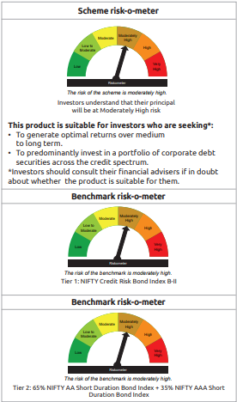
...
$ Less Than 0.01% of NAV
** Thinly Traded/Non Traded Securities/Illiquid Securities

As per the requirement of regulation 43A of SEBI (Mutual Funds) Regulations, 1996, SEBI circular no. SEBI/HO/IMD/PoD2/P/CIR/2023/128 dated July 27, 2023 on framework for Corporate Debt Market Development Fund and SEBI circular no. SEBI/HO/IMD/PoD2 /P/CIR/2023/129 dated July 27, 2023 on investment by mutual fund schemes and Asset Management Companies (AMCs) in units of Corporate Debt Market Development Fund (“CDMDF”), specified open ended debt-oriented schemes of Bandhan Mutual Fund and Bandhan AMC Limited (‘AMC’) shall invest percentage of net assets in the units of the CDMDF.

Bandhan FRF
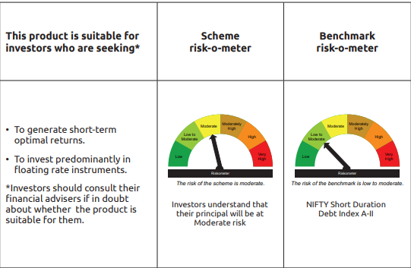
...
Name of the Instrument | ISIN | Industry / Rating | Quantity | Market/Fair Value ( Rs. in Lacs) | % to NAV | YTM
Net Current Assets |  |  |  | 906.51 | 2.39%
GRAND TOTAL |  |  |  | 38,136.24 | 100.00%

** Thinly Traded/Non Traded Securities/Illiquid Securities

As per the requirement of regulation 43A of SEBI (Mutual Funds) Regulations, 1996, SEBI circular no. SEBI/HO/IMD/PoD2/P/CIR/2023/128 dated July 27, 2023 on framework for Corporate Debt Market Development Fund and SEBI circular no. SEBI/HO/IMD/PoD2 /P/CIR/2023/129 dated July 27, 2023 on investment by mutual fund schemes and Asset Management Companies (AMCs) in units of Corporate Debt Market Development Fund (“CDMDF”), specified open ended debt-oriented schemes of Bandhan Mutual Fund and Bandhan AMC Limited (‘AMC’) shall invest percentage of net assets in the units of the CDMDF.

Bandhan Gsec-IP
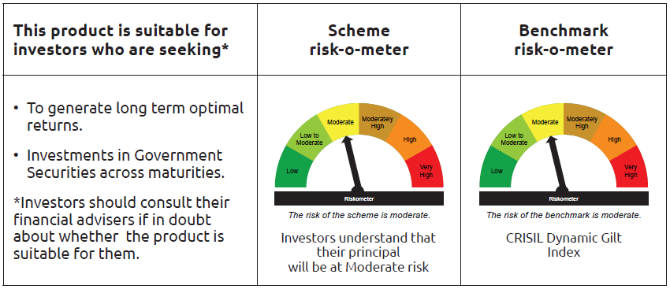
...
 | Name of the Instrument | ISIN | Industry / Rating | Quantity | Market/Fair Value ( Rs. in Lacs) | % to NAV | YTM
TRP_010825 | CBLO TRP_010825 |  |  |  | 320.99 | 0.10% | 5.44%
 | Total |  |  |  | 320.99 | 0.10%
 | OTHERS
 | Cash Margin - CCIL |  |  |  | 141.14 | 0.04%
 | Subtotal |  |  |  | 141.14 | 0.04%
 | Net Current Assets |  |  |  | 2,671.47 | 0.80%
 | GRAND TOTAL |  |  |  | 332,442.25 | 100.00%

 | $ Less Than 0.01% of NAV

Bandhan Gsec-CMP
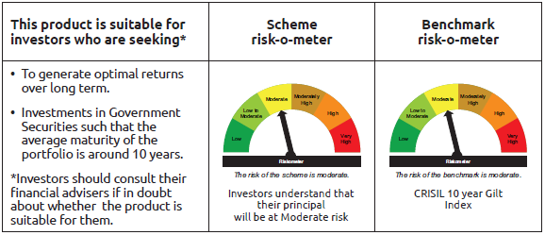
...
 | Name of the Instrument | ISIN | Industry / Rating | Quantity | Market/Fair Value ( Rs. in Lacs) | % to NAV | YTM
TRP_010825 | CBLO TRP_010825 |  |  |  | 847.68 | 2.39% | 5.44%
 | Total |  |  |  | 847.68 | 2.39%
 | OTHERS
 | Cash Margin - CCIL |  |  |  | 1.66 | $
 | Subtotal |  |  |  | 1.66 | $
 | Net Current Assets |  |  |  | 456.72 | 1.30%
 | GRAND TOTAL |  |  |  | 35,438.63 | 100.00%

 | $ Less Than 0.01% of NAV

Bandhan Long Dur
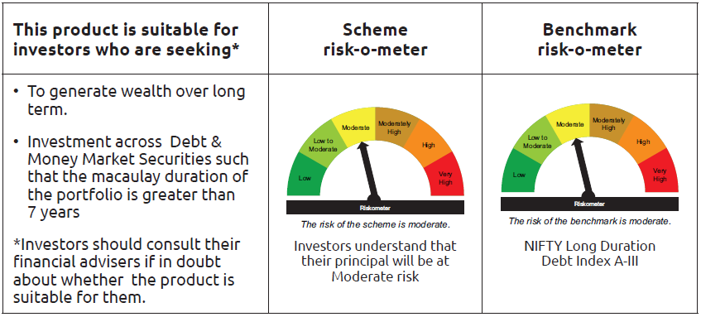
...
Name of the Instrument | ISIN | Industry / Rating | Quantity | Market/Fair Value ( Rs. in Lacs) | % to NAV | YTM
GRAND TOTAL |  |  |  | 14,386.55 | 100.00%

$ Less Than 0.01% of NAV

As per the requirement of regulation 43A of SEBI (Mutual Funds) Regulations, 1996, SEBI circular no. SEBI/HO/IMD/PoD2/P/CIR/2023/128 dated July 27, 2023 on framework for Corporate Debt Market Development Fund and SEBI circular no. SEBI/HO/IMD/PoD2 /P/CIR/2023/129 dated July 27, 2023 on investment by mutual fund schemes and Asset Management Companies (AMCs) in units of Corporate Debt Market Development Fund (“CDMDF”), specified open ended debt-oriented schemes of Bandhan Mutual Fund and Bandhan AMC Limited (‘AMC’) shall invest percentage of net assets in the units of the CDMDF.

Bandhan CRISIL IBX April 2026
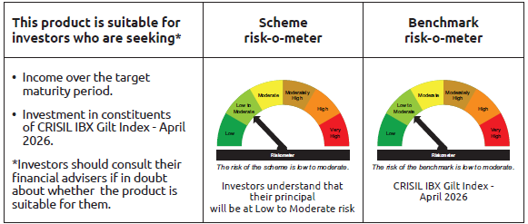
...
 | Name of the Instrument | ISIN | Industry / Rating | Quantity | Market/Fair Value ( Rs. in Lacs) | % to NAV | YTM
TRP_010825 | CBLO TRP_010825 |  |  |  | 12.47 | 0.03% | 5.44%
 | Total |  |  |  | 12.47 | $
 | OTHERS
 | Cash Margin - CCIL |  |  |  | 0.01 | $
 | Subtotal |  |  |  | 0.01 | $
 | Net Current Assets |  |  |  | 640.78 | 1.48%
 | GRAND TOTAL |  |  |  | 43,140.43 | 100.00%

 | $ Less Than 0.01% of NAV

Bandhan CRISIL IBX June 2027
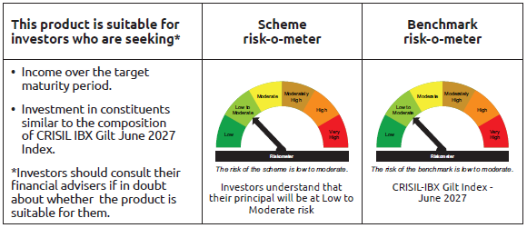
...
 | Name of the Instrument | ISIN | Industry / Rating | Quantity | Market/Fair Value ( Rs. in Lacs) | % to NAV | YTM
TRP_010825 | CBLO TRP_010825 |  |  |  | 2,330.33 | 0.35% | 5.44%
 | Total |  |  |  | 2,330.33 | 0.35%
 | OTHERS
 | Cash Margin - CCIL |  |  |  | 0.06 | $
 | Subtotal |  |  |  | 0.06 | $
 | Net Current Assets |  |  |  | 8,935.11 | 1.35%
 | GRAND TOTAL |  |  |  | 657,748.00 | 100.00%

 | $ Less Than 0.01% of NAV

Bandhan CRISIL IBX April 2028
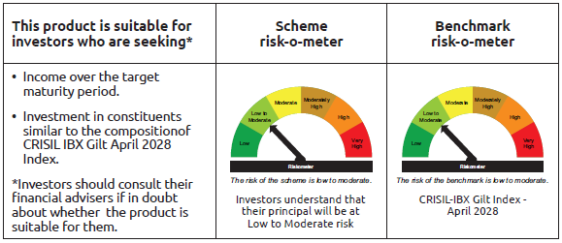
...
 | Name of the Instrument | ISIN | Industry / Rating | Quantity | Market/Fair Value ( Rs. in Lacs) | % to NAV | YTM
TRP_010825 | CBLO TRP_010825 |  |  |  | 4.56 | $ | 5.43%
 | Total |  |  |  | 4.56 | $
 | OTHERS
 | Cash Margin - CCIL |  |  |  | 8.10 | $
 | Subtotal |  |  |  | 8.10 | $
 | Net Current Assets |  |  |  | 11,724.88 | 2.61%
 | GRAND TOTAL |  |  |  | 448,875.33 | 100.00%

 | $ Less Than 0.01% of NAV

Bandhan CRISIL IBX April 2032
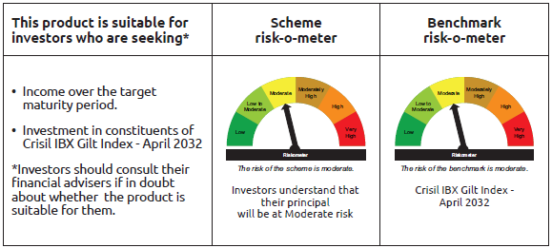
...
 | Name of the Instrument | ISIN | Industry / Rating | Quantity | Market/Fair Value ( Rs. in Lacs) | % to NAV | YTM
TRP_010825 | CBLO TRP_010825 |  |  |  | 470.49 | 1.01% | 5.44%
 | Total |  |  |  | 470.49 | 1.01%
 | OTHERS
 | Cash Margin - CCIL |  |  |  | 0.02 | $
 | Subtotal |  |  |  | 0.02 | $
 | Net Current Assets |  |  |  | 113.01 | 0.24%
 | GRAND TOTAL |  |  |  | 46,633.41 | 100.00%

 | $ Less Than 0.01% of NAV

BANDHAN CRISIL IBX SDL NOV 2026
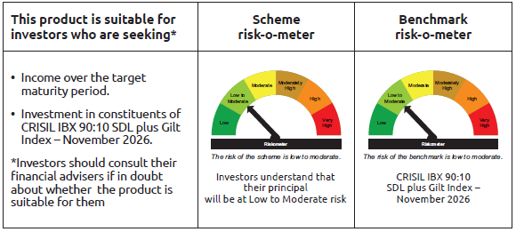
...
Name of the Instrument | ISIN | Industry / Rating | Quantity | Market/Fair Value ( Rs. in Lacs) | % to NAV | YTM
Total |  |  |  | 231.90 | 2.26%
OTHERS
Cash Margin - CCIL |  |  |  | 0.01 | $
Subtotal |  |  |  | 0.01 | $
Net Current Assets |  |  |  | 217.80 | 2.14%
GRAND TOTAL |  |  |  | 10,255.19 | 100.00%

$ Less Than 0.01% of NAV

BANDHAN CRISIL IBX SDL SEP 2027
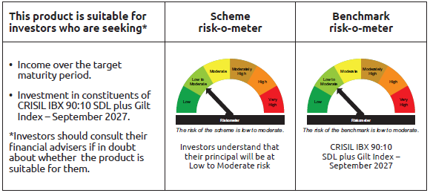
...
 | Name of the Instrument | ISIN | Industry / Rating | Quantity | Market/Fair Value ( Rs. in Lacs) | % to NAV | YTM
TRP_010825 | CBLO TRP_010825 |  |  |  | 384.86 | 2.52% | 5.44%
 | Total |  |  |  | 384.86 | 2.52%
 | OTHERS
 | Cash Margin - CCIL |  |  |  | 0.01 | $
 | Subtotal |  |  |  | 0.01 | $
 | Net Current Assets |  |  |  | 273.09 | 1.79%
 | GRAND TOTAL |  |  |  | 15,269.35 | 100.00%

 | $ Less Than 0.01% of NAV

BANDHAN CRISIL IBX SDL APR 2032
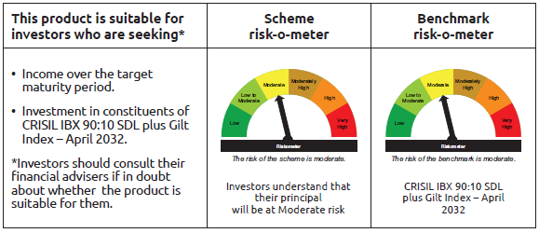
...
 | Name of the Instrument | ISIN | Industry / Rating | Quantity | Market/Fair Value ( Rs. in Lacs) | % to NAV | YTM
TRP_010825 | CBLO TRP_010825 |  |  |  | 1,888.56 | 3.41% | 5.44%
 | Total |  |  |  | 1,888.56 | 3.41%
 | OTHERS
 | Cash Margin - CCIL |  |  |  | 0.05 | $
 | Subtotal |  |  |  | 0.05 | $
 | Net Current Assets |  |  |  | (417.56) | -0.75%
 | GRAND TOTAL |  |  |  | 55,359.26 | 100.00%

 | $ Less Than 0.01% of NAV

BANDHAN CRISIL IBX SDL DEC 2029
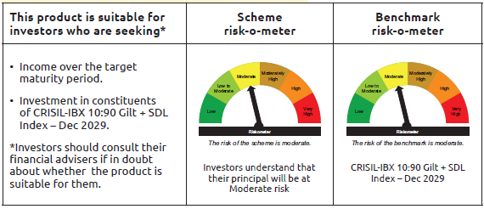
...
 | Name of the Instrument | ISIN | Industry / Rating | Quantity | Market/Fair Value ( Rs. in Lacs) | % to NAV | YTM
 | Money Market Instruments
 | Collateralised Borrowing & Lending Obligation / Reverse Repo Instrument
TRP_010825 | CBLO TRP_010825 |  |  |  | 34.78 | 4.66% | 5.44%
 | Total |  |  |  | 34.78 | 4.66%
 | OTHERS
 | Cash Margin - CCIL |  |  |  | 0.23 | 0.03%
 | Subtotal |  |  |  | 0.23 | 0.03%
 | Net Current Assets |  |  |  | (1.67) | -0.22%
 | GRAND TOTAL |  |  |  | 746.94 | 100.00%

BANDHAN CRISIL IBX Fin Serv3-6M
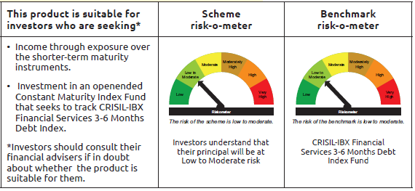
...
Name of the Instrument | ISIN | Industry / Rating | Quantity | Market/Fair Value ( Rs. in Lacs) | % to NAV | YTM
Total |  |  |  | 9,808.45 | 28.87%
OTHERS
Cash Margin - CCIL |  |  |  | 1.84 | 0.01%
Subtotal |  |  |  | 1.84 | 0.01%
Net Current Assets |  |  |  | 1,142.05 | 3.32%
GRAND TOTAL |  |  |  | 33,995.16 | 100.00%

** Thinly Traded/Non Traded Securities/Illiquid Securities

